BRAZIL_EXOG1
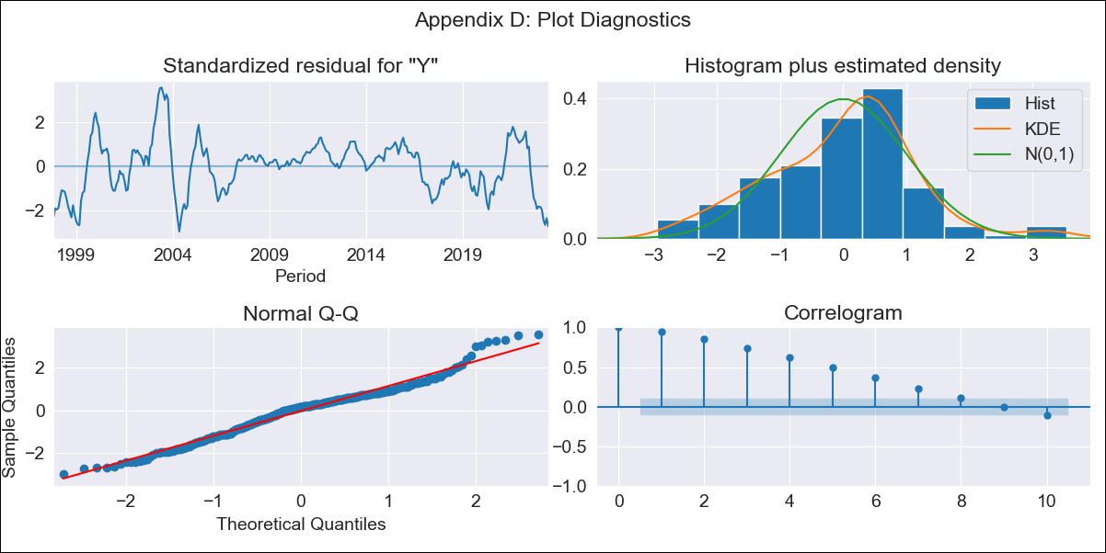
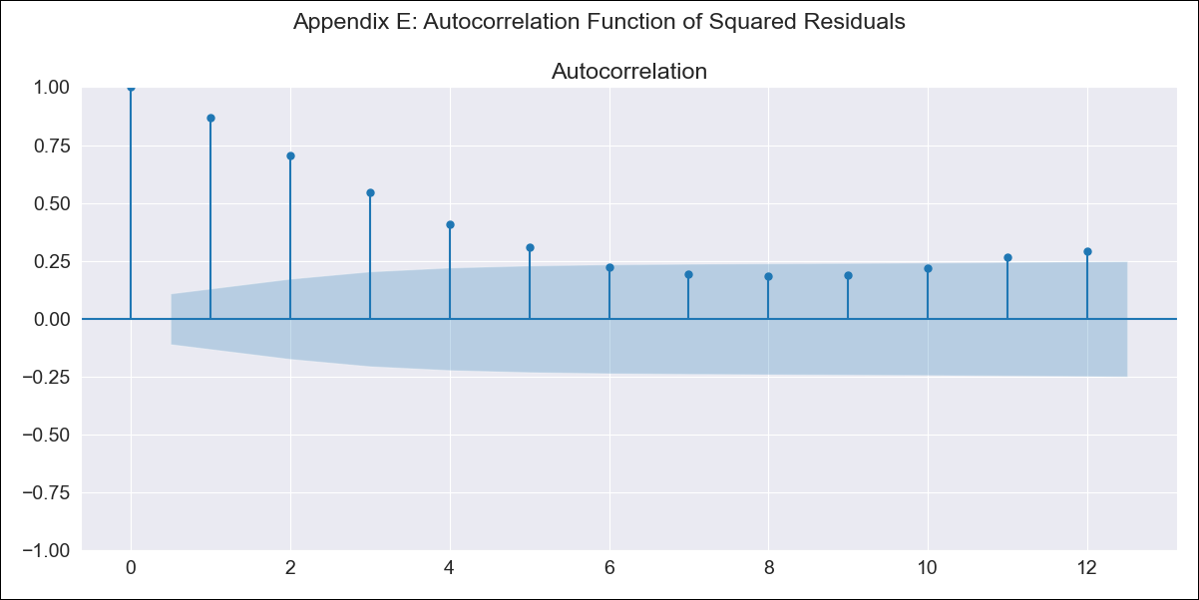
BRAZIL_EXOG1 - Inflation - Next 12 months forecast as of: 2023-06-01

Model | SARIMAX - [(0, 0, 0), (1, 0, 1, 12)]
Training Data | 1996-10-01 to 2022-07-01 |  | Exogenous Variables | exchange rates, interest rates (discount rate), interest rates(bond yield), m1 money supply
Test Data | 2022-07-01 to 2023-06-01

Date | Inflation Change YoY % | Lower Bound - 95% Confidence Interval | Upper Bound - 95% Confidence Interval
2023-07-01 | 8.7 | 4.33 | 13.07
2023-08-01 | 7.7 | 3.33 | 12.07
2023-09-01 | 6.98 | 2.61 | 11.35
2023-10-01 | 6.77 | 2.4 | 11.14
2023-11-01 | 6.65 | 2.27 | 11.02
2023-12-01 | 6.59 | 2.22 | 10.96
2024-01-01 | 6.51 | 2.14 | 10.88
2024-02-01 | 6.35 | 1.98 | 10.73
2024-03-01 | 5.73 | 1.35 | 10.1
2024-04-01 | 5.22 | 0.85 | 9.6
2024-05-01 | 5.47 | 1.1 | 9.84
2024-06-01 | 5.01 | 0.64 | 9.38

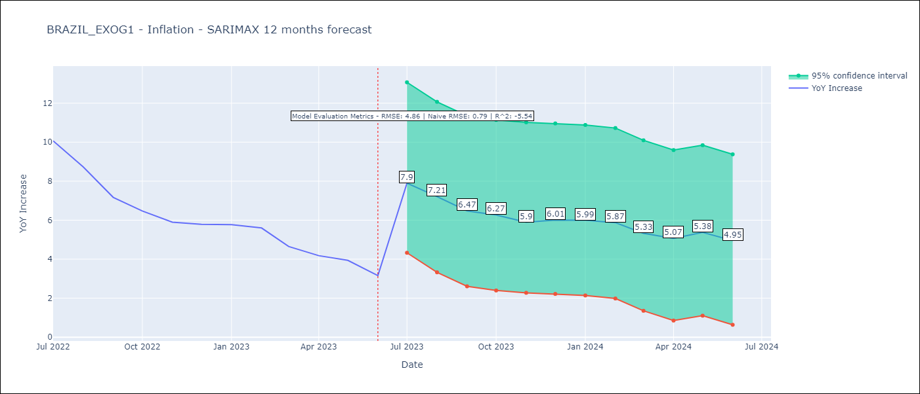

Test Metrics
RMSE | 4.86
Naive RMSE | 0.92
R^2 | -5.54

Test Predictions
Date | Predicted | Actual
2022-07-01 | 11.21 | 10.07
2022-08-01 | 11.33 | 8.73
2022-09-01 | 11.03 | 7.17
2022-10-01 | 10.62 | 6.47
2022-11-01 | 10.77 | 5.9
2022-12-01 | 10.46 | 5.79
2023-01-01 | 10.47 | 5.77
2023-02-01 | 10.53 | 5.6
2023-03-01 | 10.59 | 4.65
2023-04-01 | 10.67 | 4.18
2023-05-01 | 9.53 | 3.94
2023-06-01 | 9.67 | 3.16

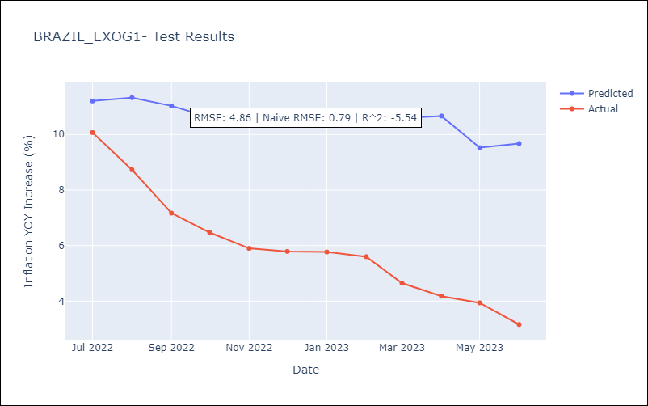

Appendix A: Model Summary
Model | SARIMAX(1, 0, [1], 12)
Sample | 10-01-1996- 06-01-2023
No. of Observations | 321
Terms | P-value (Statistical significance)
exchange rates | 0.000
interest rates (discount rate) | 0.000
interest rates(bond yield) | 0.000
m1 money supply | 0.103
ar.S.L12 | 0.000
ma.S.L12 | 0.000
sigma2 | 0.000
Assumptions | P-value | Interpretation
Ljung-Box (L1) | 0.00 | Residuals are not independent.
Heteroskedasticity | 0.00 | Residuals have different variances.
Jarque-Bera | 0.24 | Residuals are normally distributed.
Skew | 0.04 | Positive skew - model underestimates the mean.
Kurtosis | 3.47 | Residuals contain more extreme outliers than in a normal distribution.

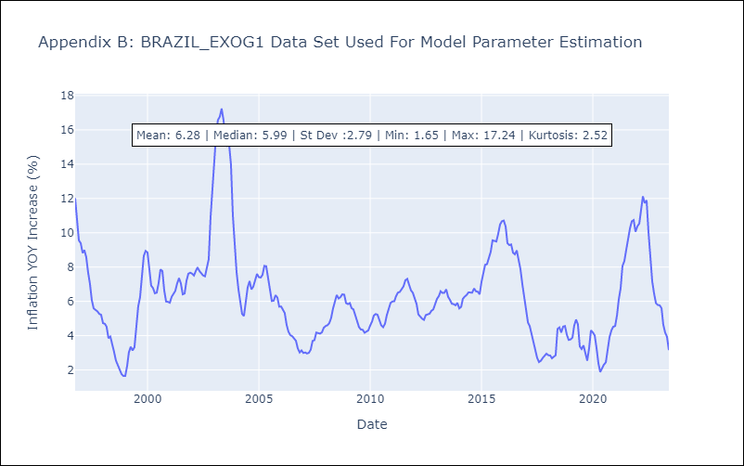

Appendix C: Residuals Analysis
Mean | 0.02
Variance | 6.91
White Noise? | No - Correlation at Lags [ 1 2 3 4 5 6 7 8 9 10 11 12]
Heteroskedastic? - ARCH | Yes
Normal? | No

