BRAZIL_EXOG5
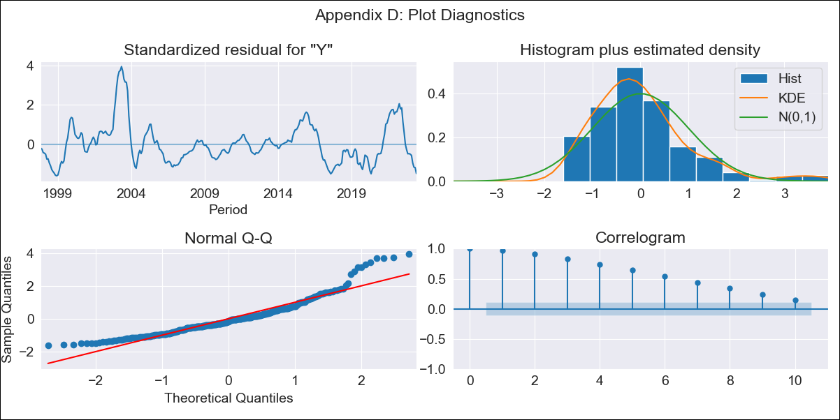
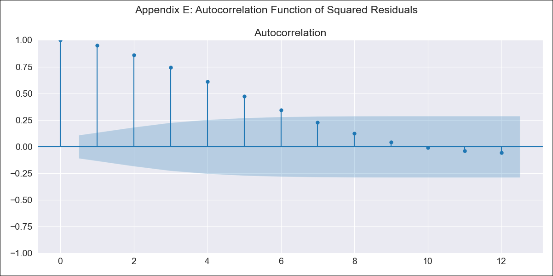
BRAZIL_EXOG5 - Inflation - Next 12 months forecast as of: 2023-06-01

Model | ARIMA - [(0, 0, 0), (1, 0, 1, 12)]
Training Data | 1996-10-01 to 2022-07-01
Test Data | 2022-07-01 to 2023-06-01

Date | Inflation Change YoY % | Lower Bound - 95% Confidence Interval | Upper Bound - 95% Confidence Interval
2023-07-01 | 6.8 | 1.45 | 12.15
2023-08-01 | 6.46 | 1.11 | 11.81
2023-09-01 | 6.1 | 0.75 | 11.45
2023-10-01 | 5.94 | 0.59 | 11.29
2023-11-01 | 5.81 | 0.46 | 11.17
2023-12-01 | 5.83 | 0.48 | 11.18
2024-01-01 | 5.81 | 0.46 | 11.16
2024-02-01 | 5.77 | 0.42 | 11.12
2024-03-01 | 5.54 | 0.19 | 10.89
2024-04-01 | 5.4 | 0.05 | 10.75
2024-05-01 | 5.4 | 0.05 | 10.75
2024-06-01 | 5.22 | -0.13 | 10.57

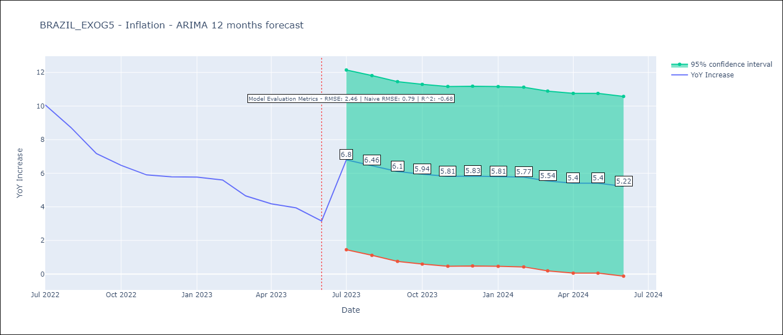

Test Metrics
RMSE | 2.46
Naive RMSE | 0.92
R^2 | -0.68

Test Predictions
Date | Predicted | Actual
2022-07-01 | 7.17 | 10.07
2022-08-01 | 7.34 | 8.73
2022-09-01 | 7.42 | 7.17
2022-10-01 | 7.47 | 6.47
2022-11-01 | 7.48 | 5.9
2022-12-01 | 7.31 | 5.79
2023-01-01 | 7.39 | 5.77
2023-02-01 | 7.38 | 5.6
2023-03-01 | 7.49 | 4.65
2023-04-01 | 7.63 | 4.18
2023-05-01 | 7.43 | 3.94
2023-06-01 | 7.46 | 3.16

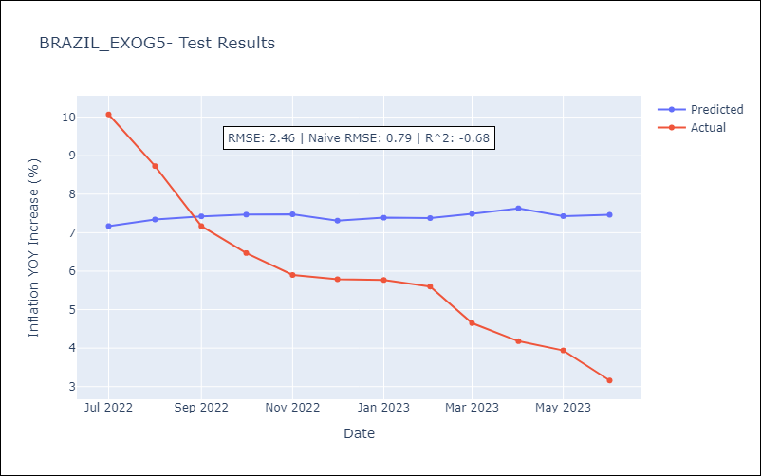

Appendix A: Model Summary
Model | ARIMA(1, 0, [1], 12)
Sample | 10-01-1996- 06-01-2023
No. of Observations | 321
Terms | P-value (Statistical significance)
const | 0.000
ar.S.L12 | 0.798
ma.S.L12 | 0.298
sigma2 | 0.601
Assumptions | P-value | Interpretation
Ljung-Box (L1) | 0.00 | Residuals are not independent.
Heteroskedasticity | 0.04 | Residuals have different variances.
Jarque-Bera | 0.00 | Residuals are not normally distributed.
Skew | 1.31 | Positive skew - model underestimates the mean.
Kurtosis | 5.51 | Residuals contain more extreme outliers than in a normal distribution.

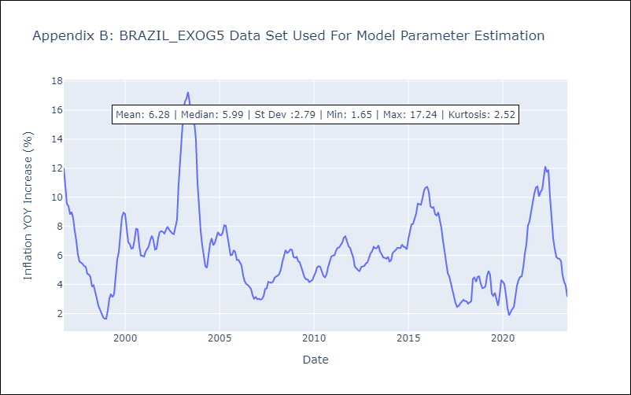

Appendix C: Residuals Analysis
Mean | 0.09
Variance | 7.5
White Noise? | No - Correlation at Lags [ 1 2 3 4 5 6 7 8 9 10 11 12]
Heteroskedastic? - ARCH | Yes
Normal? | No

