BRAZIL_EXOG6
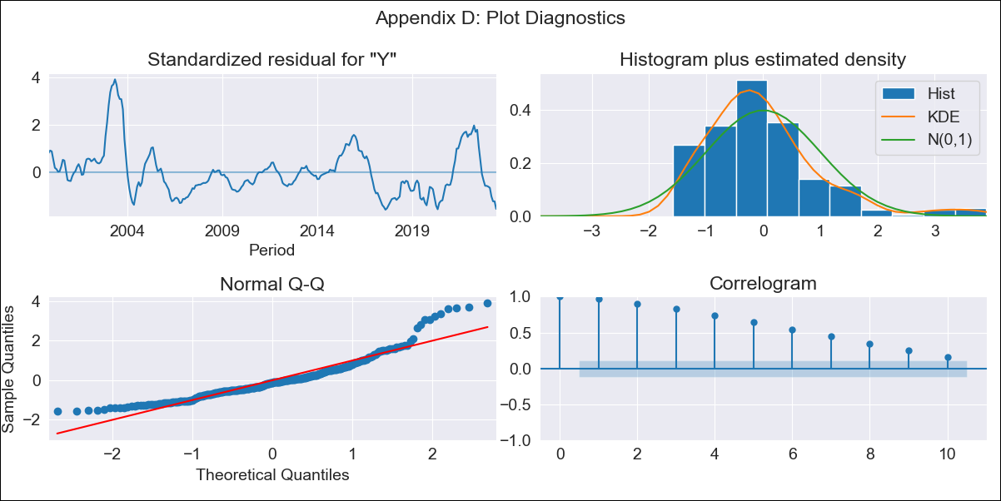
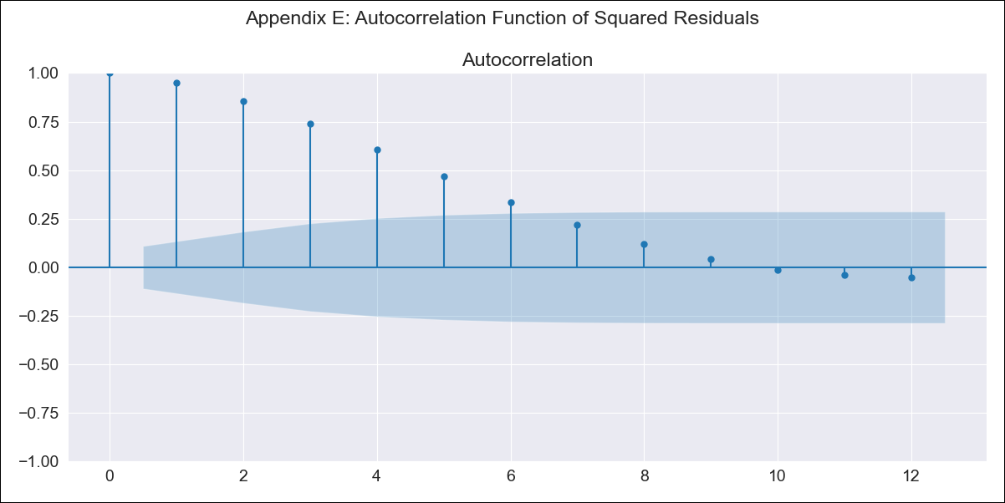
BRAZIL_EXOG6 - Inflation - Next 12 months forecast as of: 2023-06-01

Model | ARIMA - [(0, 0, 0), (0, 0, 3, 12)]
Training Data | 1996-10-01 to 2022-07-01
Test Data | 2022-07-01 to 2023-06-01

Date | Inflation Change YoY % | Lower Bound - 95% Confidence Interval | Upper Bound - 95% Confidence Interval
2023-07-01 | 6.87 | 1.56 | 12.17
2023-08-01 | 6.49 | 1.19 | 11.79
2023-09-01 | 6.13 | 0.83 | 11.44
2023-10-01 | 5.99 | 0.68 | 11.29
2023-11-01 | 5.84 | 0.54 | 11.15
2023-12-01 | 5.86 | 0.56 | 11.16
2024-01-01 | 5.83 | 0.53 | 11.13
2024-02-01 | 5.82 | 0.52 | 11.12
2024-03-01 | 5.61 | 0.31 | 10.91
2024-04-01 | 5.49 | 0.19 | 10.8
2024-05-01 | 5.56 | 0.26 | 10.86
2024-06-01 | 5.35 | 0.05 | 10.65

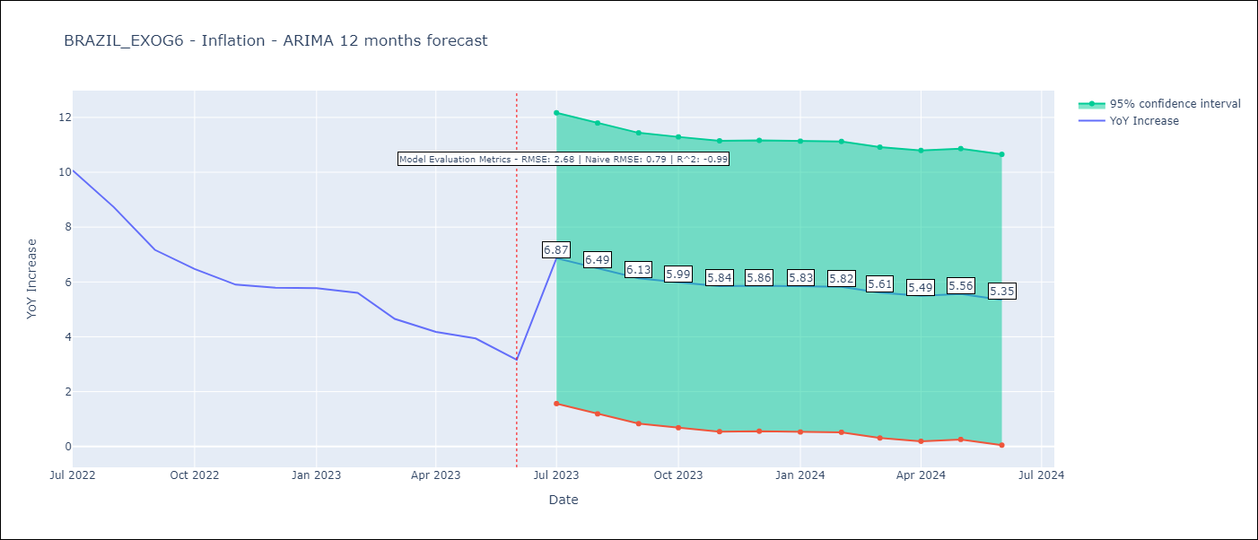

Test Metrics
RMSE | 2.68
Naive RMSE | 0.92
R^2 | -0.99

Test Predictions
Date | Predicted | Actual
2022-07-01 | 7.25 | 10.07
2022-08-01 | 7.46 | 8.73
2022-09-01 | 7.56 | 7.17
2022-10-01 | 7.64 | 6.47
2022-11-01 | 7.71 | 5.9
2022-12-01 | 7.58 | 5.79
2023-01-01 | 7.67 | 5.77
2023-02-01 | 7.67 | 5.6
2023-03-01 | 7.79 | 4.65
2023-04-01 | 7.94 | 4.18
2023-05-01 | 7.75 | 3.94
2023-06-01 | 7.86 | 3.16

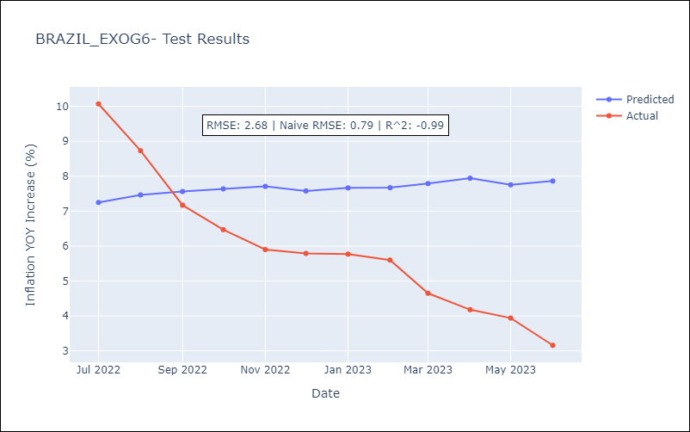

Appendix A: Model Summary
Model | ARIMA(0, 0, [1, 2, 3], 12)
Sample | 10-01-1996- 06-01-2023
No. of Observations | 321
Terms | P-value (Statistical significance)
const | 0.000
ma.S.L12 | 0.064
ma.S.L24 | 0.016
ma.S.L36 | 0.532
sigma2 | 0.207
Assumptions | P-value | Interpretation
Ljung-Box (L1) | 0.00 | Residuals are not independent.
Heteroskedasticity | 0.08 | Residuals have the same variance.
Jarque-Bera | 0.00 | Residuals are not normally distributed.
Skew | 1.35 | Positive skew - model underestimates the mean.
Kurtosis | 5.58 | Residuals contain more extreme outliers than in a normal distribution.

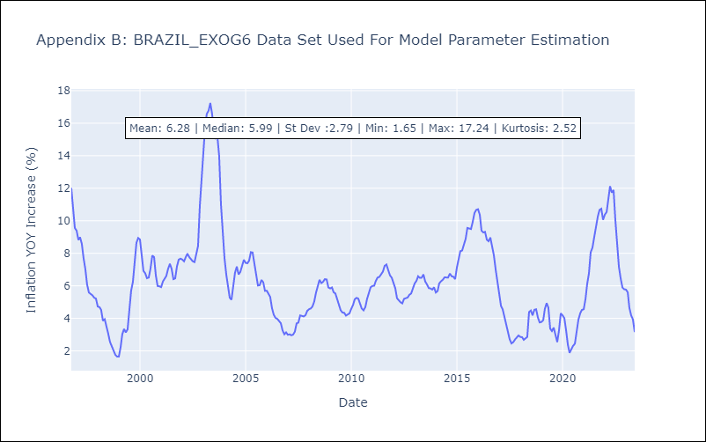

Appendix C: Residuals Analysis
Mean | -0.13
Variance | 7.48
White Noise? | No - Correlation at Lags [ 1 2 3 4 5 6 7 8 9 10 11 12]
Heteroskedastic? - ARCH | Yes
Normal? | No

