BRAZIL_EXOG9
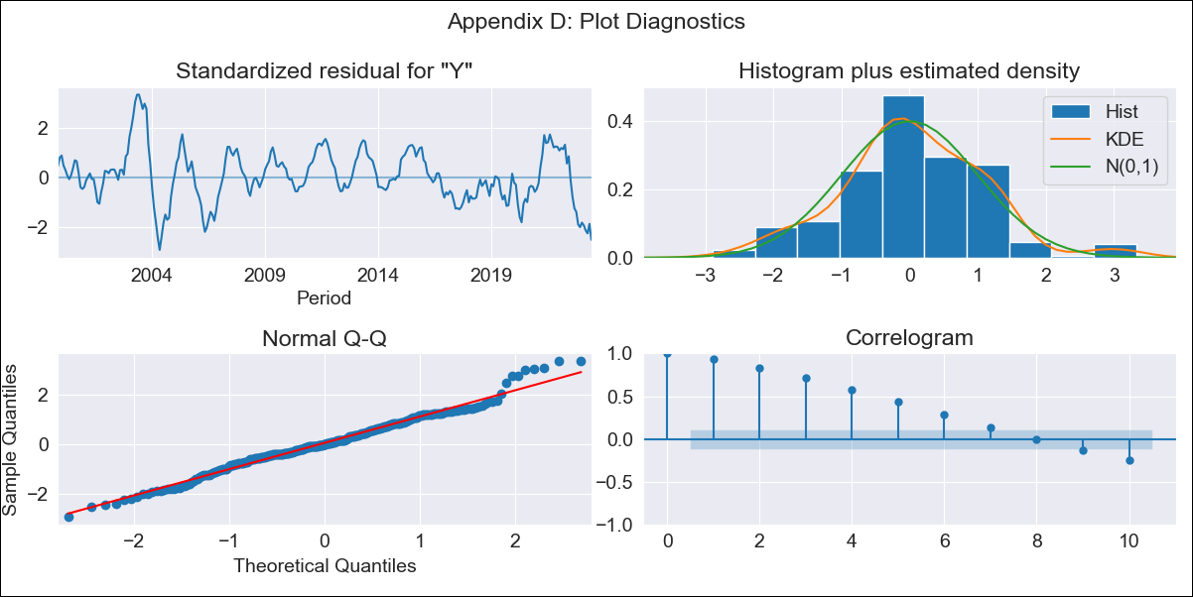
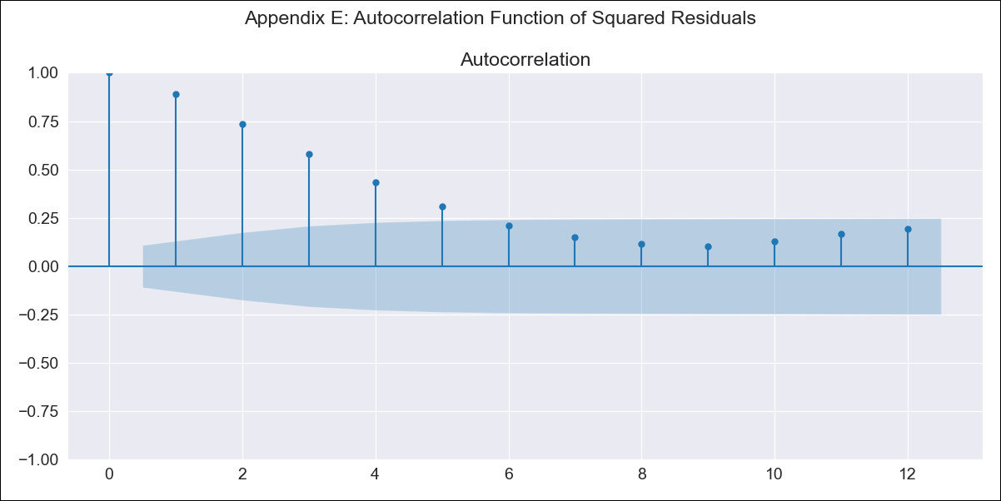
BRAZIL_EXOG9 - Inflation - Next 12 months forecast as of: 2023-06-01

Model | SARIMAX - [(0, 0, 0), (0, 0, 3, 12)] | Exogenous Variables | exchange rates, interest rates (discount rate), interest rates(bond yield), m1 money supply
Training Data | 1996-10-01 to 2022-07-01
Test Data | 2022-07-01 to 2023-06-01

Date | Inflation Change YoY % | Lower Bound - 95% Confidence Interval | Upper Bound - 95% Confidence Interval
2023-07-01 | 7.7 | 3.14 | 12.26
2023-08-01 | 6.79 | 2.23 | 11.35
2023-09-01 | 6.44 | 1.88 | 11.01
2023-10-01 | 6.3 | 1.74 | 10.87
2023-11-01 | 5.62 | 1.06 | 10.19
2023-12-01 | 5.6 | 1.04 | 10.17
2024-01-01 | 5.78 | 1.22 | 10.35
2024-02-01 | 5.8 | 1.24 | 10.36
2024-03-01 | 5.83 | 1.26 | 10.39
2024-04-01 | 5.88 | 1.31 | 10.44
2024-05-01 | 6.55 | 1.99 | 11.12
2024-06-01 | 5.63 | 1.07 | 10.2

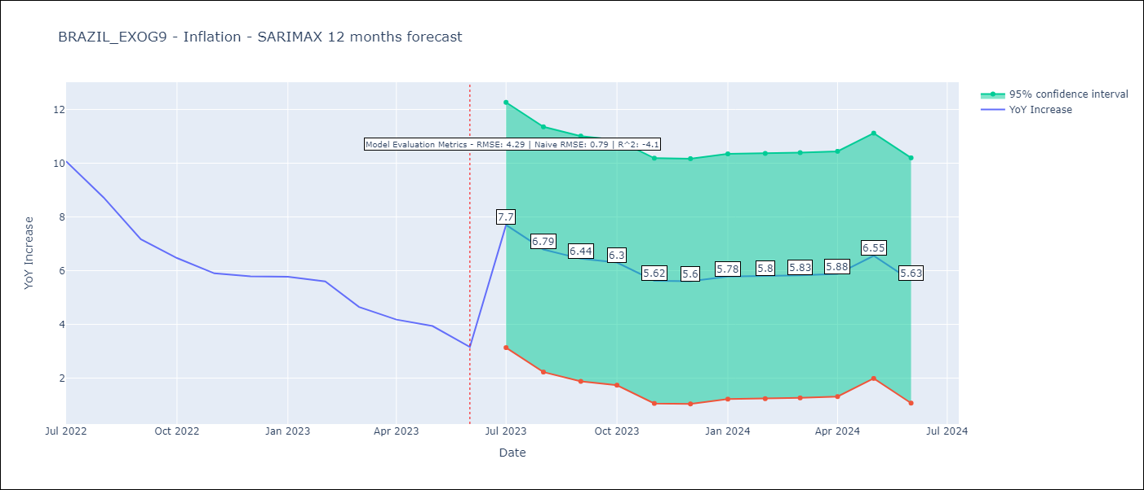

Test Metrics
RMSE | 4.29
Naive RMSE | 0.92
R^2 | -4.1

Test Predictions
Date | Predicted | Actual
2022-07-01 | 10.88 | 10.07
2022-08-01 | 11.16 | 8.73
2022-09-01 | 10.48 | 7.17
2022-10-01 | 10.12 | 6.47
2022-11-01 | 10.75 | 5.9
2022-12-01 | 10.97 | 5.79
2023-01-01 | 10.3 | 5.77
2023-02-01 | 10.35 | 5.6
2023-03-01 | 9.58 | 4.65
2023-04-01 | 9.21 | 4.18
2023-05-01 | 7.86 | 3.94
2023-06-01 | 8.76 | 3.16

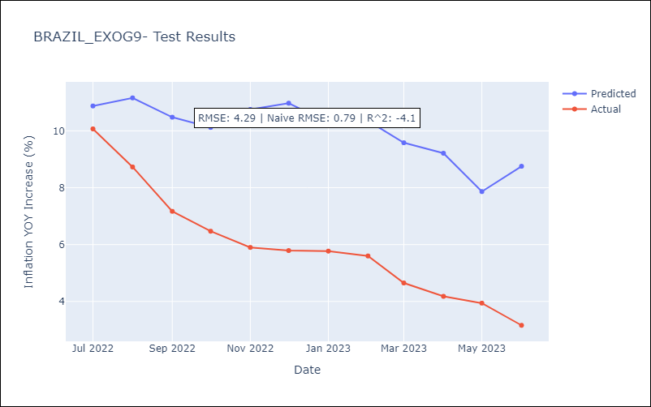

Appendix A: Model Summary
Model | SARIMAX(0, 0, [1, 2, 3], 12)
Sample | 10-01-1996- 06-01-2023
No. of Observations | 321
Terms | P-value (Statistical significance)
exchange rates | 0.000
interest rates (discount rate) | 0.000
interest rates(bond yield) | 0.000
m1 money supply | 0.213
ma.S.L12 | 0.000
ma.S.L24 | 0.000
ma.S.L36 | 0.000
sigma2 | 0.000
Assumptions | P-value | Interpretation
Ljung-Box (L1) | 0.00 | Residuals are not independent.
Heteroskedasticity | 0.01 | Residuals have different variances.
Jarque-Bera | 0.06 | Residuals are normally distributed.
Skew | 0.15 | Positive skew - model underestimates the mean.
Kurtosis | 3.61 | Residuals contain more extreme outliers than in a normal distribution.

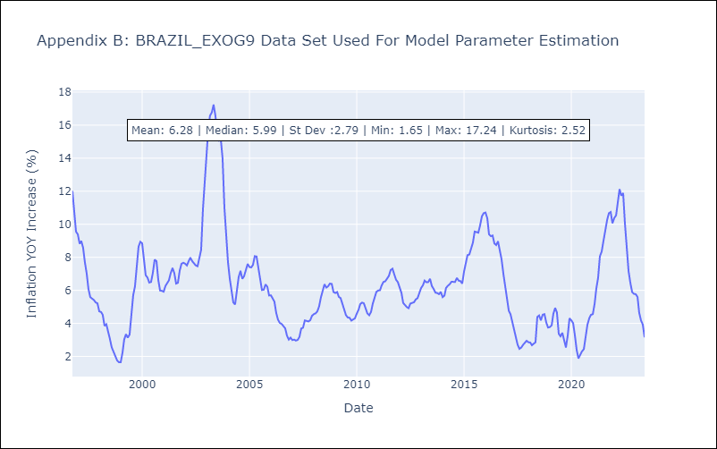

Appendix C: Residuals Analysis
Mean | -0.11
Variance | 7.54
White Noise? | No - Correlation at Lags [ 1 2 3 4 5 6 7 8 9 10 11 12]
Heteroskedastic? - ARCH | Yes
Normal? | No

