BRAZIL_EXOG9
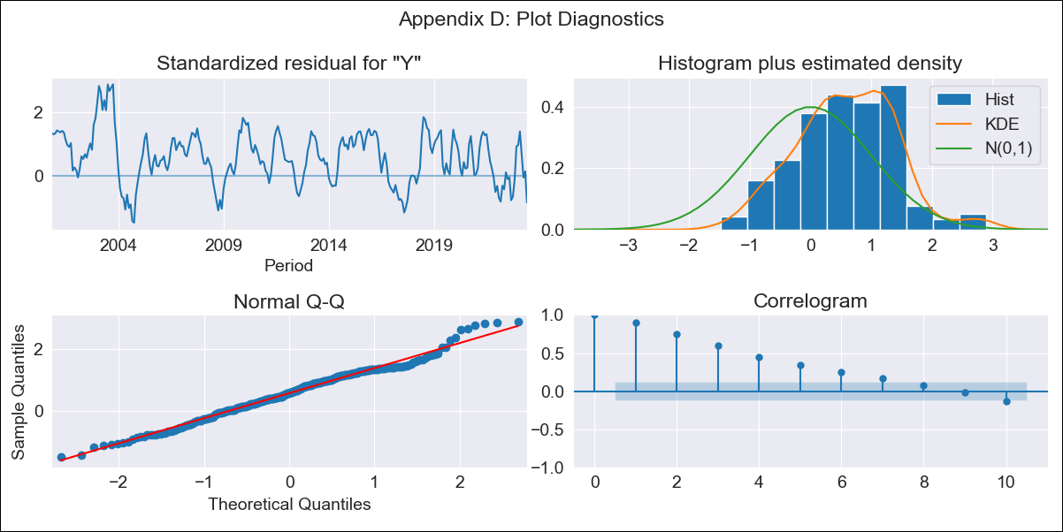
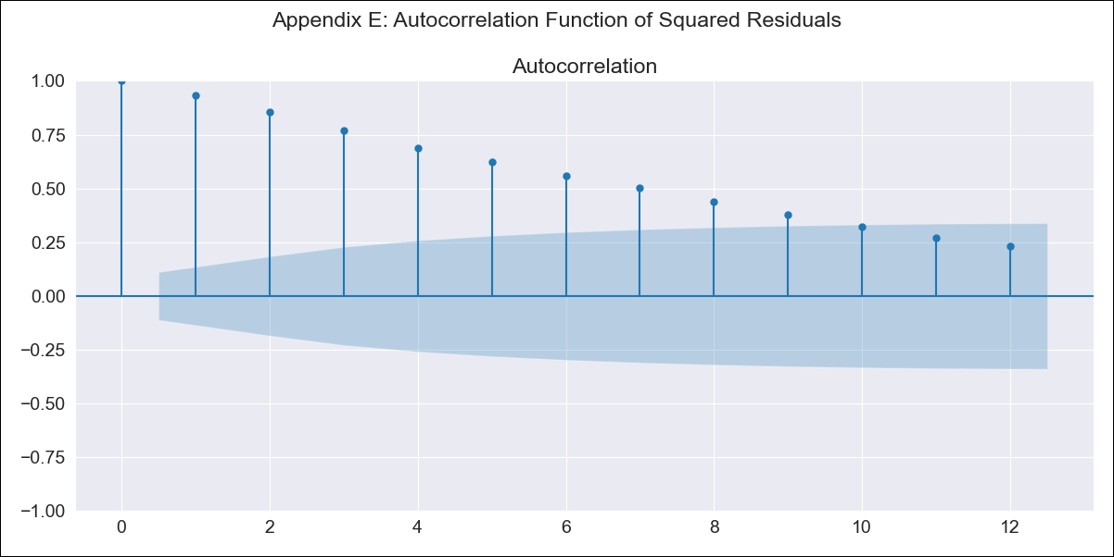
BRAZIL_EXOG9 - Inflation - Next 12 months forecast as of: 2023-06-01

Model | SARIMAX - [(0, 0, 0), (0, 0, 3, 12)] | Exogenous Variables | exchange rates, interest rates (discount rate), interest rates(bond yield), m1 money supply
Training Data | 1997-10-01 to 2022-07-01
Test Data | 2022-07-01 to 2023-06-01

Date | Inflation Change YoY % | Lower Bound - 95% Confidence Interval | Upper Bound - 95% Confidence Interval
2023-07-01 | 4.69 | -0.47 | 9.85
2023-08-01 | 3.12 | -2.04 | 8.28
2023-09-01 | 1.27 | -3.89 | 6.43
2023-10-01 | 1.49 | -3.67 | 6.65
2023-11-01 | 1.16 | -3.99 | 6.31
2023-12-01 | 1.45 | -3.7 | 6.6
2024-01-01 | 2.2 | -2.95 | 7.36
2024-02-01 | 2.71 | -2.44 | 7.87
2024-03-01 | 1.49 | -3.66 | 6.64
2024-04-01 | 1.61 | -3.55 | 6.76
2024-05-01 | 2.09 | -3.07 | 7.24
2024-06-01 | 0.52 | -4.63 | 5.67

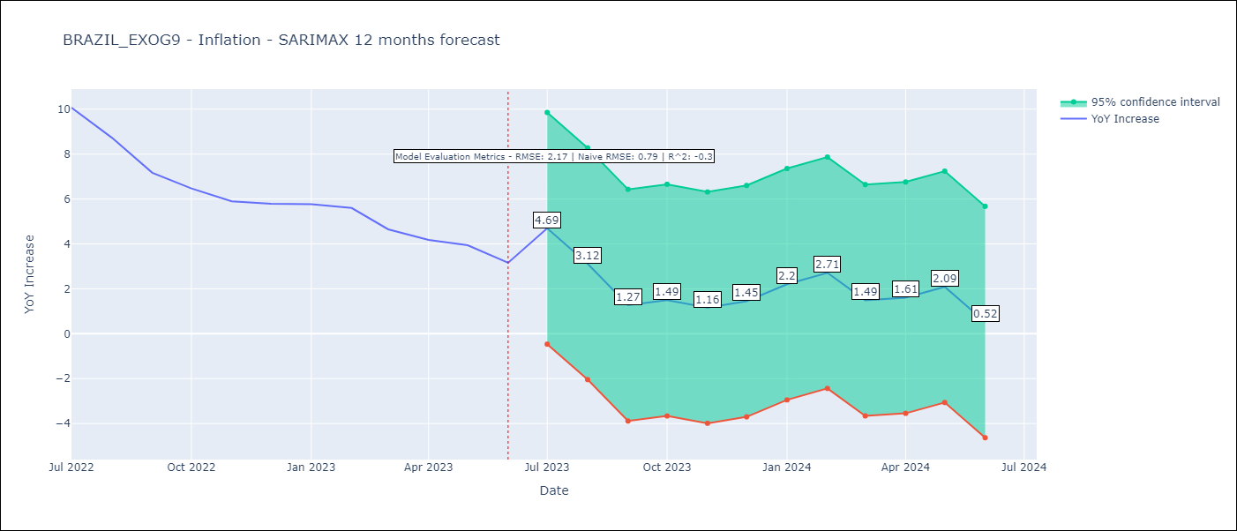

Test Metrics
RMSE | 2.17
Naive RMSE | 0.92
R^2 | -0.3

Test Predictions
Date | Predicted | Actual
2022-07-01 | 10.21 | 10.07
2022-08-01 | 8.69 | 8.73
2022-09-01 | 8.95 | 7.17
2022-10-01 | 7.9 | 6.47
2022-11-01 | 5.41 | 5.9
2022-12-01 | 2.5 | 5.79
2023-01-01 | 2.48 | 5.77
2023-02-01 | 1.23 | 5.6
2023-03-01 | 2.35 | 4.65
2023-04-01 | 4.04 | 4.18
2023-05-01 | 3.41 | 3.94
2023-06-01 | 5.28 | 3.16

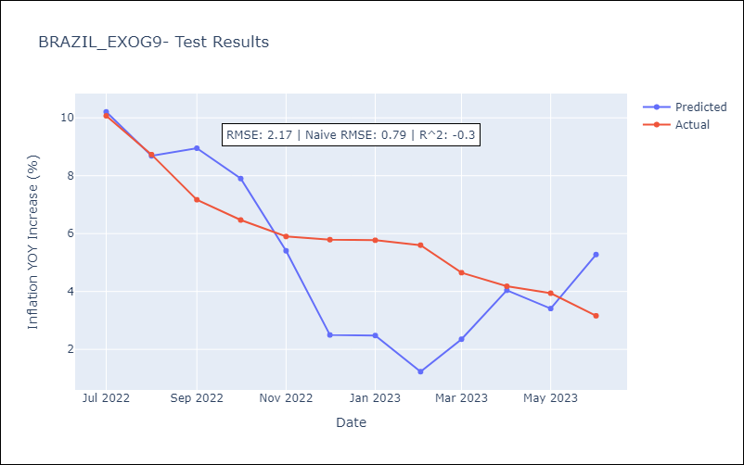

Appendix A: Model Summary
Model | SARIMAX(0, 0, [1, 2, 3], 12)
Sample | 10-01-1997- 06-01-2023
No. of Observations | 309
Terms | P-value (Statistical significance)
exchange rates | 0.000
interest rates (discount rate) | 0.000
interest rates(bond yield) | 0.907
m1 money supply | 0.001
ma.S.L12 | 0.448
ma.S.L24 | 0.905
ma.S.L36 | 0.915
sigma2 | 0.916
Assumptions | P-value | Interpretation
Ljung-Box (L1) | 0.00 | Residuals are not independent.
Heteroskedasticity | 0.00 | Residuals have different variances.
Jarque-Bera | 0.85 | Residuals are normally distributed.
Skew | 0.07 | Positive skew - model underestimates the mean.
Kurtosis | 3.09 | Residuals contain more extreme outliers than in a normal distribution.

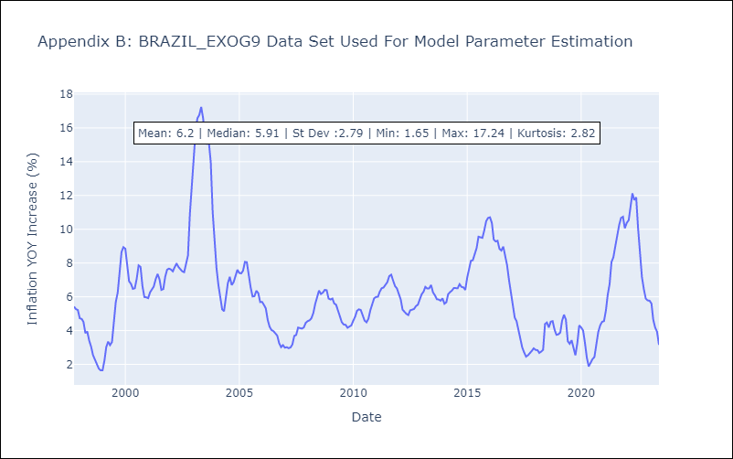

Appendix C: Residuals Analysis
Mean | 2.16
Variance | 8.7
White Noise? | No - Correlation at Lags [ 1 2 3 4 5 6 7 8 9 10 11 12]
Heteroskedastic? - ARCH | Yes
Normal? | No

