BRAZIL_EXOG10
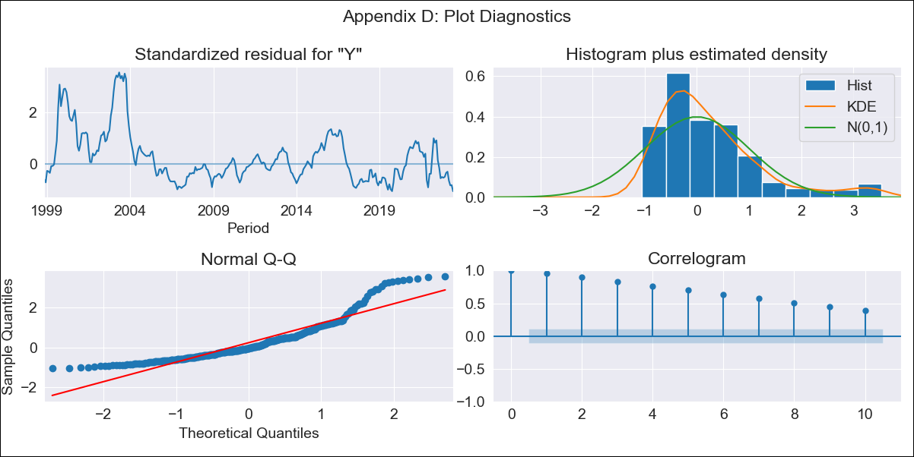
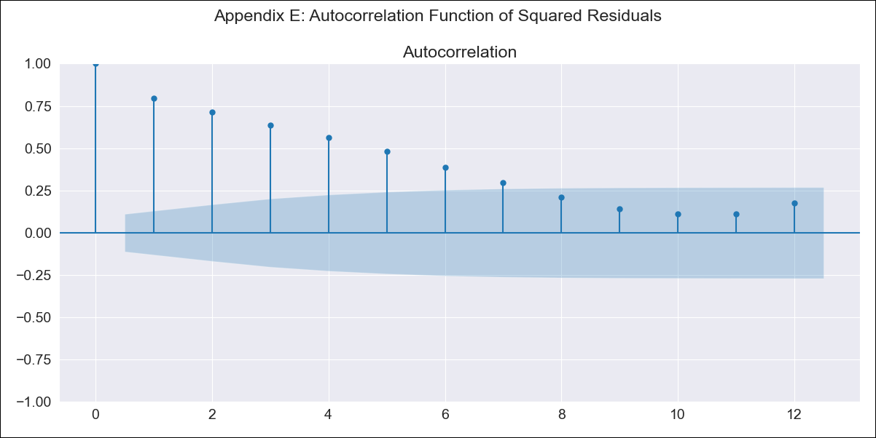
BRAZIL_EXOG10 - Inflation - Next 12 months forecast as of: 2023-06-01

Model | SARIMAX - [(0, 0, 0), (1, 0, 1, 12)] | Exogenous Variables | exchange rates, interest rates (discount rate), interest rates(bond yield), m1 money supply
Training Data | 1997-10-01 to 2022-07-01
Test Data | 2022-07-01 to 2023-06-01

Date | Inflation Change YoY % | Lower Bound - 95% Confidence Interval | Upper Bound - 95% Confidence Interval
2023-07-01 | 5.87 | 1.2 | 10.54 | 9.34
2023-08-01 | 5.64 | 0.97 | 10.31 | 9.34
2023-09-01 | 5.56 | 0.89 | 10.23 | 9.34
2023-10-01 | 5.62 | 0.95 | 10.28 | 9.33
2023-11-01 | 5.58 | 0.91 | 10.24 | 9.33
2023-12-01 | 5.65 | 0.98 | 10.31 | 9.33
2024-01-01 | 5.47 | 0.81 | 10.14 | 9.33
2024-02-01 | 5.42 | 0.76 | 10.09 | 9.33
2024-03-01 | 5.47 | 0.8 | 10.13 | 9.33
2024-04-01 | 5.46 | 0.8 | 10.13 | 9.33
2024-05-01 | 5.46 | 0.8 | 10.13 | 9.33
2024-06-01 | 5.43 | 0.76 | 10.09 | 9.33

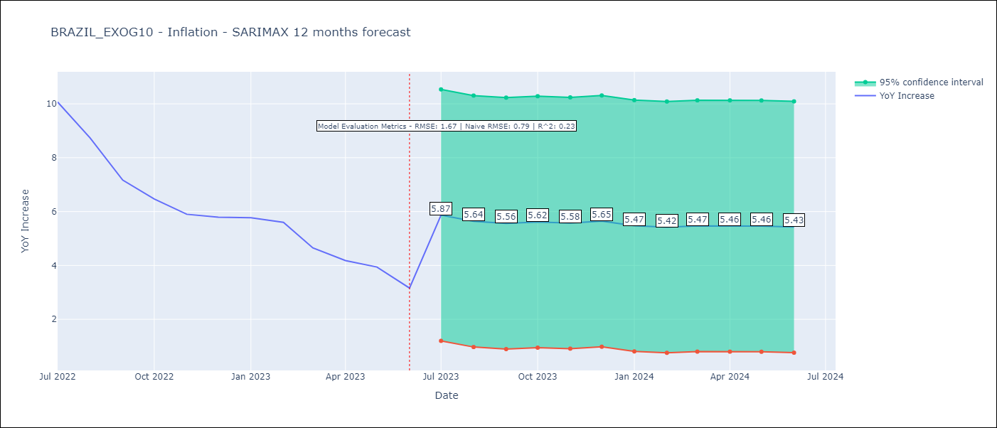

Test Metrics
RMSE | 1.67
Naive RMSE | 0.92
R^2 | 0.23

Test Predictions
Date | Predicted | Actual
2022-07-01 | 10.11 | 10.07
2022-08-01 | 9.44 | 8.73
2022-09-01 | 8.87 | 7.17
2022-10-01 | 8.06 | 6.47
2022-11-01 | 7.51 | 5.9
2022-12-01 | 7.27 | 5.79
2023-01-01 | 6.89 | 5.77
2023-02-01 | 6.57 | 5.6
2023-03-01 | 6.44 | 4.65
2023-04-01 | 6.4 | 4.18
2023-05-01 | 6.13 | 3.94
2023-06-01 | 5.9 | 3.16

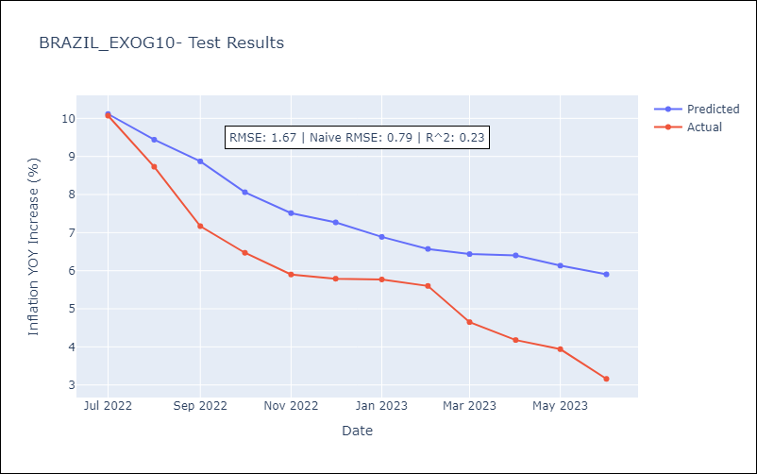

Appendix A: Model Summary
Model | SARIMAX(1, 0, [1], 12)
Sample | 10-01-1997- 06-01-2023
No. of Observations | 309
Terms | P-value (Statistical significance)
exchange rates | 0.003
interest rates (discount rate) | 0.000
interest rates(bond yield) | 0.033
m1 money supply | 0.001
ar.S.L12 | 0.000
ma.S.L12 | 0.996
sigma2 | 0.996
Assumptions | P-value | Interpretation
Ljung-Box (L1) | 0.00 | Residuals are not independent.
Heteroskedasticity | 0.00 | Residuals have different variances.
Jarque-Bera | 0.00 | Residuals are not normally distributed.
Skew | 1.47 | Positive skew - model underestimates the mean.
Kurtosis | 5.13 | Residuals contain more extreme outliers than in a normal distribution.

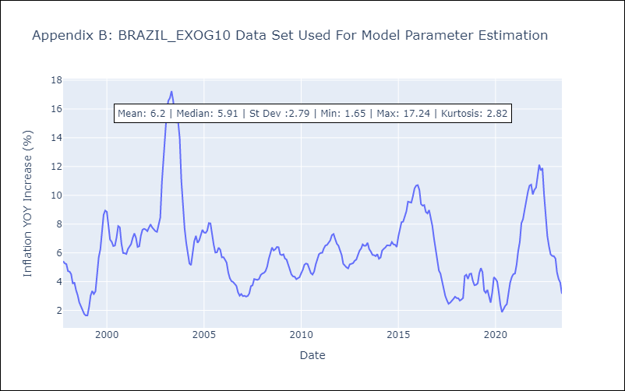

Appendix C: Residuals Analysis
Mean | 0.73
Variance | 7.07
White Noise? | No - Correlation at Lags [ 1 2 3 4 5 6 7 8 9 10 11 12]
Heteroskedastic? - ARCH | Yes
Normal? | No

