BRAZIL_SEARCH D iddddds 1
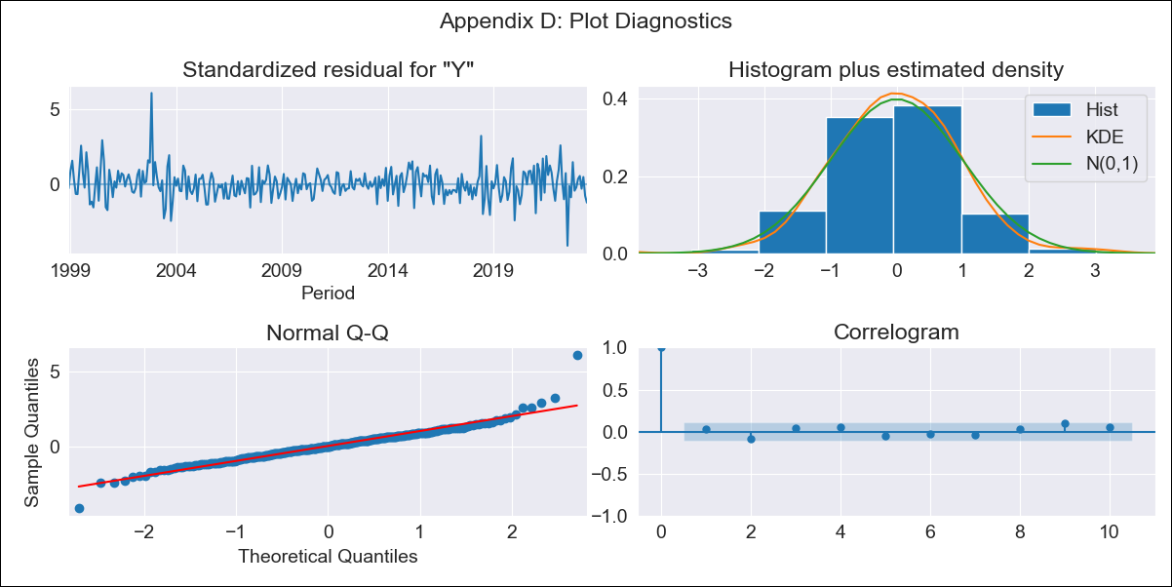

BRAZIL_SEARCH D iddddds 1 - Inflation - Next 12 months forecast as of: 2023-06-01

Model | SARIMAX - [(1, 1, 0), (0, 0, 1, 12)] | Exogenous Variables | exchange rates, interest rates (discount rate), interest rates(bond yield), m1 money supply
Training Data | 1997-10-01 to 2022-07-01
Test Data | 2022-07-01 to 2023-06-01

Date | Inflation Change YoY % | Lower Bound - 95% Confidence Interval | Upper Bound - 95% Confidence Interval
2023-07-01 | 3.77 | 3.11 | 4.42
2023-08-01 | 4.25 | 2.98 | 5.51
2023-09-01 | 4.8 | 2.95 | 6.66
2023-10-01 | 4.77 | 2.36 | 7.18
2023-11-01 | 4.89 | 1.97 | 7.81
2023-12-01 | 5.03 | 1.64 | 8.42
2024-01-01 | 5.02 | 1.19 | 8.84
2024-02-01 | 4.87 | 0.64 | 9.1
2024-03-01 | 4.86 | 0.25 | 9.47
2024-04-01 | 4.72 | -0.24 | 9.68
2024-05-01 | 4.86 | -0.44 | 10.15
2024-06-01 | 5.3 | -0.31 | 10.92

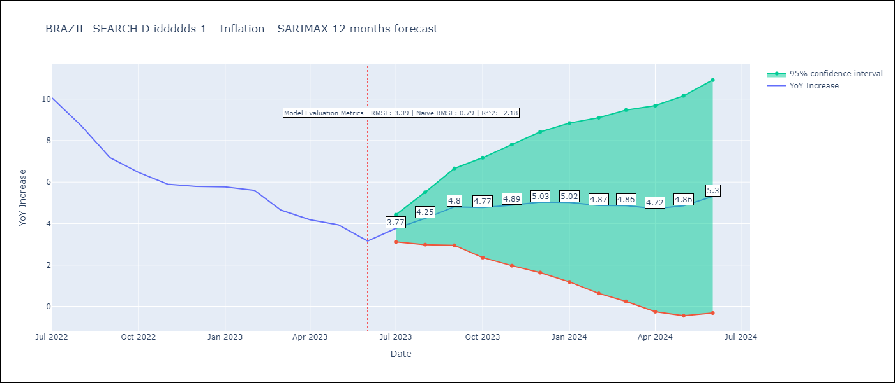

Test Metrics
RMSE | 3.39
Naive RMSE | 0.92
R^2 | -2.18

Test Predictions
Date | Predicted | Actual
2022-07-01 | 11.5 | 10.07
2022-08-01 | 11.03 | 8.73
2022-09-01 | 10.43 | 7.17
2022-10-01 | 9.79 | 6.47
2022-11-01 | 9.53 | 5.9
2022-12-01 | 9.58 | 5.79
2023-01-01 | 9.51 | 5.77
2023-02-01 | 9.2 | 5.6
2023-03-01 | 8.27 | 4.65
2023-04-01 | 7.62 | 4.18
2023-05-01 | 7.5 | 3.94
2023-06-01 | 7.21 | 3.16

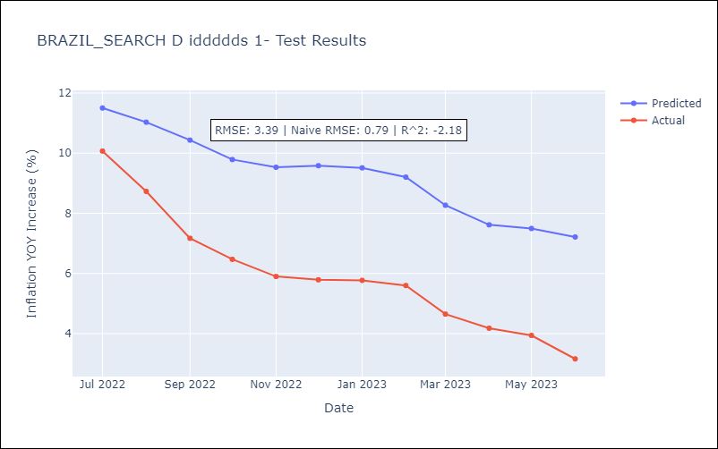

Appendix A: Model Summary
Model | SARIMAX(1, 1, 0)x(0, 0, [1], 12)
Sample | 10-01-1997- 06-01-2023
No. of Observations | 309
Terms | P-value (Statistical significance)
exchange rates | 0.022
interest rates (discount rate) | 0.356
interest rates(bond yield) | 0.747
m1 money supply | 0.371
ar.L1 | 0.000
ma.S.L12 | 0.000
sigma2 | 0.000
Assumptions | P-value | Interpretation
Ljung-Box (L1) | 0.62 | Residuals are independent.
Heteroskedasticity | 0.41 | Residuals have the same variance.
Jarque-Bera | 0.00 | Residuals are not normally distributed.
Skew | 0.63 | Positive skew - model underestimates the mean.
Kurtosis | 7.95 | Residuals contain more extreme outliers than in a normal distribution.

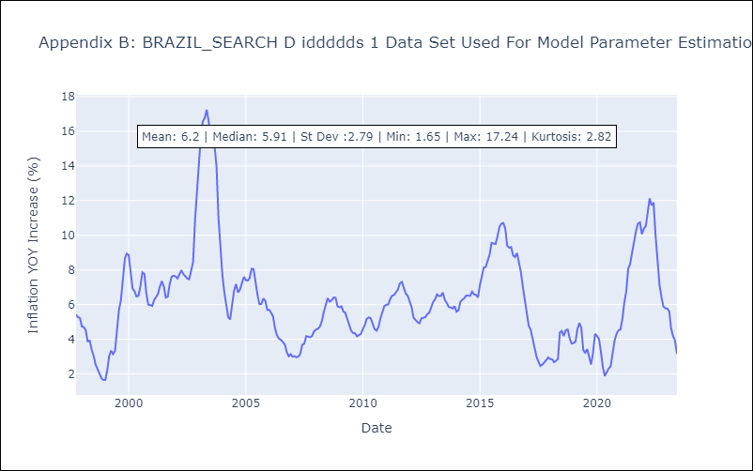

Appendix C: Residuals Analysis
Mean | 0.01
Variance | 0.25
White Noise? | No - Correlation at Lags [1 2 3 4]
Heteroskedastic? - ARCH | No
Normal? | No

