BRAZIL_SEARCH D-11
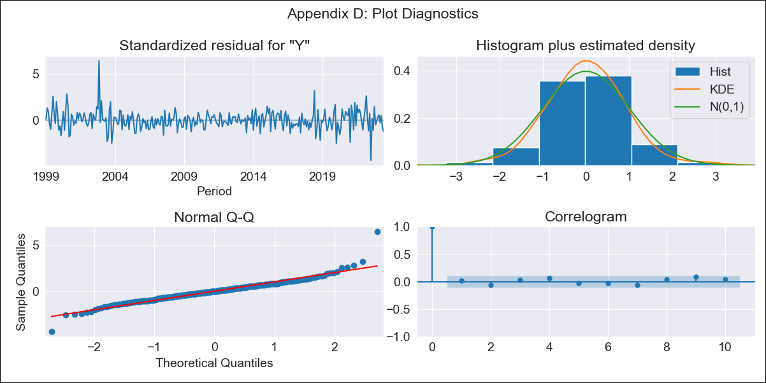

BRAZIL_SEARCH D-11 - Inflation - Next 12 months forecast as of: 2023-06-01

Model | ARIMA - [(1, 1, 0), (0, 0, 1, 12)]
Training Data | 1997-10-01 to 2022-07-01
Test Data | 2022-07-01 to 2023-06-01

Date | Inflation Change YoY % | Lower Bound - 95% Confidence Interval | Upper Bound - 95% Confidence Interval
2023-07-01 | 3.89 | 3.22 | 4.55
2023-08-01 | 4.3 | 3.02 | 5.58
2023-09-01 | 4.88 | 3 | 6.75
2023-10-01 | 4.82 | 2.39 | 7.25
2023-11-01 | 4.92 | 1.99 | 7.86
2023-12-01 | 5.02 | 1.62 | 8.43
2024-01-01 | 4.99 | 1.15 | 8.84
2024-02-01 | 4.81 | 0.56 | 9.05
2024-03-01 | 4.77 | 0.15 | 9.39
2024-04-01 | 4.6 | -0.37 | 9.57
2024-05-01 | 4.71 | -0.59 | 10.01
2024-06-01 | 5.13 | -0.49 | 10.74

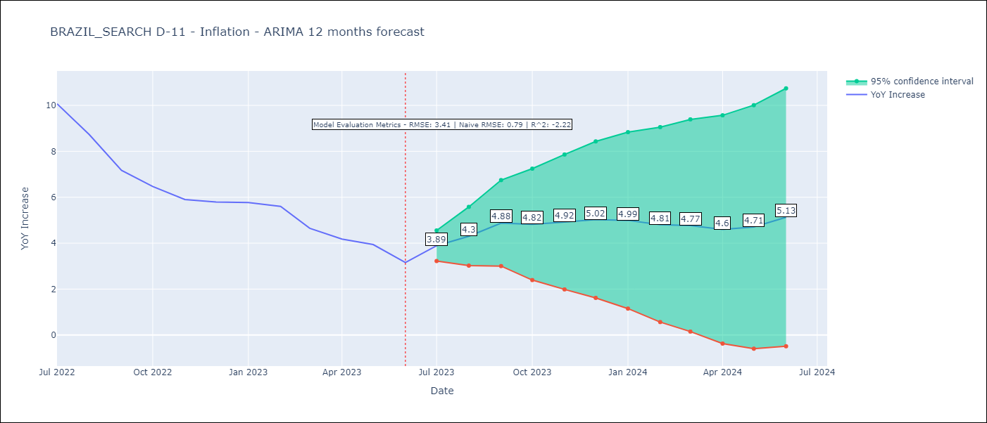

Test Metrics
RMSE | 3.41
Naive RMSE | 0.92
R^2 | -2.22

Test Predictions
Date | Predicted | Actual
2022-07-01 | 11.54 | 10.07
2022-08-01 | 11.08 | 8.73
2022-09-01 | 10.46 | 7.17
2022-10-01 | 9.86 | 6.47
2022-11-01 | 9.52 | 5.9
2022-12-01 | 9.61 | 5.79
2023-01-01 | 9.58 | 5.77
2023-02-01 | 9.23 | 5.6
2023-03-01 | 8.26 | 4.65
2023-04-01 | 7.6 | 4.18
2023-05-01 | 7.5 | 3.94
2023-06-01 | 7.23 | 3.16

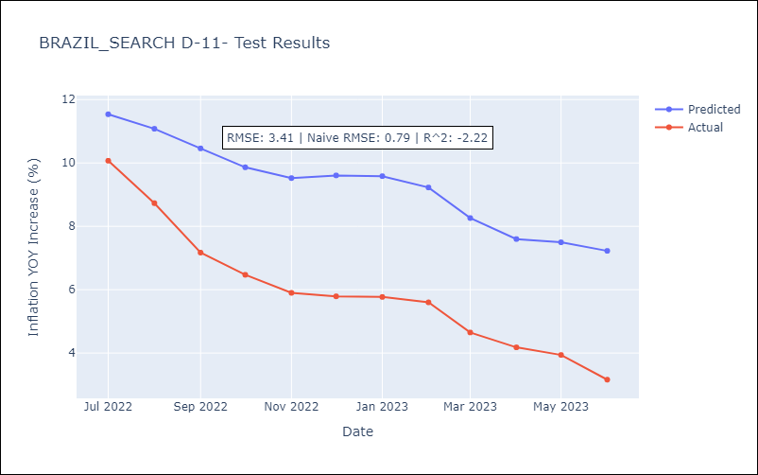

Appendix A: Model Summary
Model | ARIMA(1, 1, 0)x(0, 0, [1], 12)
Sample | 10-01-1997- 06-01-2023
No. of Observations | 309
Terms | P-value (Statistical significance)
ar.L1 | 0.000
ma.S.L12 | 0.000
sigma2 | 0.000
Assumptions | P-value | Interpretation
Ljung-Box (L1) | 0.77 | Residuals are independent.
Heteroskedasticity | 0.51 | Residuals have the same variance.
Jarque-Bera | 0.00 | Residuals are not normally distributed.
Skew | 0.69 | Positive skew - model underestimates the mean.
Kurtosis | 9.21 | Residuals contain more extreme outliers than in a normal distribution.

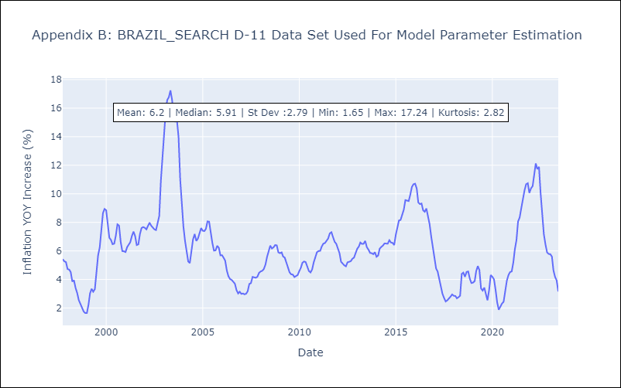

Appendix C: Residuals Analysis
Mean | 0.01
Variance | 0.23
White Noise? | No - Correlation at Lags [1 2]
Heteroskedastic? - ARCH | No
Normal? | No

