br_clean
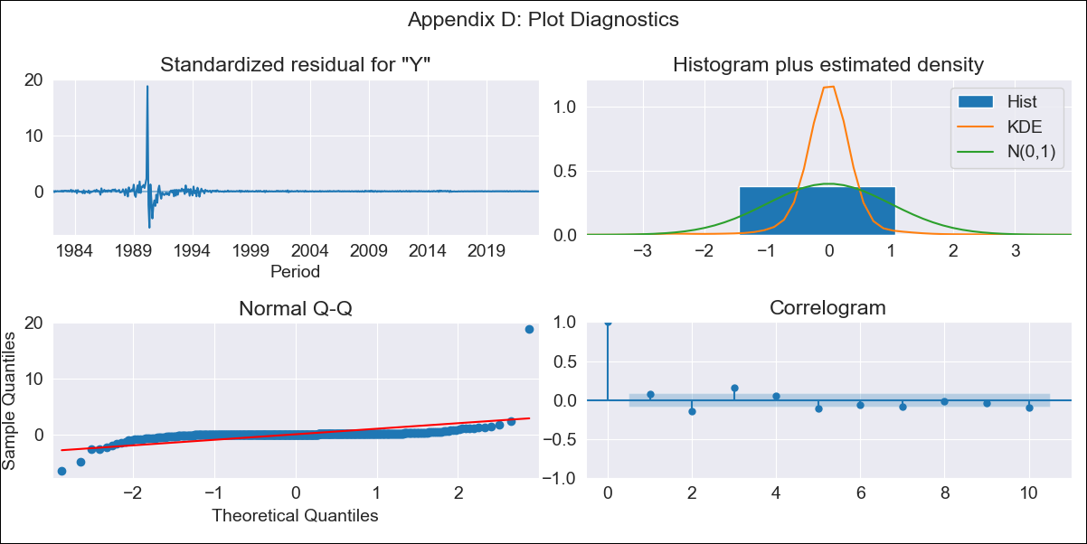

br_clean - Inflation - Next 12 months forecast as of: 2023-06-01

Model | SARIMAX - [(2, 1, 0), (0, 0, 1, 12)] | Exogenous Variables | (0, 'EXBZUS'), (1, 'INTDSRBRM193N'), (2, 'INTGSTBRM193N'), (3, 'LRUNTTTTBRM156S'), (4, 'MANMM101BRM189S'), (5, 'MYAGM2BRM189N')
Training Data | 1980-12-01 to 2022-07-01
Test Data | 2022-07-01 to 2023-06-01

Date | Inflation Change YoY % | Lower Bound - 95% Confidence Interval | Upper Bound - 95% Confidence Interval
2023-07-01 | 3.54 | -196.95 | 204.03
2023-08-01 | 3.69 | -387.43 | 394.81
2023-09-01 | 4.48 | -525.85 | 534.81
2023-10-01 | 4.28 | -618.57 | 627.13
2023-11-01 | 4.79 | -685.54 | 695.12
2023-12-01 | 4.59 | -743.78 | 752.97
2024-01-01 | 4.55 | -799.16 | 808.27
2024-02-01 | 5.09 | -852.39 | 862.56
2024-03-01 | 5.58 | -903.29 | 914.46
2024-04-01 | 5.65 | -951.77 | 963.08
2024-05-01 | 5.32 | -997.99 | 1008.63
2024-06-01 | 5.27 | -1041.73 | 1052.28

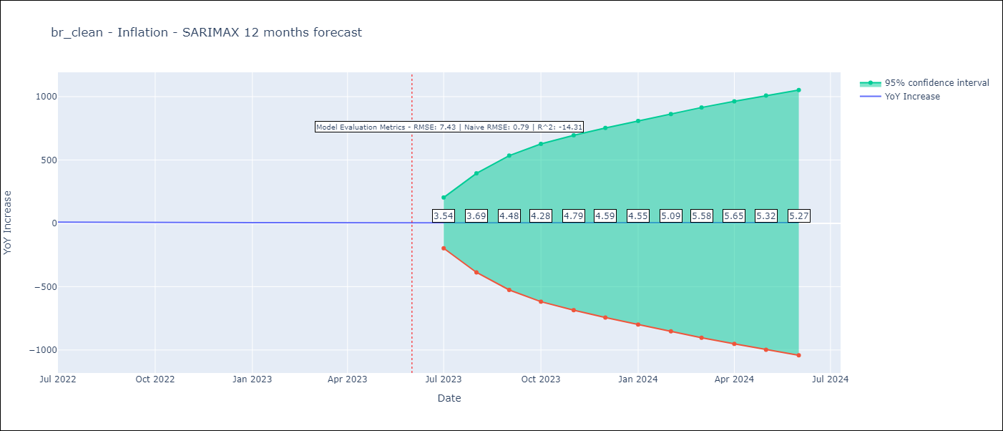

Test Metrics
RMSE | 7.43
Naive RMSE | 0.92
R^2 | -14.31

Test Predictions
Date | Predicted | Actual
2022-07-01 | 12.45 | 10.07
2022-08-01 | 12.65 | 8.73
2022-09-01 | 14.22 | 7.17
2022-10-01 | 13.03 | 6.47
2022-11-01 | 18.09 | 5.9
2022-12-01 | 16.39 | 5.79
2023-01-01 | 13.96 | 5.77
2023-02-01 | 13.91 | 5.6
2023-03-01 | 12.02 | 4.65
2023-04-01 | 10.05 | 4.18
2023-05-01 | 9.58 | 3.94
2023-06-01 | 8.74 | 3.16

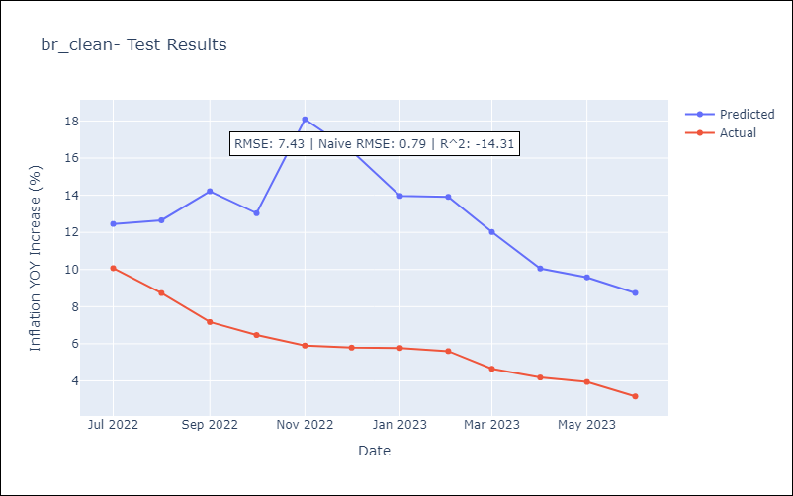

Appendix A: Model Summary
Model | SARIMAX(2, 1, 0)x(0, 0, [1], 12)
Sample | 12-01-1980- 06-01-2023
No. of Observations | 511
Terms | P-value (Statistical significance)
(0, 'EXBZUS') | 0.991
(1, 'INTDSRBRM193N') | 0.998
(2, 'INTGSTBRM193N') | 0.997
(3, 'LRUNTTTTBRM156S') | 0.273
(4, 'MANMM101BRM189S') | 0.985
(5, 'MYAGM2BRM189N') | 0.000
ar.L1 | 0.000
ar.L2 | 0.000
ma.S.L12 | 0.000
sigma2 | 0.000
Assumptions | P-value | Interpretation
Ljung-Box (L1) | 0.10 | Residuals are independent.
Heteroskedasticity | 0.00 | Residuals have different variances.
Jarque-Bera | 0.00 | Residuals are not normally distributed.
Skew | 12.85 | Positive skew - model underestimates the mean.
Kurtosis | 266.51 | Residuals contain more extreme outliers than in a normal distribution.

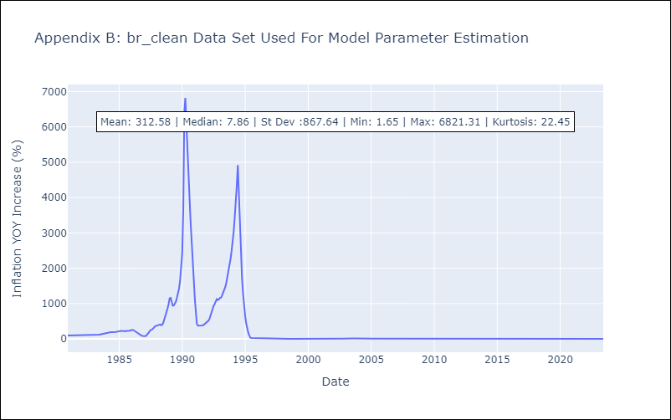

Appendix C: Residuals Analysis
Mean | 0.02
Variance | 10047.95
White Noise? | No - Correlation at Lags [ 2 3 4 5 6 7 8 9 10 11 12]
Heteroskedastic? - ARCH | No
Normal? | No

