br1_clean
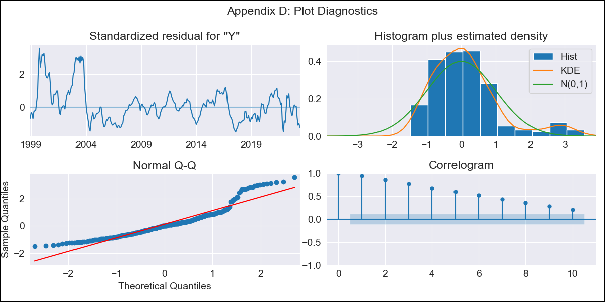
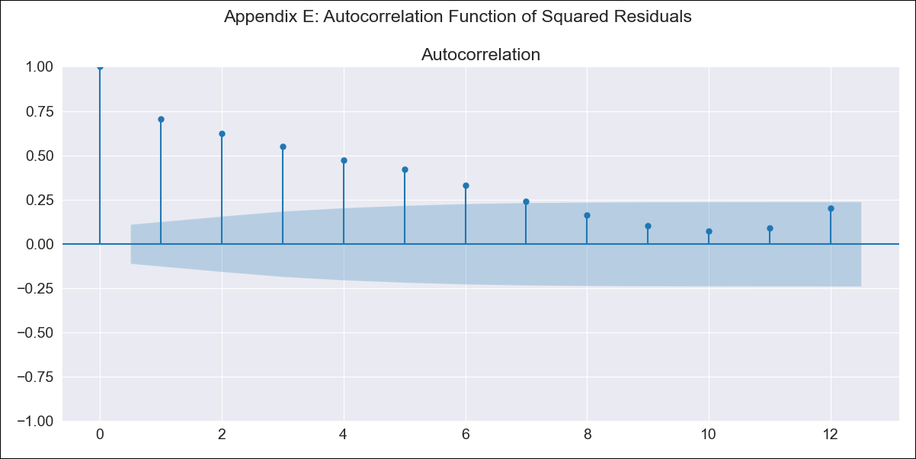
br1_clean - Inflation - Next 12 months forecast as of: 2023-06-01

Model | SARIMAX - [(0, 0, 0), (1, 0, 1, 12)] | Exogenous Variables | (0, 'EXBZUS'), (1, 'INTDSRBRM193N'), (2, 'INTGSTBRM193N'), (3, 'LRUNTTTTBRM156S'), (4, 'MANMM101BRM189S'), (5, 'MYAGM2BRM189N')
Training Data | 1997-10-01 to 2022-07-01
Test Data | 2022-07-01 to 2023-06-01

Date | Inflation Change YoY % | Lower Bound - 95% Confidence Interval | Upper Bound - 95% Confidence Interval
2023-07-01 | 5.47 | 0.62 | 10.32
2023-08-01 | 5.46 | 0.61 | 10.31
2023-09-01 | 5.09 | 0.24 | 9.94
2023-10-01 | 5.59 | 0.74 | 10.44
2023-11-01 | 5.34 | 0.49 | 10.19
2023-12-01 | 5.53 | 0.68 | 10.38
2024-01-01 | 6.04 | 1.19 | 10.89
2024-02-01 | 6.3 | 1.45 | 11.15
2024-03-01 | 6.45 | 1.6 | 11.3
2024-04-01 | 6.66 | 1.81 | 11.51
2024-05-01 | 6.72 | 1.87 | 11.57
2024-06-01 | 6.48 | 1.63 | 11.33

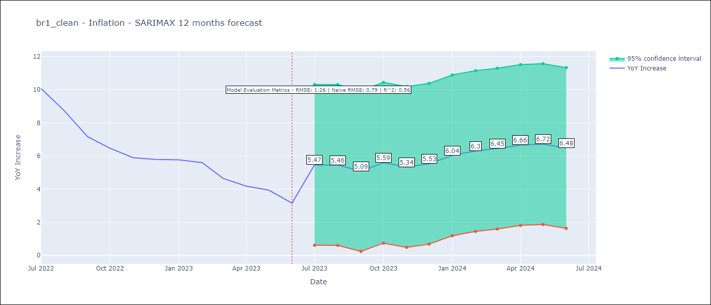

Test Metrics
RMSE | 1.26
Naive RMSE | 0.92
R^2 | 0.56

Test Predictions
Date | Predicted | Actual
2022-07-01 | 10.25 | 10.07
2022-08-01 | 9.52 | 8.73
2022-09-01 | 8.99 | 7.17
2022-10-01 | 8.46 | 6.47
2022-11-01 | 7.62 | 5.9
2022-12-01 | 7.03 | 5.79
2023-01-01 | 6.64 | 5.77
2023-02-01 | 5.89 | 5.6
2023-03-01 | 5.57 | 4.65
2023-04-01 | 5.35 | 4.18
2023-05-01 | 5 | 3.94
2023-06-01 | 4.69 | 3.16

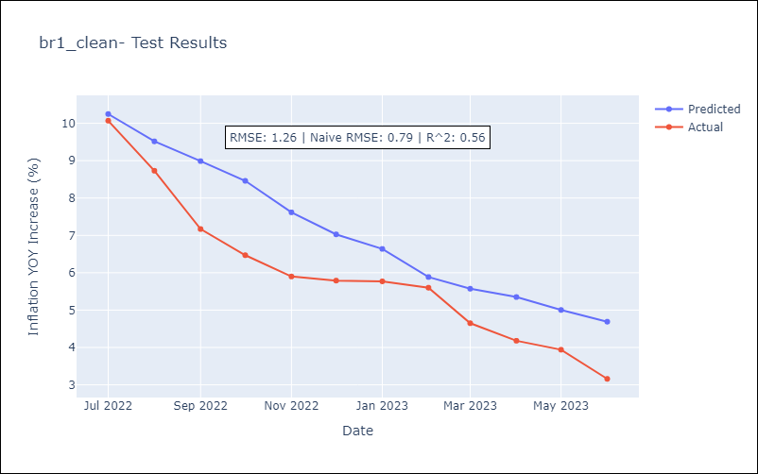

Appendix A: Model Summary
Model | SARIMAX(1, 0, [1], 12)
Sample | 10-01-1997- 06-01-2023
No. of Observations | 309
Terms | P-value (Statistical significance)
(0, 'EXBZUS') | 0.000
(1, 'INTDSRBRM193N') | 0.000
(2, 'INTGSTBRM193N') | 0.000
(3, 'LRUNTTTTBRM156S') | 0.501
(4, 'MANMM101BRM189S') | 0.071
(5, 'MYAGM2BRM189N') | 0.077
ar.S.L12 | 0.000
ma.S.L12 | 0.000
sigma2 | 0.000
Assumptions | P-value | Interpretation
Ljung-Box (L1) | 0.00 | Residuals are not independent.
Heteroskedasticity | 0.00 | Residuals have different variances.
Jarque-Bera | 0.00 | Residuals are not normally distributed.
Skew | 1.25 | Positive skew - model underestimates the mean.
Kurtosis | 4.70 | Residuals contain more extreme outliers than in a normal distribution.

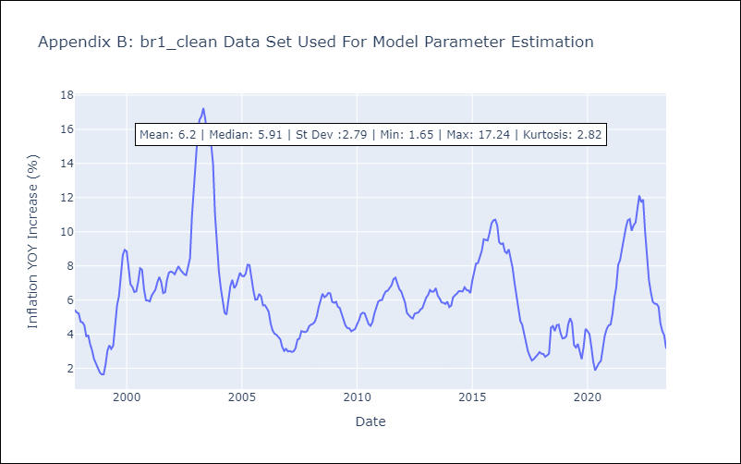

Appendix C: Residuals Analysis
Mean | 0.44
Variance | 6.88
White Noise? | No - Correlation at Lags [ 1 2 3 4 5 6 7 8 9 10 11 12]
Heteroskedastic? - ARCH | Yes
Normal? | No

