br2_clean
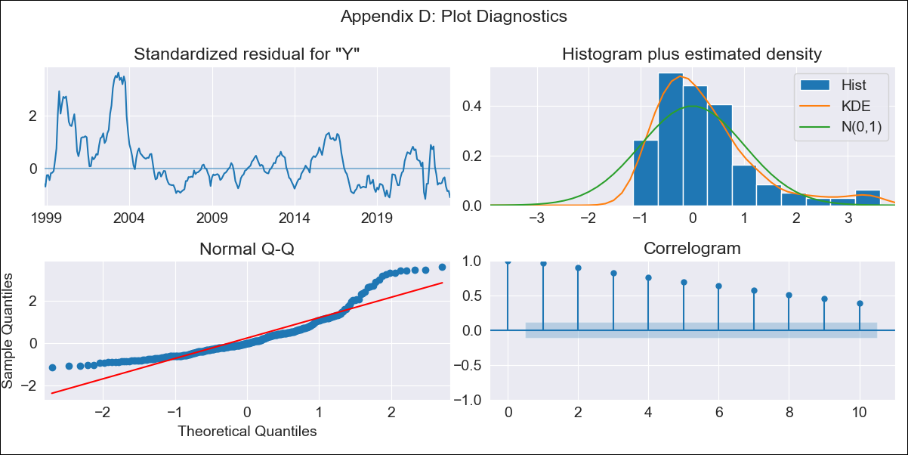
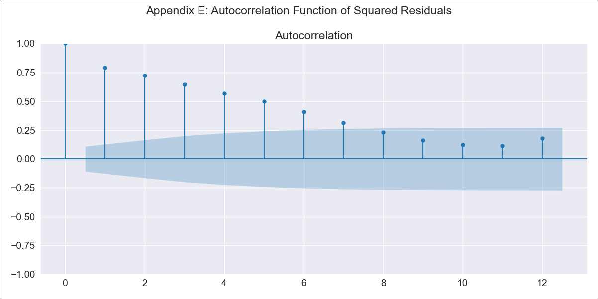
br2_clean - Inflation - Next 12 months forecast as of: 2023-06-01

Model | SARIMAX - [(0, 0, 0), (1, 0, 1, 12)] | Exogenous Variables | (0, 'EXBZUS'), (1, 'INTDSRBRM193N'), (2, 'INTGSTBRM193N'), (3, 'MANMM101BRM189S'), (4, 'MYAGM2BRM189N')
Training Data | 1997-10-01 to 2022-07-01
Test Data | 2022-07-01 to 2023-06-01

Date | Inflation Change YoY % | Lower Bound - 95% Confidence Interval | Upper Bound - 95% Confidence Interval
2023-07-01 | 5.86 | 1.23 | 10.5
2023-08-01 | 6.07 | 1.43 | 10.71
2023-09-01 | 6.16 | 1.52 | 10.8
2023-10-01 | 6.4 | 1.76 | 11.04
2023-11-01 | 6.71 | 2.08 | 11.35
2023-12-01 | 6.91 | 2.28 | 11.55
2024-01-01 | 6.91 | 2.27 | 11.54
2024-02-01 | 7.05 | 2.41 | 11.68
2024-03-01 | 7.11 | 2.47 | 11.74
2024-04-01 | 7.13 | 2.5 | 11.77
2024-05-01 | 7.22 | 2.58 | 11.85
2024-06-01 | 7.26 | 2.62 | 11.89

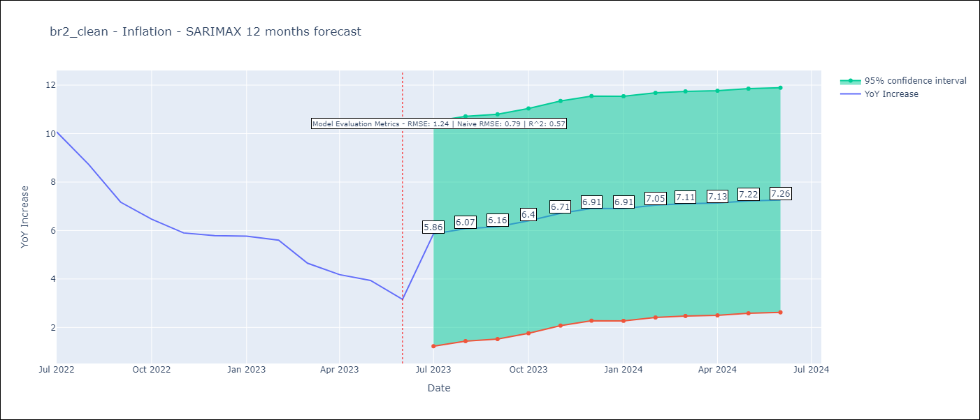

Test Metrics
RMSE | 1.24
Naive RMSE | 0.92
R^2 | 0.57

Test Predictions
Date | Predicted | Actual
2022-07-01 | 10.09 | 10.07
2022-08-01 | 9.39 | 8.73
2022-09-01 | 8.89 | 7.17
2022-10-01 | 8.38 | 6.47
2022-11-01 | 7.56 | 5.9
2022-12-01 | 7 | 5.79
2023-01-01 | 6.63 | 5.77
2023-02-01 | 5.91 | 5.6
2023-03-01 | 5.61 | 4.65
2023-04-01 | 5.4 | 4.18
2023-05-01 | 5.07 | 3.94
2023-06-01 | 4.77 | 3.16

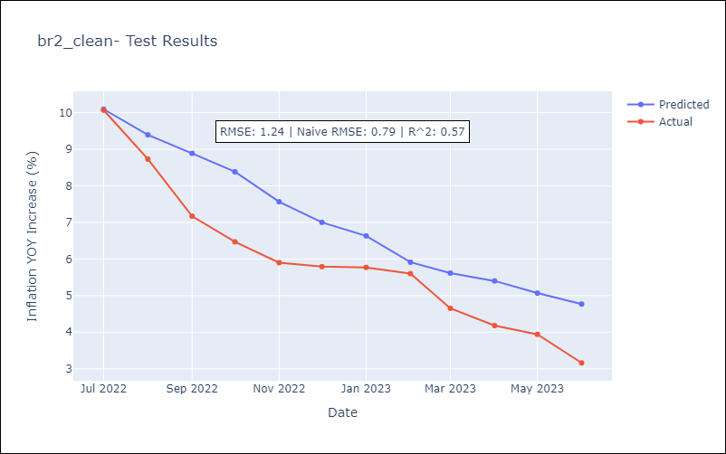

Appendix A: Model Summary
Model | SARIMAX(1, 0, [1], 12)
Sample | 10-01-1997- 06-01-2023
No. of Observations | 309
Terms | P-value (Statistical significance)
(0, 'EXBZUS') | 0.019
(1, 'INTDSRBRM193N') | 0.000
(2, 'INTGSTBRM193N') | 0.004
(3, 'MANMM101BRM189S') | 0.009
(4, 'MYAGM2BRM189N') | 0.540
ar.S.L12 | 0.000
ma.S.L12 | 0.424
sigma2 | 0.447
Assumptions | P-value | Interpretation
Ljung-Box (L1) | 0.00 | Residuals are not independent.
Heteroskedasticity | 0.00 | Residuals have different variances.
Jarque-Bera | 0.00 | Residuals are not normally distributed.
Skew | 1.46 | Positive skew - model underestimates the mean.
Kurtosis | 5.22 | Residuals contain more extreme outliers than in a normal distribution.

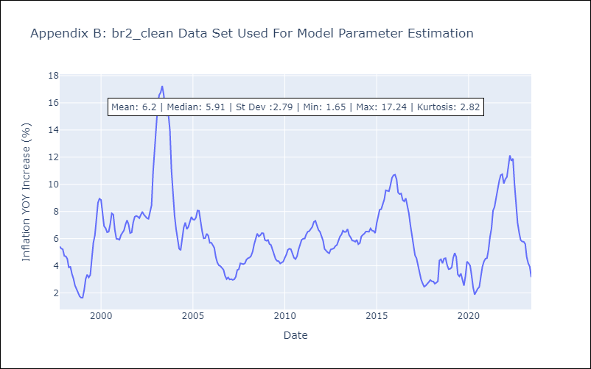

Appendix C: Residuals Analysis
Mean | 0.76
Variance | 6.94
White Noise? | No - Correlation at Lags [ 1 2 3 4 5 6 7 8 9 10 11 12]
Heteroskedastic? - ARCH | Yes
Normal? | No

