br2_clean
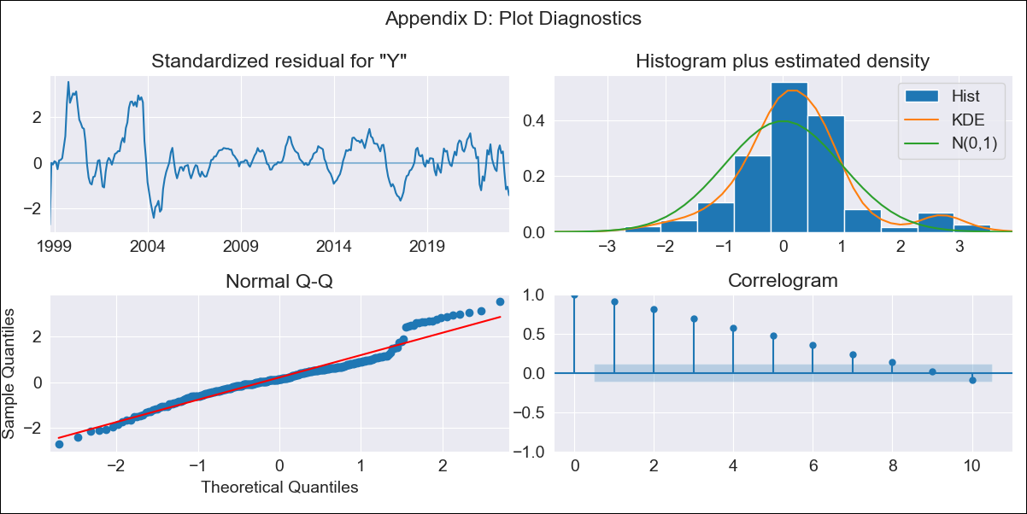
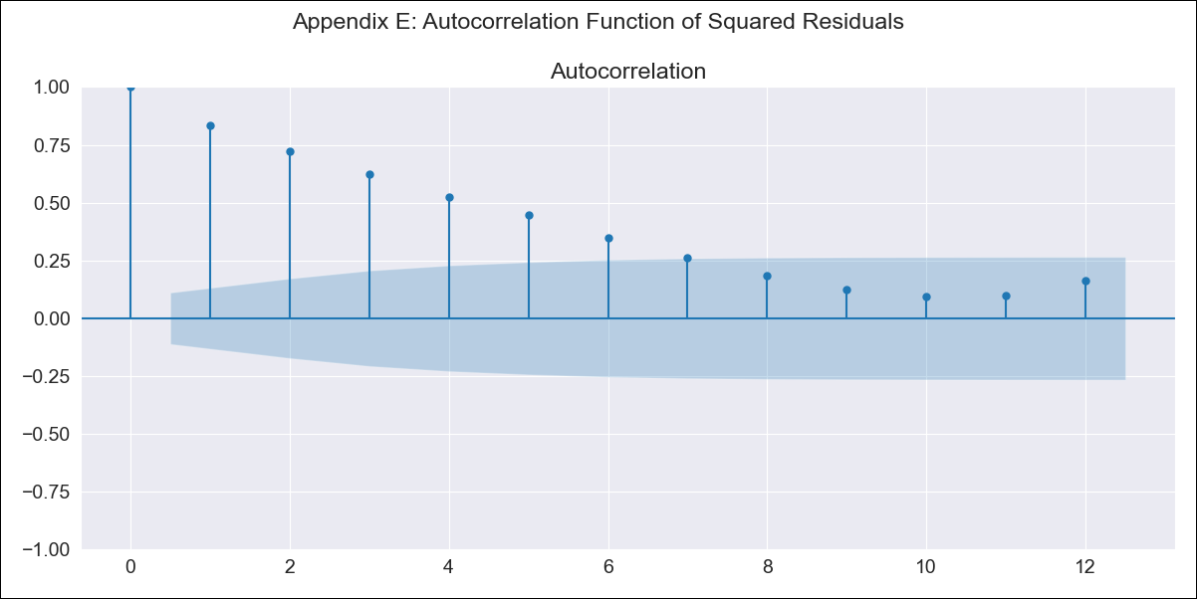
br2_clean - Inflation - Next 12 months forecast as of: 2023-06-01

Model | SARIMAX - [(0, 0, 0), (1, 0, 0, 12)] | Exogenous Variables | (0, 'EXBZUS'), (1, 'INTDSRBRM193N'), (2, 'INTGSTBRM193N'), (3, 'MANMM101BRM189S')
Training Data | 1997-10-01 to 2022-07-01
Test Data | 2022-07-01 to 2023-06-01

Date | Inflation Change YoY % | Lower Bound - 95% Confidence Interval | Upper Bound - 95% Confidence Interval
2023-07-01 | 5.59 | 0.24 | 10.94
2023-08-01 | 5.21 | -0.14 | 10.56
2023-09-01 | 4.45 | -0.9 | 9.8
2023-10-01 | 4.83 | -0.52 | 10.18
2023-11-01 | 5.07 | -0.28 | 10.42
2023-12-01 | 5.34 | -0.01 | 10.69
2024-01-01 | 5.69 | 0.34 | 11.04
2024-02-01 | 5.97 | 0.62 | 11.32
2024-03-01 | 5.31 | -0.04 | 10.66
2024-04-01 | 5 | -0.35 | 10.35
2024-05-01 | 5.11 | -0.24 | 10.46
2024-06-01 | 4.55 | -0.8 | 9.9

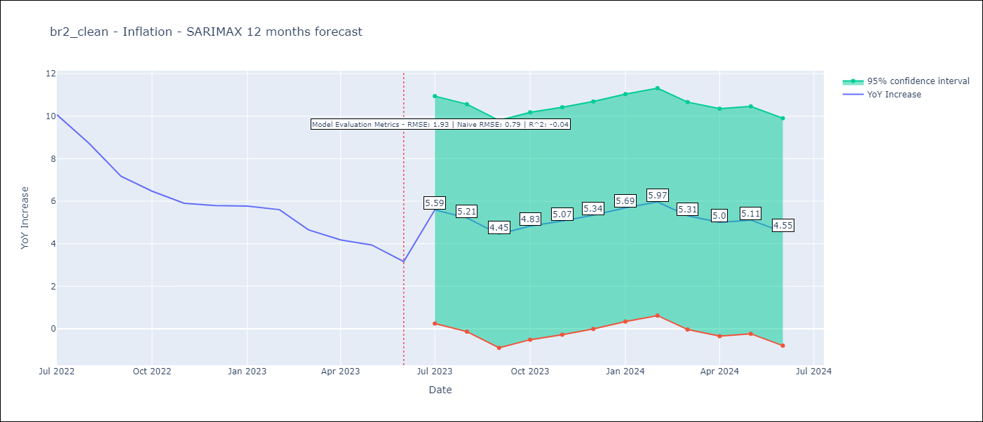

Test Metrics
RMSE | 1.93
Naive RMSE | 0.92
R^2 | -0.04

Test Predictions
Date | Predicted | Actual
2022-07-01 | 9.02 | 10.07
2022-08-01 | 8.54 | 8.73
2022-09-01 | 7.69 | 7.17
2022-10-01 | 7.71 | 6.47
2022-11-01 | 4.35 | 5.9
2022-12-01 | 3.42 | 5.79
2023-01-01 | 4.56 | 5.77
2023-02-01 | 3.95 | 5.6
2023-03-01 | 5.48 | 4.65
2023-04-01 | 7.11 | 4.18
2023-05-01 | 6.61 | 3.94
2023-06-01 | 6.81 | 3.16

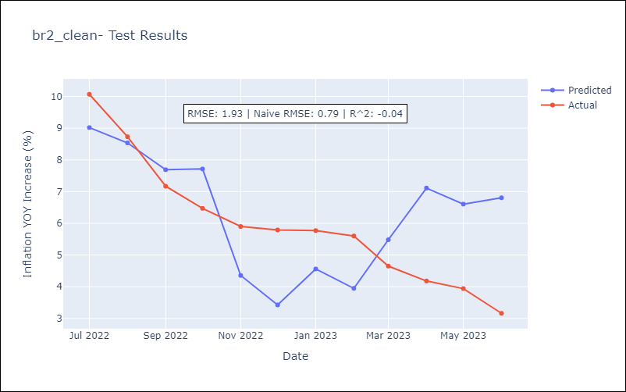

Appendix A: Model Summary
Model | SARIMAX(1, 0, 0, 12)
Sample | 10-01-1997- 06-01-2023
No. of Observations | 309
Terms | P-value (Statistical significance)
(0, 'EXBZUS') | 0.001
(1, 'INTDSRBRM193N') | 0.000
(2, 'INTGSTBRM193N') | 0.000
(3, 'MANMM101BRM189S') | 0.065
ar.S.L12 | 0.000
sigma2 | 0.000
Assumptions | P-value | Interpretation
Ljung-Box (L1) | 0.00 | Residuals are not independent.
Heteroskedasticity | 0.00 | Residuals have different variances.
Jarque-Bera | 0.00 | Residuals are not normally distributed.
Skew | 0.55 | Positive skew - model underestimates the mean.
Kurtosis | 4.63 | Residuals contain more extreme outliers than in a normal distribution.

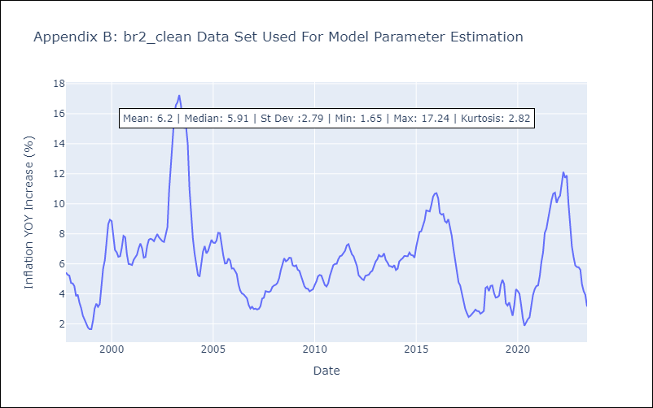

Appendix C: Residuals Analysis
Mean | 0.67
Variance | 7.09
White Noise? | No - Correlation at Lags [ 1 2 3 4 5 6 7 8 9 10 11 12]
Heteroskedastic? - ARCH | Yes
Normal? | No

