new_b2r
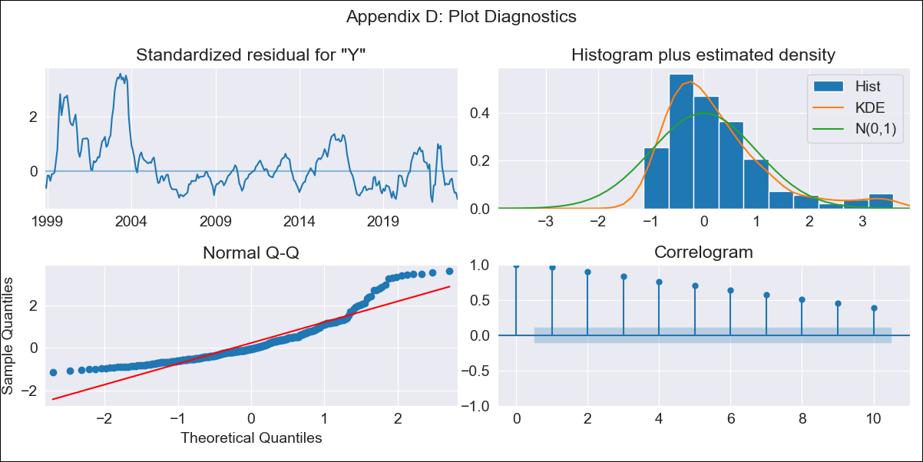
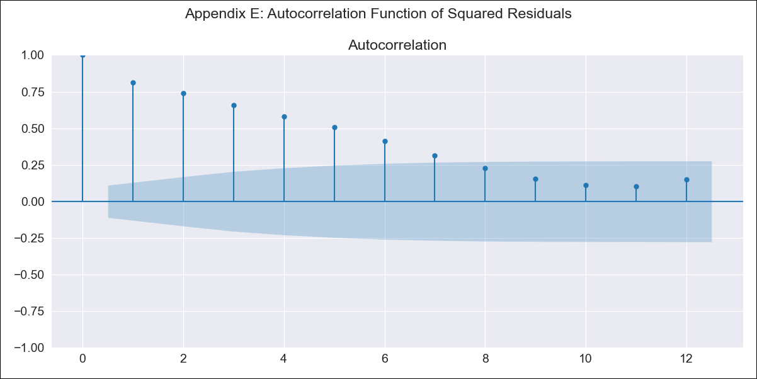
new_b2r - Inflation - Next 12 months forecast as of: 2023-06-01

Model | SARIMAX - [(0, 0, 0), (1, 0, 1, 12)] | Exogenous Variables | (0, 'EXBZUS'), (1, 'INTDSRBRM193N'), (2, 'INTGSTBRM193N'), (3, 'MANMM101BRM189S')
Training Data | 1997-10-01 to 2022-07-01
Test Data | 2022-07-01 to 2023-06-01

Date | Inflation Change YoY % | Lower Bound - 95% Confidence Interval | Upper Bound - 95% Confidence Interval
2023-07-01 | 5.2 | 0.57 | 9.82
2023-08-01 | 5.1 | 0.47 | 9.73
2023-09-01 | 4.78 | 0.15 | 9.41
2023-10-01 | 4.95 | 0.32 | 9.58
2023-11-01 | 4.08 | -0.55 | 8.7
2023-12-01 | 4.02 | -0.61 | 8.64
2024-01-01 | 4.2 | -0.43 | 8.82
2024-02-01 | 3.89 | -0.73 | 8.52
2024-03-01 | 3.97 | -0.65 | 8.6
2024-04-01 | 3.96 | -0.67 | 8.58
2024-05-01 | 3.78 | -0.85 | 8.41
2024-06-01 | 3.58 | -1.04 | 8.21

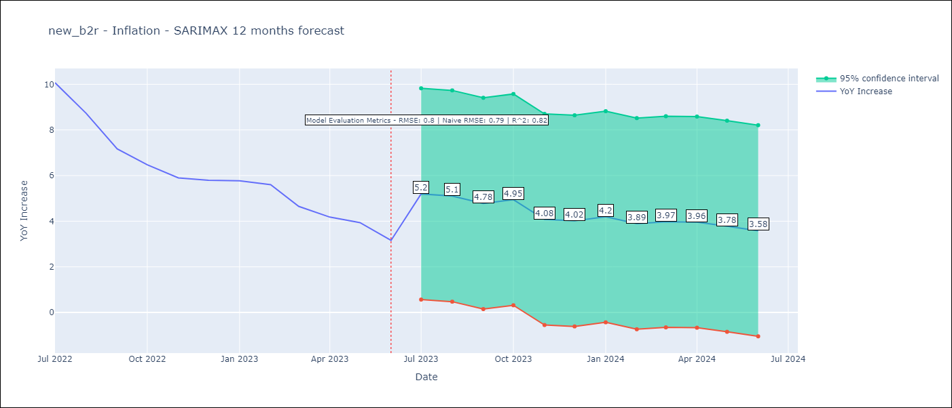

Test Metrics
RMSE | 0.8
Naive RMSE | 0.92
R^2 | 0.82

Test Predictions
Date | Predicted | Actual
2022-07-01 | 9.6 | 10.07
2022-08-01 | 9.03 | 8.73
2022-09-01 | 7.98 | 7.17
2022-10-01 | 7.78 | 6.47
2022-11-01 | 5.25 | 5.9
2022-12-01 | 5.31 | 5.79
2023-01-01 | 5.83 | 5.77
2023-02-01 | 5.23 | 5.6
2023-03-01 | 5.5 | 4.65
2023-04-01 | 5.49 | 4.18
2023-05-01 | 4.78 | 3.94
2023-06-01 | 4.18 | 3.16

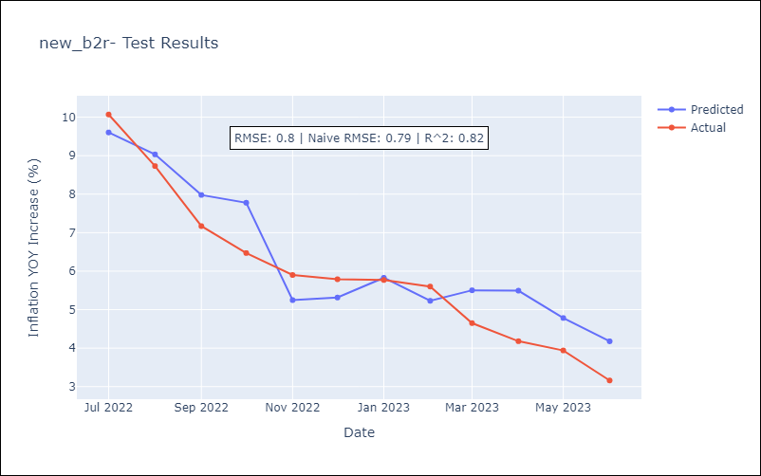

Appendix A: Model Summary
Model | SARIMAX(1, 0, [1], 12)
Sample | 10-01-1997- 06-01-2023
No. of Observations | 309
Terms | P-value (Statistical significance)
(0, 'EXBZUS') | 0.003
(1, 'INTDSRBRM193N') | 0.000
(2, 'INTGSTBRM193N') | 0.001
(3, 'MANMM101BRM189S') | 0.001
ar.S.L12 | 0.000
ma.S.L12 | 0.999
sigma2 | 0.999
Assumptions | P-value | Interpretation
Ljung-Box (L1) | 0.00 | Residuals are not independent.
Heteroskedasticity | 0.00 | Residuals have different variances.
Jarque-Bera | 0.00 | Residuals are not normally distributed.
Skew | 1.48 | Positive skew - model underestimates the mean.
Kurtosis | 5.20 | Residuals contain more extreme outliers than in a normal distribution.

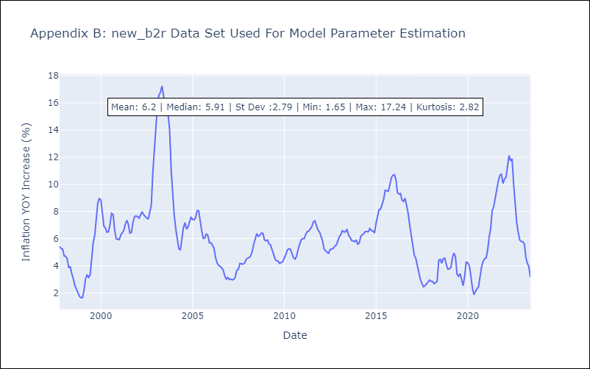

Appendix C: Residuals Analysis
Mean | 0.73
Variance | 6.89
White Noise? | No - Correlation at Lags [ 1 2 3 4 5 6 7 8 9 10 11 12]
Heteroskedastic? - ARCH | Yes
Normal? | No

