BRA
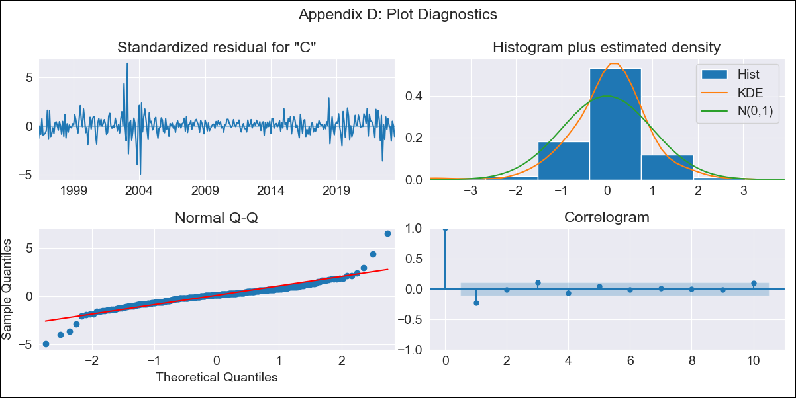

BRA - Inflation - Next 12 months forecast as of: 2023-06-01

Model | SARIMAX - [(3, 0, 1), (0, 0, 0, 12)] | Exogenous Variables | (0, 'Exchange Rate - U.S Dollar'), (1, 'Interest Rates (Discount Rate)'), (2, 'Interest Rates (Gov Securities/Treasury Bills)'), (3, 'M1 Money Supply')
Training Data | 1996-02-01 to 2022-07-01
Test Data | 2022-07-01 to 2023-06-01

Date | Inflation Change YoY % | Lower Bound - 95% Confidence Interval | Upper Bound - 95% Confidence Interval
2023-07-01 | 2.61 | 1.6 | 3.62
2023-08-01 | 2.25 | 0.24 | 4.25
2023-09-01 | 1.99 | -0.93 | 4.9
2023-10-01 | 1.81 | -1.95 | 5.57
2023-11-01 | 1.67 | -2.84 | 6.18
2023-12-01 | 1.57 | -3.62 | 6.76
2024-01-01 | 1.49 | -4.3 | 7.28
2024-02-01 | 1.42 | -4.91 | 7.75
2024-03-01 | 1.37 | -5.45 | 8.18
2024-04-01 | 1.31 | -5.94 | 8.57
2024-05-01 | 1.27 | -6.38 | 8.92
2024-06-01 | 1.23 | -6.78 | 9.23

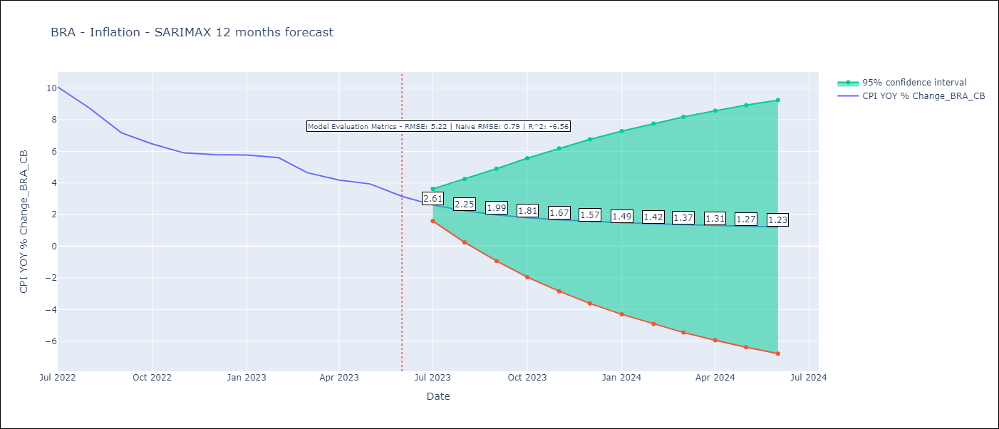

Test Metrics
RMSE | 5.22
Naive RMSE | 0.92
R^2 | -6.56

Test Predictions
Date | Predicted | Actual
2022-07-01 | 12.02 | 10.07
2022-08-01 | 11.94 | 8.73
2022-09-01 | 11.83 | 7.17
2022-10-01 | 11.65 | 6.47
2022-11-01 | 11.44 | 5.9
2022-12-01 | 11.21 | 5.79
2023-01-01 | 10.98 | 5.77
2023-02-01 | 10.73 | 5.6
2023-03-01 | 10.49 | 4.65
2023-04-01 | 10.24 | 4.18
2023-05-01 | 10 | 3.94
2023-06-01 | 9.76 | 3.16

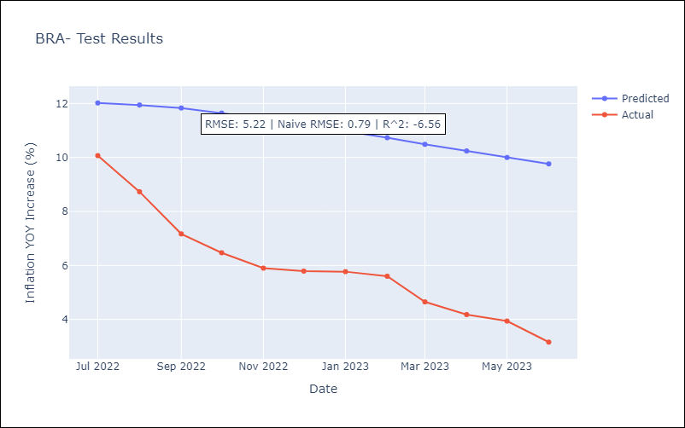

Appendix A: Model Summary
Model | SARIMAX(3, 0, 1)
Sample | 02-01-1996- 06-01-2023
No. of Observations | 329
Terms | P-value (Statistical significance)
(0, 'Exchange Rate - U.S Dollar') | 0.789
(1, 'Interest Rates (Discount Rate)') | 0.541
(2, 'Interest Rates (Gov Securities/Treasury Bills)') | 0.340
(3, 'M1 Money Supply') | 0.979
ar.L1 | 0.001
ar.L2 | 0.568
ar.L3 | 0.116
ma.L1 | 0.033
sigma2 | 0.000
Assumptions | P-value | Interpretation
Ljung-Box (L1) | 0.00 | Residuals are not independent.
Heteroskedasticity | 0.00 | Residuals have different variances.
Jarque-Bera | 0.00 | Residuals are not normally distributed.
Skew | 0.29 | Positive skew - model underestimates the mean.
Kurtosis | 12.33 | Residuals contain more extreme outliers than in a normal distribution.

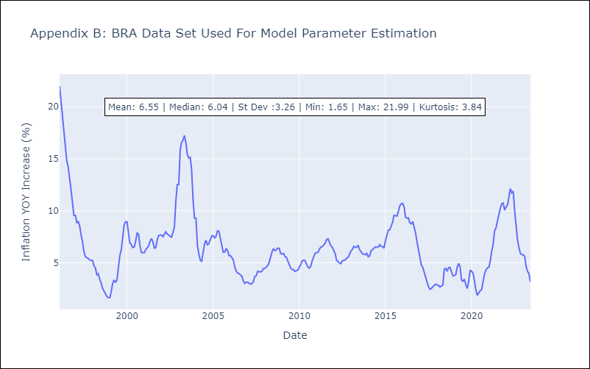

Appendix C: Residuals Analysis
Mean | 0.07
Variance | 1.96
White Noise? | No - Correlation at Lags [ 2 3 4 5 6 7 8 9 10 11 12]
Heteroskedastic? - ARCH | Yes
Normal? | No

