ARG
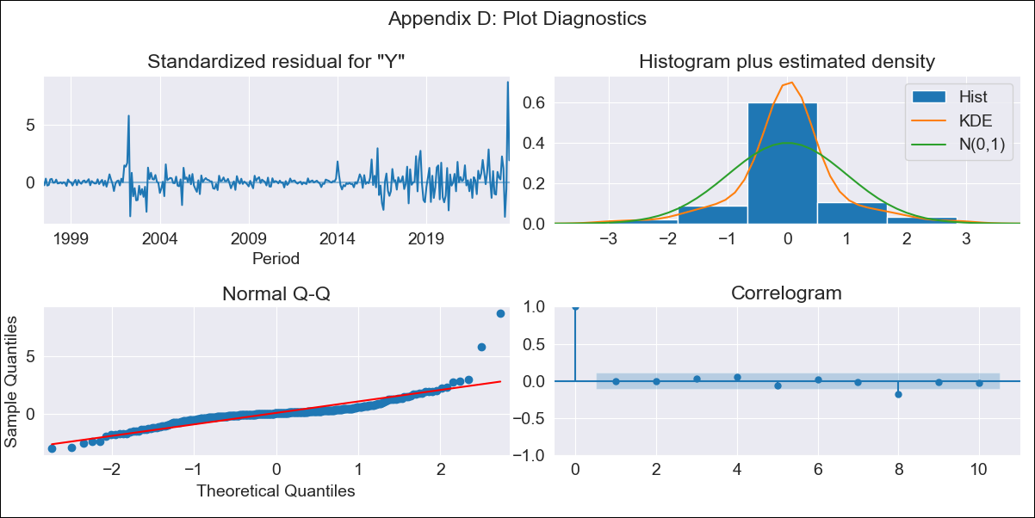
ARG - Inflation - Next 12 months forecast as of: 2023-09-01

Model | ARIMA - [(0, 2, 2), (0, 0, 1, 12)]
Training Data | 1996-01-01 to 2022-10-01
Test Data | 2022-10-01 to 2023-09-01

Date | Inflation Change YoY % | Lower Bound - 95% Confidence Interval | Upper Bound - 95% Confidence Interval
2023-10-01 | 146.58 | 144.06 | 149.09
2023-11-01 | 155.08 | 149.95 | 160.21
2023-12-01 | 164.73 | 157.02 | 172.44
2024-01-01 | 172.93 | 162.5 | 183.37
2024-02-01 | 180.61 | 167.26 | 193.95
2024-03-01 | 188.38 | 171.94 | 204.81
2024-04-01 | 194.01 | 174.3 | 213.72
2024-05-01 | 198.98 | 175.82 | 222.14
2024-06-01 | 207.93 | 181.15 | 234.71
2024-07-01 | 217.14 | 186.57 | 247.7
2024-08-01 | 216.43 | 181.93 | 250.93
2024-09-01 | 215.59 | 177 | 254.18

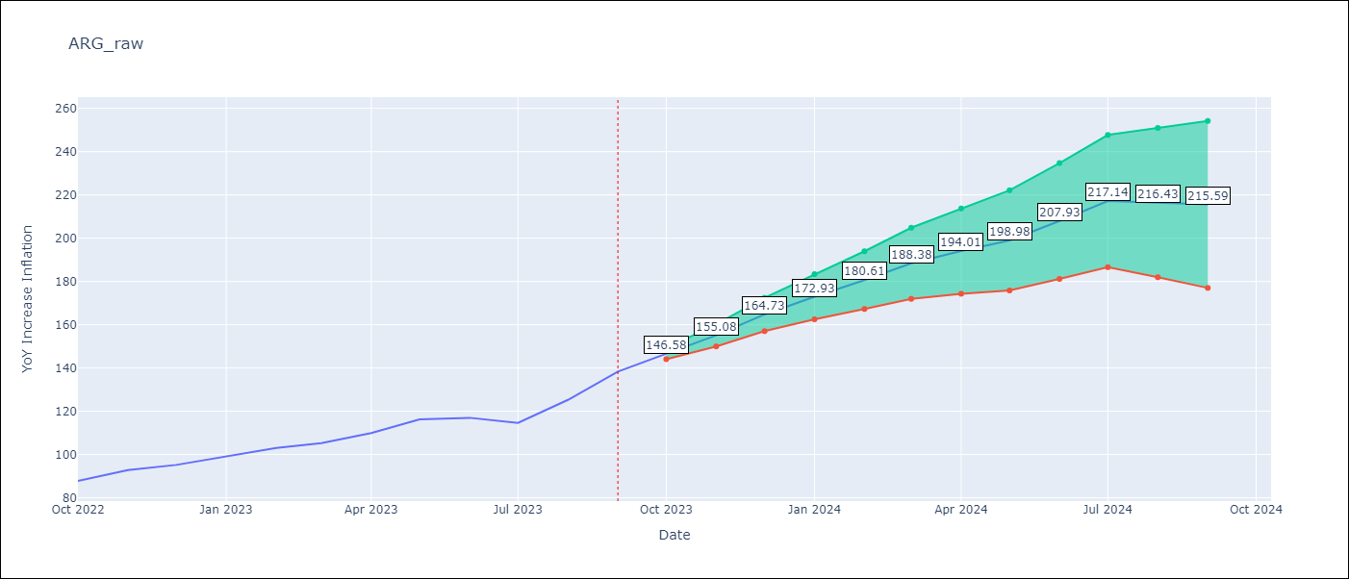

Test Metrics
RMSE | 9.73
Naive RMSE | 6.17
MAPE | 4.71%

Test Predictions
Date | Predicted | Actual
2022-10-01 | 86.82 | 87.8
2022-11-01 | 92.28 | 92.82
2022-12-01 | 96.52 | 95.19
2023-01-01 | 100.45 | 99.01
2023-02-01 | 103.9 | 103.06
2023-03-01 | 105.47 | 105.25
2023-04-01 | 106.9 | 109.89
2023-05-01 | 109.24 | 116.26
2023-06-01 | 110.89 | 116.97
2023-07-01 | 109.7 | 114.59
2023-08-01 | 109.16 | 125.24
2023-09-01 | 110.86 | 138.3

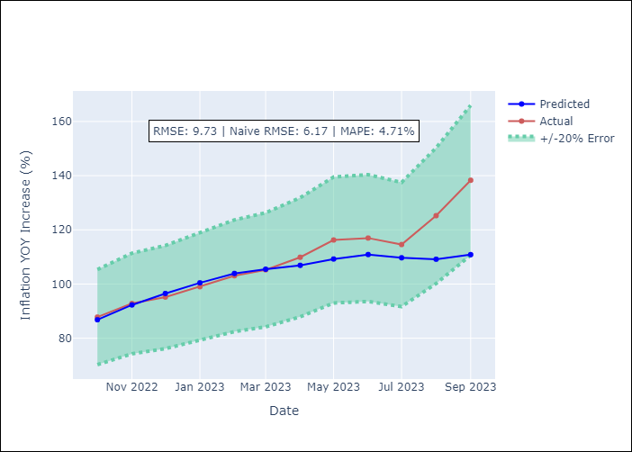

Appendix A: Model Summary
Model | ARIMA(0, 2, 2)x(0, 0, [1], 12)
Sample | 01-01-1996- 09-01-2023
No. of Observations | 333
Terms | P-value (Statistical significance)
ma.L1 | 0.000
ma.L2 | 0.000
ma.S.L12 | 0.000
sigma2 | 0.000
Assumptions | P-value
Ljung-Box (L1) | 0.91
Heteroskedasticity | 0.00
Jarque-Bera | 0.00
Skew | 2.55
Kurtosis | 23.89

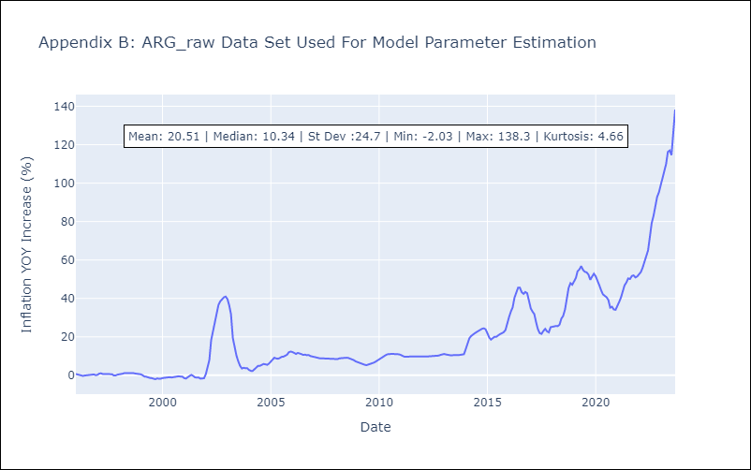

Appendix C: Residuals Analysis
Mean | 0.07
White Noise? | Yes
Normal? | No

BOL
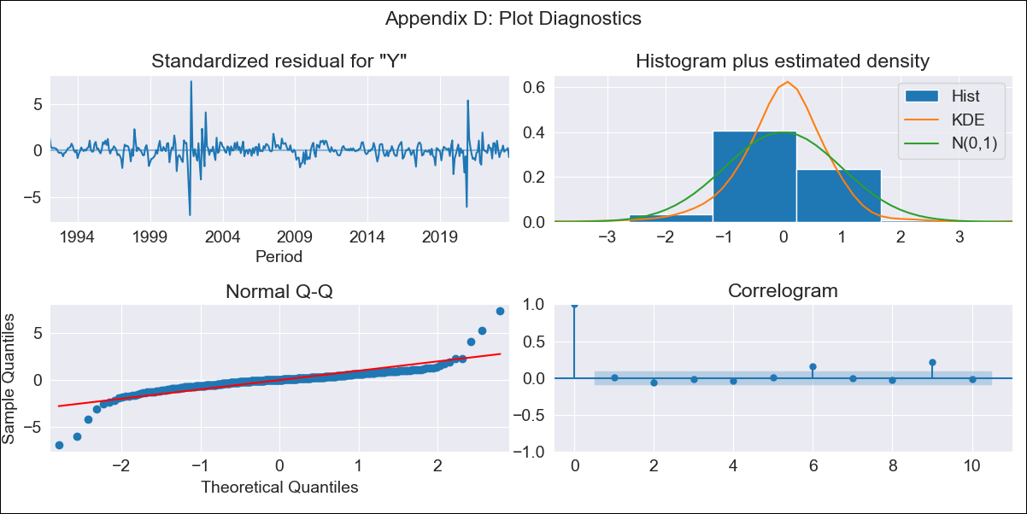
BOL - Inflation - Next 12 months forecast as of: 2023-10-01

Model | ARIMA - [(1, 0, 1), (2, 0, 0, 12)]
Training Data | 1990-01-01 to 2022-11-01
Test Data | 2022-11-01 to 2023-10-01

Date | Inflation Change YoY % | Lower Bound - 95% Confidence Interval | Upper Bound - 95% Confidence Interval
2023-11-01 | 1.96 | 0.86 | 3.52
2023-12-01 | 2.04 | 0.63 | 4.26
2024-01-01 | 2.12 | 0.48 | 4.92
2024-02-01 | 2.37 | 0.46 | 5.85
2024-03-01 | 2.41 | 0.36 | 6.37
2024-04-01 | 2.37 | 0.23 | 6.71
2024-05-01 | 2.21 | 0.08 | 6.78
2024-06-01 | 2.23 | 0.02 | 7.17
2024-07-01 | 2.23 | -0.04 | 7.5
2024-08-01 | 2.25 | -0.09 | 7.84
2024-09-01 | 2.29 | -0.12 | 8.22
2024-10-01 | 2.45 | -0.11 | 8.88

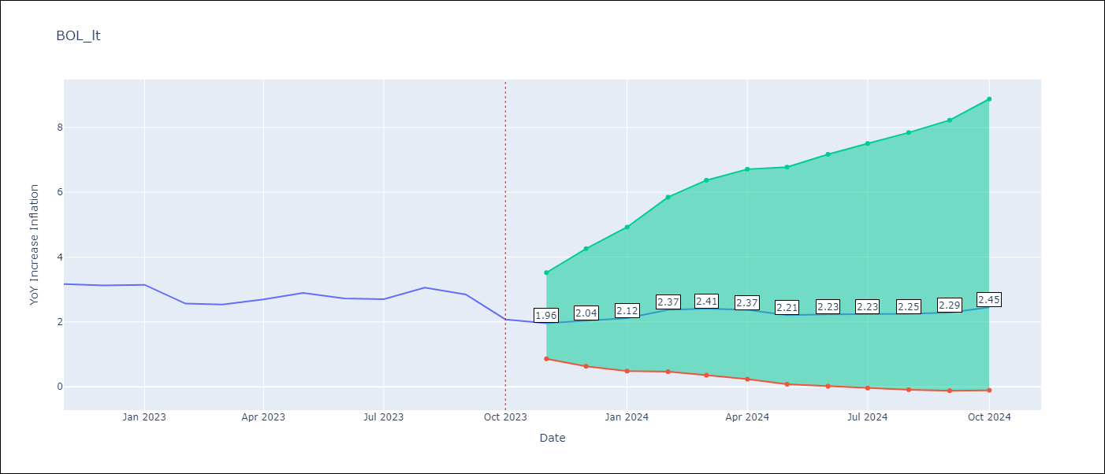

Test Metrics
RMSE | 0.36
Naive RMSE | 0.33
MAPE | 9.95%

Test Predictions
Date | Predicted | Actual
2022-11-01 | 3.66 | 3.17
2022-12-01 | 2.49 | 3.12
2023-01-01 | 2.5 | 3.14
2023-02-01 | 2.52 | 2.57
2023-03-01 | 2.6 | 2.53
2023-04-01 | 2.77 | 2.7
2023-05-01 | 2.55 | 2.9
2023-06-01 | 2.57 | 2.73
2023-07-01 | 2.5 | 2.7
2023-08-01 | 2.81 | 3.06
2023-09-01 | 2.37 | 2.85
2023-10-01 | 2.2 | 2.08

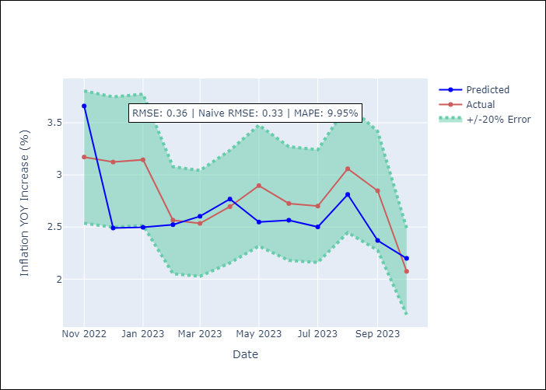

Appendix A: Model Summary
Model | ARIMA(1, 0, 1)x(2, 0, [], 12)
Sample | 01-01-1990- 10-01-2023
No. of Observations | 406
Terms | P-value (Statistical significance)
const | 0.477
ar.L1 | 0.000
ma.L1 | 0.000
ar.S.L12 | 0.000
ar.S.L24 | 0.011
sigma2 | 0.000
Assumptions | P-value
Ljung-Box (L1) | 0.89
Heteroskedasticity | 0.01
Jarque-Bera | 0.00
Skew | -0.17
Kurtosis | 22.27

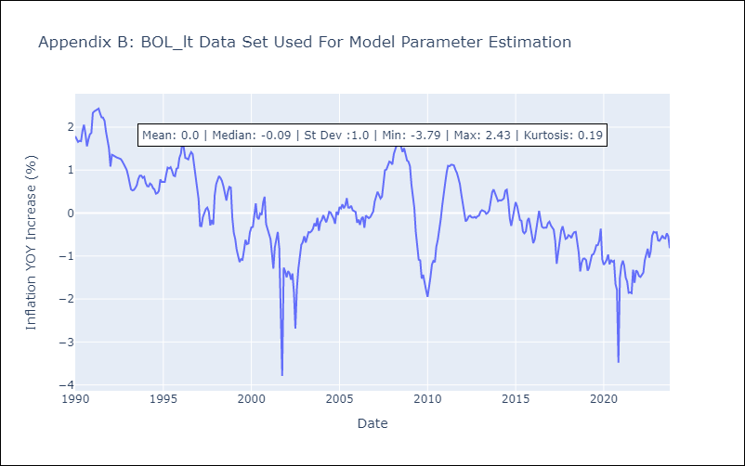

Appendix C: Residuals Analysis
Mean | 0.01
White Noise? | No - Correlation at Lags [ 9 10 11 12]
Normal? | No

BRA
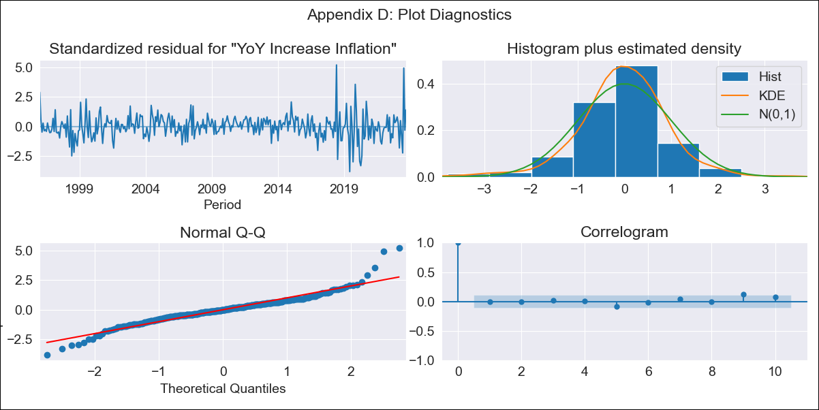
BRA - Inflation - Next 12 months forecast as of: 2023-09-01

Model | VARMAX - (3, 0, 2, 0, 0, 1, 12) | Exogenous Variables | Exchange rates (nominal), Monetary Policiy rate, M1 money supply ($mm local currency), YoY Increase Crude oil WTI, YoY Increase Index Energy, YoY Increase Index Food
Training Data | 1996-01-01 to 2022-10-01
Test Data | 2022-10-01 to 2023-09-01

Date | Inflation Change YoY % | Lower Bound - 95% Confidence Interval | Upper Bound - 95% Confidence Interval
2023-10-01 | 5.44 | 4.77 | 6.21
2023-11-01 | 5.43 | 4.28 | 6.91
2023-12-01 | 5.38 | 3.91 | 7.41
2024-01-01 | 5.3 | 3.64 | 7.77
2024-02-01 | 5.21 | 3.4 | 8.02
2024-03-01 | 5.12 | 3.2 | 8.22
2024-04-01 | 5.03 | 3.03 | 8.4
2024-05-01 | 4.95 | 2.88 | 8.56
2024-06-01 | 4.88 | 2.75 | 8.71
2024-07-01 | 4.83 | 2.65 | 8.86
2024-08-01 | 4.79 | 2.56 | 9
2024-09-01 | 4.77 | 2.49 | 9.15

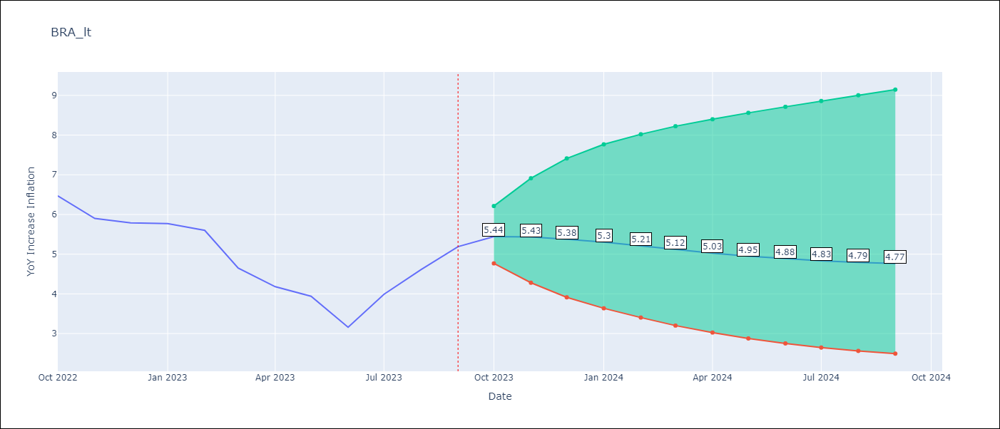

Test Metrics
RMSE | 0.56
Naive RMSE | 0.57
MAPE | 10.11%

Test Predictions
Date | Predicted | Actual
2022-10-01 | 6.22 | 6.47
2022-11-01 | 5.74 | 5.9
2022-12-01 | 5.43 | 5.79
2023-01-01 | 5.14 | 5.77
2023-02-01 | 4.86 | 5.6
2023-03-01 | 4.63 | 4.65
2023-04-01 | 4.46 | 4.18
2023-05-01 | 4.33 | 3.94
2023-06-01 | 4.24 | 3.16
2023-07-01 | 4.2 | 3.99
2023-08-01 | 4.18 | 4.61
2023-09-01 | 4.21 | 5.19

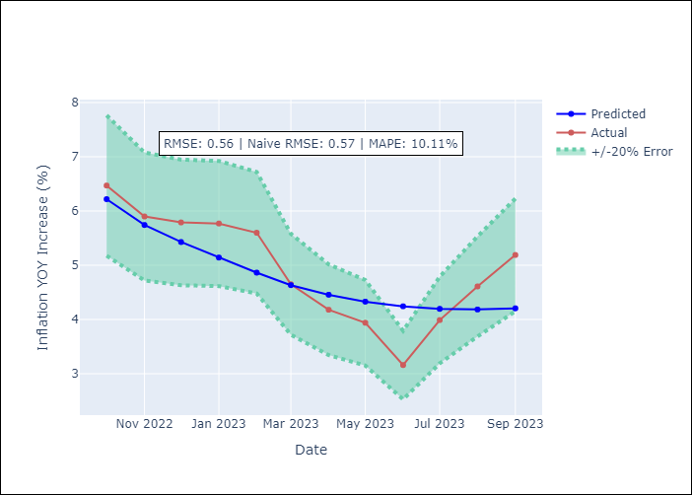

Appendix A: Model Summary
Model | VARMA(3,2)
Sample | 01-01-1996- 09-01-2023
No. of Observations | 333
Terms | P-value (Statistical significance)
intercept | 0.827
L1.YoY Increase Inflation | 0.668
L1.Exchange rates (nominal) | 0.950
L1.Monetary Policiy rate | 0.949
L1.M1 money supply ($mm local currency) | 0.996
L1.YoY Increase Crude oil WTI | 0.984
L1.YoY Increase Index Energy | 0.990
L1.YoY Increase Index Food | 0.987
L2.YoY Increase Inflation | 0.876
L2.Exchange rates (nominal) | 0.946
L2.Monetary Policiy rate | 0.993
L2.M1 money supply ($mm local currency) | 0.994
L2.YoY Increase Crude oil WTI | 0.974
L2.YoY Increase Index Energy | 0.992
L2.YoY Increase Index Food | 0.996
L3.YoY Increase Inflation | 0.921
L3.Exchange rates (nominal) | 0.888
L3.Monetary Policiy rate | 0.978
L3.M1 money supply ($mm local currency) | 0.997
L3.YoY Increase Crude oil WTI | 0.972
L3.YoY Increase Index Energy | 0.977
L3.YoY Increase Index Food | 0.995
L1.e(YoY Increase Inflation) | 0.998
L1.e(Exchange rates (nominal)) | 0.995
L1.e(Monetary Policiy rate) | 0.955
L1.e(M1 money supply ($mm local currency)) | 0.998
L1.e(YoY Increase Crude oil WTI) | 0.995
L1.e(YoY Increase Index Energy) | 0.987
L1.e(YoY Increase Index Food) | 0.994
L2.e(YoY Increase Inflation) | 0.969
L2.e(Exchange rates (nominal)) | 0.978
L2.e(Monetary Policiy rate) | 0.961
L2.e(M1 money supply ($mm local currency)) | 0.987
L2.e(YoY Increase Crude oil WTI) | 0.992
L2.e(YoY Increase Index Energy) | 0.979
L2.e(YoY Increase Index Food) | 0.987
Assumptions | P-value
Ljung-Box (L1) | 0.90, 0.80, nan, nan, 0.95, 0.98, 0.82
Heteroskedasticity | 0.00, 0.14, 0.00, 0.00, 0.00, 0.00, 0.01
Jarque-Bera | 0.00, 0.00, 0.00, 0.00, 0.00, 0.00, 0.18
Skew | 0.45, 0.30, -0.84, -0.04, 1.76, -0.90, 0.15
Kurtosis | 7.59, 5.33, 23.30, 5.08, 22.18, 14.11, 3.40

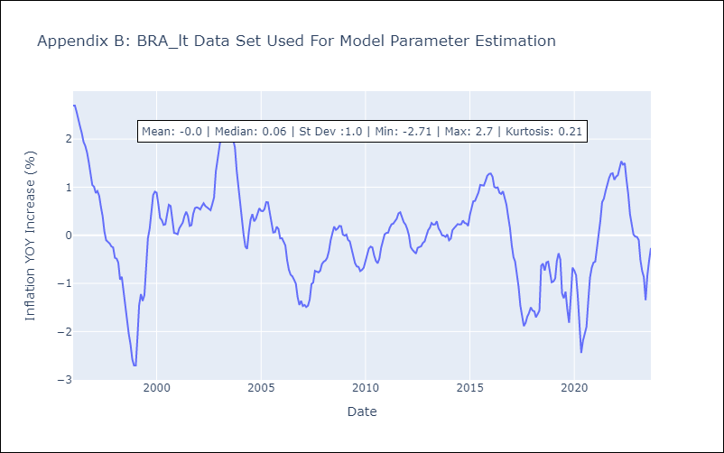

Appendix C: Residuals Analysis
Mean | 0.01
White Noise? | Yes
Normal? | Yes

CHL
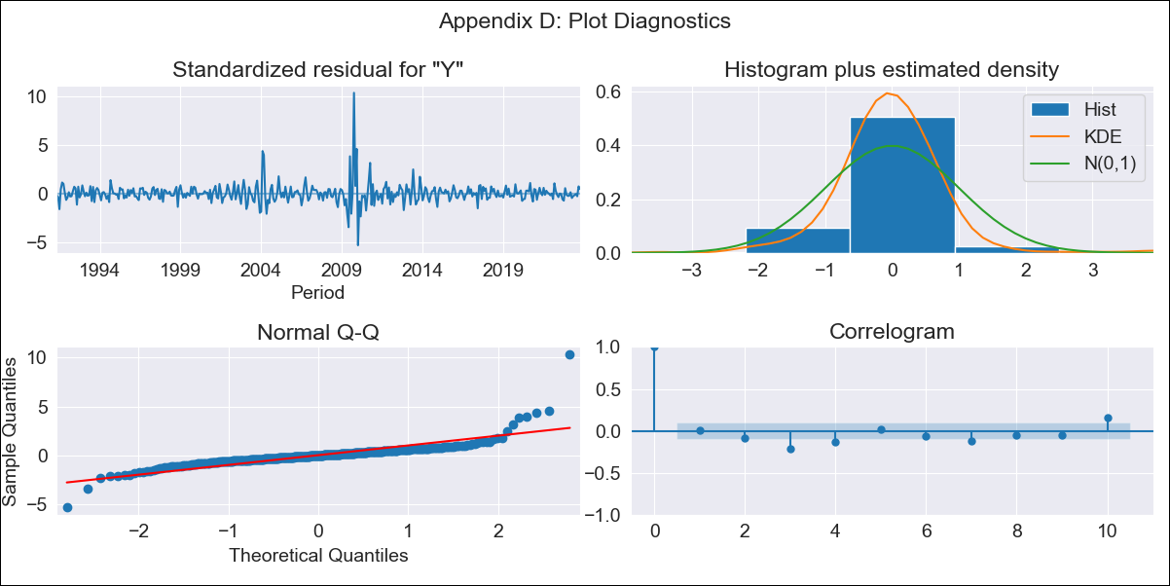
CHL - Inflation - Next 12 months forecast as of: 2023-10-01

Model | ARIMA - [(2, 2, 1), (0, 0, 1, 12)]
Training Data | 1990-01-01 to 2022-11-01
Test Data | 2022-11-01 to 2023-10-01

Date | Inflation Change YoY % | Lower Bound - 95% Confidence Interval | Upper Bound - 95% Confidence Interval
2023-11-01 | 4.59 | 3.07 | 6.45
2023-12-01 | 4.47 | 2.07 | 7.96
2024-01-01 | 4.24 | 1.03 | 9.97
2024-02-01 | 4.1 | 0.17 | 13.1
2024-03-01 | 3.93 | -0.43 | 16.85
2024-04-01 | 3.83 | -0.93 | 22.25
2024-05-01 | 3.78 | -1.36 | 29.19
2024-06-01 | 3.71 | -1.77 | 38.06
2024-07-01 | 3.68 | -2.16 | 49.52
2024-08-01 | 3.67 | -2.52 | 64.01
2024-09-01 | 3.51 | -2.9 | 81.05
2024-10-01 | 3.36 | -3.27 | 101.85

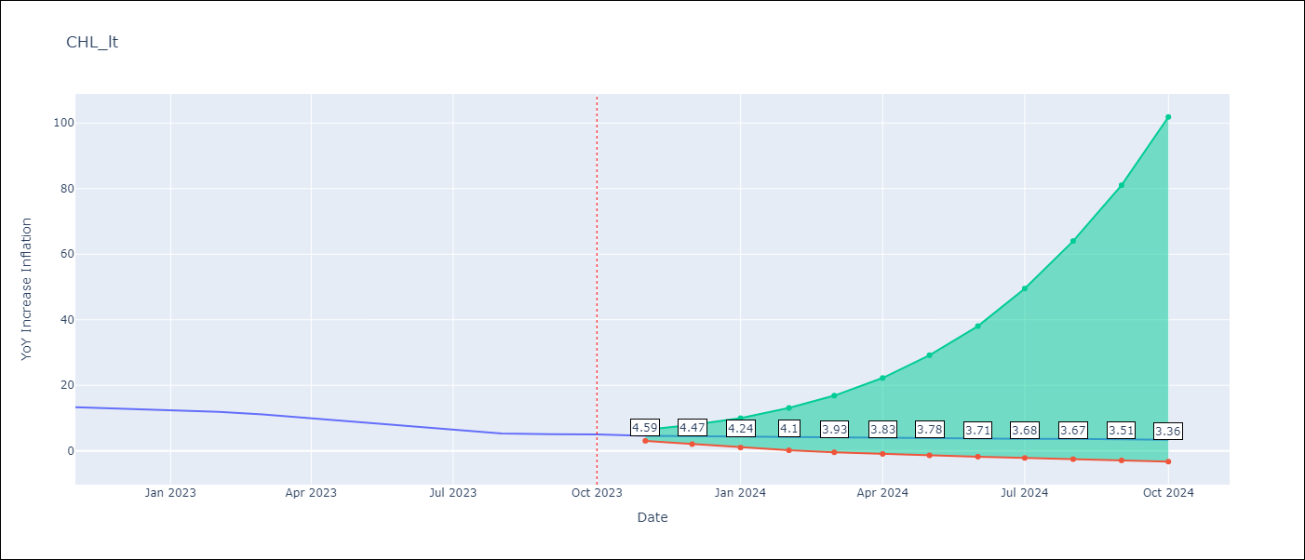

Test Metrics
RMSE | 1.5
Naive RMSE | 0.86
MAPE | 19.22%

Test Predictions
Date | Predicted | Actual
2022-11-01 | 12.43 | 13.3
2022-12-01 | 11.8 | 12.8
2023-01-01 | 11.32 | 12.3
2023-02-01 | 11.04 | 11.9
2023-03-01 | 10.24 | 11.1
2023-04-01 | 9.69 | 9.9
2023-05-01 | 9.15 | 8.7
2023-06-01 | 8.68 | 7.6
2023-07-01 | 8.25 | 6.5
2023-08-01 | 7.8 | 5.3
2023-09-01 | 7.58 | 5.1
2023-10-01 | 7.44 | 5

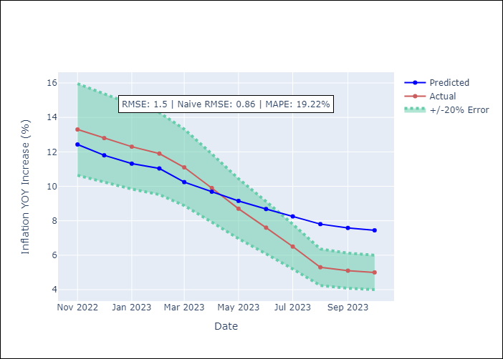

Appendix A: Model Summary
Model | ARIMA(2, 2, 1)x(0, 0, 1, 12)
Sample | 01-01-1990- 10-01-2023
No. of Observations | 406
Terms | P-value (Statistical significance)
ar.L1 | 0.000
ar.L2 | 0.000
ma.L1 | 0.000
ma.S.L12 | 0.000
sigma2 | 0.000
Assumptions | P-value
Ljung-Box (L1) | 0.91
Heteroskedasticity | 0.35
Jarque-Bera | 0.00
Skew | 3.01
Kurtosis | 35.75

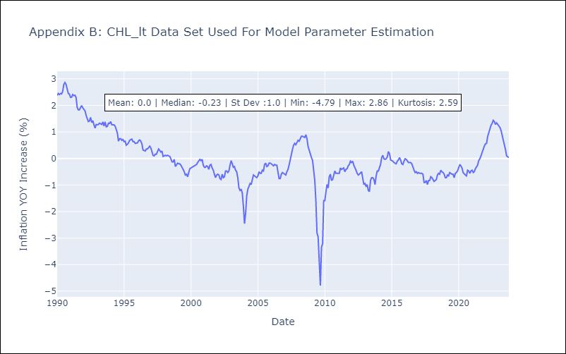

Appendix C: Residuals Analysis
Mean | -0.0
White Noise? | No - Correlation at Lags [ 2 3 4 5 6 7 8 9 10 11 12]
Normal? | No

COL
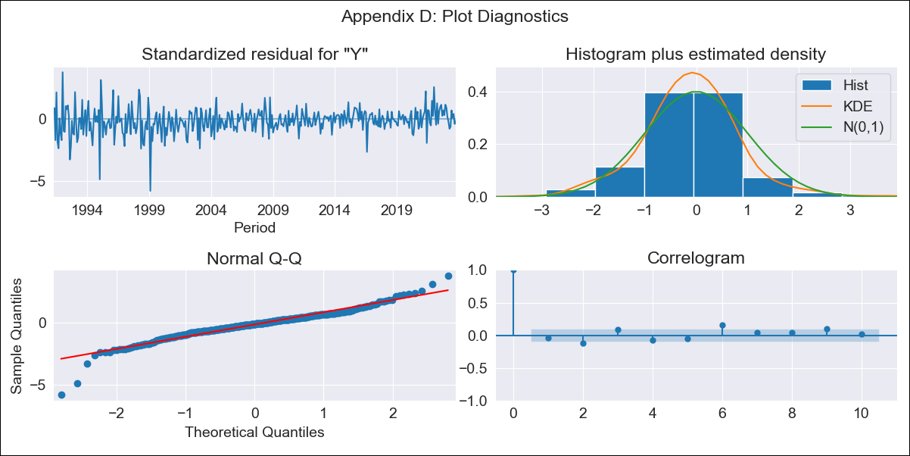
COL - Inflation - Next 12 months forecast as of: 2023-10-01

Model | ARIMA - [(2, 1, 1), (0, 0, 1, 12)]
Training Data | 1990-01-01 to 2022-11-01
Test Data | 2022-11-01 to 2023-10-01

Date | Inflation Change YoY % | Lower Bound - 95% Confidence Interval | Upper Bound - 95% Confidence Interval
2023-11-01 | 10.06 | 9.38 | 10.74
2023-12-01 | 9.5 | 8.2 | 10.8
2024-01-01 | 8.91 | 6.98 | 10.84
2024-02-01 | 8.46 | 5.92 | 11.01
2024-03-01 | 8.19 | 5.07 | 11.32
2024-04-01 | 8.17 | 4.49 | 11.84
2024-05-01 | 8.28 | 4.09 | 12.47
2024-06-01 | 8.19 | 3.51 | 12.87
2024-07-01 | 8.12 | 2.98 | 13.25
2024-08-01 | 7.97 | 2.4 | 13.53
2024-09-01 | 7.96 | 1.98 | 13.93
2024-10-01 | 7.98 | 1.61 | 14.34

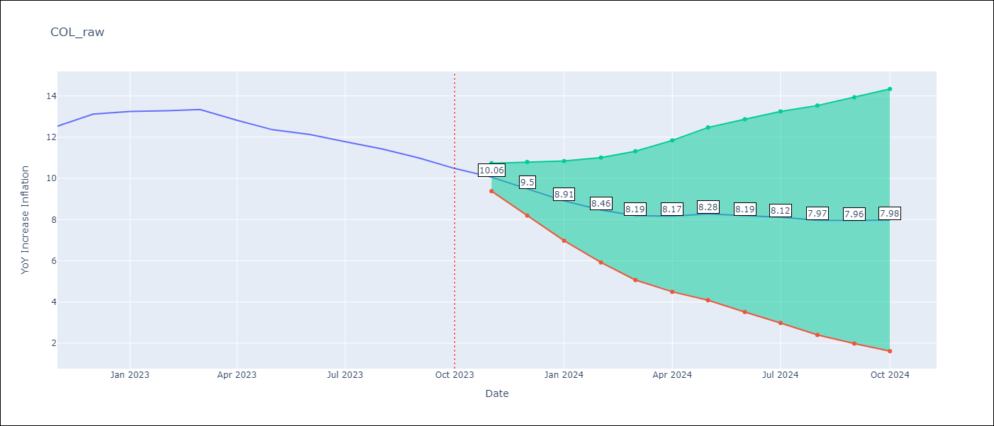

Test Metrics
RMSE | 1.73
Naive RMSE | 0.38
MAPE | 13.41%

Test Predictions
Date | Predicted | Actual
2022-11-01 | 12.41 | 12.53
2022-12-01 | 12.52 | 13.12
2023-01-01 | 12.01 | 13.25
2023-02-01 | 11.54 | 13.28
2023-03-01 | 11.31 | 13.34
2023-04-01 | 10.85 | 12.82
2023-05-01 | 10.63 | 12.36
2023-06-01 | 10.31 | 12.13
2023-07-01 | 9.88 | 11.78
2023-08-01 | 9.33 | 11.43
2023-09-01 | 8.89 | 10.99
2023-10-01 | 8.42 | 10.48

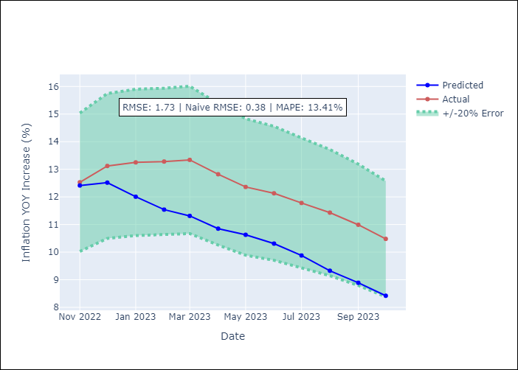

Appendix A: Model Summary
Model | ARIMA(2, 1, 1)x(0, 0, 1, 12)
Sample | 01-01-1990- 10-01-2023
No. of Observations | 406
Terms | P-value (Statistical significance)
ar.L1 | 0.288
ar.L2 | 0.757
ma.L1 | 0.887
ma.S.L12 | 0.000
sigma2 | 0.944
Assumptions | P-value
Ljung-Box (L1) | 0.46
Heteroskedasticity | 0.00
Jarque-Bera | 0.00
Skew | -0.57
Kurtosis | 7.40

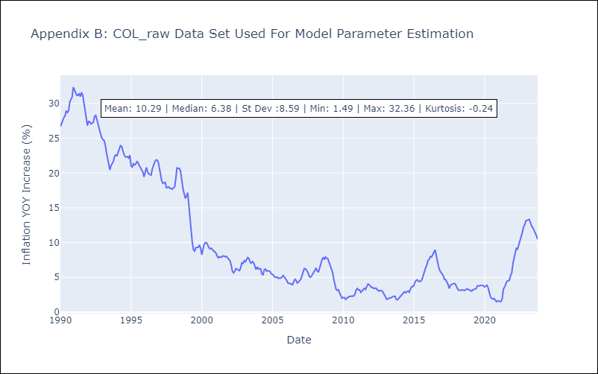

Appendix C: Residuals Analysis
Mean | 0.0
White Noise? | No - Correlation at Lags [ 1 2 3 4 5 6 7 8 9 10 11 12]
Normal? | No

ECU
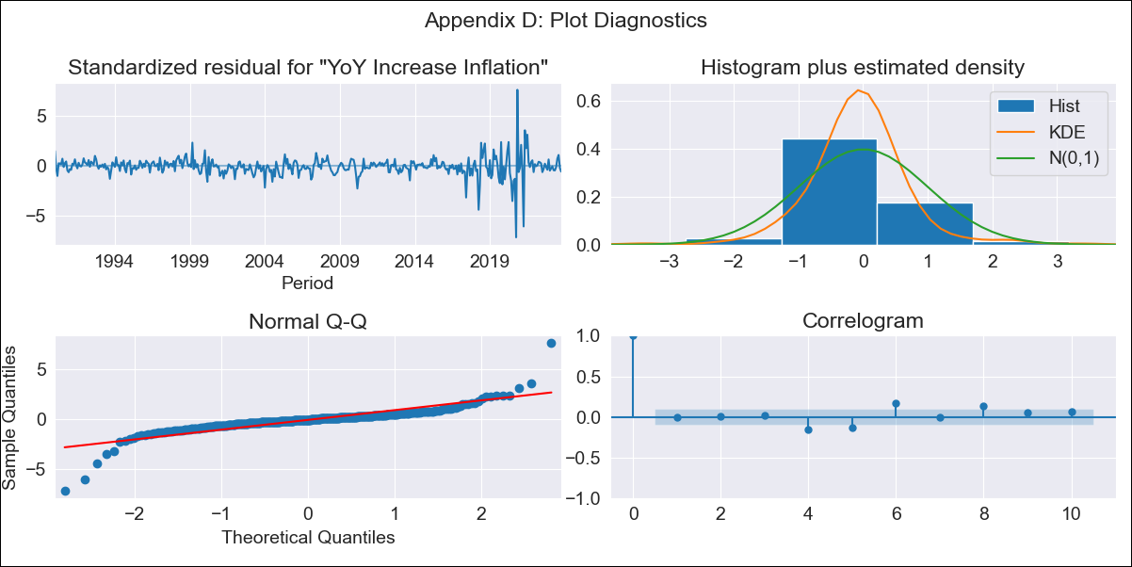
ECU - Inflation - Next 12 months forecast as of: 2023-10-01

Model | VARMAX - (2, 1, 2, 2, 0, 0, 12) | Exogenous Variables | Exchange rates (nominal), M1 money supply ($mm local currency), YoY Increase Crude oil WTI, YoY Increase Index Energy, YoY Increase Index Food
Training Data | 1990-01-01 to 2022-11-01
Test Data | 2022-11-01 to 2023-10-01

Date | Inflation Change YoY % | Lower Bound - 95% Confidence Interval | Upper Bound - 95% Confidence Interval
2023-11-01 | 2.09 | 1.16 | 3.38
2023-12-01 | 2.42 | 1.03 | 4.63
2024-01-01 | 2.57 | 0.89 | 5.54
2024-02-01 | 2.68 | 0.76 | 6.34
2024-03-01 | 2.78 | 0.64 | 7.24
2024-04-01 | 2.87 | 0.52 | 8.24
2024-05-01 | 2.97 | 0.41 | 9.31
2024-06-01 | 3.07 | 0.31 | 10.44
2024-07-01 | 3.17 | 0.23 | 11.62
2024-08-01 | 3.27 | 0.16 | 12.84
2024-09-01 | 3.38 | 0.1 | 14.09
2024-10-01 | 3.48 | 0.05 | 15.36

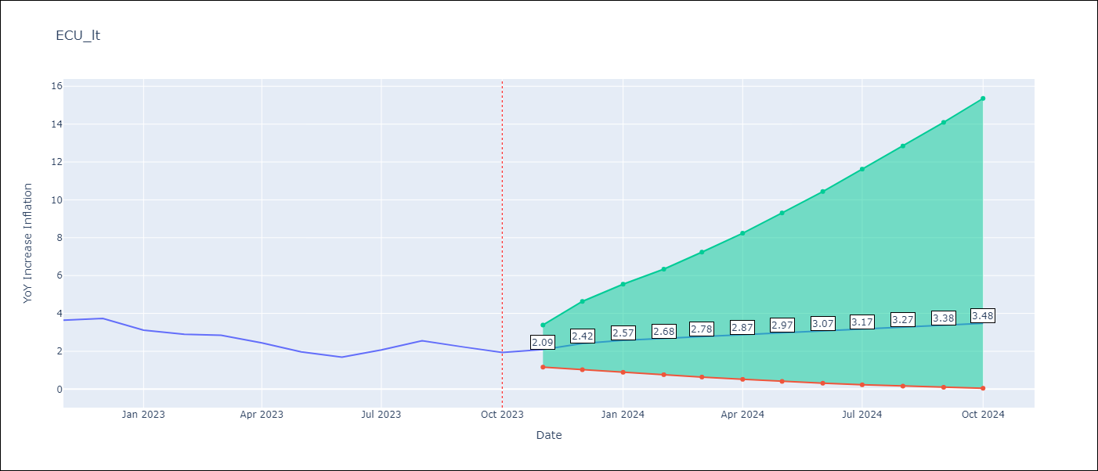

Test Metrics
RMSE | 0.39
Naive RMSE | 0.37
MAPE | 14.76%

Test Predictions
Date | Predicted | Actual
2022-11-01 | 3.73 | 3.64
2022-12-01 | 3.23 | 3.74
2023-01-01 | 2.88 | 3.12
2023-02-01 | 2.66 | 2.9
2023-03-01 | 2.54 | 2.85
2023-04-01 | 2.47 | 2.44
2023-05-01 | 2.44 | 1.97
2023-06-01 | 2.43 | 1.69
2023-07-01 | 2.45 | 2.07
2023-08-01 | 2.47 | 2.56
2023-09-01 | 2.51 | 2.23
2023-10-01 | 2.54 | 1.93

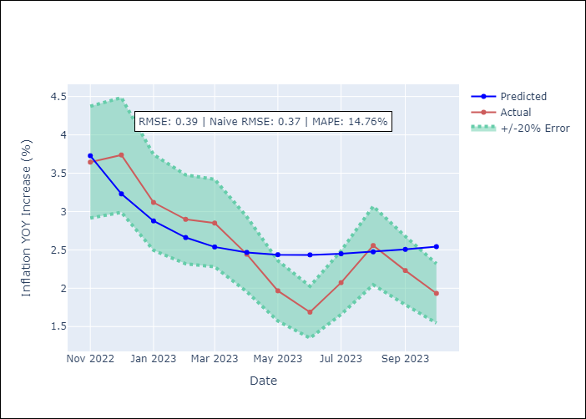

Appendix A: Model Summary
Model | VARMA(2,2)
Sample | - 10-01-2023opg
No. of Observations | 406
Terms | P-value (Statistical significance)
L1.YoY Increase Inflation | 0.190
L1.Exchange rates (nominal) | 0.957
L1.M1 money supply ($mm local currency) | 0.946
L1.YoY Increase Crude oil WTI | 0.992
L1.YoY Increase Index Energy | 0.986
L1.YoY Increase Index Food | 0.999
L2.YoY Increase Inflation | 0.978
L2.Exchange rates (nominal) | 0.941
L2.M1 money supply ($mm local currency) | 0.933
L2.YoY Increase Crude oil WTI | 0.805
L2.YoY Increase Index Energy | 0.926
L2.YoY Increase Index Food | 0.999
L1.e(YoY Increase Inflation) | 0.985
L1.e(Exchange rates (nominal)) | 0.990
L1.e(M1 money supply ($mm local currency)) | 0.962
L1.e(YoY Increase Crude oil WTI) | 0.994
L1.e(YoY Increase Index Energy) | 0.993
L1.e(YoY Increase Index Food) | 0.996
L2.e(YoY Increase Inflation) | 0.794
L2.e(Exchange rates (nominal)) | 0.946
L2.e(M1 money supply ($mm local currency)) | 0.986
L2.e(YoY Increase Crude oil WTI) | 0.496
L2.e(YoY Increase Index Energy) | 0.823
L2.e(YoY Increase Index Food) | 0.974
Assumptions | P-value
Ljung-Box (L1) | 0.89, nan, nan, 0.56, 0.47, 1.00
Heteroskedasticity | 0.00, 0.00, nan, 0.00, 0.00, 0.63
Jarque-Bera | 0.00, 0.00, 0.00, 0.00, 0.00, 0.00
Skew | -0.36, 2.64, 3.37, 1.23, -0.26, 0.31
Kurtosis | 23.25, 44.54, 40.26, 14.02, 13.70, 3.51

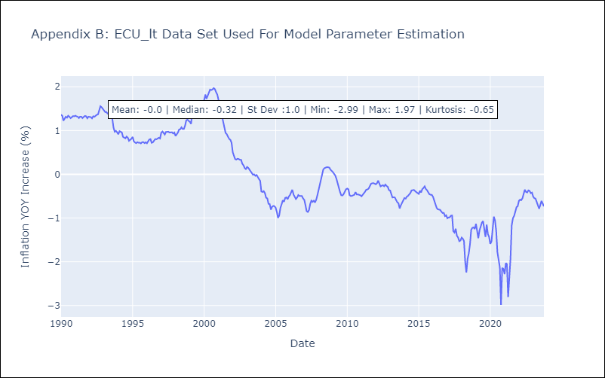

Appendix C: Residuals Analysis
Mean | -0.01
White Noise? | No - Correlation at Lags [ 6 7 8 9 10 11 12]
Normal? | Yes

PER

PER - Inflation - Next 12 months forecast as of: 2023-10-01

Model | ARIMA - [(1, 1, 0), (0, 0, 1, 12)]
Training Data | 1996-01-01 to 2022-11-01
Test Data | 2022-11-01 to 2023-10-01

Date | Inflation Change YoY % | Lower Bound - 95% Confidence Interval | Upper Bound - 95% Confidence Interval
2023-11-01 | 4.22 | 3.31 | 5.23
2023-12-01 | 4.02 | 2.6 | 5.77
2024-01-01 | 3.88 | 2.09 | 6.25
2024-02-01 | 3.8 | 1.72 | 6.7
2024-03-01 | 3.73 | 1.43 | 7.12
2024-04-01 | 3.75 | 1.24 | 7.63
2024-05-01 | 3.68 | 1.02 | 7.96
2024-06-01 | 3.95 | 1.02 | 8.82
2024-07-01 | 4.13 | 0.97 | 9.53
2024-08-01 | 4.19 | 0.87 | 10.03
2024-09-01 | 4.37 | 0.84 | 10.73
2024-10-01 | 4.72 | 0.89 | 11.72

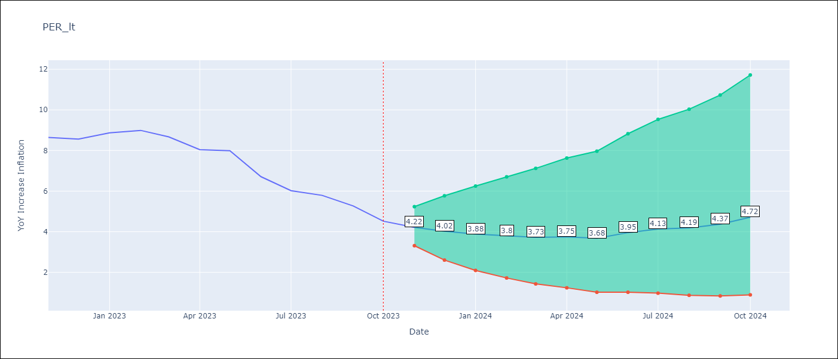

Test Metrics
RMSE | 0.75
Naive RMSE | 0.57
MAPE | 8.99%

Test Predictions
Date | Predicted | Actual
2022-11-01 | 8.5 | 8.64
2022-12-01 | 8.15 | 8.56
2023-01-01 | 8.16 | 8.87
2023-02-01 | 8.06 | 8.99
2023-03-01 | 7.59 | 8.67
2023-04-01 | 7.07 | 8.04
2023-05-01 | 6.86 | 7.99
2023-06-01 | 6.33 | 6.71
2023-07-01 | 6.06 | 6.02
2023-08-01 | 5.95 | 5.79
2023-09-01 | 5.79 | 5.27
2023-10-01 | 5.68 | 4.52

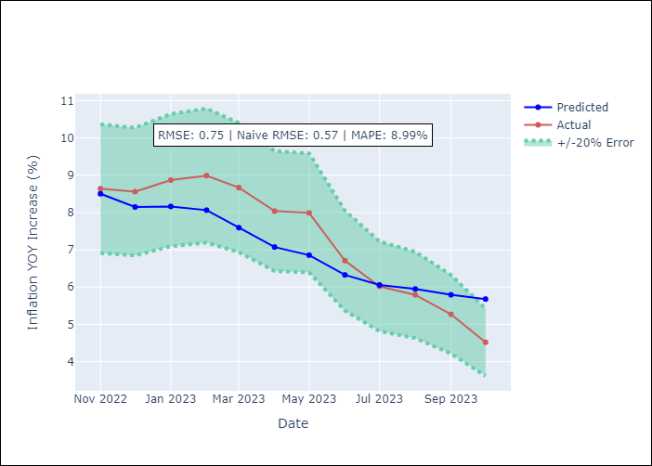

Appendix A: Model Summary
Model | ARIMA(1, 1, 0)x(0, 0, [1], 12)
Sample | 01-01-1996- 10-01-2023
No. of Observations | 334
Terms | P-value (Statistical significance)
ar.L1 | 0.000
ma.S.L12 | 0.000
sigma2 | 0.000
Assumptions | P-value
Ljung-Box (L1) | 0.75
Heteroskedasticity | 0.00
Jarque-Bera | 0.00
Skew | 1.15
Kurtosis | 14.83

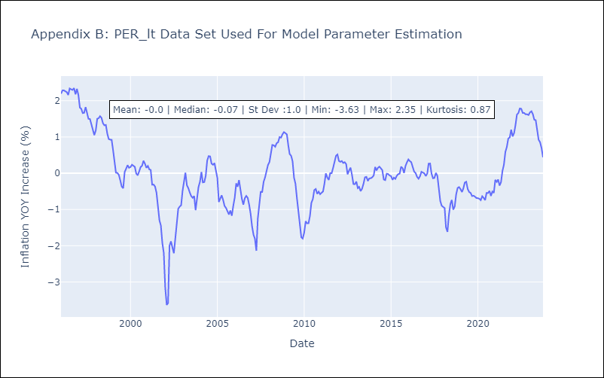

Appendix C: Residuals Analysis
Mean | -0.0
White Noise? | No - Correlation at Lags [6 8]
Normal? | No

PRY
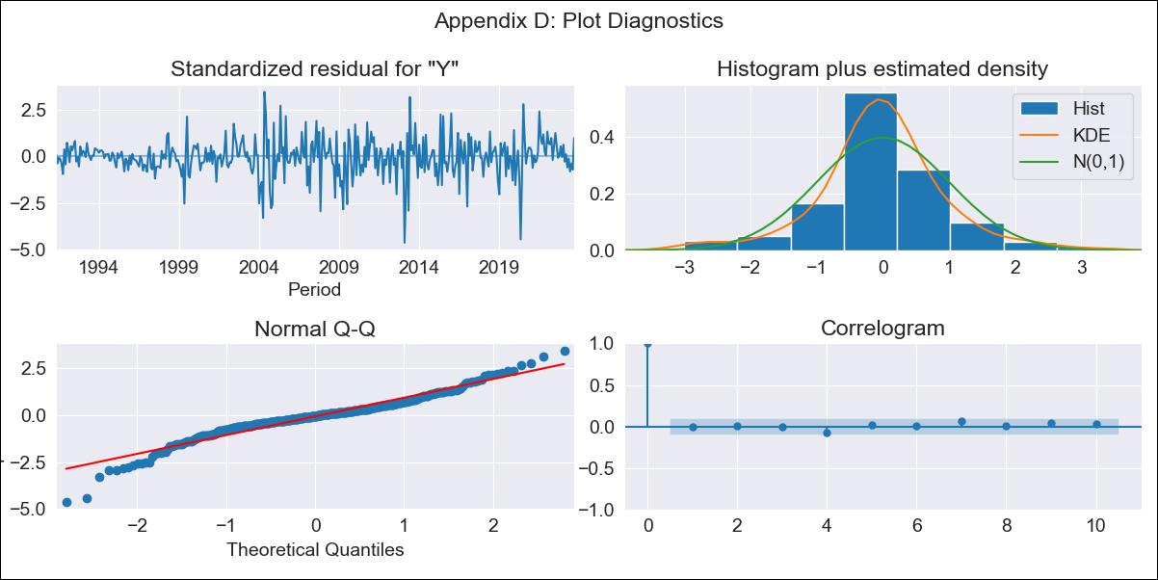
PRY - Inflation - Next 12 months forecast as of: 2023-09-01

Model | ARIMA - [(1, 1, 2), (0, 0, 1, 12)]
Training Data | 1990-01-01 to 2022-10-01
Test Data | 2022-10-01 to 2023-09-01

Date | Inflation Change YoY % | Lower Bound - 95% Confidence Interval | Upper Bound - 95% Confidence Interval
2023-10-01 | 3.67 | 2.6 | 5.12
2023-11-01 | 3.56 | 2.1 | 5.9
2023-12-01 | 3.62 | 1.87 | 6.71
2024-01-01 | 3.49 | 1.62 | 7.07
2024-02-01 | 3.61 | 1.55 | 7.85
2024-03-01 | 3.65 | 1.47 | 8.43
2024-04-01 | 3.91 | 1.49 | 9.49
2024-05-01 | 4.03 | 1.47 | 10.25
2024-06-01 | 4.38 | 1.55 | 11.6
2024-07-01 | 4.61 | 1.57 | 12.69
2024-08-01 | 4.94 | 1.64 | 14.11
2024-09-01 | 4.57 | 1.44 | 13.44

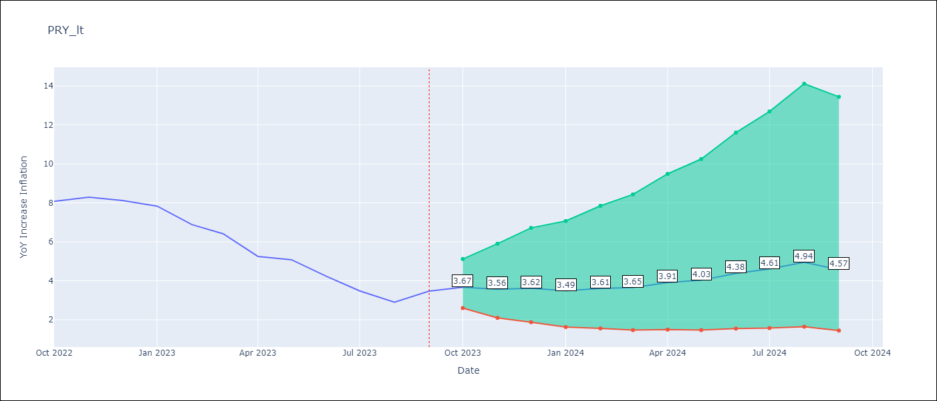

Test Metrics
RMSE | 0.82
Naive RMSE | 0.65
MAPE | 14.62%

Test Predictions
Date | Predicted | Actual
2022-10-01 | 8.04 | 8.07
2022-11-01 | 7.56 | 8.29
2022-12-01 | 7.38 | 8.12
2023-01-01 | 6.47 | 7.83
2023-02-01 | 5.93 | 6.88
2023-03-01 | 5.54 | 6.41
2023-04-01 | 5.05 | 5.25
2023-05-01 | 5.09 | 5.08
2023-06-01 | 4.9 | 4.24
2023-07-01 | 4.4 | 3.48
2023-08-01 | 4.17 | 2.9
2023-09-01 | 4.24 | 3.47

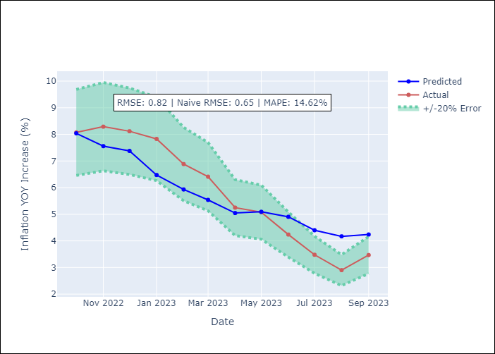

Appendix A: Model Summary
Model | ARIMA(1, 1, 2)x(0, 0, [1], 12)
Sample | 01-01-1990- 09-01-2023
No. of Observations | 405
Terms | P-value (Statistical significance)
ar.L1 | 0.000
ma.L1 | 0.000
ma.L2 | 0.000
ma.S.L12 | 0.000
sigma2 | 0.000
Assumptions | P-value
Ljung-Box (L1) | 0.96
Heteroskedasticity | 0.00
Jarque-Bera | 0.00
Skew | -0.46
Kurtosis | 5.95

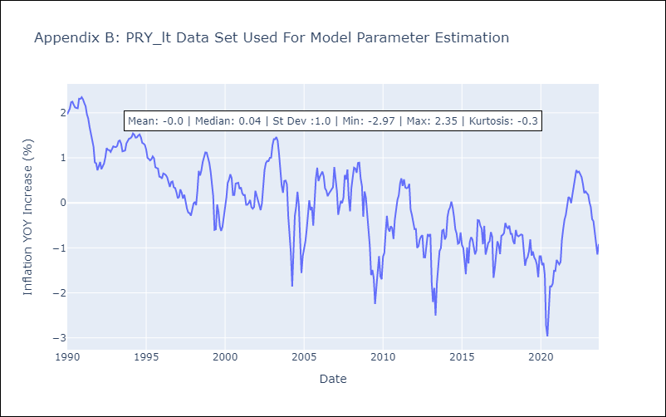

Appendix C: Residuals Analysis
Mean | -0.01
White Noise? | Yes
Normal? | No

URY
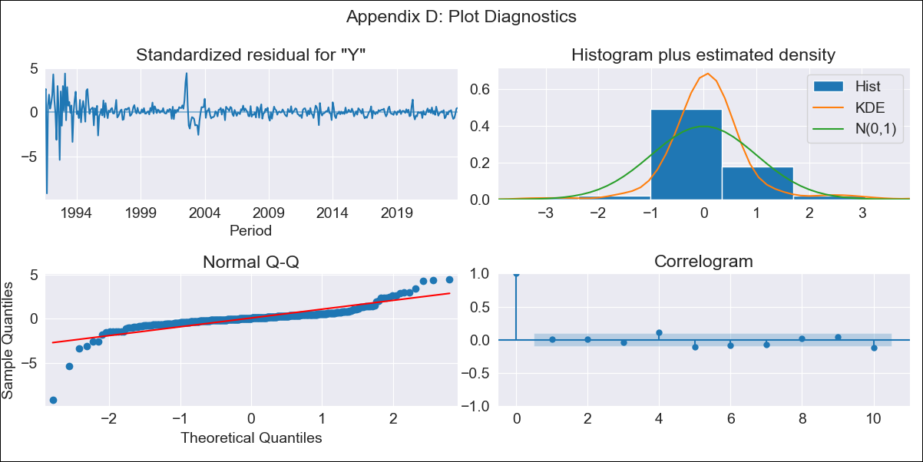
URY - Inflation - Next 12 months forecast as of: 2023-10-01

Model | ARIMA - [(0, 2, 3), (0, 0, 1, 12)]
Training Data | 1990-01-01 to 2022-11-01
Test Data | 2022-11-01 to 2023-10-01

Date | Inflation Change YoY % | Lower Bound - 95% Confidence Interval | Upper Bound - 95% Confidence Interval
2023-11-01 | 4.26 | 2.08 | 6.44
2023-12-01 | 3.88 | 0.39 | 7.37
2024-01-01 | 3.73 | -0.84 | 8.31
2024-02-01 | 3.42 | -2.32 | 9.16
2024-03-01 | 3.06 | -3.92 | 10.05
2024-04-01 | 2.65 | -5.66 | 10.95
2024-05-01 | 2.6 | -7.1 | 12.29
2024-06-01 | 2.86 | -8.3 | 14.02
2024-07-01 | 3.12 | -9.57 | 15.81
2024-08-01 | 3.14 | -11.14 | 17.41
2024-09-01 | 2.8 | -13.13 | 18.73
2024-10-01 | 2.39 | -15.25 | 20.02

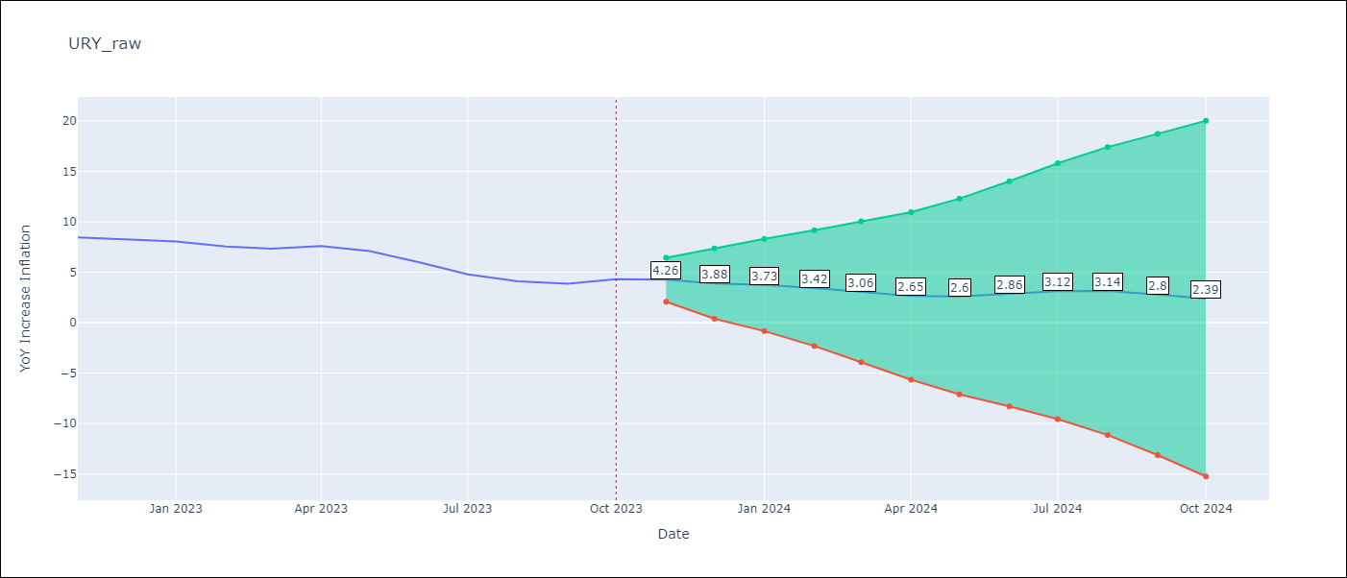

Test Metrics
RMSE | 2.57
Naive RMSE | 0.61
MAPE | 42.99%

Test Predictions
Date | Predicted | Actual
2022-11-01 | 9.03 | 8.46
2022-12-01 | 9.02 | 8.29
2023-01-01 | 9.12 | 8.05
2023-02-01 | 8.68 | 7.55
2023-03-01 | 8.44 | 7.33
2023-04-01 | 8.6 | 7.61
2023-05-01 | 8.6 | 7.1
2023-06-01 | 8.52 | 5.98
2023-07-01 | 8.36 | 4.79
2023-08-01 | 8.3 | 4.11
2023-09-01 | 8.08 | 3.87
2023-10-01 | 8.4 | 4.3

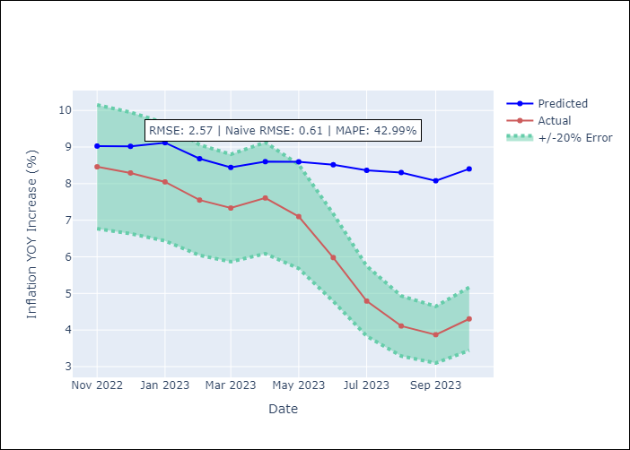

Appendix A: Model Summary
Model | ARIMA(0, 2, 3)x(0, 0, [1], 12)
Sample | 01-01-1990- 10-01-2023
No. of Observations | 406
Terms | P-value (Statistical significance)
ma.L1 | 0.000
ma.L2 | 0.000
ma.L3 | 0.000
ma.S.L12 | 0.000
sigma2 | 0.000
Assumptions | P-value
Ljung-Box (L1) | 0.86
Heteroskedasticity | 0.00
Jarque-Bera | 0.00
Skew | -1.70
Kurtosis | 26.83

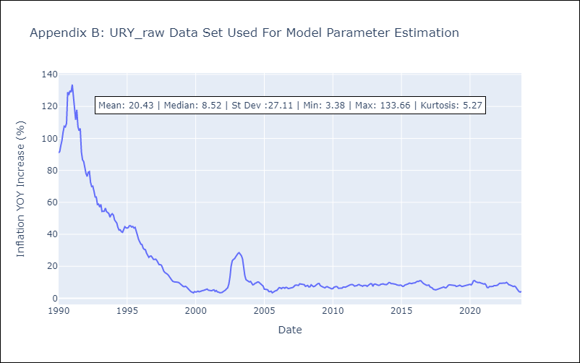

Appendix C: Residuals Analysis
Mean | 0.15
White Noise? | No - Correlation at Lags [ 1 2 3 4 5 6 7 8 9 10 11 12]
Normal? | No

VEN
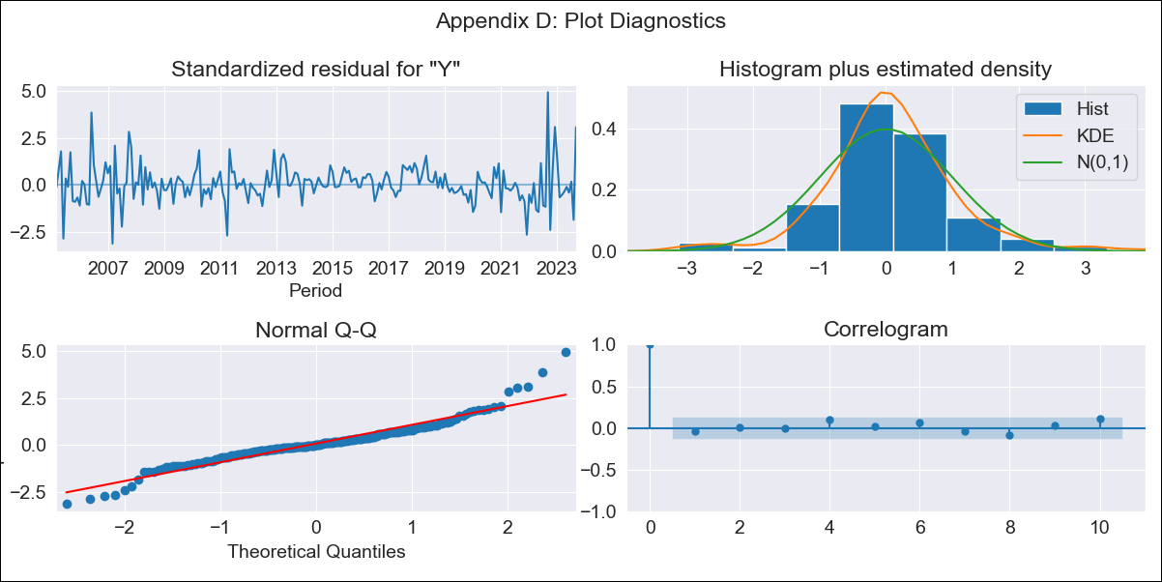
VEN - Inflation - Next 12 months forecast as of: 2023-09-01

Model | ARIMA - [(1, 1, 0), (0, 0, 0, 12)]
Training Data | 2005-01-01 to 2022-10-01
Test Data | 2022-10-01 to 2023-09-01

Date | Inflation Change YoY % | Lower Bound - 95% Confidence Interval | Upper Bound - 95% Confidence Interval
2023-10-01 | 455.87 | 359.52 | 588.1
2023-11-01 | 500.62 | 318.61 | 841.12
2023-12-01 | 531.68 | 277.43 | 1182.62
2024-01-01 | 552.49 | 241.59 | 1635.16
2024-02-01 | 566.12 | 211.93 | 2229.49
2024-03-01 | 574.91 | 187.73 | 3008.32
2024-04-01 | 580.53 | 167.96 | 4031.58
2024-05-01 | 584.1 | 151.69 | 5384.28
2024-06-01 | 586.36 | 138.14 | 7188.42
2024-07-01 | 587.78 | 126.73 | 9621.87
2024-08-01 | 588.68 | 117.01 | 12948.63
2024-09-01 | 589.25 | 108.65 | 17568.96

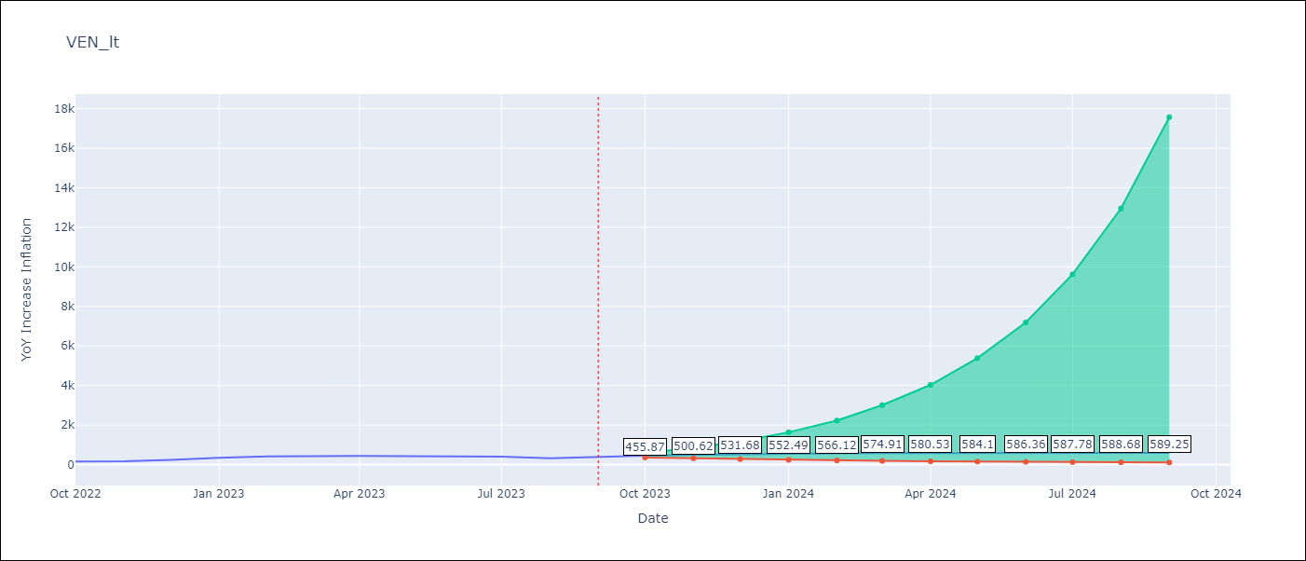

Test Metrics
RMSE | 85.64
Naive RMSE | 57.04
MAPE | 22.5%

Test Predictions
Date | Predicted | Actual
2022-10-01 | 198.25 | 155.8
2022-11-01 | 233.01 | 165.6
2022-12-01 | 260.47 | 234.08
2023-01-01 | 281 | 344.91
2023-02-01 | 295.78 | 415.57
2023-03-01 | 306.14 | 439.61
2023-04-01 | 313.26 | 436.34
2023-05-01 | 318.11 | 429.21
2023-06-01 | 321.38 | 404.37
2023-07-01 | 323.57 | 398.19
2023-08-01 | 325.03 | 317.63
2023-09-01 | 326.01 | 394.76

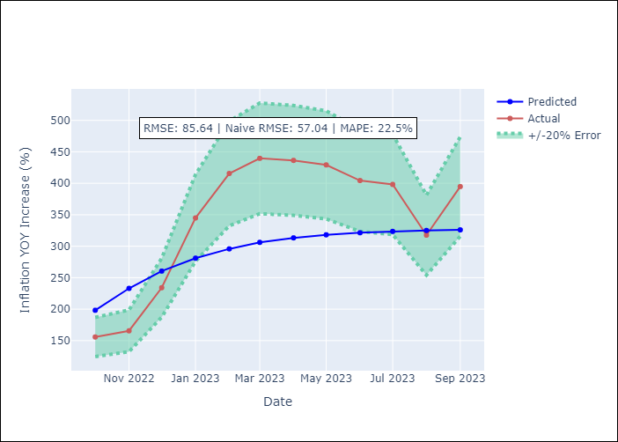

Appendix A: Model Summary
Model | ARIMA(1, 1, 0)
Sample | 01-01-2005- 09-01-2023
No. of Observations | 225
Terms | P-value (Statistical significance)
ar.L1 | 0.000
sigma2 | 0.000
Assumptions | P-value
Ljung-Box (L1) | 0.53
Heteroskedasticity | 0.95
Jarque-Bera | 0.00
Skew | 0.64
Kurtosis | 7.00

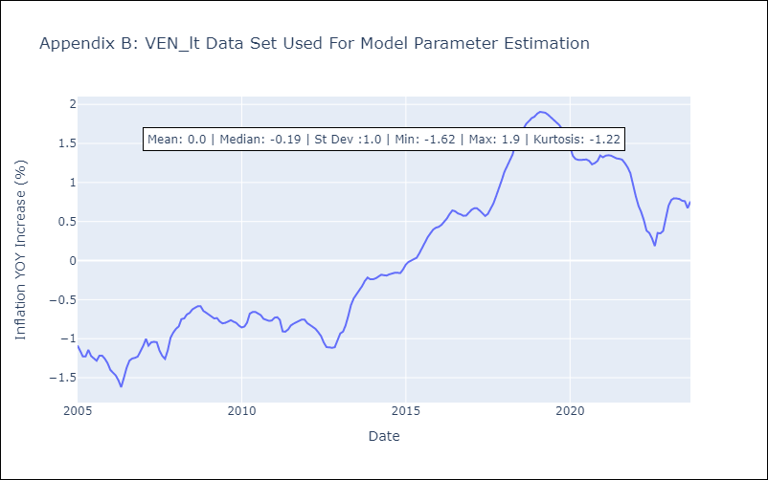

Appendix C: Residuals Analysis
Mean | -0.0
White Noise? | No - Correlation at Lags [1 2]
Normal? | No

