CHL
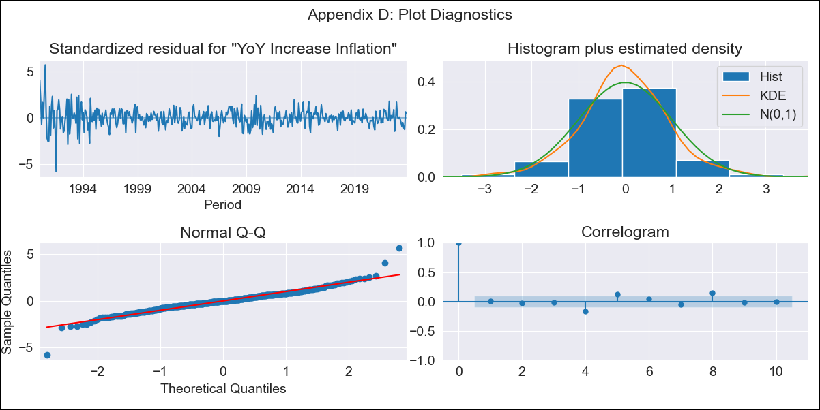
CHL - Inflation - Next 12 months forecast as of: 2023-10-01

Model | VARMAX - (3, 2, 3, 2, 0, 0, 12) | Exogenous Variables | Exchange rates (nominal), Monetary Policiy rate, M1 money supply ($mm local currency), YoY Increase Crude oil WTI, YoY Increase Index Energy, YoY Increase Index Food
Training Data | 1990-01-01 to 2022-11-01
Test Data | 2022-11-01 to 2023-10-01

Date | Inflation Change YoY % | Lower Bound - 95% Confidence Interval | Upper Bound - 95% Confidence Interval
2023-11-01 | 4.63 | 3.5 | 5.76
2023-12-01 | 4.36 | 2.54 | 6.18
2024-01-01 | 4.01 | 1.6 | 6.42
2024-02-01 | 3.71 | 0.75 | 6.66
2024-03-01 | 3.42 | 0 | 6.83
2024-04-01 | 3.11 | -0.73 | 6.94
2024-05-01 | 2.79 | -1.43 | 7.01
2024-06-01 | 2.49 | -2.08 | 7.05
2024-07-01 | 2.2 | -2.68 | 7.09
2024-08-01 | 1.94 | -3.24 | 7.12
2024-09-01 | 1.71 | -3.73 | 7.16
2024-10-01 | 1.51 | -4.18 | 7.2

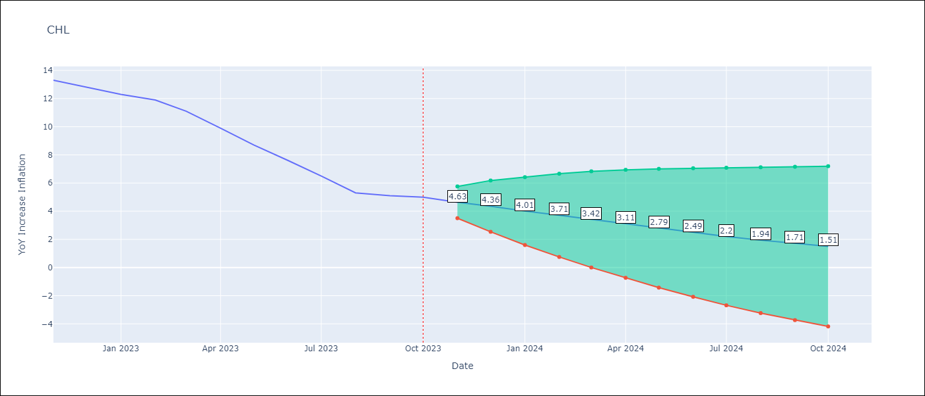

Test Metrics
RMSE | 2.25
Naive RMSE | 0.86
MAPE | 24.07%

Test Predictions
Date | Predicted | Actual
2022-11-01 | 11.75 | 13.3
2022-12-01 | 10.59 | 12.8
2023-01-01 | 9.69 | 12.3
2023-02-01 | 8.83 | 11.9
2023-03-01 | 7.9 | 11.1
2023-04-01 | 7.01 | 9.9
2023-05-01 | 6.17 | 8.7
2023-06-01 | 5.42 | 7.6
2023-07-01 | 4.79 | 6.5
2023-08-01 | 4.28 | 5.3
2023-09-01 | 3.89 | 5.1
2023-10-01 | 3.61 | 5

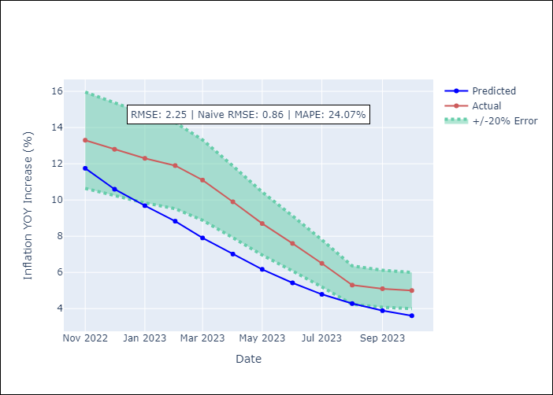

Appendix A: Model Summary
Model | VARMA(3,3)
Sample | - 10-01-2023opg
No. of Observations | 406
Terms | P-value (Statistical significance)
L1.YoY Increase Inflation | 0.748
L1.Exchange rates (nominal) | 0.985
L1.Monetary Policiy rate | 0.993
L1.M1 money supply ($mm local currency) | 0.980
L1.YoY Increase Crude oil WTI | 0.998
L1.YoY Increase Index Energy | 0.995
L1.YoY Increase Index Food | 0.981
L2.YoY Increase Inflation | 0.962
L2.Exchange rates (nominal) | 0.984
L2.Monetary Policiy rate | 0.996
L2.M1 money supply ($mm local currency) | 0.951
L2.YoY Increase Crude oil WTI | 0.979
L2.YoY Increase Index Energy | 0.998
L2.YoY Increase Index Food | 0.993
L3.YoY Increase Inflation | 0.989
L3.Exchange rates (nominal) | 0.997
L3.Monetary Policiy rate | 0.991
L3.M1 money supply ($mm local currency) | 0.857
L3.YoY Increase Crude oil WTI | 0.924
L3.YoY Increase Index Energy | 0.977
L3.YoY Increase Index Food | 0.973
L1.e(YoY Increase Inflation) | 0.994
L1.e(Exchange rates (nominal)) | 0.991
L1.e(Monetary Policiy rate) | 0.996
L1.e(M1 money supply ($mm local currency)) | 0.984
L1.e(YoY Increase Crude oil WTI) | 0.997
L1.e(YoY Increase Index Energy) | 0.998
L1.e(YoY Increase Index Food) | 0.996
L2.e(YoY Increase Inflation) | 0.988
L2.e(Exchange rates (nominal)) | 0.980
L2.e(Monetary Policiy rate) | 0.954
L2.e(M1 money supply ($mm local currency)) | 0.820
L2.e(YoY Increase Crude oil WTI) | 0.969
L2.e(YoY Increase Index Energy) | 0.989
L2.e(YoY Increase Index Food) | 1.000
L3.e(YoY Increase Inflation) | 0.987
L3.e(Exchange rates (nominal)) | 0.914
L3.e(Monetary Policiy rate) | 0.859
L3.e(M1 money supply ($mm local currency)) | 0.745
L3.e(YoY Increase Crude oil WTI) | 0.992
L3.e(YoY Increase Index Energy) | 0.966
L3.e(YoY Increase Index Food) | 0.950
Assumptions | P-value
Ljung-Box (L1) | 0.93, nan, nan, nan, 0.62, 0.71, 0.91
Heteroskedasticity | 0.00, 0.00, 0.00, 0.01, 0.00, 0.00, 0.80
Jarque-Bera | 0.00, 0.00, 0.00, 0.00, 0.00, 0.00, 0.00
Skew | 0.06, 0.05, -2.63, -0.32, 1.55, -0.91, 0.23
Kurtosis | 8.25, 6.06, 34.37, 14.63, 20.18, 17.01, 3.71

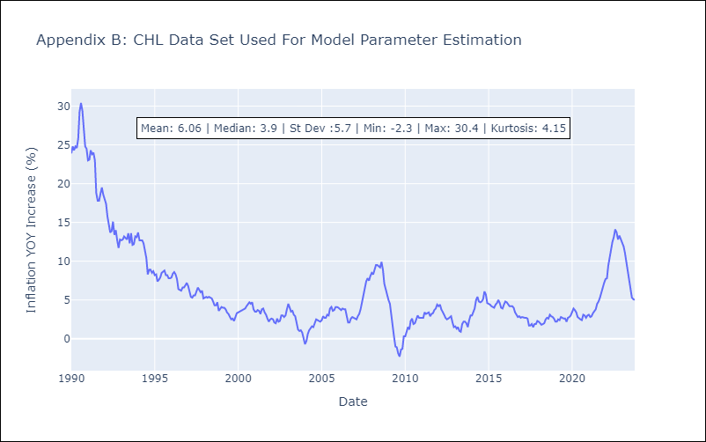

Appendix C: Residuals Analysis
Mean | 0.05
White Noise? | Yes
Normal? | Yes

