ARG
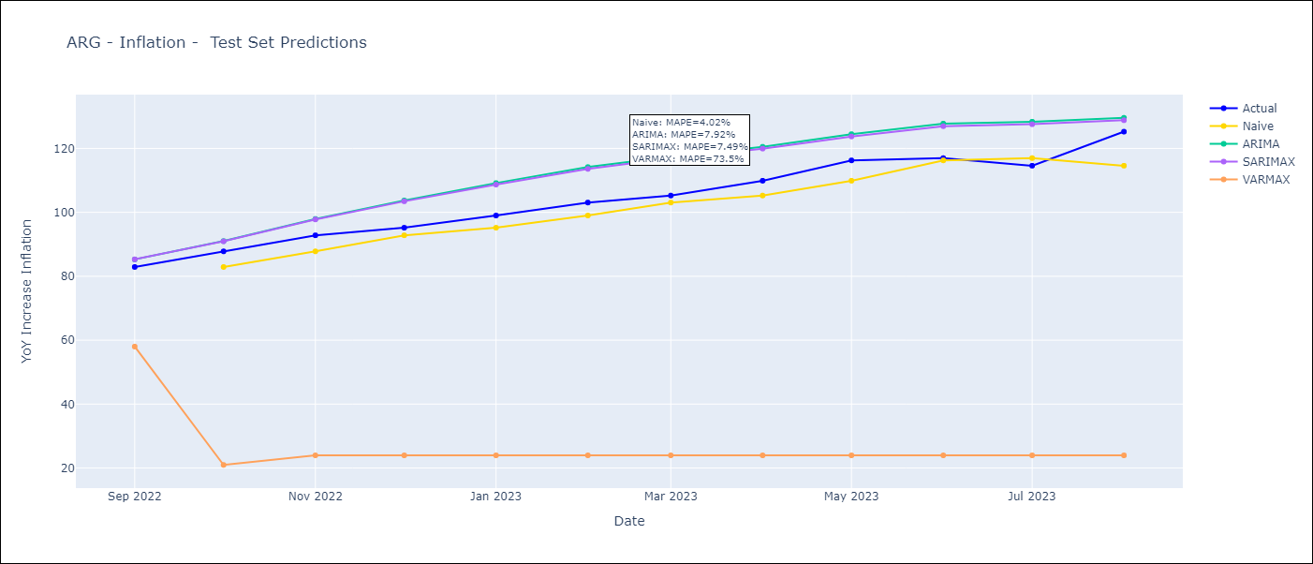
ARG - Inflation - Next 12 months forecast as of: 2023-08-01

Models | ARIMA - [(0, 2, 2), (1, 0, 1, 12)] | SARIMAX - [(0, 2, 2), (1, 0, 1, 12)] | VARMAX - [(0, 2, 2), (1, 0, 1, 12)]
Training Data | 1991-01-01 to 2022-09-01 | 2003-11-01 to 2022-09-01 | 1991-01-01 to 2022-09-01
Test Data | 2022-09-01 to 2023-08-01 | 2022-09-01 to 2023-08-01 | 2022-09-01 to 2023-08-01
Exogenous Variables | Exchange rates (nominal), Monetary Policiy rate, M1 money supply ($mm local currency)

Date | ARIMA | SARIMAX | VARMAX
2023-09-01 | 135.02 | 131.99 | 143.73
2023-10-01 | 140.93 | 135.49 | 88.31
2023-11-01 | 147.73 | 139.96 | 26.25
2023-12-01 | 155.63 | 145.38 | 26.25
2024-01-01 | 162.16 | 149.32 | 26.25
2024-02-01 | 168.14 | 152.86 | 26.25
2024-03-01 | 174.14 | 156.72 | 26.25
2024-04-01 | 178.11 | 158.48 | 26.25
2024-05-01 | 181.42 | 159.53 | 26.25
2024-06-01 | 188.61 | 164.33 | 26.25
2024-07-01 | 196.02 | 169.47 | 26.25
2024-08-01 | 193.76 | 165.5 | 26.25

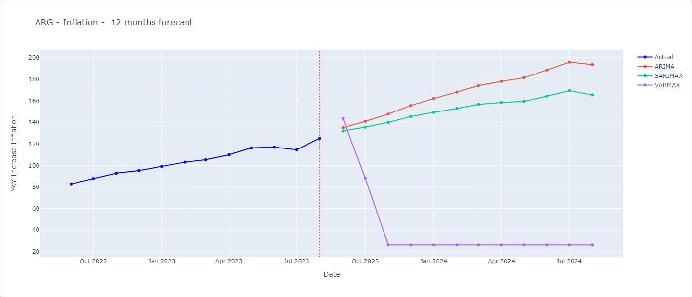

Test Metrics
ARIMA | 7.92%
SARIMAX | 7.49%
VARMAX | 73.5%

Test Predictions
Date | Actual | Predicted (ARIMA) | Predicted (ARIMAX) | Predicted (VARMAX)
2022-09-01 | 82.9 | 85.28 | 85.3 | 57.99
2022-10-01 | 87.8 | 91.01 | 90.94 | 20.97
2022-11-01 | 92.82 | 97.94 | 97.79 | 23.97
2022-12-01 | 95.19 | 103.71 | 103.45 | 23.97
2023-01-01 | 99.01 | 109.16 | 108.68 | 23.97
2023-02-01 | 103.06 | 114.17 | 113.6 | 23.97
2023-03-01 | 105.25 | 117.42 | 116.88 | 23.97
2023-04-01 | 109.89 | 120.51 | 119.94 | 23.97
2023-05-01 | 116.26 | 124.47 | 123.74 | 23.97
2023-06-01 | 116.97 | 127.76 | 126.96 | 23.97
2023-07-01 | 114.59 | 128.36 | 127.57 | 23.97
2023-08-01 | 125.24 | 129.58 | 128.82 | 23.97

MEX
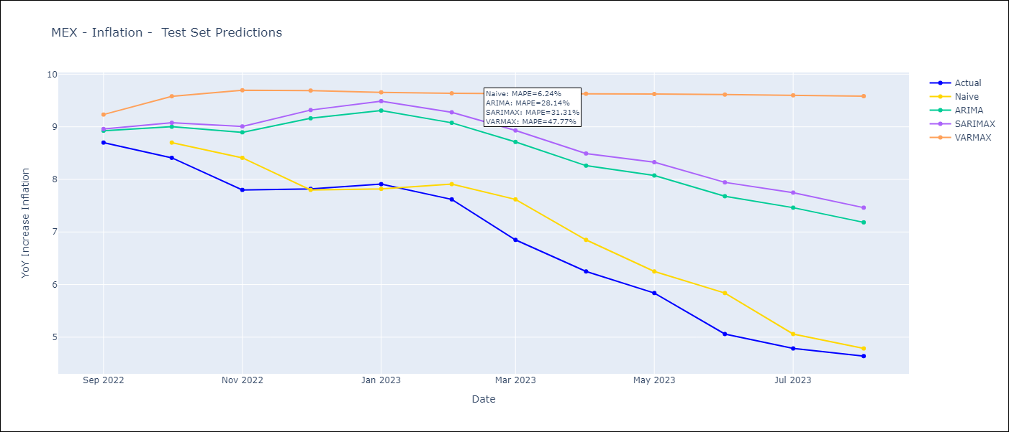
MEX - Inflation - Next 12 months forecast as of: 2023-08-01

Models | ARIMA - [(3, 1, 1), (0, 0, 2, 12)] | SARIMAX - [(3, 1, 1), (0, 0, 2, 12)] | VARMAX - [(3, 1, 1), (0, 0, 2, 12)]
Training Data | 1990-01-01 to 2022-09-01 | 2001-12-01 to 2022-09-01 | 1990-01-01 to 2022-09-01
Test Data | 2022-09-01 to 2023-08-01 | 2022-09-01 to 2023-08-01 | 2022-09-01 to 2023-08-01
Exogenous Variables | Exchange rates (nominal), Monetary Policiy rate, M1 money supply ($mm local currency)

Date | ARIMA | SARIMAX | VARMAX
2023-09-01 | 4.67 | 4.55 | 4.33
2023-10-01 | 4.83 | 4.62 | 4.05
2023-11-01 | 5.08 | 4.81 | 3.87
2023-12-01 | 5.25 | 4.92 | 3.79
2024-01-01 | 5.29 | 4.86 | 3.79
2024-02-01 | 5.28 | 4.79 | 3.83
2024-03-01 | 5.49 | 5.05 | 3.9
2024-04-01 | 5.52 | 5.03 | 3.98
2024-05-01 | 5.64 | 5.22 | 4.08
2024-06-01 | 5.84 | 5.54 | 4.19
2024-07-01 | 5.84 | 5.57 | 4.3
2024-08-01 | 5.69 | 5.36 | 4.42

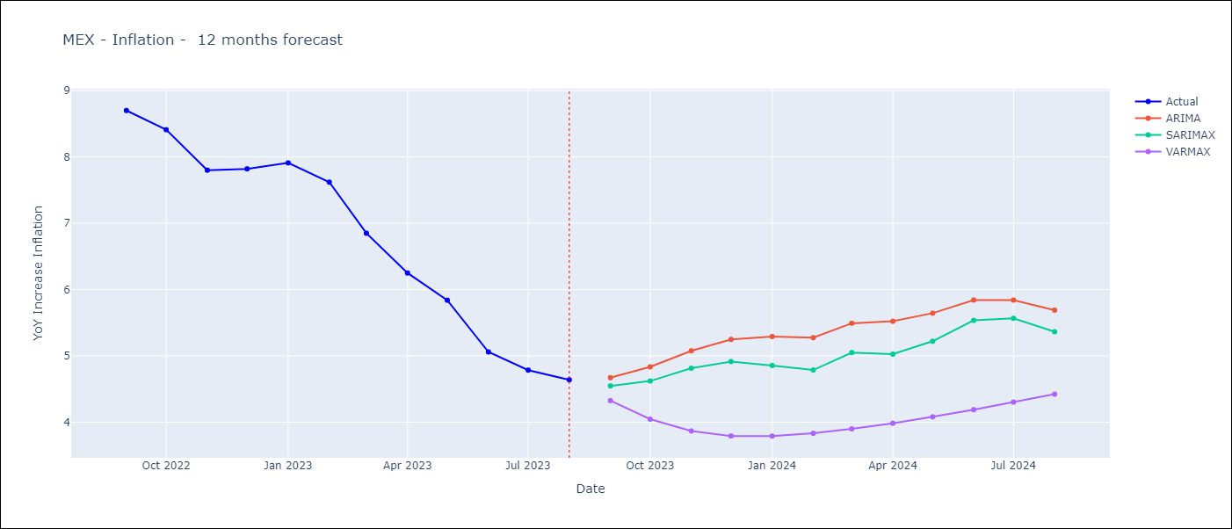

Test Metrics
ARIMA | 28.14%
SARIMAX | 31.31%
VARMAX | 47.77%

Test Predictions
Date | Actual | Predicted (ARIMA) | Predicted (ARIMAX) | Predicted (VARMAX)
2022-09-01 | 8.7 | 8.93 | 8.96 | 9.23
2022-10-01 | 8.41 | 9 | 9.08 | 9.58
2022-11-01 | 7.8 | 8.89 | 9.01 | 9.69
2022-12-01 | 7.82 | 9.16 | 9.32 | 9.69
2023-01-01 | 7.91 | 9.31 | 9.49 | 9.66
2023-02-01 | 7.62 | 9.08 | 9.28 | 9.64
2023-03-01 | 6.85 | 8.71 | 8.93 | 9.63
2023-04-01 | 6.25 | 8.26 | 8.49 | 9.63
2023-05-01 | 5.84 | 8.07 | 8.33 | 9.62
2023-06-01 | 5.06 | 7.68 | 7.94 | 9.61
2023-07-01 | 4.79 | 7.46 | 7.75 | 9.6
2023-08-01 | 4.64 | 7.18 | 7.46 | 9.58

