ARG_EXOG
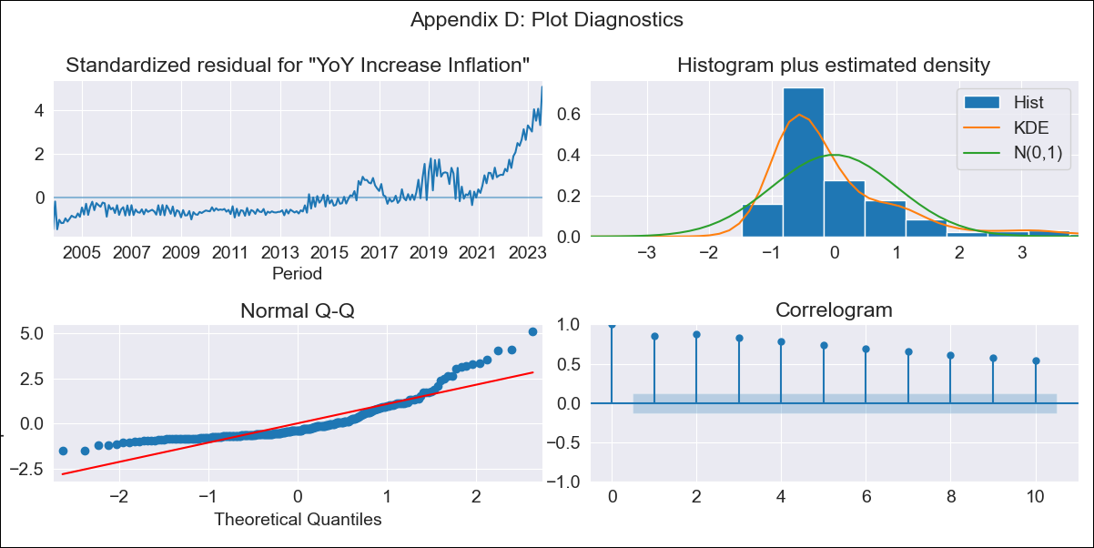
ARG_EXOG - Inflation - Next 12 months forecast as of: 2023-08-01

Model | VARMAX - [(0, 2, 2), (1, 0, 1, 12)] | Exogenous Variables | Exchange rates (nominal), Monetary Policiy rate, M1 money supply ($mm local currency)
Training Data | 2003-11-01 to 2022-09-01
Test Data | 2022-09-01 to 2023-08-01

Date | Inflation Change YoY % | Lower Bound - 95% Confidence Interval | Upper Bound - 95% Confidence Interval
2023-09-01 | 97.07 | 79.41 | 114.72
2023-10-01 | 42.73 | 13.72 | 71.74
2023-11-01 | 26.18 | -3.62 | 55.99
2023-12-01 | 26.18 | -3.62 | 55.99
2024-01-01 | 26.18 | -3.62 | 55.99
2024-02-01 | 26.18 | -3.62 | 55.99
2024-03-01 | 26.18 | -3.62 | 55.99
2024-04-01 | 26.18 | -3.62 | 55.99
2024-05-01 | 26.18 | -3.62 | 55.99
2024-06-01 | 26.18 | -3.62 | 55.99
2024-07-01 | 26.18 | -3.62 | 55.99
2024-08-01 | 26.18 | -3.62 | 55.99

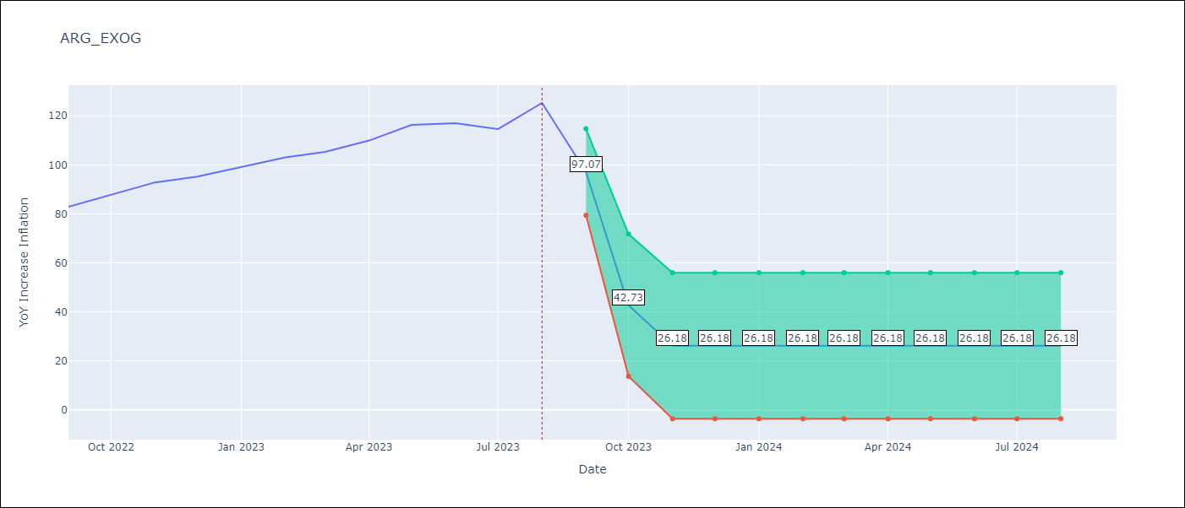

Test Metrics
RMSE | 80.87
Naive RMSE | 4.98
MAPE | 74.44%

Test Predictions
Date | Predicted | Actual
2022-09-01 | 51.92 | 82.9
2022-10-01 | 32.89 | 87.8
2022-11-01 | 22.09 | 92.82
2022-12-01 | 22.09 | 95.19
2023-01-01 | 22.09 | 99.01
2023-02-01 | 22.09 | 103.06
2023-03-01 | 22.09 | 105.25
2023-04-01 | 22.09 | 109.89
2023-05-01 | 22.09 | 116.26
2023-06-01 | 22.09 | 116.97
2023-07-01 | 22.09 | 114.59
2023-08-01 | 22.09 | 125.24

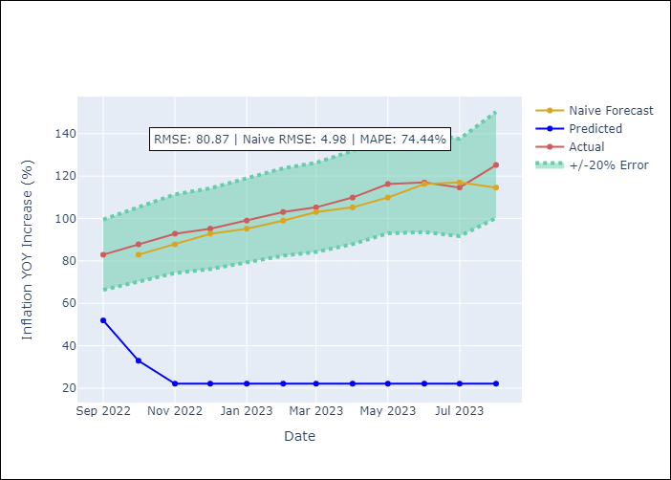

Appendix A: Model Summary
Model | VMA(2)
Sample | 11-01-2003- 08-01-2023
No. of Observations | 238
Terms | P-value (Statistical significance)
intercept | 0.000
L1.e(YoY Increase Inflation) | 0.199
L1.e(Exchange rates (nominal)) | 0.722
L1.e(Monetary Policiy rate) | 0.958
L1.e(M1 money supply ($mm local currency)) | 0.672
L2.e(YoY Increase Inflation) | 0.487
L2.e(Exchange rates (nominal)) | 0.651
L2.e(Monetary Policiy rate) | 0.971
L2.e(M1 money supply ($mm local currency)) | 0.772
Assumptions | P-value | Interpretation
Ljung-Box (L1) | 0.00, 0.00, 0.00, 0.00
Heteroskedasticity | 0.00, 0.00, 0.00, 0.00
Jarque-Bera | 0.00, 0.00, 0.00, 0.00
Skew | 1.91, 1.48, 1.89, 0.49
Kurtosis | 7.10, 8.10, 14.10, 4.82

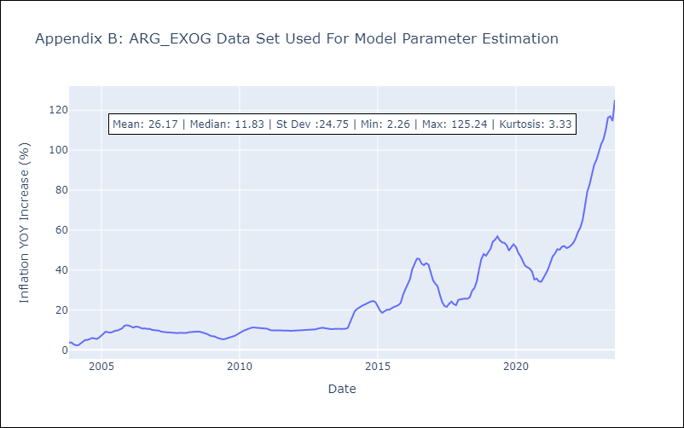

Appendix C: Residuals Analysis
Mean | 0.12
White Noise? | No - Correlation at Lags [ 1 2 3 4 5 6 7 8 9 10 11 12]
Normal? | No

