VARMAX_ARG
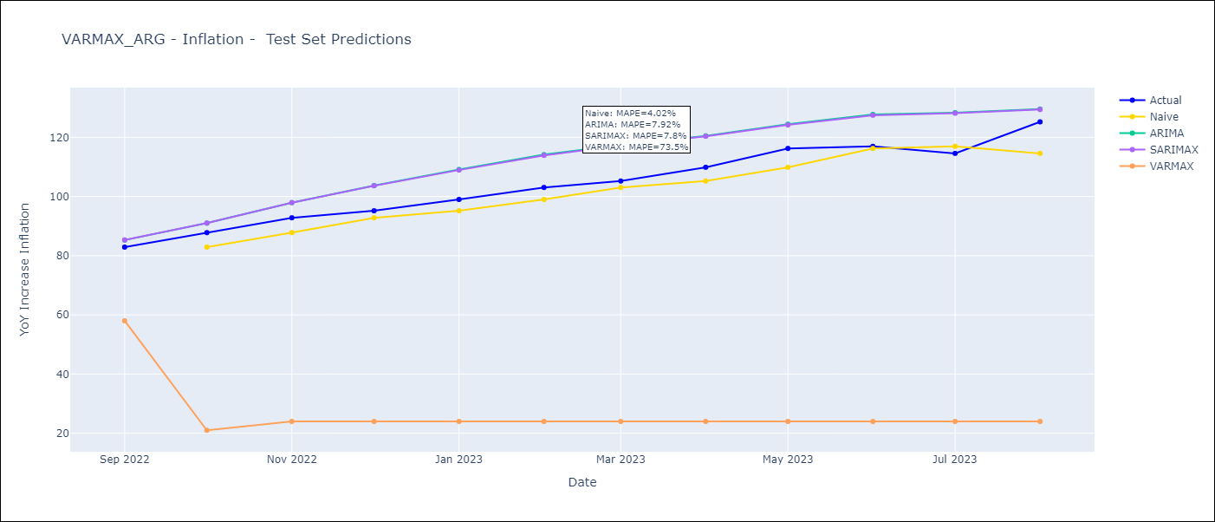
VARMAX_ARG - Inflation - Next 12 months forecast as of: 2023-08-01

Models | ARIMA - [(0, 2, 2), (1, 0, 1, 12)] | SARIMAX - [(0, 2, 2), (1, 0, 1, 12)] | VARMAX - [(0, 2, 2), (1, 0, 1, 12)]
Training Data | 1991-01-01 to 2022-09-01 | 2003-11-01 to 2022-09-01 | 1991-01-01 to 2022-09-01
Test Data | 2022-09-01 to 2023-08-01 | 2022-09-01 to 2023-08-01 | 2022-09-01 to 2023-08-01
Exogenous Variables | Exchange rates (nominal), Monetary Policiy rate, M1 money supply ($mm local currency)

Date | ARIMA | SARIMAX | VARMAX
2023-09-01 | 135.02 | 131.98 | 143.73
2023-10-01 | 140.93 | 135.47 | 88.31
2023-11-01 | 147.73 | 139.92 | 26.25
2023-12-01 | 155.63 | 145.34 | 26.25
2024-01-01 | 162.16 | 149.26 | 26.25
2024-02-01 | 168.14 | 152.79 | 26.25
2024-03-01 | 174.14 | 156.63 | 26.25
2024-04-01 | 178.11 | 158.38 | 26.25
2024-05-01 | 181.42 | 159.42 | 26.25
2024-06-01 | 188.61 | 164.21 | 26.25
2024-07-01 | 196.02 | 169.34 | 26.25
2024-08-01 | 193.76 | 165.36 | 26.25

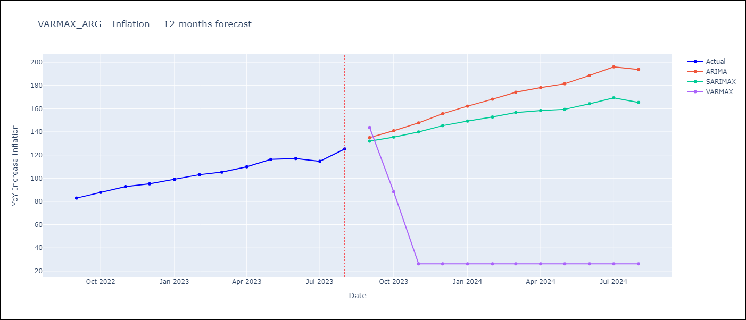

Test Metrics
ARIMA | 7.92%
SARIMAX | 7.8%
VARMAX | 73.5%

Test Predictions
Date | Actual | Predicted (ARIMA) | Predicted (ARIMAX) | Predicted (VARMAX)
2022-09-01 | 82.9 | 85.28 | 85.33 | 57.99
2022-10-01 | 87.8 | 91.01 | 91.03 | 20.97
2022-11-01 | 92.82 | 97.94 | 97.94 | 23.97
2022-12-01 | 95.19 | 103.71 | 103.66 | 23.97
2023-01-01 | 99.01 | 109.16 | 108.95 | 23.97
2023-02-01 | 103.06 | 114.17 | 113.92 | 23.97
2023-03-01 | 105.25 | 117.42 | 117.25 | 23.97
2023-04-01 | 109.89 | 120.51 | 120.37 | 23.97
2023-05-01 | 116.26 | 124.47 | 124.21 | 23.97
2023-06-01 | 116.97 | 127.76 | 127.49 | 23.97
2023-07-01 | 114.59 | 128.36 | 128.16 | 23.97
2023-08-01 | 125.24 | 129.58 | 129.43 | 23.97

