VARMAX_ARG
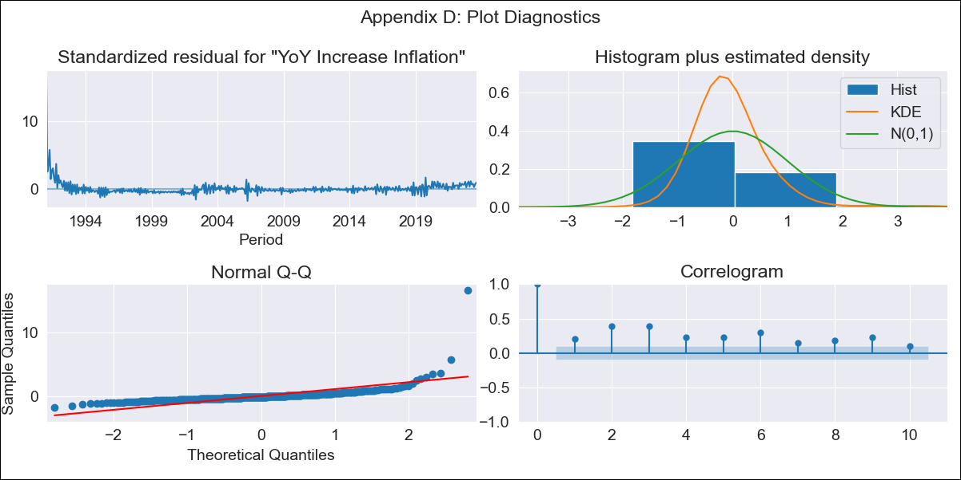
VARMAX_ARG - Inflation - Next 12 months forecast as of: 2023-08-01

Model | VARMAX - [(0, 2, 2), (1, 0, 1, 12)] | Exogenous Variables | Exchange rates (nominal), Monetary Policiy rate, M1 money supply ($mm local currency)
Training Data | 1991-01-01 to 2022-09-01
Test Data | 2022-09-01 to 2023-08-01

Date | Inflation Change YoY % | Lower Bound - 95% Confidence Interval | Upper Bound - 95% Confidence Interval
2023-09-01 | 143.73 | 101.47 | 185.99
2023-10-01 | 88.31 | 7.72 | 168.9
2023-11-01 | 26.25 | -60.67 | 113.18
2023-12-01 | 26.25 | -60.67 | 113.18
2024-01-01 | 26.25 | -60.67 | 113.18
2024-02-01 | 26.25 | -60.67 | 113.18
2024-03-01 | 26.25 | -60.67 | 113.18
2024-04-01 | 26.25 | -60.67 | 113.18
2024-05-01 | 26.25 | -60.67 | 113.18
2024-06-01 | 26.25 | -60.67 | 113.18
2024-07-01 | 26.25 | -60.67 | 113.18
2024-08-01 | 26.25 | -60.67 | 113.18

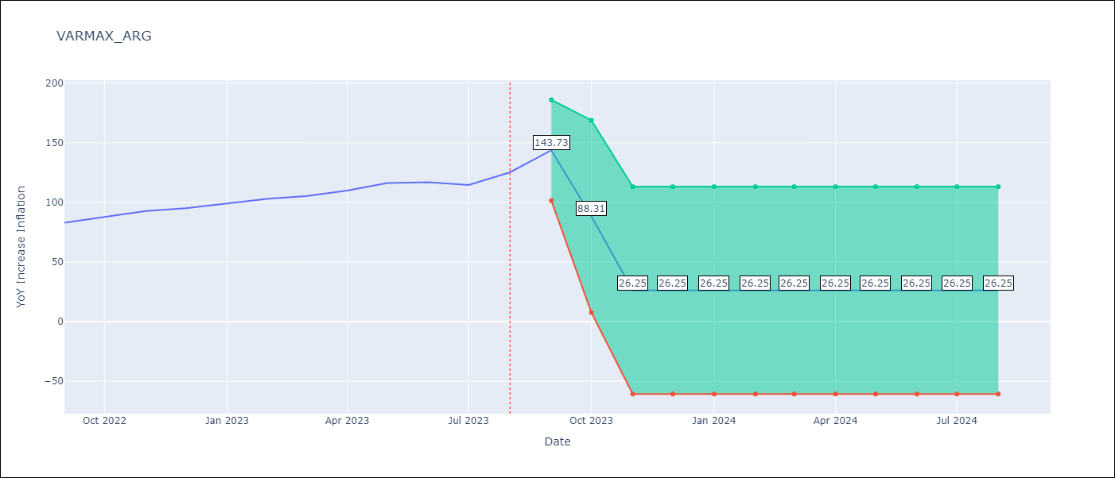

Test Metrics
RMSE | 15.32
Naive RMSE | 4.98
MAPE | 10.62%

Test Predictions
Date | Predicted | Actual
2022-09-01 | 87.77 | 82.9
2022-10-01 | 94.06 | 87.8
2022-11-01 | 96.52 | 92.82
2022-12-01 | 97.73 | 95.19
2023-01-01 | 98.07 | 99.01
2023-02-01 | 97.82 | 103.06
2023-03-01 | 97.19 | 105.25
2023-04-01 | 96.33 | 109.89
2023-05-01 | 95.37 | 116.26
2023-06-01 | 94.39 | 116.97
2023-07-01 | 93.47 | 114.59
2023-08-01 | 92.64 | 125.24

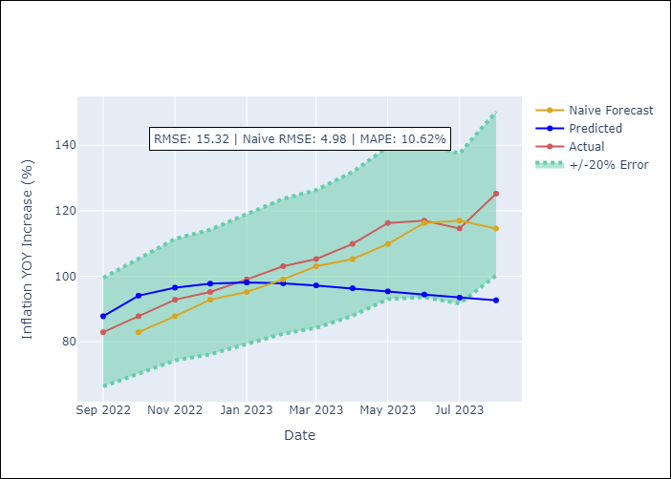

Appendix A: Model Summary
Model | VMA(2)
Sample | 01-01-1991- 08-01-2023
No. of Observations | 392
Terms | P-value (Statistical significance)
intercept | 0.001
L1.e(YoY Increase Inflation) | 0.000
L1.e(Exchange rates (nominal)) | 0.645
L1.e(Monetary Policiy rate) | 0.958
L1.e(M1 money supply ($mm local currency)) | 0.823
L2.e(YoY Increase Inflation) | 0.000
L2.e(Exchange rates (nominal)) | 0.669
L2.e(Monetary Policiy rate) | 0.958
L2.e(M1 money supply ($mm local currency)) | 0.836
Assumptions | P-value | Interpretation
Ljung-Box (L1) | 0.00, 0.00, nan, 0.00
Heteroskedasticity | 0.00, 0.09, nan, 0.01
Jarque-Bera | 0.00, 0.00, 0.00, 0.00
Skew | 9.74, 2.59, 2.06, 0.97
Kurtosis | 141.50, 12.75, 11.43, 9.20

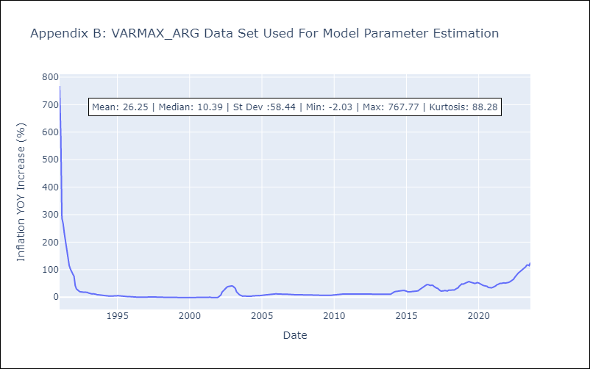

Appendix C: Residuals Analysis
Mean | 1.28
White Noise? | No - Correlation at Lags [ 1 2 3 4 5 6 7 8 9 10 11 12]
Normal? | Yes

