VARMAX_ARG
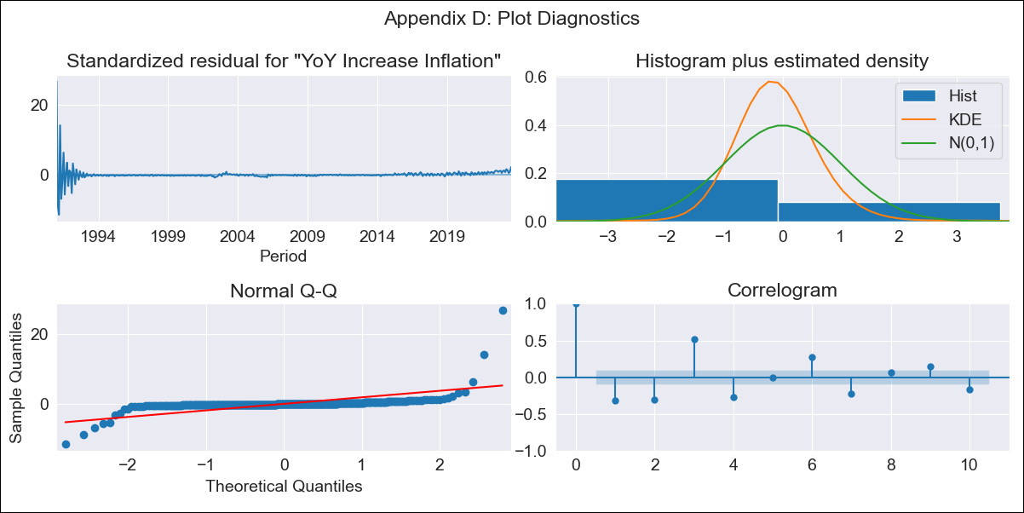
VARMAX_ARG - Inflation - Next 12 months forecast as of: 2023-08-01

Model | VARMAX - (2, 0, 2, 0, 0, 0, 12) | Exogenous Variables | Exchange rates (nominal), Monetary Policiy rate, M1 money supply ($mm local currency)
Training Data | 1991-01-01 to 2022-09-01
Test Data | 2022-09-01 to 2023-08-01

Date | Inflation Change YoY % | Lower Bound - 95% Confidence Interval | Upper Bound - 95% Confidence Interval
2023-09-01 | 126.36 | 108.87 | 143.86
2023-10-01 | 119.41 | 88.7 | 150.12
2023-11-01 | 104.88 | 65.37 | 144.39
2023-12-01 | 94.63 | 51.62 | 137.64
2024-01-01 | 87.09 | 41.94 | 132.25
2024-02-01 | 80.68 | 33.93 | 127.42
2024-03-01 | 74.89 | 26.91 | 122.88
2024-04-01 | 69.61 | 20.65 | 118.58
2024-05-01 | 64.78 | 15.04 | 114.53
2024-06-01 | 60.36 | 9.97 | 110.74
2024-07-01 | 56.31 | 5.39 | 107.22
2024-08-01 | 52.62 | 1.26 | 103.98

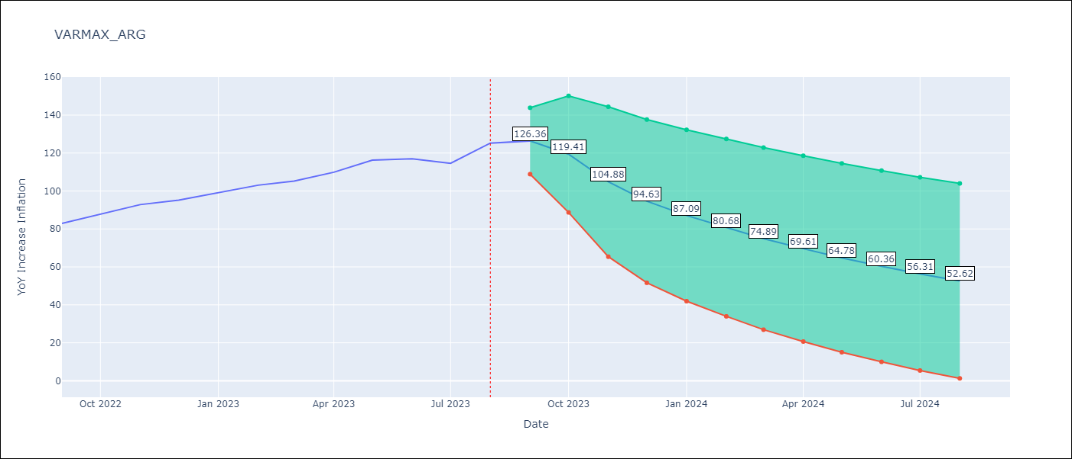

Test Metrics
RMSE | 15.32
Naive RMSE | 4.98
MAPE | 10.62%

Test Predictions
Date | Predicted | Actual
2022-09-01 | 87.77 | 82.9 | -4.87
2022-10-01 | 94.06 | 87.8 | -6.26
2022-11-01 | 96.52 | 92.82 | -3.7
2022-12-01 | 97.73 | 95.19 | -2.54
2023-01-01 | 98.07 | 99.01 | 0.94
2023-02-01 | 97.82 | 103.06 | 5.24
2023-03-01 | 97.19 | 105.25 | 8.06
2023-04-01 | 96.33 | 109.89 | 13.56
2023-05-01 | 95.37 | 116.26 | 20.89
2023-06-01 | 94.39 | 116.97 | 22.58
2023-07-01 | 93.47 | 114.59 | 21.12
2023-08-01 | 92.64 | 125.24 | 32.6

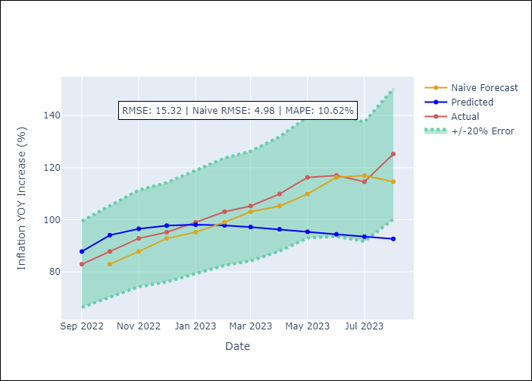

Appendix A: Model Summary
Model | VARMA(2,2)
Sample | 01-01-1991- 08-01-2023
No. of Observations | 392
Terms | P-value (Statistical significance)
intercept | 0.365
L1.YoY Increase Inflation | 0.013
L1.Exchange rates (nominal) | 0.477
L1.Monetary Policiy rate | 0.994
L1.M1 money supply ($mm local currency) | 0.624
L2.YoY Increase Inflation | 0.590
L2.Exchange rates (nominal) | 0.539
L2.Monetary Policiy rate | 0.976
L2.M1 money supply ($mm local currency) | 0.575
L1.e(YoY Increase Inflation) | 0.163
L1.e(Exchange rates (nominal)) | 0.554
L1.e(Monetary Policiy rate) | 0.990
L1.e(M1 money supply ($mm local currency)) | 0.616
L2.e(YoY Increase Inflation) | 0.436
L2.e(Exchange rates (nominal)) | 0.952
L2.e(Monetary Policiy rate) | 0.847
L2.e(M1 money supply ($mm local currency)) | 0.303
Assumptions | P-value | Interpretation
Ljung-Box (L1) | 0.00, 0.00, nan, 0.30
Heteroskedasticity | 0.00, 0.00, nan, 0.00
Jarque-Bera | 0.00, 0.00, 0.00, 0.00
Skew | 7.53, -3.27, -7.89, 4.00
Kurtosis | 120.49, 33.08, 108.87, 60.72

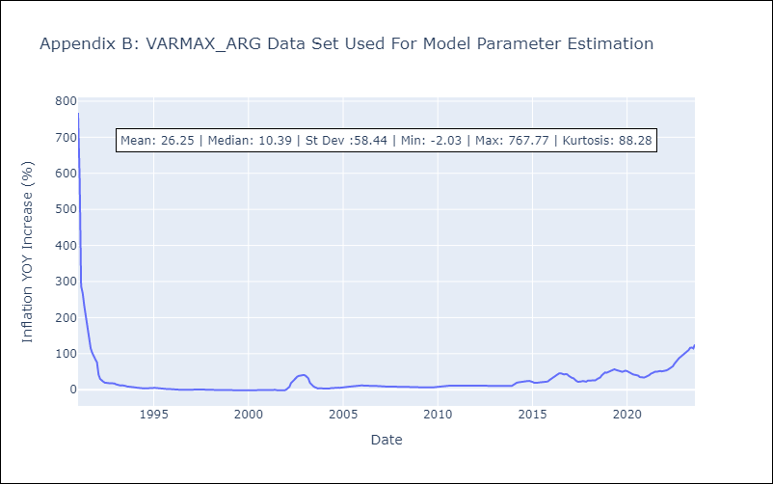

Appendix C: Residuals Analysis
Mean | 0.46
White Noise? | No - Correlation at Lags [ 1 2 3 4 5 6 7 8 9 10 11 12]
Normal? | Yes

