Bahamas
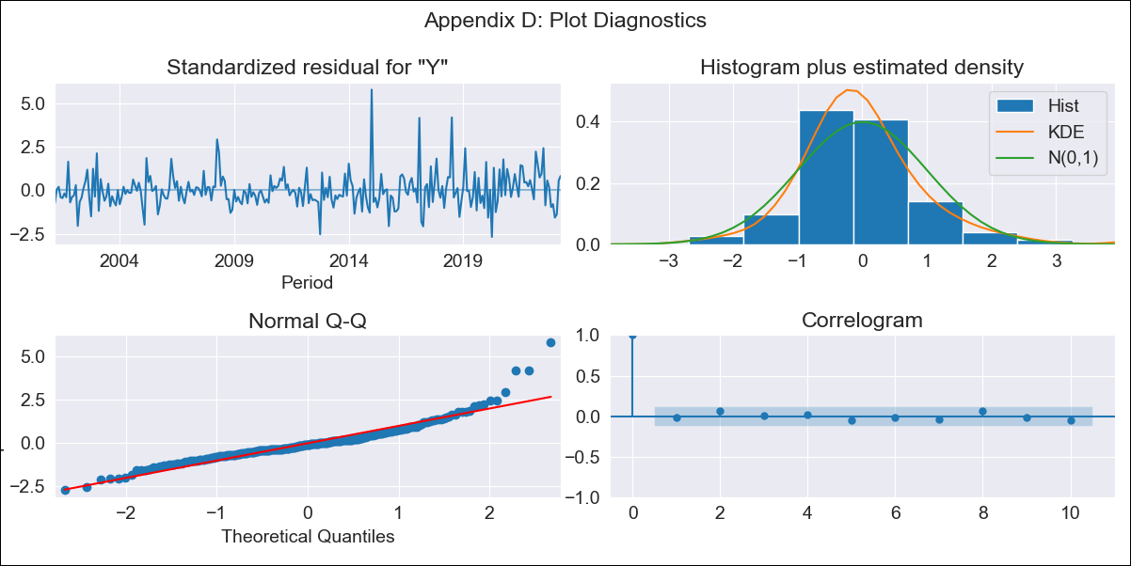
Bahamas - Inflation - Next 12 months forecast as of: 2023-04-01

Model | ARIMA - [(0, 2, 1), (3, 0, 1, 12)]
Training Data | 1998-01-01 to 2022-05-01
Test Data | 2022-05-01 to 2023-04-01

Date | Inflation Change YoY % | Lower Bound - 95% Confidence Interval | Upper Bound - 95% Confidence Interval
2023-05-01 | 3.63 | 2.76 | 4.5
2023-06-01 | 3.29 | 2.05 | 4.54
2023-07-01 | 2.45 | 0.9 | 3.99
2023-08-01 | 2.62 | 0.81 | 4.43
2023-09-01 | 2.45 | 0.4 | 4.49
2023-10-01 | 2.24 | -0.03 | 4.51
2023-11-01 | 2.57 | 0.09 | 5.05
2023-12-01 | 2.74 | 0.06 | 5.43
2024-01-01 | 3.45 | 0.57 | 6.33
2024-02-01 | 3.85 | 0.77 | 6.92
2024-03-01 | 3.63 | 0.37 | 6.89
2024-04-01 | 3.12 | -0.32 | 6.57

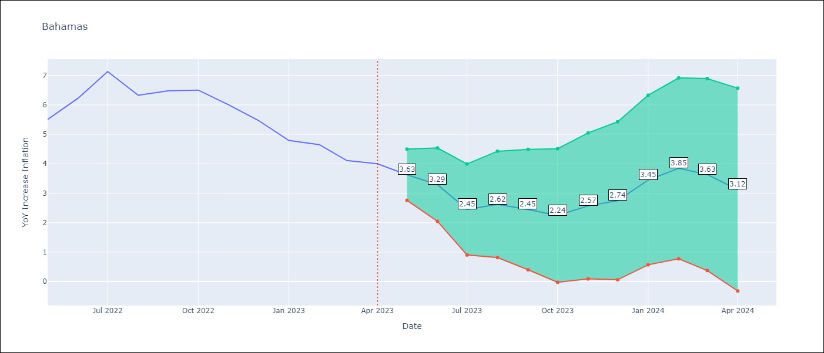

Test Metrics
RMSE | 1.28
Naive RMSE | 0.55
MAPE | 18.39%

Test Predictions
Date | Predicted | Actual
2022-05-01 | 5.18 | 5.51
2022-06-01 | 5.46 | 6.23
2022-07-01 | 5.22 | 7.13
2022-08-01 | 4.74 | 6.33
2022-09-01 | 4.59 | 6.48
2022-10-01 | 4.5 | 6.5
2022-11-01 | 4.37 | 6
2022-12-01 | 4.18 | 5.48
2023-01-01 | 4.15 | 4.79
2023-02-01 | 4.59 | 4.65
2023-03-01 | 3.79 | 4.11
2023-04-01 | 3.33 | 4

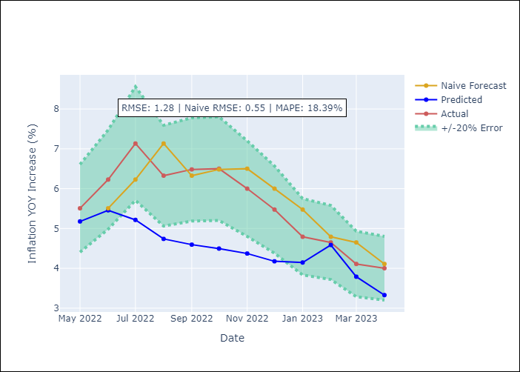

Appendix A: Model Summary
Model | ARIMA(0, 2, 1)x(3, 0, 1, 12)
Sample | 01-01-1998- 04-01-2023
No. of Observations | 304
Terms | P-value (Statistical significance)
ma.L1 | 0.000
ar.S.L12 | 0.321
ar.S.L24 | 0.119
ar.S.L36 | 0.022
ma.S.L12 | 0.000
sigma2 | 0.000

Assumptions | P-value | Interpretation
Ljung-Box (L1) | 0.74
Heteroskedasticity | 0.00
Jarque-Bera | 0.00
Skew | 1.39
Kurtosis | 8.75

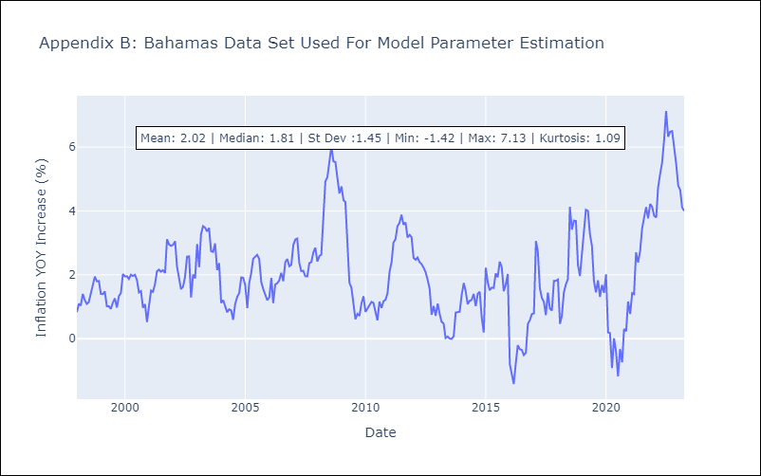

Appendix C: Residuals Analysis
Mean | -0.0
White Noise? | Yes
Normal? | No

