Bahamas
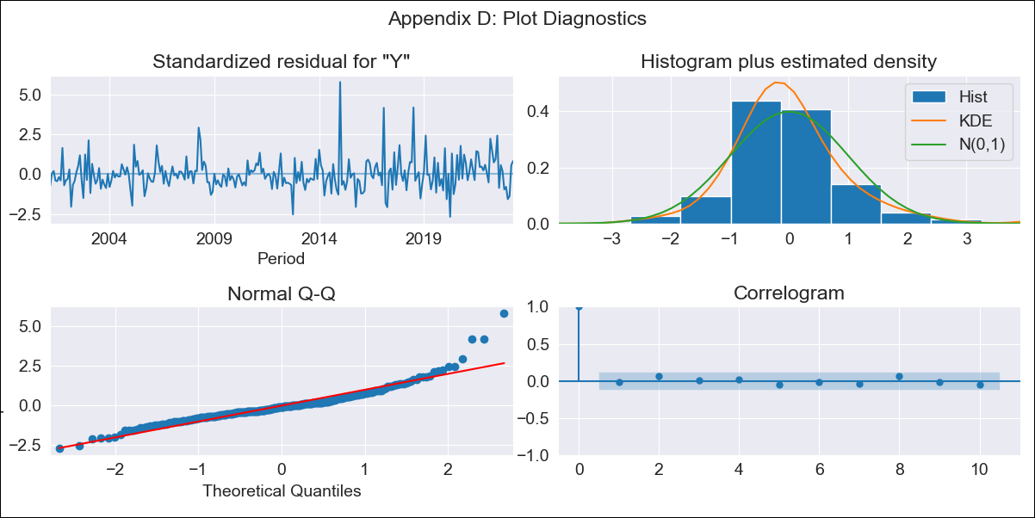
Bahamas - Inflation - Next 12 months forecast as of: 2023-04-01

Model | ARIMA - [(0, 2, 1), (3, 0, 1, 12)]
Training Data | 1998-01-01 to 2022-05-01
Test Data | 2022-05-01 to 2023-04-01

Date | Inflation Change YoY % | Lower Bound - 95% Confidence Interval | Upper Bound - 95% Confidence Interval
2023-05-01 | 3.63 | 2.76 | 4.5
2023-06-01 | 3.29 | 2.05 | 4.54
2023-07-01 | 2.45 | 0.9 | 3.99
2023-08-01 | 2.62 | 0.81 | 4.43
2023-09-01 | 2.45 | 0.4 | 4.49
2023-10-01 | 2.24 | -0.03 | 4.51
2023-11-01 | 2.57 | 0.09 | 5.05
2023-12-01 | 2.74 | 0.06 | 5.43
2024-01-01 | 3.45 | 0.57 | 6.33
2024-02-01 | 3.85 | 0.77 | 6.92
2024-03-01 | 3.63 | 0.37 | 6.89
2024-04-01 | 3.12 | -0.32 | 6.57

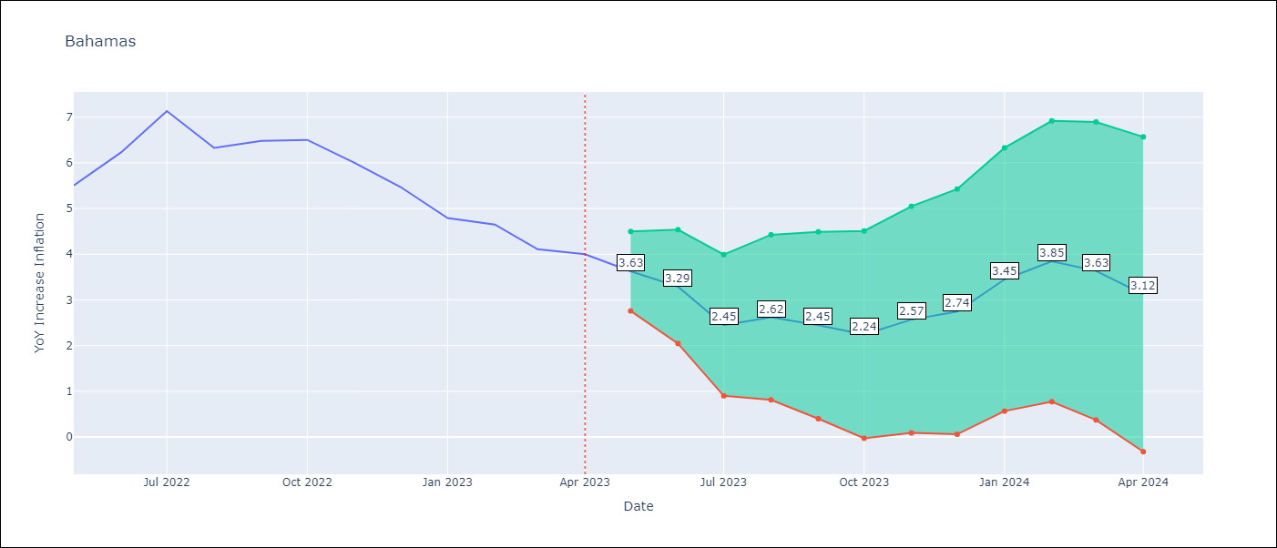

Test Metrics
RMSE | 1.28
Naive RMSE | 0.55
MAPE | 18.39%

Test Predictions
Date | Predicted | Actual
2022-05-01 | 5.18 | 5.51
2022-06-01 | 5.46 | 6.23
2022-07-01 | 5.22 | 7.13
2022-08-01 | 4.74 | 6.33
2022-09-01 | 4.59 | 6.48
2022-10-01 | 4.5 | 6.5
2022-11-01 | 4.37 | 6
2022-12-01 | 4.18 | 5.48
2023-01-01 | 4.15 | 4.79
2023-02-01 | 4.59 | 4.65
2023-03-01 | 3.79 | 4.11
2023-04-01 | 3.33 | 4

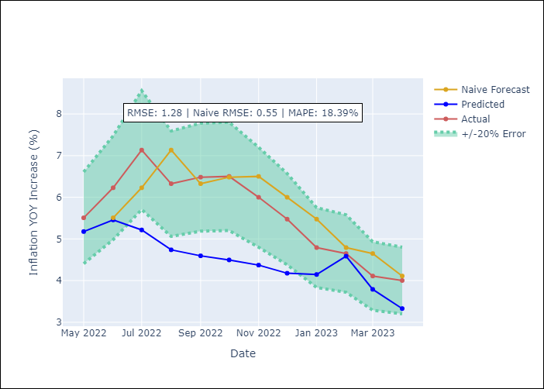

Appendix A: Model Summary
Model | ARIMA(0, 2, 1)x(3, 0, 1, 12)
Sample | 01-01-1998- 04-01-2023
No. of Observations | 304
Terms | P-value (Statistical significance)
ma.L1 | 0.000
ar.S.L12 | 0.321
ar.S.L24 | 0.119
ar.S.L36 | 0.022
ma.S.L12 | 0.000
sigma2 | 0.000

Assumptions | P-value | Interpretation
Ljung-Box (L1) | 0.74
Heteroskedasticity | 0.00
Jarque-Bera | 0.00
Skew | 1.39
Kurtosis | 8.75

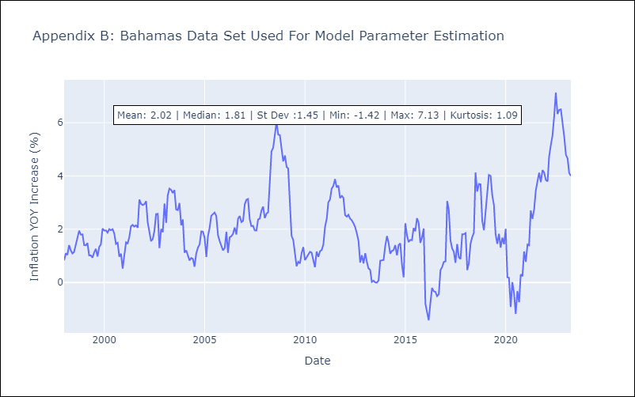

Appendix C: Residuals Analysis
Mean | -0.0
White Noise? | Yes
Normal? | No

Barbados
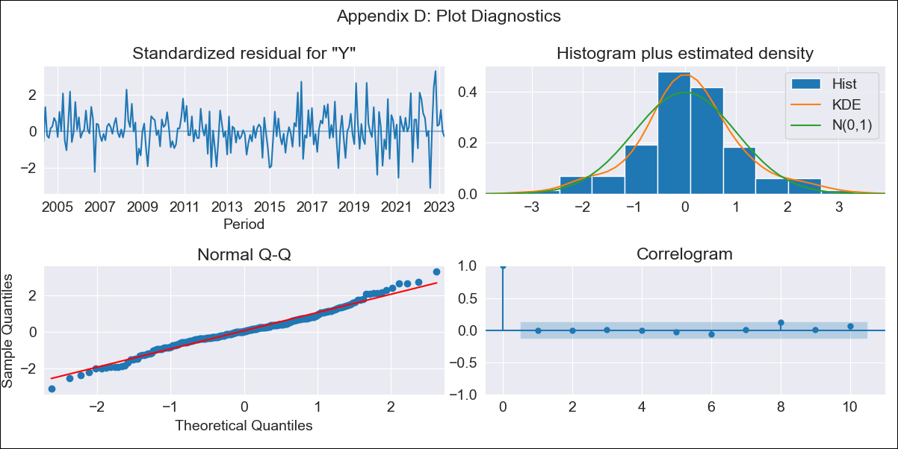
Barbados - Inflation - Next 12 months forecast as of: 2023-04-01

Model | ARIMA - [(3, 1, 0), (3, 0, 0, 12)]
Training Data | 2001-01-01 to 2022-05-01
Test Data | 2022-05-01 to 2023-04-01

Date | Inflation Change YoY % | Lower Bound - 95% Confidence Interval | Upper Bound - 95% Confidence Interval
2023-05-01 | 10.62 | 9.05 | 12.2
2023-06-01 | 10.2 | 7.65 | 12.76
2023-07-01 | 10 | 6.53 | 13.47
2023-08-01 | 12.36 | 8.16 | 16.55
2023-09-01 | 12.74 | 7.92 | 17.56
2023-10-01 | 11.88 | 6.52 | 17.24
2023-11-01 | 9.51 | 3.66 | 15.36
2023-12-01 | 8.55 | 2.25 | 14.85
2024-01-01 | 8.02 | 1.3 | 14.74
2024-02-01 | 6.44 | -0.68 | 13.55
2024-03-01 | 6.09 | -1.4 | 13.57
2024-04-01 | 6.05 | -1.79 | 13.9

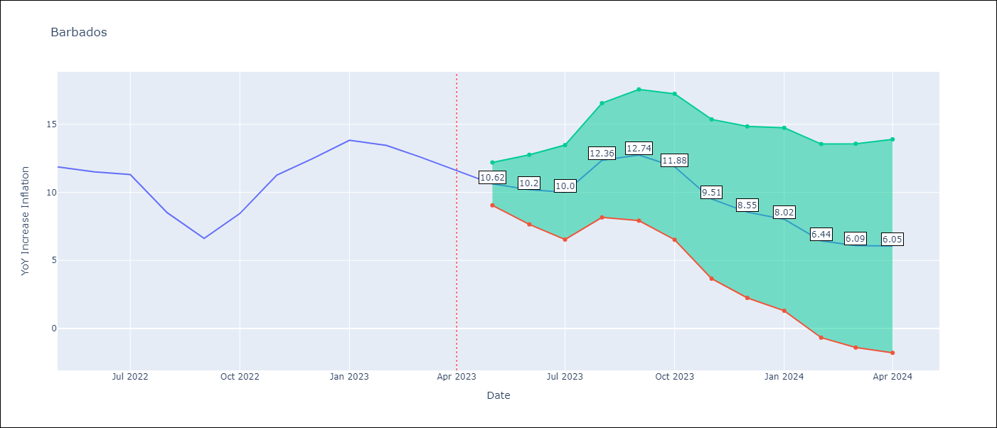

Test Metrics
RMSE | 3.35
Naive RMSE | 1.6
MAPE | 25.21%

Test Predictions
Date | Predicted | Actual
2022-05-01 | 11.3 | 11.87
2022-06-01 | 10.97 | 11.51
2022-07-01 | 10.74 | 11.31
2022-08-01 | 10.74 | 8.51
2022-09-01 | 9.55 | 6.62
2022-10-01 | 9.98 | 8.45
2022-11-01 | 9.58 | 11.26
2022-12-01 | 9.48 | 12.48
2023-01-01 | 9.9 | 13.83
2023-02-01 | 8.13 | 13.45
2023-03-01 | 6.98 | 12.61
2023-04-01 | 6.03 | 11.58

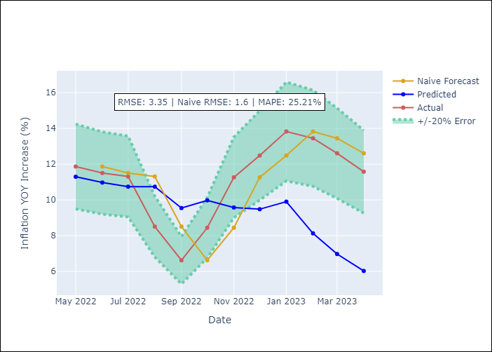

Appendix A: Model Summary
Model | ARIMA(3, 1, 0)x(3, 0, 0, 12)
Sample | 01-01-2001- 04-01-2023
No. of Observations | 268
Terms | P-value (Statistical significance)
ar.L1 | 0.000
ar.L2 | 0.046
ar.L3 | 0.149
ar.S.L12 | 0.000
ar.S.L24 | 0.000
ar.S.L36 | 0.000
sigma2 | 0.000

Assumptions | P-value | Interpretation
Ljung-Box (L1) | 0.92
Heteroskedasticity | 0.00
Jarque-Bera | 0.02
Skew | 0.10
Kurtosis | 3.88

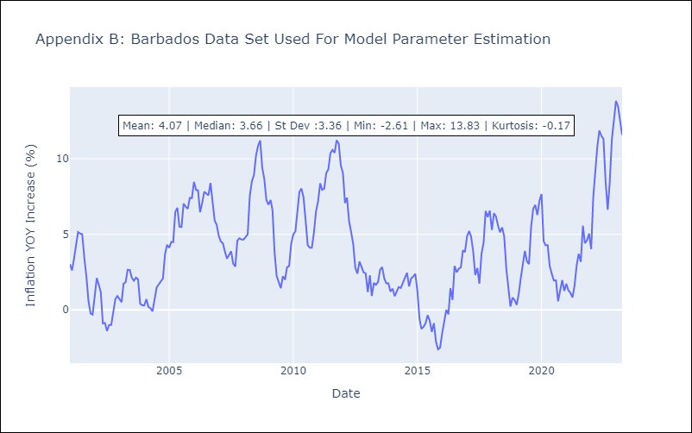

Appendix C: Residuals Analysis
Mean | 0.05
White Noise? | Yes
Normal? | No

Cuba
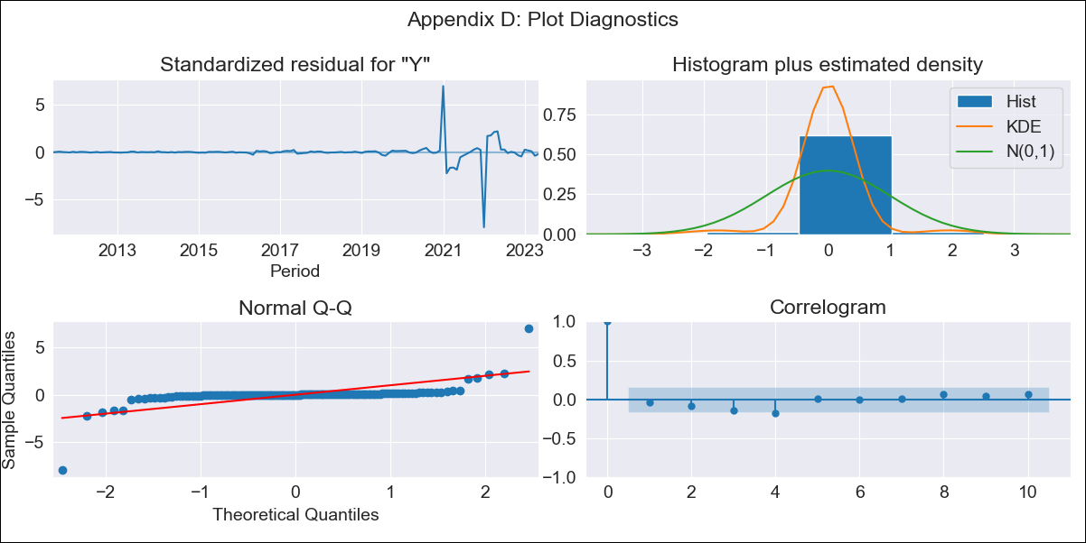
Cuba - Inflation - Next 12 months forecast as of: 2023-05-01

Model | ARIMA - [(3, 2, 0), (0, 0, 0, 12)]
Training Data | 2011-01-01 to 2022-06-01
Test Data | 2022-06-01 to 2023-05-01

Date | Inflation Change YoY % | Lower Bound - 95% Confidence Interval | Upper Bound - 95% Confidence Interval
2023-06-01 | 46.26 | 32.62 | 59.9
2023-07-01 | 46.7 | 24.87 | 68.53
2023-08-01 | 46.79 | 16.09 | 77.49
2023-09-01 | 47.15 | 6.32 | 87.97
2023-10-01 | 47.56 | -5.29 | 100.4
2023-11-01 | 47.88 | -17.54 | 113.3
2023-12-01 | 48.18 | -30.65 | 127.01
2024-01-01 | 48.53 | -44.59 | 141.65
2024-02-01 | 48.87 | -59.39 | 157.13
2024-03-01 | 49.2 | -74.88 | 173.28
2024-04-01 | 49.53 | -91.09 | 190.15
2024-05-01 | 49.87 | -107.97 | 207.71

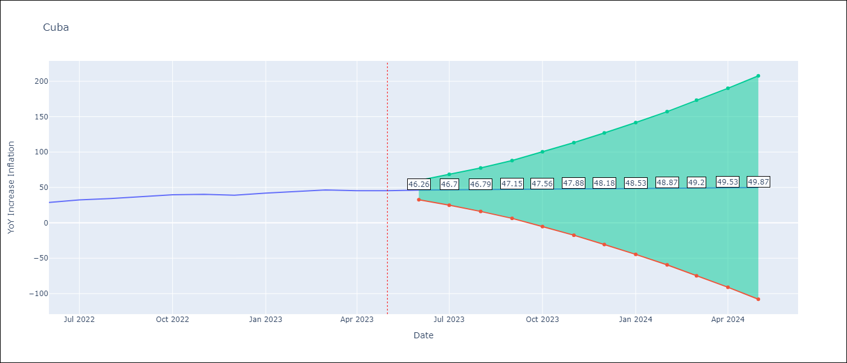

Test Metrics
RMSE | 5.73
Naive RMSE | 2.18
MAPE | 13.72%

Test Predictions
Date | Predicted | Actual
2022-06-01 | 26.94 | 28.85
2022-07-01 | 27.97 | 32.31
2022-08-01 | 29.5 | 34.3
2022-09-01 | 30.94 | 37.24
2022-10-01 | 32.15 | 39.73
2022-11-01 | 33.45 | 40.26
2022-12-01 | 34.82 | 39.07
2023-01-01 | 36.15 | 42.08
2023-02-01 | 37.45 | 44.5
2023-03-01 | 38.78 | 46.42
2023-04-01 | 40.11 | 45.35
2023-05-01 | 41.43 | 45.48

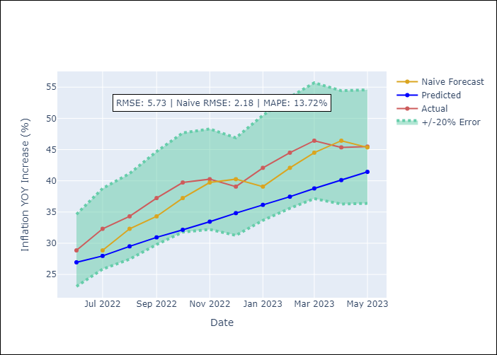

Appendix A: Model Summary
Model | ARIMA(3, 2, 0)
Sample | 01-01-2011- 05-01-2023
No. of Observations | 149
Terms | P-value (Statistical significance)
ar.L1 | 0.000
ar.L2 | 0.000
ar.L3 | 0.000
sigma2 | 0.000

Assumptions | P-value | Interpretation
Ljung-Box (L1) | 0.59
Heteroskedasticity | 0.00
Jarque-Bera | 0.00
Skew | -1.07
Kurtosis | 45.08

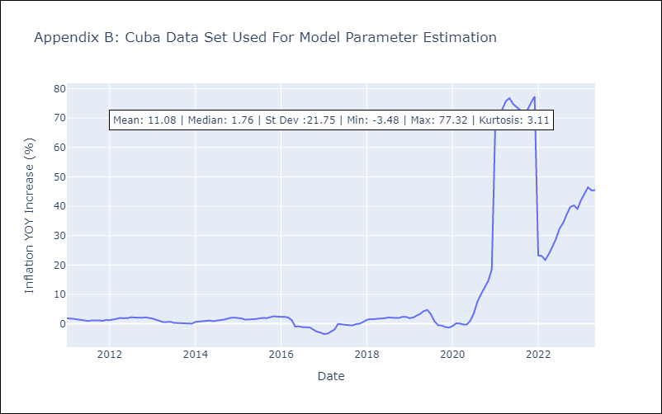

Appendix C: Residuals Analysis
Mean | 0.01
White Noise? | No - Correlation at Lags [ 4 12]
Normal? | No

Guyana
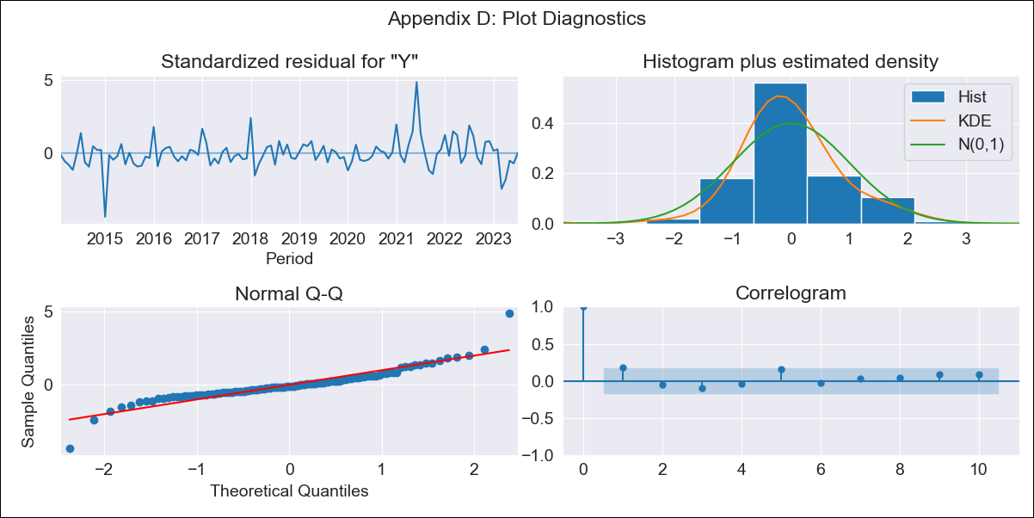
Guyana - Inflation - Next 12 months forecast as of: 2023-07-01

Model | ARIMA - [(1, 0, 0), (3, 0, 0, 12)]
Training Data | 2011-01-01 to 2022-08-01
Test Data | 2022-08-01 to 2023-07-01

Date | Inflation Change YoY % | Lower Bound - 95% Confidence Interval | Upper Bound - 95% Confidence Interval
2023-08-01 | 0.77 | -0.4 | 1.94
2023-09-01 | 1.07 | -0.58 | 2.71
2023-10-01 | 1.48 | -0.52 | 3.48
2023-11-01 | 1.22 | -1.08 | 3.52
2023-12-01 | 0.96 | -1.59 | 3.51
2024-01-01 | 0.98 | -1.8 | 3.76
2024-02-01 | 0.88 | -2.1 | 3.87
2024-03-01 | 1.4 | -1.77 | 4.57
2024-04-01 | 1.78 | -1.56 | 5.12
2024-05-01 | 2.17 | -1.33 | 5.67
2024-06-01 | 2.94 | -0.7 | 6.59
2024-07-01 | 2.8 | -0.98 | 6.59

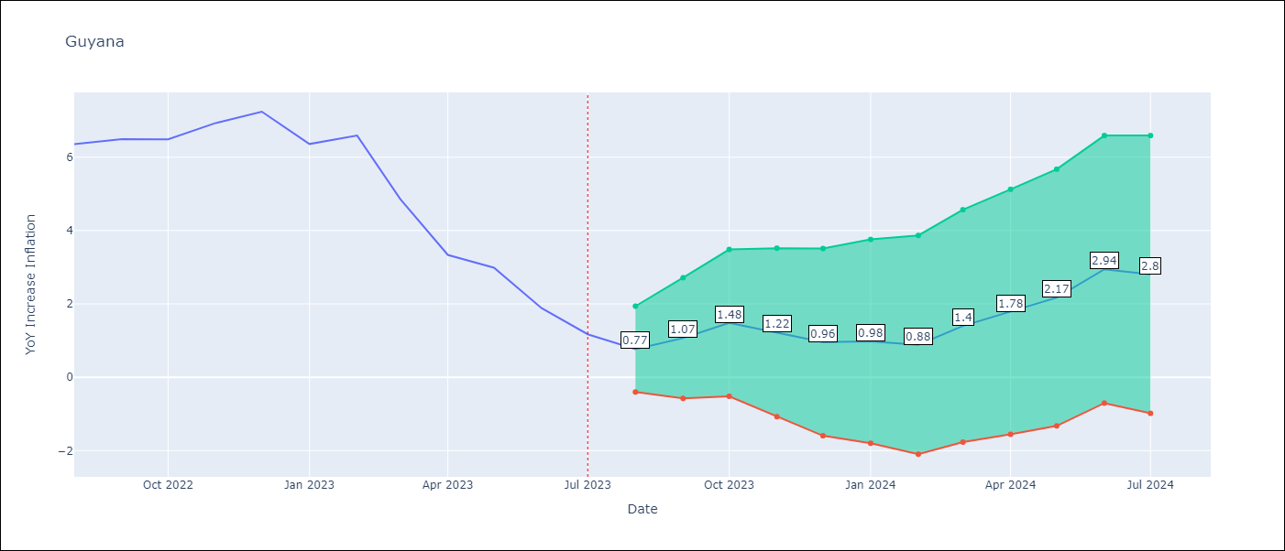

Test Metrics
RMSE | 1.62
Naive RMSE | 0.87
MAPE | 52.78%

Test Predictions
Date | Predicted | Actual
2022-08-01 | 5.73 | 6.36
2022-09-01 | 6.14 | 6.49
2022-10-01 | 6.66 | 6.49
2022-11-01 | 6.73 | 6.93
2022-12-01 | 6.65 | 7.24
2023-01-01 | 5.8 | 6.36
2023-02-01 | 5.96 | 6.59
2023-03-01 | 5.79 | 4.86
2023-04-01 | 5.43 | 3.33
2023-05-01 | 5.47 | 2.99
2023-06-01 | 4.89 | 1.88
2023-07-01 | 4.24 | 1.17

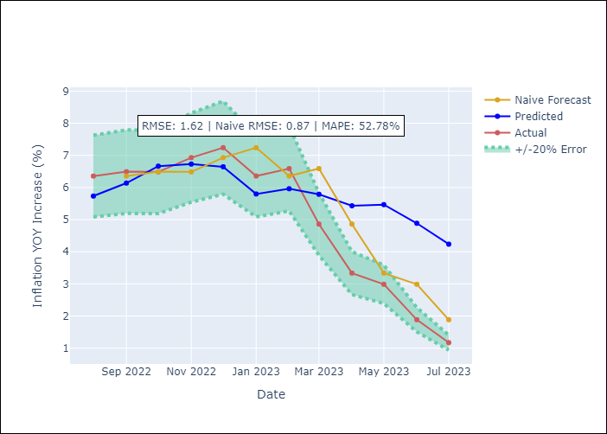

Appendix A: Model Summary
Model | ARIMA(1, 0, 0)x(3, 0, 0, 12)
Sample | 01-01-2011- 07-01-2023
No. of Observations | 151
Terms | P-value (Statistical significance)
const | 0.194
ar.L1 | 0.000
ar.S.L12 | 0.000
ar.S.L24 | 0.000
ar.S.L36 | 0.110
sigma2 | 0.000

Assumptions | P-value | Interpretation
Ljung-Box (L1) | 0.05
Heteroskedasticity | 0.15
Jarque-Bera | 0.00
Skew | 0.51
Kurtosis | 9.66

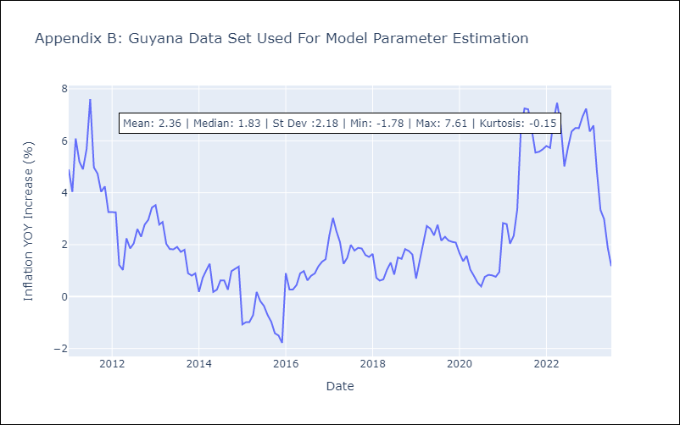

Appendix C: Residuals Analysis
Mean | -0.01
White Noise? | No - Correlation at Lags [ 6 7 8 9 10 11 12]
Normal? | No

Haiti
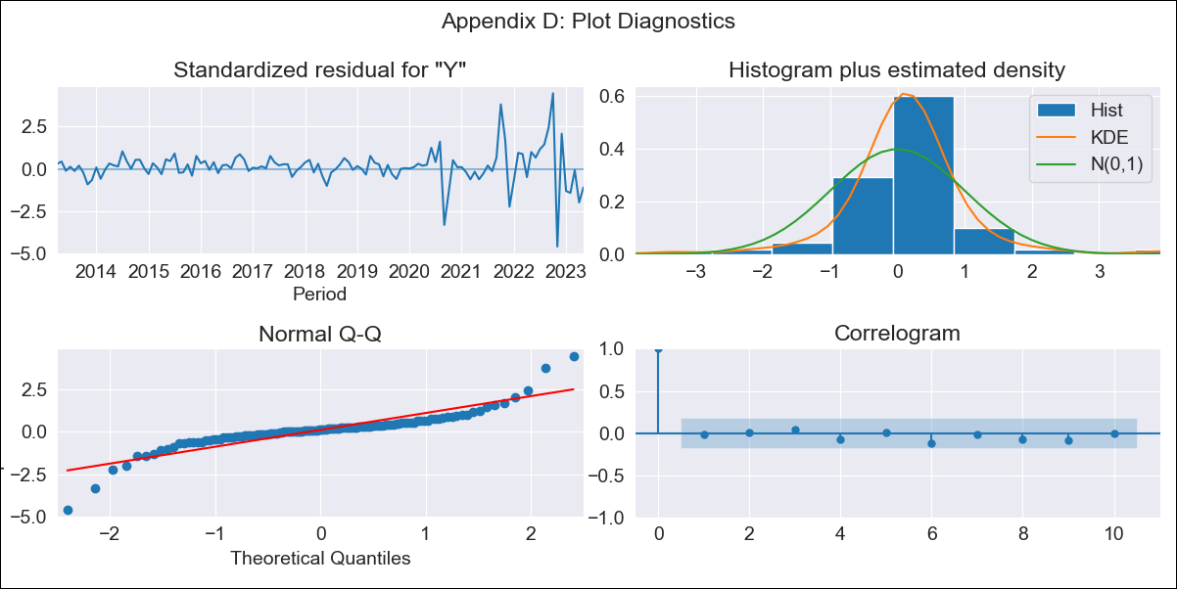
Haiti - Inflation - Next 12 months forecast as of: 2023-05-01

Model | ARIMA - [(1, 2, 2), (2, 0, 0, 12)]
Training Data | 2011-01-01 to 2022-06-01
Test Data | 2022-06-01 to 2023-05-01

Date | Inflation Change YoY % | Lower Bound - 95% Confidence Interval | Upper Bound - 95% Confidence Interval
2023-06-01 | 47.24 | 44.99 | 49.49
2023-07-01 | 47.03 | 42.86 | 51.2
2023-08-01 | 48.22 | 42.41 | 54.03
2023-09-01 | 42.68 | 35.44 | 49.91
2023-10-01 | 30.88 | 22.38 | 39.38
2023-11-01 | 26.39 | 16.74 | 36.04
2023-12-01 | 25.5 | 14.78 | 36.21
2024-01-01 | 26.22 | 14.5 | 37.94
2024-02-01 | 26.02 | 13.34 | 38.69
2024-03-01 | 25.75 | 12.15 | 39.34
2024-04-01 | 25.85 | 11.36 | 40.33
2024-05-01 | 25.56 | 10.21 | 40.9

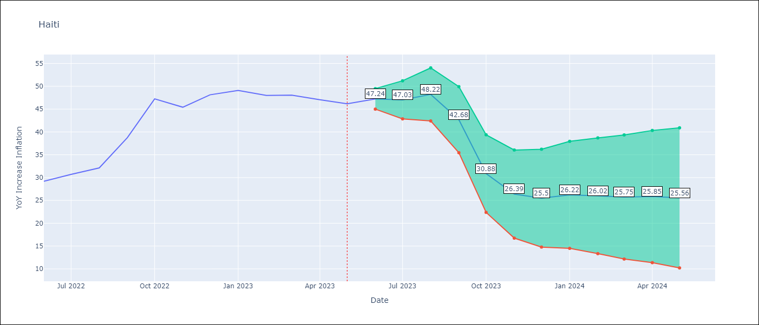

Test Metrics
RMSE | 17.57
Naive RMSE | 3.51
MAPE | 32.83%

Test Predictions
Date | Predicted | Actual
2022-06-01 | 29.28 | 29.19
2022-07-01 | 29.38 | 30.71
2022-08-01 | 29.52 | 32.12
2022-09-01 | 29.74 | 38.76
2022-10-01 | 27.09 | 47.25
2022-11-01 | 24.4 | 45.42
2022-12-01 | 25.22 | 48.13
2023-01-01 | 26.28 | 49.09
2023-02-01 | 26.17 | 48
2023-03-01 | 26.4 | 48.06
2023-04-01 | 26.77 | 47.04
2023-05-01 | 27.08 | 46.18

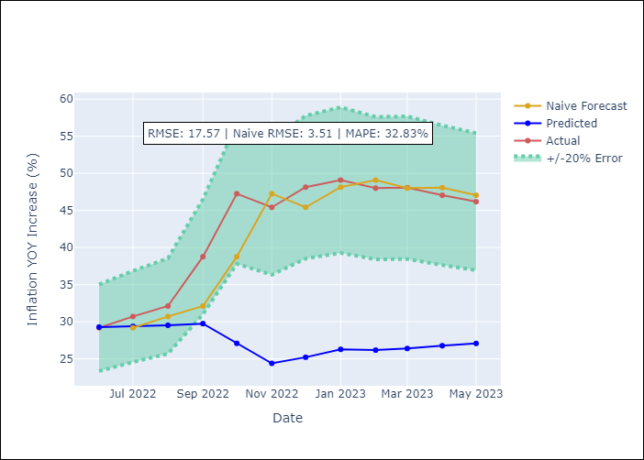

Appendix A: Model Summary
Model | ARIMA(1, 2, 2)x(2, 0, [], 12)
Sample | 01-01-2011- 05-01-2023
No. of Observations | 149
Terms | P-value (Statistical significance)
ar.L1 | 0.005
ma.L1 | 0.000
ma.L2 | 0.238
ar.S.L12 | 0.000
ar.S.L24 | 0.000
sigma2 | 0.000

Assumptions | P-value | Interpretation
Ljung-Box (L1) | 0.85
Heteroskedasticity | 0.00
Jarque-Bera | 0.00
Skew | -0.14
Kurtosis | 10.88

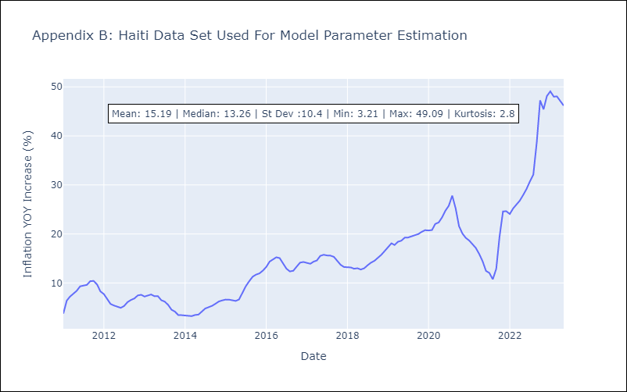

Appendix C: Residuals Analysis
Mean | 0.11
White Noise? | Yes
Normal? | No

Jamaica

Jamaica - Inflation - Next 12 months forecast as of: 2023-07-01

Model | ARIMA - [(0, 1, 2), (1, 0, 1, 12)]
Training Data | 1991-01-01 to 2022-08-01
Test Data | 2022-08-01 to 2023-07-01

Date | Inflation Change YoY % | Lower Bound - 95% Confidence Interval | Upper Bound - 95% Confidence Interval
2023-08-01 | 6.65 | 3.7 | 9.6
2023-09-01 | 7.03 | 2.28 | 11.78
2023-10-01 | 6.91 | 0.77 | 13.06
2023-11-01 | 6.79 | -0.48 | 14.06
2023-12-01 | 6.97 | -1.28 | 15.22
2024-01-01 | 7.39 | -1.73 | 16.52
2024-02-01 | 7.6 | -2.32 | 17.52
2024-03-01 | 7.9 | -2.75 | 18.56
2024-04-01 | 8.08 | -3.27 | 19.42
2024-05-01 | 7.91 | -4.08 | 19.91
2024-06-01 | 7.89 | -4.72 | 20.5
2024-07-01 | 7.74 | -5.46 | 20.93

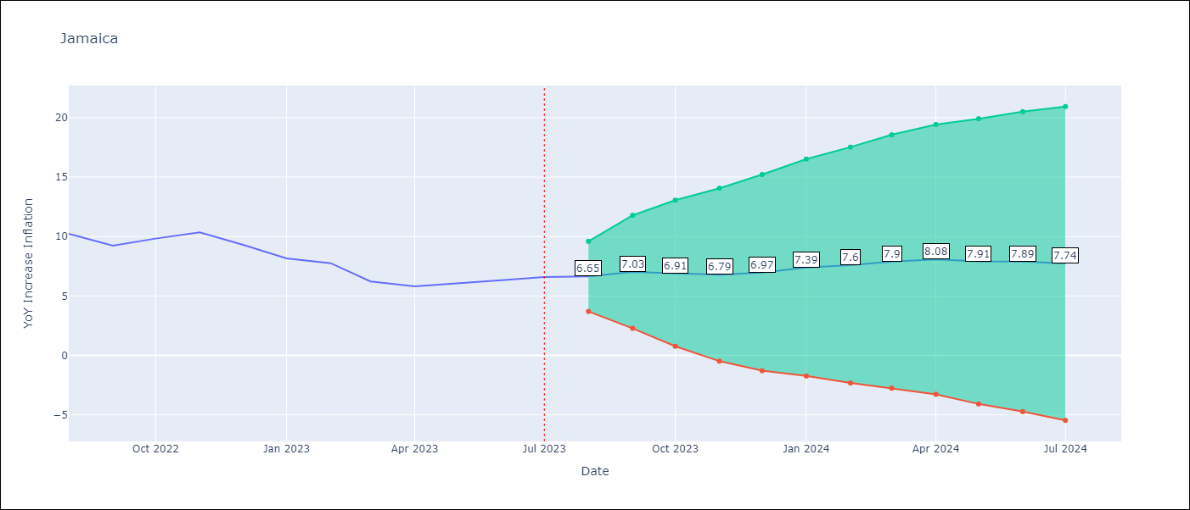

Test Metrics
RMSE | 1.72
Naive RMSE | 0.79
MAPE | 20.81%

Test Predictions
Date | Predicted | Actual
2022-08-01 | 9.84 | 10.24
2022-09-01 | 9.36 | 9.23
2022-10-01 | 9.34 | 9.83
2022-11-01 | 9.37 | 10.34
2022-12-01 | 9.48 | 9.32
2023-01-01 | 9 | 8.16
2023-02-01 | 8.68 | 7.76
2023-03-01 | 8.73 | 6.22
2023-04-01 | 8.51 | 5.81
2023-05-01 | 8.81 | 6.04
2023-06-01 | 8.71 | 6.32
2023-07-01 | 8.96 | 6.6

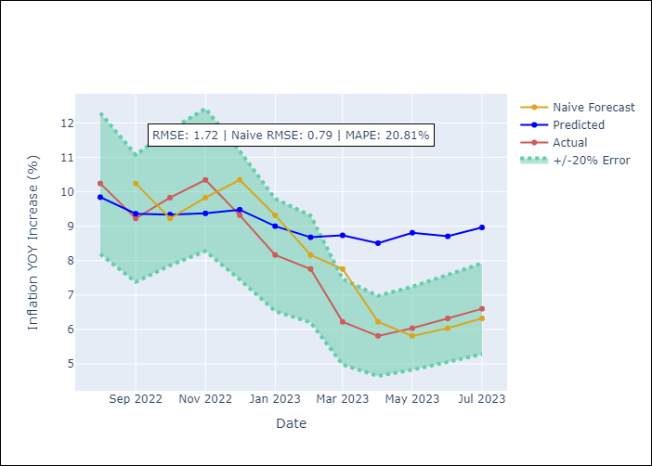

Appendix A: Model Summary
Model | ARIMA(0, 1, 2)x(1, 0, [1], 12)
Sample | 01-01-1991- 07-01-2023
No. of Observations | 391
Terms | P-value (Statistical significance)
ma.L1 | 0.000
ma.L2 | 0.093
ar.S.L12 | 0.000
ma.S.L12 | 0.000
sigma2 | 0.000

Assumptions | P-value | Interpretation
Ljung-Box (L1) | 0.95
Heteroskedasticity | 0.00
Jarque-Bera | 0.00
Skew | -1.55
Kurtosis | 18.53

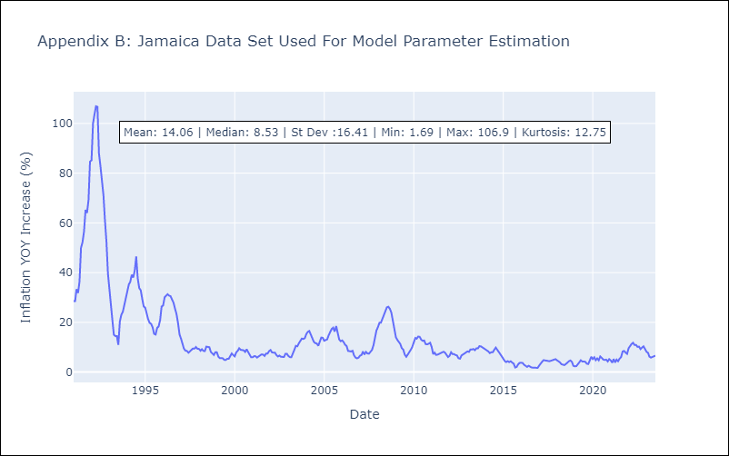

Appendix C: Residuals Analysis
Mean | 0.13
White Noise? | No - Correlation at Lags [ 1 2 3 4 5 6 7 8 9 10 11 12]
Normal? | No

Trinidad and Tobago
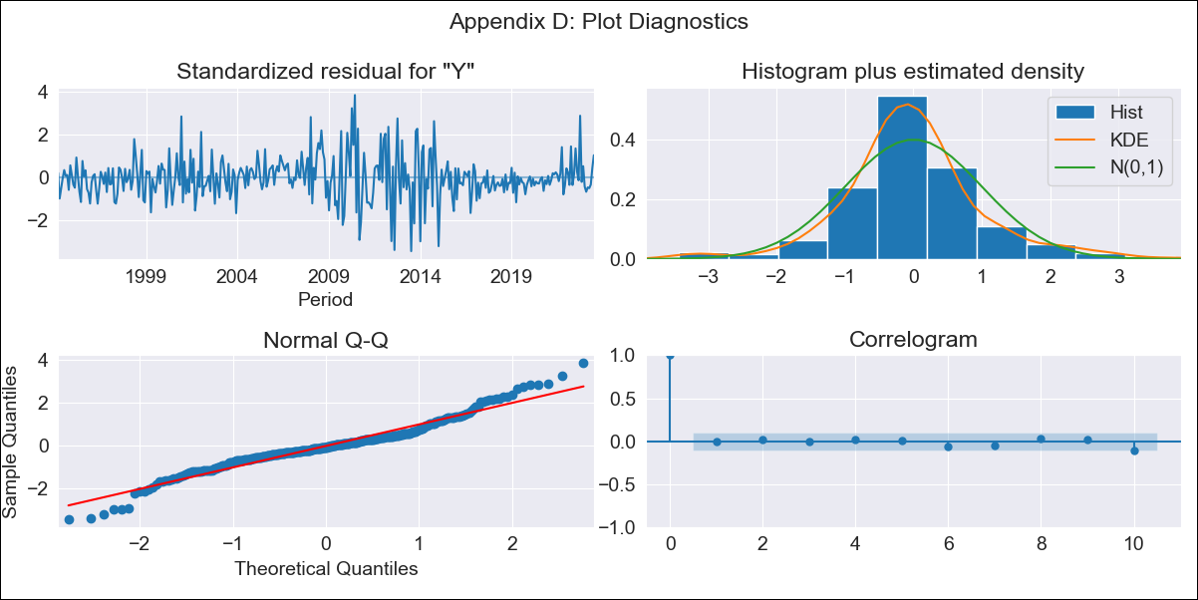
Trinidad and Tobago - Inflation - Next 12 months forecast as of: 2023-07-01

Model | ARIMA - [(2, 0, 1), (3, 0, 0, 12)]
Training Data | 1991-01-01 to 2022-08-01
Test Data | 2022-08-01 to 2023-07-01

Date | Inflation Change YoY % | Lower Bound - 95% Confidence Interval | Upper Bound - 95% Confidence Interval
2023-08-01 | 5.64 | 4.14 | 7.15
2023-09-01 | 5.68 | 3.41 | 7.94
2023-10-01 | 4.14 | 1.25 | 7.03
2023-11-01 | 4 | 0.58 | 7.42
2023-12-01 | 3.61 | -0.27 | 7.5
2024-01-01 | 3.76 | -0.53 | 8.05
2024-02-01 | 4.11 | -0.55 | 8.76
2024-03-01 | 4.37 | -0.61 | 9.36
2024-04-01 | 4.79 | -0.49 | 10.07
2024-05-01 | 5.05 | -0.51 | 10.6
2024-06-01 | 4.92 | -0.88 | 10.72
2024-07-01 | 4.44 | -1.59 | 10.47

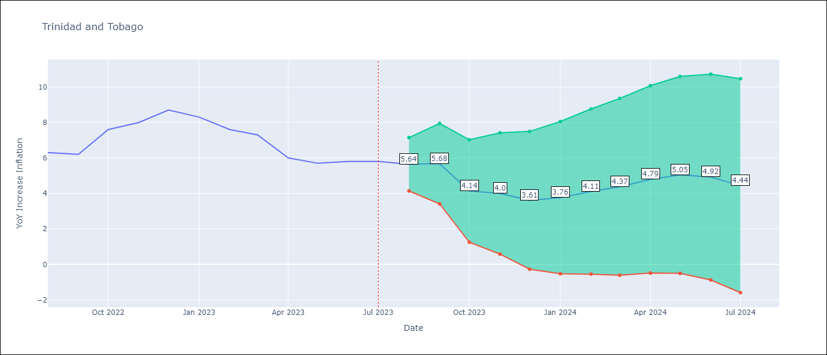

Test Metrics
RMSE | 1.95
Naive RMSE | 0.68
MAPE | 23.75%

Test Predictions
Date | Predicted | Actual
2022-08-01 | 6.1 | 6.3
2022-09-01 | 6.06 | 6.2
2022-10-01 | 5.23 | 7.6
2022-11-01 | 5.5 | 8
2022-12-01 | 5.68 | 8.7
2023-01-01 | 5.5 | 8.3
2023-02-01 | 5.32 | 7.6
2023-03-01 | 5.47 | 7.3
2023-04-01 | 4.65 | 6
2023-05-01 | 4.73 | 5.7
2023-06-01 | 4.62 | 5.8
2023-07-01 | 3.84 | 5.8

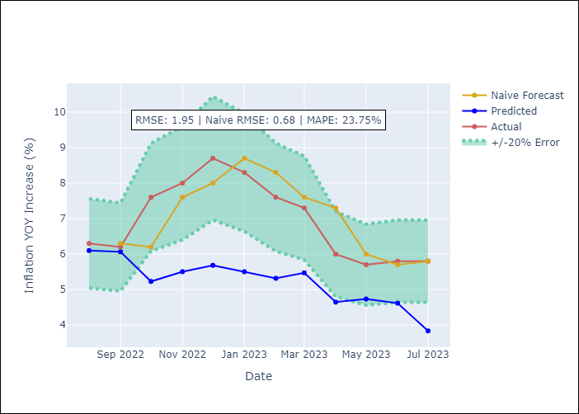

Appendix A: Model Summary
Model | ARIMA(2, 0, 1)x(3, 0, [], 12)
Sample | 01-01-1991- 07-01-2023
No. of Observations | 391
Terms | P-value (Statistical significance)
const | 0.000
ar.L1 | 0.000
ar.L2 | 0.001
ma.L1 | 0.025
ar.S.L12 | 0.000
ar.S.L24 | 0.000
ar.S.L36 | 0.000
sigma2 | 0.262

Assumptions | P-value | Interpretation
Ljung-Box (L1) | 0.95
Heteroskedasticity | 0.22
Jarque-Bera | 0.00
Skew | 0.20
Kurtosis | 5.04

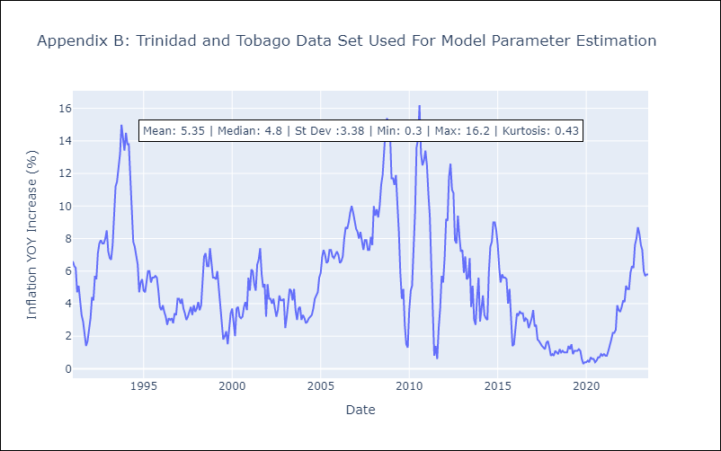

Appendix C: Residuals Analysis
Mean | -0.01
White Noise? | Yes
Normal? | No

