Cubalt
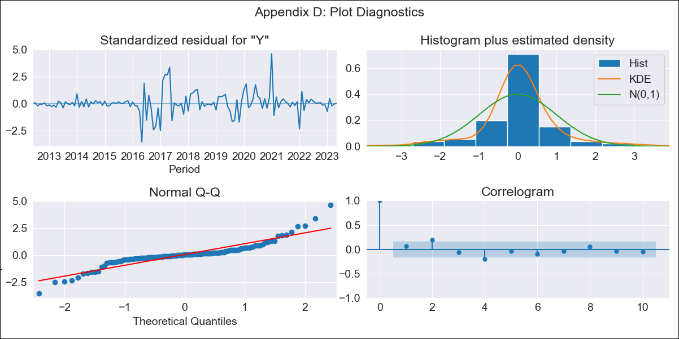
Cubalt - Inflation - Next 12 months forecast as of: 2023-05-01

Model | ARIMA - [(0, 2, 2), (0, 0, 1, 12)]
Training Data | 2011-01-01 to 2022-06-01
Test Data | 2022-06-01 to 2023-05-01

Date | Inflation Change YoY % | Lower Bound - 95% Confidence Interval | Upper Bound - 95% Confidence Interval
2023-06-01 | 44.44 | 33.73 | 55.15
2023-07-01 | 43.28 | 32.57 | 53.99
2023-08-01 | 43.53 | 32.82 | 54.24
2023-09-01 | 44.19 | 33.48 | 54.9
2023-10-01 | 44.52 | 33.81 | 55.23
2023-11-01 | 46.02 | 35.31 | 56.73
2023-12-01 | 47.87 | 37.16 | 58.57
2024-01-01 | 53.42 | 42.71 | 64.13
2024-02-01 | 53.57 | 42.86 | 64.27
2024-03-01 | 54.92 | 44.21 | 65.63
2024-04-01 | 56.95 | 46.24 | 67.66
2024-05-01 | 58.13 | 47.42 | 68.84

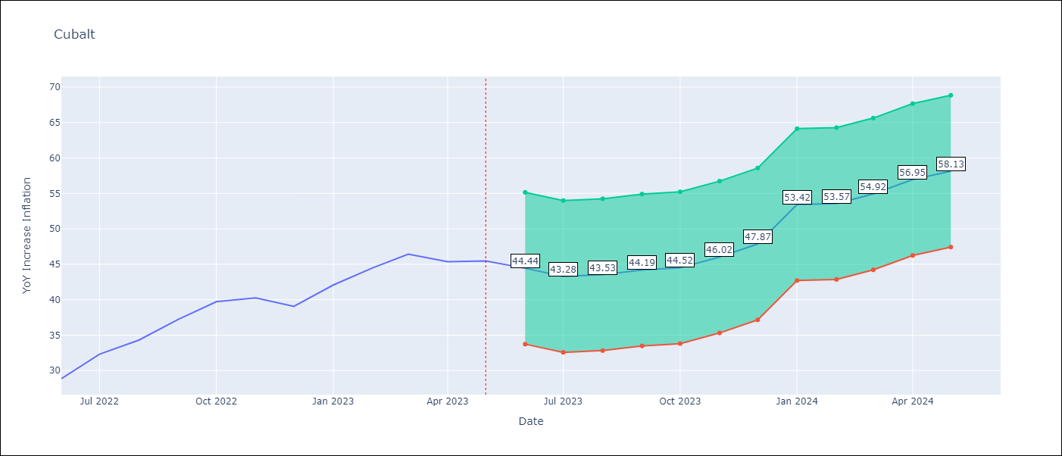

Test Metrics
RMSE | 7.75
Naive RMSE | 2.18
MAPE | 18.11%

Test Predictions
Date | Predicted | Actual
2022-06-01 | 25.31 | 28.85
2022-07-01 | 24.76 | 32.31
2022-08-01 | 25.12 | 34.3
2022-09-01 | 26.84 | 37.24
2022-10-01 | 27.53 | 39.73
2022-11-01 | 28.71 | 40.26
2022-12-01 | 29.03 | 39.07
2023-01-01 | 39.54 | 42.08
2023-02-01 | 39.64 | 44.5
2023-03-01 | 41.64 | 46.42
2023-04-01 | 42.14 | 45.35
2023-05-01 | 42.01 | 45.48

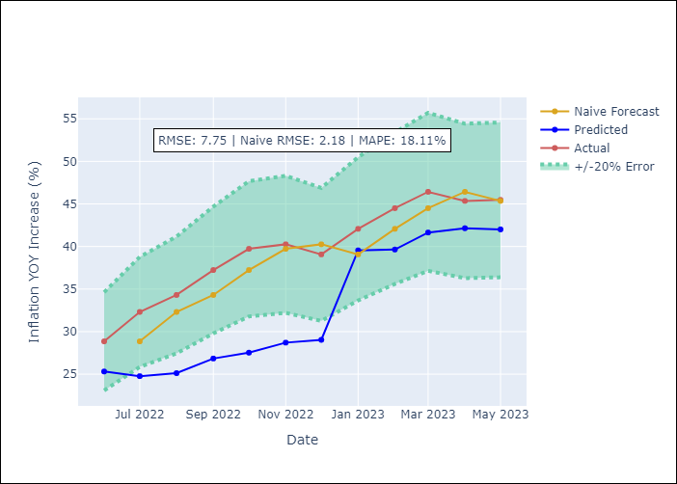

Appendix A: Model Summary
Model | ARIMA(0, 2, 2)x(0, 0, [1], 12)
Sample | 01-01-2011- 05-01-2023
No. of Observations | 149
Terms | P-value (Statistical significance)
ma.L1 | 0.000
ma.L2 | 0.000
ma.S.L12 | 0.000
sigma2 | 0.000

Assumptions | P-value | Interpretation
Ljung-Box (L1) | 0.43
Heteroskedasticity | 0.00
Jarque-Bera | 0.00
Skew | 0.56
Kurtosis | 8.01

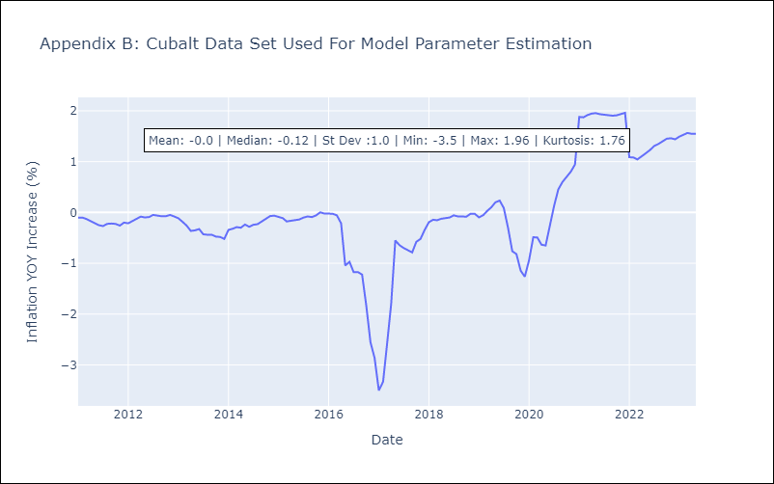

Appendix C: Residuals Analysis
Mean | 0.01
White Noise? | No - Correlation at Lags [2 4 5 6 7]
Normal? | No

