BHS
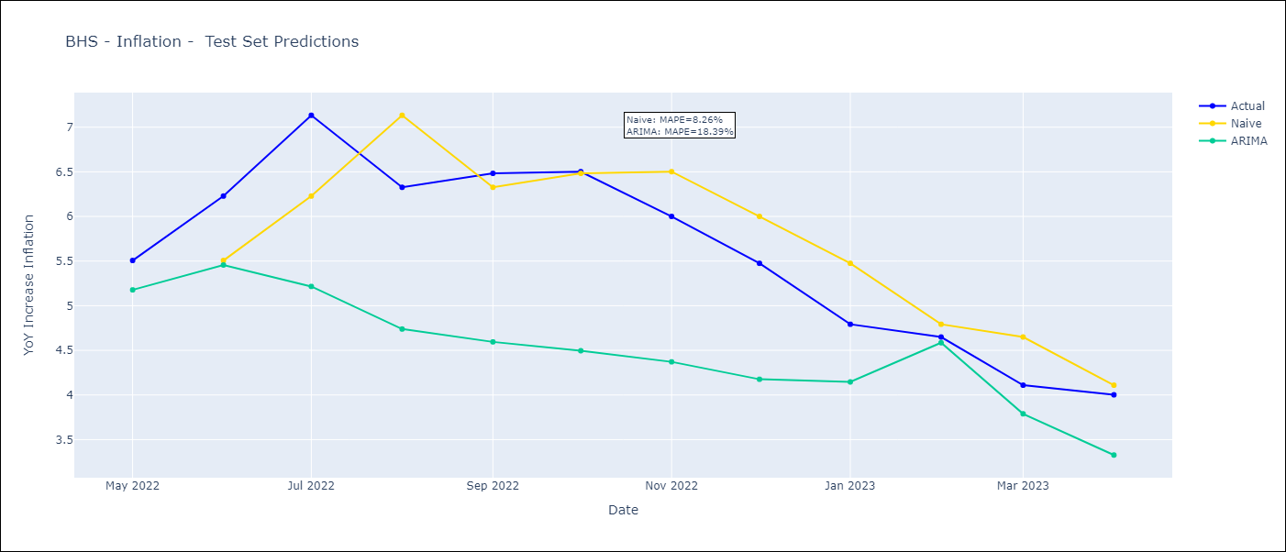
BHS - Inflation - Next 12 months forecast as of: 2023-04-01

Models | ARIMA - [(0, 2, 1), (3, 0, 1, 12)]
Training Data | 1998-01-01 to 2022-05-01
Test Data | 2022-05-01 to 2023-04-01

Date | ARIMA
2023-05-01 | 3.63 | 0 | 0
2023-06-01 | 3.29 | 0 | 0
2023-07-01 | 2.45 | 0 | 0
2023-08-01 | 2.62 | 0 | 0
2023-09-01 | 2.45 | 0 | 0
2023-10-01 | 2.24 | 0 | 0
2023-11-01 | 2.57 | 0 | 0
2023-12-01 | 2.74 | 0 | 0
2024-01-01 | 3.45 | 0 | 0
2024-02-01 | 3.85 | 0 | 0
2024-03-01 | 3.63 | 0 | 0
2024-04-01 | 3.12 | 0 | 0

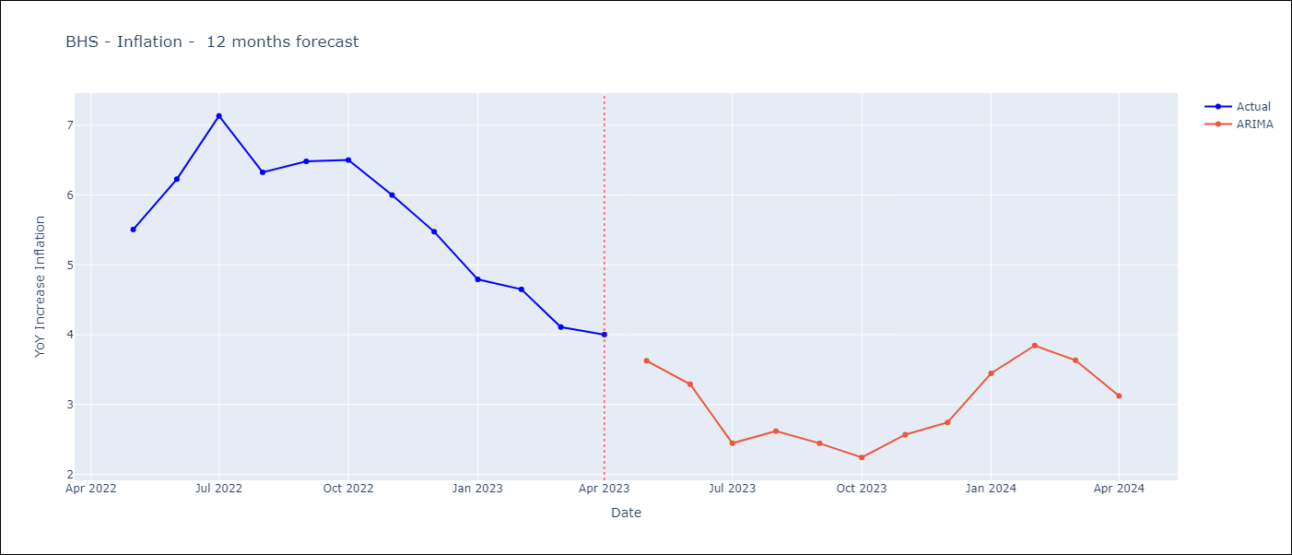

Test Metrics
ARIMA | 18.39%
SARIMAX
VARMAX

Test Predictions
Date | Actual | Predicted (ARIMA) | Predicted (ARIMAX) | Predicted (VARMAX)
2022-05-01 | 5.51 | 5.18
2022-06-01 | 6.23 | 5.46
2022-07-01 | 7.13 | 5.22
2022-08-01 | 6.33 | 4.74
2022-09-01 | 6.48 | 4.59
2022-10-01 | 6.5 | 4.5
2022-11-01 | 6 | 4.37
2022-12-01 | 5.48 | 4.18
2023-01-01 | 4.79 | 4.15
2023-02-01 | 4.65 | 4.59
2023-03-01 | 4.11 | 3.79
2023-04-01 | 4 | 3.33

BRB
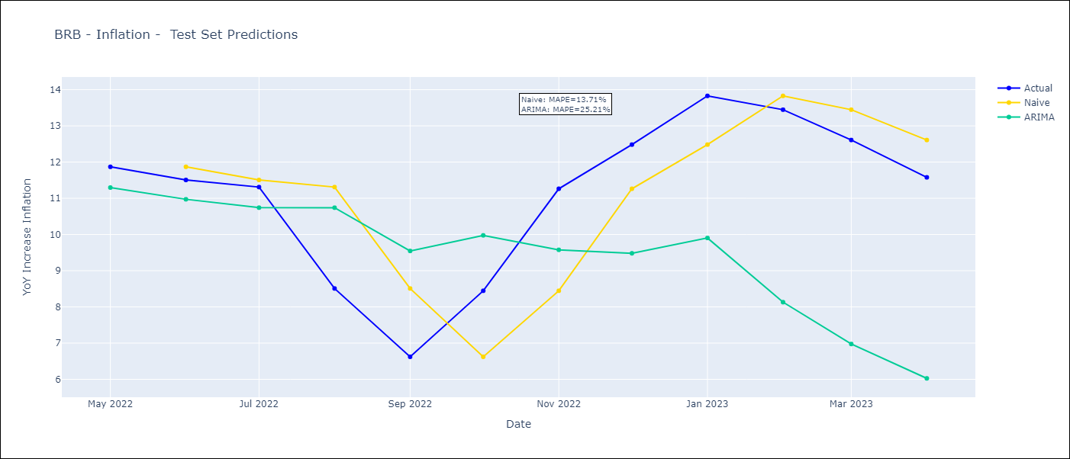
BRB - Inflation - Next 12 months forecast as of: 2023-04-01

Models | ARIMA - [(3, 1, 0), (3, 0, 0, 12)]
Training Data | 2001-01-01 to 2022-05-01
Test Data | 2022-05-01 to 2023-04-01

Date | ARIMA
2023-05-01 | 10.62 | 0 | 0
2023-06-01 | 10.2 | 0 | 0
2023-07-01 | 10 | 0 | 0
2023-08-01 | 12.36 | 0 | 0
2023-09-01 | 12.74 | 0 | 0
2023-10-01 | 11.88 | 0 | 0
2023-11-01 | 9.51 | 0 | 0
2023-12-01 | 8.55 | 0 | 0
2024-01-01 | 8.02 | 0 | 0
2024-02-01 | 6.44 | 0 | 0
2024-03-01 | 6.09 | 0 | 0
2024-04-01 | 6.05 | 0 | 0

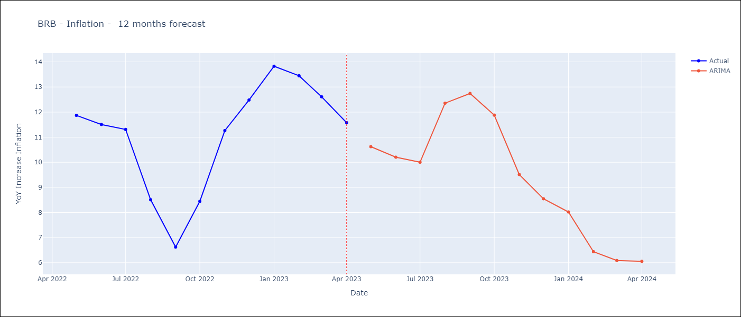

Test Metrics
ARIMA | 25.21%
SARIMAX
VARMAX

Test Predictions
Date | Actual | Predicted (ARIMA) | Predicted (ARIMAX) | Predicted (VARMAX)
2022-05-01 | 11.87 | 11.3
2022-06-01 | 11.51 | 10.97
2022-07-01 | 11.31 | 10.74
2022-08-01 | 8.51 | 10.74
2022-09-01 | 6.62 | 9.55
2022-10-01 | 8.45 | 9.98
2022-11-01 | 11.26 | 9.58
2022-12-01 | 12.48 | 9.48
2023-01-01 | 13.83 | 9.9
2023-02-01 | 13.45 | 8.13
2023-03-01 | 12.61 | 6.98
2023-04-01 | 11.58 | 6.03

CUB
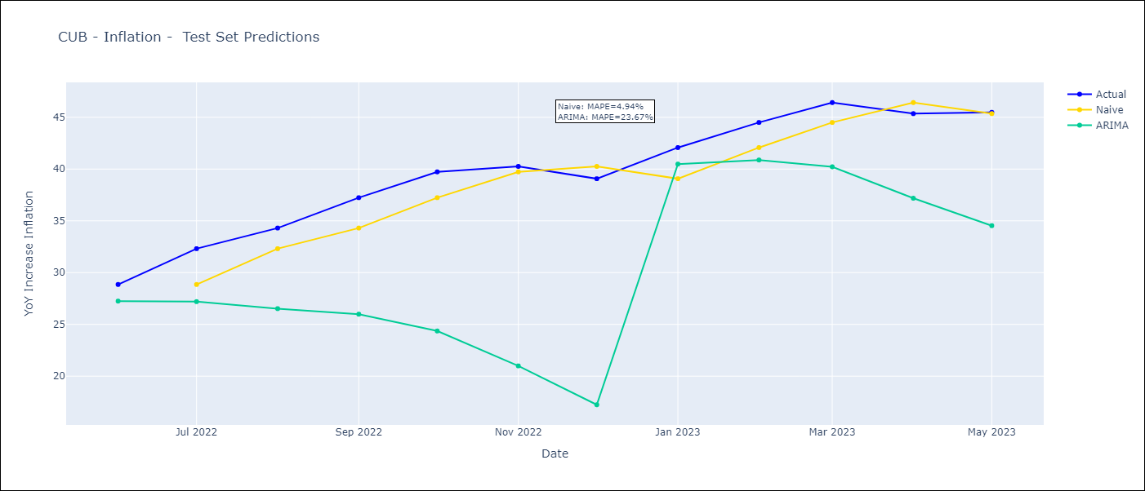
CUB - Inflation - Next 12 months forecast as of: 2023-05-01

Models | ARIMA - [(0, 1, 0), (0, 0, 2, 12)]
Training Data | 2011-01-01 to 2022-06-01
Test Data | 2022-06-01 to 2023-05-01

Date | ARIMA
2023-06-01 | 43.62 | 0 | 0
2023-07-01 | 40.55 | 0 | 0
2023-08-01 | 38.41 | 0 | 0
2023-09-01 | 35.43 | 0 | 0
2023-10-01 | 31.63 | 0 | 0
2023-11-01 | 28.14 | 0 | 0
2023-12-01 | 25.52 | 0 | 0
2024-01-01 | 31.9 | 0 | 0
2024-02-01 | 29.69 | 0 | 0
2024-03-01 | 26.53 | 0 | 0
2024-04-01 | 24.4 | 0 | 0
2024-05-01 | 21.55 | 0 | 0

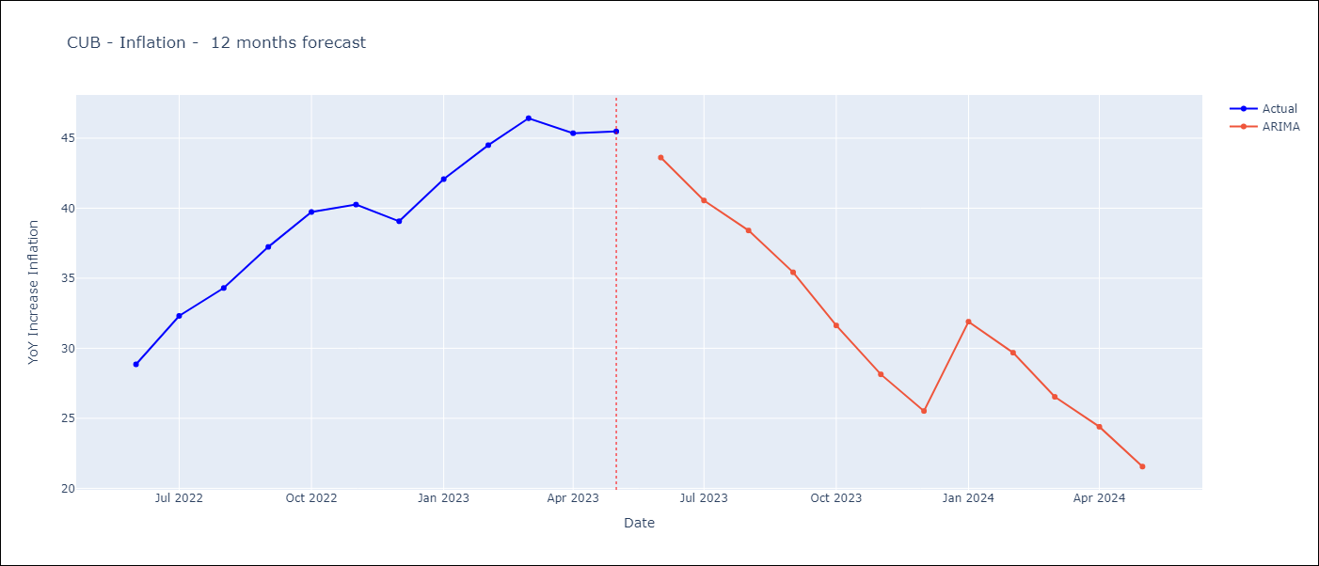

Test Metrics
ARIMA | 23.67%
SARIMAX
VARMAX

Test Predictions
Date | Actual | Predicted (ARIMA) | Predicted (ARIMAX) | Predicted (VARMAX)
2022-06-01 | 28.85 | 27.25
2022-07-01 | 32.31 | 27.2
2022-08-01 | 34.3 | 26.52
2022-09-01 | 37.24 | 25.98
2022-10-01 | 39.73 | 24.36
2022-11-01 | 40.26 | 20.99
2022-12-01 | 39.07 | 17.24
2023-01-01 | 42.08 | 40.48
2023-02-01 | 44.5 | 40.88
2023-03-01 | 46.42 | 40.22
2023-04-01 | 45.35 | 37.18
2023-05-01 | 45.48 | 34.53

GUY
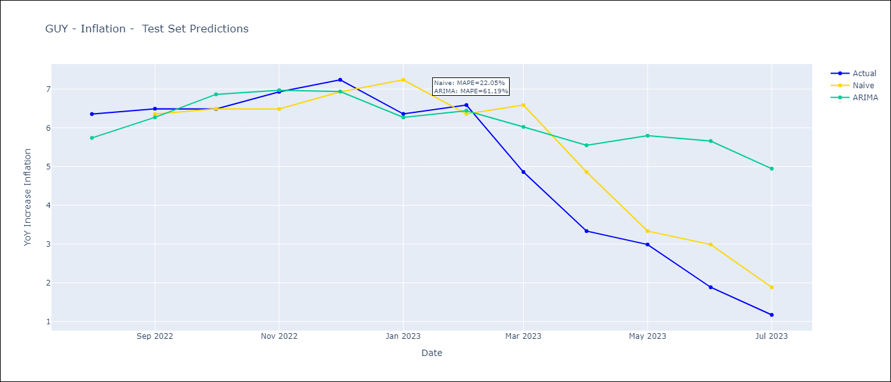
GUY - Inflation - Next 12 months forecast as of: 2023-07-01

Models | ARIMA - [(1, 0, 0), (0, 0, 1, 12)]
Training Data | 2011-01-01 to 2022-08-01
Test Data | 2022-08-01 to 2023-07-01

Date | ARIMA
2023-08-01 | 0.67 | 0 | 0
2023-09-01 | 0.91 | 0 | 0
2023-10-01 | 1.28 | 0 | 0
2023-11-01 | 0.99 | 0 | 0
2023-12-01 | 0.69 | 0 | 0
2024-01-01 | 0.7 | 0 | 0
2024-02-01 | 0.61 | 0 | 0
2024-03-01 | 1.44 | 0 | 0
2024-04-01 | 2.07 | 0 | 0
2024-05-01 | 2.42 | 0 | 0
2024-06-01 | 2.95 | 0 | 0
2024-07-01 | 2.83 | 0 | 0

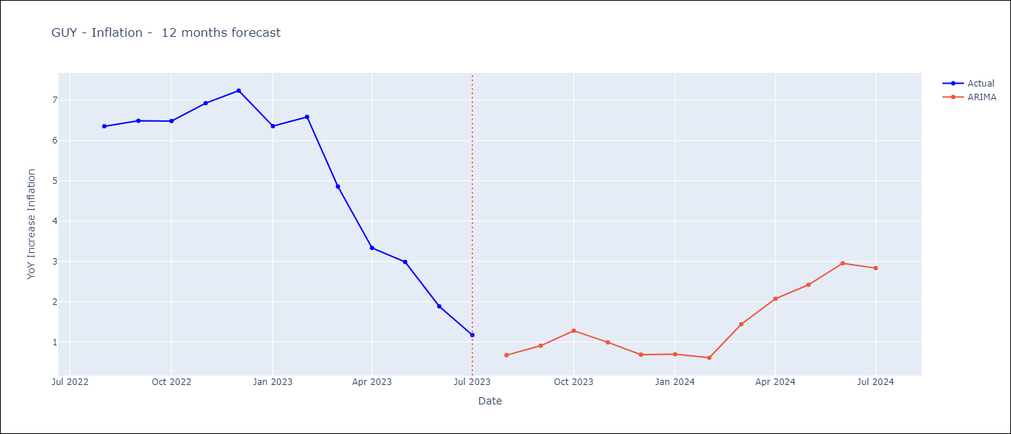

Test Metrics
ARIMA | 61.19%
SARIMAX
VARMAX

Test Predictions
Date | Actual | Predicted (ARIMA) | Predicted (ARIMAX) | Predicted (VARMAX)
2022-08-01 | 6.36 | 5.74
2022-09-01 | 6.49 | 6.27
2022-10-01 | 6.49 | 6.86
2022-11-01 | 6.93 | 6.97
2022-12-01 | 7.24 | 6.94
2023-01-01 | 6.36 | 6.27
2023-02-01 | 6.59 | 6.44
2023-03-01 | 4.86 | 6.02
2023-04-01 | 3.33 | 5.55
2023-05-01 | 2.99 | 5.8
2023-06-01 | 1.88 | 5.66
2023-07-01 | 1.17 | 4.95

HTI
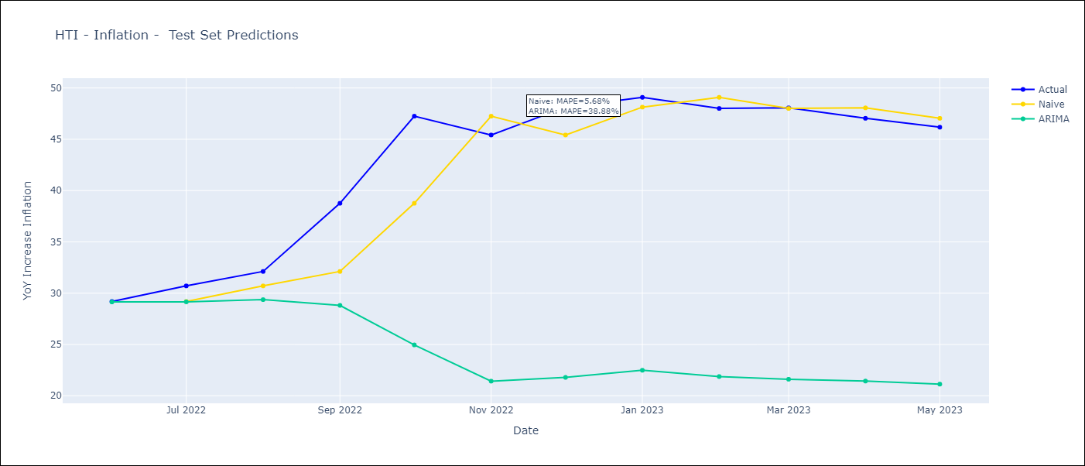
HTI - Inflation - Next 12 months forecast as of: 2023-05-01

Models | ARIMA - [(1, 1, 0), (2, 0, 1, 12)]
Training Data | 2011-01-01 to 2022-06-01
Test Data | 2022-06-01 to 2023-05-01

Date | ARIMA
2023-06-01 | 46.4 | 0 | 0
2023-07-01 | 45.04 | 0 | 0
2023-08-01 | 44.72 | 0 | 0
2023-09-01 | 38.86 | 0 | 0
2023-10-01 | 26.48 | 0 | 0
2023-11-01 | 21.28 | 0 | 0
2023-12-01 | 19.91 | 0 | 0
2024-01-01 | 20.24 | 0 | 0
2024-02-01 | 19.6 | 0 | 0
2024-03-01 | 18.8 | 0 | 0
2024-04-01 | 18.66 | 0 | 0
2024-05-01 | 18.12 | 0 | 0

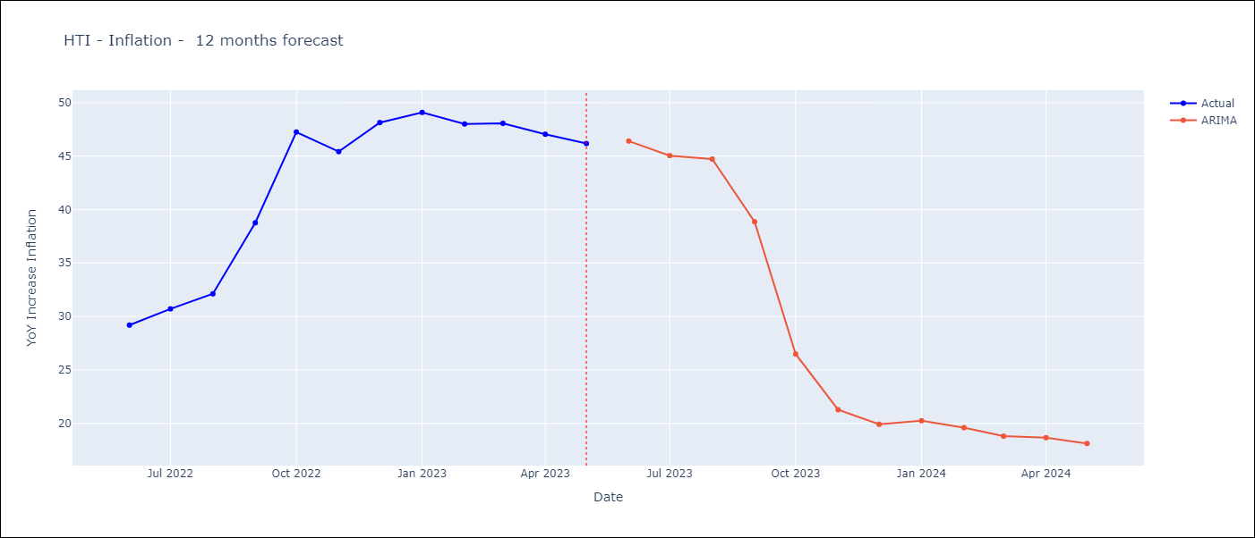

Test Metrics
ARIMA | 38.88%
SARIMAX
VARMAX

Test Predictions
Date | Actual | Predicted (ARIMA) | Predicted (ARIMAX) | Predicted (VARMAX)
2022-06-01 | 29.19 | 29.14
2022-07-01 | 30.71 | 29.15
2022-08-01 | 32.12 | 29.37
2022-09-01 | 38.76 | 28.81
2022-10-01 | 47.25 | 24.96
2022-11-01 | 45.42 | 21.42
2022-12-01 | 48.13 | 21.79
2023-01-01 | 49.09 | 22.49
2023-02-01 | 48 | 21.87
2023-03-01 | 48.06 | 21.61
2023-04-01 | 47.04 | 21.43
2023-05-01 | 46.18 | 21.13

TTO
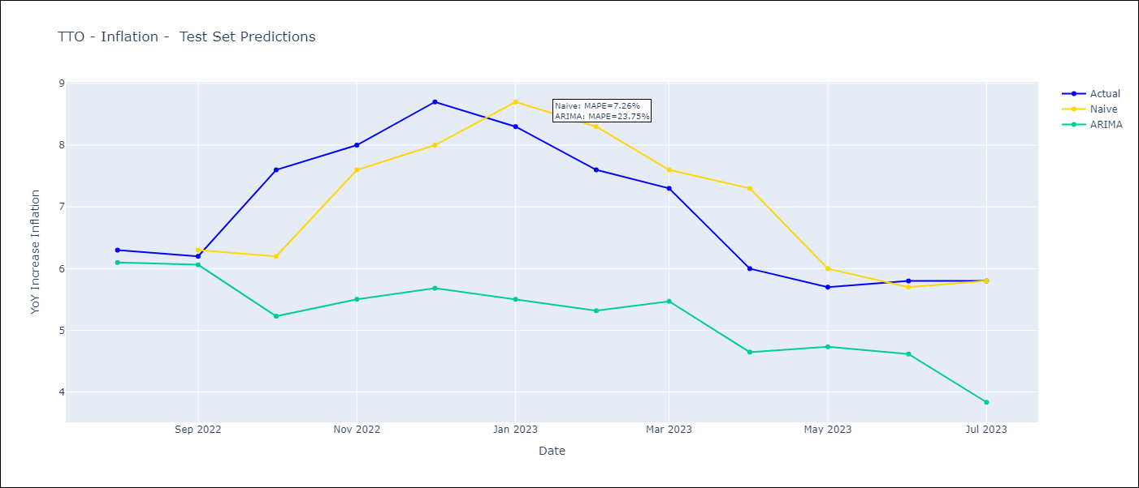
TTO - Inflation - Next 12 months forecast as of: 2023-07-01

Models | ARIMA - [(2, 0, 1), (3, 0, 0, 12)]
Training Data | 1991-01-01 to 2022-08-01
Test Data | 2022-08-01 to 2023-07-01

Date | ARIMA
2023-08-01 | 5.64 | 0 | 0
2023-09-01 | 5.68 | 0 | 0
2023-10-01 | 4.14 | 0 | 0
2023-11-01 | 4 | 0 | 0
2023-12-01 | 3.61 | 0 | 0
2024-01-01 | 3.76 | 0 | 0
2024-02-01 | 4.11 | 0 | 0
2024-03-01 | 4.37 | 0 | 0
2024-04-01 | 4.79 | 0 | 0
2024-05-01 | 5.05 | 0 | 0
2024-06-01 | 4.92 | 0 | 0
2024-07-01 | 4.44 | 0 | 0

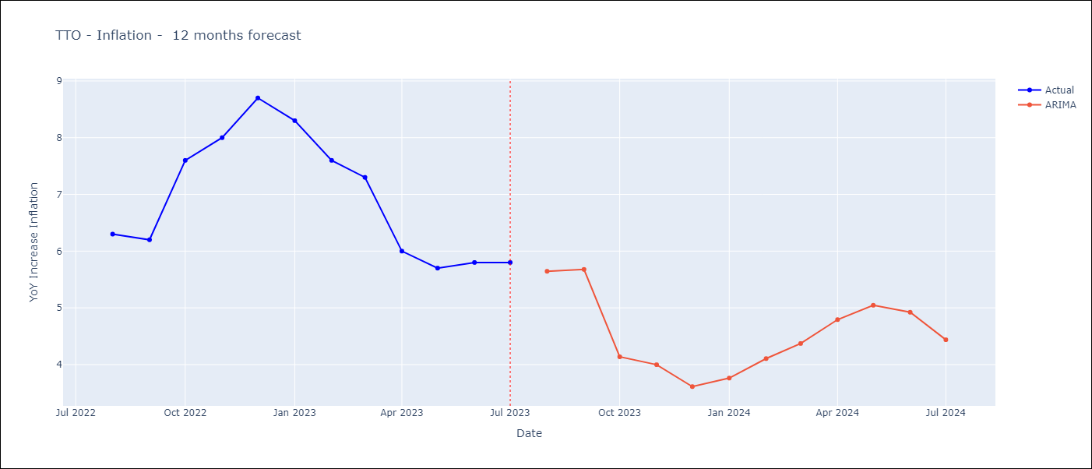

Test Metrics
ARIMA | 23.75%
SARIMAX
VARMAX

Test Predictions
Date | Actual | Predicted (ARIMA) | Predicted (ARIMAX) | Predicted (VARMAX)
2022-08-01 | 6.3 | 6.1
2022-09-01 | 6.2 | 6.06
2022-10-01 | 7.6 | 5.23
2022-11-01 | 8 | 5.5
2022-12-01 | 8.7 | 5.68
2023-01-01 | 8.3 | 5.5
2023-02-01 | 7.6 | 5.32
2023-03-01 | 7.3 | 5.47
2023-04-01 | 6 | 4.65
2023-05-01 | 5.7 | 4.73
2023-06-01 | 5.8 | 4.62
2023-07-01 | 5.8 | 3.84

JAM
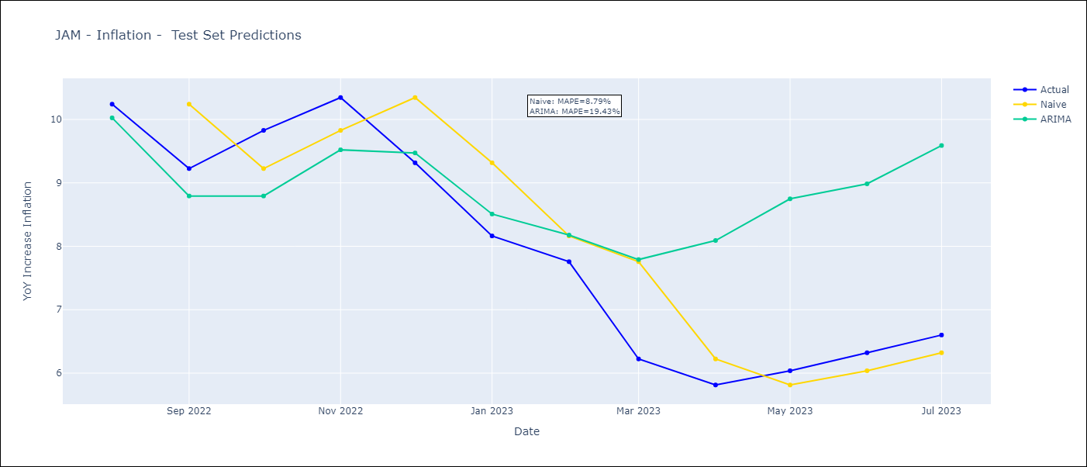
JAM - Inflation - Next 12 months forecast as of: 2023-07-01

Models | ARIMA - [(2, 0, 1), (3, 0, 0, 12)]
Training Data | 1991-01-01 to 2022-08-01
Test Data | 2022-08-01 to 2023-07-01

Date | ARIMA
2023-08-01 | 6.59 | 0 | 0
2023-09-01 | 6.73 | 0 | 0
2023-10-01 | 6.44 | 0 | 0
2023-11-01 | 6.75 | 0 | 0
2023-12-01 | 7.74 | 0 | 0
2024-01-01 | 8.12 | 0 | 0
2024-02-01 | 8.47 | 0 | 0
2024-03-01 | 9.38 | 0 | 0
2024-04-01 | 10.05 | 0 | 0
2024-05-01 | 10.3 | 0 | 0
2024-06-01 | 10.52 | 0 | 0
2024-07-01 | 10.71 | 0 | 0

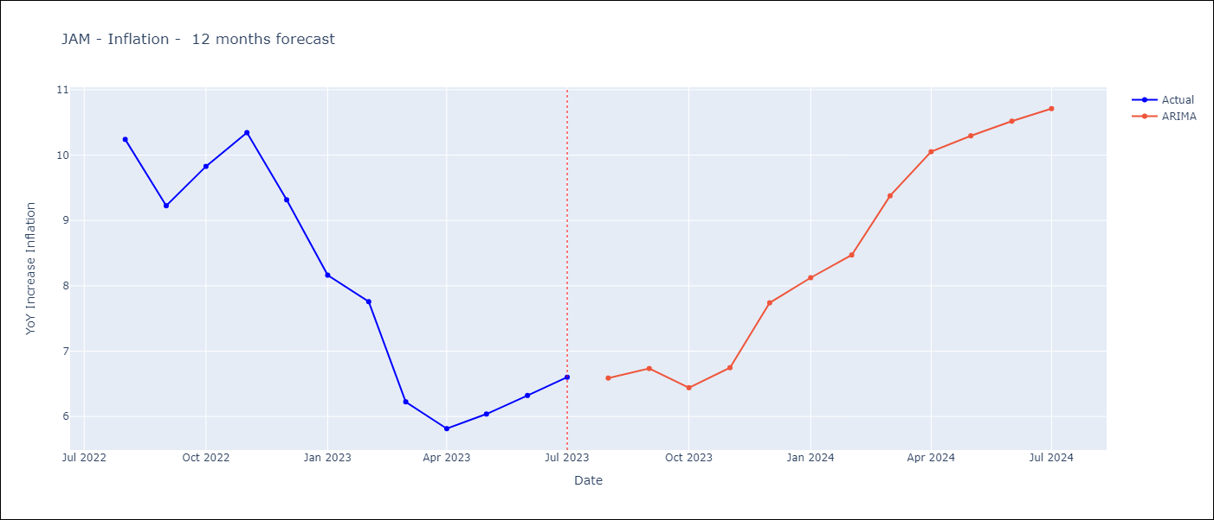

Test Metrics
ARIMA | 19.43%
SARIMAX
VARMAX

Test Predictions
Date | Actual | Predicted (ARIMA) | Predicted (ARIMAX) | Predicted (VARMAX)
2022-08-01 | 10.24 | 10.02
2022-09-01 | 9.23 | 8.79
2022-10-01 | 9.83 | 8.79
2022-11-01 | 10.34 | 9.52
2022-12-01 | 9.32 | 9.47
2023-01-01 | 8.16 | 8.51
2023-02-01 | 7.76 | 8.18
2023-03-01 | 6.22 | 7.79
2023-04-01 | 5.81 | 8.09
2023-05-01 | 6.04 | 8.75
2023-06-01 | 6.32 | 8.98
2023-07-01 | 6.6 | 9.59

ARG
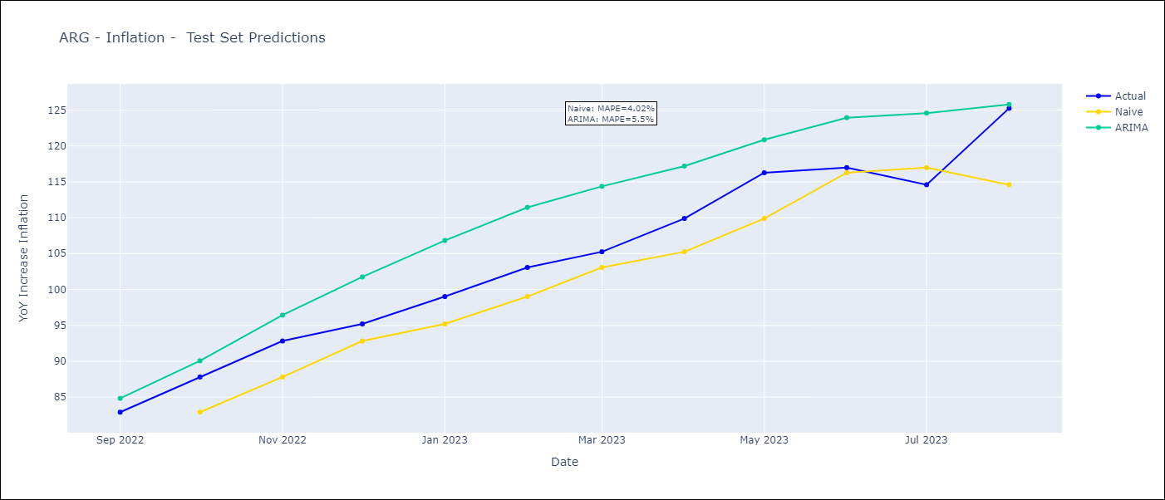
ARG - Inflation - Next 12 months forecast as of: 2023-08-01

Models | ARIMA - [(0, 2, 2), (1, 0, 1, 12)]
Training Data | 2003-11-01 to 2022-09-01
Test Data | 2022-09-01 to 2023-08-01

Date | ARIMA
2023-09-01 | 135.25 | 0 | 0
2023-10-01 | 140.36 | 0 | 0
2023-11-01 | 146.21 | 0 | 0
2023-12-01 | 153.04 | 0 | 0
2024-01-01 | 158.59 | 0 | 0
2024-02-01 | 163.72 | 0 | 0
2024-03-01 | 169.02 | 0 | 0
2024-04-01 | 172.44 | 0 | 0
2024-05-01 | 175.29 | 0 | 0
2024-06-01 | 181.56 | 0 | 0
2024-07-01 | 188.08 | 0 | 0
2024-08-01 | 186.13 | 0 | 0

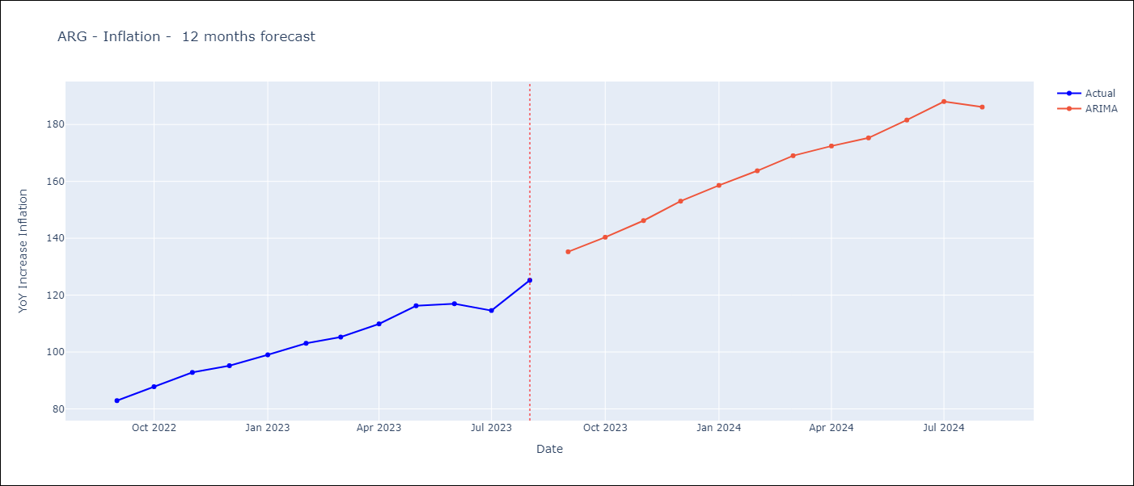

Test Metrics
ARIMA | 5.5%
SARIMAX
VARMAX

Test Predictions
Date | Actual | Predicted (ARIMA) | Predicted (ARIMAX) | Predicted (VARMAX)
2022-09-01 | 82.9 | 84.82
2022-10-01 | 87.8 | 90.06
2022-11-01 | 92.82 | 96.42
2022-12-01 | 95.19 | 101.74
2023-01-01 | 99.01 | 106.82
2023-02-01 | 103.06 | 111.43
2023-03-01 | 105.25 | 114.37
2023-04-01 | 109.89 | 117.19
2023-05-01 | 116.26 | 120.85
2023-06-01 | 116.97 | 123.93
2023-07-01 | 114.59 | 124.58
2023-08-01 | 125.24 | 125.78

MEX
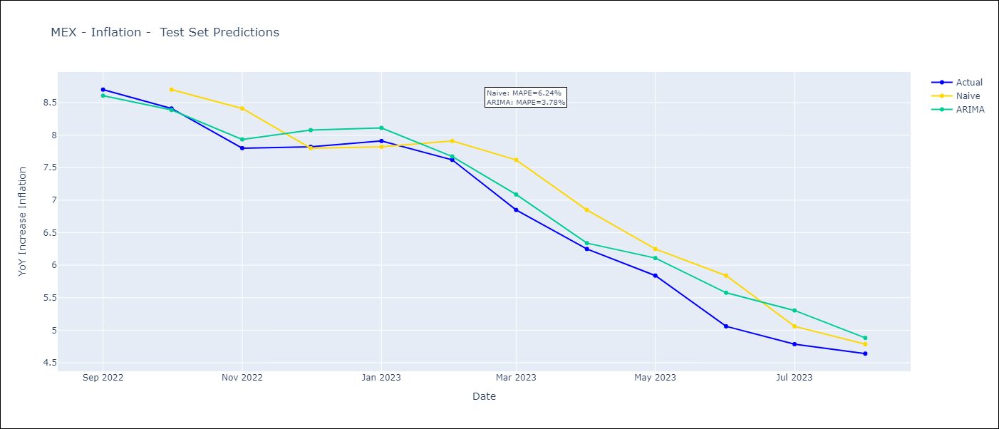
MEX - Inflation - Next 12 months forecast as of: 2023-08-01

Models | ARIMA - [(3, 1, 1), (0, 0, 2, 12)]
Training Data | 2001-12-01 to 2022-09-01
Test Data | 2022-09-01 to 2023-08-01

Date | ARIMA
2023-09-01 | 4.57 | 0 | 0
2023-10-01 | 4.63 | 0 | 0
2023-11-01 | 4.85 | 0 | 0
2023-12-01 | 4.92 | 0 | 0
2024-01-01 | 4.88 | 0 | 0
2024-02-01 | 4.79 | 0 | 0
2024-03-01 | 5.06 | 0 | 0
2024-04-01 | 5.03 | 0 | 0
2024-05-01 | 5.21 | 0 | 0
2024-06-01 | 5.49 | 0 | 0
2024-07-01 | 5.53 | 0 | 0
2024-08-01 | 5.32 | 0 | 0

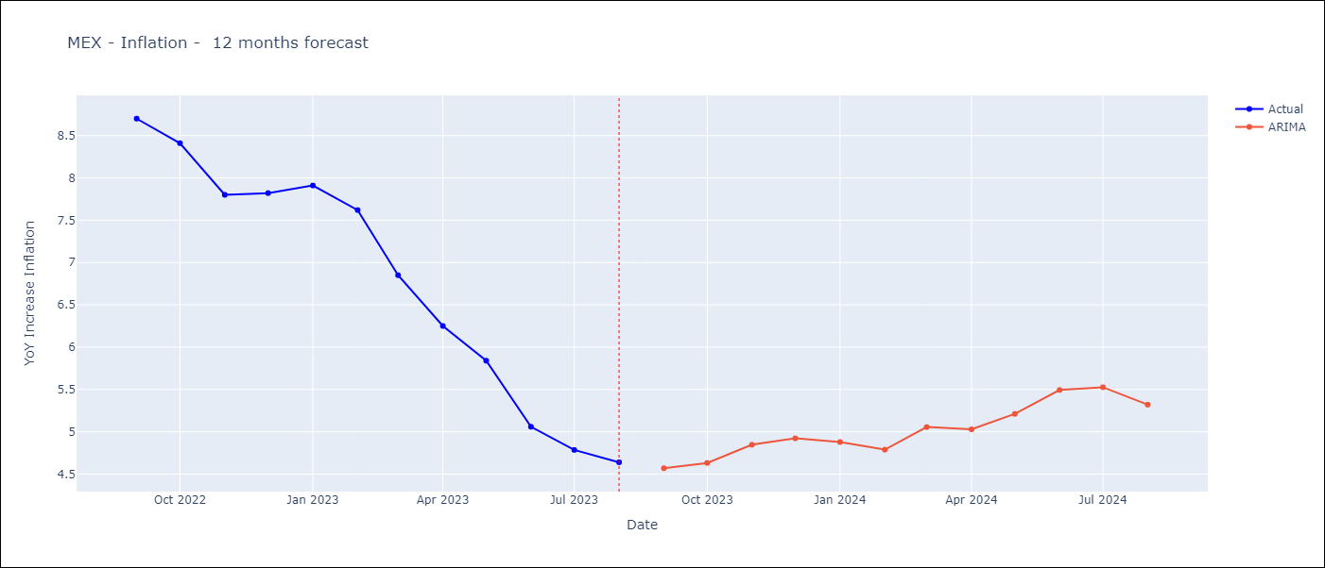

Test Metrics
ARIMA | 3.78%
SARIMAX
VARMAX

Test Predictions
Date | Actual | Predicted (ARIMA) | Predicted (ARIMAX) | Predicted (VARMAX)
2022-09-01 | 8.7 | 8.61
2022-10-01 | 8.41 | 8.39
2022-11-01 | 7.8 | 7.93
2022-12-01 | 7.82 | 8.08
2023-01-01 | 7.91 | 8.11
2023-02-01 | 7.62 | 7.67
2023-03-01 | 6.85 | 7.09
2023-04-01 | 6.25 | 6.34
2023-05-01 | 5.84 | 6.11
2023-06-01 | 5.06 | 5.58
2023-07-01 | 4.79 | 5.3
2023-08-01 | 4.64 | 4.88

BOL
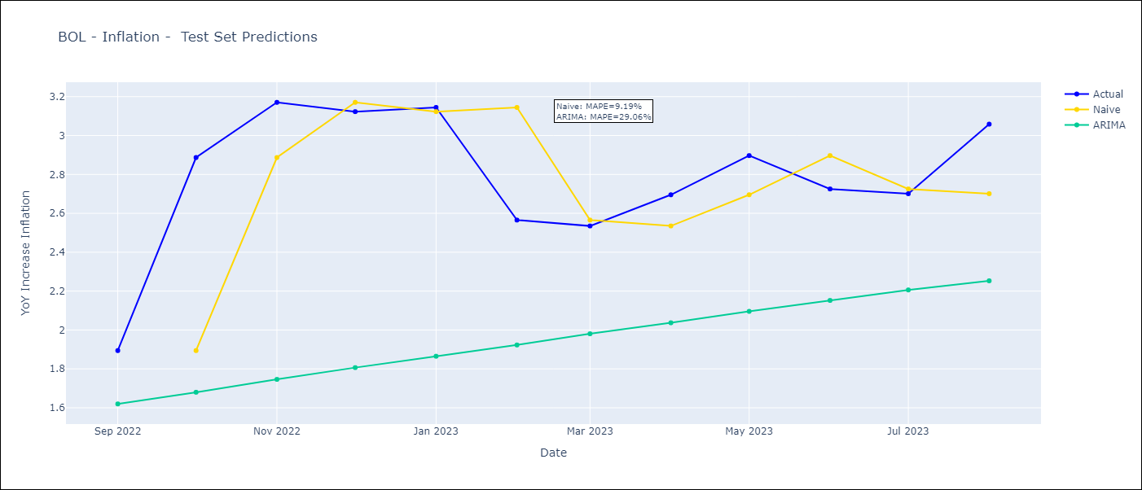
BOL - Inflation - Next 12 months forecast as of: 2023-08-01

Models | ARIMA - [(1, 0, 0), (0, 0, 1, 12)]
Training Data | 2003-12-01 to 2022-09-01
Test Data | 2022-09-01 to 2023-08-01

Date | ARIMA
2023-09-01 | 3.09 | 0 | 0
2023-10-01 | 3.14 | 0 | 0
2023-11-01 | 3.17 | 0 | 0
2023-12-01 | 3.2 | 0 | 0
2024-01-01 | 3.23 | 0 | 0
2024-02-01 | 3.25 | 0 | 0
2024-03-01 | 3.28 | 0 | 0
2024-04-01 | 3.31 | 0 | 0
2024-05-01 | 3.34 | 0 | 0
2024-06-01 | 3.37 | 0 | 0
2024-07-01 | 3.39 | 0 | 0
2024-08-01 | 3.42 | 0 | 0

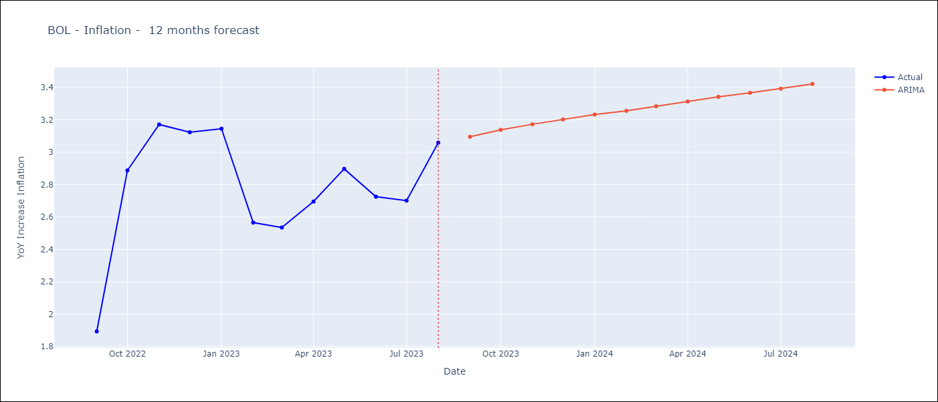

Test Metrics
ARIMA | 29.06%
SARIMAX
VARMAX

Test Predictions
Date | Actual | Predicted (ARIMA) | Predicted (ARIMAX) | Predicted (VARMAX)
2022-09-01 | 1.89 | 1.62
2022-10-01 | 2.89 | 1.68
2022-11-01 | 3.17 | 1.75
2022-12-01 | 3.12 | 1.81
2023-01-01 | 3.14 | 1.86
2023-02-01 | 2.57 | 1.92
2023-03-01 | 2.53 | 1.98
2023-04-01 | 2.7 | 2.04
2023-05-01 | 2.9 | 2.1
2023-06-01 | 2.73 | 2.15
2023-07-01 | 2.7 | 2.21
2023-08-01 | 3.06 | 2.25

BRA
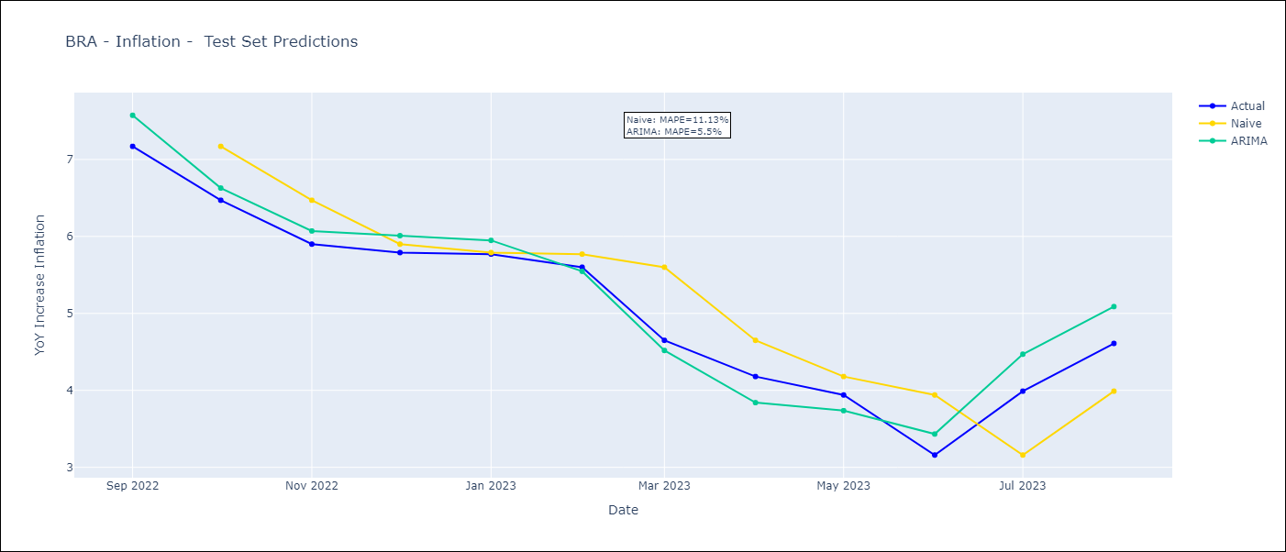
BRA - Inflation - Next 12 months forecast as of: 2023-08-01

Models | ARIMA - [(1, 1, 0), (0, 0, 1, 12)]
Training Data | 2002-12-01 to 2022-09-01
Test Data | 2022-09-01 to 2023-08-01

Date | ARIMA
2023-09-01 | 5.32 | 0 | 0
2023-10-01 | 5.31 | 0 | 0
2023-11-01 | 5.44 | 0 | 0
2023-12-01 | 5.55 | 0 | 0
2024-01-01 | 5.57 | 0 | 0
2024-02-01 | 5.39 | 0 | 0
2024-03-01 | 5.33 | 0 | 0
2024-04-01 | 5.15 | 0 | 0
2024-05-01 | 5.28 | 0 | 0
2024-06-01 | 5.69 | 0 | 0
2024-07-01 | 5.88 | 0 | 0
2024-08-01 | 5.89 | 0 | 0

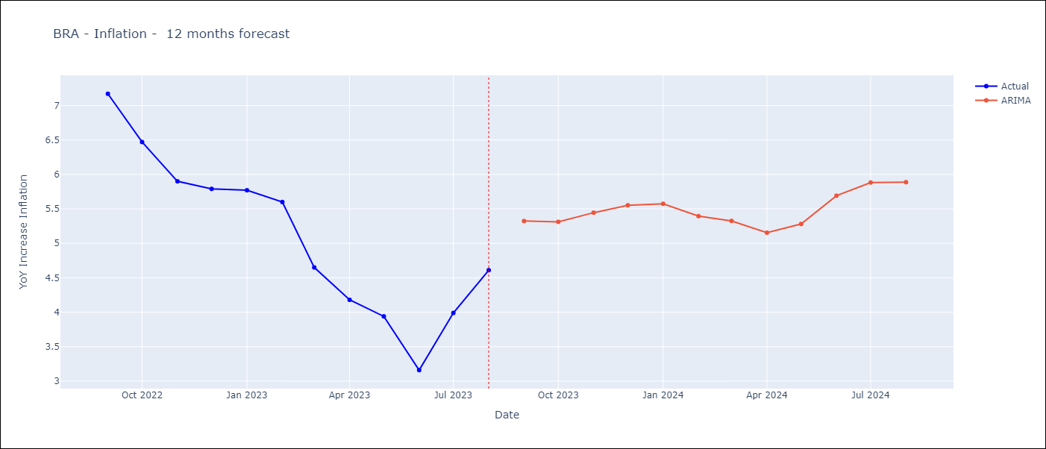

Test Metrics
ARIMA | 5.5%
SARIMAX
VARMAX

Test Predictions
Date | Actual | Predicted (ARIMA) | Predicted (ARIMAX) | Predicted (VARMAX)
2022-09-01 | 7.17 | 7.57
2022-10-01 | 6.47 | 6.63
2022-11-01 | 5.9 | 6.07
2022-12-01 | 5.79 | 6.01
2023-01-01 | 5.77 | 5.95
2023-02-01 | 5.6 | 5.55
2023-03-01 | 4.65 | 4.52
2023-04-01 | 4.18 | 3.84
2023-05-01 | 3.94 | 3.74
2023-06-01 | 3.16 | 3.43
2023-07-01 | 3.99 | 4.47
2023-08-01 | 4.61 | 5.09

COL
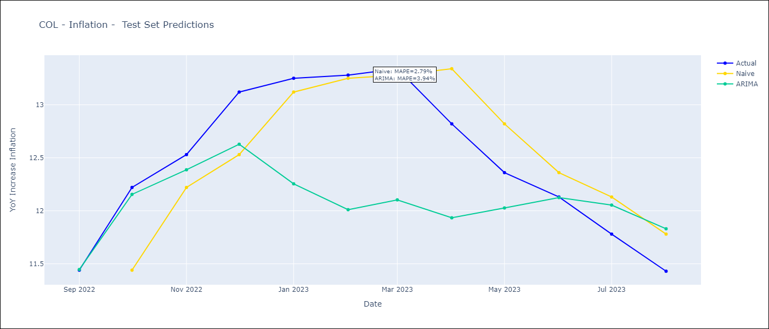
COL - Inflation - Next 12 months forecast as of: 2023-08-01

Models | ARIMA - [(1, 2, 1), (2, 0, 1, 12)]
Training Data | 1996-04-01 to 2022-09-01
Test Data | 2022-09-01 to 2023-08-01

Date | ARIMA
2023-09-01 | 11.27 | 0 | 0
2023-10-01 | 11.13 | 0 | 0
2023-11-01 | 11.02 | 0 | 0
2023-12-01 | 10.74 | 0 | 0
2024-01-01 | 10.34 | 0 | 0
2024-02-01 | 10.14 | 0 | 0
2024-03-01 | 10.19 | 0 | 0
2024-04-01 | 10.51 | 0 | 0
2024-05-01 | 11.03 | 0 | 0
2024-06-01 | 11.32 | 0 | 0
2024-07-01 | 11.58 | 0 | 0
2024-08-01 | 11.74 | 0 | 0

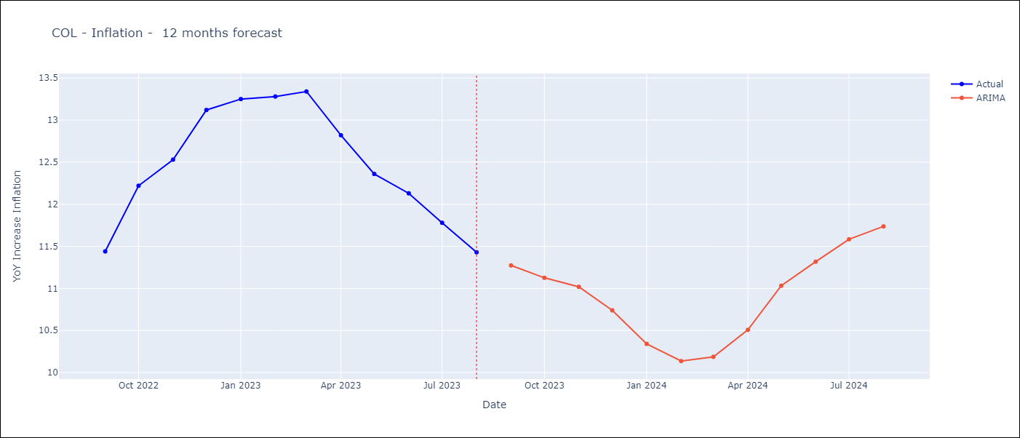

Test Metrics
ARIMA | 3.94%
SARIMAX
VARMAX

Test Predictions
Date | Actual | Predicted (ARIMA) | Predicted (ARIMAX) | Predicted (VARMAX)
2022-09-01 | 11.44 | 11.45
2022-10-01 | 12.22 | 12.15
2022-11-01 | 12.53 | 12.39
2022-12-01 | 13.12 | 12.63
2023-01-01 | 13.25 | 12.25
2023-02-01 | 13.28 | 12.01
2023-03-01 | 13.34 | 12.1
2023-04-01 | 12.82 | 11.93
2023-05-01 | 12.36 | 12.03
2023-06-01 | 12.13 | 12.12
2023-07-01 | 11.78 | 12.05
2023-08-01 | 11.43 | 11.83

URY
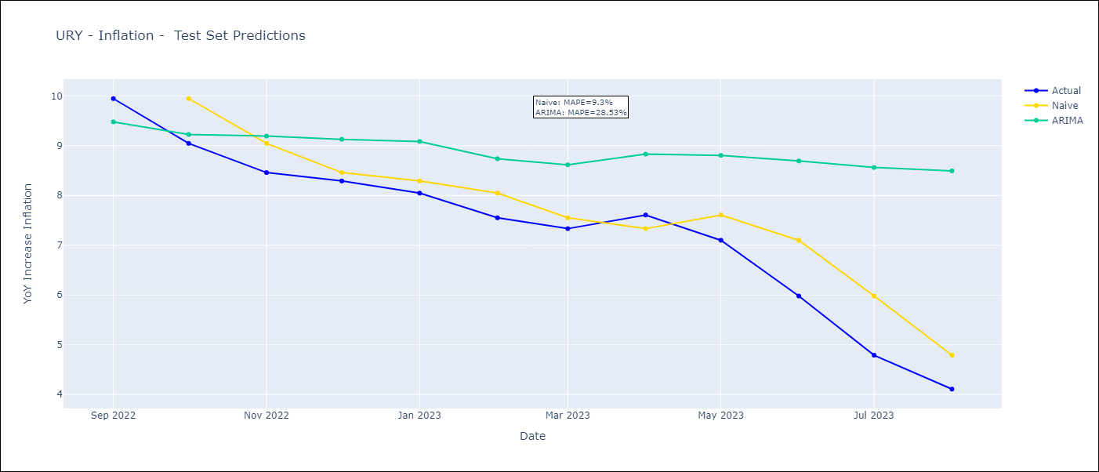
URY - Inflation - Next 12 months forecast as of: 2023-08-01

Models | ARIMA - [(3, 0, 0), (2, 0, 0, 12)]
Training Data | 2008-09-01 to 2022-09-01
Test Data | 2022-09-01 to 2023-08-01

Date | ARIMA
2023-09-01 | 4.13 | 0 | 0
2023-10-01 | 4.74 | 0 | 0
2023-11-01 | 5.27 | 0 | 0
2023-12-01 | 5.54 | 0 | 0
2024-01-01 | 5.8 | 0 | 0
2024-02-01 | 6.05 | 0 | 0
2024-03-01 | 6.22 | 0 | 0
2024-04-01 | 6.27 | 0 | 0
2024-05-01 | 6.61 | 0 | 0
2024-06-01 | 7.21 | 0 | 0
2024-07-01 | 7.77 | 0 | 0
2024-08-01 | 8.16 | 0 | 0

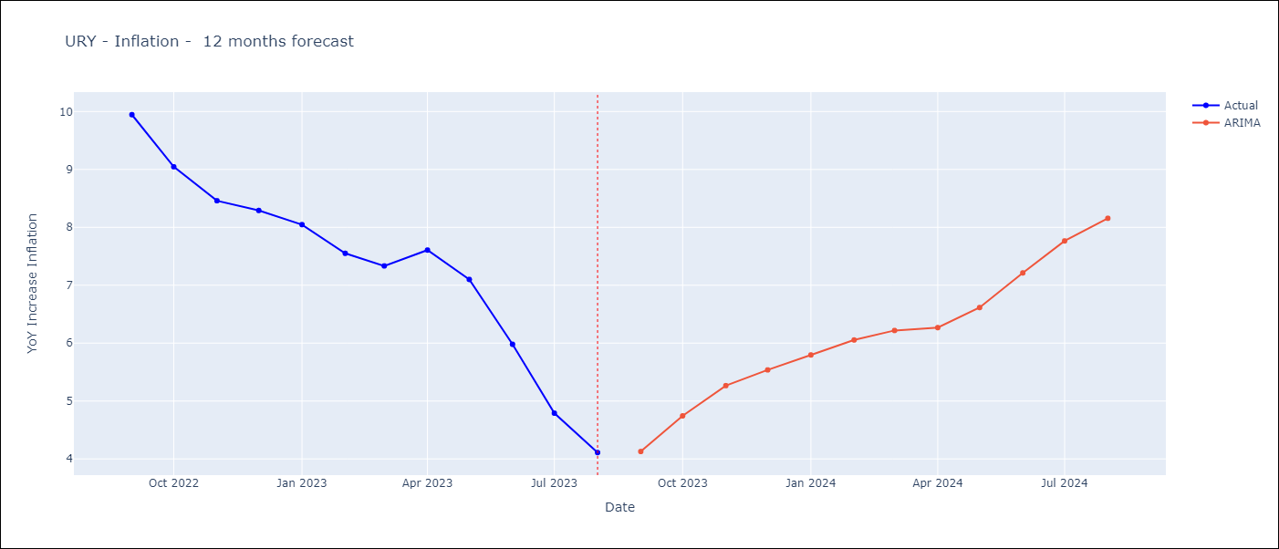

Test Metrics
ARIMA | 28.53%
SARIMAX
VARMAX

Test Predictions
Date | Actual | Predicted (ARIMA) | Predicted (ARIMAX) | Predicted (VARMAX)
2022-09-01 | 9.95 | 9.48
2022-10-01 | 9.05 | 9.23
2022-11-01 | 8.46 | 9.19
2022-12-01 | 8.29 | 9.13
2023-01-01 | 8.05 | 9.08
2023-02-01 | 7.55 | 8.74
2023-03-01 | 7.33 | 8.62
2023-04-01 | 7.61 | 8.83
2023-05-01 | 7.1 | 8.81
2023-06-01 | 5.98 | 8.69
2023-07-01 | 4.79 | 8.56
2023-08-01 | 4.11 | 8.49

ECU
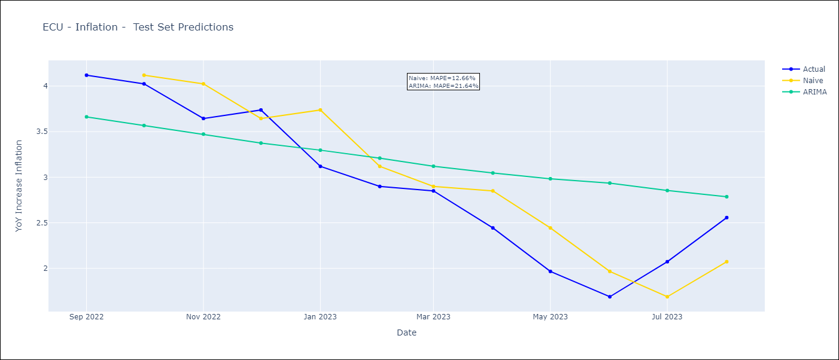
ECU - Inflation - Next 12 months forecast as of: 2023-08-01

Models | ARIMA - [(2, 0, 1), (0, 0, 1, 12)]
Training Data | 2008-01-01 to 2022-09-01
Test Data | 2022-09-01 to 2023-08-01

Date | ARIMA
2023-09-01 | 2.74 | 0 | 0
2023-10-01 | 2.8 | 0 | 0
2023-11-01 | 2.8 | 0 | 0
2023-12-01 | 2.8 | 0 | 0
2024-01-01 | 2.75 | 0 | 0
2024-02-01 | 2.7 | 0 | 0
2024-03-01 | 2.67 | 0 | 0
2024-04-01 | 2.62 | 0 | 0
2024-05-01 | 2.56 | 0 | 0
2024-06-01 | 2.51 | 0 | 0
2024-07-01 | 2.5 | 0 | 0
2024-08-01 | 2.5 | 0 | 0

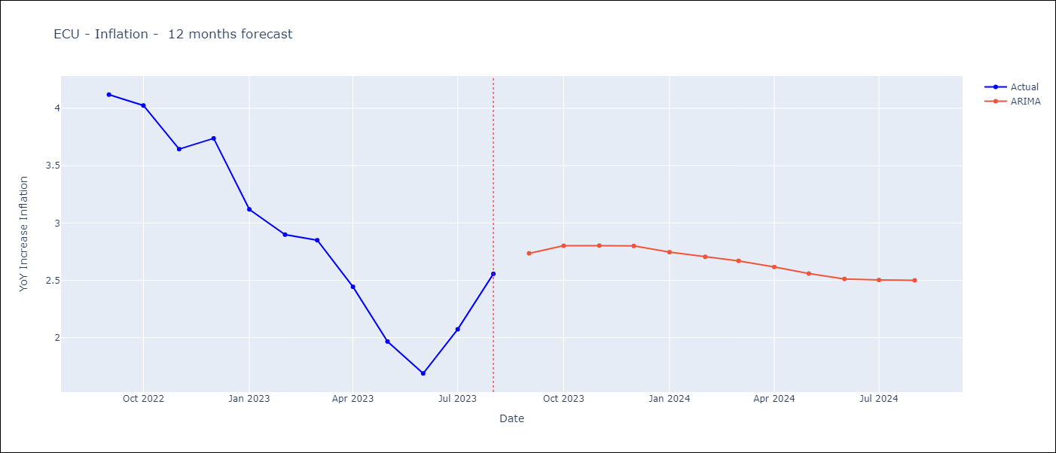

Test Metrics
ARIMA | 21.64%
SARIMAX
VARMAX

Test Predictions
Date | Actual | Predicted (ARIMA) | Predicted (ARIMAX) | Predicted (VARMAX)
2022-09-01 | 4.12 | 3.66
2022-10-01 | 4.02 | 3.57
2022-11-01 | 3.64 | 3.47
2022-12-01 | 3.74 | 3.37
2023-01-01 | 3.12 | 3.3
2023-02-01 | 2.9 | 3.21
2023-03-01 | 2.85 | 3.12
2023-04-01 | 2.44 | 3.05
2023-05-01 | 1.97 | 2.98
2023-06-01 | 1.69 | 2.94
2023-07-01 | 2.07 | 2.85
2023-08-01 | 2.56 | 2.79

PRY
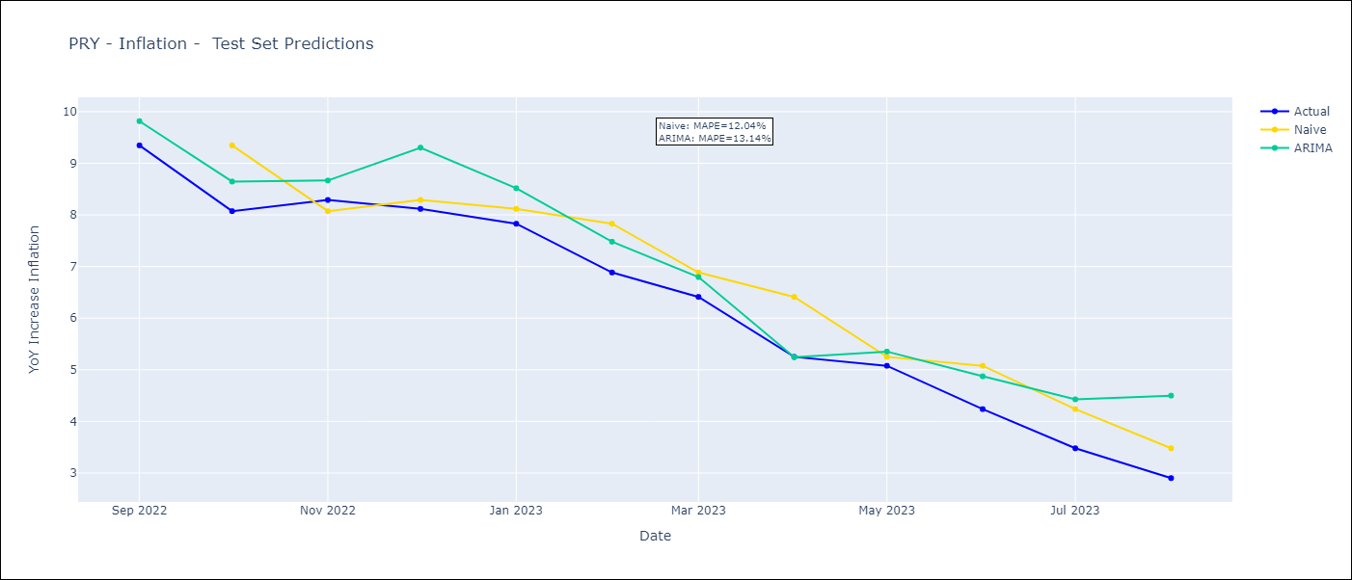
PRY - Inflation - Next 12 months forecast as of: 2023-08-01

Models | ARIMA - [(2, 1, 1), (1, 0, 1, 12)]
Training Data | 1994-06-01 to 2022-09-01
Test Data | 2022-09-01 to 2023-08-01

Date | ARIMA
2023-09-01 | 3.24 | 0 | 0
2023-10-01 | 3.44 | 0 | 0
2023-11-01 | 3.21 | 0 | 0
2023-12-01 | 3.92 | 0 | 0
2024-01-01 | 3.56 | 0 | 0
2024-02-01 | 3.62 | 0 | 0
2024-03-01 | 3.53 | 0 | 0
2024-04-01 | 3.38 | 0 | 0
2024-05-01 | 3.64 | 0 | 0
2024-06-01 | 4.07 | 0 | 0
2024-07-01 | 4.44 | 0 | 0
2024-08-01 | 5.08 | 0 | 0

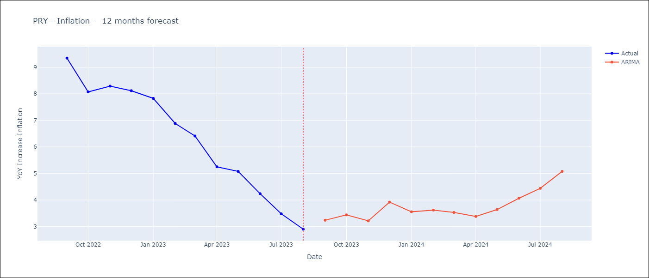

Test Metrics
ARIMA | 13.14%
SARIMAX
VARMAX

Test Predictions
Date | Actual | Predicted (ARIMA) | Predicted (ARIMAX) | Predicted (VARMAX)
2022-09-01 | 9.35 | 9.82
2022-10-01 | 8.07 | 8.65
2022-11-01 | 8.29 | 8.67
2022-12-01 | 8.12 | 9.3
2023-01-01 | 7.83 | 8.52
2023-02-01 | 6.88 | 7.48
2023-03-01 | 6.41 | 6.8
2023-04-01 | 5.25 | 5.24
2023-05-01 | 5.08 | 5.35
2023-06-01 | 4.24 | 4.87
2023-07-01 | 3.48 | 4.43
2023-08-01 | 2.9 | 4.5

CRI
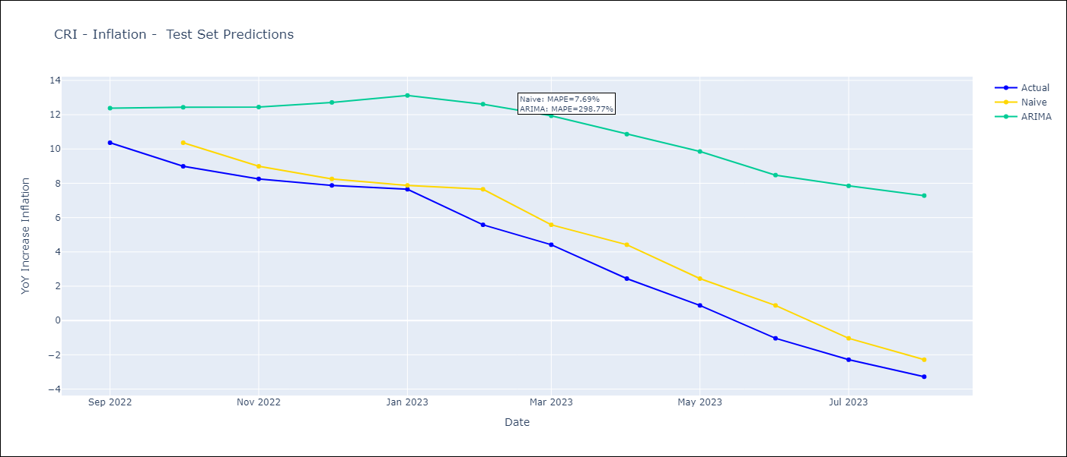
CRI - Inflation - Next 12 months forecast as of: 2023-08-01

Models | ARIMA - [(3, 1, 1), (0, 0, 1, 12)]
Training Data | 2007-03-01 to 2022-09-01
Test Data | 2022-09-01 to 2023-08-01

Date | ARIMA
2023-09-01 | -2.48 | 0 | 0
2023-10-01 | -1.68 | 0 | 0
2023-11-01 | -1.64 | 0 | 0
2023-12-01 | -1.41 | 0 | 0
2024-01-01 | -1.16 | 0 | 0
2024-02-01 | 0.03 | 0 | 0
2024-03-01 | 0.28 | 0 | 0
2024-04-01 | 0.94 | 0 | 0
2024-05-01 | 1.34 | 0 | 0
2024-06-01 | 1.72 | 0 | 0
2024-07-01 | 2.22 | 0 | 0
2024-08-01 | 2.57 | 0 | 0

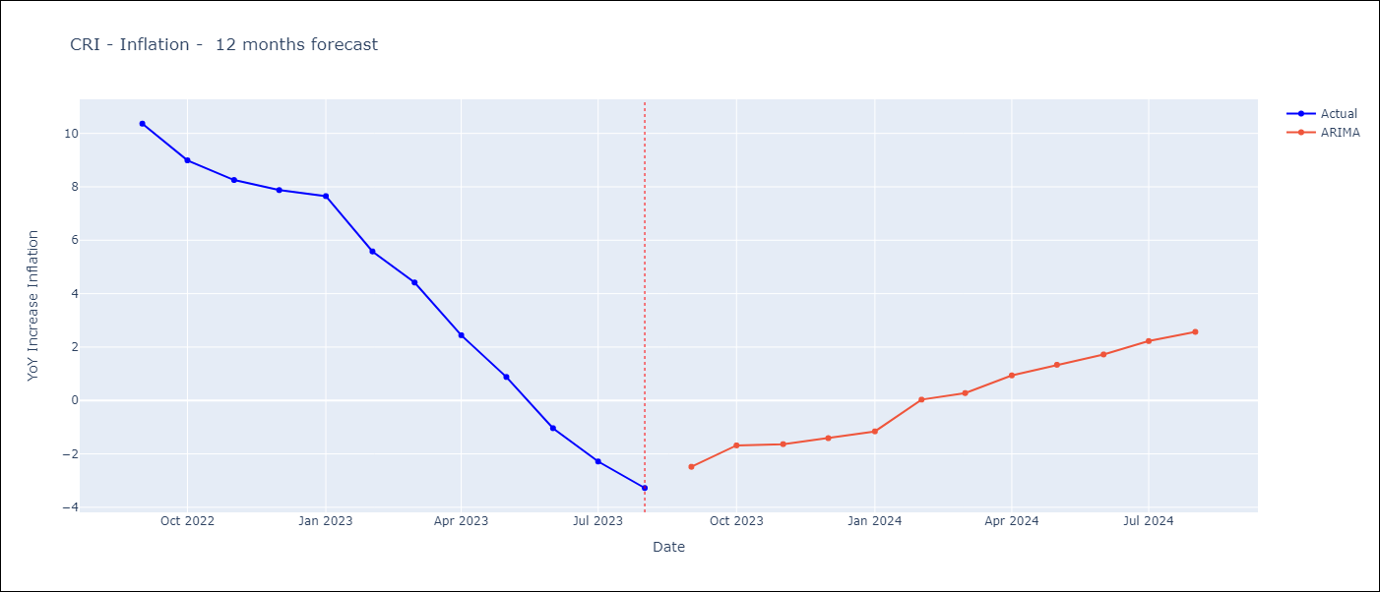

Test Metrics
ARIMA | 298.77%
SARIMAX
VARMAX

Test Predictions
Date | Actual | Predicted (ARIMA) | Predicted (ARIMAX) | Predicted (VARMAX)
2022-09-01 | 10.37 | 12.38
2022-10-01 | 8.99 | 12.43
2022-11-01 | 8.26 | 12.45
2022-12-01 | 7.88 | 12.71
2023-01-01 | 7.65 | 13.12
2023-02-01 | 5.58 | 12.61
2023-03-01 | 4.42 | 11.94
2023-04-01 | 2.44 | 10.86
2023-05-01 | 0.88 | 9.85
2023-06-01 | -1.04 | 8.48
2023-07-01 | -2.29 | 7.85
2023-08-01 | -3.28 | 7.28

SLV
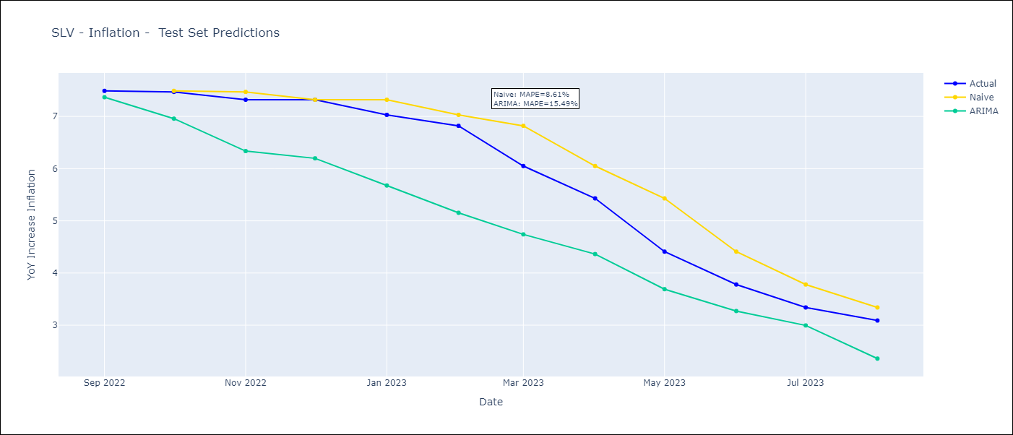
SLV - Inflation - Next 12 months forecast as of: 2023-08-01

Models | ARIMA - [(2, 0, 1), (3, 0, 0, 12)]
Training Data | 2002-12-01 to 2022-09-01
Test Data | 2022-09-01 to 2023-08-01

Date | ARIMA
2023-09-01 | 2.88 | 0 | 0
2023-10-01 | 2.56 | 0 | 0
2023-11-01 | 2.26 | 0 | 0
2023-12-01 | 2.23 | 0 | 0
2024-01-01 | 2.11 | 0 | 0
2024-02-01 | 1.96 | 0 | 0
2024-03-01 | 2.3 | 0 | 0
2024-04-01 | 2.55 | 0 | 0
2024-05-01 | 2.81 | 0 | 0
2024-06-01 | 3.07 | 0 | 0
2024-07-01 | 3.33 | 0 | 0
2024-08-01 | 3.15 | 0 | 0

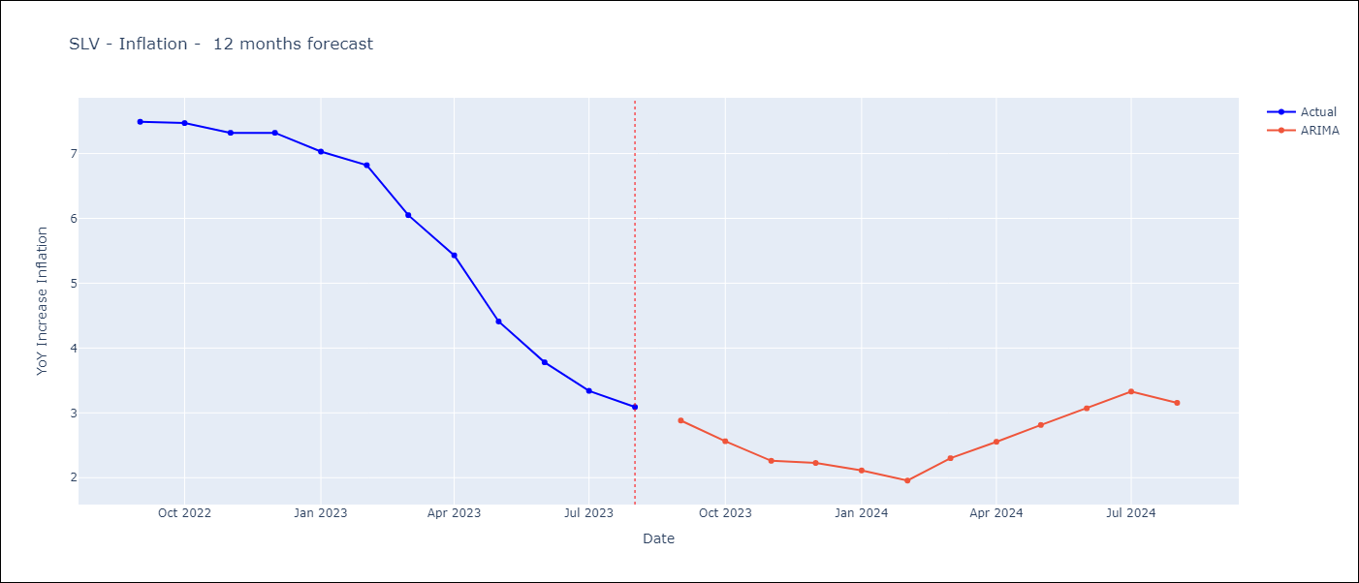

Test Metrics
ARIMA | 15.49%
SARIMAX
VARMAX

Test Predictions
Date | Actual | Predicted (ARIMA) | Predicted (ARIMAX) | Predicted (VARMAX)
2022-09-01 | 7.49 | 7.37
2022-10-01 | 7.47 | 6.96
2022-11-01 | 7.32 | 6.34
2022-12-01 | 7.32 | 6.2
2023-01-01 | 7.03 | 5.68
2023-02-01 | 6.82 | 5.15
2023-03-01 | 6.05 | 4.74
2023-04-01 | 5.43 | 4.36
2023-05-01 | 4.41 | 3.69
2023-06-01 | 3.78 | 3.27
2023-07-01 | 3.34 | 3
2023-08-01 | 3.09 | 2.36

GTM
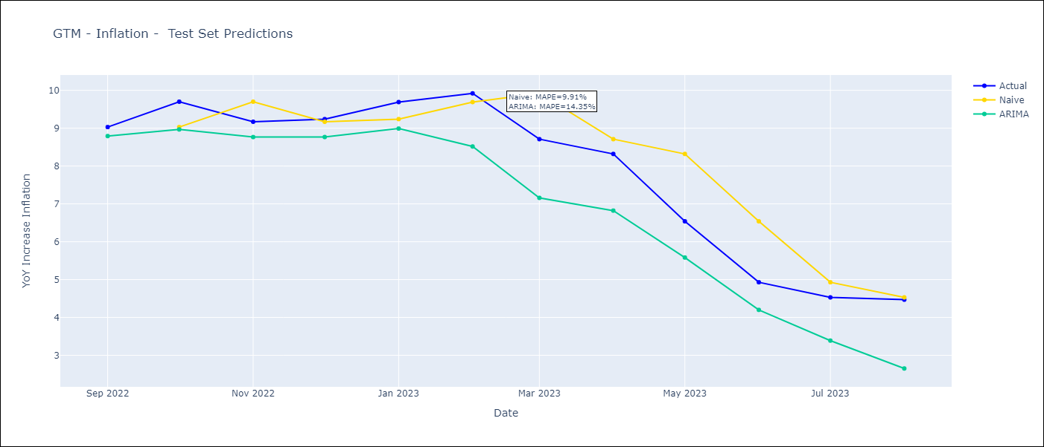
GTM - Inflation - Next 12 months forecast as of: 2023-08-01

Models | ARIMA - [(2, 0, 0), (1, 0, 1, 12)]
Training Data | 2006-01-01 to 2022-09-01
Test Data | 2022-09-01 to 2023-08-01

Date | ARIMA
2023-09-01 | 4.25 | 0 | 0
2023-10-01 | 3.68 | 0 | 0
2023-11-01 | 4.04 | 0 | 0
2023-12-01 | 3.94 | 0 | 0
2024-01-01 | 3.62 | 0 | 0
2024-02-01 | 2.98 | 0 | 0
2024-03-01 | 3.11 | 0 | 0
2024-04-01 | 3.21 | 0 | 0
2024-05-01 | 4.02 | 0 | 0
2024-06-01 | 4.55 | 0 | 0
2024-07-01 | 4.29 | 0 | 0
2024-08-01 | 3.74 | 0 | 0

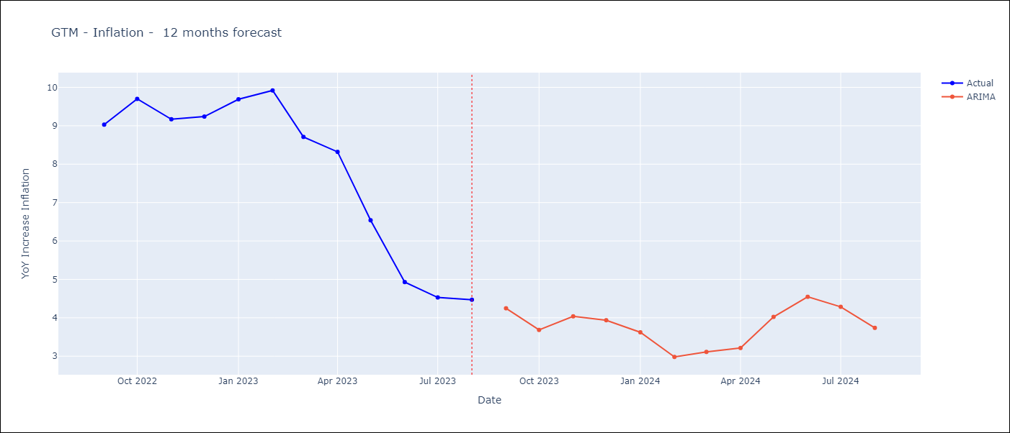

Test Metrics
ARIMA | 14.35%
SARIMAX
VARMAX

Test Predictions
Date | Actual | Predicted (ARIMA) | Predicted (ARIMAX) | Predicted (VARMAX)
2022-09-01 | 9.03 | 8.79
2022-10-01 | 9.7 | 8.97
2022-11-01 | 9.17 | 8.77
2022-12-01 | 9.24 | 8.77
2023-01-01 | 9.69 | 8.99
2023-02-01 | 9.92 | 8.52
2023-03-01 | 8.71 | 7.16
2023-04-01 | 8.32 | 6.82
2023-05-01 | 6.54 | 5.58
2023-06-01 | 4.93 | 4.2
2023-07-01 | 4.53 | 3.39
2023-08-01 | 4.47 | 2.65

HND
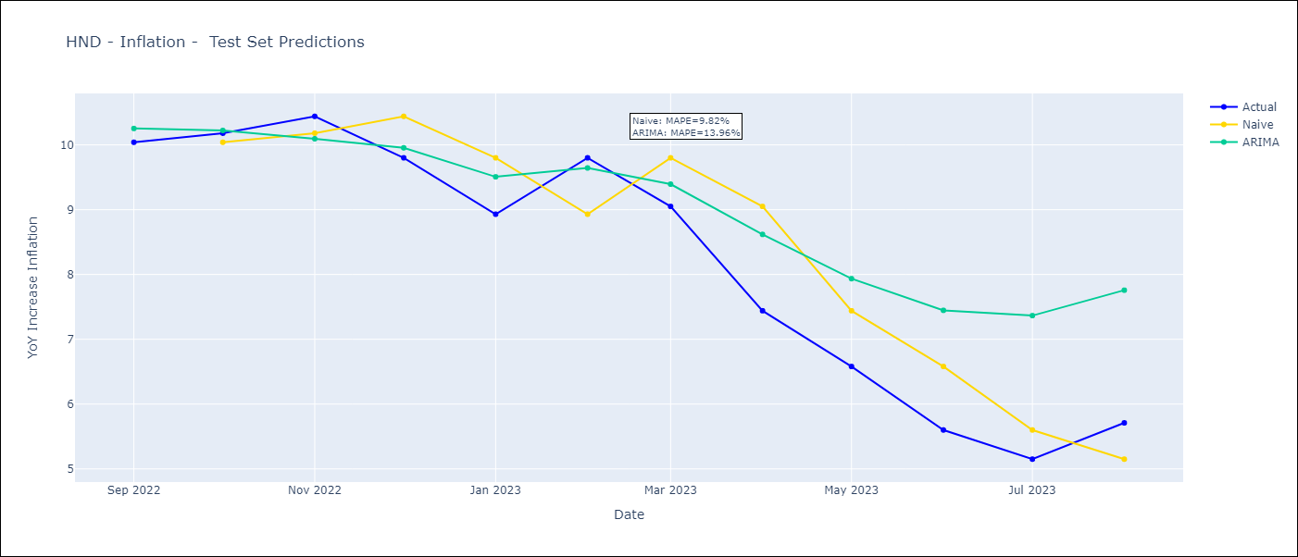
HND - Inflation - Next 12 months forecast as of: 2023-08-01

Models | ARIMA - [(1, 2, 1), (2, 0, 1, 12)]
Training Data | 2006-04-01 to 2022-09-01
Test Data | 2022-09-01 to 2023-08-01

Date | ARIMA
2023-09-01 | 6.11 | 0 | 0
2023-10-01 | 6.11 | 0 | 0
2023-11-01 | 5.83 | 0 | 0
2023-12-01 | 6.27 | 0 | 0
2024-01-01 | 6.61 | 0 | 0
2024-02-01 | 5.95 | 0 | 0
2024-03-01 | 6.38 | 0 | 0
2024-04-01 | 7.07 | 0 | 0
2024-05-01 | 7.4 | 0 | 0
2024-06-01 | 7.71 | 0 | 0
2024-07-01 | 7.91 | 0 | 0
2024-08-01 | 7.83 | 0 | 0

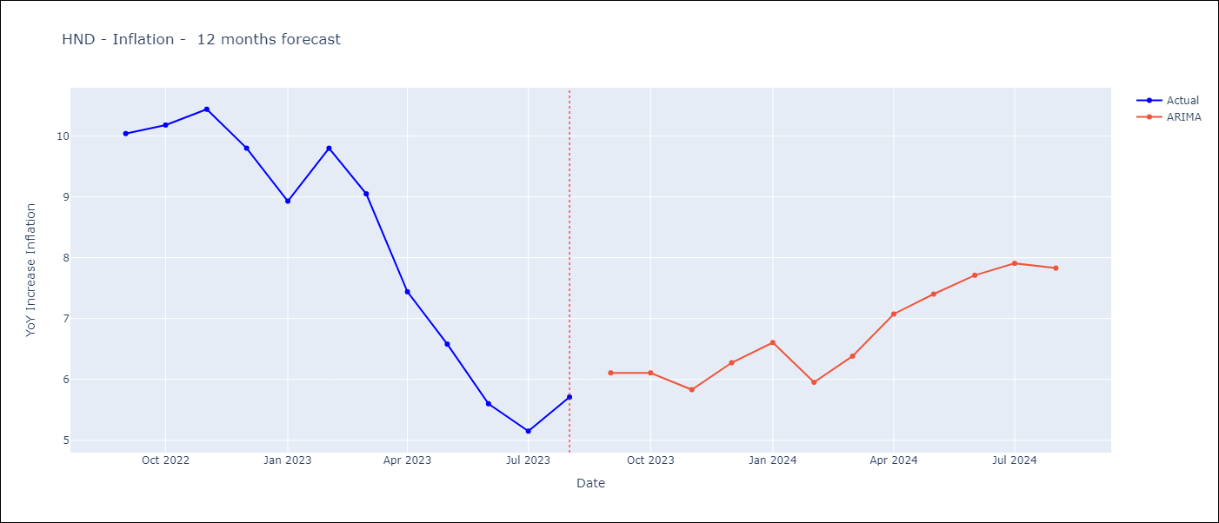

Test Metrics
ARIMA | 13.96%
SARIMAX
VARMAX

Test Predictions
Date | Actual | Predicted (ARIMA) | Predicted (ARIMAX) | Predicted (VARMAX)
2022-09-01 | 10.04 | 10.25
2022-10-01 | 10.18 | 10.22
2022-11-01 | 10.44 | 10.09
2022-12-01 | 9.8 | 9.95
2023-01-01 | 8.93 | 9.51
2023-02-01 | 9.8 | 9.64
2023-03-01 | 9.05 | 9.39
2023-04-01 | 7.44 | 8.62
2023-05-01 | 6.58 | 7.94
2023-06-01 | 5.6 | 7.45
2023-07-01 | 5.15 | 7.37
2023-08-01 | 5.71 | 7.76

NIC
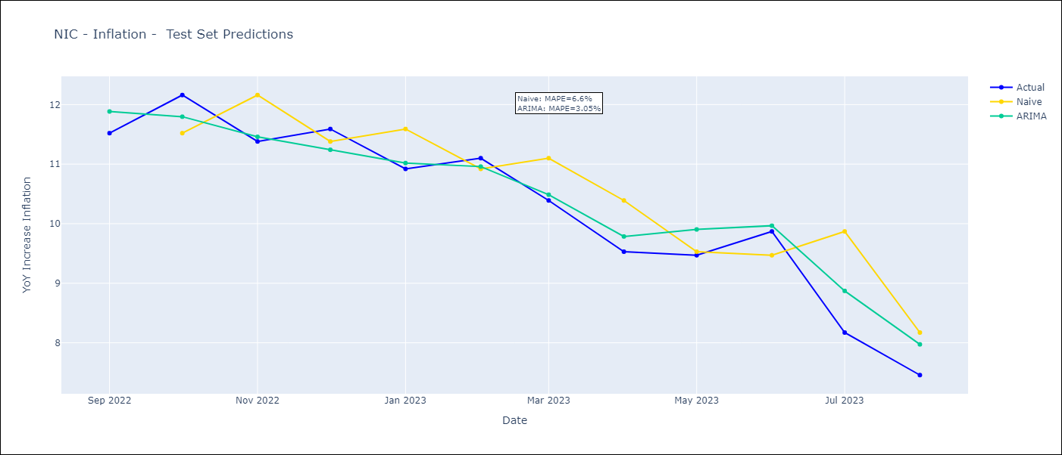
NIC - Inflation - Next 12 months forecast as of: 2023-08-01

Models | ARIMA - [(3, 1, 1), (2, 0, 1, 12)]
Training Data | 2008-01-01 to 2022-09-01
Test Data | 2022-09-01 to 2023-08-01

Date | ARIMA
2023-09-01 | 7.85 | 0 | 0
2023-10-01 | 6.93 | 0 | 0
2023-11-01 | 7.18 | 0 | 0
2023-12-01 | 6.59 | 0 | 0
2024-01-01 | 6.92 | 0 | 0
2024-02-01 | 6.56 | 0 | 0
2024-03-01 | 6.62 | 0 | 0
2024-04-01 | 6.61 | 0 | 0
2024-05-01 | 6.53 | 0 | 0
2024-06-01 | 6.11 | 0 | 0
2024-07-01 | 6.73 | 0 | 0
2024-08-01 | 6.53 | 0 | 0

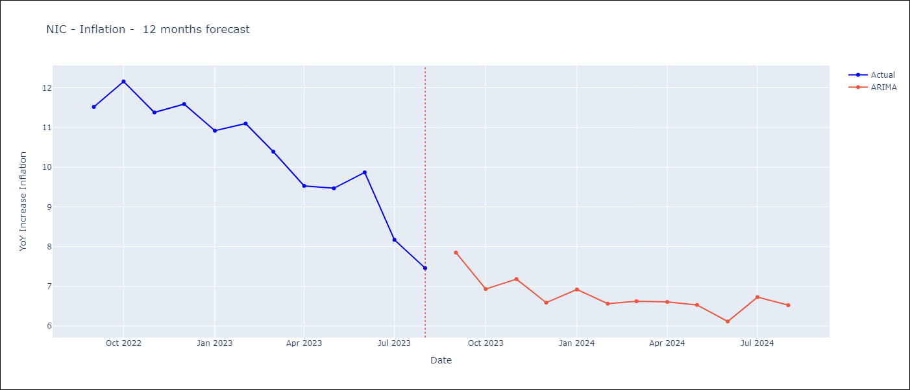

Test Metrics
ARIMA | 3.05%
SARIMAX
VARMAX

Test Predictions
Date | Actual | Predicted (ARIMA) | Predicted (ARIMAX) | Predicted (VARMAX)
2022-09-01 | 11.52 | 11.88
2022-10-01 | 12.16 | 11.8
2022-11-01 | 11.38 | 11.46
2022-12-01 | 11.59 | 11.24
2023-01-01 | 10.92 | 11.02
2023-02-01 | 11.1 | 10.96
2023-03-01 | 10.39 | 10.49
2023-04-01 | 9.53 | 9.79
2023-05-01 | 9.47 | 9.9
2023-06-01 | 9.87 | 9.97
2023-07-01 | 8.17 | 8.87
2023-08-01 | 7.46 | 7.97

DOM
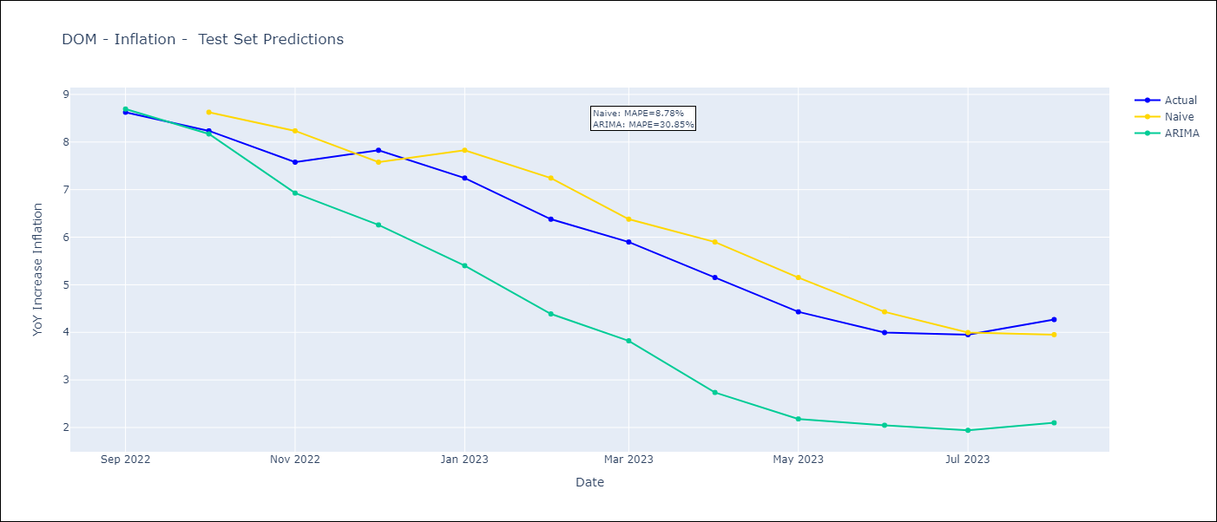
DOM - Inflation - Next 12 months forecast as of: 2023-08-01

Models | ARIMA - [(1, 0, 1), (1, 0, 1, 12)]
Training Data | 2005-01-01 to 2022-09-01
Test Data | 2022-09-01 to 2023-08-01

Date | ARIMA
2023-09-01 | 4.43 | 0 | 0
2023-10-01 | 4.4 | 0 | 0
2023-11-01 | 4.01 | 0 | 0
2023-12-01 | 3.12 | 0 | 0
2024-01-01 | 2.98 | 0 | 0
2024-02-01 | 3.04 | 0 | 0
2024-03-01 | 3.06 | 0 | 0
2024-04-01 | 2.9 | 0 | 0
2024-05-01 | 3.21 | 0 | 0
2024-06-01 | 3.58 | 0 | 0
2024-07-01 | 3.54 | 0 | 0
2024-08-01 | 3.33 | 0 | 0

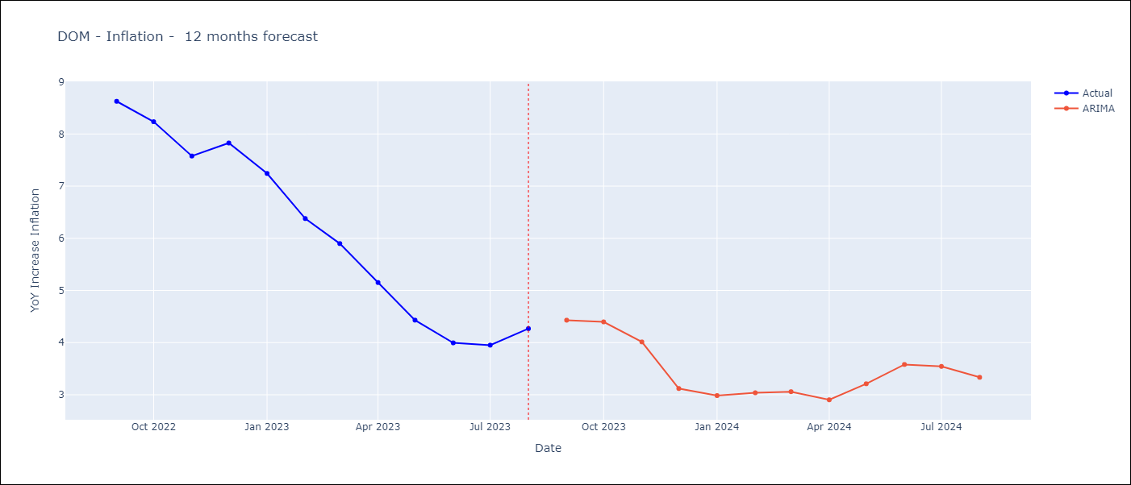

Test Metrics
ARIMA | 30.85%
SARIMAX
VARMAX

Test Predictions
Date | Actual | Predicted (ARIMA) | Predicted (ARIMAX) | Predicted (VARMAX)
2022-09-01 | 8.63 | 8.69
2022-10-01 | 8.24 | 8.17
2022-11-01 | 7.58 | 6.93
2022-12-01 | 7.83 | 6.26
2023-01-01 | 7.24 | 5.4
2023-02-01 | 6.38 | 4.39
2023-03-01 | 5.9 | 3.82
2023-04-01 | 5.15 | 2.74
2023-05-01 | 4.43 | 2.18
2023-06-01 | 4 | 2.05
2023-07-01 | 3.95 | 1.94
2023-08-01 | 4.27 | 2.1

PAN
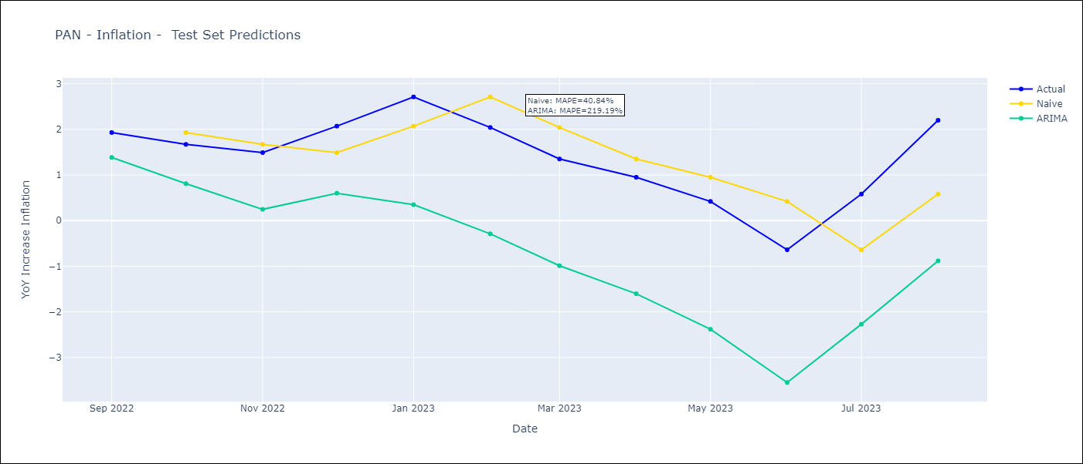
PAN - Inflation - Next 12 months forecast as of: 2023-08-01

Models | ARIMA - [(2, 0, 0), (0, 0, 2, 12)]
Training Data | 2003-12-01 to 2022-09-01
Test Data | 2022-09-01 to 2023-08-01

Date | ARIMA
2023-09-01 | 2.23 | 0 | 0
2023-10-01 | 2.16 | 0 | 0
2023-11-01 | 1.91 | 0 | 0
2023-12-01 | 1.67 | 0 | 0
2024-01-01 | 0.83 | 0 | 0
2024-02-01 | 0.96 | 0 | 0
2024-03-01 | 1.06 | 0 | 0
2024-04-01 | 0.94 | 0 | 0
2024-05-01 | 0.8 | 0 | 0
2024-06-01 | 0.85 | 0 | 0
2024-07-01 | 0.76 | 0 | 0
2024-08-01 | 0.36 | 0 | 0

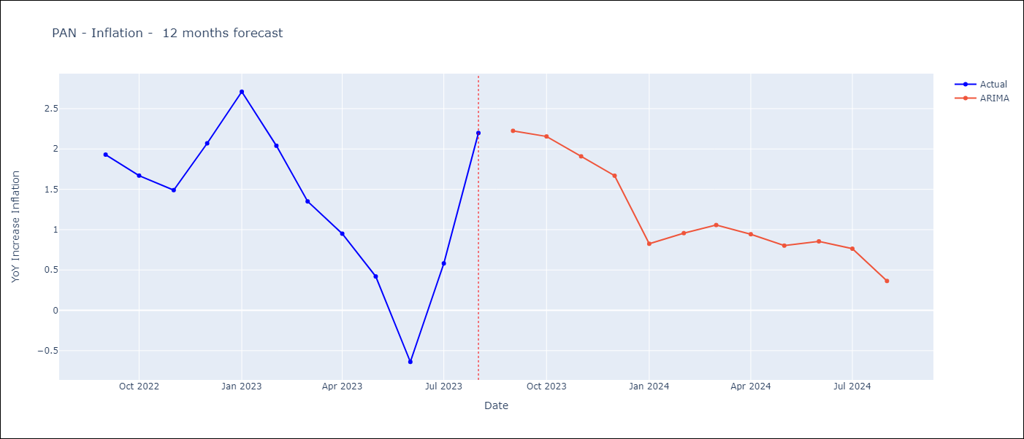

Test Metrics
ARIMA | 219.19%
SARIMAX
VARMAX

Test Predictions
Date | Actual | Predicted (ARIMA) | Predicted (ARIMAX) | Predicted (VARMAX)
2022-09-01 | 1.93 | 1.38
2022-10-01 | 1.67 | 0.81
2022-11-01 | 1.49 | 0.25
2022-12-01 | 2.07 | 0.6
2023-01-01 | 2.71 | 0.35
2023-02-01 | 2.04 | -0.29
2023-03-01 | 1.35 | -0.99
2023-04-01 | 0.95 | -1.6
2023-05-01 | 0.42 | -2.38
2023-06-01 | -0.64 | -3.55
2023-07-01 | 0.58 | -2.27
2023-08-01 | 2.2 | -0.88

CHL
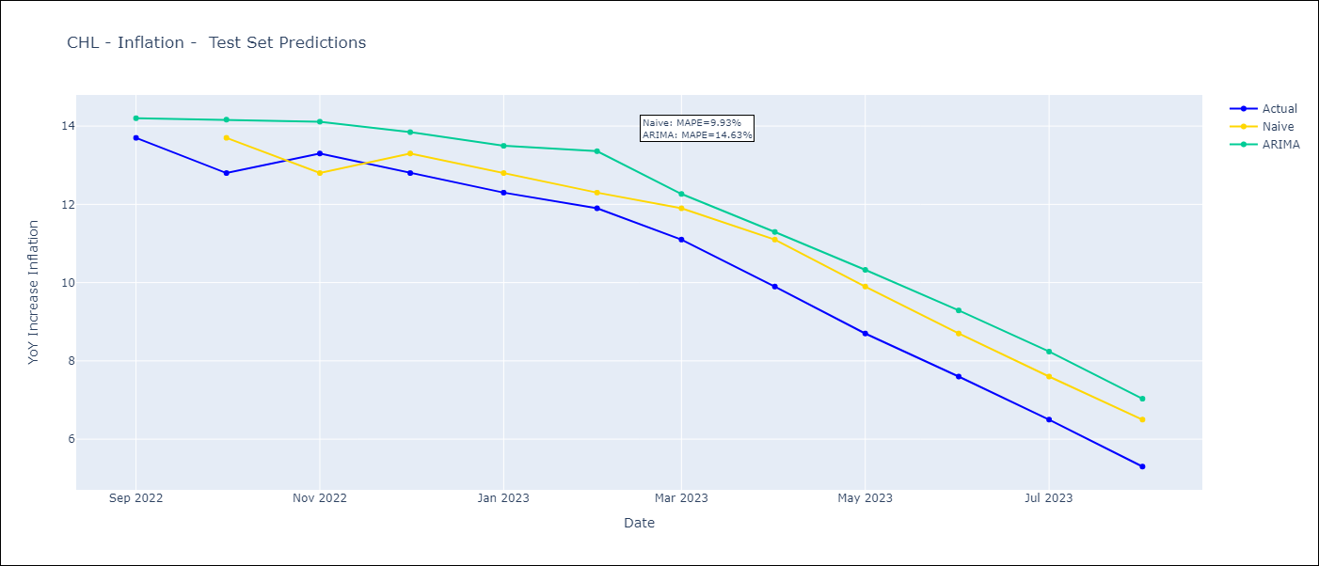
CHL - Inflation - Next 12 months forecast as of: 2023-08-01

Models | ARIMA - [(2, 0, 1), (0, 0, 1, 12)]
Training Data | 1996-05-01 to 2022-09-01
Test Data | 2022-09-01 to 2023-08-01

Date | ARIMA
2023-09-01 | 4.18 | 0 | 0
2023-10-01 | 3.09 | 0 | 0
2023-11-01 | 2.11 | 0 | 0
2023-12-01 | 1.18 | 0 | 0
2024-01-01 | 0.33 | 0 | 0
2024-02-01 | -0.41 | 0 | 0
2024-03-01 | -1.06 | 0 | 0
2024-04-01 | -1.61 | 0 | 0
2024-05-01 | -2.04 | 0 | 0
2024-06-01 | -2.35 | 0 | 0
2024-07-01 | -2.55 | 0 | 0
2024-08-01 | -2.65 | 0 | 0

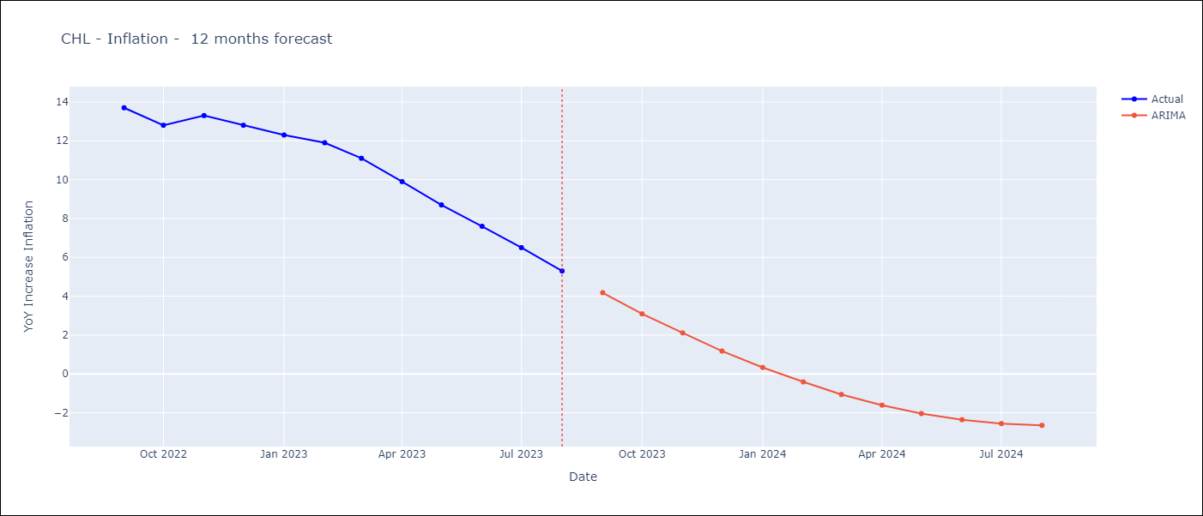

Test Metrics
ARIMA | 14.63%
SARIMAX
VARMAX

Test Predictions
Date | Actual | Predicted (ARIMA) | Predicted (ARIMAX) | Predicted (VARMAX)
2022-09-01 | 13.7 | 14.2
2022-10-01 | 12.8 | 14.17
2022-11-01 | 13.3 | 14.11
2022-12-01 | 12.8 | 13.85
2023-01-01 | 12.3 | 13.5
2023-02-01 | 11.9 | 13.36
2023-03-01 | 11.1 | 12.27
2023-04-01 | 9.9 | 11.3
2023-05-01 | 8.7 | 10.33
2023-06-01 | 7.6 | 9.29
2023-07-01 | 6.5 | 8.24
2023-08-01 | 5.3 | 7.03

PER
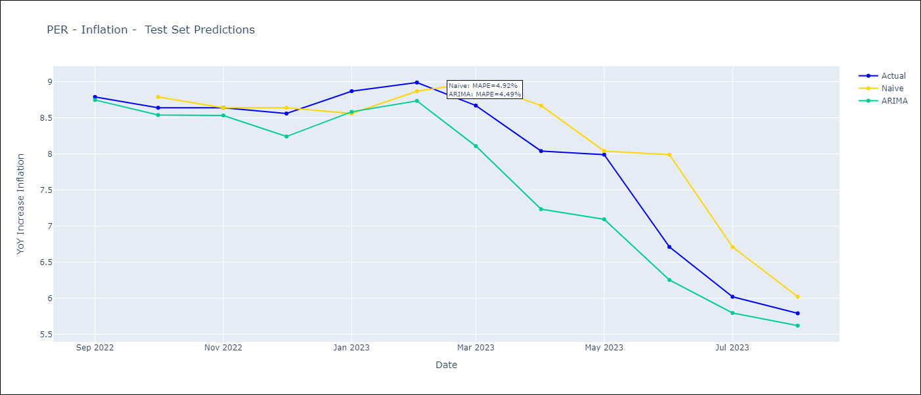
PER - Inflation - Next 12 months forecast as of: 2023-08-01

Models | ARIMA - [(1, 1, 2), (3, 0, 1, 12)]
Training Data | 2002-02-01 to 2022-09-01
Test Data | 2022-09-01 to 2023-08-01

Date | ARIMA
2023-09-01 | 5.47 | 0 | 0
2023-10-01 | 5.17 | 0 | 0
2023-11-01 | 4.95 | 0 | 0
2023-12-01 | 4.51 | 0 | 0
2024-01-01 | 4.34 | 0 | 0
2024-02-01 | 4.13 | 0 | 0
2024-03-01 | 3.69 | 0 | 0
2024-04-01 | 3.4 | 0 | 0
2024-05-01 | 3.19 | 0 | 0
2024-06-01 | 3.57 | 0 | 0
2024-07-01 | 3.83 | 0 | 0
2024-08-01 | 3.83 | 0 | 0

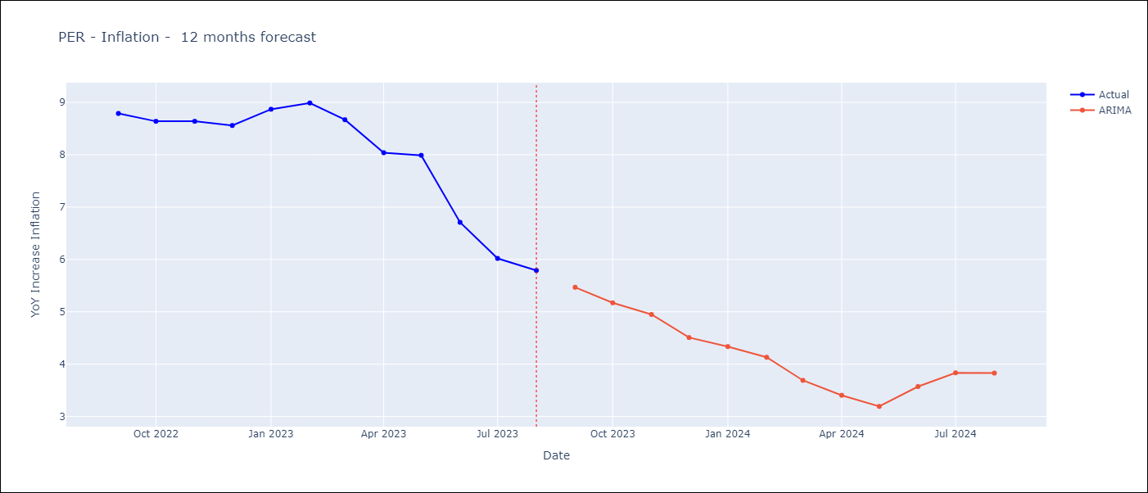

Test Metrics
ARIMA | 4.49%
SARIMAX
VARMAX

Test Predictions
Date | Actual | Predicted (ARIMA) | Predicted (ARIMAX) | Predicted (VARMAX)
2022-09-01 | 8.79 | 8.75
2022-10-01 | 8.64 | 8.54
2022-11-01 | 8.64 | 8.53
2022-12-01 | 8.56 | 8.24
2023-01-01 | 8.87 | 8.58
2023-02-01 | 8.99 | 8.74
2023-03-01 | 8.67 | 8.11
2023-04-01 | 8.04 | 7.23
2023-05-01 | 7.99 | 7.09
2023-06-01 | 6.71 | 6.25
2023-07-01 | 6.02 | 5.79
2023-08-01 | 5.79 | 5.62

