BRA
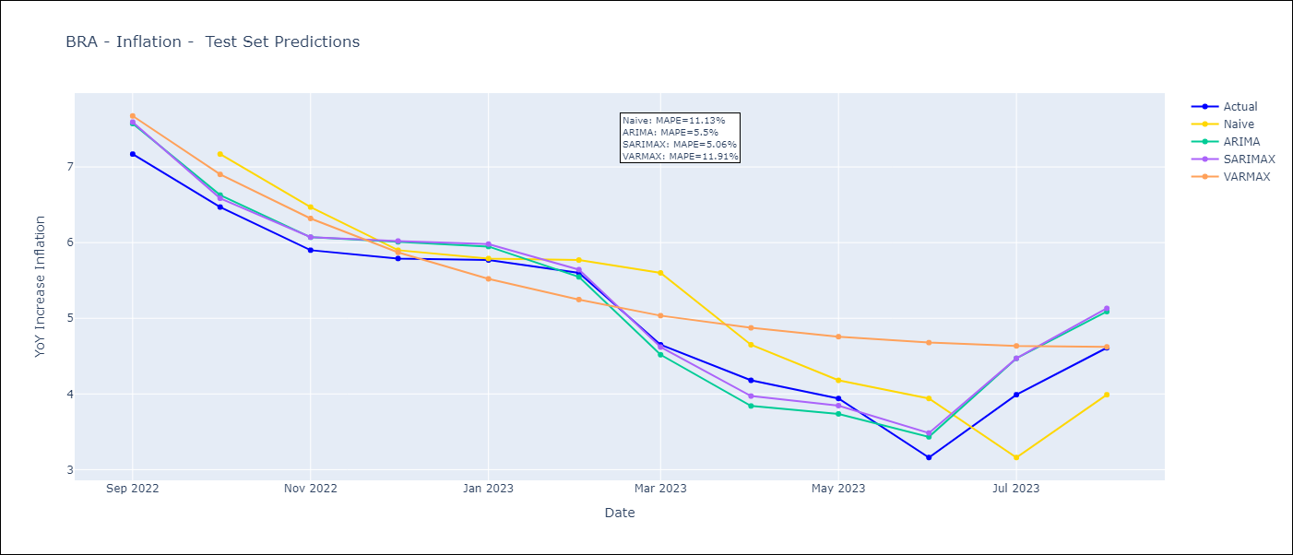
BRA - Inflation - Next 12 months forecast as of: 2023-08-01

Models | ARIMA - [(1, 1, 0), (0, 0, 1, 12)] | SARIMAX - [(1, 1, 0), (0, 0, 1, 12)] | VARMAX - (2, 0, 0, 3, 0, 0, 12)
Training Data | 2002-12-01 to 2022-09-01 | 2002-12-01 to 2022-09-01 | 2002-12-01 to 2022-09-01
Test Data | 2022-09-01 to 2023-08-01 | 2022-09-01 to 2023-08-01 | 2022-09-01 to 2023-08-01
Exogenous Variables | Exchange rates (nominal), Monetary Policiy rate, M1 money supply ($mm local currency)

Date | ARIMA | SARIMAX | VARMAX
2023-09-01 | 5.32 | 5.32 | 4.86
2023-10-01 | 5.31 | 5.28 | 4.96
2023-11-01 | 5.44 | 5.44 | 4.98
2023-12-01 | 5.55 | 5.57 | 4.98
2024-01-01 | 5.57 | 5.59 | 4.96
2024-02-01 | 5.39 | 5.39 | 4.95
2024-03-01 | 5.33 | 5.24 | 4.94
2024-04-01 | 5.15 | 5.01 | 4.95
2024-05-01 | 5.28 | 5.12 | 4.97
2024-06-01 | 5.69 | 5.54 | 5.01
2024-07-01 | 5.88 | 5.71 | 5.05
2024-08-01 | 5.89 | 5.7 | 5.11

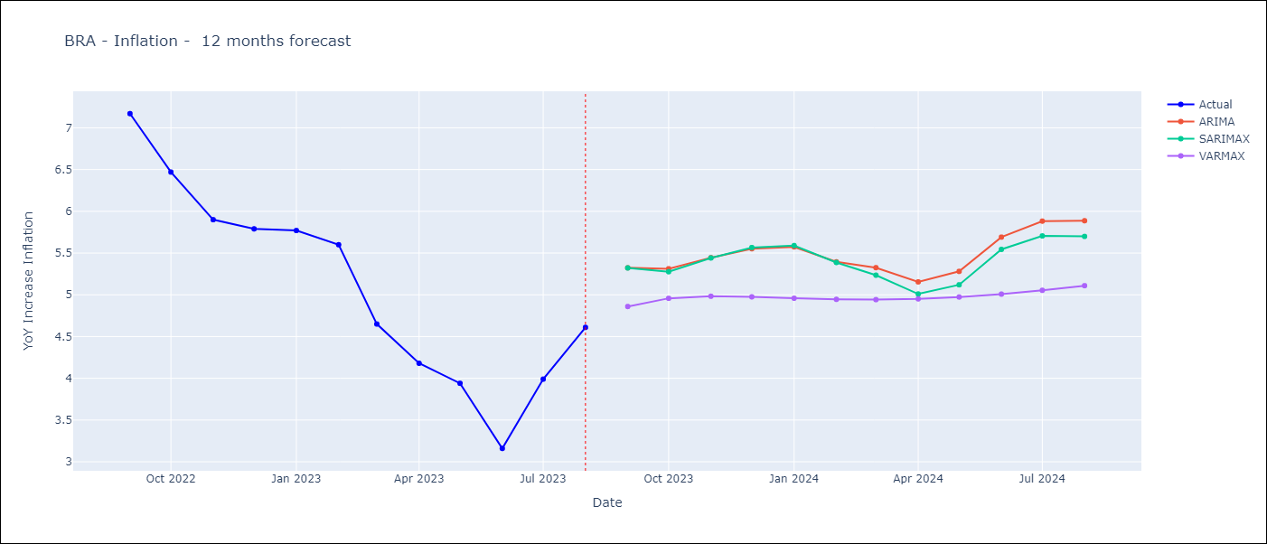

Test Metrics
ARIMA | 5.5%
SARIMAX | 5.06%
VARMAX | 11.91%

Test Predictions
Date | Actual | Predicted (ARIMA) | Predicted (ARIMAX) | Predicted (VARMAX)
2022-09-01 | 7.17 | 7.57 | 7.59 | 7.67
2022-10-01 | 6.47 | 6.63 | 6.59 | 6.9
2022-11-01 | 5.9 | 6.07 | 6.07 | 6.32
2022-12-01 | 5.79 | 6.01 | 6.02 | 5.87
2023-01-01 | 5.77 | 5.95 | 5.98 | 5.52
2023-02-01 | 5.6 | 5.55 | 5.64 | 5.25
2023-03-01 | 4.65 | 4.52 | 4.62 | 5.04
2023-04-01 | 4.18 | 3.84 | 3.97 | 4.87
2023-05-01 | 3.94 | 3.74 | 3.85 | 4.76
2023-06-01 | 3.16 | 3.43 | 3.48 | 4.68
2023-07-01 | 3.99 | 4.47 | 4.47 | 4.63
2023-08-01 | 4.61 | 5.09 | 5.13 | 4.62

