BHS
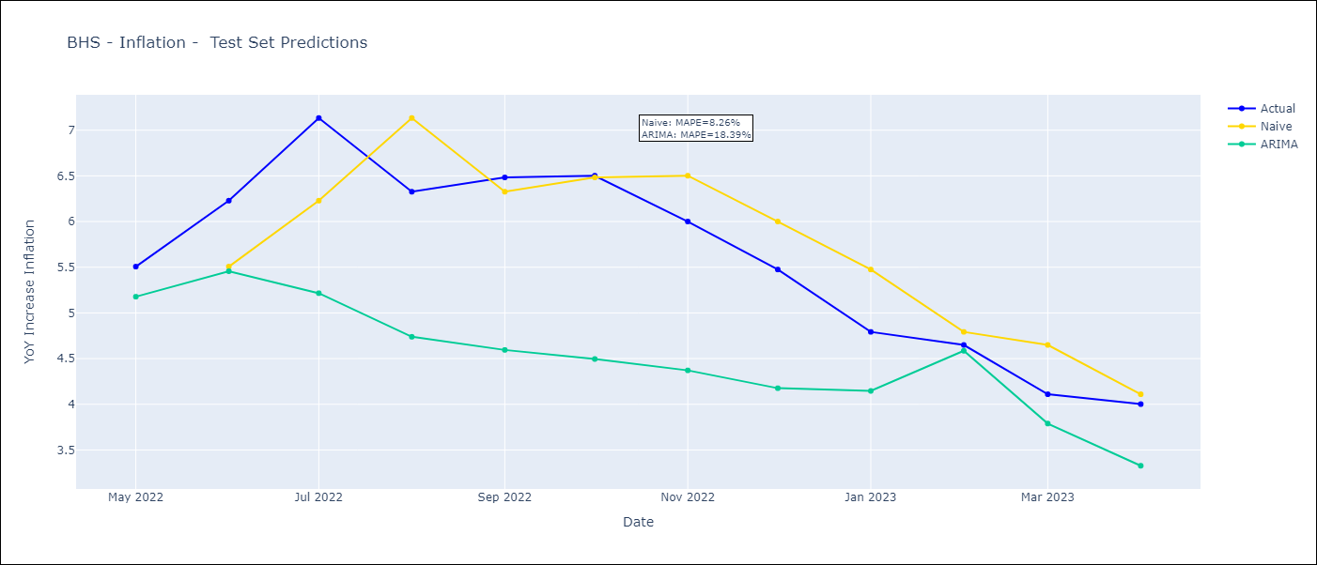
BHS - Inflation - Next 12 months forecast as of: 2023-04-01

Models | ARIMA - [(0, 2, 1), (3, 0, 1, 12)]
Training Data | 1998-01-01 to 2022-05-01
Test Data | 2022-05-01 to 2023-04-01

Date | ARIMA
2023-05-01 | 3.63 | 0 | 0
2023-06-01 | 3.29 | 0 | 0
2023-07-01 | 2.45 | 0 | 0
2023-08-01 | 2.62 | 0 | 0
2023-09-01 | 2.45 | 0 | 0
2023-10-01 | 2.24 | 0 | 0
2023-11-01 | 2.57 | 0 | 0
2023-12-01 | 2.74 | 0 | 0
2024-01-01 | 3.45 | 0 | 0
2024-02-01 | 3.85 | 0 | 0
2024-03-01 | 3.63 | 0 | 0
2024-04-01 | 3.12 | 0 | 0

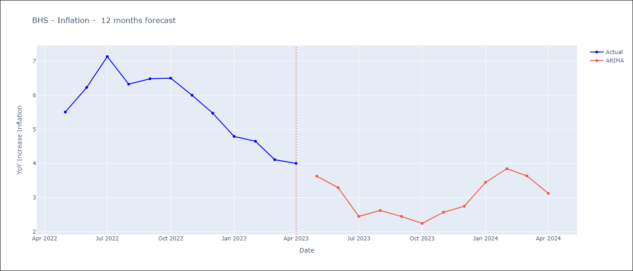

Test Metrics
ARIMA | 18.39%
SARIMAX
VARMAX

Test Predictions
Date | Actual | Predicted (ARIMA) | Predicted (ARIMAX) | Predicted (VARMAX)
2022-05-01 | 5.51 | 5.18
2022-06-01 | 6.23 | 5.46
2022-07-01 | 7.13 | 5.22
2022-08-01 | 6.33 | 4.74
2022-09-01 | 6.48 | 4.59
2022-10-01 | 6.5 | 4.5
2022-11-01 | 6 | 4.37
2022-12-01 | 5.48 | 4.18
2023-01-01 | 4.79 | 4.15
2023-02-01 | 4.65 | 4.59
2023-03-01 | 4.11 | 3.79
2023-04-01 | 4 | 3.33

BRB
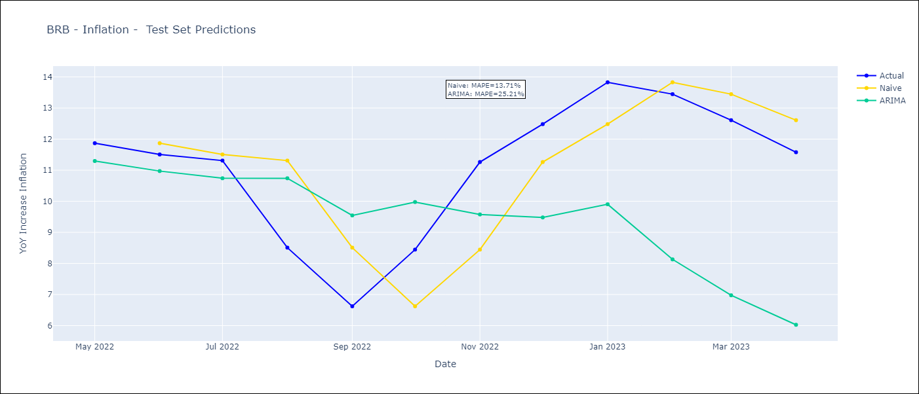
BRB - Inflation - Next 12 months forecast as of: 2023-04-01

Models | ARIMA - [(3, 1, 0), (3, 0, 0, 12)]
Training Data | 2001-01-01 to 2022-05-01
Test Data | 2022-05-01 to 2023-04-01

Date | ARIMA
2023-05-01 | 10.62 | 0 | 0
2023-06-01 | 10.2 | 0 | 0
2023-07-01 | 10 | 0 | 0
2023-08-01 | 12.36 | 0 | 0
2023-09-01 | 12.74 | 0 | 0
2023-10-01 | 11.88 | 0 | 0
2023-11-01 | 9.51 | 0 | 0
2023-12-01 | 8.55 | 0 | 0
2024-01-01 | 8.02 | 0 | 0
2024-02-01 | 6.44 | 0 | 0
2024-03-01 | 6.09 | 0 | 0
2024-04-01 | 6.05 | 0 | 0

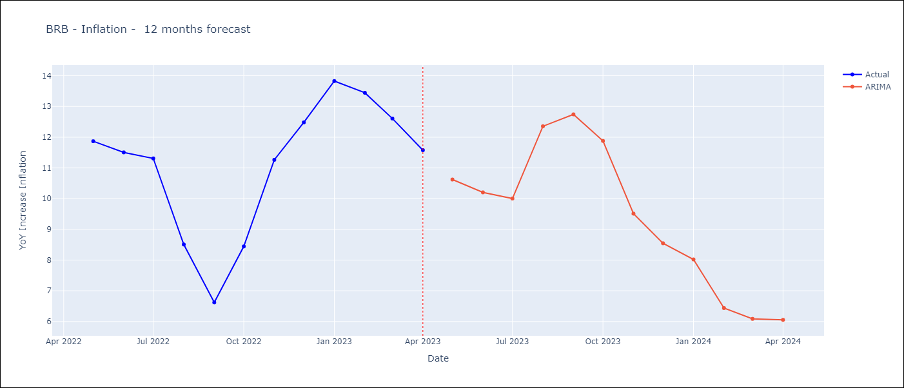

Test Metrics
ARIMA | 25.21%
SARIMAX
VARMAX

Test Predictions
Date | Actual | Predicted (ARIMA) | Predicted (ARIMAX) | Predicted (VARMAX)
2022-05-01 | 11.87 | 11.3
2022-06-01 | 11.51 | 10.97
2022-07-01 | 11.31 | 10.74
2022-08-01 | 8.51 | 10.74
2022-09-01 | 6.62 | 9.55
2022-10-01 | 8.45 | 9.98
2022-11-01 | 11.26 | 9.58
2022-12-01 | 12.48 | 9.48
2023-01-01 | 13.83 | 9.9
2023-02-01 | 13.45 | 8.13
2023-03-01 | 12.61 | 6.98
2023-04-01 | 11.58 | 6.03

CUB
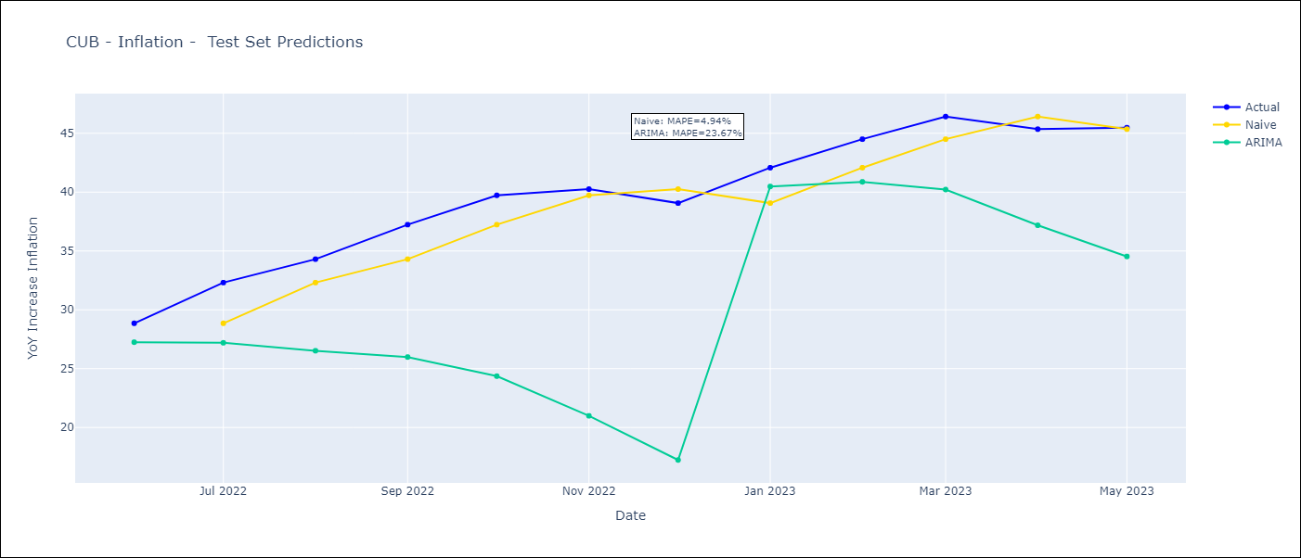
CUB - Inflation - Next 12 months forecast as of: 2023-05-01

Models | ARIMA - [(0, 1, 0), (0, 0, 2, 12)]
Training Data | 2011-01-01 to 2022-06-01
Test Data | 2022-06-01 to 2023-05-01

Date | ARIMA
2023-06-01 | 43.62 | 0 | 0
2023-07-01 | 40.55 | 0 | 0
2023-08-01 | 38.41 | 0 | 0
2023-09-01 | 35.43 | 0 | 0
2023-10-01 | 31.63 | 0 | 0
2023-11-01 | 28.14 | 0 | 0
2023-12-01 | 25.52 | 0 | 0
2024-01-01 | 31.9 | 0 | 0
2024-02-01 | 29.69 | 0 | 0
2024-03-01 | 26.53 | 0 | 0
2024-04-01 | 24.4 | 0 | 0
2024-05-01 | 21.55 | 0 | 0

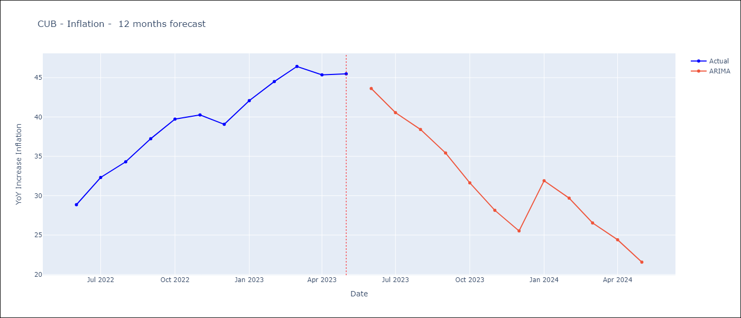

Test Metrics
ARIMA | 23.67%
SARIMAX
VARMAX

Test Predictions
Date | Actual | Predicted (ARIMA) | Predicted (ARIMAX) | Predicted (VARMAX)
2022-06-01 | 28.85 | 27.25
2022-07-01 | 32.31 | 27.2
2022-08-01 | 34.3 | 26.52
2022-09-01 | 37.24 | 25.98
2022-10-01 | 39.73 | 24.36
2022-11-01 | 40.26 | 20.99
2022-12-01 | 39.07 | 17.24
2023-01-01 | 42.08 | 40.48
2023-02-01 | 44.5 | 40.88
2023-03-01 | 46.42 | 40.22
2023-04-01 | 45.35 | 37.18
2023-05-01 | 45.48 | 34.53

GUY
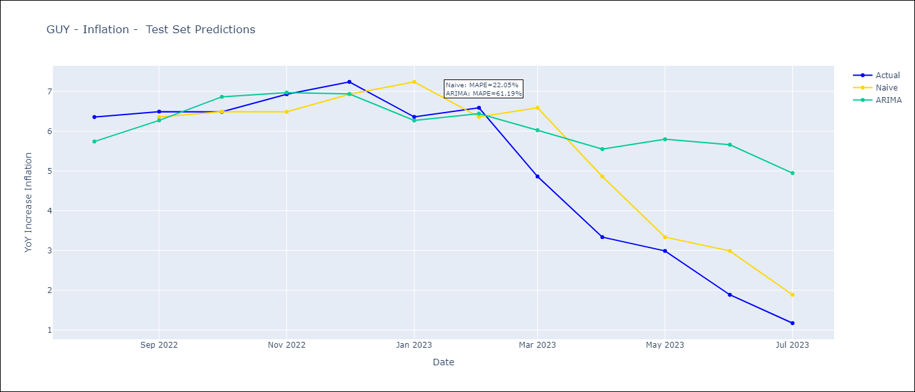
GUY - Inflation - Next 12 months forecast as of: 2023-07-01

Models | ARIMA - [(1, 0, 0), (0, 0, 1, 12)]
Training Data | 2011-01-01 to 2022-08-01
Test Data | 2022-08-01 to 2023-07-01

Date | ARIMA
2023-08-01 | 0.67 | 0 | 0
2023-09-01 | 0.91 | 0 | 0
2023-10-01 | 1.28 | 0 | 0
2023-11-01 | 0.99 | 0 | 0
2023-12-01 | 0.69 | 0 | 0
2024-01-01 | 0.7 | 0 | 0
2024-02-01 | 0.61 | 0 | 0
2024-03-01 | 1.44 | 0 | 0
2024-04-01 | 2.07 | 0 | 0
2024-05-01 | 2.42 | 0 | 0
2024-06-01 | 2.95 | 0 | 0
2024-07-01 | 2.83 | 0 | 0

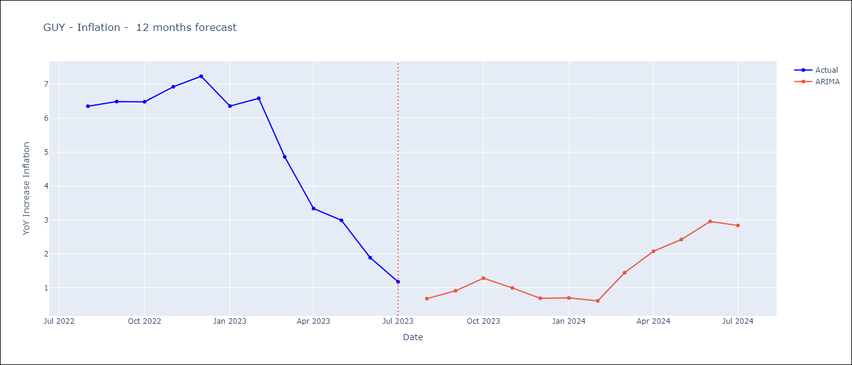

Test Metrics
ARIMA | 61.19%
SARIMAX
VARMAX

Test Predictions
Date | Actual | Predicted (ARIMA) | Predicted (ARIMAX) | Predicted (VARMAX)
2022-08-01 | 6.36 | 5.74
2022-09-01 | 6.49 | 6.27
2022-10-01 | 6.49 | 6.86
2022-11-01 | 6.93 | 6.97
2022-12-01 | 7.24 | 6.94
2023-01-01 | 6.36 | 6.27
2023-02-01 | 6.59 | 6.44
2023-03-01 | 4.86 | 6.02
2023-04-01 | 3.33 | 5.55
2023-05-01 | 2.99 | 5.8
2023-06-01 | 1.88 | 5.66
2023-07-01 | 1.17 | 4.95

HTI
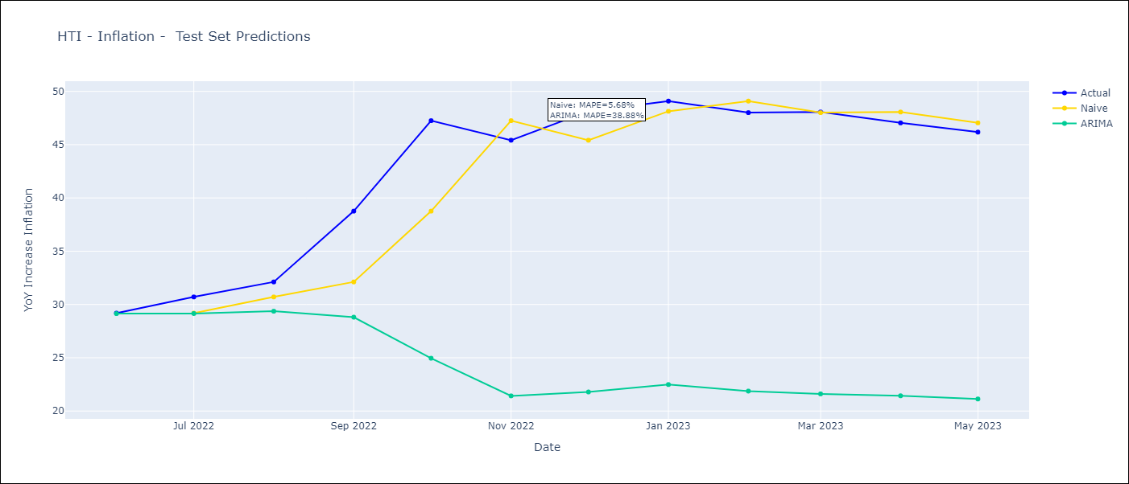
HTI - Inflation - Next 12 months forecast as of: 2023-05-01

Models | ARIMA - [(1, 1, 0), (2, 0, 1, 12)]
Training Data | 2011-01-01 to 2022-06-01
Test Data | 2022-06-01 to 2023-05-01

Date | ARIMA
2023-06-01 | 46.4 | 0 | 0
2023-07-01 | 45.04 | 0 | 0
2023-08-01 | 44.72 | 0 | 0
2023-09-01 | 38.86 | 0 | 0
2023-10-01 | 26.48 | 0 | 0
2023-11-01 | 21.28 | 0 | 0
2023-12-01 | 19.91 | 0 | 0
2024-01-01 | 20.24 | 0 | 0
2024-02-01 | 19.6 | 0 | 0
2024-03-01 | 18.8 | 0 | 0
2024-04-01 | 18.66 | 0 | 0
2024-05-01 | 18.12 | 0 | 0

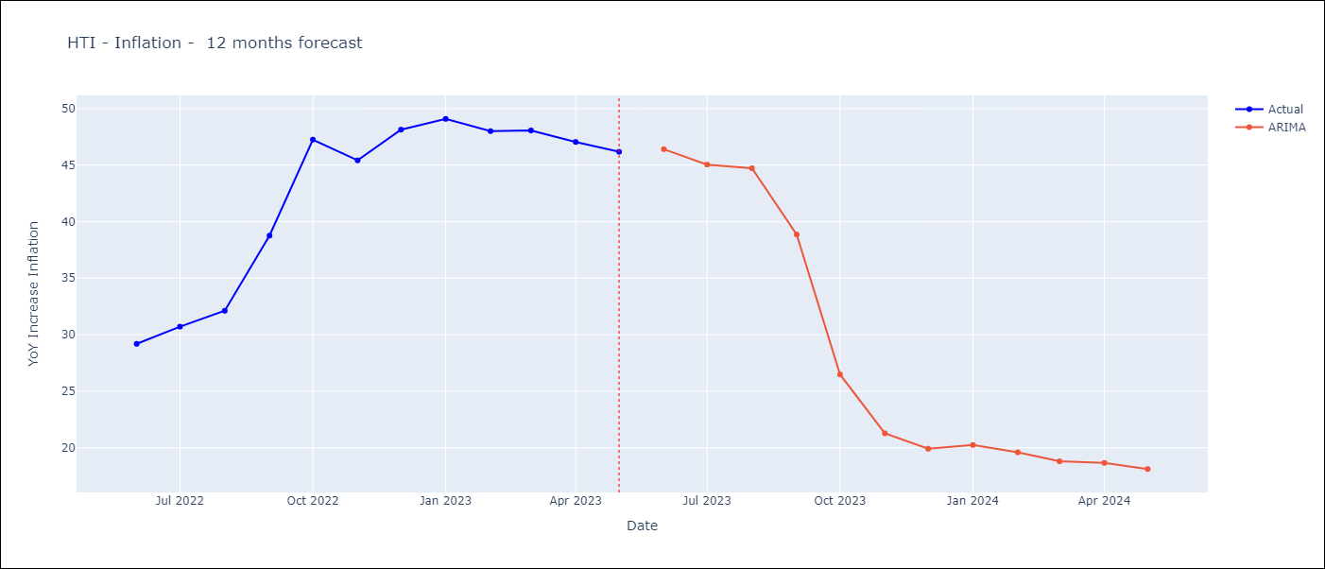

Test Metrics
ARIMA | 38.88%
SARIMAX
VARMAX

Test Predictions
Date | Actual | Predicted (ARIMA) | Predicted (ARIMAX) | Predicted (VARMAX)
2022-06-01 | 29.19 | 29.14
2022-07-01 | 30.71 | 29.15
2022-08-01 | 32.12 | 29.37
2022-09-01 | 38.76 | 28.81
2022-10-01 | 47.25 | 24.96
2022-11-01 | 45.42 | 21.42
2022-12-01 | 48.13 | 21.79
2023-01-01 | 49.09 | 22.49
2023-02-01 | 48 | 21.87
2023-03-01 | 48.06 | 21.61
2023-04-01 | 47.04 | 21.43
2023-05-01 | 46.18 | 21.13

TTO
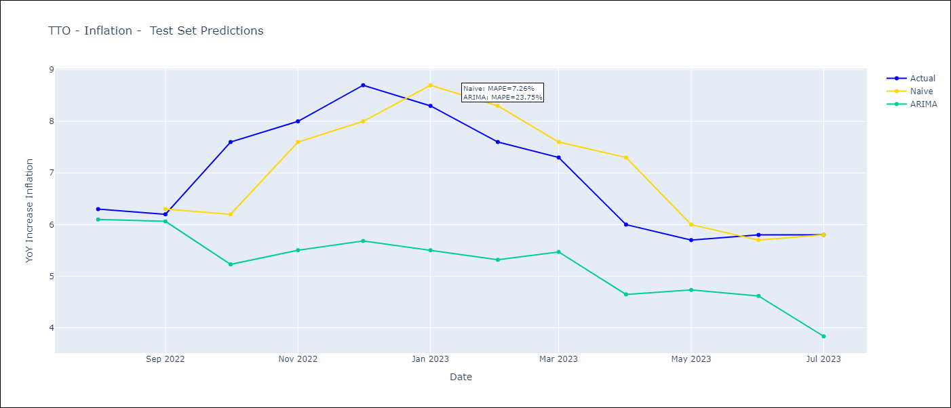
TTO - Inflation - Next 12 months forecast as of: 2023-07-01

Models | ARIMA - [(2, 0, 1), (3, 0, 0, 12)]
Training Data | 1991-01-01 to 2022-08-01
Test Data | 2022-08-01 to 2023-07-01

Date | ARIMA
2023-08-01 | 5.64 | 0 | 0
2023-09-01 | 5.68 | 0 | 0
2023-10-01 | 4.14 | 0 | 0
2023-11-01 | 4 | 0 | 0
2023-12-01 | 3.61 | 0 | 0
2024-01-01 | 3.76 | 0 | 0
2024-02-01 | 4.11 | 0 | 0
2024-03-01 | 4.37 | 0 | 0
2024-04-01 | 4.79 | 0 | 0
2024-05-01 | 5.05 | 0 | 0
2024-06-01 | 4.92 | 0 | 0
2024-07-01 | 4.44 | 0 | 0

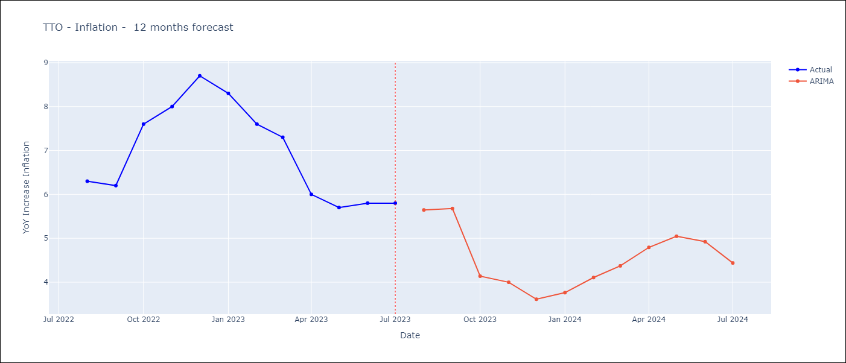

Test Metrics
ARIMA | 23.75%
SARIMAX
VARMAX

Test Predictions
Date | Actual | Predicted (ARIMA) | Predicted (ARIMAX) | Predicted (VARMAX)
2022-08-01 | 6.3 | 6.1
2022-09-01 | 6.2 | 6.06
2022-10-01 | 7.6 | 5.23
2022-11-01 | 8 | 5.5
2022-12-01 | 8.7 | 5.68
2023-01-01 | 8.3 | 5.5
2023-02-01 | 7.6 | 5.32
2023-03-01 | 7.3 | 5.47
2023-04-01 | 6 | 4.65
2023-05-01 | 5.7 | 4.73
2023-06-01 | 5.8 | 4.62
2023-07-01 | 5.8 | 3.84

JAM
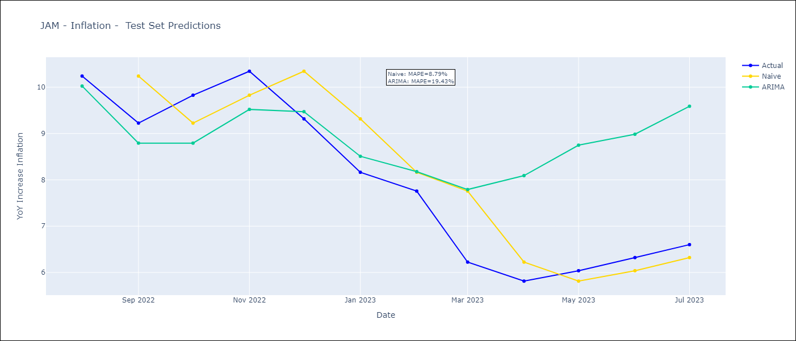
JAM - Inflation - Next 12 months forecast as of: 2023-07-01

Models | ARIMA - [(2, 0, 1), (3, 0, 0, 12)]
Training Data | 1991-01-01 to 2022-08-01
Test Data | 2022-08-01 to 2023-07-01

Date | ARIMA
2023-08-01 | 6.59 | 0 | 0
2023-09-01 | 6.73 | 0 | 0
2023-10-01 | 6.44 | 0 | 0
2023-11-01 | 6.75 | 0 | 0
2023-12-01 | 7.74 | 0 | 0
2024-01-01 | 8.12 | 0 | 0
2024-02-01 | 8.47 | 0 | 0
2024-03-01 | 9.38 | 0 | 0
2024-04-01 | 10.05 | 0 | 0
2024-05-01 | 10.3 | 0 | 0
2024-06-01 | 10.52 | 0 | 0
2024-07-01 | 10.71 | 0 | 0

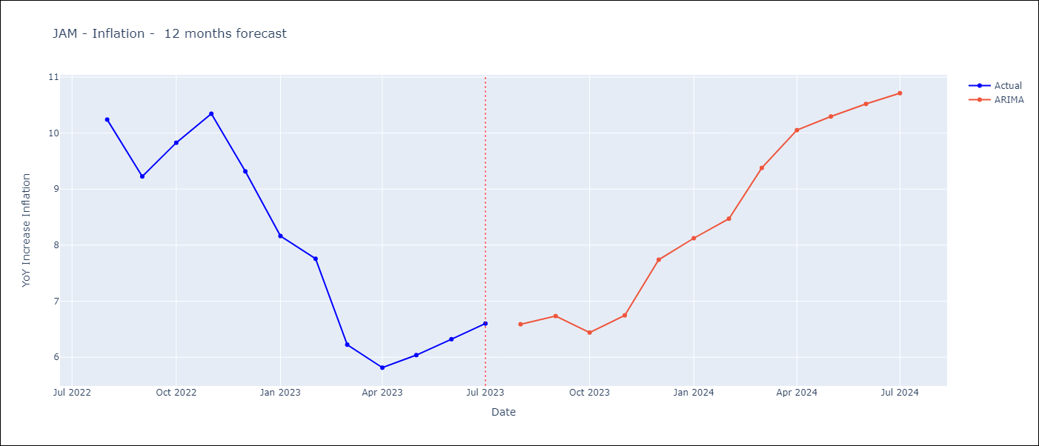

Test Metrics
ARIMA | 19.43%
SARIMAX
VARMAX

Test Predictions
Date | Actual | Predicted (ARIMA) | Predicted (ARIMAX) | Predicted (VARMAX)
2022-08-01 | 10.24 | 10.02
2022-09-01 | 9.23 | 8.79
2022-10-01 | 9.83 | 8.79
2022-11-01 | 10.34 | 9.52
2022-12-01 | 9.32 | 9.47
2023-01-01 | 8.16 | 8.51
2023-02-01 | 7.76 | 8.18
2023-03-01 | 6.22 | 7.79
2023-04-01 | 5.81 | 8.09
2023-05-01 | 6.04 | 8.75
2023-06-01 | 6.32 | 8.98
2023-07-01 | 6.6 | 9.59

ARG
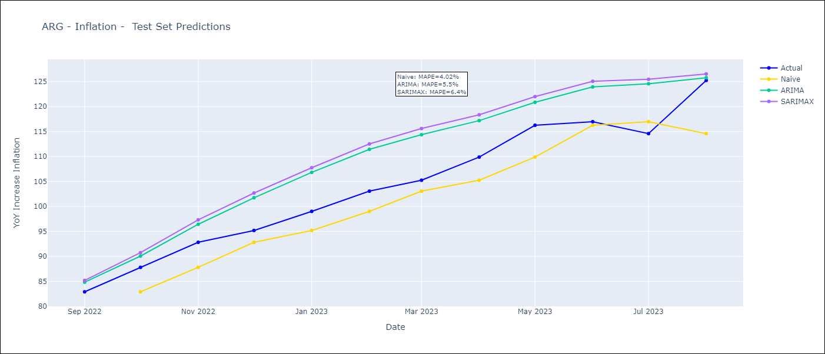
ARG - Inflation - Next 12 months forecast as of: 2023-08-01

Models | ARIMA - [(0, 2, 2), (1, 0, 1, 12)] | SARIMAX - [(0, 2, 2), (1, 0, 1, 12)]
Training Data | 2003-11-01 to 2022-09-01 | 2003-11-01 to 2022-09-01
Test Data | 2022-09-01 to 2023-08-01 | 2022-09-01 to 2023-08-01
Exogenous Variables | Exchange rates (nominal), Monetary Policiy rate, M1 money supply ($mm local currency)

Date | ARIMA | SARIMAX
2023-09-01 | 135.25 | 131.98 | 0
2023-10-01 | 140.36 | 135.47 | 0
2023-11-01 | 146.21 | 139.92 | 0
2023-12-01 | 153.04 | 145.34 | 0
2024-01-01 | 158.59 | 149.26 | 0
2024-02-01 | 163.72 | 152.79 | 0
2024-03-01 | 169.02 | 156.63 | 0
2024-04-01 | 172.44 | 158.38 | 0
2024-05-01 | 175.29 | 159.42 | 0
2024-06-01 | 181.56 | 164.21 | 0
2024-07-01 | 188.08 | 169.34 | 0
2024-08-01 | 186.13 | 165.36 | 0

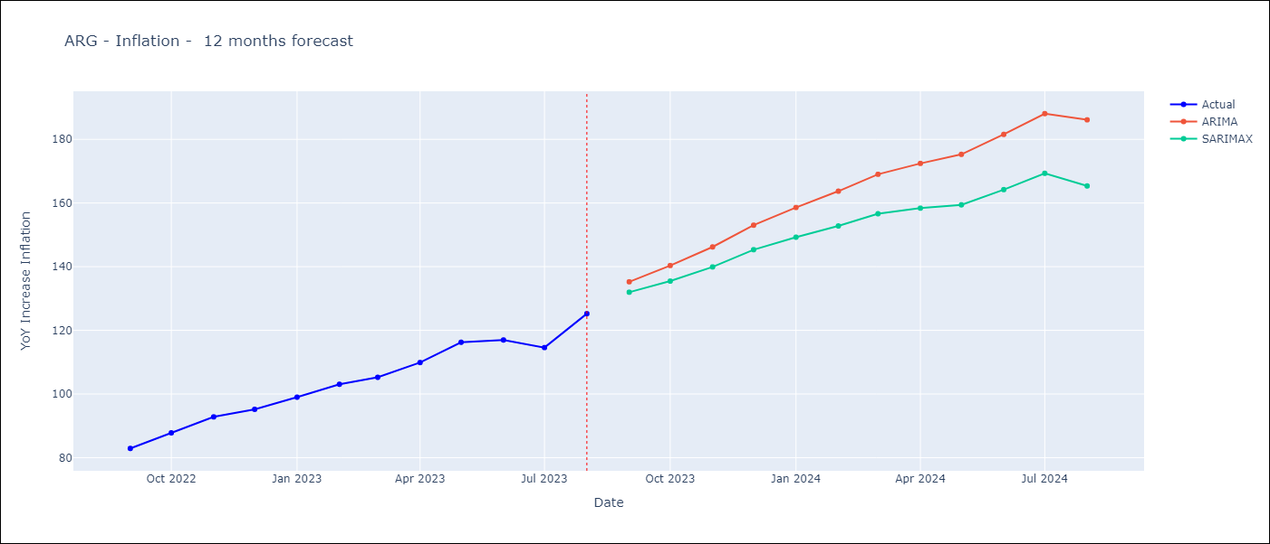

Test Metrics
ARIMA | 5.5%
SARIMAX | 6.4%
VARMAX

Test Predictions
Date | Actual | Predicted (ARIMA) | Predicted (ARIMAX) | Predicted (VARMAX)
2022-09-01 | 82.9 | 84.82 | 85.18
2022-10-01 | 87.8 | 90.06 | 90.74
2022-11-01 | 92.82 | 96.42 | 97.33
2022-12-01 | 95.19 | 101.74 | 102.69
2023-01-01 | 99.01 | 106.82 | 107.75
2023-02-01 | 103.06 | 111.43 | 112.52
2023-03-01 | 105.25 | 114.37 | 115.6
2023-04-01 | 109.89 | 117.19 | 118.36
2023-05-01 | 116.26 | 120.85 | 122
2023-06-01 | 116.97 | 123.93 | 125.07
2023-07-01 | 114.59 | 124.58 | 125.47
2023-08-01 | 125.24 | 125.78 | 126.54

MEX
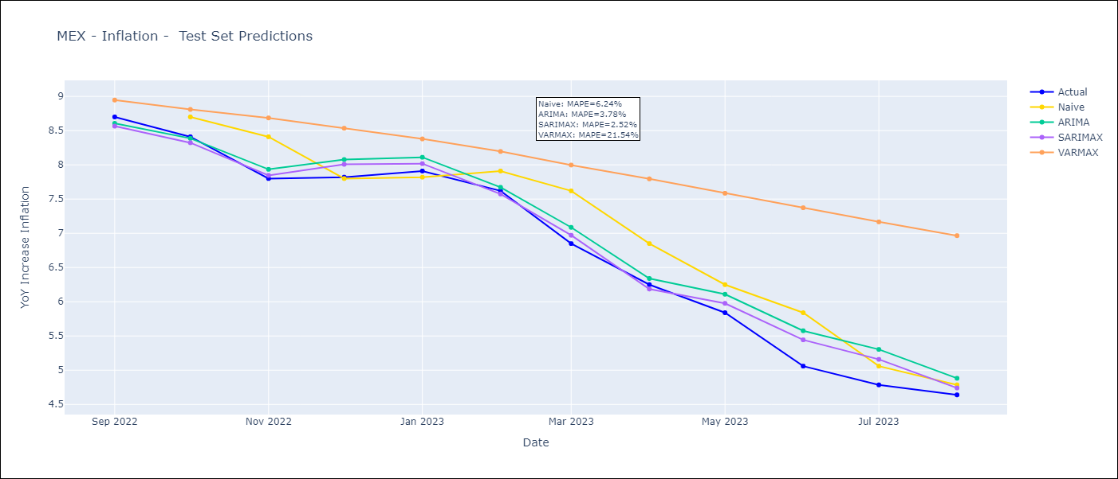
MEX - Inflation - Next 12 months forecast as of: 2023-08-01

Models | ARIMA - [(3, 1, 1), (0, 0, 2, 12)] | SARIMAX - [(3, 1, 1), (0, 0, 2, 12)] | VARMAX - (3, 0, 1, 3, 0, 2, 12)
Training Data | 2001-12-01 to 2022-09-01 | 2001-12-01 to 2022-09-01 | 2001-12-01 to 2022-09-01
Test Data | 2022-09-01 to 2023-08-01 | 2022-09-01 to 2023-08-01 | 2022-09-01 to 2023-08-01
Exogenous Variables | Exchange rates (nominal), Monetary Policiy rate, M1 money supply ($mm local currency)

Date | ARIMA | SARIMAX | VARMAX
2023-09-01 | 4.57 | 4.55 | 4.48
2023-10-01 | 4.63 | 4.62 | 4.38
2023-11-01 | 4.85 | 4.81 | 4.34
2023-12-01 | 4.92 | 4.92 | 4.31
2024-01-01 | 4.88 | 4.86 | 4.29
2024-02-01 | 4.79 | 4.79 | 4.27
2024-03-01 | 5.06 | 5.05 | 4.25
2024-04-01 | 5.03 | 5.03 | 4.24
2024-05-01 | 5.21 | 5.22 | 4.23
2024-06-01 | 5.49 | 5.54 | 4.22
2024-07-01 | 5.53 | 5.57 | 4.21
2024-08-01 | 5.32 | 5.36 | 4.2

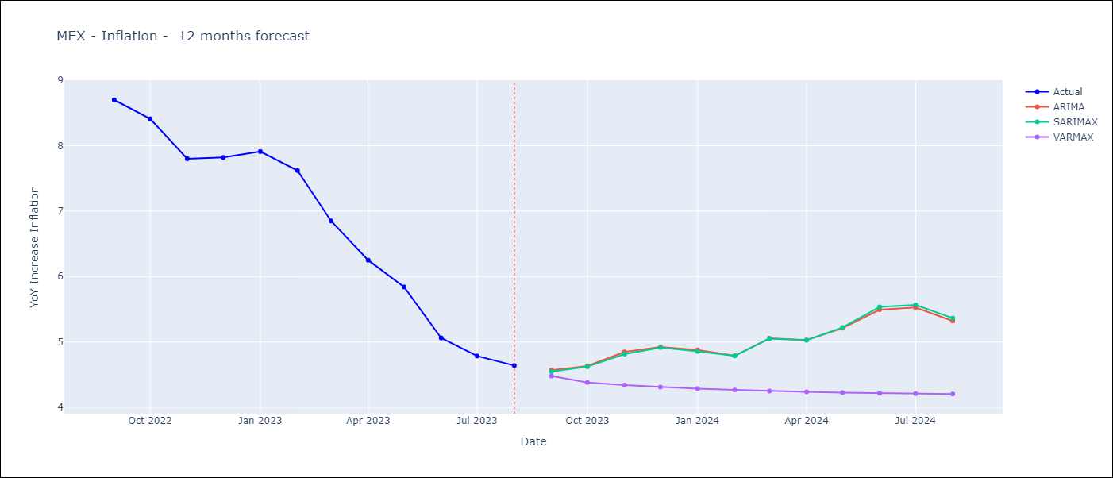

Test Metrics
ARIMA | 3.78%
SARIMAX | 2.52%
VARMAX | 21.54%

Test Predictions
Date | Actual | Predicted (ARIMA) | Predicted (ARIMAX) | Predicted (VARMAX)
2022-09-01 | 8.7 | 8.61 | 8.57 | 8.95
2022-10-01 | 8.41 | 8.39 | 8.32 | 8.81
2022-11-01 | 7.8 | 7.93 | 7.85 | 8.69
2022-12-01 | 7.82 | 8.08 | 8.01 | 8.53
2023-01-01 | 7.91 | 8.11 | 8.02 | 8.38
2023-02-01 | 7.62 | 7.67 | 7.57 | 8.2
2023-03-01 | 6.85 | 7.09 | 6.97 | 8
2023-04-01 | 6.25 | 6.34 | 6.19 | 7.8
2023-05-01 | 5.84 | 6.11 | 5.98 | 7.58
2023-06-01 | 5.06 | 5.58 | 5.44 | 7.37
2023-07-01 | 4.79 | 5.3 | 5.16 | 7.17
2023-08-01 | 4.64 | 4.88 | 4.74 | 6.97

BOL
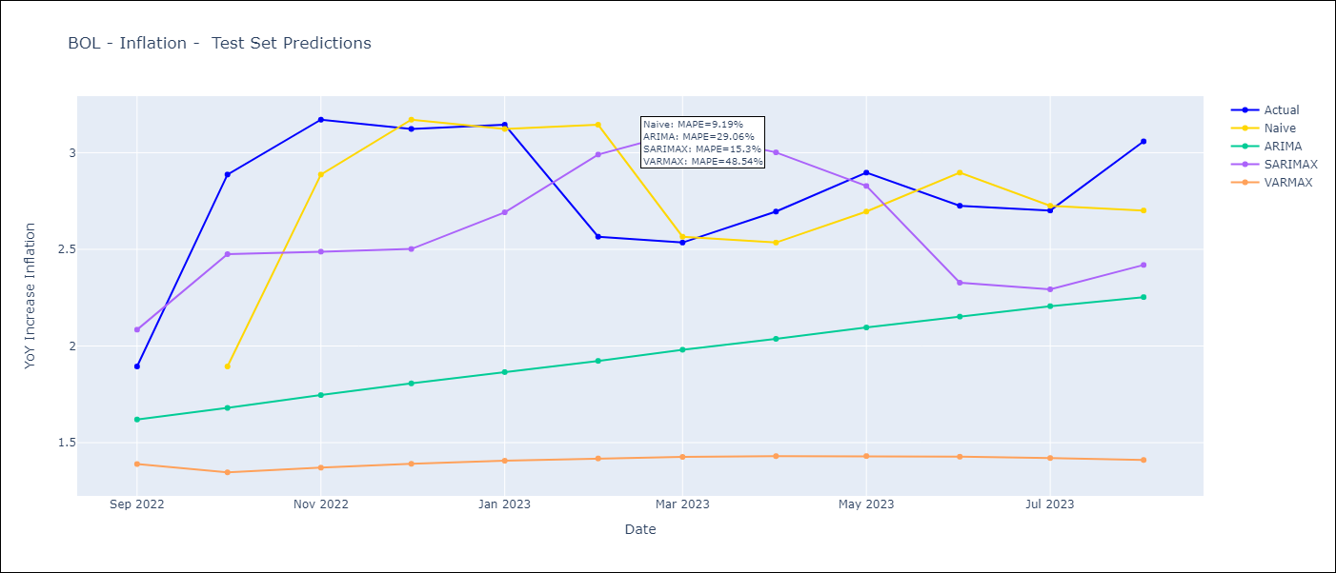
BOL - Inflation - Next 12 months forecast as of: 2023-08-01

Models | ARIMA - [(1, 0, 0), (0, 0, 1, 12)] | SARIMAX - [(1, 0, 0), (0, 0, 1, 12)] | VARMAX - (1, 1, 2, 2, 0, 1, 12)
Training Data | 2003-12-01 to 2022-09-01 | 2003-12-01 to 2022-09-01 | 2003-12-01 to 2022-09-01
Test Data | 2022-09-01 to 2023-08-01 | 2022-09-01 to 2023-08-01 | 2022-09-01 to 2023-08-01
Exogenous Variables | Exchange rates (nominal), Monetary Policiy rate, M1 money supply ($mm local currency)

Date | ARIMA | SARIMAX | VARMAX
2023-09-01 | 3.09 | 3.3 | 3.06
2023-10-01 | 3.14 | 2.73 | 2.94
2023-11-01 | 3.17 | 2.35 | 2.78
2023-12-01 | 3.2 | 2.46 | 2.64
2024-01-01 | 3.23 | 2.56 | 2.53
2024-02-01 | 3.25 | 3.09 | 2.44
2024-03-01 | 3.28 | 3.07 | 2.36
2024-04-01 | 3.31 | 2.97 | 2.31
2024-05-01 | 3.34 | 2.58 | 2.27
2024-06-01 | 3.37 | 2.42 | 2.24
2024-07-01 | 3.39 | 2.31 | 2.24
2024-08-01 | 3.42 | 2.35 | 2.24

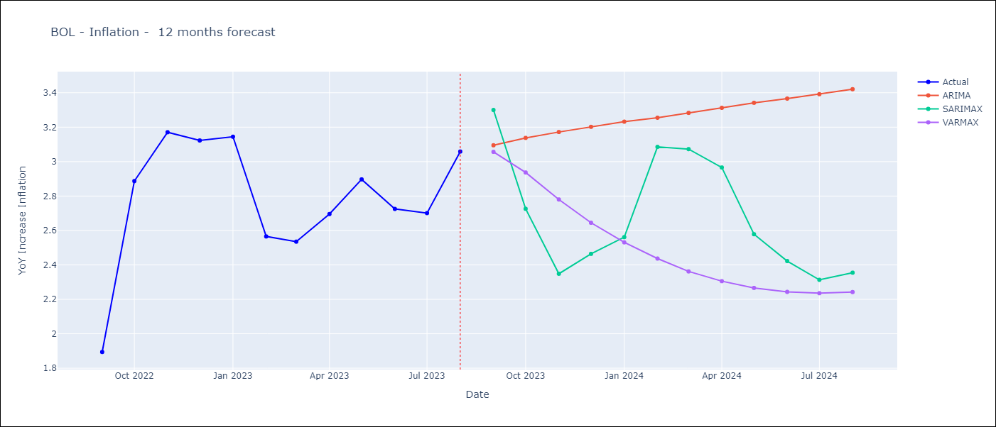

Test Metrics
ARIMA | 29.06%
SARIMAX | 15.3%
VARMAX | 48.54%

Test Predictions
Date | Actual | Predicted (ARIMA) | Predicted (ARIMAX) | Predicted (VARMAX)
2022-09-01 | 1.89 | 1.62 | 2.08 | 1.39
2022-10-01 | 2.89 | 1.68 | 2.48 | 1.35
2022-11-01 | 3.17 | 1.75 | 2.49 | 1.37
2022-12-01 | 3.12 | 1.81 | 2.5 | 1.39
2023-01-01 | 3.14 | 1.86 | 2.69 | 1.41
2023-02-01 | 2.57 | 1.92 | 2.99 | 1.42
2023-03-01 | 2.53 | 1.98 | 3.11 | 1.43
2023-04-01 | 2.7 | 2.04 | 3 | 1.43
2023-05-01 | 2.9 | 2.1 | 2.83 | 1.43
2023-06-01 | 2.73 | 2.15 | 2.33 | 1.43
2023-07-01 | 2.7 | 2.21 | 2.29 | 1.42
2023-08-01 | 3.06 | 2.25 | 2.42 | 1.41

BRA
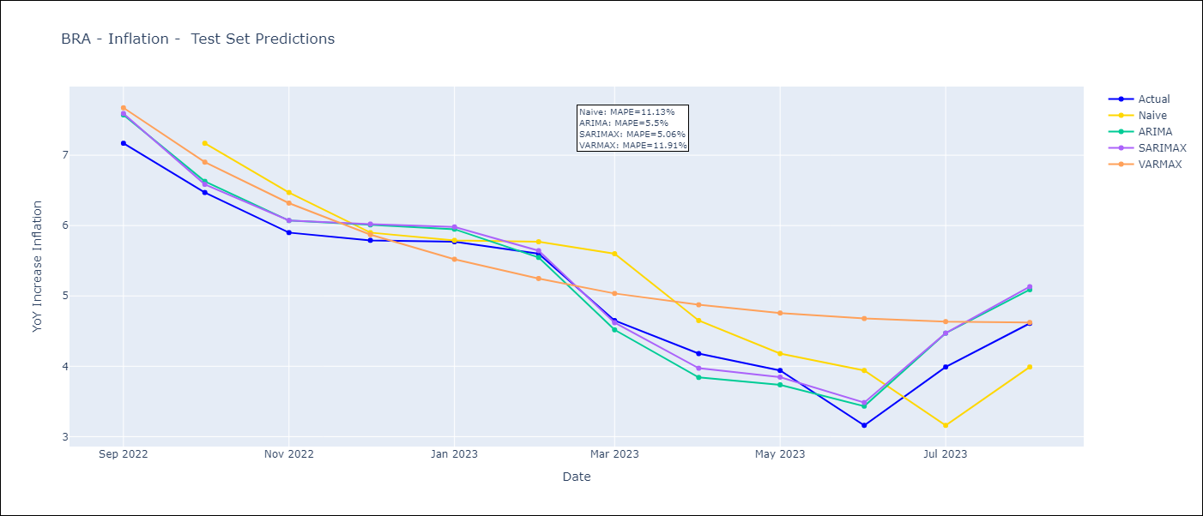
BRA - Inflation - Next 12 months forecast as of: 2023-08-01

Models | ARIMA - [(1, 1, 0), (0, 0, 1, 12)] | SARIMAX - [(1, 1, 0), (0, 0, 1, 12)] | VARMAX - (2, 0, 0, 3, 0, 0, 12)
Training Data | 2002-12-01 to 2022-09-01 | 2002-12-01 to 2022-09-01 | 2002-12-01 to 2022-09-01
Test Data | 2022-09-01 to 2023-08-01 | 2022-09-01 to 2023-08-01 | 2022-09-01 to 2023-08-01
Exogenous Variables | Exchange rates (nominal), Monetary Policiy rate, M1 money supply ($mm local currency)

Date | ARIMA | SARIMAX | VARMAX
2023-09-01 | 5.32 | 5.32 | 4.86
2023-10-01 | 5.31 | 5.28 | 4.96
2023-11-01 | 5.44 | 5.44 | 4.98
2023-12-01 | 5.55 | 5.57 | 4.98
2024-01-01 | 5.57 | 5.59 | 4.96
2024-02-01 | 5.39 | 5.39 | 4.95
2024-03-01 | 5.33 | 5.24 | 4.94
2024-04-01 | 5.15 | 5.01 | 4.95
2024-05-01 | 5.28 | 5.12 | 4.97
2024-06-01 | 5.69 | 5.54 | 5.01
2024-07-01 | 5.88 | 5.71 | 5.05
2024-08-01 | 5.89 | 5.7 | 5.11

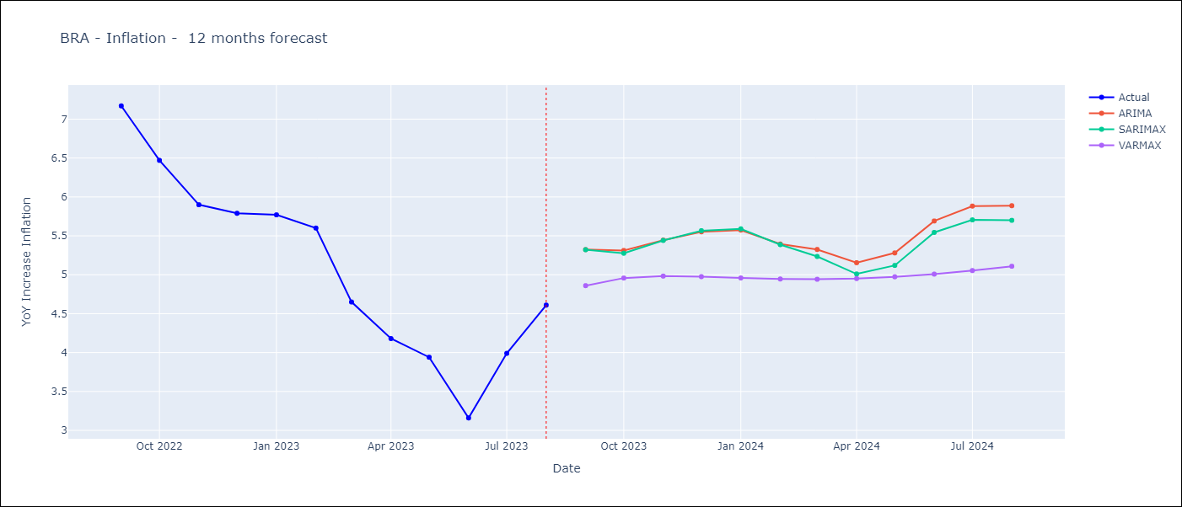

Test Metrics
ARIMA | 5.5%
SARIMAX | 5.06%
VARMAX | 11.91%

Test Predictions
Date | Actual | Predicted (ARIMA) | Predicted (ARIMAX) | Predicted (VARMAX)
2022-09-01 | 7.17 | 7.57 | 7.59 | 7.67
2022-10-01 | 6.47 | 6.63 | 6.59 | 6.9
2022-11-01 | 5.9 | 6.07 | 6.07 | 6.32
2022-12-01 | 5.79 | 6.01 | 6.02 | 5.87
2023-01-01 | 5.77 | 5.95 | 5.98 | 5.52
2023-02-01 | 5.6 | 5.55 | 5.64 | 5.25
2023-03-01 | 4.65 | 4.52 | 4.62 | 5.04
2023-04-01 | 4.18 | 3.84 | 3.97 | 4.87
2023-05-01 | 3.94 | 3.74 | 3.85 | 4.76
2023-06-01 | 3.16 | 3.43 | 3.48 | 4.68
2023-07-01 | 3.99 | 4.47 | 4.47 | 4.63
2023-08-01 | 4.61 | 5.09 | 5.13 | 4.62

COL
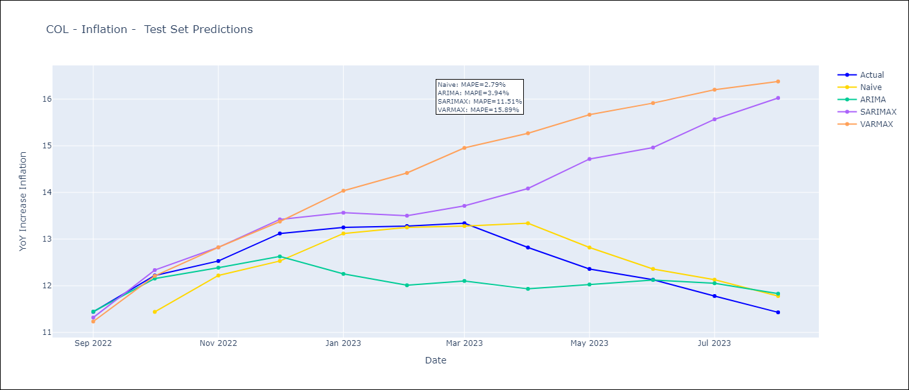
COL - Inflation - Next 12 months forecast as of: 2023-08-01

Models | ARIMA - [(1, 2, 1), (2, 0, 1, 12)] | SARIMAX - [(1, 2, 1), (2, 0, 1, 12)] | VARMAX - (2, 2, 1, 0, 0, 3, 12)
Training Data | 1996-04-01 to 2022-09-01 | 1996-04-01 to 2022-09-01 | 1996-04-01 to 2022-09-01
Test Data | 2022-09-01 to 2023-08-01 | 2022-09-01 to 2023-08-01 | 2022-09-01 to 2023-08-01
Exogenous Variables | Exchange rates (nominal), Monetary Policiy rate, M1 money supply ($mm local currency)

Date | ARIMA | SARIMAX | VARMAX
2023-09-01 | 11.27 | 11.29 | 11.09
2023-10-01 | 11.13 | 10.83 | 10.73
2023-11-01 | 11.02 | 10.08 | 10.36
2023-12-01 | 10.74 | 9.48 | 10.01
2024-01-01 | 10.34 | 8.7 | 9.66
2024-02-01 | 10.14 | 8.39 | 9.32
2024-03-01 | 10.19 | 8.42 | 9
2024-04-01 | 10.51 | 8.5 | 8.7
2024-05-01 | 11.03 | 8.93 | 8.42
2024-06-01 | 11.32 | 9.24 | 8.16
2024-07-01 | 11.58 | 9.51 | 7.92
2024-08-01 | 11.74 | 9.75 | 7.69

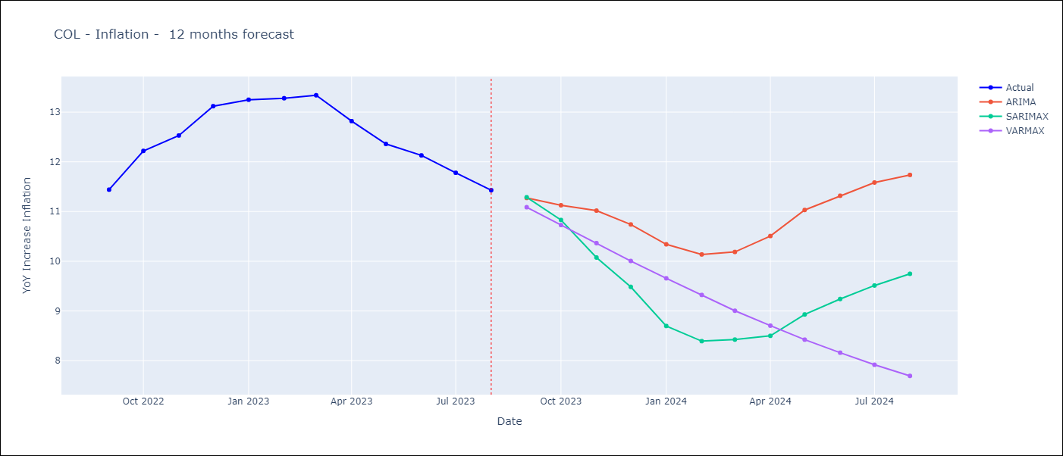

Test Metrics
ARIMA | 3.94%
SARIMAX | 11.51%
VARMAX | 15.89%

Test Predictions
Date | Actual | Predicted (ARIMA) | Predicted (ARIMAX) | Predicted (VARMAX)
2022-09-01 | 11.44 | 11.45 | 11.32 | 11.23
2022-10-01 | 12.22 | 12.15 | 12.34 | 12.21
2022-11-01 | 12.53 | 12.39 | 12.82 | 12.82
2022-12-01 | 13.12 | 12.63 | 13.42 | 13.38
2023-01-01 | 13.25 | 12.25 | 13.57 | 14.04
2023-02-01 | 13.28 | 12.01 | 13.5 | 14.42
2023-03-01 | 13.34 | 12.1 | 13.71 | 14.95
2023-04-01 | 12.82 | 11.93 | 14.08 | 15.27
2023-05-01 | 12.36 | 12.03 | 14.72 | 15.67
2023-06-01 | 12.13 | 12.12 | 14.96 | 15.92
2023-07-01 | 11.78 | 12.05 | 15.57 | 16.2
2023-08-01 | 11.43 | 11.83 | 16.03 | 16.38

URY
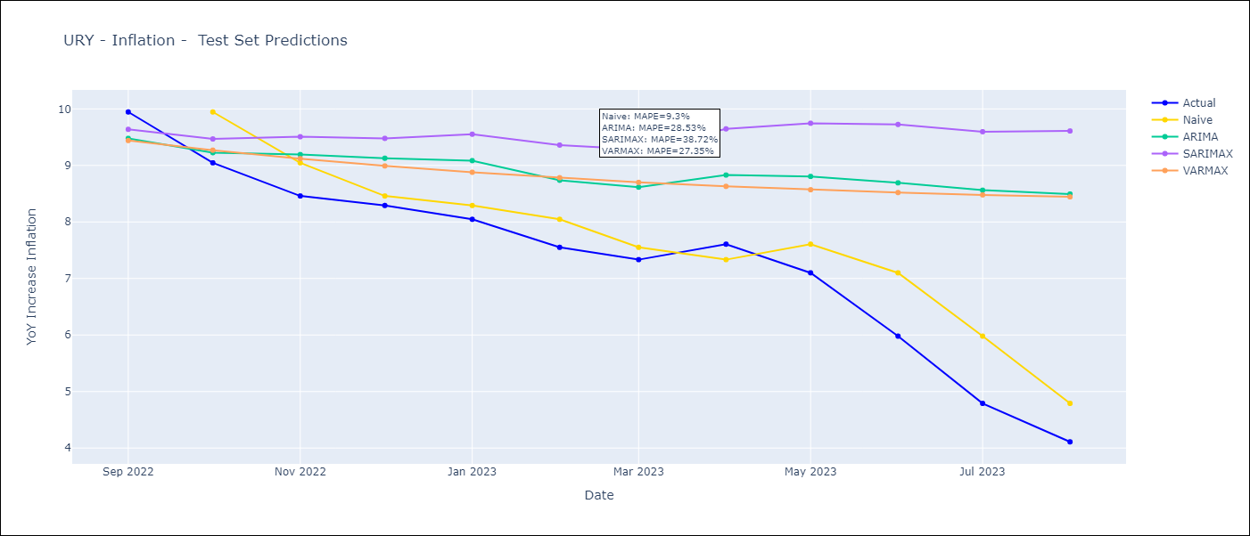
URY - Inflation - Next 12 months forecast as of: 2023-08-01

Models | ARIMA - [(3, 0, 0), (2, 0, 0, 12)] | SARIMAX - [(3, 0, 0), (2, 0, 0, 12)] | VARMAX - (1, 0, 1, 2, 0, 0, 12)
Training Data | 2008-09-01 to 2022-09-01 | 2008-09-01 to 2022-09-01 | 2008-09-01 to 2022-09-01
Test Data | 2022-09-01 to 2023-08-01 | 2022-09-01 to 2023-08-01 | 2022-09-01 to 2023-08-01
Exogenous Variables | Exchange rates (nominal), Monetary Policiy rate, M1 money supply ($mm local currency)

Date | ARIMA | SARIMAX | VARMAX
2023-09-01 | 4.13 | 3.99 | 179127.48
2023-10-01 | 4.74 | 4.31 | 579855322.3
2023-11-01 | 5.27 | 4.55 | 2.2524821306E+12
2023-12-01 | 5.54 | 4.57 | 1.184156391E+16
2024-01-01 | 5.8 | 4.56 | 4.4942563766E+19
2024-02-01 | 6.05 | 4.55 | 2.2027698687E+23
2024-03-01 | 6.22 | 4.57 | 8.9383815904E+26
2024-04-01 | 6.27 | 4.47 | 4.1601695891E+30
2024-05-01 | 6.61 | 4.68 | 1.7508469272E+34
2024-06-01 | 7.21 | 5.08 | 7.9327855365E+37
2024-07-01 | 7.77 | 5.44 | 3.404009707E+41
2024-08-01 | 8.16 | 5.66 | 1.5202875864E+45

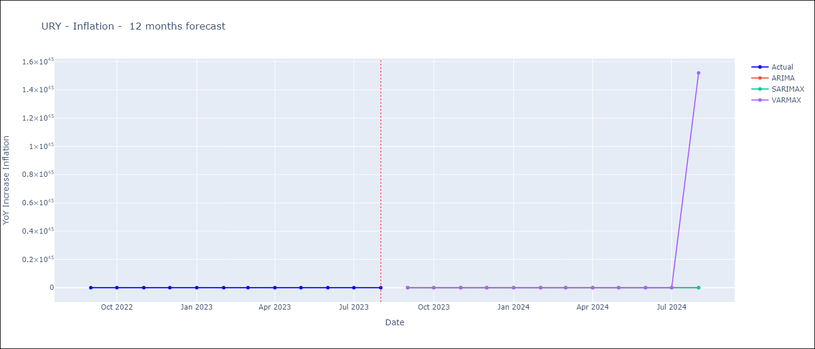

Test Metrics
ARIMA | 28.53%
SARIMAX | 38.72%
VARMAX | 27.35%

Test Predictions
Date | Actual | Predicted (ARIMA) | Predicted (ARIMAX) | Predicted (VARMAX)
2022-09-01 | 9.95 | 9.48 | 9.64 | 9.44
2022-10-01 | 9.05 | 9.23 | 9.47 | 9.27
2022-11-01 | 8.46 | 9.19 | 9.51 | 9.12
2022-12-01 | 8.29 | 9.13 | 9.48 | 8.99
2023-01-01 | 8.05 | 9.08 | 9.55 | 8.88
2023-02-01 | 7.55 | 8.74 | 9.36 | 8.78
2023-03-01 | 7.33 | 8.62 | 9.28 | 8.7
2023-04-01 | 7.61 | 8.83 | 9.65 | 8.63
2023-05-01 | 7.1 | 8.81 | 9.75 | 8.57
2023-06-01 | 5.98 | 8.69 | 9.73 | 8.52
2023-07-01 | 4.79 | 8.56 | 9.6 | 8.48
2023-08-01 | 4.11 | 8.49 | 9.61 | 8.44

ECU
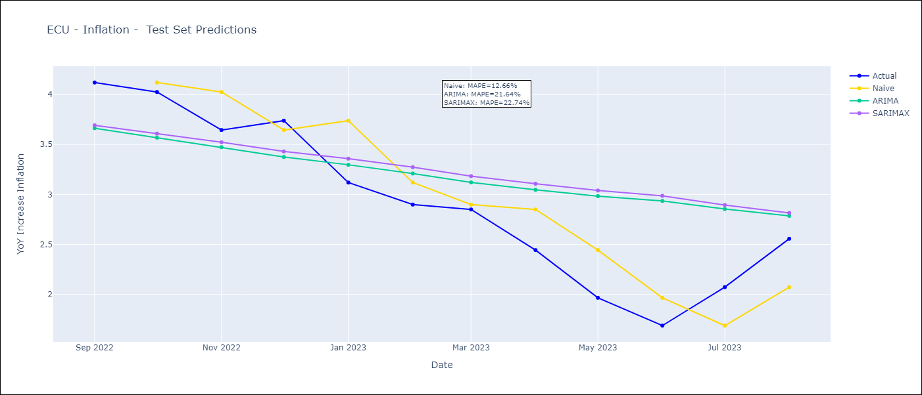
ECU - Inflation - Next 12 months forecast as of: 2023-08-01

Models | ARIMA - [(2, 0, 1), (0, 0, 1, 12)] | SARIMAX - [(2, 0, 1), (0, 0, 1, 12)]
Training Data | 2008-01-01 to 2022-09-01 | 2008-01-01 to 2022-09-01
Test Data | 2022-09-01 to 2023-08-01 | 2022-09-01 to 2023-08-01
Exogenous Variables | Exchange rates (nominal), M1 money supply ($mm local currency)

Date | ARIMA | SARIMAX
2023-09-01 | 2.74 | 2.62 | 0
2023-10-01 | 2.8 | 2.55 | 0
2023-11-01 | 2.8 | 2.47 | 0
2023-12-01 | 2.8 | 2.41 | 0
2024-01-01 | 2.75 | 2.32 | 0
2024-02-01 | 2.7 | 2.25 | 0
2024-03-01 | 2.67 | 2.19 | 0
2024-04-01 | 2.62 | 2.12 | 0
2024-05-01 | 2.56 | 2.04 | 0
2024-06-01 | 2.51 | 1.98 | 0
2024-07-01 | 2.5 | 1.94 | 0
2024-08-01 | 2.5 | 1.9 | 0

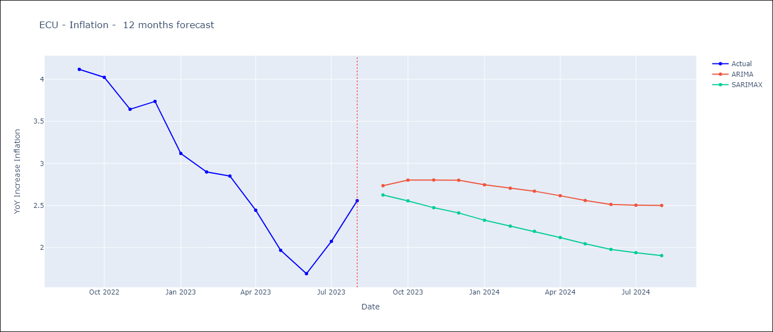

Test Metrics
ARIMA | 21.64%
SARIMAX | 22.74%
VARMAX

Test Predictions
Date | Actual | Predicted (ARIMA) | Predicted (ARIMAX) | Predicted (VARMAX)
2022-09-01 | 4.12 | 3.66 | 3.69
2022-10-01 | 4.02 | 3.57 | 3.61
2022-11-01 | 3.64 | 3.47 | 3.52
2022-12-01 | 3.74 | 3.37 | 3.43
2023-01-01 | 3.12 | 3.3 | 3.36
2023-02-01 | 2.9 | 3.21 | 3.27
2023-03-01 | 2.85 | 3.12 | 3.18
2023-04-01 | 2.44 | 3.05 | 3.11
2023-05-01 | 1.97 | 2.98 | 3.04
2023-06-01 | 1.69 | 2.94 | 2.99
2023-07-01 | 2.07 | 2.85 | 2.89
2023-08-01 | 2.56 | 2.79 | 2.81

PRY
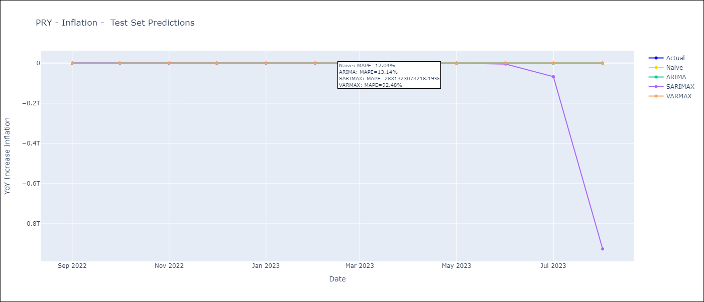
PRY - Inflation - Next 12 months forecast as of: 2023-08-01

Models | ARIMA - [(2, 1, 1), (1, 0, 1, 12)] | SARIMAX - [(2, 1, 1), (1, 0, 1, 12)] | VARMAX - (0, 1, 2, 1, 0, 1, 12)
Training Data | 1994-06-01 to 2022-09-01 | 1994-06-01 to 2022-09-01 | 1994-06-01 to 2022-09-01
Test Data | 2022-09-01 to 2023-08-01 | 2022-09-01 to 2023-08-01 | 2022-09-01 to 2023-08-01
Exogenous Variables | Exchange rates (nominal), Monetary Policiy rate, M1 money supply ($mm local currency)

Date | ARIMA | SARIMAX | VARMAX
2023-09-01 | 3.24 | 10.06 | 4.02
2023-10-01 | 3.44 | -85.41 | 5.93
2023-11-01 | 3.21 | 1263.44 | 7.03
2023-12-01 | 3.92 | -17762.17 | 7.03
2024-01-01 | 3.56 | 250570.82 | 7.03
2024-02-01 | 3.62 | -3533799.96 | 7.03
2024-03-01 | 3.53 | 49838115.73 | 7.03
2024-04-01 | 3.38 | -702879186.12 | 7.03
2024-05-01 | 3.64 | 9912878717.6 | 7.03
2024-06-01 | 4.07 | -1.3980377533E+11 | 7.03
2024-07-01 | 4.44 | 1.9716871521E+12 | 7.03
2024-08-01 | 5.08 | -2.7807190587E+13 | 7.03

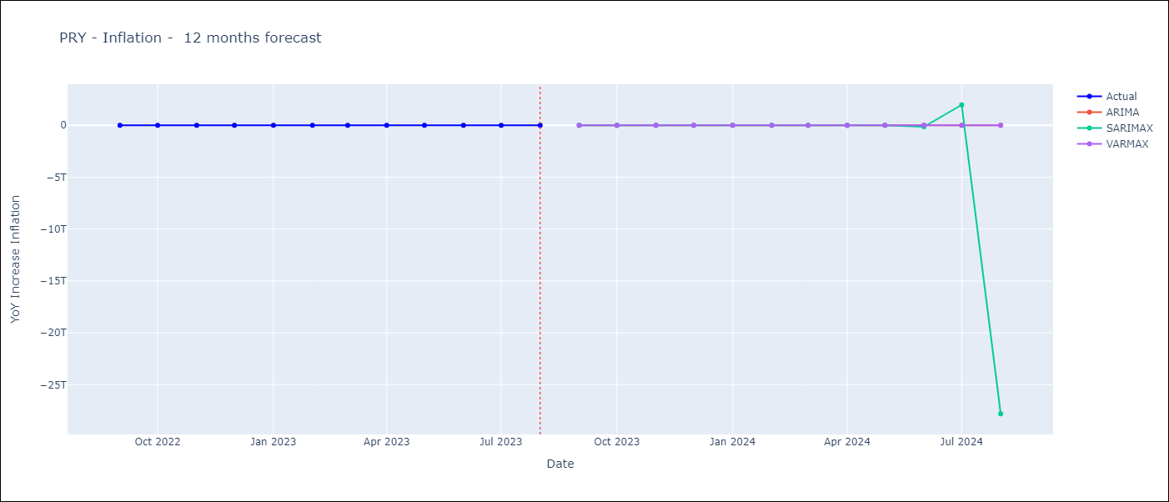

Test Metrics
ARIMA | 13.14%
SARIMAX | 2831323073218.19%
VARMAX | 92.48%

Test Predictions
Date | Actual | Predicted (ARIMA) | Predicted (ARIMAX) | Predicted (VARMAX)
2022-09-01 | 9.35 | 9.82 | 9.38 | 5.55
2022-10-01 | 8.07 | 8.65 | 4.37 | 2.49
2022-11-01 | 8.29 | 8.67 | -46.17 | 0
2022-12-01 | 8.12 | 9.3 | -737.39 | 0
2023-01-01 | 7.83 | 8.52 | -10216.93 | 0
2023-02-01 | 6.88 | 7.48 | -140065.52 | 0
2023-03-01 | 6.41 | 6.8 | -1918822.83 | 0
2023-04-01 | 5.25 | 5.24 | -26285683.32 | 0
2023-05-01 | 5.08 | 5.35 | -360082784.51 | 0
2023-06-01 | 4.24 | 4.87 | -4932707663.2 | 0
2023-07-01 | 3.48 | 4.43 | -67572251829 | 0
2023-08-01 | 2.9 | 4.5 | -9.2565980498E+11 | 0

CRI
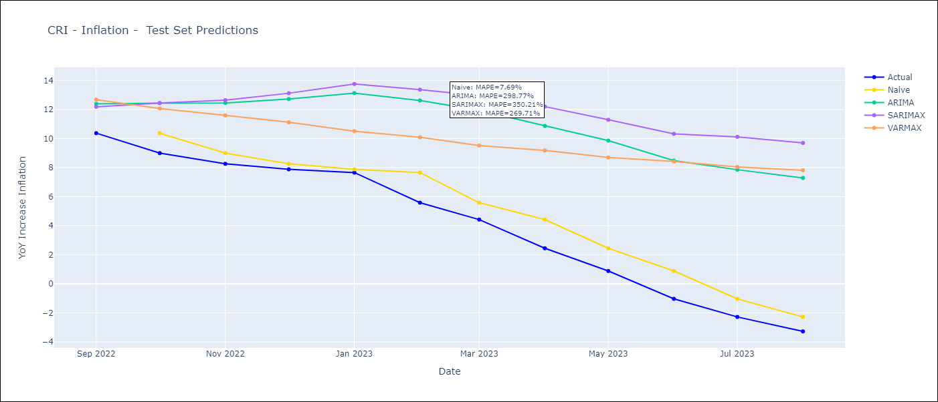
CRI - Inflation - Next 12 months forecast as of: 2023-08-01

Models | ARIMA - [(3, 1, 1), (0, 0, 1, 12)] | SARIMAX - [(3, 1, 1), (0, 0, 1, 12)] | VARMAX - (3, 1, 1, 0, 0, 1, 12)
Training Data | 2007-03-01 to 2022-09-01 | 2007-03-01 to 2022-09-01 | 2007-03-01 to 2022-09-01
Test Data | 2022-09-01 to 2023-08-01 | 2022-09-01 to 2023-08-01 | 2022-09-01 to 2023-08-01
Exogenous Variables | Exchange rates (nominal), Monetary Policiy rate, M1 money supply ($mm local currency)

Date | ARIMA | SARIMAX | VARMAX
2023-09-01 | -2.48 | -2.35 | -3.61
2023-10-01 | -1.68 | -1.5 | -3.7
2023-11-01 | -1.64 | -1.3 | -3.71
2023-12-01 | -1.41 | -0.96 | -3.61
2024-01-01 | -1.16 | -0.64 | -3.37
2024-02-01 | 0.03 | 0.53 | -3.03
2024-03-01 | 0.28 | 0.83 | -2.6
2024-04-01 | 0.94 | 1.51 | -2.09
2024-05-01 | 1.34 | 1.93 | -1.52
2024-06-01 | 1.72 | 2.29 | -0.91
2024-07-01 | 2.22 | 2.7 | -0.28
2024-08-01 | 2.57 | 3 | 0.36

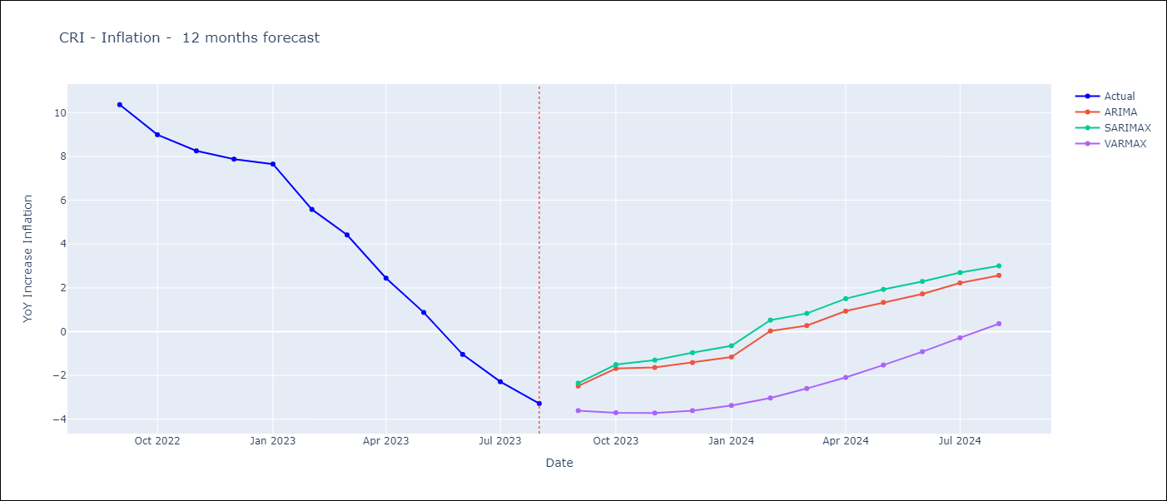

Test Metrics
ARIMA | 298.77%
SARIMAX | 350.21%
VARMAX | 269.71%

Test Predictions
Date | Actual | Predicted (ARIMA) | Predicted (ARIMAX) | Predicted (VARMAX)
2022-09-01 | 10.37 | 12.38 | 12.18 | 12.67
2022-10-01 | 8.99 | 12.43 | 12.44 | 12.06
2022-11-01 | 8.26 | 12.45 | 12.64 | 11.59
2022-12-01 | 7.88 | 12.71 | 13.11 | 11.12
2023-01-01 | 7.65 | 13.12 | 13.75 | 10.5
2023-02-01 | 5.58 | 12.61 | 13.36 | 10.08
2023-03-01 | 4.42 | 11.94 | 12.94 | 9.52
2023-04-01 | 2.44 | 10.86 | 12.19 | 9.17
2023-05-01 | 0.88 | 9.85 | 11.29 | 8.69
2023-06-01 | -1.04 | 8.48 | 10.32 | 8.42
2023-07-01 | -2.29 | 7.85 | 10.11 | 8.04
2023-08-01 | -3.28 | 7.28 | 9.7 | 7.81

SLV
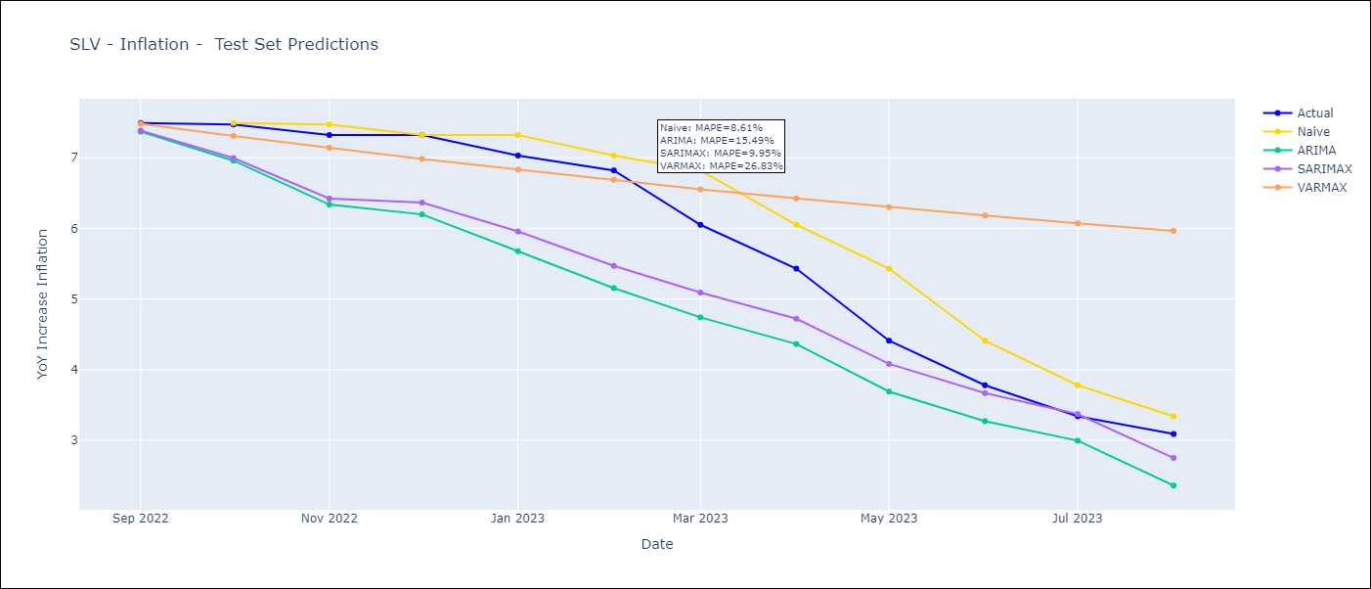
SLV - Inflation - Next 12 months forecast as of: 2023-08-01

Models | ARIMA - [(2, 0, 1), (3, 0, 0, 12)] | SARIMAX - [(2, 0, 1), (3, 0, 0, 12)] | VARMAX - (1, 1, 0, 3, 0, 0, 12)
Training Data | 2002-12-01 to 2022-09-01 | 2002-12-01 to 2022-09-01 | 2002-12-01 to 2022-09-01
Test Data | 2022-09-01 to 2023-08-01 | 2022-09-01 to 2023-08-01 | 2022-09-01 to 2023-08-01
Exogenous Variables | Exchange rates (nominal), Monetary Policiy rate, M1 money supply ($mm local currency)

Date | ARIMA | SARIMAX | VARMAX
2023-09-01 | 2.88 | 2.82 | 2.58
2023-10-01 | 2.56 | 2.42 | 10.83
2023-11-01 | 2.26 | 2.05 | -5.74
2023-12-01 | 2.23 | 1.96 | 271.74
2024-01-01 | 2.11 | 1.82 | 16.66
2024-02-01 | 1.96 | 1.62 | 10117.59
2024-03-01 | 2.3 | 1.92 | 14431.45
2024-04-01 | 2.55 | 2.1 | 401423.35
2024-05-01 | 2.81 | 2.3 | 1098704.36
2024-06-01 | 3.07 | 2.48 | 16660835.05
2024-07-01 | 3.33 | 2.67 | 64461585.06
2024-08-01 | 3.15 | 2.47 | 717559588.2

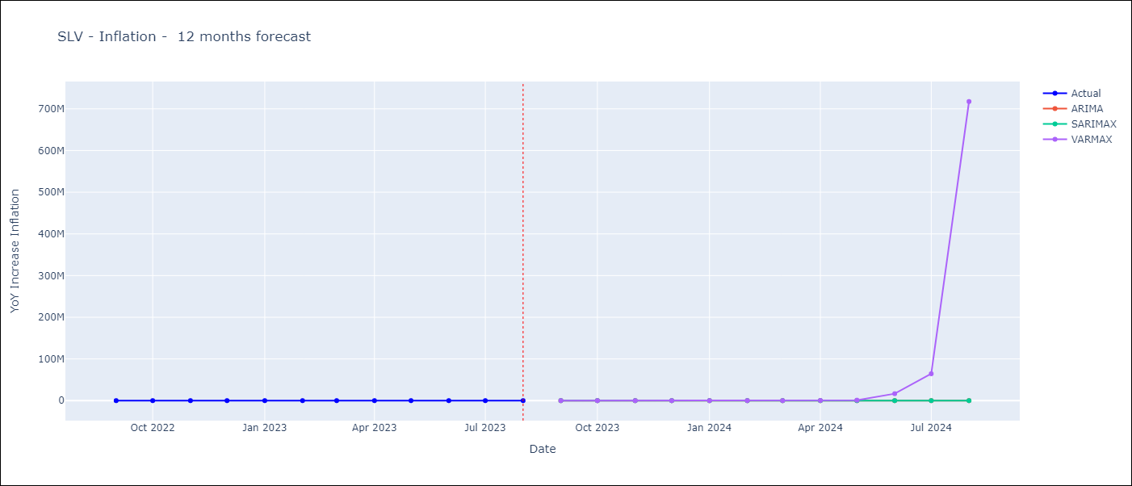

Test Metrics
ARIMA | 15.49%
SARIMAX | 9.95%
VARMAX | 26.83%

Test Predictions
Date | Actual | Predicted (ARIMA) | Predicted (ARIMAX) | Predicted (VARMAX)
2022-09-01 | 7.49 | 7.37 | 7.38 | 7.48
2022-10-01 | 7.47 | 6.96 | 6.99 | 7.31
2022-11-01 | 7.32 | 6.34 | 6.42 | 7.14
2022-12-01 | 7.32 | 6.2 | 6.36 | 6.98
2023-01-01 | 7.03 | 5.68 | 5.96 | 6.83
2023-02-01 | 6.82 | 5.15 | 5.47 | 6.69
2023-03-01 | 6.05 | 4.74 | 5.09 | 6.55
2023-04-01 | 5.43 | 4.36 | 4.72 | 6.42
2023-05-01 | 4.41 | 3.69 | 4.08 | 6.3
2023-06-01 | 3.78 | 3.27 | 3.67 | 6.18
2023-07-01 | 3.34 | 3 | 3.37 | 6.07
2023-08-01 | 3.09 | 2.36 | 2.75 | 5.96

GTM
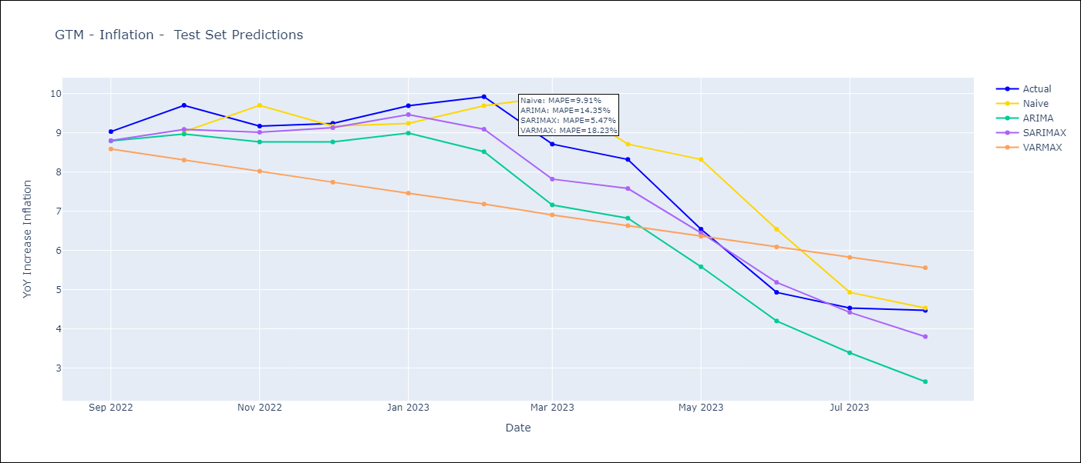
GTM - Inflation - Next 12 months forecast as of: 2023-08-01

Models | ARIMA - [(2, 0, 0), (1, 0, 1, 12)] | SARIMAX - [(2, 0, 0), (1, 0, 1, 12)] | VARMAX - (1, 1, 0, 0, 0, 2, 12)
Training Data | 2006-01-01 to 2022-09-01 | 2006-01-01 to 2022-09-01 | 2006-01-01 to 2022-09-01
Test Data | 2022-09-01 to 2023-08-01 | 2022-09-01 to 2023-08-01 | 2022-09-01 to 2023-08-01
Exogenous Variables | Exchange rates (nominal), Monetary Policiy rate, M1 money supply ($mm local currency)

Date | ARIMA | SARIMAX | VARMAX
2023-09-01 | 4.25 | 4.29 | 4.25
2023-10-01 | 3.68 | 3.8 | 4.06
2023-11-01 | 4.04 | 4.24 | 3.89
2023-12-01 | 3.94 | 4.2 | 3.73
2024-01-01 | 3.62 | 3.96 | 3.6
2024-02-01 | 2.98 | 3.4 | 3.49
2024-03-01 | 3.11 | 3.61 | 3.39
2024-04-01 | 3.21 | 3.77 | 3.31
2024-05-01 | 4.02 | 4.65 | 3.25
2024-06-01 | 4.55 | 5.25 | 3.2
2024-07-01 | 4.29 | 5.03 | 3.17
2024-08-01 | 3.74 | 4.53 | 3.15

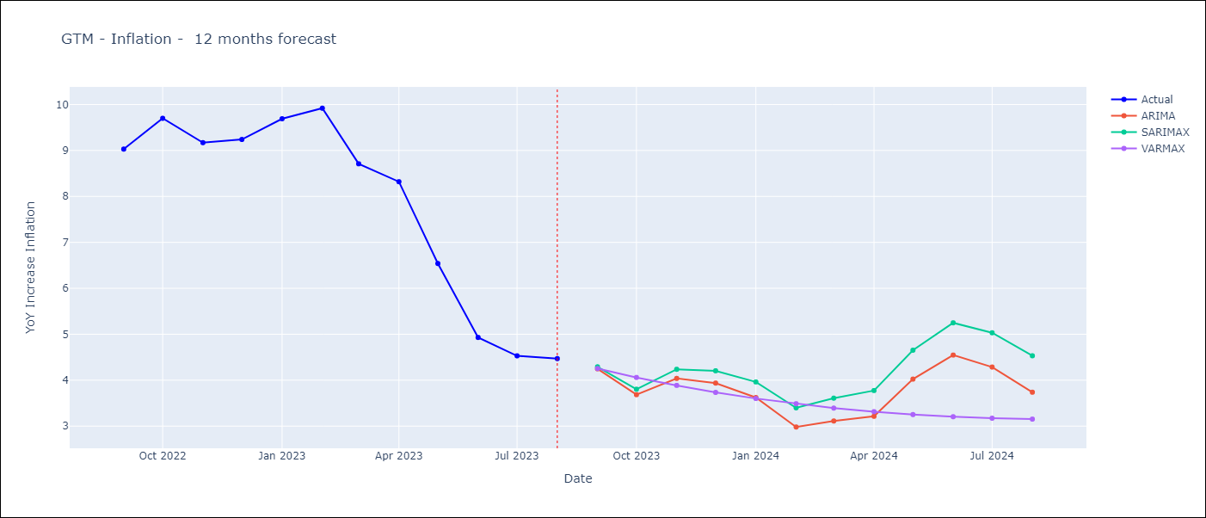

Test Metrics
ARIMA | 14.35%
SARIMAX | 5.47%
VARMAX | 18.23%

Test Predictions
Date | Actual | Predicted (ARIMA) | Predicted (ARIMAX) | Predicted (VARMAX)
2022-09-01 | 9.03 | 8.79 | 8.8 | 8.59
2022-10-01 | 9.7 | 8.97 | 9.09 | 8.3
2022-11-01 | 9.17 | 8.77 | 9.01 | 8.02
2022-12-01 | 9.24 | 8.77 | 9.13 | 7.74
2023-01-01 | 9.69 | 8.99 | 9.46 | 7.46
2023-02-01 | 9.92 | 8.52 | 9.09 | 7.18
2023-03-01 | 8.71 | 7.16 | 7.82 | 6.91
2023-04-01 | 8.32 | 6.82 | 7.58 | 6.63
2023-05-01 | 6.54 | 5.58 | 6.45 | 6.36
2023-06-01 | 4.93 | 4.2 | 5.18 | 6.09
2023-07-01 | 4.53 | 3.39 | 4.42 | 5.82
2023-08-01 | 4.47 | 2.65 | 3.8 | 5.56

HND
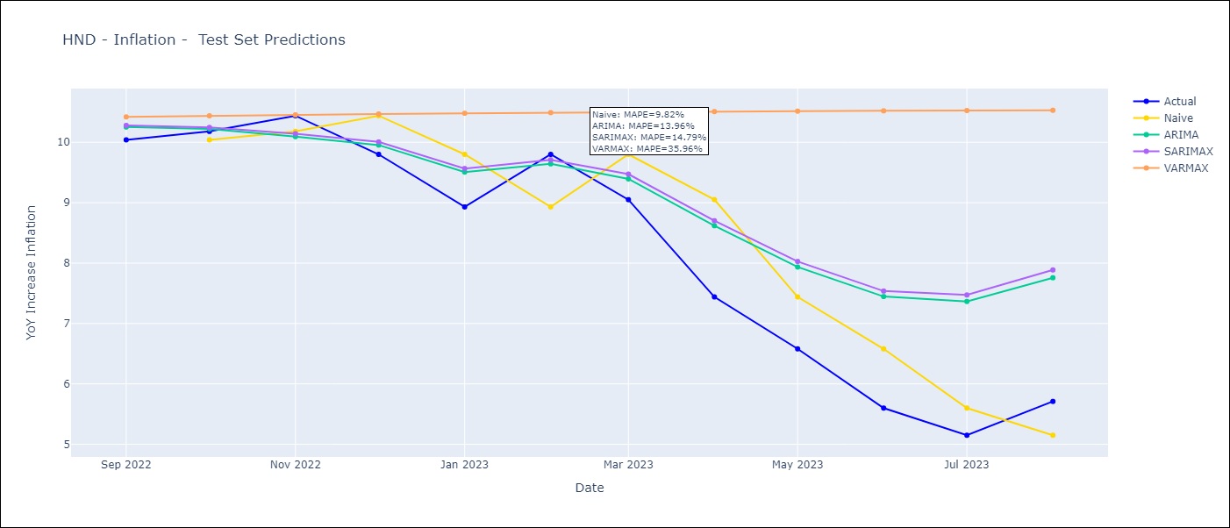
HND - Inflation - Next 12 months forecast as of: 2023-08-01

Models | ARIMA - [(1, 2, 1), (2, 0, 1, 12)] | SARIMAX - [(1, 2, 1), (2, 0, 1, 12)] | VARMAX - (1, 1, 0, 2, 0, 1, 12)
Training Data | 2006-04-01 to 2022-09-01 | 2006-04-01 to 2022-09-01 | 2006-04-01 to 2022-09-01
Test Data | 2022-09-01 to 2023-08-01 | 2022-09-01 to 2023-08-01 | 2022-09-01 to 2023-08-01
Exogenous Variables | Exchange rates (nominal), Monetary Policiy rate, M1 money supply ($mm local currency)

Date | ARIMA | SARIMAX | VARMAX
2023-09-01 | 6.11 | 6.1 | 10.47
2023-10-01 | 6.11 | 6.11 | 1662.12
2023-11-01 | 5.83 | 5.88 | 8667.05
2023-12-01 | 6.27 | 6.31 | 241550.25
2024-01-01 | 6.61 | 6.69 | 1528141.09
2024-02-01 | 5.95 | 6.04 | 35073235.82
2024-03-01 | 6.38 | 6.47 | 249020611.32
2024-04-01 | 7.07 | 7.17 | 5135498092
2024-05-01 | 7.4 | 7.55 | 39794256225
2024-06-01 | 7.71 | 7.87 | 7.5582652534E+11
2024-07-01 | 7.91 | 8.07 | 6.2916869585E+12
2024-08-01 | 7.83 | 8 | 1.1167971697E+14



Test Metrics
ARIMA | 13.96%
SARIMAX | 14.79%
VARMAX | 35.96%

Test Predictions
Date | Actual | Predicted (ARIMA) | Predicted (ARIMAX) | Predicted (VARMAX)
2022-09-01 | 10.04 | 10.25 | 10.28 | 10.42
2022-10-01 | 10.18 | 10.22 | 10.25 | 10.44
2022-11-01 | 10.44 | 10.09 | 10.14 | 10.45
2022-12-01 | 9.8 | 9.95 | 10.01 | 10.47
2023-01-01 | 8.93 | 9.51 | 9.57 | 10.48
2023-02-01 | 9.8 | 9.64 | 9.71 | 10.49
2023-03-01 | 9.05 | 9.39 | 9.47 | 10.5
2023-04-01 | 7.44 | 8.62 | 8.7 | 10.51
2023-05-01 | 6.58 | 7.94 | 8.03 | 10.52
2023-06-01 | 5.6 | 7.45 | 7.54 | 10.52
2023-07-01 | 5.15 | 7.37 | 7.47 | 10.53
2023-08-01 | 5.71 | 7.76 | 7.89 | 10.53

NIC
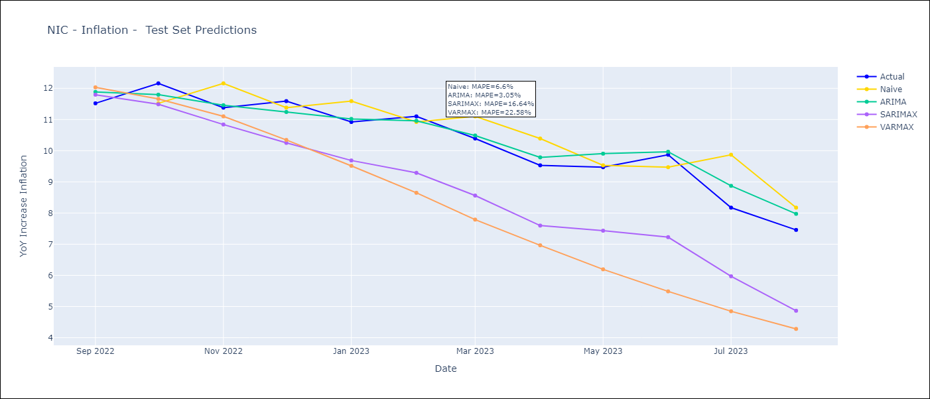
NIC - Inflation - Next 12 months forecast as of: 2023-08-01

Models | ARIMA - [(3, 1, 1), (2, 0, 1, 12)] | SARIMAX - [(3, 1, 1), (2, 0, 1, 12)] | VARMAX - (3, 1, 1, 2, 0, 1, 12)
Training Data | 2008-01-01 to 2022-09-01 | 2008-01-01 to 2022-09-01 | 2008-01-01 to 2022-09-01
Test Data | 2022-09-01 to 2023-08-01 | 2022-09-01 to 2023-08-01 | 2022-09-01 to 2023-08-01
Exogenous Variables | Exchange rates (nominal), Monetary Policiy rate, M1 money supply ($mm local currency)

Date | ARIMA | SARIMAX | VARMAX
2023-09-01 | 7.85 | 7.63 | 7.23
2023-10-01 | 6.93 | 6.61 | 7.17
2023-11-01 | 7.18 | 6.71 | 7.26
2023-12-01 | 6.59 | 6.05 | 7.43
2024-01-01 | 6.92 | 6.17 | 7.63
2024-02-01 | 6.56 | 5.66 | 7.85
2024-03-01 | 6.62 | 5.6 | 8.05
2024-04-01 | 6.61 | 5.43 | 8.24
2024-05-01 | 6.53 | 5.21 | 8.42
2024-06-01 | 6.11 | 4.74 | 8.58
2024-07-01 | 6.73 | 5.23 | 8.72
2024-08-01 | 6.53 | 4.92 | 8.84

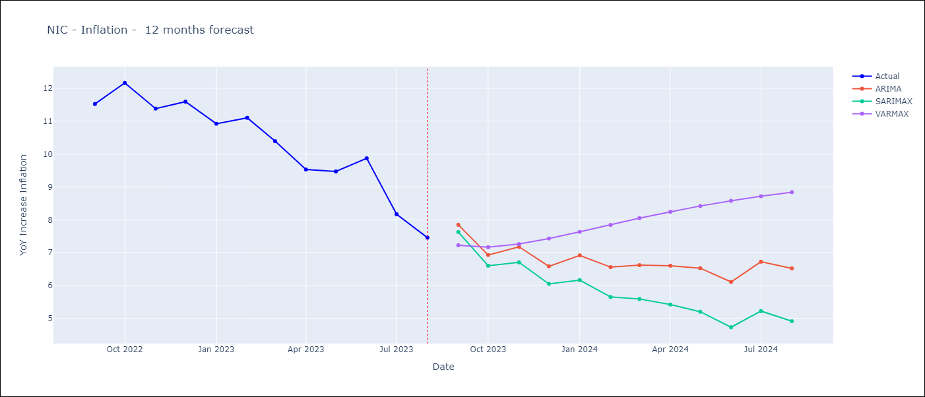

Test Metrics
ARIMA | 3.05%
SARIMAX | 16.64%
VARMAX | 22.58%

Test Predictions
Date | Actual | Predicted (ARIMA) | Predicted (ARIMAX) | Predicted (VARMAX)
2022-09-01 | 11.52 | 11.88 | 11.8 | 12.03
2022-10-01 | 12.16 | 11.8 | 11.49 | 11.66
2022-11-01 | 11.38 | 11.46 | 10.84 | 11.1
2022-12-01 | 11.59 | 11.24 | 10.25 | 10.34
2023-01-01 | 10.92 | 11.02 | 9.69 | 9.51
2023-02-01 | 11.1 | 10.96 | 9.29 | 8.65
2023-03-01 | 10.39 | 10.49 | 8.56 | 7.79
2023-04-01 | 9.53 | 9.79 | 7.6 | 6.96
2023-05-01 | 9.47 | 9.9 | 7.43 | 6.19
2023-06-01 | 9.87 | 9.97 | 7.23 | 5.49
2023-07-01 | 8.17 | 8.87 | 5.97 | 4.85
2023-08-01 | 7.46 | 7.97 | 4.87 | 4.28

DOM
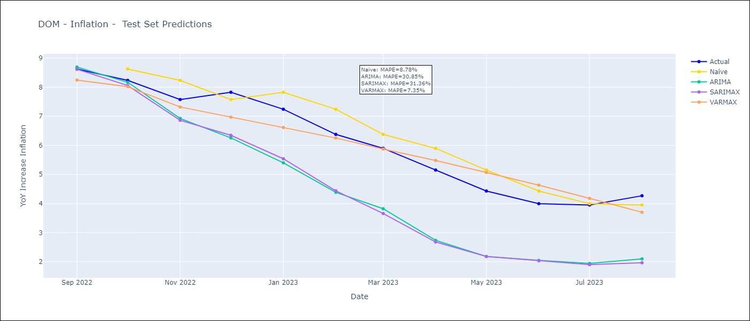
DOM - Inflation - Next 12 months forecast as of: 2023-08-01

Models | ARIMA - [(1, 0, 1), (1, 0, 1, 12)] | SARIMAX - [(1, 0, 1), (1, 0, 1, 12)] | VARMAX - (1, 1, 3, 0, 0, 2, 12)
Training Data | 2005-01-01 to 2022-09-01 | 2005-01-01 to 2022-09-01 | 2005-01-01 to 2022-09-01
Test Data | 2022-09-01 to 2023-08-01 | 2022-09-01 to 2023-08-01 | 2022-09-01 to 2023-08-01
Exogenous Variables | Exchange rates (nominal), Monetary Policiy rate, M1 money supply ($mm local currency)

Date | ARIMA | SARIMAX | VARMAX
2023-09-01 | 4.43 | 4.33 | 4.61
2023-10-01 | 4.4 | 4.33 | 4.55
2023-11-01 | 4.01 | 4.04 | 4.54
2023-12-01 | 3.12 | 3.33 | 4.53
2024-01-01 | 2.98 | 3.33 | 4.53
2024-02-01 | 3.04 | 3.32 | 4.54
2024-03-01 | 3.06 | 3.19 | 4.56
2024-04-01 | 2.9 | 3.11 | 4.6
2024-05-01 | 3.21 | 3.43 | 4.64
2024-06-01 | 3.58 | 3.84 | 4.68
2024-07-01 | 3.54 | 3.79 | 4.74
2024-08-01 | 3.33 | 3.56 | 4.8

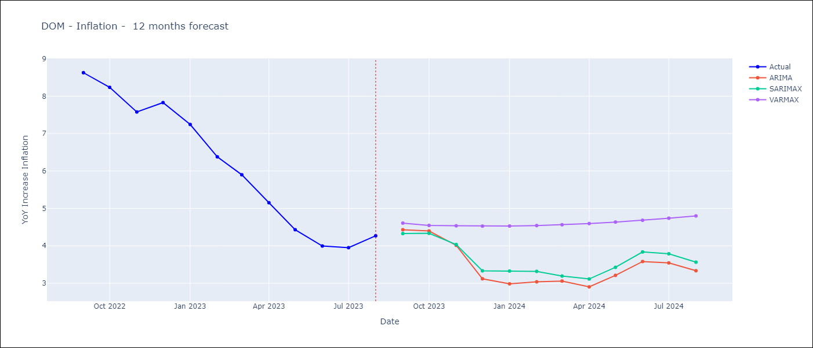

Test Metrics
ARIMA | 30.85%
SARIMAX | 31.36%
VARMAX | 7.35%

Test Predictions
Date | Actual | Predicted (ARIMA) | Predicted (ARIMAX) | Predicted (VARMAX)
2022-09-01 | 8.63 | 8.69 | 8.62 | 8.25
2022-10-01 | 8.24 | 8.17 | 8.06 | 8.02
2022-11-01 | 7.58 | 6.93 | 6.86 | 7.32
2022-12-01 | 7.83 | 6.26 | 6.35 | 6.97
2023-01-01 | 7.24 | 5.4 | 5.54 | 6.62
2023-02-01 | 6.38 | 4.39 | 4.44 | 6.25
2023-03-01 | 5.9 | 3.82 | 3.66 | 5.88
2023-04-01 | 5.15 | 2.74 | 2.68 | 5.48
2023-05-01 | 4.43 | 2.18 | 2.18 | 5.07
2023-06-01 | 4 | 2.05 | 2.03 | 4.63
2023-07-01 | 3.95 | 1.94 | 1.9 | 4.18
2023-08-01 | 4.27 | 2.1 | 1.96 | 3.7

PAN
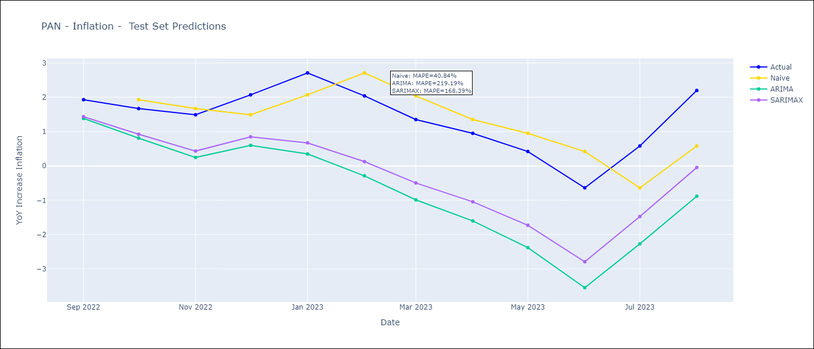
PAN - Inflation - Next 12 months forecast as of: 2023-08-01

Models | ARIMA - [(2, 0, 0), (0, 0, 2, 12)] | SARIMAX - [(2, 0, 0), (0, 0, 2, 12)]
Training Data | 2003-12-01 to 2022-09-01 | 2003-12-01 to 2022-09-01
Test Data | 2022-09-01 to 2023-08-01 | 2022-09-01 to 2023-08-01
Exogenous Variables | Exchange rates (nominal), M1 money supply ($mm local currency)

Date | ARIMA | SARIMAX
2023-09-01 | 2.23 | 2.26 | 0
2023-10-01 | 2.16 | 2.23 | 0
2023-11-01 | 1.91 | 2.02 | 0
2023-12-01 | 1.67 | 1.81 | 0
2024-01-01 | 0.83 | 1.01 | 0
2024-02-01 | 0.96 | 1.19 | 0
2024-03-01 | 1.06 | 1.33 | 0
2024-04-01 | 0.94 | 1.25 | 0
2024-05-01 | 0.8 | 1.15 | 0
2024-06-01 | 0.85 | 1.25 | 0
2024-07-01 | 0.76 | 1.19 | 0
2024-08-01 | 0.36 | 0.82 | 0

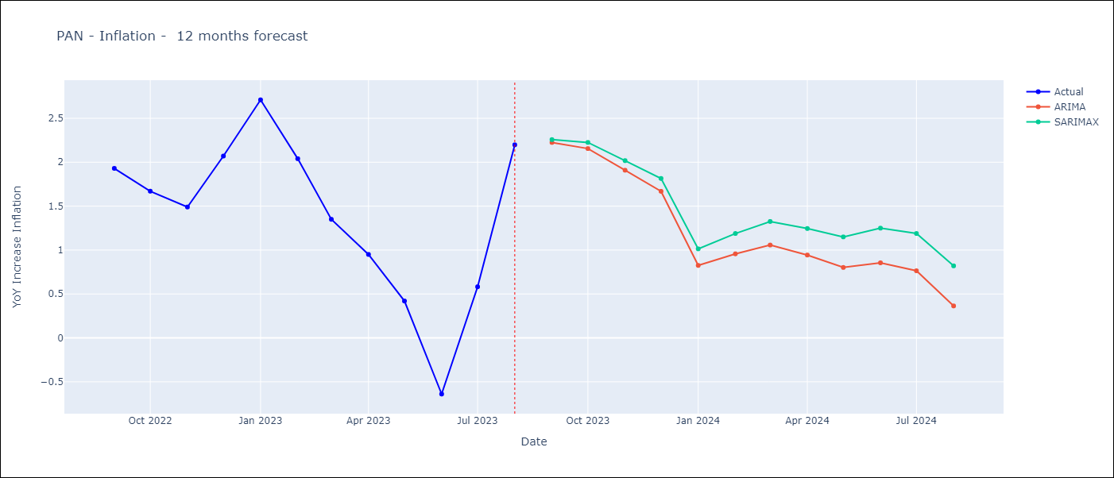

Test Metrics
ARIMA | 219.19%
SARIMAX | 168.39%
VARMAX

Test Predictions
Date | Actual | Predicted (ARIMA) | Predicted (ARIMAX) | Predicted (VARMAX)
2022-09-01 | 1.93 | 1.38 | 1.43
2022-10-01 | 1.67 | 0.81 | 0.92
2022-11-01 | 1.49 | 0.25 | 0.43
2022-12-01 | 2.07 | 0.6 | 0.85
2023-01-01 | 2.71 | 0.35 | 0.67
2023-02-01 | 2.04 | -0.29 | 0.12
2023-03-01 | 1.35 | -0.99 | -0.5
2023-04-01 | 0.95 | -1.6 | -1.05
2023-05-01 | 0.42 | -2.38 | -1.73
2023-06-01 | -0.64 | -3.55 | -2.79
2023-07-01 | 0.58 | -2.27 | -1.47
2023-08-01 | 2.2 | -0.88 | -0.05

CHL
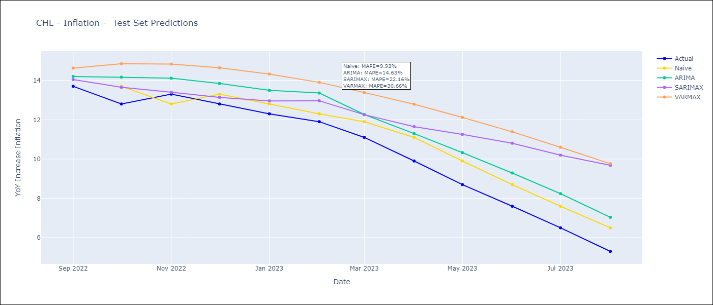
CHL - Inflation - Next 12 months forecast as of: 2023-08-01

Models | ARIMA - [(2, 0, 1), (0, 0, 1, 12)] | SARIMAX - [(2, 0, 1), (0, 0, 1, 12)] | VARMAX - (2, 0, 1, 0, 0, 1, 12)
Training Data | 1996-05-01 to 2022-09-01 | 1996-05-01 to 2022-09-01 | 1996-05-01 to 2022-09-01
Test Data | 2022-09-01 to 2023-08-01 | 2022-09-01 to 2023-08-01 | 2022-09-01 to 2023-08-01
Exogenous Variables | Exchange rates (nominal), Monetary Policiy rate, M1 money supply ($mm local currency)

Date | ARIMA | SARIMAX | VARMAX
2023-09-01 | 4.18 | 4.81 | 4.72
2023-10-01 | 3.09 | 4.79 | 4.38
2023-11-01 | 2.11 | 4.25 | 4.12
2023-12-01 | 1.18 | 4.23 | 3.9
2024-01-01 | 0.33 | 4.28 | 3.69
2024-02-01 | -0.41 | 4.4 | 3.49
2024-03-01 | -1.06 | 4.36 | 3.29
2024-04-01 | -1.61 | 4.59 | 3.11
2024-05-01 | -2.04 | 4.92 | 2.93
2024-06-01 | -2.35 | 5.19 | 2.77
2024-07-01 | -2.55 | 5.36 | 2.62
2024-08-01 | -2.65 | 5.64 | 2.48

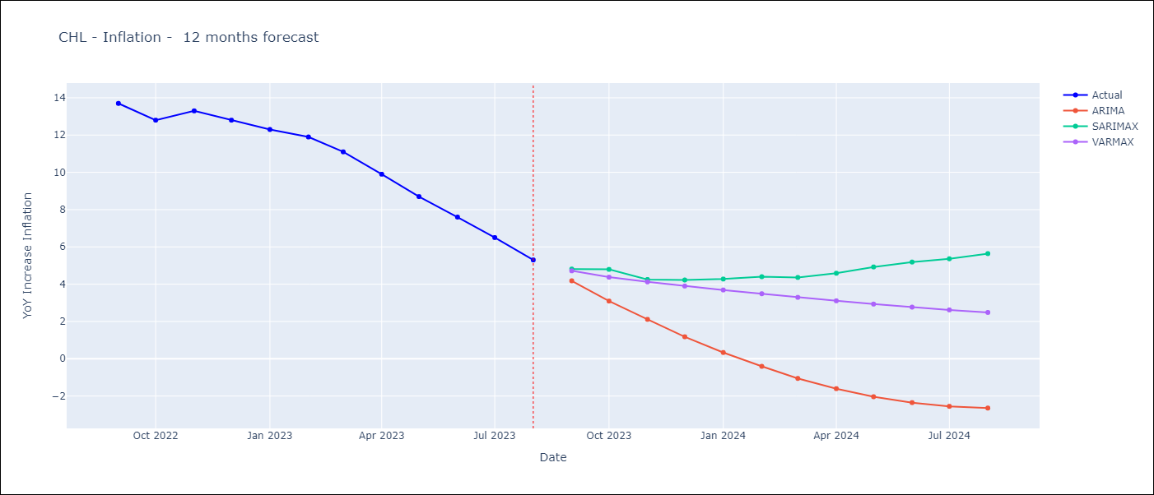

Test Metrics
ARIMA | 14.63%
SARIMAX | 22.16%
VARMAX | 30.66%

Test Predictions
Date | Actual | Predicted (ARIMA) | Predicted (ARIMAX) | Predicted (VARMAX)
2022-09-01 | 13.7 | 14.2 | 14.04 | 14.63
2022-10-01 | 12.8 | 14.17 | 13.65 | 14.85
2022-11-01 | 13.3 | 14.11 | 13.4 | 14.83
2022-12-01 | 12.8 | 13.85 | 13.14 | 14.64
2023-01-01 | 12.3 | 13.5 | 12.96 | 14.32
2023-02-01 | 11.9 | 13.36 | 12.96 | 13.9
2023-03-01 | 11.1 | 12.27 | 12.26 | 13.38
2023-04-01 | 9.9 | 11.3 | 11.65 | 12.79
2023-05-01 | 8.7 | 10.33 | 11.25 | 12.12
2023-06-01 | 7.6 | 9.29 | 10.8 | 11.39
2023-07-01 | 6.5 | 8.24 | 10.2 | 10.6
2023-08-01 | 5.3 | 7.03 | 9.68 | 9.76

PER
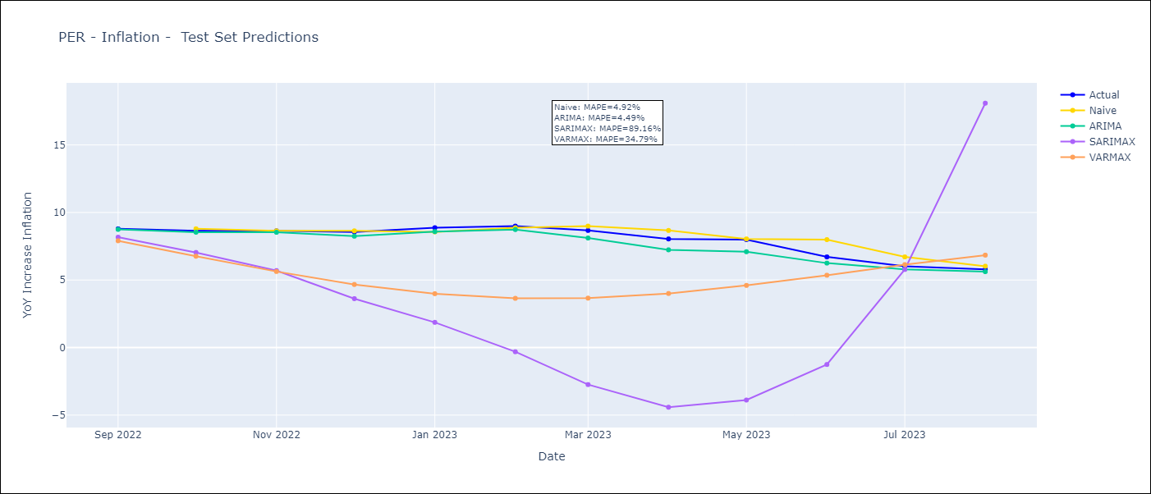
PER - Inflation - Next 12 months forecast as of: 2023-08-01

Models | ARIMA - [(1, 1, 2), (3, 0, 1, 12)] | SARIMAX - [(1, 1, 2), (3, 0, 1, 12)] | VARMAX - (2, 0, 0, 0, 0, 3, 12)
Training Data | 2002-02-01 to 2022-09-01 | 2002-02-01 to 2022-09-01 | 2002-02-01 to 2022-09-01
Test Data | 2022-09-01 to 2023-08-01 | 2022-09-01 to 2023-08-01 | 2022-09-01 to 2023-08-01
Exogenous Variables | Exchange rates (nominal), Monetary Policiy rate, M1 money supply ($mm local currency)

Date | ARIMA | SARIMAX | VARMAX
2023-09-01 | 5.47 | 5.46 | 2968802.09
2023-10-01 | 5.17 | 5.18 | 3285725015.2
2023-11-01 | 4.95 | 5 | 6.3333419988E+12
2023-12-01 | 4.51 | 4.57 | 1.2988067583E+16
2024-01-01 | 4.34 | 4.41 | 2.0475171081E+19
2024-02-01 | 4.13 | 4.12 | 4.0491195674E+22
2024-03-01 | 3.69 | 3.72 | 7.0553700672E+25
2024-04-01 | 3.4 | 3.58 | 1.2842024418E+29
2024-05-01 | 3.19 | 3.42 | 2.3364073995E+32
2024-06-01 | 3.57 | 3.77 | 4.1921725255E+35
2024-07-01 | 3.83 | 4.14 | 7.6213010318E+38
2024-08-01 | 3.83 | 4.1 | 1.3748099684E+42

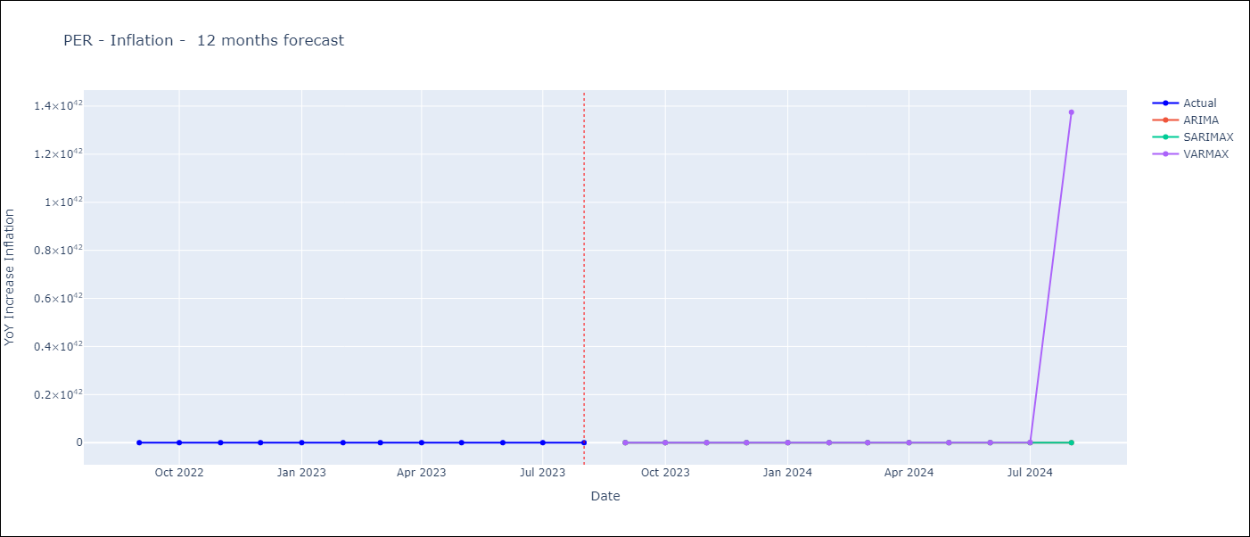

Test Metrics
ARIMA | 4.49%
SARIMAX | 89.16%
VARMAX | 34.79%

Test Predictions
Date | Actual | Predicted (ARIMA) | Predicted (ARIMAX) | Predicted (VARMAX)
2022-09-01 | 8.79 | 8.75 | 8.17 | 7.9
2022-10-01 | 8.64 | 8.54 | 7.04 | 6.76
2022-11-01 | 8.64 | 8.53 | 5.7 | 5.63
2022-12-01 | 8.56 | 8.24 | 3.62 | 4.67
2023-01-01 | 8.87 | 8.58 | 1.87 | 3.99
2023-02-01 | 8.99 | 8.74 | -0.31 | 3.64
2023-03-01 | 8.67 | 8.11 | -2.74 | 3.66
2023-04-01 | 8.04 | 7.23 | -4.42 | 4
2023-05-01 | 7.99 | 7.09 | -3.88 | 4.6
2023-06-01 | 6.71 | 6.25 | -1.25 | 5.35
2023-07-01 | 6.02 | 5.79 | 5.78 | 6.14
2023-08-01 | 5.79 | 5.62 | 18.09 | 6.84

