BHS
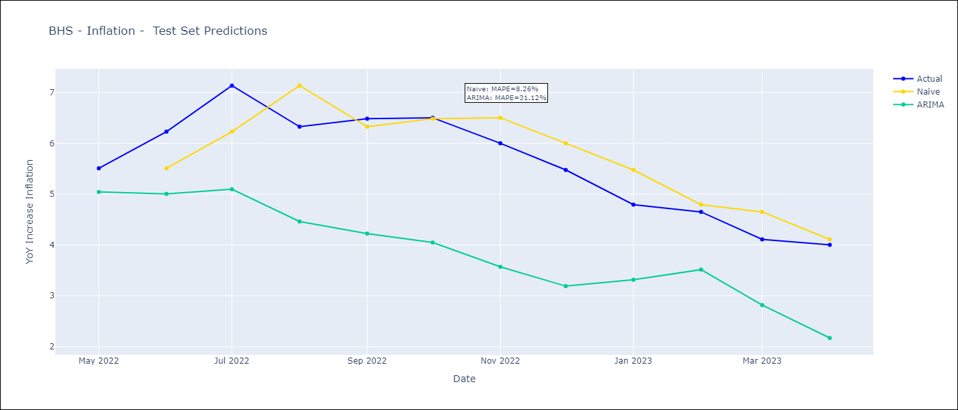
BHS - Inflation - Next 12 months forecast as of: 2023-04-01

Models | ARIMA - [(1, 0, 0), (3, 0, 0, 12)]
Training Data | 1998-01-01 to 2022-05-01
Test Data | 2022-05-01 to 2023-04-01

Date | ARIMA
2023-05-01 | 3.51 | 0 | 0
2023-06-01 | 2.91 | 0 | 0
2023-07-01 | 2.13 | 0 | 0
2023-08-01 | 2.15 | 0 | 0
2023-09-01 | 1.95 | 0 | 0
2023-10-01 | 1.68 | 0 | 0
2023-11-01 | 1.76 | 0 | 0
2023-12-01 | 1.78 | 0 | 0
2024-01-01 | 2.44 | 0 | 0
2024-02-01 | 2.28 | 0 | 0
2024-03-01 | 2.16 | 0 | 0
2024-04-01 | 1.54 | 0 | 0

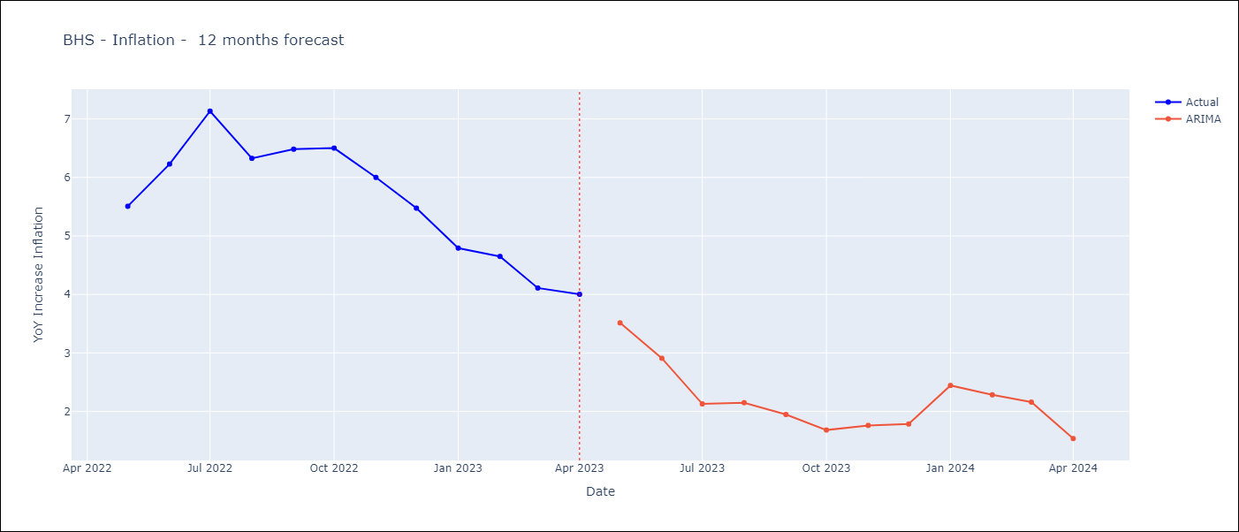

Test Metrics
ARIMA | 31.12%
SARIMAX
VARMAX

Test Predictions
Date | Actual | Predicted (ARIMA) | Predicted (ARIMAX) | Predicted (VARMAX)
2022-05-01 | 5.51 | 5.04
2022-06-01 | 6.23 | 5
2022-07-01 | 7.13 | 5.1
2022-08-01 | 6.33 | 4.46
2022-09-01 | 6.48 | 4.22
2022-10-01 | 6.5 | 4.05
2022-11-01 | 6 | 3.57
2022-12-01 | 5.48 | 3.19
2023-01-01 | 4.79 | 3.31
2023-02-01 | 4.65 | 3.51
2023-03-01 | 4.11 | 2.82
2023-04-01 | 4 | 2.17

BRB
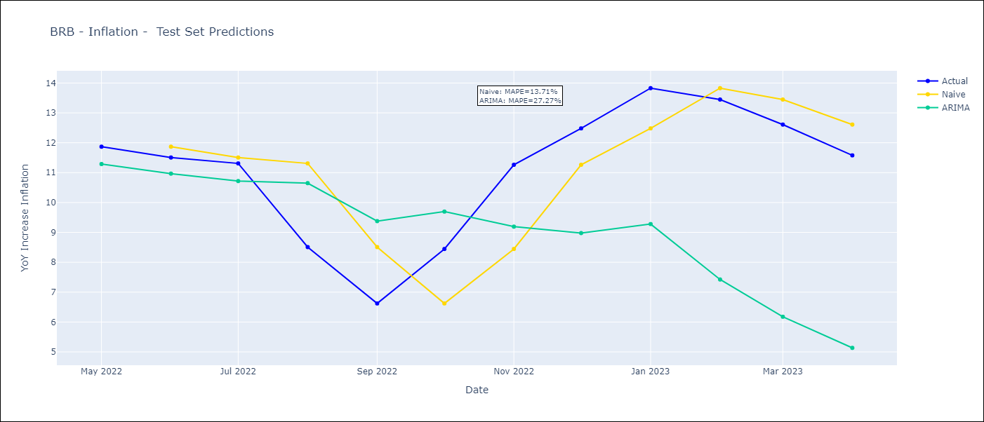
BRB - Inflation - Next 12 months forecast as of: 2023-04-01

Models | ARIMA - [(3, 0, 0), (3, 0, 0, 12)]
Training Data | 2001-01-01 to 2022-05-01
Test Data | 2022-05-01 to 2023-04-01

Date | ARIMA
2023-05-01 | 10.58 | 0 | 0
2023-06-01 | 10.04 | 0 | 0
2023-07-01 | 9.66 | 0 | 0
2023-08-01 | 11.76 | 0 | 0
2023-09-01 | 11.94 | 0 | 0
2023-10-01 | 10.87 | 0 | 0
2023-11-01 | 8.34 | 0 | 0
2023-12-01 | 7.19 | 0 | 0
2024-01-01 | 6.47 | 0 | 0
2024-02-01 | 4.74 | 0 | 0
2024-03-01 | 4.22 | 0 | 0
2024-04-01 | 4.01 | 0 | 0

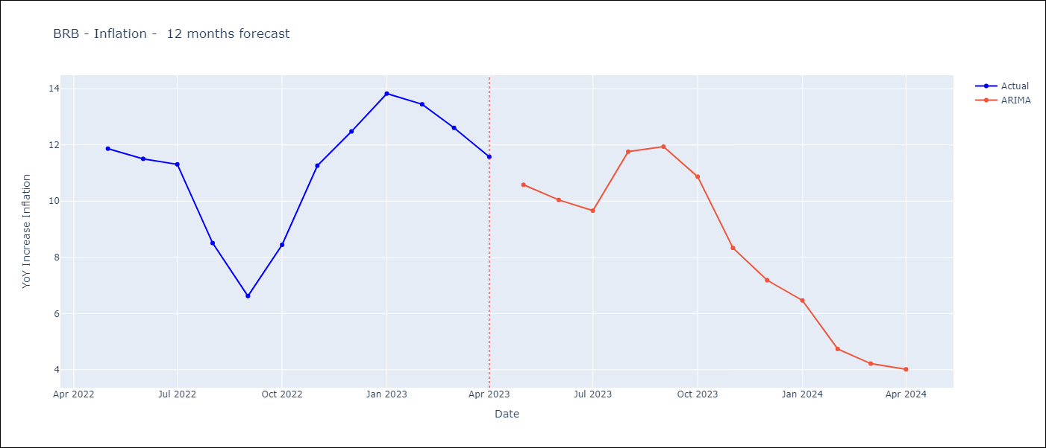

Test Metrics
ARIMA | 27.27%
SARIMAX
VARMAX

Test Predictions
Date | Actual | Predicted (ARIMA) | Predicted (ARIMAX) | Predicted (VARMAX)
2022-05-01 | 11.87 | 11.29
2022-06-01 | 11.51 | 10.97
2022-07-01 | 11.31 | 10.72
2022-08-01 | 8.51 | 10.65
2022-09-01 | 6.62 | 9.38
2022-10-01 | 8.45 | 9.7
2022-11-01 | 11.26 | 9.19
2022-12-01 | 12.48 | 8.98
2023-01-01 | 13.83 | 9.28
2023-02-01 | 13.45 | 7.42
2023-03-01 | 12.61 | 6.18
2023-04-01 | 11.58 | 5.14

CUB
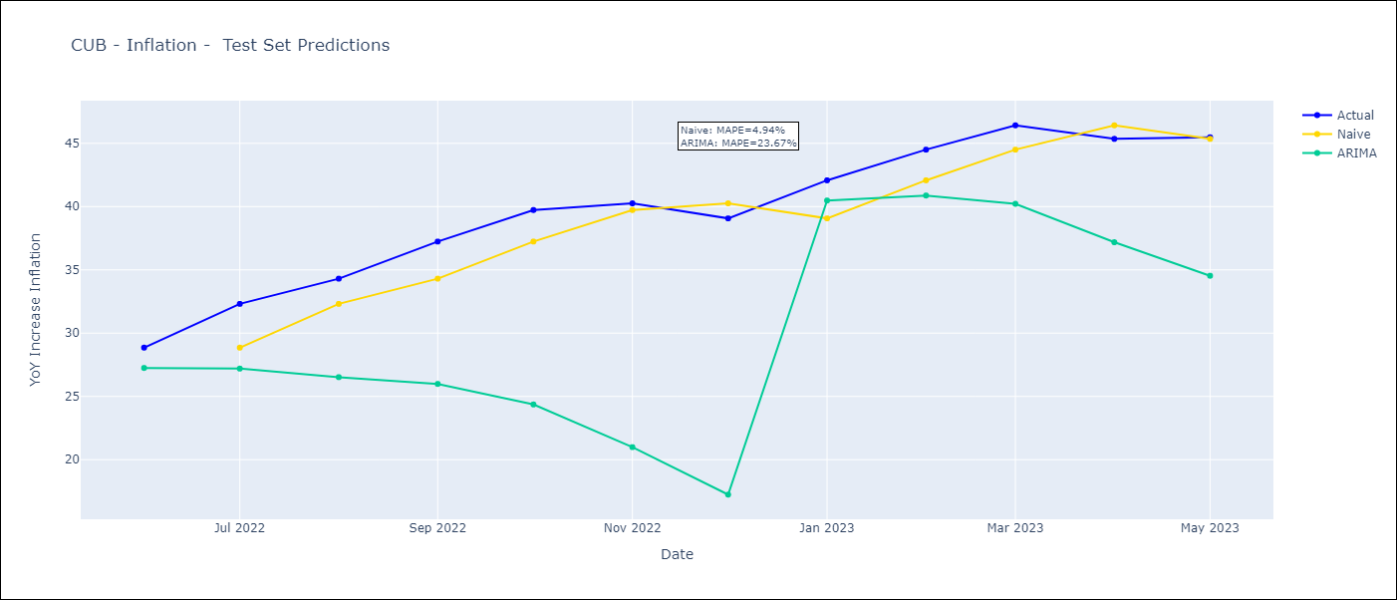
CUB - Inflation - Next 12 months forecast as of: 2023-05-01

Models | ARIMA - [(0, 1, 0), (0, 0, 2, 12)]
Training Data | 2011-01-01 to 2022-06-01
Test Data | 2022-06-01 to 2023-05-01

Date | ARIMA
2023-06-01 | 43.62 | 0 | 0
2023-07-01 | 40.55 | 0 | 0
2023-08-01 | 38.41 | 0 | 0
2023-09-01 | 35.43 | 0 | 0
2023-10-01 | 31.63 | 0 | 0
2023-11-01 | 28.14 | 0 | 0
2023-12-01 | 25.52 | 0 | 0
2024-01-01 | 31.9 | 0 | 0
2024-02-01 | 29.69 | 0 | 0
2024-03-01 | 26.53 | 0 | 0
2024-04-01 | 24.4 | 0 | 0
2024-05-01 | 21.55 | 0 | 0

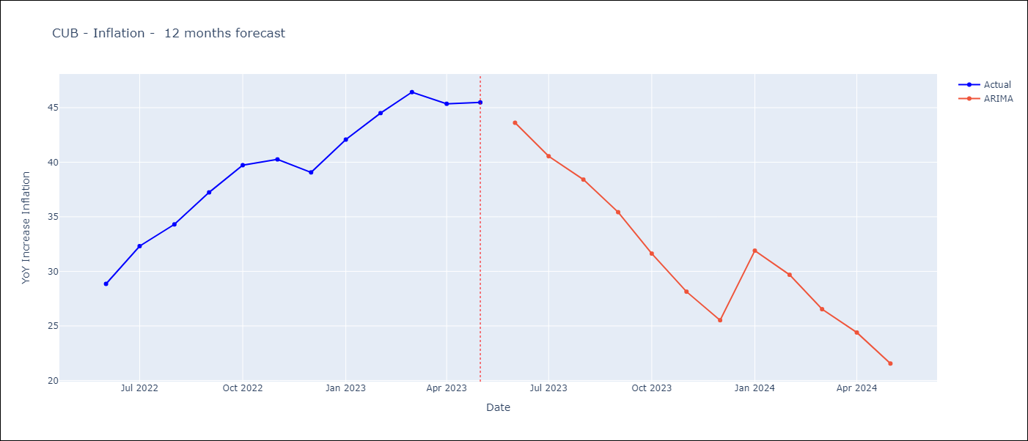

Test Metrics
ARIMA | 23.67%
SARIMAX
VARMAX

Test Predictions
Date | Actual | Predicted (ARIMA) | Predicted (ARIMAX) | Predicted (VARMAX)
2022-06-01 | 28.85 | 27.25
2022-07-01 | 32.31 | 27.2
2022-08-01 | 34.3 | 26.52
2022-09-01 | 37.24 | 25.98
2022-10-01 | 39.73 | 24.36
2022-11-01 | 40.26 | 20.99
2022-12-01 | 39.07 | 17.24
2023-01-01 | 42.08 | 40.48
2023-02-01 | 44.5 | 40.88
2023-03-01 | 46.42 | 40.22
2023-04-01 | 45.35 | 37.18
2023-05-01 | 45.48 | 34.53

GUY
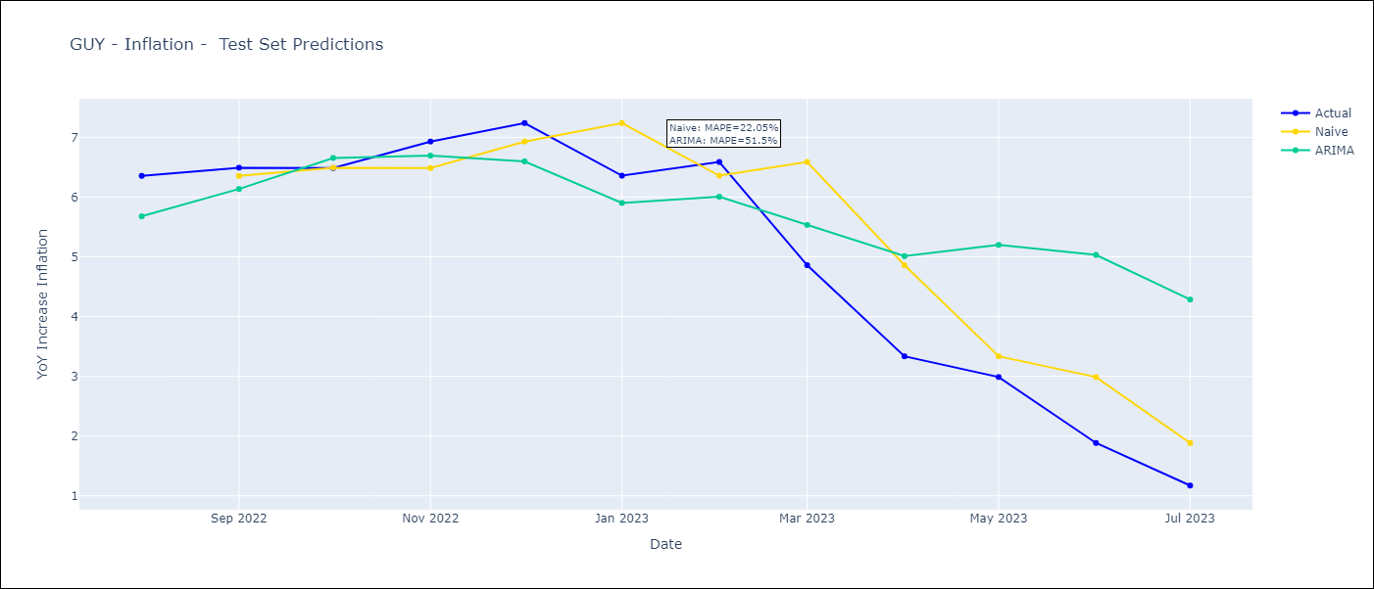
GUY - Inflation - Next 12 months forecast as of: 2023-07-01

Models | ARIMA - [(0, 1, 0), (0, 0, 1, 12)]
Training Data | 2011-01-01 to 2022-08-01
Test Data | 2022-08-01 to 2023-07-01

Date | ARIMA
2023-08-01 | 0.69 | 0 | 0
2023-09-01 | 0.95 | 0 | 0
2023-10-01 | 1.34 | 0 | 0
2023-11-01 | 1.07 | 0 | 0
2023-12-01 | 0.79 | 0 | 0
2024-01-01 | 0.81 | 0 | 0
2024-02-01 | 0.74 | 0 | 0
2024-03-01 | 1.6 | 0 | 0
2024-04-01 | 2.25 | 0 | 0
2024-05-01 | 2.61 | 0 | 0
2024-06-01 | 3.16 | 0 | 0
2024-07-01 | 3.05 | 0 | 0

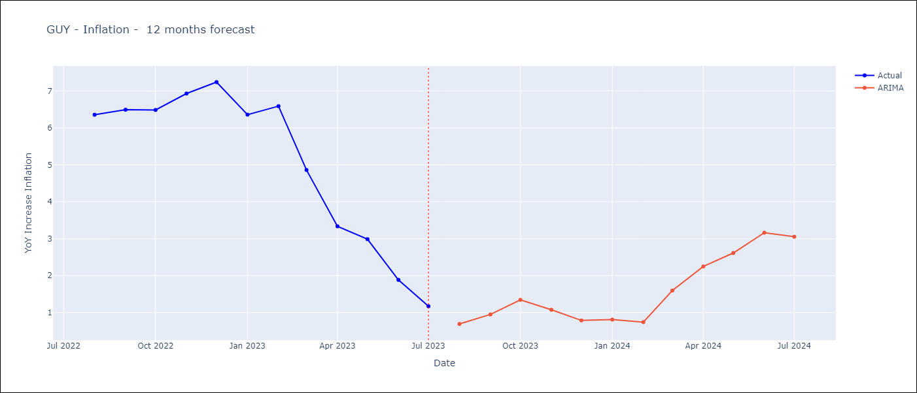

Test Metrics
ARIMA | 51.5%
SARIMAX
VARMAX

Test Predictions
Date | Actual | Predicted (ARIMA) | Predicted (ARIMAX) | Predicted (VARMAX)
2022-08-01 | 6.36 | 5.68
2022-09-01 | 6.49 | 6.14
2022-10-01 | 6.49 | 6.66
2022-11-01 | 6.93 | 6.69
2022-12-01 | 7.24 | 6.6
2023-01-01 | 6.36 | 5.9
2023-02-01 | 6.59 | 6.01
2023-03-01 | 4.86 | 5.53
2023-04-01 | 3.33 | 5.01
2023-05-01 | 2.99 | 5.2
2023-06-01 | 1.88 | 5.03
2023-07-01 | 1.17 | 4.28

HTI
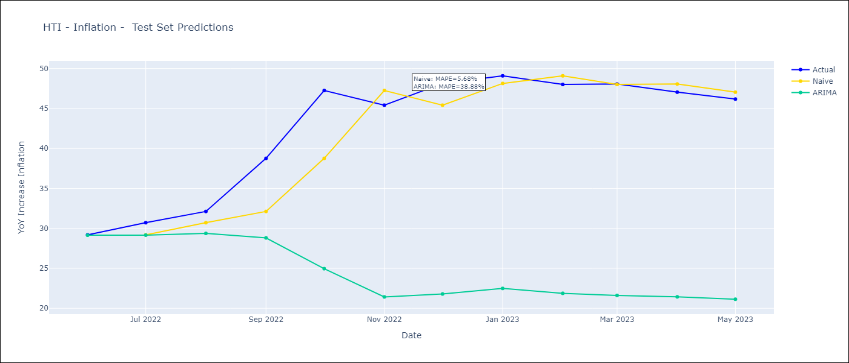
HTI - Inflation - Next 12 months forecast as of: 2023-05-01

Models | ARIMA - [(1, 1, 0), (2, 0, 1, 12)]
Training Data | 2011-01-01 to 2022-06-01
Test Data | 2022-06-01 to 2023-05-01

Date | ARIMA
2023-06-01 | 46.4 | 0 | 0
2023-07-01 | 45.04 | 0 | 0
2023-08-01 | 44.72 | 0 | 0
2023-09-01 | 38.86 | 0 | 0
2023-10-01 | 26.48 | 0 | 0
2023-11-01 | 21.28 | 0 | 0
2023-12-01 | 19.91 | 0 | 0
2024-01-01 | 20.24 | 0 | 0
2024-02-01 | 19.6 | 0 | 0
2024-03-01 | 18.8 | 0 | 0
2024-04-01 | 18.66 | 0 | 0
2024-05-01 | 18.12 | 0 | 0

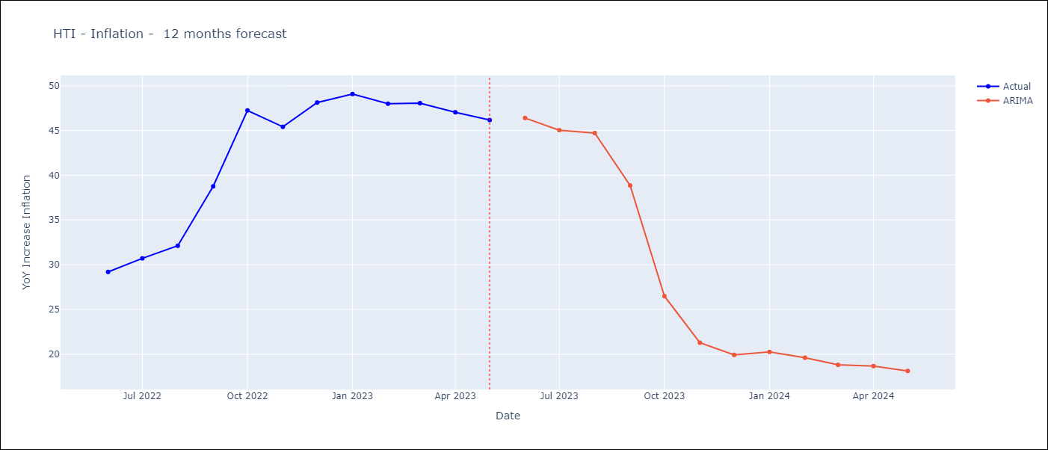

Test Metrics
ARIMA | 38.88%
SARIMAX
VARMAX

Test Predictions
Date | Actual | Predicted (ARIMA) | Predicted (ARIMAX) | Predicted (VARMAX)
2022-06-01 | 29.19 | 29.14
2022-07-01 | 30.71 | 29.15
2022-08-01 | 32.12 | 29.37
2022-09-01 | 38.76 | 28.81
2022-10-01 | 47.25 | 24.96
2022-11-01 | 45.42 | 21.42
2022-12-01 | 48.13 | 21.79
2023-01-01 | 49.09 | 22.49
2023-02-01 | 48 | 21.87
2023-03-01 | 48.06 | 21.61
2023-04-01 | 47.04 | 21.43
2023-05-01 | 46.18 | 21.13

TTO
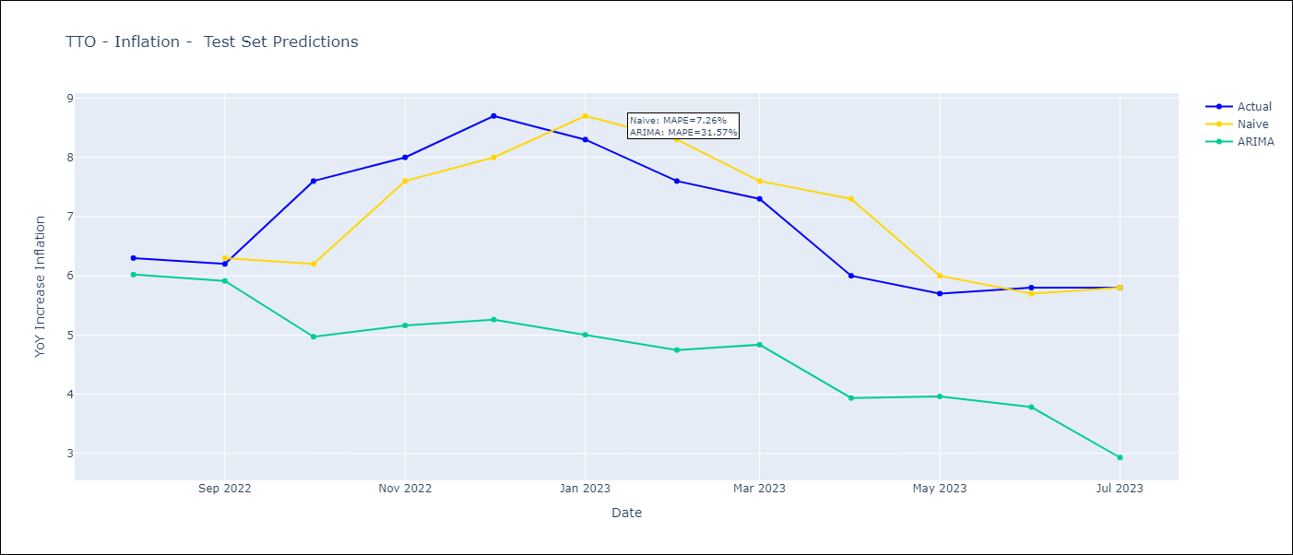
TTO - Inflation - Next 12 months forecast as of: 2023-07-01

Models | ARIMA - [(2, 1, 0), (3, 0, 0, 12)]
Training Data | 1991-01-01 to 2022-08-01
Test Data | 2022-08-01 to 2023-07-01

Date | ARIMA
2023-08-01 | 5.64 | 0 | 0
2023-09-01 | 5.67 | 0 | 0
2023-10-01 | 4.06 | 0 | 0
2023-11-01 | 3.89 | 0 | 0
2023-12-01 | 3.47 | 0 | 0
2024-01-01 | 3.6 | 0 | 0
2024-02-01 | 3.93 | 0 | 0
2024-03-01 | 4.18 | 0 | 0
2024-04-01 | 4.58 | 0 | 0
2024-05-01 | 4.82 | 0 | 0
2024-06-01 | 4.68 | 0 | 0
2024-07-01 | 4.17 | 0 | 0

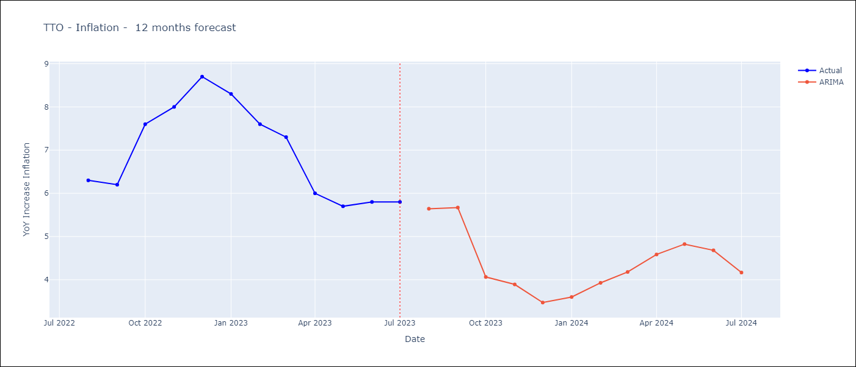

Test Metrics
ARIMA | 31.57%
SARIMAX
VARMAX

Test Predictions
Date | Actual | Predicted (ARIMA) | Predicted (ARIMAX) | Predicted (VARMAX)
2022-08-01 | 6.3 | 6.02
2022-09-01 | 6.2 | 5.91
2022-10-01 | 7.6 | 4.97
2022-11-01 | 8 | 5.16
2022-12-01 | 8.7 | 5.26
2023-01-01 | 8.3 | 5
2023-02-01 | 7.6 | 4.75
2023-03-01 | 7.3 | 4.84
2023-04-01 | 6 | 3.94
2023-05-01 | 5.7 | 3.96
2023-06-01 | 5.8 | 3.78
2023-07-01 | 5.8 | 2.93

JAM
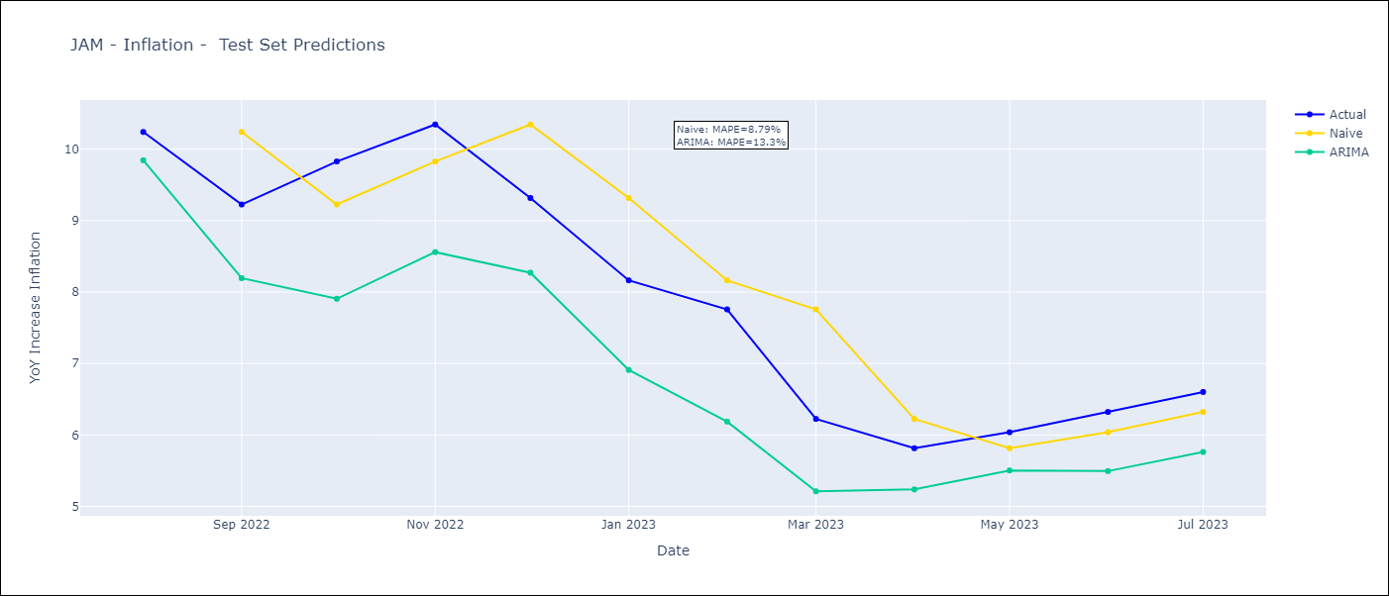
JAM - Inflation - Next 12 months forecast as of: 2023-07-01

Models | ARIMA - [(0, 1, 1), (1, 0, 2, 12)]
Training Data | 1991-01-01 to 2022-08-01
Test Data | 2022-08-01 to 2023-07-01

Date | ARIMA
2023-08-01 | 6.33 | 0 | 0
2023-09-01 | 6.18 | 0 | 0
2023-10-01 | 5.49 | 0 | 0
2023-11-01 | 5.45 | 0 | 0
2023-12-01 | 6.18 | 0 | 0
2024-01-01 | 6.31 | 0 | 0
2024-02-01 | 6.21 | 0 | 0
2024-03-01 | 6.94 | 0 | 0
2024-04-01 | 7.29 | 0 | 0
2024-05-01 | 7.28 | 0 | 0
2024-06-01 | 7.03 | 0 | 0
2024-07-01 | 6.97 | 0 | 0

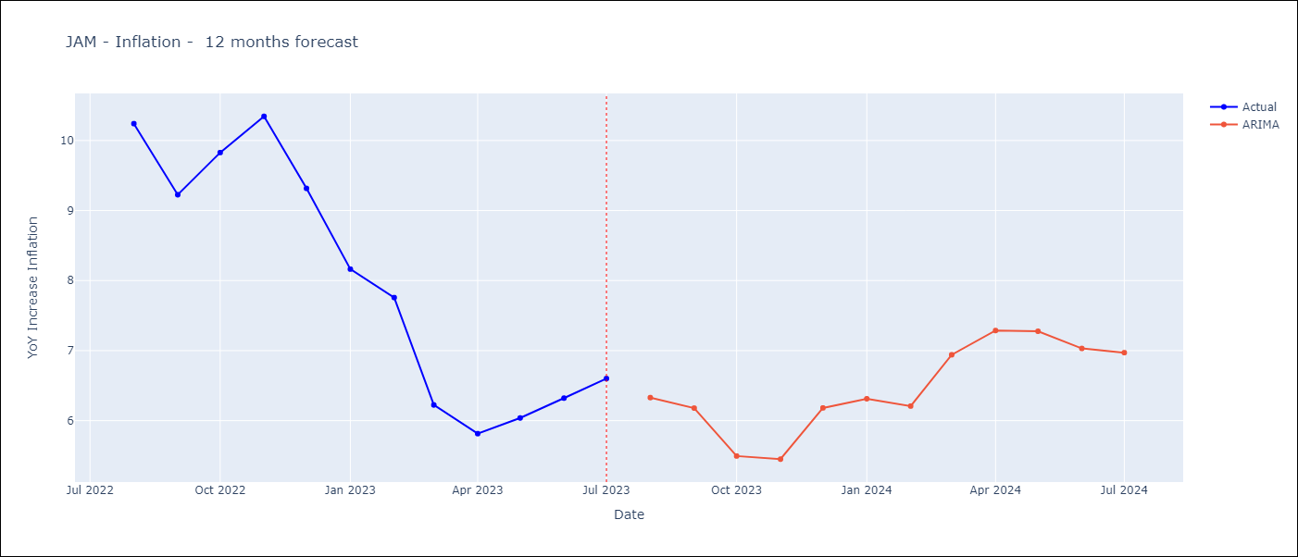

Test Metrics
ARIMA | 13.3%
SARIMAX
VARMAX

Test Predictions
Date | Actual | Predicted (ARIMA) | Predicted (ARIMAX) | Predicted (VARMAX)
2022-08-01 | 10.24 | 9.84
2022-09-01 | 9.23 | 8.19
2022-10-01 | 9.83 | 7.91
2022-11-01 | 10.34 | 8.56
2022-12-01 | 9.32 | 8.27
2023-01-01 | 8.16 | 6.91
2023-02-01 | 7.76 | 6.19
2023-03-01 | 6.22 | 5.21
2023-04-01 | 5.81 | 5.24
2023-05-01 | 6.04 | 5.5
2023-06-01 | 6.32 | 5.49
2023-07-01 | 6.6 | 5.76

ARG
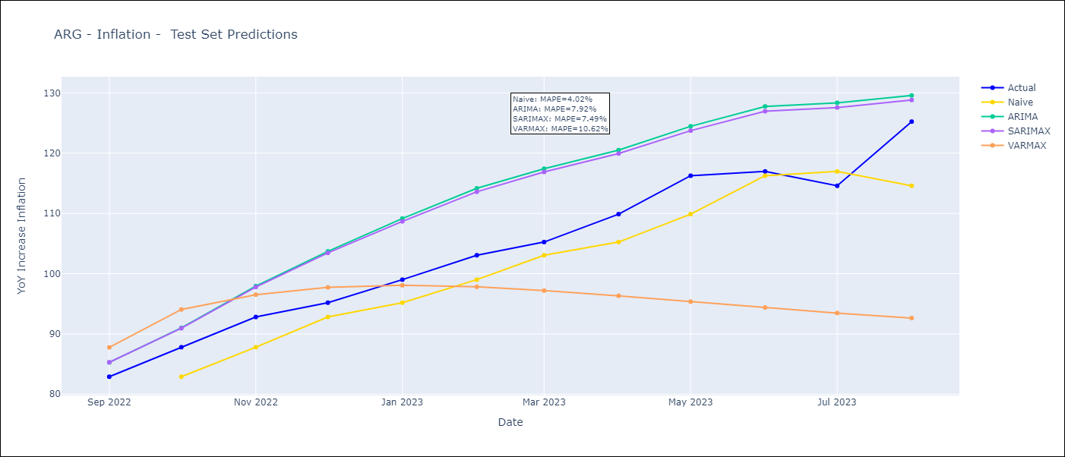
ARG - Inflation - Next 12 months forecast as of: 2023-08-01

Models | ARIMA - [(0, 2, 2), (1, 0, 1, 12)] | SARIMAX - [(0, 2, 2), (1, 0, 1, 12)] | VARMAX - (2, 0, 2, 0, 0, 0, 12)
Training Data | 1991-01-01 to 2022-09-01 | 2003-11-01 to 2022-09-01 | 1991-01-01 to 2022-09-01
Test Data | 2022-09-01 to 2023-08-01 | 2022-09-01 to 2023-08-01 | 2022-09-01 to 2023-08-01
Exogenous Variables | Exchange rates (nominal), Monetary Policiy rate, M1 money supply ($mm local currency)

Date | ARIMA | SARIMAX | VARMAX
2023-09-01 | 135.02 | 131.98 | 126.36
2023-10-01 | 140.93 | 135.47 | 119.41
2023-11-01 | 147.73 | 139.92 | 104.88
2023-12-01 | 155.63 | 145.34 | 94.63
2024-01-01 | 162.16 | 149.26 | 87.09
2024-02-01 | 168.14 | 152.79 | 80.68
2024-03-01 | 174.14 | 156.63 | 74.89
2024-04-01 | 178.11 | 158.38 | 69.61
2024-05-01 | 181.42 | 159.42 | 64.78
2024-06-01 | 188.61 | 164.21 | 60.36
2024-07-01 | 196.02 | 169.34 | 56.31
2024-08-01 | 193.76 | 165.36 | 52.62

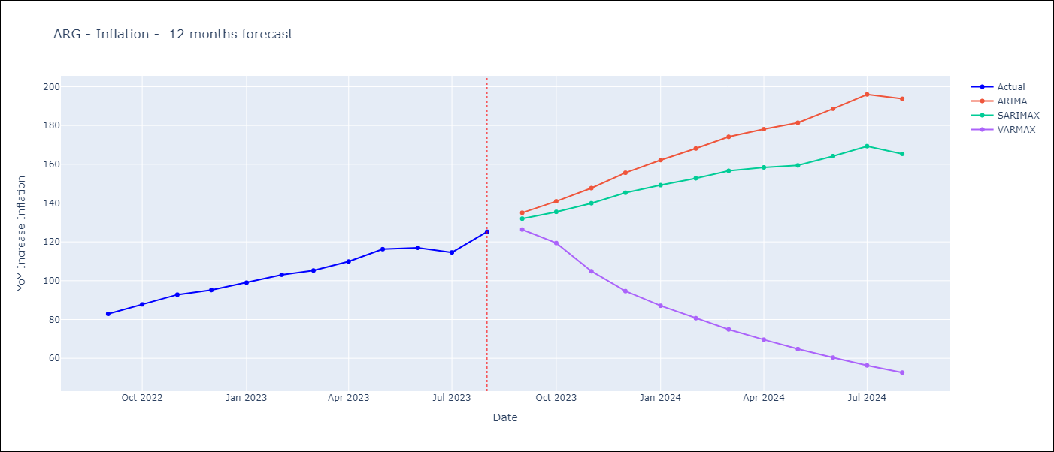

Test Metrics
ARIMA | 7.92%
SARIMAX | 7.49%
VARMAX | 10.62%

Test Predictions
Date | Actual | Predicted (ARIMA) | Predicted (ARIMAX) | Predicted (VARMAX)
2022-09-01 | 82.9 | 85.28 | 85.3 | 87.77
2022-10-01 | 87.8 | 91.01 | 90.94 | 94.06
2022-11-01 | 92.82 | 97.94 | 97.79 | 96.52
2022-12-01 | 95.19 | 103.71 | 103.45 | 97.73
2023-01-01 | 99.01 | 109.16 | 108.68 | 98.07
2023-02-01 | 103.06 | 114.17 | 113.6 | 97.82
2023-03-01 | 105.25 | 117.42 | 116.88 | 97.19
2023-04-01 | 109.89 | 120.51 | 119.94 | 96.33
2023-05-01 | 116.26 | 124.47 | 123.74 | 95.37
2023-06-01 | 116.97 | 127.76 | 126.96 | 94.39
2023-07-01 | 114.59 | 128.36 | 127.57 | 93.47
2023-08-01 | 125.24 | 129.58 | 128.82 | 92.64

MEX
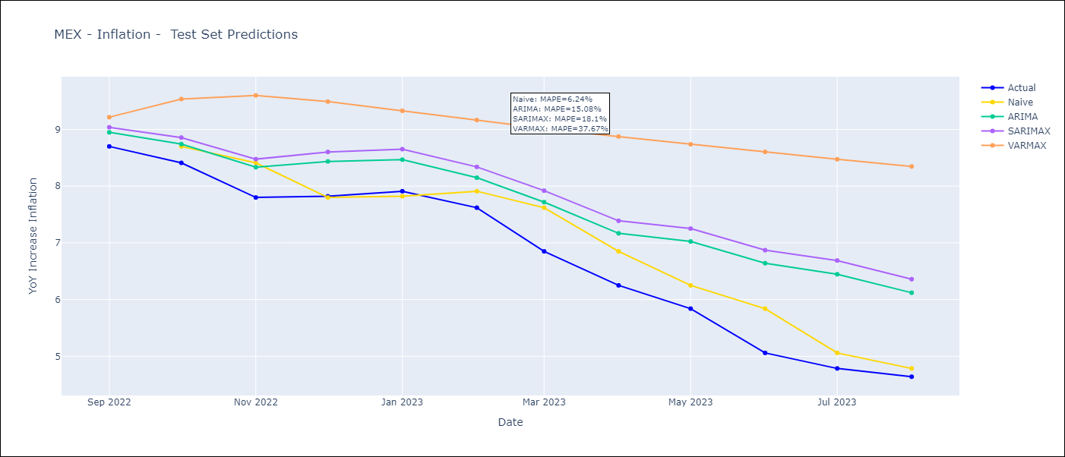
MEX - Inflation - Next 12 months forecast as of: 2023-08-01

Models | ARIMA - [(0, 1, 1), (0, 0, 1, 12)] | SARIMAX - [(0, 1, 1), (0, 0, 1, 12)] | VARMAX - (3, 1, 1, 0, 0, 2, 12)
Training Data | 1990-01-01 to 2022-09-01 | 2001-12-01 to 2022-09-01 | 1990-01-01 to 2022-09-01
Test Data | 2022-09-01 to 2023-08-01 | 2022-09-01 to 2023-08-01 | 2022-09-01 to 2023-08-01
Exogenous Variables | Exchange rates (nominal), Monetary Policiy rate, M1 money supply ($mm local currency)

Date | ARIMA | SARIMAX | VARMAX
2023-09-01 | 4.65 | 4.56 | 4.33
2023-10-01 | 4.71 | 4.58 | 4.05
2023-11-01 | 4.86 | 4.76 | 3.87
2023-12-01 | 4.92 | 4.85 | 3.79
2024-01-01 | 4.87 | 4.79 | 3.79
2024-02-01 | 4.85 | 4.7 | 3.83
2024-03-01 | 5.1 | 4.91 | 3.9
2024-04-01 | 5.13 | 4.89 | 3.98
2024-05-01 | 5.33 | 5.01 | 4.08
2024-06-01 | 5.61 | 5.24 | 4.19
2024-07-01 | 5.67 | 5.23 | 4.3
2024-08-01 | 5.54 | 5.05 | 4.42

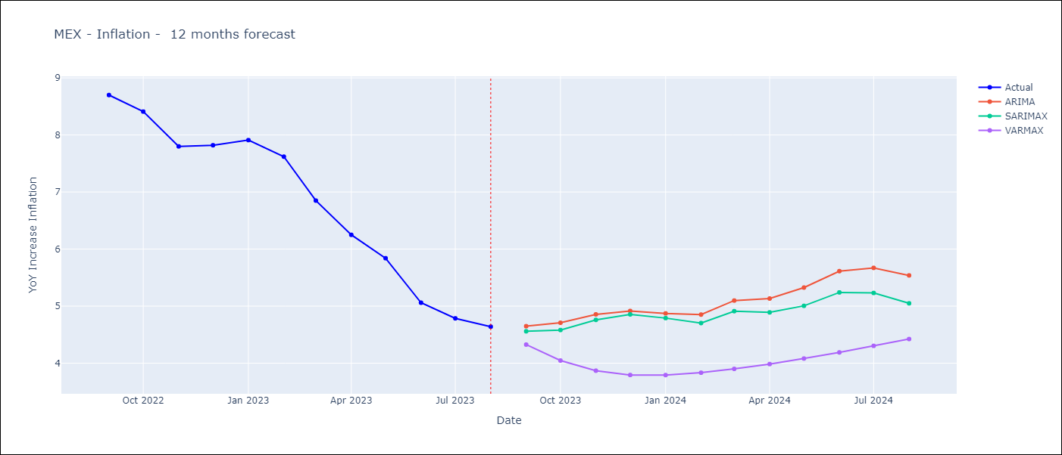

Test Metrics
ARIMA | 15.08%
SARIMAX | 18.1%
VARMAX | 37.67%

Test Predictions
Date | Actual | Predicted (ARIMA) | Predicted (ARIMAX) | Predicted (VARMAX)
2022-09-01 | 8.7 | 8.95 | 9.04 | 9.21
2022-10-01 | 8.41 | 8.74 | 8.86 | 9.53
2022-11-01 | 7.8 | 8.33 | 8.48 | 9.6
2022-12-01 | 7.82 | 8.44 | 8.6 | 9.49
2023-01-01 | 7.91 | 8.47 | 8.65 | 9.33
2023-02-01 | 7.62 | 8.15 | 8.34 | 9.16
2023-03-01 | 6.85 | 7.72 | 7.92 | 9.01
2023-04-01 | 6.25 | 7.17 | 7.39 | 8.87
2023-05-01 | 5.84 | 7.02 | 7.25 | 8.74
2023-06-01 | 5.06 | 6.64 | 6.87 | 8.6
2023-07-01 | 4.79 | 6.45 | 6.69 | 8.47
2023-08-01 | 4.64 | 6.12 | 6.36 | 8.35

BOL
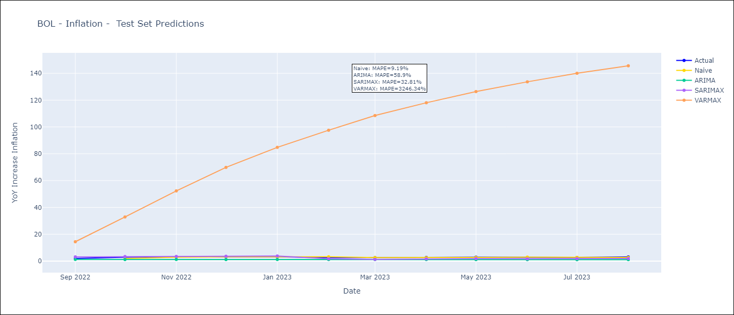
BOL - Inflation - Next 12 months forecast as of: 2023-08-01

Models | ARIMA - [(1, 1, 2), (2, 0, 1, 12)] | SARIMAX - [(1, 1, 2), (2, 0, 1, 12)] | VARMAX - (3, 0, 2, 0, 0, 1, 12)
Training Data | 1938-01-01 to 2022-09-01 | 2003-12-01 to 2022-09-01 | 1938-01-01 to 2022-09-01
Test Data | 2022-09-01 to 2023-08-01 | 2022-09-01 to 2023-08-01 | 2022-09-01 to 2023-08-01
Exogenous Variables | Exchange rates (nominal), Monetary Policiy rate, M1 money supply ($mm local currency)

Date | ARIMA | SARIMAX | VARMAX
2023-09-01 | 3.26 | 3.05 | -0.65
2023-10-01 | 3.23 | 2.5 | -5.95
2023-11-01 | 3.17 | 2.18 | -10.94
2023-12-01 | 3.19 | 1.99 | -14.62
2024-01-01 | 3.18 | 1.99 | -16.95
2024-02-01 | 3.24 | 2.36 | -18.26
2024-03-01 | 3.24 | 2.35 | -18.84
2024-04-01 | 3.23 | 2.36 | -18.86
2024-05-01 | 3.2 | 1.85 | -18.42
2024-06-01 | 3.21 | 1.76 | -17.58
2024-07-01 | 3.21 | 1.62 | -16.41
2024-08-01 | 3.18 | 1.77 | -14.94

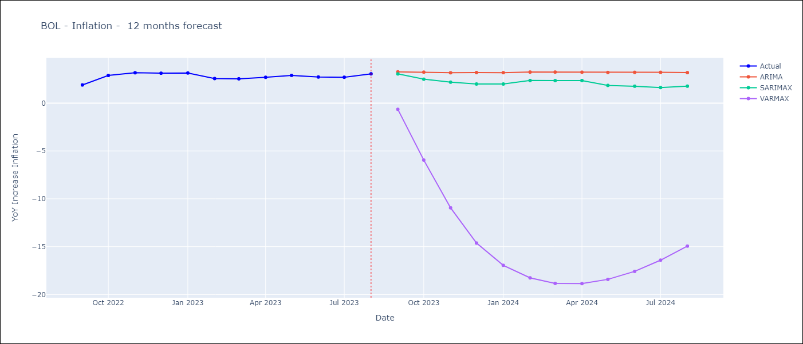

Test Metrics
ARIMA | 58.9%
SARIMAX | 32.81%
VARMAX | 3246.34%

Test Predictions
Date | Actual | Predicted (ARIMA) | Predicted (ARIMAX) | Predicted (VARMAX)
2022-09-01 | 1.89 | 1.23 | 3.11 | 14.39
2022-10-01 | 2.89 | 1.12 | 3.34 | 32.87
2022-11-01 | 3.17 | 1.17 | 3.43 | 52.32
2022-12-01 | 3.12 | 1.11 | 3.57 | 69.83
2023-01-01 | 3.14 | 1.15 | 3.76 | 84.8
2023-02-01 | 2.57 | 1.14 | 1.73 | 97.54
2023-03-01 | 2.53 | 1.14 | 1.2 | 108.52
2023-04-01 | 2.7 | 1.13 | 1.62 | 118.05
2023-05-01 | 2.9 | 1.08 | 1.82 | 126.38
2023-06-01 | 2.73 | 1.05 | 1.66 | 133.66
2023-07-01 | 2.7 | 1.03 | 1.79 | 140.03
2023-08-01 | 3.06 | 1.07 | 1.92 | 145.6

BRA
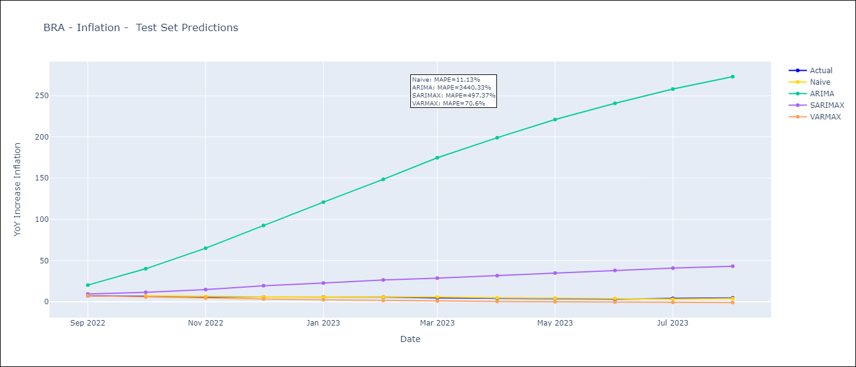
BRA - Inflation - Next 12 months forecast as of: 2023-08-01

Models | ARIMA - [(2, 0, 0), (3, 0, 0, 12)] | SARIMAX - [(2, 0, 0), (3, 0, 0, 12)] | VARMAX - (2, 1, 0, 0, 0, 1, 12)
Training Data | 1980-12-01 to 2022-09-01 | 2002-12-01 to 2022-09-01 | 1980-12-01 to 2022-09-01
Test Data | 2022-09-01 to 2023-08-01 | 2022-09-01 to 2023-08-01 | 2022-09-01 to 2023-08-01
Exogenous Variables | Exchange rates (nominal), Monetary Policiy rate, M1 money supply ($mm local currency)

Date | ARIMA | SARIMAX | VARMAX
2023-09-01 | 17.28 | 5.25 | 3.92
2023-10-01 | 37.74 | 5.32 | 2.38
2023-11-01 | 62.86 | 5.58 | 0.56
2023-12-01 | 90.24 | 5.94 | -1.08
2024-01-01 | 118.18 | 5.75 | -2.2
2024-02-01 | 145.47 | 5.58 | -2.55
2024-03-01 | 171.35 | 5.61 | -1.96
2024-04-01 | 195.2 | 5.29 | -0.3
2024-05-01 | 216.77 | 5.34 | 2.49
2024-06-01 | 235.99 | 5.71 | 6.44
2024-07-01 | 252.75 | 5.93 | 11.54
2024-08-01 | 267.25 | 6.03 | 17.77

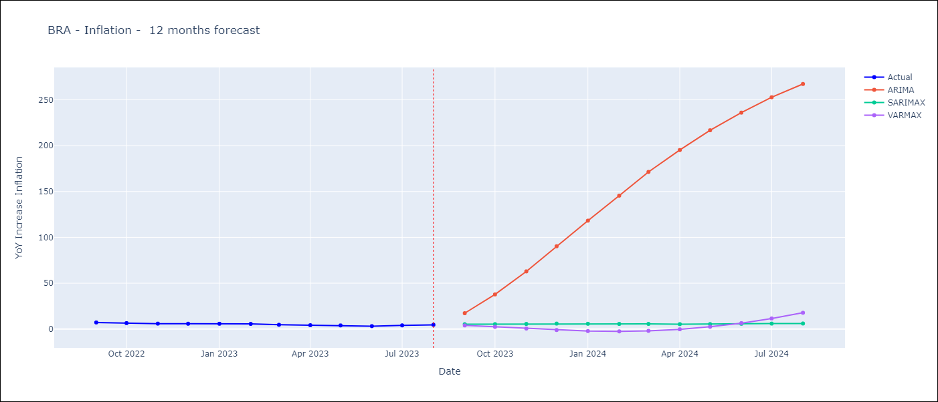

Test Metrics
ARIMA | 3440.33%
SARIMAX | 497.37%
VARMAX | 70.6%

Test Predictions
Date | Actual | Predicted (ARIMA) | Predicted (ARIMAX) | Predicted (VARMAX)
2022-09-01 | 7.17 | 20.16 | 9.33 | 7.18
2022-10-01 | 6.47 | 40 | 11.42 | 5.72
2022-11-01 | 5.9 | 64.95 | 14.72 | 4.42
2022-12-01 | 5.79 | 92.54 | 19.41 | 3.29
2023-01-01 | 5.77 | 120.79 | 22.65 | 2.33
2023-02-01 | 5.6 | 148.5 | 26.38 | 1.52
2023-03-01 | 4.65 | 174.74 | 28.64 | 0.85
2023-04-01 | 4.18 | 199.01 | 31.64 | 0.31
2023-05-01 | 3.94 | 221.08 | 34.75 | -0.14
2023-06-01 | 3.16 | 240.72 | 37.95 | -0.49
2023-07-01 | 3.99 | 258.09 | 40.8 | -0.78
2023-08-01 | 4.61 | 273.11 | 43.09 | -1

COL
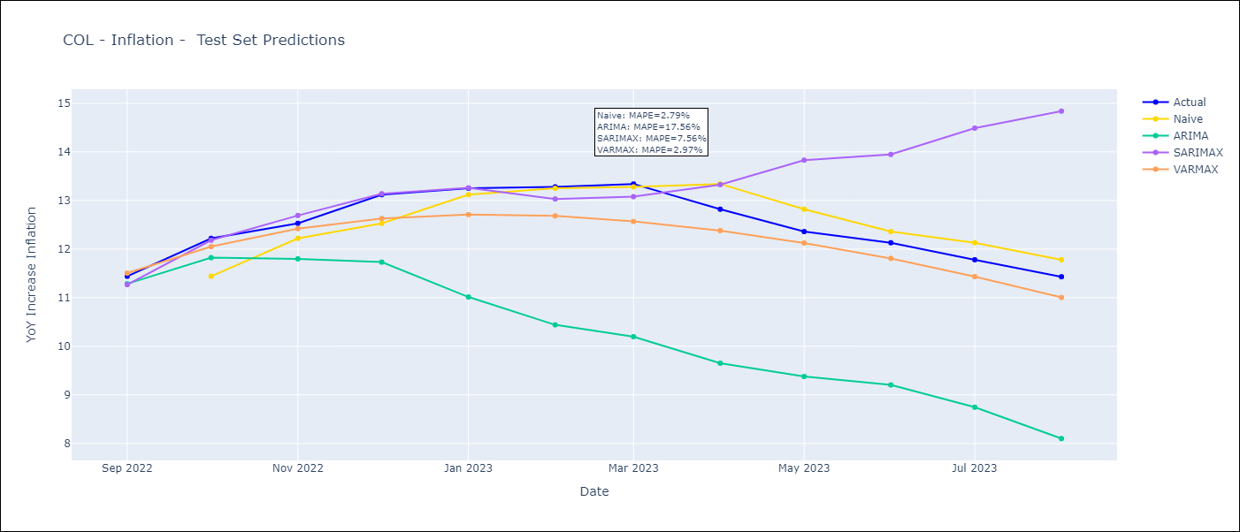
COL - Inflation - Next 12 months forecast as of: 2023-08-01

Models | ARIMA - [(1, 2, 1), (2, 0, 1, 12)] | SARIMAX - [(1, 2, 1), (2, 0, 1, 12)] | VARMAX - (2, 1, 0, 2, 0, 1, 12)
Training Data | 1955-07-01 to 2022-09-01 | 1996-04-01 to 2022-09-01 | 1955-07-01 to 2022-09-01
Test Data | 2022-09-01 to 2023-08-01 | 2022-09-01 to 2023-08-01 | 2022-09-01 to 2023-08-01
Exogenous Variables | Exchange rates (nominal), Monetary Policiy rate, M1 money supply ($mm local currency)

Date | ARIMA | SARIMAX | VARMAX
2023-09-01 | 11.2 | 11.29 | 11
2023-10-01 | 10.96 | 10.83 | 10.52
2023-11-01 | 10.72 | 10.08 | 10.03
2023-12-01 | 10.23 | 9.48 | 9.54
2024-01-01 | 9.58 | 8.7 | 9.06
2024-02-01 | 9.17 | 8.39 | 8.61
2024-03-01 | 9.05 | 8.42 | 8.17
2024-04-01 | 9.22 | 8.5 | 7.76
2024-05-01 | 9.63 | 8.93 | 7.37
2024-06-01 | 9.83 | 9.24 | 7
2024-07-01 | 9.93 | 9.51 | 6.66
2024-08-01 | 9.86 | 9.75 | 6.34

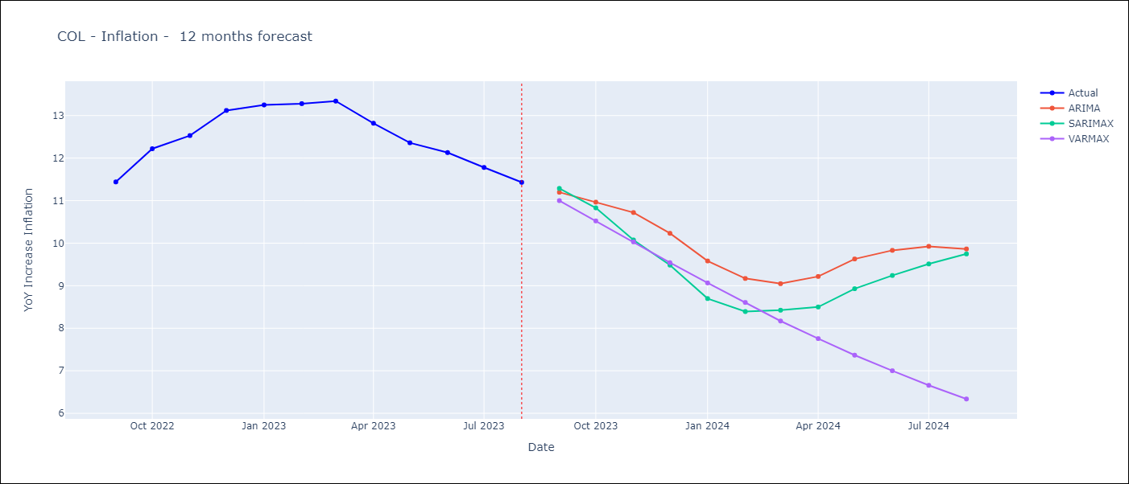

Test Metrics
ARIMA | 17.56%
SARIMAX | 7.56%
VARMAX | 2.97%

Test Predictions
Date | Actual | Predicted (ARIMA) | Predicted (ARIMAX) | Predicted (VARMAX)
2022-09-01 | 11.44 | 11.29 | 11.27 | 11.5
2022-10-01 | 12.22 | 11.82 | 12.18 | 12.05
2022-11-01 | 12.53 | 11.8 | 12.69 | 12.42
2022-12-01 | 13.12 | 11.73 | 13.14 | 12.63
2023-01-01 | 13.25 | 11.01 | 13.26 | 12.71
2023-02-01 | 13.28 | 10.44 | 13.03 | 12.68
2023-03-01 | 13.34 | 10.2 | 13.08 | 12.57
2023-04-01 | 12.82 | 9.65 | 13.33 | 12.38
2023-05-01 | 12.36 | 9.38 | 13.83 | 12.12
2023-06-01 | 12.13 | 9.2 | 13.95 | 11.81
2023-07-01 | 11.78 | 8.75 | 14.49 | 11.43
2023-08-01 | 11.43 | 8.1 | 14.84 | 11

URY
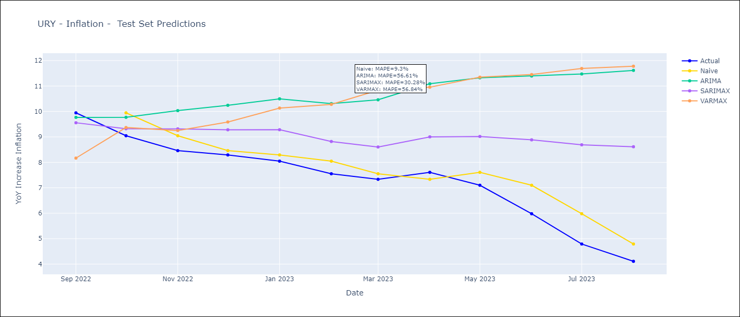
URY - Inflation - Next 12 months forecast as of: 2023-08-01

Models | ARIMA - [(3, 0, 0), (2, 0, 0, 12)] | SARIMAX - [(3, 0, 0), (2, 0, 0, 12)] | VARMAX - (3, 1, 2, 1, 0, 1, 12)
Training Data | 1938-07-01 to 2022-09-01 | 2008-09-01 to 2022-09-01 | 1938-07-01 to 2022-09-01
Test Data | 2022-09-01 to 2023-08-01 | 2022-09-01 to 2023-08-01 | 2022-09-01 to 2023-08-01
Exogenous Variables | Exchange rates (nominal), Monetary Policiy rate, M1 money supply ($mm local currency)

Date | ARIMA | SARIMAX | VARMAX
2023-09-01 | 3.92 | 3.99 | 4.04
2023-10-01 | 4.35 | 4.31 | 4.14
2023-11-01 | 4.84 | 4.55 | 4.29
2023-12-01 | 5.11 | 4.57 | 4.47
2024-01-01 | 5.41 | 4.56 | 4.67
2024-02-01 | 5.71 | 4.55 | 4.88
2024-03-01 | 5.91 | 4.57 | 5.11
2024-04-01 | 6.01 | 4.47 | 5.33
2024-05-01 | 6.49 | 4.68 | 5.57
2024-06-01 | 7.29 | 5.08 | 5.81
2024-07-01 | 8.03 | 5.44 | 6.05
2024-08-01 | 8.6 | 5.66 | 6.29

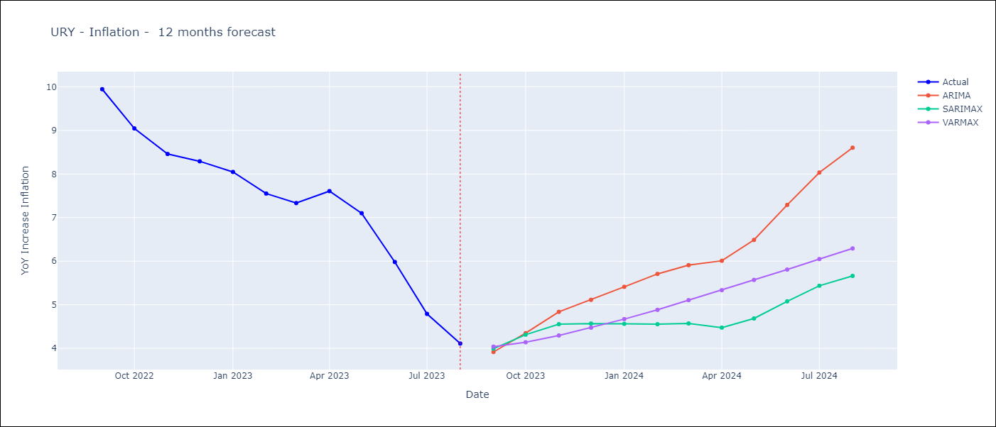

Test Metrics
ARIMA | 56.61%
SARIMAX | 30.28%
VARMAX | 56.84%

Test Predictions
Date | Actual | Predicted (ARIMA) | Predicted (ARIMAX) | Predicted (VARMAX)
2022-09-01 | 9.95 | 9.77 | 9.56 | 8.17
2022-10-01 | 9.05 | 9.77 | 9.32 | 9.37
2022-11-01 | 8.46 | 10.03 | 9.32 | 9.25
2022-12-01 | 8.29 | 10.24 | 9.28 | 9.59
2023-01-01 | 8.05 | 10.5 | 9.28 | 10.13
2023-02-01 | 7.55 | 10.31 | 8.82 | 10.28
2023-03-01 | 7.33 | 10.46 | 8.6 | 10.84
2023-04-01 | 7.61 | 11.09 | 9 | 10.95
2023-05-01 | 7.1 | 11.32 | 9.02 | 11.35
2023-06-01 | 5.98 | 11.39 | 8.88 | 11.45
2023-07-01 | 4.79 | 11.47 | 8.69 | 11.69
2023-08-01 | 4.11 | 11.61 | 8.61 | 11.78

ECU
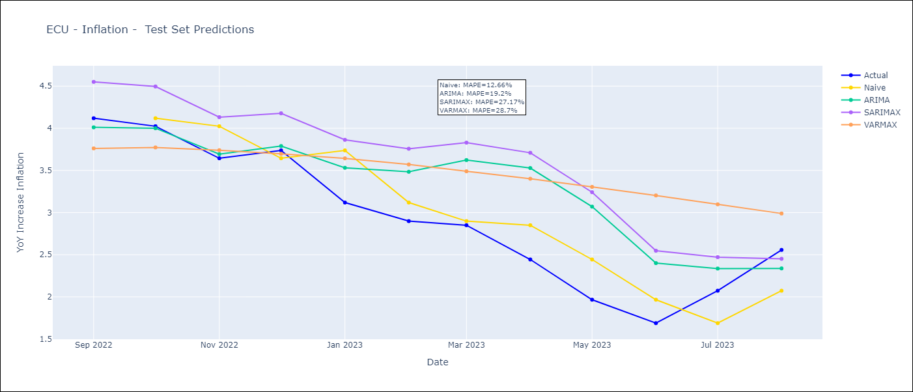
ECU - Inflation - Next 12 months forecast as of: 2023-08-01

Models | ARIMA - [(1, 1, 1), (2, 0, 1, 12)] | SARIMAX - [(1, 1, 1), (2, 0, 1, 12)] | VARMAX - (2, 1, 2, 1, 0, 2, 12)
Training Data | 1970-01-01 to 2022-09-01 | 2008-01-01 to 2022-09-01 | 1970-01-01 to 2022-09-01
Test Data | 2022-09-01 to 2023-08-01 | 2022-09-01 to 2023-08-01 | 2022-09-01 to 2023-08-01
Exogenous Variables | Exchange rates (nominal), M1 money supply ($mm local currency)

Date | ARIMA | SARIMAX | VARMAX
2023-09-01 | 2.7 | 2.6 | 2.86
2023-10-01 | 2.97 | 2.76 | 3.09
2023-11-01 | 3.21 | 2.85 | 3.25
2023-12-01 | 3.35 | 2.94 | 3.38
2024-01-01 | 3.77 | 3.22 | 3.5
2024-02-01 | 4.01 | 3.39 | 3.63
2024-03-01 | 4.24 | 3.56 | 3.76
2024-04-01 | 4.57 | 3.84 | 3.9
2024-05-01 | 4.67 | 3.84 | 4.05
2024-06-01 | 4.43 | 3.47 | 4.21
2024-07-01 | 4.1 | 3.14 | 4.37
2024-08-01 | 3.74 | 2.79 | 4.54

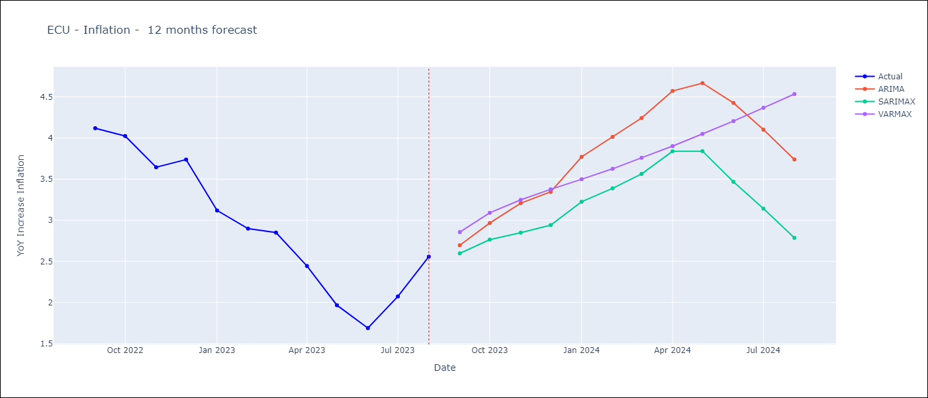

Test Metrics
ARIMA | 19.2%
SARIMAX | 27.17%
VARMAX | 28.7%

Test Predictions
Date | Actual | Predicted (ARIMA) | Predicted (ARIMAX) | Predicted (VARMAX)
2022-09-01 | 4.12 | 4.01 | 4.55 | 3.76
2022-10-01 | 4.02 | 4 | 4.5 | 3.77
2022-11-01 | 3.64 | 3.69 | 4.13 | 3.74
2022-12-01 | 3.74 | 3.79 | 4.18 | 3.7
2023-01-01 | 3.12 | 3.53 | 3.86 | 3.64
2023-02-01 | 2.9 | 3.48 | 3.76 | 3.57
2023-03-01 | 2.85 | 3.62 | 3.83 | 3.49
2023-04-01 | 2.44 | 3.53 | 3.71 | 3.4
2023-05-01 | 1.97 | 3.07 | 3.24 | 3.3
2023-06-01 | 1.69 | 2.4 | 2.55 | 3.2
2023-07-01 | 2.07 | 2.34 | 2.47 | 3.1
2023-08-01 | 2.56 | 2.34 | 2.45 | 2.99

PRY
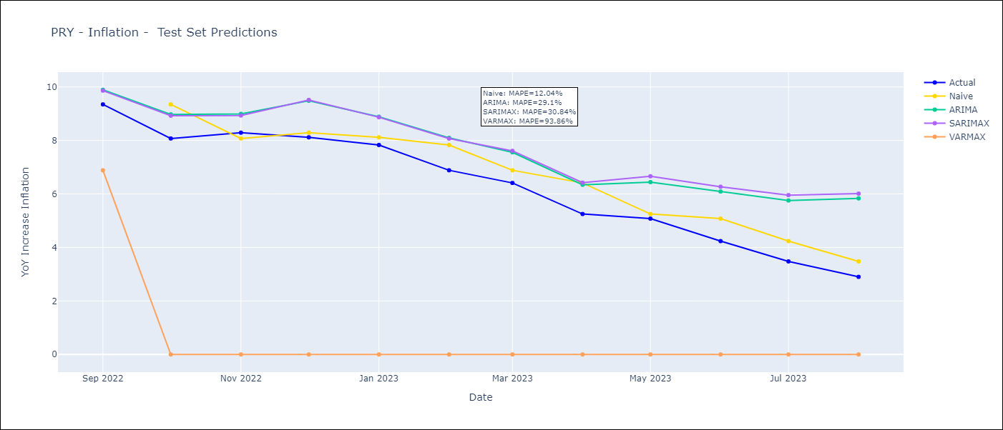
PRY - Inflation - Next 12 months forecast as of: 2023-08-01

Models | ARIMA - [(0, 1, 2), (1, 0, 1, 12)] | SARIMAX - [(0, 1, 2), (1, 0, 1, 12)] | VARMAX - (0, 1, 1, 0, 0, 2, 12)
Training Data | 1965-01-01 to 2022-09-01 | 1994-06-01 to 2022-09-01 | 1965-01-01 to 2022-09-01
Test Data | 2022-09-01 to 2023-08-01 | 2022-09-01 to 2023-08-01 | 2022-09-01 to 2023-08-01
Exogenous Variables | Exchange rates (nominal), Monetary Policiy rate, M1 money supply ($mm local currency)

Date | ARIMA | SARIMAX | VARMAX
2023-09-01 | 3.2 | 3.19 | 5.88
2023-10-01 | 3.44 | 3.33 | 10.84
2023-11-01 | 3.28 | 3.12 | 10.84
2023-12-01 | 3.84 | 3.84 | 10.84
2024-01-01 | 3.55 | 3.47 | 10.84
2024-02-01 | 3.62 | 3.53 | 10.84
2024-03-01 | 3.54 | 3.42 | 10.84
2024-04-01 | 3.42 | 3.3 | 10.84
2024-05-01 | 3.64 | 3.62 | 10.84
2024-06-01 | 4 | 4.02 | 10.84
2024-07-01 | 4.31 | 4.4 | 10.84
2024-08-01 | 4.84 | 4.97 | 10.84

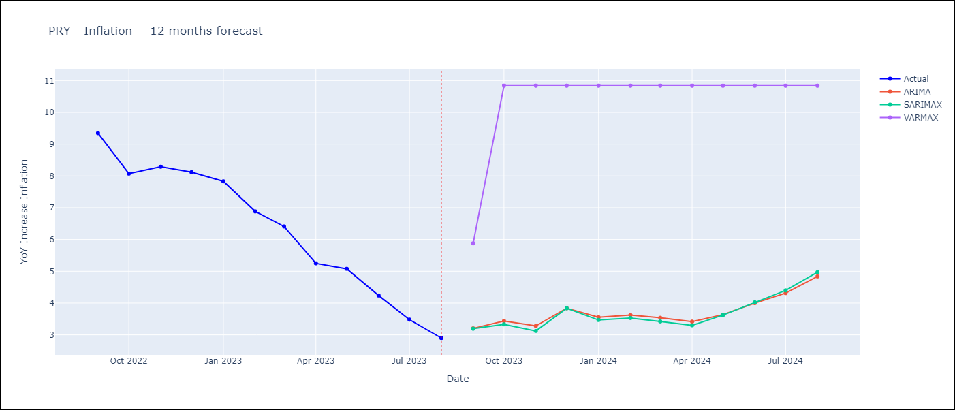

Test Metrics
ARIMA | 29.1%
SARIMAX | 30.84%
VARMAX | 93.86%

Test Predictions
Date | Actual | Predicted (ARIMA) | Predicted (ARIMAX) | Predicted (VARMAX)
2022-09-01 | 9.35 | 9.89 | 9.86 | 6.88
2022-10-01 | 8.07 | 8.97 | 8.93 | 0
2022-11-01 | 8.29 | 8.99 | 8.93 | 0
2022-12-01 | 8.12 | 9.49 | 9.51 | 0
2023-01-01 | 7.83 | 8.89 | 8.87 | 0
2023-02-01 | 6.88 | 8.1 | 8.07 | 0
2023-03-01 | 6.41 | 7.56 | 7.61 | 0
2023-04-01 | 5.25 | 6.34 | 6.42 | 0
2023-05-01 | 5.08 | 6.44 | 6.66 | 0
2023-06-01 | 4.24 | 6.09 | 6.27 | 0
2023-07-01 | 3.48 | 5.76 | 5.96 | 0
2023-08-01 | 2.9 | 5.83 | 6.01 | 0

CRI
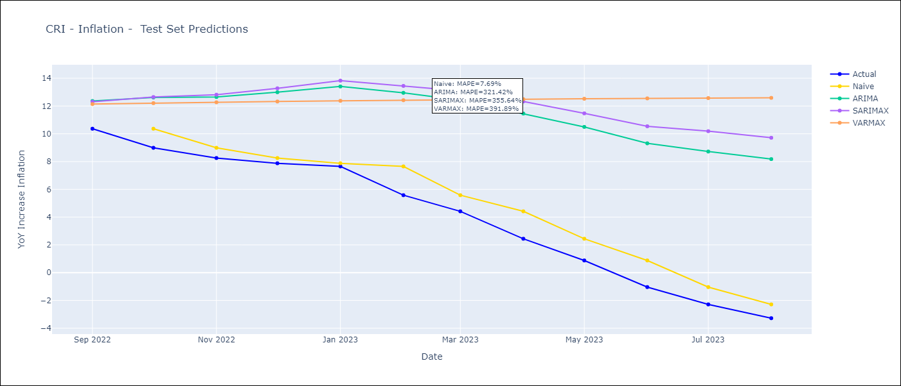
CRI - Inflation - Next 12 months forecast as of: 2023-08-01

Models | ARIMA - [(3, 1, 1), (0, 0, 1, 12)] | SARIMAX - [(3, 1, 1), (0, 0, 1, 12)] | VARMAX - (1, 1, 1, 0, 0, 2, 12)
Training Data | 1977-01-01 to 2022-09-01 | 2007-03-01 to 2022-09-01 | 1977-01-01 to 2022-09-01
Test Data | 2022-09-01 to 2023-08-01 | 2022-09-01 to 2023-08-01 | 2022-09-01 to 2023-08-01
Exogenous Variables | Exchange rates (nominal), Monetary Policiy rate, M1 money supply ($mm local currency)

Date | ARIMA | SARIMAX | VARMAX
2023-09-01 | -2.53 | -2.35 | -4.03
2023-10-01 | -1.89 | -1.5 | -4.43
2023-11-01 | -1.87 | -1.3 | -4.8
2023-12-01 | -1.79 | -0.96 | -5.13
2024-01-01 | -1.68 | -0.64 | -5.42
2024-02-01 | -0.7 | 0.53 | -5.67
2024-03-01 | -0.48 | 0.83 | -5.89
2024-04-01 | 0.11 | 1.51 | -6.07
2024-05-01 | 0.39 | 1.93 | -6.22
2024-06-01 | 0.83 | 2.29 | -6.32
2024-07-01 | 1.22 | 2.7 | -6.4
2024-08-01 | 1.47 | 3 | -6.43

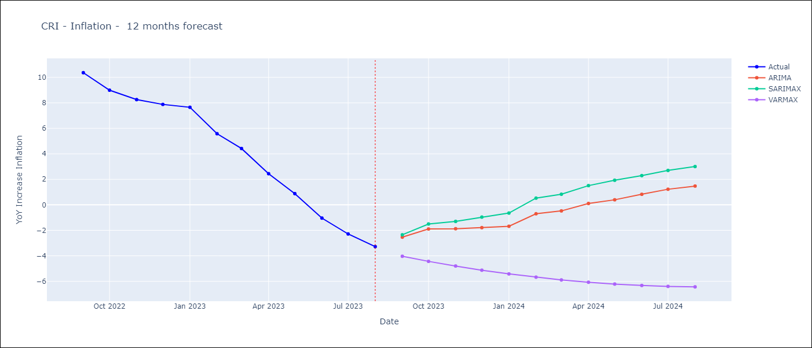

Test Metrics
ARIMA | 321.42%
SARIMAX | 355.64%
VARMAX | 391.89%

Test Predictions
Date | Actual | Predicted (ARIMA) | Predicted (ARIMAX) | Predicted (VARMAX)
2022-09-01 | 10.37 | 12.36 | 12.31 | 12.14
2022-10-01 | 8.99 | 12.62 | 12.65 | 12.21
2022-11-01 | 8.26 | 12.65 | 12.81 | 12.27
2022-12-01 | 7.88 | 12.99 | 13.27 | 12.32
2023-01-01 | 7.65 | 13.41 | 13.83 | 12.37
2023-02-01 | 5.58 | 12.95 | 13.45 | 12.42
2023-03-01 | 4.42 | 12.42 | 13.08 | 12.46
2023-04-01 | 2.44 | 11.46 | 12.33 | 12.49
2023-05-01 | 0.88 | 10.5 | 11.47 | 12.52
2023-06-01 | -1.04 | 9.31 | 10.54 | 12.55
2023-07-01 | -2.29 | 8.72 | 10.19 | 12.57
2023-08-01 | -3.28 | 8.18 | 9.71 | 12.59

SLV
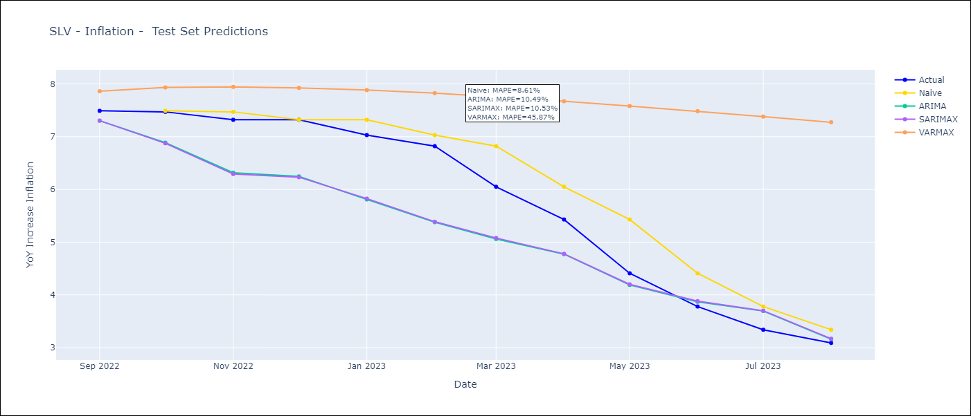
SLV - Inflation - Next 12 months forecast as of: 2023-08-01

Models | ARIMA - [(1, 1, 0), (3, 0, 0, 12)] | SARIMAX - [(1, 1, 0), (3, 0, 0, 12)] | VARMAX - (2, 1, 0, 3, 0, 0, 12)
Training Data | 1991-01-01 to 2022-09-01 | 2002-12-01 to 2022-09-01 | 1991-01-01 to 2022-09-01
Test Data | 2022-09-01 to 2023-08-01 | 2022-09-01 to 2023-08-01 | 2022-09-01 to 2023-08-01
Exogenous Variables | Exchange rates (nominal), Monetary Policiy rate, M1 money supply ($mm local currency)

Date | ARIMA | SARIMAX | VARMAX
2023-09-01 | 2.94 | 2.98 | 3.1
2023-10-01 | 2.68 | 2.7 | 3.14
2023-11-01 | 2.45 | 2.44 | 3.19
2023-12-01 | 2.48 | 2.47 | 3.24
2024-01-01 | 2.45 | 2.44 | 3.29
2024-02-01 | 2.39 | 2.38 | 3.34
2024-03-01 | 2.8 | 2.83 | 3.38
2024-04-01 | 3.14 | 3.16 | 3.43
2024-05-01 | 3.47 | 3.48 | 3.47
2024-06-01 | 3.78 | 3.79 | 3.51
2024-07-01 | 4.11 | 4.13 | 3.54
2024-08-01 | 4.04 | 4.07 | 3.58

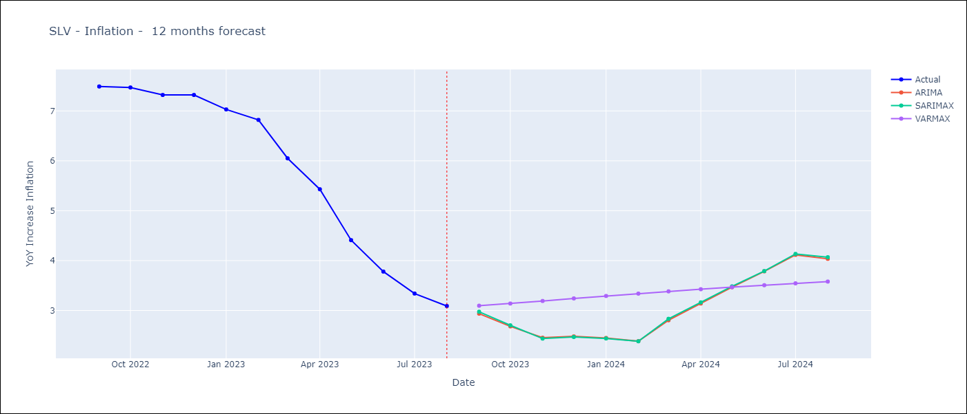

Test Metrics
ARIMA | 10.49%
SARIMAX | 10.53%
VARMAX | 45.87%

Test Predictions
Date | Actual | Predicted (ARIMA) | Predicted (ARIMAX) | Predicted (VARMAX)
2022-09-01 | 7.49 | 7.3 | 7.3 | 7.86
2022-10-01 | 7.47 | 6.89 | 6.87 | 7.93
2022-11-01 | 7.32 | 6.32 | 6.29 | 7.94
2022-12-01 | 7.32 | 6.25 | 6.23 | 7.92
2023-01-01 | 7.03 | 5.81 | 5.83 | 7.88
2023-02-01 | 6.82 | 5.38 | 5.39 | 7.83
2023-03-01 | 6.05 | 5.06 | 5.08 | 7.75
2023-04-01 | 5.43 | 4.77 | 4.78 | 7.67
2023-05-01 | 4.41 | 4.19 | 4.2 | 7.58
2023-06-01 | 3.78 | 3.87 | 3.88 | 7.48
2023-07-01 | 3.34 | 3.69 | 3.7 | 7.38
2023-08-01 | 3.09 | 3.16 | 3.17 | 7.27

GTM
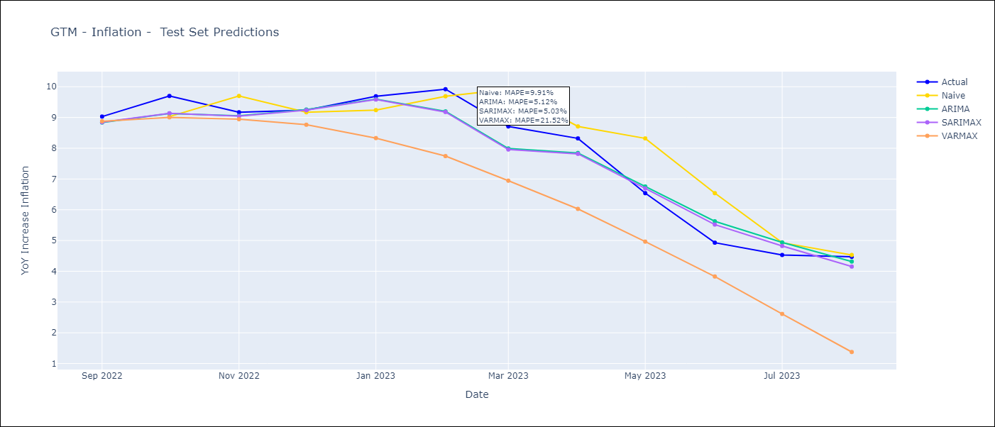
GTM - Inflation - Next 12 months forecast as of: 2023-08-01

Models | ARIMA - [(1, 1, 0), (3, 0, 1, 12)] | SARIMAX - [(1, 1, 0), (3, 0, 1, 12)] | VARMAX - (2, 2, 1, 1, 0, 1, 12)
Training Data | 1991-01-01 to 2022-09-01 | 2006-01-01 to 2022-09-01 | 1991-01-01 to 2022-09-01
Test Data | 2022-09-01 to 2023-08-01 | 2022-09-01 to 2023-08-01 | 2022-09-01 to 2023-08-01
Exogenous Variables | Exchange rates (nominal), Monetary Policiy rate, M1 money supply ($mm local currency)

Date | ARIMA | SARIMAX | VARMAX
2023-09-01 | 4.31 | 4.25 | 4.52
2023-10-01 | 3.94 | 3.98 | 4.81
2023-11-01 | 4.43 | 4.48 | 5.18
2023-12-01 | 4.47 | 4.42 | 5.56
2024-01-01 | 4.32 | 4.04 | 5.92
2024-02-01 | 3.81 | 3.62 | 6.25
2024-03-01 | 3.99 | 4.09 | 6.53
2024-04-01 | 4.2 | 4.3 | 6.77
2024-05-01 | 5.04 | 5.19 | 6.98
2024-06-01 | 5.57 | 5.86 | 7.15
2024-07-01 | 5.37 | 5.76 | 7.3
2024-08-01 | 4.9 | 5.5 | 7.43

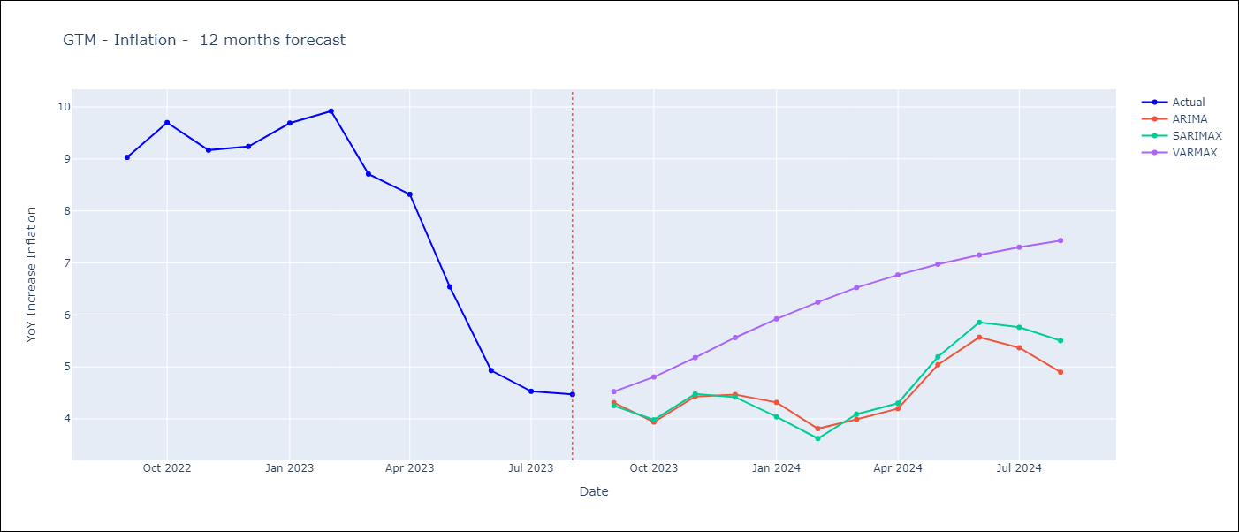

Test Metrics
ARIMA | 5.12%
SARIMAX | 5.03%
VARMAX | 21.52%

Test Predictions
Date | Actual | Predicted (ARIMA) | Predicted (ARIMAX) | Predicted (VARMAX)
2022-09-01 | 9.03 | 8.84 | 8.85 | 8.88
2022-10-01 | 9.7 | 9.13 | 9.14 | 9.01
2022-11-01 | 9.17 | 9.06 | 9.04 | 8.94
2022-12-01 | 9.24 | 9.26 | 9.24 | 8.76
2023-01-01 | 9.69 | 9.59 | 9.58 | 8.33
2023-02-01 | 9.92 | 9.2 | 9.18 | 7.75
2023-03-01 | 8.71 | 7.99 | 7.96 | 6.95
2023-04-01 | 8.32 | 7.85 | 7.82 | 6.03
2023-05-01 | 6.54 | 6.76 | 6.69 | 4.96
2023-06-01 | 4.93 | 5.62 | 5.52 | 3.83
2023-07-01 | 4.53 | 4.94 | 4.82 | 2.61
2023-08-01 | 4.47 | 4.32 | 4.15 | 1.38

HND
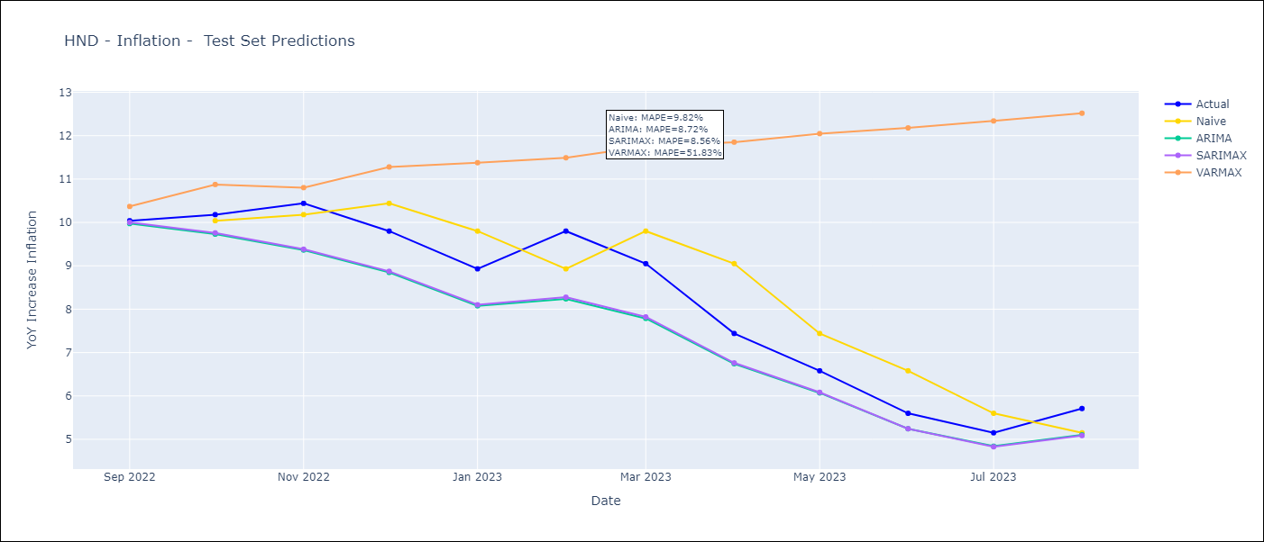
HND - Inflation - Next 12 months forecast as of: 2023-08-01

Models | ARIMA - [(1, 1, 0), (2, 0, 1, 12)] | SARIMAX - [(1, 1, 0), (2, 0, 1, 12)] | VARMAX - (3, 1, 3, 0, 0, 1, 12)
Training Data | 1991-01-01 to 2022-09-01 | 2006-04-01 to 2022-09-01 | 1991-01-01 to 2022-09-01
Test Data | 2022-09-01 to 2023-08-01 | 2022-09-01 to 2023-08-01 | 2022-09-01 to 2023-08-01
Exogenous Variables | Exchange rates (nominal), Monetary Policiy rate, M1 money supply ($mm local currency)

Date | ARIMA | SARIMAX | VARMAX
2023-09-01 | 5.97 | 6.03 | 5.85
2023-10-01 | 5.83 | 5.95 | 6.02
2023-11-01 | 5.42 | 5.65 | 6.37
2023-12-01 | 5.57 | 5.95 | 6.56
2024-01-01 | 5.68 | 6.24 | 6.71
2024-02-01 | 5.12 | 5.49 | 6.81
2024-03-01 | 5.37 | 5.8 | 6.88
2024-04-01 | 5.82 | 6.38 | 6.94
2024-05-01 | 5.97 | 6.69 | 6.98
2024-06-01 | 6.09 | 6.9 | 7.01
2024-07-01 | 6.13 | 6.97 | 7.04
2024-08-01 | 5.9 | 6.76 | 7.07

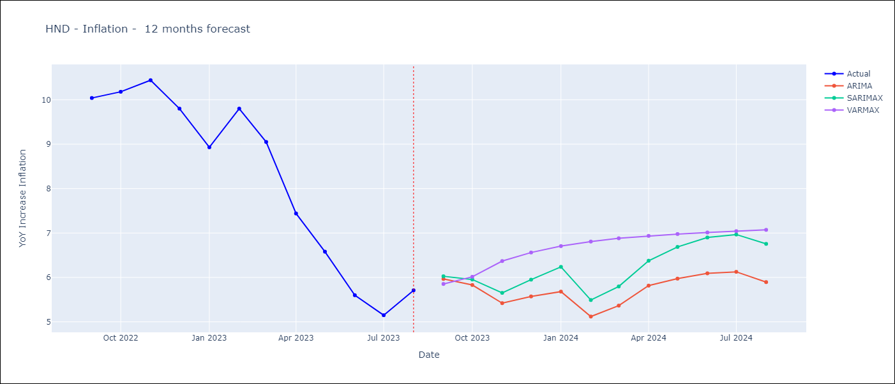

Test Metrics
ARIMA | 8.72%
SARIMAX | 8.56%
VARMAX | 51.83%

Test Predictions
Date | Actual | Predicted (ARIMA) | Predicted (ARIMAX) | Predicted (VARMAX)
2022-09-01 | 10.04 | 9.97 | 10 | 10.37
2022-10-01 | 10.18 | 9.73 | 9.76 | 10.87
2022-11-01 | 10.44 | 9.36 | 9.38 | 10.8
2022-12-01 | 9.8 | 8.85 | 8.87 | 11.28
2023-01-01 | 8.93 | 8.08 | 8.1 | 11.38
2023-02-01 | 9.8 | 8.24 | 8.28 | 11.49
2023-03-01 | 9.05 | 7.79 | 7.82 | 11.75
2023-04-01 | 7.44 | 6.74 | 6.76 | 11.85
2023-05-01 | 6.58 | 6.07 | 6.08 | 12.05
2023-06-01 | 5.6 | 5.24 | 5.24 | 12.18
2023-07-01 | 5.15 | 4.84 | 4.83 | 12.34
2023-08-01 | 5.71 | 5.1 | 5.09 | 12.52

NIC
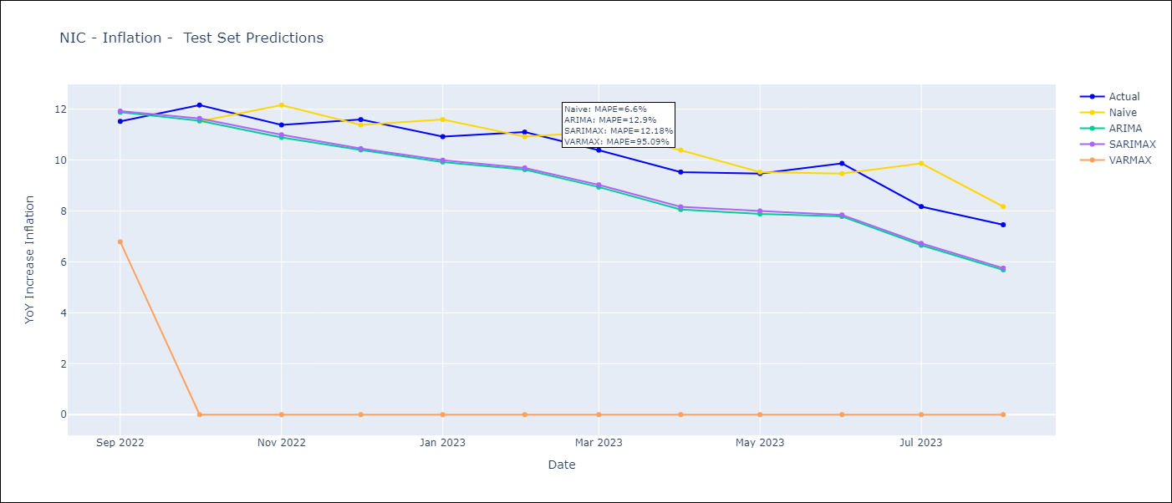
NIC - Inflation - Next 12 months forecast as of: 2023-08-01

Models | ARIMA - [(3, 1, 1), (2, 0, 1, 12)] | SARIMAX - [(3, 1, 1), (2, 0, 1, 12)] | VARMAX - (0, 1, 1, 3, 0, 1, 12)
Training Data | 1993-01-01 to 2022-09-01 | 2008-01-01 to 2022-09-01 | 1993-01-01 to 2022-09-01
Test Data | 2022-09-01 to 2023-08-01 | 2022-09-01 to 2023-08-01 | 2022-09-01 to 2023-08-01
Exogenous Variables | Exchange rates (nominal), Monetary Policiy rate, M1 money supply ($mm local currency)

Date | ARIMA | SARIMAX | VARMAX
2023-09-01 | 7.76 | 7.63 | 9.17
2023-10-01 | 6.93 | 6.61 | 8.27
2023-11-01 | 7.1 | 6.71 | 8.27
2023-12-01 | 6.51 | 6.05 | 8.27
2024-01-01 | 6.7 | 6.17 | 8.27
2024-02-01 | 6.29 | 5.66 | 8.27
2024-03-01 | 6.31 | 5.6 | 8.27
2024-04-01 | 6.29 | 5.43 | 8.27
2024-05-01 | 6.14 | 5.21 | 8.27
2024-06-01 | 5.71 | 4.74 | 8.27
2024-07-01 | 6.28 | 5.23 | 8.27
2024-08-01 | 6.12 | 4.92 | 8.27

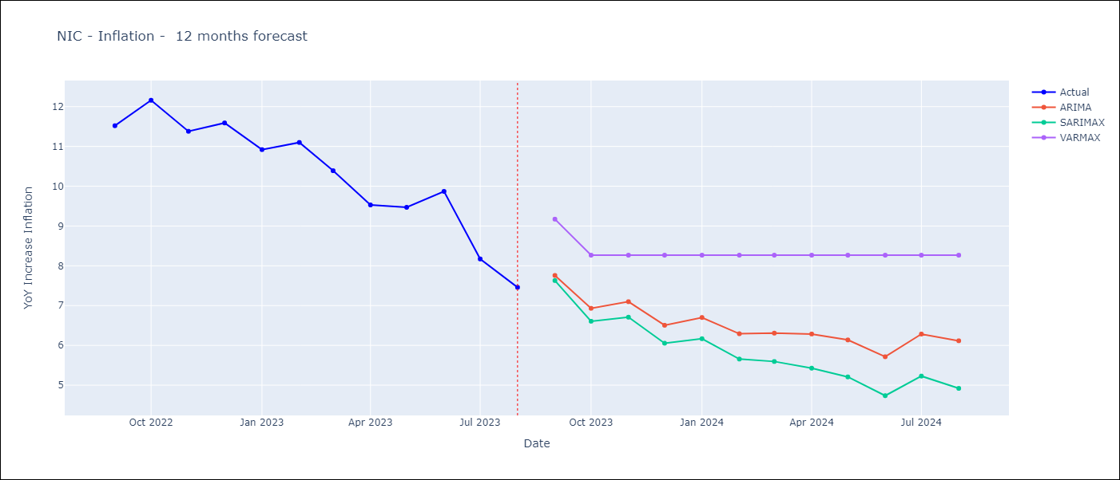

Test Metrics
ARIMA | 12.9%
SARIMAX | 12.18%
VARMAX | 95.09%

Test Predictions
Date | Actual | Predicted (ARIMA) | Predicted (ARIMAX) | Predicted (VARMAX)
2022-09-01 | 11.52 | 11.88 | 11.92 | 6.79
2022-10-01 | 12.16 | 11.54 | 11.64 | 0
2022-11-01 | 11.38 | 10.89 | 11 | 0
2022-12-01 | 11.59 | 10.4 | 10.45 | 0
2023-01-01 | 10.92 | 9.92 | 9.99 | 0
2023-02-01 | 11.1 | 9.63 | 9.69 | 0
2023-03-01 | 10.39 | 8.94 | 9.03 | 0
2023-04-01 | 9.53 | 8.06 | 8.16 | 0
2023-05-01 | 9.47 | 7.88 | 8 | 0
2023-06-01 | 9.87 | 7.78 | 7.85 | 0
2023-07-01 | 8.17 | 6.65 | 6.73 | 0
2023-08-01 | 7.46 | 5.69 | 5.76 | 0

DOM
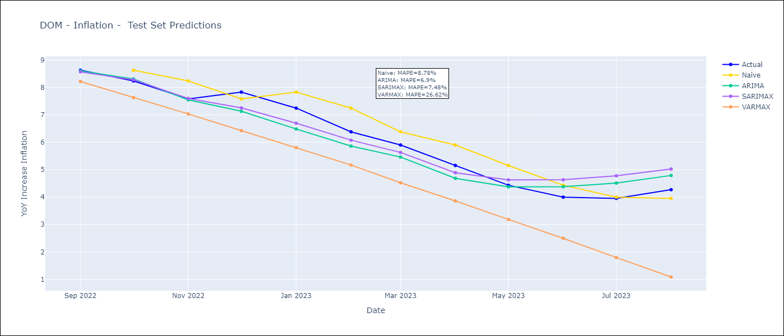
DOM - Inflation - Next 12 months forecast as of: 2023-08-01

Models | ARIMA - [(1, 1, 3), (0, 0, 2, 12)] | SARIMAX - [(1, 1, 3), (0, 0, 2, 12)] | VARMAX - (1, 1, 0, 0, 0, 1, 12)
Training Data | 1990-01-01 to 2022-09-01 | 2005-01-01 to 2022-09-01 | 1990-01-01 to 2022-09-01
Test Data | 2022-09-01 to 2023-08-01 | 2022-09-01 to 2023-08-01 | 2022-09-01 to 2023-08-01
Exogenous Variables | Exchange rates (nominal), Monetary Policiy rate, M1 money supply ($mm local currency)

Date | ARIMA | SARIMAX | VARMAX
2023-09-01 | 4.37 | 4.33 | 4.2
2023-10-01 | 4.49 | 4.4 | 4.14
2023-11-01 | 4.5 | 4.29 | 4.09
2023-12-01 | 4.04 | 3.67 | 4.05
2024-01-01 | 4.03 | 3.68 | 4.01
2024-02-01 | 4.25 | 3.83 | 3.98
2024-03-01 | 4.34 | 3.83 | 3.97
2024-04-01 | 4.32 | 3.81 | 3.97
2024-05-01 | 4.66 | 4.22 | 3.98
2024-06-01 | 5.02 | 4.73 | 4
2024-07-01 | 5.17 | 4.82 | 4.03
2024-08-01 | 5.14 | 4.69 | 4.07

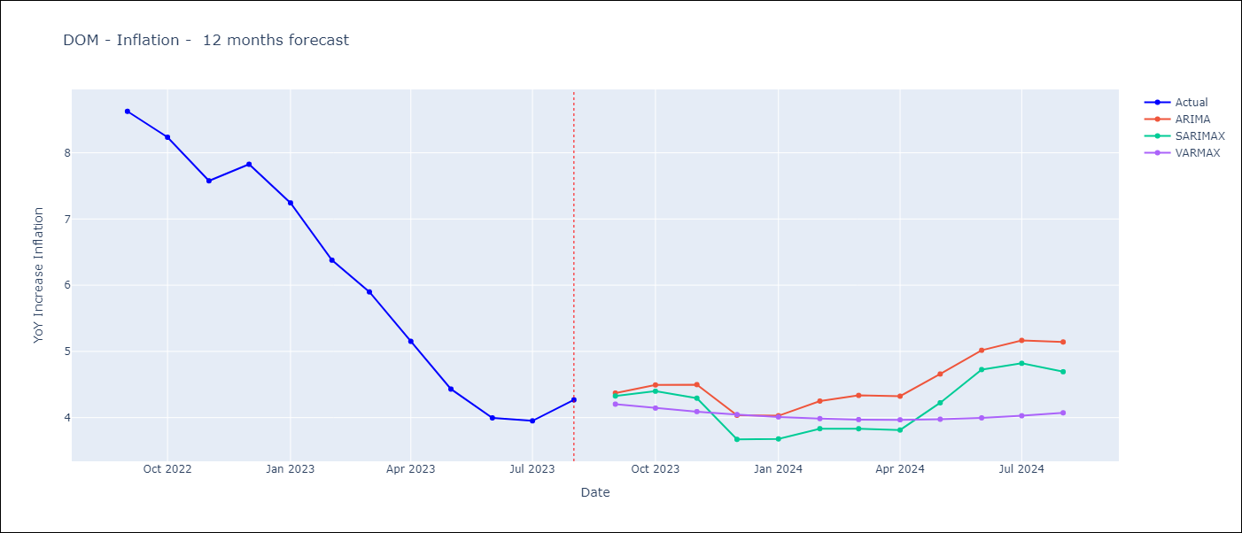

Test Metrics
ARIMA | 6.9%
SARIMAX | 7.48%
VARMAX | 26.62%

Test Predictions
Date | Actual | Predicted (ARIMA) | Predicted (ARIMAX) | Predicted (VARMAX)
2022-09-01 | 8.63 | 8.6 | 8.57 | 8.21
2022-10-01 | 8.24 | 8.31 | 8.28 | 7.63
2022-11-01 | 7.58 | 7.54 | 7.59 | 7.03
2022-12-01 | 7.83 | 7.13 | 7.25 | 6.42
2023-01-01 | 7.24 | 6.48 | 6.69 | 5.8
2023-02-01 | 6.38 | 5.86 | 6.07 | 5.17
2023-03-01 | 5.9 | 5.46 | 5.63 | 4.52
2023-04-01 | 5.15 | 4.68 | 4.89 | 3.86
2023-05-01 | 4.43 | 4.37 | 4.63 | 3.18
2023-06-01 | 4 | 4.38 | 4.63 | 2.5
2023-07-01 | 3.95 | 4.51 | 4.77 | 1.8
2023-08-01 | 4.27 | 4.79 | 5.02 | 1.09

PAN
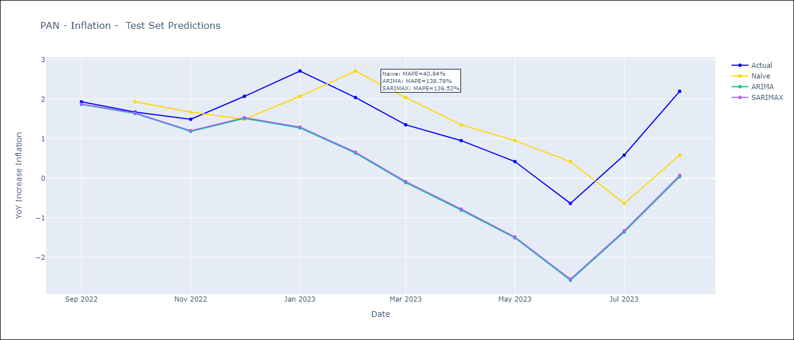
PAN - Inflation - Next 12 months forecast as of: 2023-08-01

Models | ARIMA - [(3, 1, 1), (2, 0, 1, 12)] | SARIMAX - [(3, 1, 1), (2, 0, 1, 12)]
Training Data | 1992-01-01 to 2022-09-01 | 2003-12-01 to 2022-09-01
Test Data | 2022-09-01 to 2023-08-01 | 2022-09-01 to 2023-08-01
Exogenous Variables | Exchange rates (nominal), M1 money supply ($mm local currency)

Date | ARIMA | SARIMAX
2023-09-01 | 2.32 | 2.34 | 0
2023-10-01 | 2.31 | 2.32 | 0
2023-11-01 | 2.14 | 2.13 | 0
2023-12-01 | 2.08 | 2.07 | 0
2024-01-01 | 1.35 | 1.29 | 0
2024-02-01 | 1.59 | 1.55 | 0
2024-03-01 | 1.7 | 1.62 | 0
2024-04-01 | 1.57 | 1.37 | 0
2024-05-01 | 1.51 | 1.3 | 0
2024-06-01 | 1.61 | 1.39 | 0
2024-07-01 | 1.77 | 1.58 | 0
2024-08-01 | 1.62 | 1.42 | 0

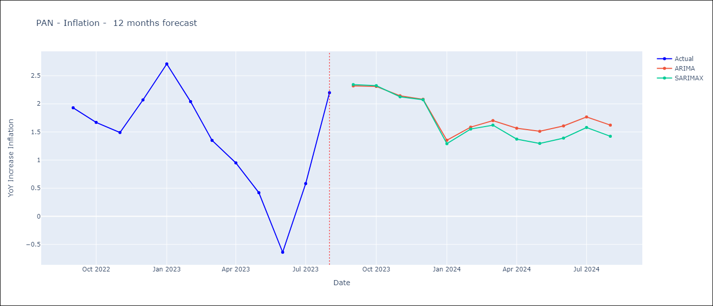

Test Metrics
ARIMA | 138.78%
SARIMAX | 136.53%
VARMAX

Test Predictions
Date | Actual | Predicted (ARIMA) | Predicted (ARIMAX) | Predicted (VARMAX)
2022-09-01 | 1.93 | 1.86 | 1.87
2022-10-01 | 1.67 | 1.63 | 1.65
2022-11-01 | 1.49 | 1.18 | 1.2
2022-12-01 | 2.07 | 1.51 | 1.53
2023-01-01 | 2.71 | 1.27 | 1.29
2023-02-01 | 2.04 | 0.63 | 0.66
2023-03-01 | 1.35 | -0.11 | -0.09
2023-04-01 | 0.95 | -0.81 | -0.78
2023-05-01 | 0.42 | -1.51 | -1.49
2023-06-01 | -0.64 | -2.58 | -2.55
2023-07-01 | 0.58 | -1.36 | -1.33
2023-08-01 | 2.2 | 0.04 | 0.07

CHL
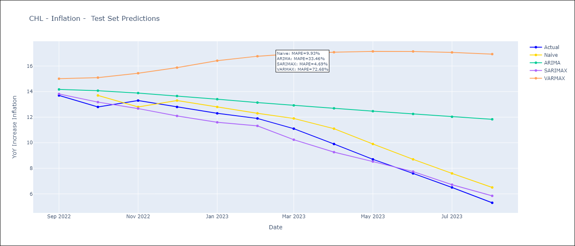
CHL - Inflation - Next 12 months forecast as of: 2023-08-01

Models | ARIMA - [(2, 0, 1), (0, 0, 1, 12)] | SARIMAX - [(2, 0, 1), (0, 0, 1, 12)] | VARMAX - (3, 2, 3, 2, 0, 0, 12)
Training Data | 1990-01-01 to 2022-09-01 | 1996-05-01 to 2022-09-01 | 1990-01-01 to 2022-09-01
Test Data | 2022-09-01 to 2023-08-01 | 2022-09-01 to 2023-08-01 | 2022-09-01 to 2023-08-01
Exogenous Variables | Exchange rates (nominal), Monetary Policiy rate, M1 money supply ($mm local currency)

Date | ARIMA | SARIMAX | VARMAX
2023-09-01 | 4.73 | 4.81 | 4.74
2023-10-01 | 4.33 | 4.79 | 4.4
2023-11-01 | 4.08 | 4.25 | 4.19
2023-12-01 | 3.9 | 4.23 | 4.02
2024-01-01 | 3.8 | 4.28 | 3.84
2024-02-01 | 3.75 | 4.4 | 3.69
2024-03-01 | 3.72 | 4.36 | 3.55
2024-04-01 | 3.72 | 4.59 | 3.41
2024-05-01 | 3.73 | 4.92 | 3.28
2024-06-01 | 3.76 | 5.19 | 3.16
2024-07-01 | 3.8 | 5.36 | 3.05
2024-08-01 | 3.84 | 5.64 | 2.95

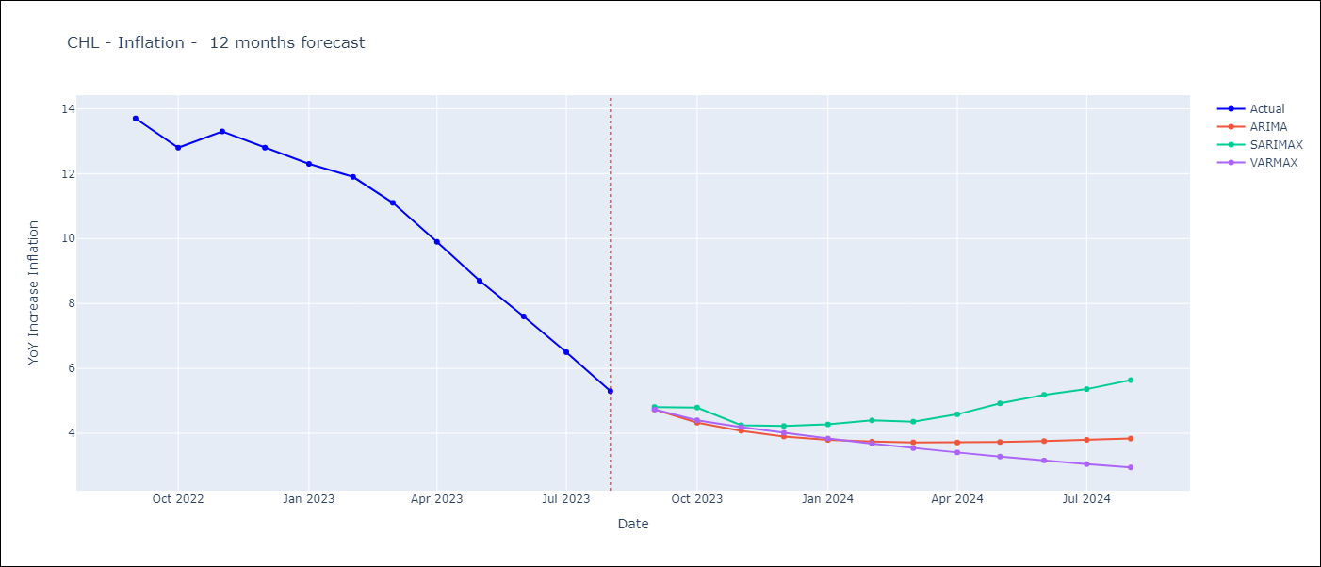

Test Metrics
ARIMA | 33.46%
SARIMAX | 4.69%
VARMAX | 72.68%

Test Predictions
Date | Actual | Predicted (ARIMA) | Predicted (ARIMAX) | Predicted (VARMAX)
2022-09-01 | 13.7 | 14.17 | 13.82 | 15.01
2022-10-01 | 12.8 | 14.07 | 13.18 | 15.09
2022-11-01 | 13.3 | 13.89 | 12.67 | 15.44
2022-12-01 | 12.8 | 13.66 | 12.1 | 15.88
2023-01-01 | 12.3 | 13.41 | 11.6 | 16.42
2023-02-01 | 11.9 | 13.14 | 11.32 | 16.77
2023-03-01 | 11.1 | 12.92 | 10.24 | 16.96
2023-04-01 | 9.9 | 12.69 | 9.26 | 17.08
2023-05-01 | 8.7 | 12.47 | 8.53 | 17.15
2023-06-01 | 7.6 | 12.25 | 7.74 | 17.14
2023-07-01 | 6.5 | 12.03 | 6.72 | 17.07
2023-08-01 | 5.3 | 11.83 | 5.84 | 16.94

PER
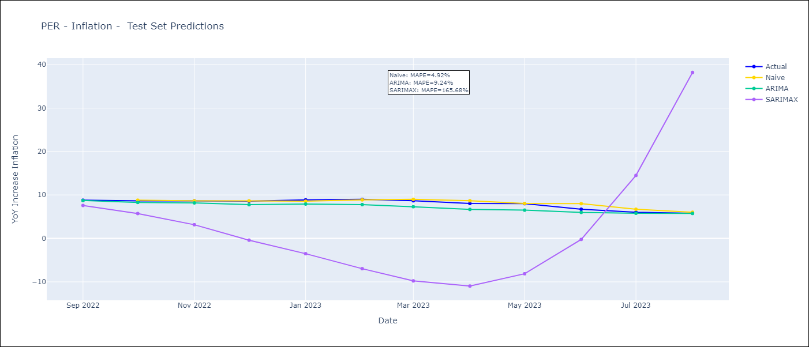
PER - Inflation - Next 12 months forecast as of: 2023-08-01

Models | ARIMA - [(1, 1, 2), (3, 0, 1, 12)] | SARIMAX - [(1, 1, 2), (3, 0, 1, 12)]
Training Data | 1990-01-01 to 2022-09-01 | 2002-02-01 to 2022-09-01
Test Data | 2022-09-01 to 2023-08-01 | 2022-09-01 to 2023-08-01
Exogenous Variables | Exchange rates (nominal), Monetary Policiy rate, M1 money supply ($mm local currency)

Date | ARIMA | SARIMAX
2023-09-01 | 5.5 | 5.46 | 0
2023-10-01 | 5.33 | 5.18 | 0
2023-11-01 | 5.21 | 5 | 0
2023-12-01 | 4.99 | 4.57 | 0
2024-01-01 | 4.88 | 4.41 | 0
2024-02-01 | 4.72 | 4.12 | 0
2024-03-01 | 4.58 | 3.72 | 0
2024-04-01 | 4.54 | 3.58 | 0
2024-05-01 | 4.46 | 3.42 | 0
2024-06-01 | 4.91 | 3.77 | 0
2024-07-01 | 5.2 | 4.14 | 0
2024-08-01 | 5.31 | 4.1 | 0

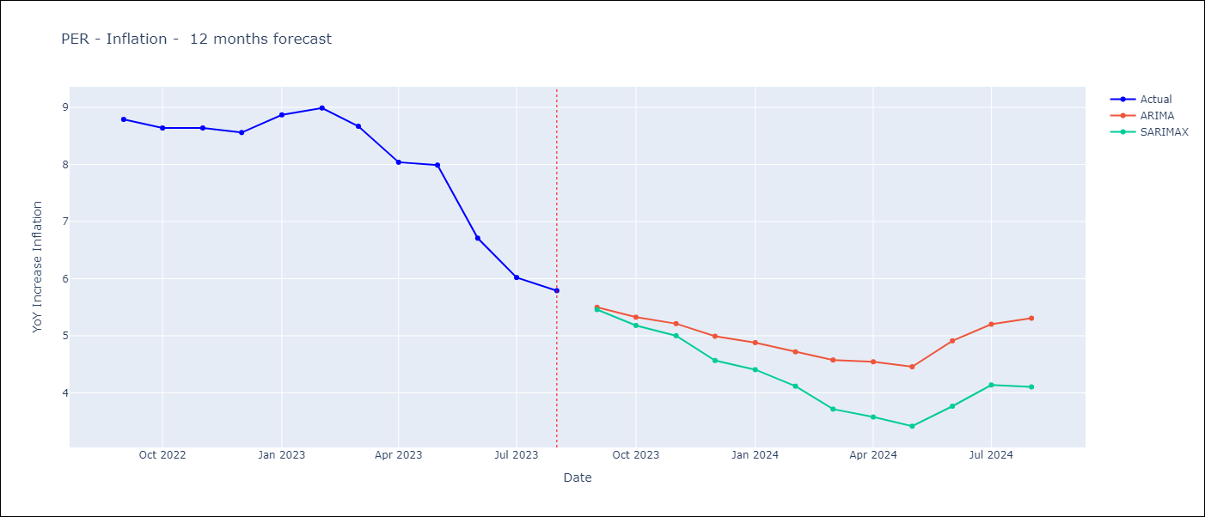

Test Metrics
ARIMA | 9.24%
SARIMAX | 165.68%
VARMAX

Test Predictions
Date | Actual | Predicted (ARIMA) | Predicted (ARIMAX) | Predicted (VARMAX)
2022-09-01 | 8.79 | 8.72 | 7.58
2022-10-01 | 8.64 | 8.28 | 5.73
2022-11-01 | 8.64 | 8.17 | 3.15
2022-12-01 | 8.56 | 7.76 | -0.41
2023-01-01 | 8.87 | 7.91 | -3.52
2023-02-01 | 8.99 | 7.78 | -6.97
2023-03-01 | 8.67 | 7.29 | -9.78
2023-04-01 | 8.04 | 6.67 | -10.97
2023-05-01 | 7.99 | 6.51 | -8.14
2023-06-01 | 6.71 | 5.99 | -0.24
2023-07-01 | 6.02 | 5.79 | 14.5
2023-08-01 | 5.79 | 5.74 | 38.2

