BHS
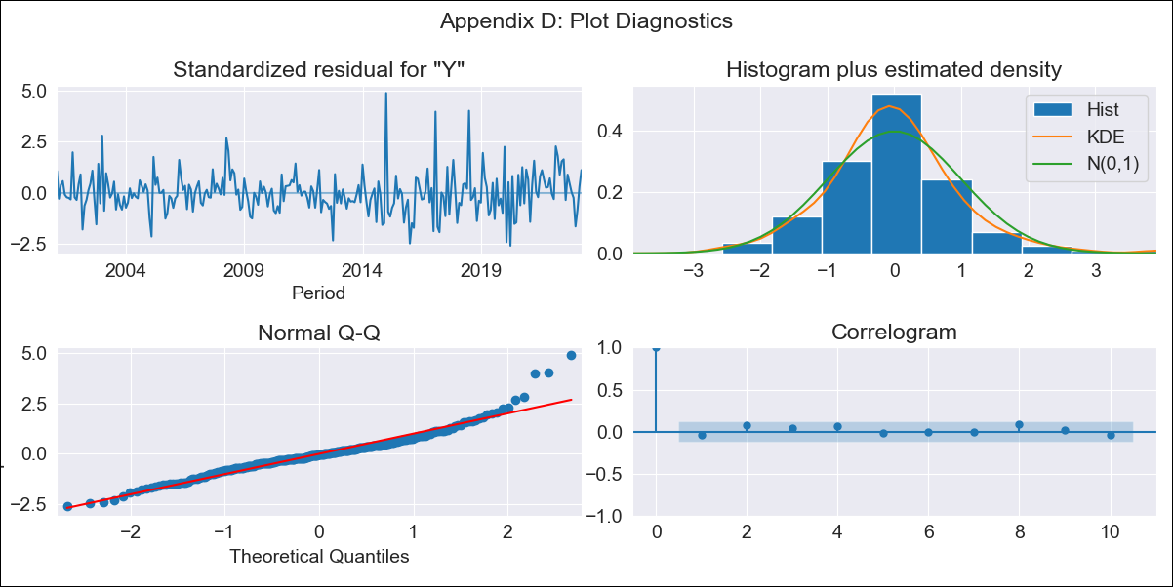
BHS - Inflation - Next 12 months forecast as of: 2023-04-01

Model | ARIMA - [(1, 0, 0), (3, 0, 0, 12)]
Training Data | 1998-01-01 to 2022-05-01
Test Data | 2022-05-01 to 2023-04-01

Date | Inflation Change YoY % | Lower Bound - 95% Confidence Interval | Upper Bound - 95% Confidence Interval
2023-05-01 | 3.51 | 2.61 | 4.42
2023-06-01 | 2.91 | 1.64 | 4.18
2023-07-01 | 2.13 | 0.6 | 3.66
2023-08-01 | 2.15 | 0.41 | 3.89
2023-09-01 | 1.95 | 0.03 | 3.87
2023-10-01 | 1.68 | -0.39 | 3.75
2023-11-01 | 1.76 | -0.44 | 3.97
2023-12-01 | 1.78 | -0.54 | 4.11
2024-01-01 | 2.44 | 0.01 | 4.88
2024-02-01 | 2.28 | -0.25 | 4.81
2024-03-01 | 2.16 | -0.46 | 4.78
2024-04-01 | 1.54 | -1.16 | 4.24

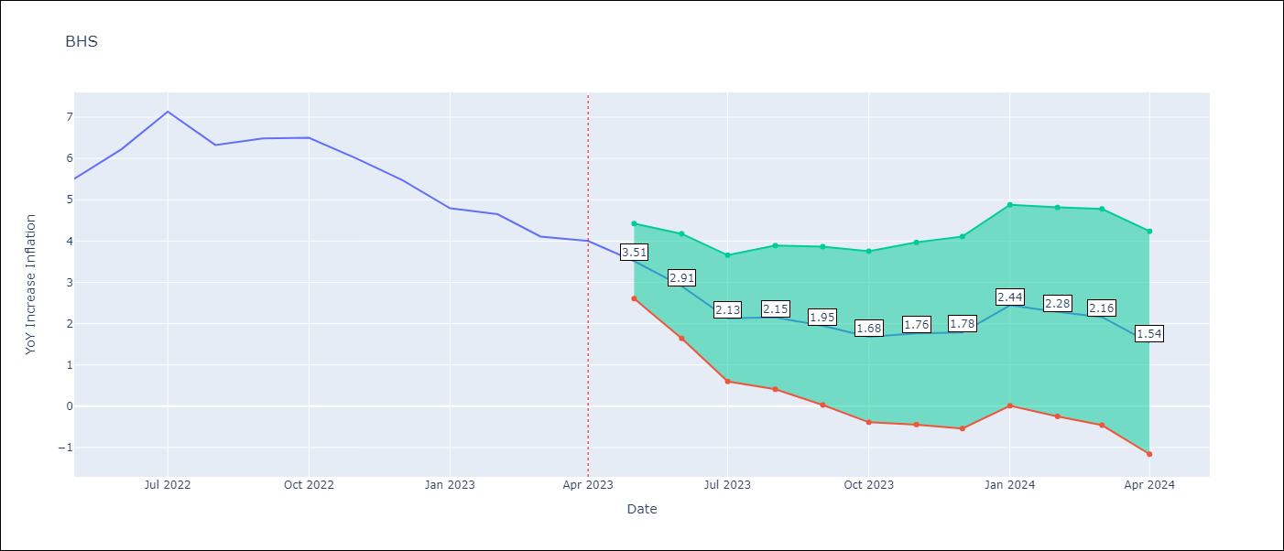

Test Metrics
RMSE | 1.83
Naive RMSE | 0.55
MAPE | 31.12%

Test Predictions
Date | Predicted | Actual
2022-05-01 | 5.04 | 5.51
2022-06-01 | 5 | 6.23
2022-07-01 | 5.1 | 7.13
2022-08-01 | 4.46 | 6.33
2022-09-01 | 4.22 | 6.48
2022-10-01 | 4.05 | 6.5
2022-11-01 | 3.57 | 6
2022-12-01 | 3.19 | 5.48
2023-01-01 | 3.31 | 4.79
2023-02-01 | 3.51 | 4.65
2023-03-01 | 2.82 | 4.11
2023-04-01 | 2.17 | 4

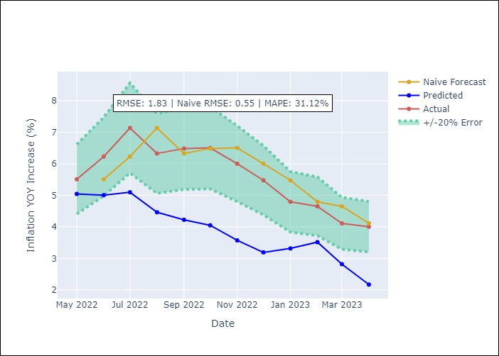

Appendix A: Model Summary
Model | ARIMA(1, 0, 0)x(3, 0, 0, 12)
Sample | 01-01-1998- 04-01-2023
No. of Observations | 304
Terms | P-value (Statistical significance)
const | 0.000
ar.L1 | 0.000
ar.S.L12 | 0.000
ar.S.L24 | 0.000
ar.S.L36 | 0.000
sigma2 | 0.000

Assumptions | P-value | Interpretation
Ljung-Box (L1) | 0.51
Heteroskedasticity | 0.00
Jarque-Bera | 0.00
Skew | 0.87
Kurtosis | 6.33

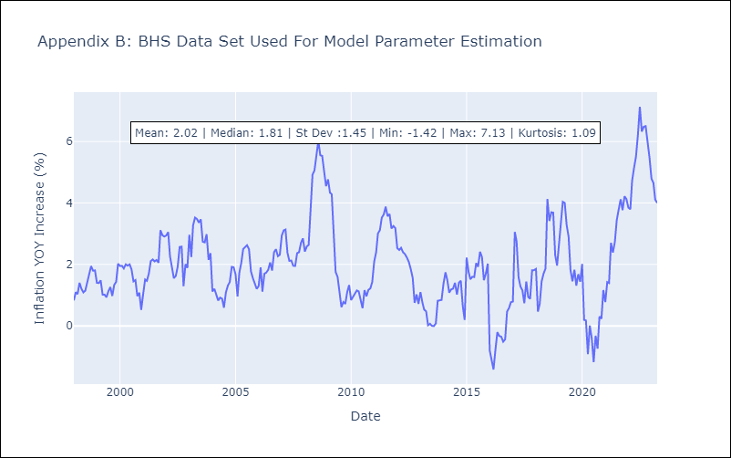

Appendix C: Residuals Analysis
Mean | -0.01
White Noise? | Yes
Normal? | No

