CRI
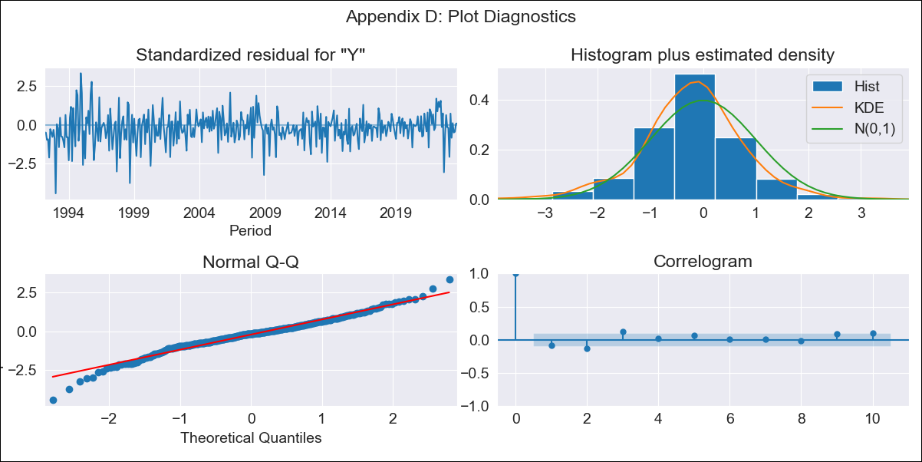
CRI - Inflation - Next 12 months forecast as of: 2023-09-01

Model | ARIMA - [(1, 1, 0), (2, 0, 2, 12)]
Training Data | 1990-01-01 to 2022-10-01
Test Data | 2022-10-01 to 2023-09-01

Date | Inflation Change YoY % | Lower Bound - 95% Confidence Interval | Upper Bound - 95% Confidence Interval
2023-10-01 | -1.37 | -2.46 | -0.28
2023-11-01 | -1.25 | -3.26 | 0.76
2023-12-01 | -1.03 | -3.88 | 1.82
2024-01-01 | -0.86 | -4.46 | 2.74
2024-02-01 | 0.16 | -4.12 | 4.44
2024-03-01 | 0.41 | -4.47 | 5.3
2024-04-01 | 1 | -4.43 | 6.44
2024-05-01 | 1.23 | -4.72 | 7.17
2024-06-01 | 1.64 | -4.77 | 8.06
2024-07-01 | 1.98 | -4.88 | 8.84
2024-08-01 | 2.2 | -5.07 | 9.48
2024-09-01 | 2.36 | -5.31 | 10.03

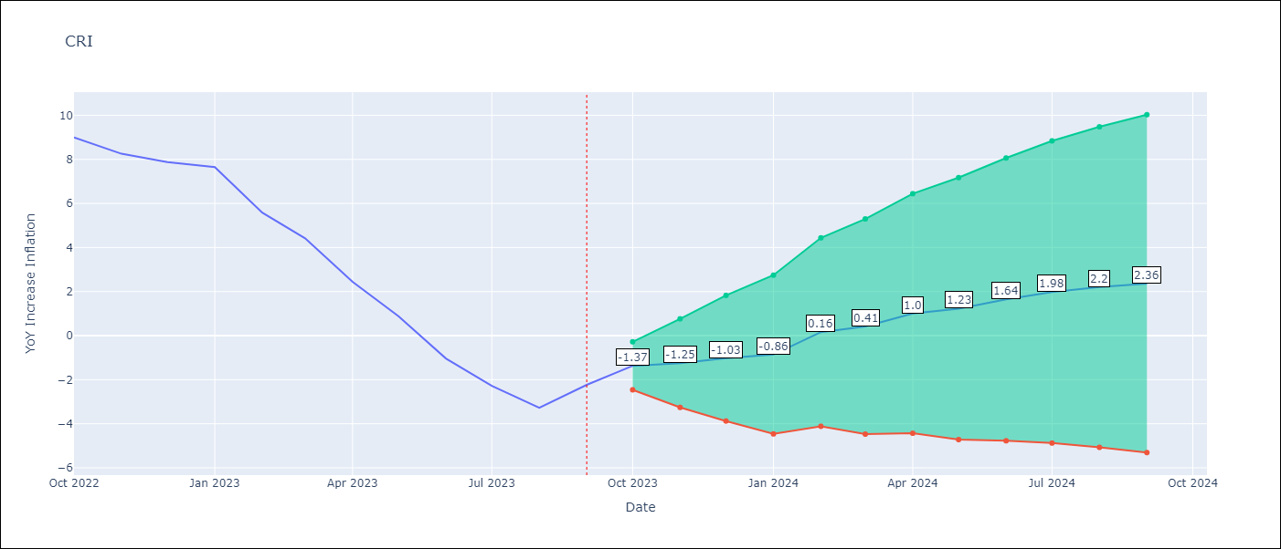

Test Metrics
RMSE | 2.5
Naive RMSE | 1.35
MAPE | 105.5%

Test Predictions
Date | Predicted | Actual
2022-10-01 | 9.35 | 8.99
2022-11-01 | 8.47 | 8.26
2022-12-01 | 8.09 | 7.88
2023-01-01 | 7.98 | 7.65
2023-02-01 | 7.14 | 5.58
2023-03-01 | 6.25 | 4.42
2023-04-01 | 4.9 | 2.44
2023-05-01 | 3.63 | 0.88
2023-06-01 | 2.16 | -1.04
2023-07-01 | 1.42 | -2.29
2023-08-01 | 0.66 | -3.28
2023-09-01 | 1.76 | -2.24

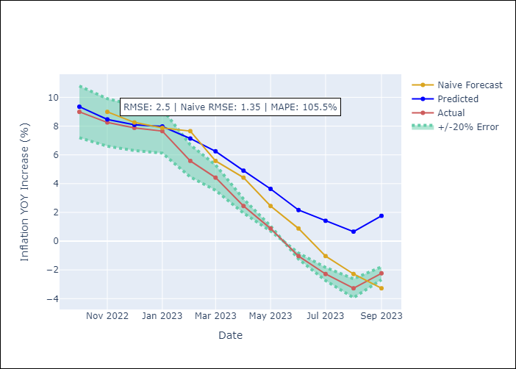

Appendix A: Model Summary
Model | ARIMA(1, 1, 0)x(2, 0, [1, 2], 12)
Sample | 01-01-1990- 09-01-2023
No. of Observations | 405
Terms | P-value (Statistical significance)
ar.L1 | 0.000
ar.S.L12 | 0.000
ar.S.L24 | 0.005
ma.S.L12 | 0.000
ma.S.L24 | 0.002
sigma2 | 0.000

Assumptions | P-value | Interpretation
Ljung-Box (L1) | 0.10
Heteroskedasticity | 0.00
Jarque-Bera | 0.00
Skew | -0.34
Kurtosis | 4.77

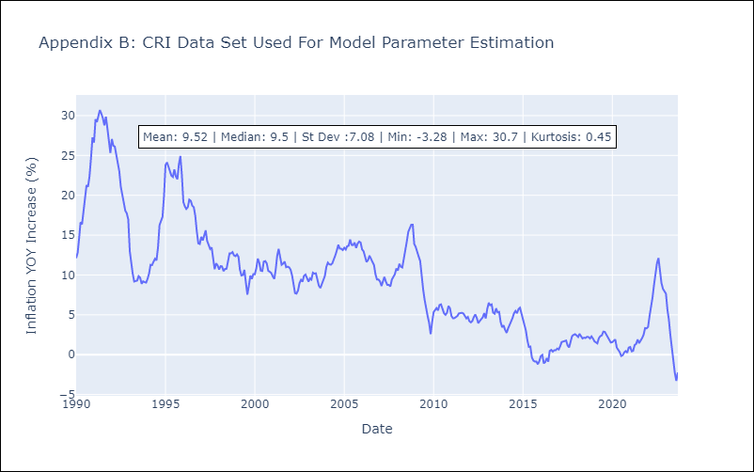

Appendix C: Residuals Analysis
Mean | -0.07
White Noise? | No - Correlation at Lags [ 1 2 3 4 5 6 7 8 9 10 11 12]
Normal? | No

