ATG (2)
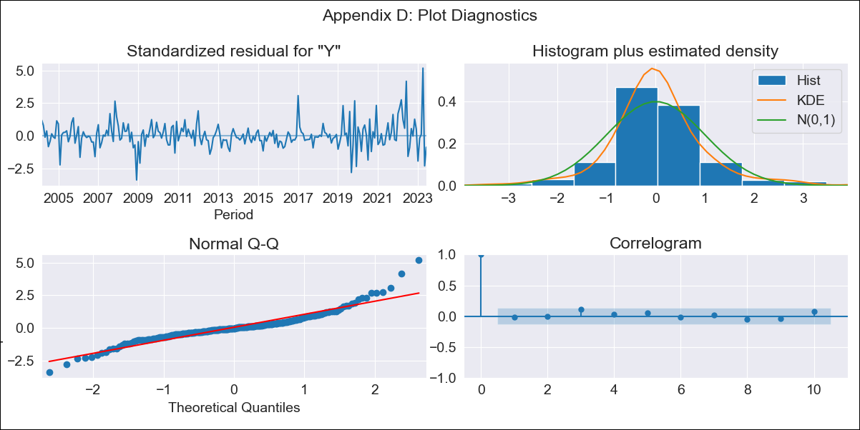
ATG - Inflation - Next 12 months forecast as of: 2023-06-01

Model | ARIMA - [(1, 1, 0), (0, 0, 1, 12)]
Training Data | 2003-01-01 to 2022-07-01
Test Data | 2022-07-01 to 2023-06-01

Date | Inflation Change YoY % | Lower Bound - 95% Confidence Interval | Upper Bound - 95% Confidence Interval
2023-07-01 | 3.99 | 2.63 | 5.34
2023-08-01 | 4.33 | 2.53 | 6.13
2023-09-01 | 3.99 | 1.82 | 6.16
2023-10-01 | 4.04 | 1.56 | 6.52
2023-11-01 | 3.34 | 0.58 | 6.1
2023-12-01 | 3.15 | 0.14 | 6.17
2024-01-01 | 4.23 | 0.99 | 7.48
2024-02-01 | 4.2 | 0.74 | 7.66
2024-03-01 | 4.15 | 0.48 | 7.81
2024-04-01 | 1.33 | -2.53 | 5.18
2024-05-01 | 2.94 | -1.11 | 6.98
2024-06-01 | 3.21 | -1.01 | 7.43

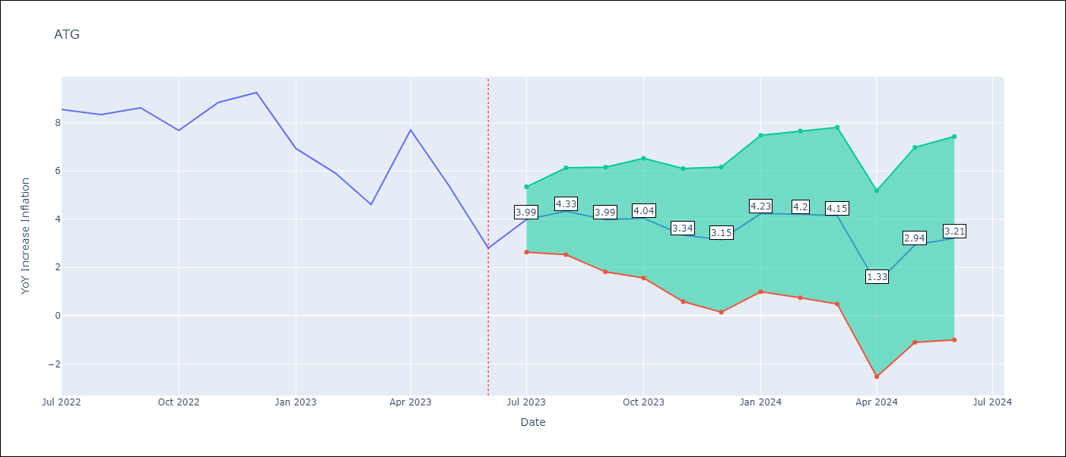

Test Metrics
RMSE | 1.32
Naive RMSE | 1.71
MAPE | 16.5%

Test Predictions
Date | Predicted | Actual
2022-07-01 | 9.89 | 8.55
2022-08-01 | 10.1 | 8.34
2022-09-01 | 10 | 8.62
2022-10-01 | 9.1 | 7.68
2022-11-01 | 9.36 | 8.84
2022-12-01 | 9.53 | 9.25
2023-01-01 | 8.55 | 6.93
2023-02-01 | 7.47 | 5.91
2023-03-01 | 6.07 | 4.61
2023-04-01 | 5.54 | 7.7
2023-05-01 | 5.29 | 5.4
2023-06-01 | 2.98 | 2.8

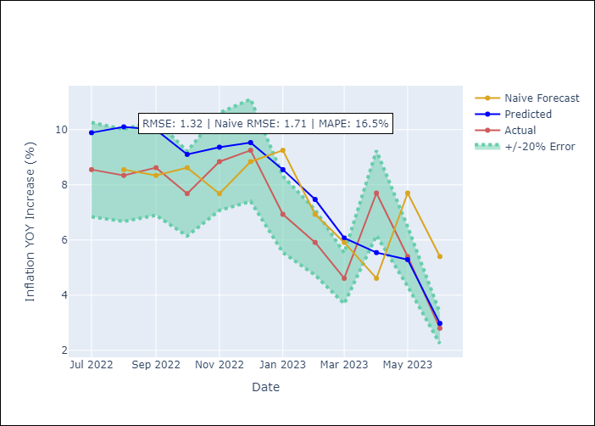

Appendix A: Model Summary
Model | ARIMA(1, 1, 0)x(0, 0, [1], 12)
Sample | 01-01-2003- 06-01-2023
No. of Observations | 246
Terms | P-value (Statistical significance)
ar.L1 | 0.012
ma.S.L12 | 0.000
sigma2 | 0.000

Assumptions | P-value | Interpretation
Ljung-Box (L1) | 0.84
Heteroskedasticity | 0.00
Jarque-Bera | 0.00
Skew | 0.89
Kurtosis | 7.75

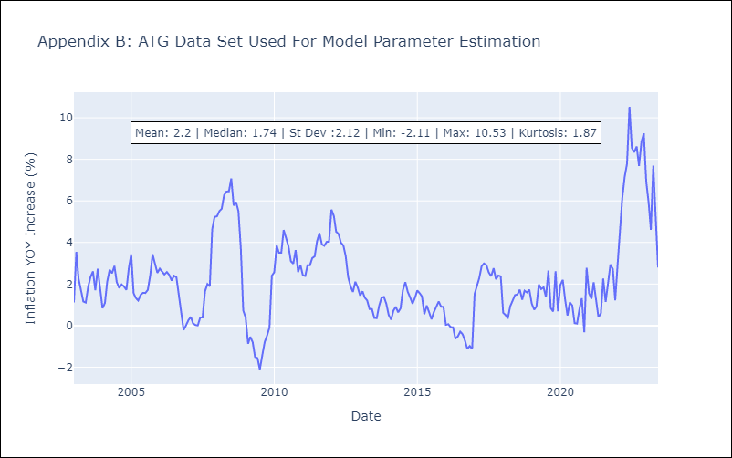

Appendix C: Residuals Analysis
Mean | 0.04
White Noise? | Yes
Normal? | No

