BLZ
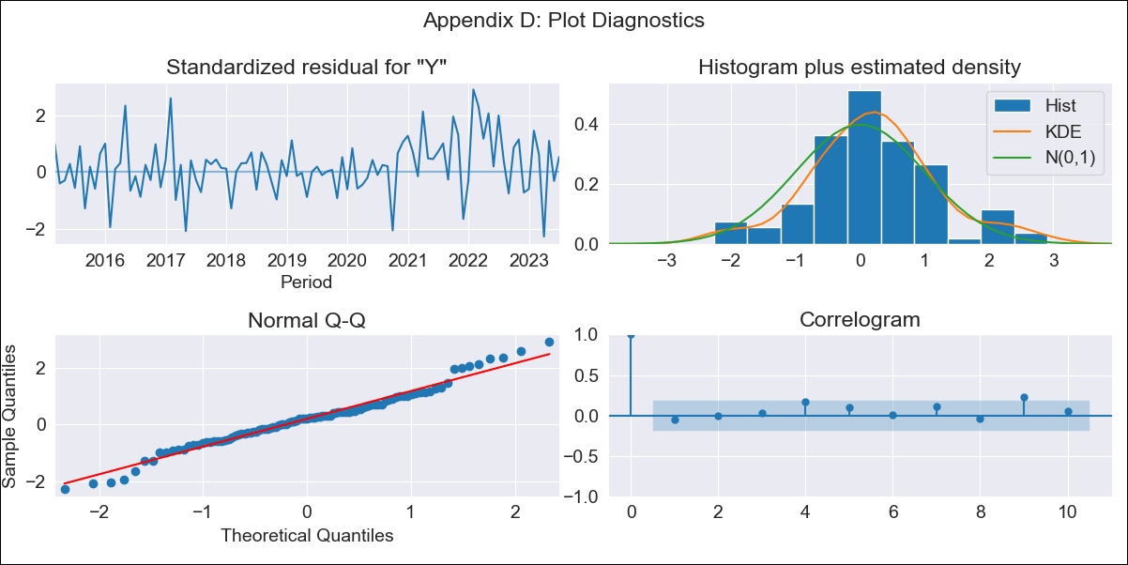
BLZ - Inflation - Next 12 months forecast as of: 2023-07-01

Model | ARIMA - [(1, 1, 0), (3, 0, 0, 12)]
Training Data | 2012-01-01 to 2022-08-01
Test Data | 2022-08-01 to 2023-07-01

Date | Inflation Change YoY % | Lower Bound - 95% Confidence Interval | Upper Bound - 95% Confidence Interval
2023-08-01 | 2.44 | 1.69 | 3.19
2023-09-01 | 2.62 | 1.41 | 3.83
2023-10-01 | 2.22 | 0.65 | 3.79
2023-11-01 | 1.94 | 0.07 | 3.81
2023-12-01 | 2.17 | 0.04 | 4.31
2024-01-01 | 2.58 | 0.21 | 4.94
2024-02-01 | 2.29 | -0.28 | 4.87
2024-03-01 | 1.94 | -0.83 | 4.71
2024-04-01 | 2.77 | -0.19 | 5.72
2024-05-01 | 2.65 | -0.48 | 5.77
2024-06-01 | 2.81 | -0.48 | 6.1
2024-07-01 | 2.71 | -0.73 | 6.16

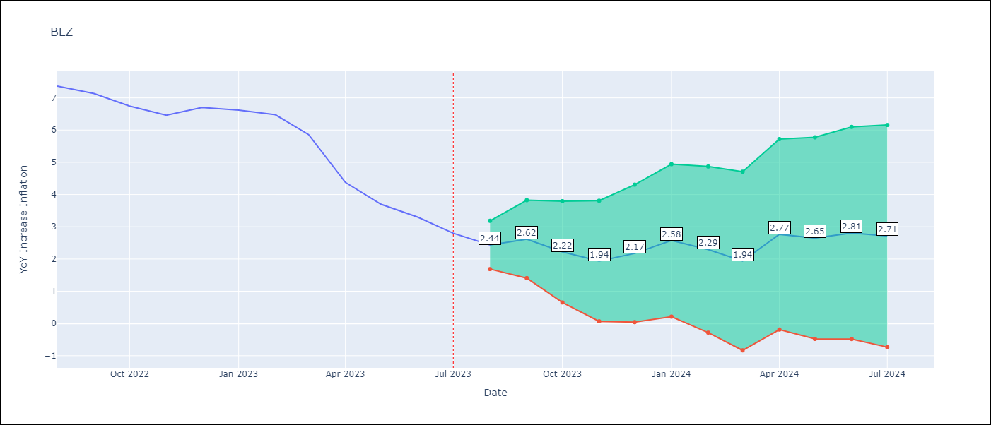

Test Metrics
RMSE | 0.93
Naive RMSE | 0.59
MAPE | 18.23%

Test Predictions
Date | Predicted | Actual
2022-08-01 | 7.22 | 7.36
2022-09-01 | 7.31 | 7.13
2022-10-01 | 6.47 | 6.75
2022-11-01 | 5.54 | 6.46
2022-12-01 | 6.05 | 6.7
2023-01-01 | 6.35 | 6.62
2023-02-01 | 5.6 | 6.48
2023-03-01 | 4.37 | 5.86
2023-04-01 | 3.57 | 4.38
2023-05-01 | 2.48 | 3.7
2023-06-01 | 2.09 | 3.3
2023-07-01 | 1.26 | 2.8

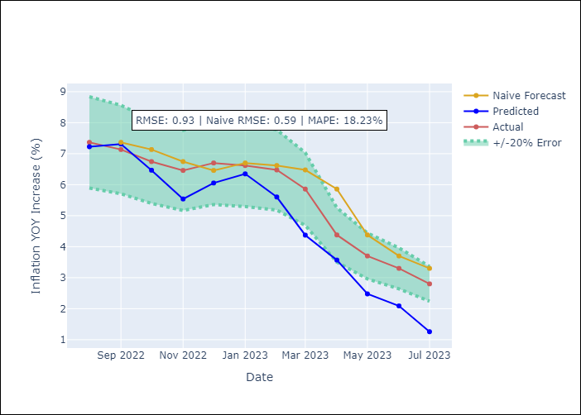

Appendix A: Model Summary
Model | ARIMA(1, 1, 0)x(3, 0, 0, 12)
Sample | 01-01-2012- 07-01-2023
No. of Observations | 139
Terms | P-value (Statistical significance)
ar.L1 | 0.003
ar.S.L12 | 0.000
ar.S.L24 | 0.000
ar.S.L36 | 0.003
sigma2 | 0.000

Assumptions | P-value | Interpretation
Ljung-Box (L1) | 0.62
Heteroskedasticity | 0.07
Jarque-Bera | 0.37
Skew | 0.15
Kurtosis | 3.61

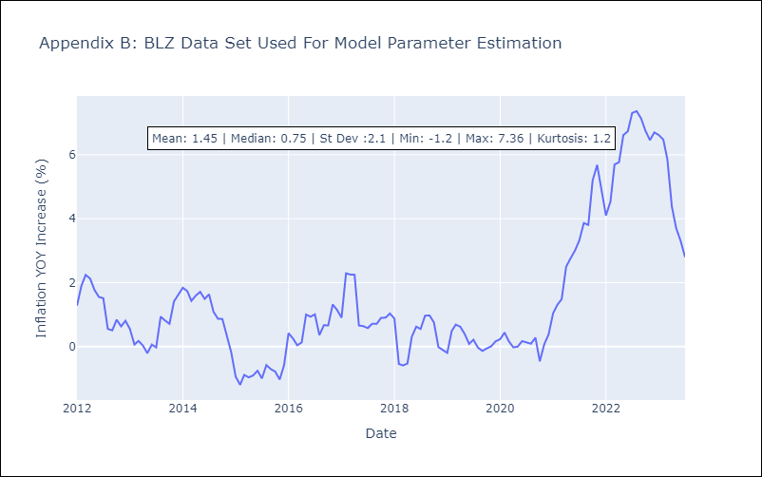

Appendix C: Residuals Analysis
Mean | 0.05
White Noise? | Yes
Normal? | No

