DMA
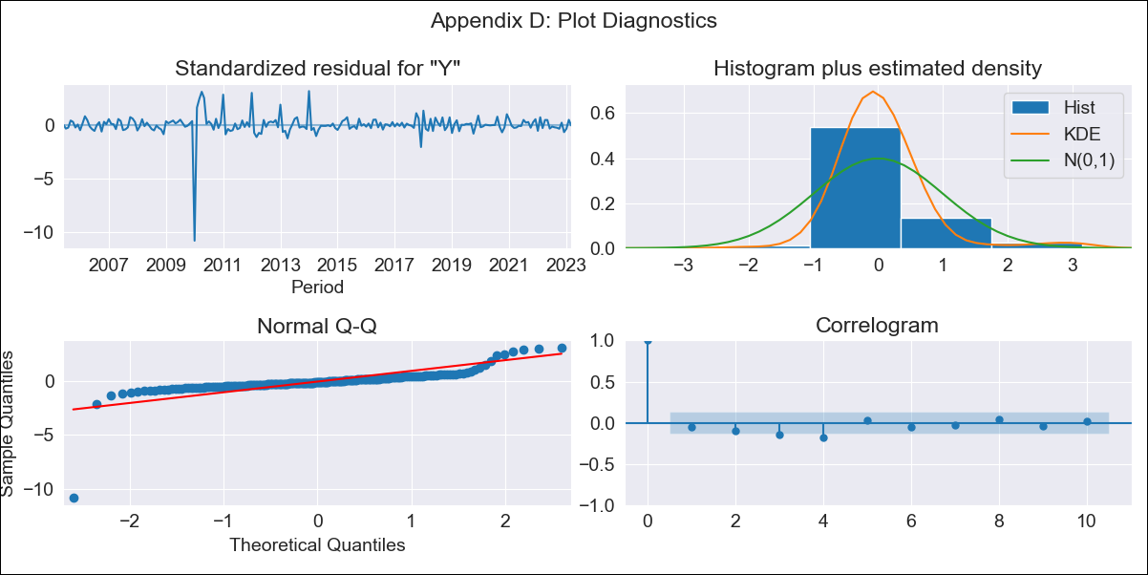
DMA - Inflation - Next 12 months forecast as of: 2023-03-01

Model | ARIMA - [(3, 2, 0), (3, 0, 0, 12)]
Training Data | 2002-01-01 to 2022-04-01
Test Data | 2022-04-01 to 2023-03-01

Date | Inflation Change YoY % | Lower Bound - 95% Confidence Interval | Upper Bound - 95% Confidence Interval
2023-04-01 | 5.55 | 2.06 | 9.05
2023-05-01 | 4.52 | -0.83 | 9.87
2023-06-01 | 4.05 | -3.35 | 11.45
2023-07-01 | 3.43 | -6.44 | 13.29
2023-08-01 | 2.94 | -9.82 | 15.7
2023-09-01 | 2.49 | -13.25 | 18.23
2023-10-01 | 2.36 | -16.57 | 21.29
2023-11-01 | 1.71 | -20.65 | 24.07
2023-12-01 | 2.34 | -23.64 | 28.31
2024-01-01 | 2.8 | -26.95 | 32.55
2024-02-01 | 2.2 | -31.5 | 35.89
2024-03-01 | 2.13 | -35.68 | 39.95

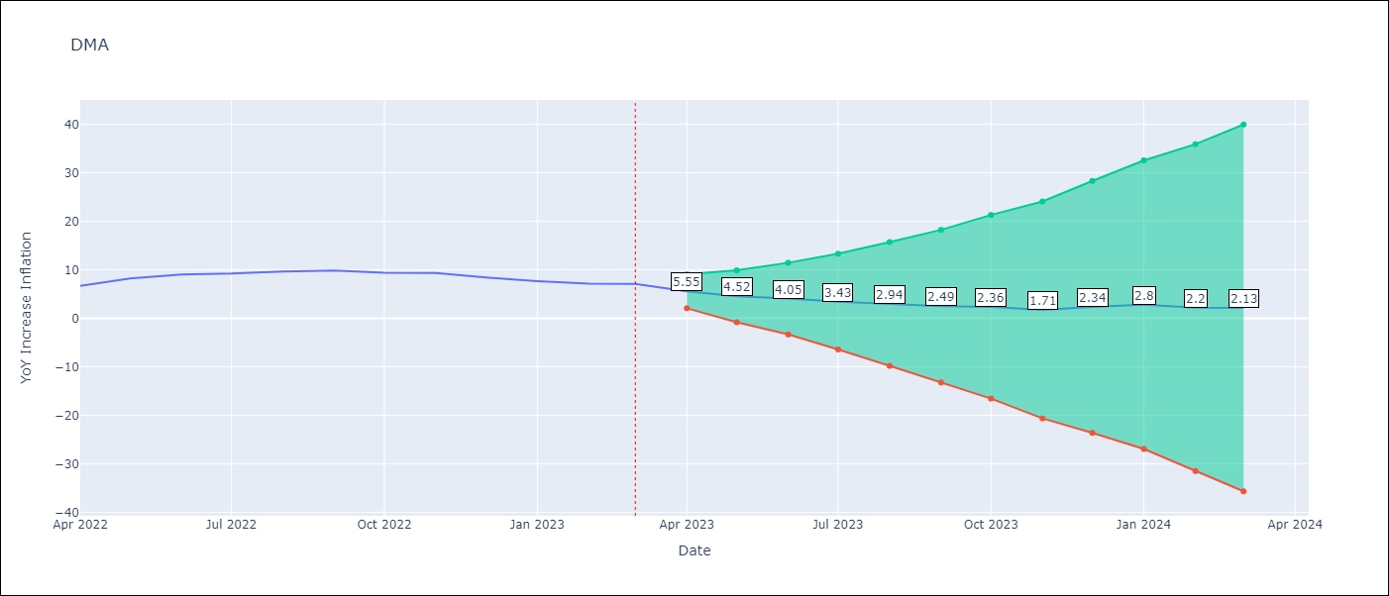

Test Metrics
RMSE | 1.55
Naive RMSE | 0.69
MAPE | 17.45%

Test Predictions
Date | Predicted | Actual
2022-04-01 | 5.88 | 6.66
2022-05-01 | 6.53 | 8.23
2022-06-01 | 7.6 | 9.02
2022-07-01 | 7.63 | 9.2
2022-08-01 | 8.06 | 9.63
2022-09-01 | 8.57 | 9.82
2022-10-01 | 8.87 | 9.37
2022-11-01 | 8.66 | 9.34
2022-12-01 | 9.23 | 8.4
2023-01-01 | 9.66 | 7.66
2023-02-01 | 9.07 | 7.15
2023-03-01 | 9.86 | 7.07

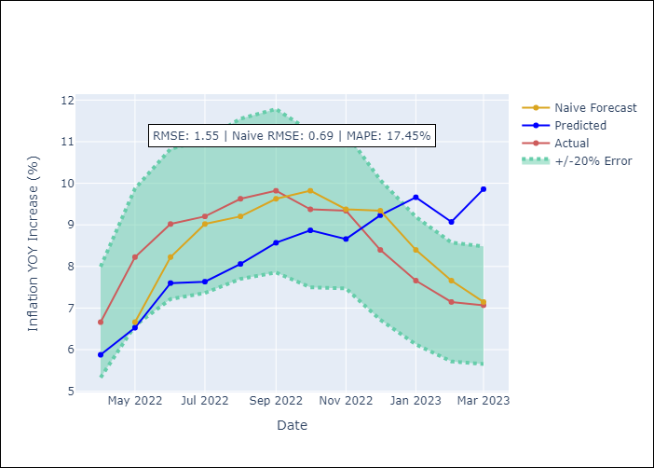

Appendix A: Model Summary
Model | ARIMA(3, 2, 0)x(3, 0, 0, 12)
Sample | 01-01-2002- 03-01-2023
No. of Observations | 255
Terms | P-value (Statistical significance)
ar.L1 | 0.000
ar.L2 | 0.000
ar.L3 | 0.000
ar.S.L12 | 0.000
ar.S.L24 | 0.000
ar.S.L36 | 0.000
sigma2 | 0.000

Assumptions | P-value | Interpretation
Ljung-Box (L1) | 0.44
Heteroskedasticity | 0.00
Jarque-Bera | 0.00
Skew | -5.30
Kurtosis | 66.55

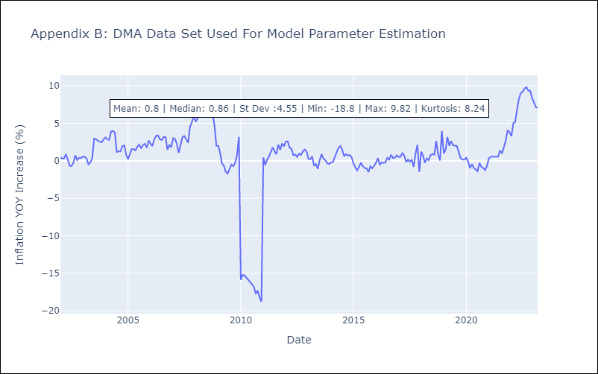

Appendix C: Residuals Analysis
Mean | -0.0
White Noise? | No - Correlation at Lags [ 3 4 5 6 7 8 9 10 11 12]
Normal? | No

