GRD
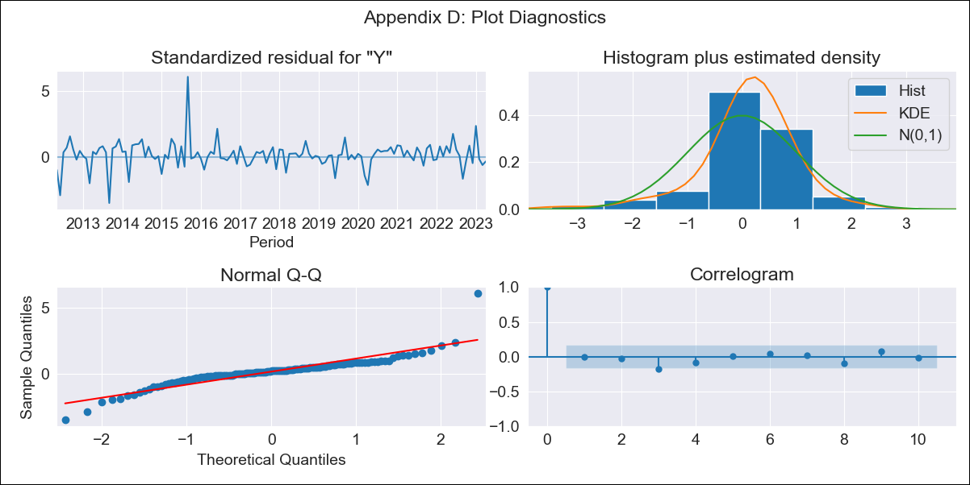
GRD - Inflation - Next 12 months forecast as of: 2023-04-01

Model | ARIMA - [(0, 2, 1), (0, 0, 1, 12)]
Training Data | 2011-01-01 to 2022-05-01
Test Data | 2022-05-01 to 2023-04-01

Date | Inflation Change YoY % | Lower Bound - 95% Confidence Interval | Upper Bound - 95% Confidence Interval
2023-05-01 | 3.34 | 2.53 | 4.14
2023-06-01 | 2.74 | 1.56 | 3.93
2023-07-01 | 2.54 | 1.03 | 4.06
2023-08-01 | 2.5 | 0.67 | 4.32
2023-09-01 | 3.11 | 0.98 | 5.23
2023-10-01 | 3.26 | 0.84 | 5.68
2023-11-01 | 2.99 | 0.27 | 5.7
2023-12-01 | 3.19 | 0.17 | 6.2
2024-01-01 | 2.34 | -0.97 | 5.65
2024-02-01 | 2.36 | -1.26 | 5.97
2024-03-01 | 2.55 | -1.37 | 6.47
2024-04-01 | 2.66 | -1.56 | 6.89

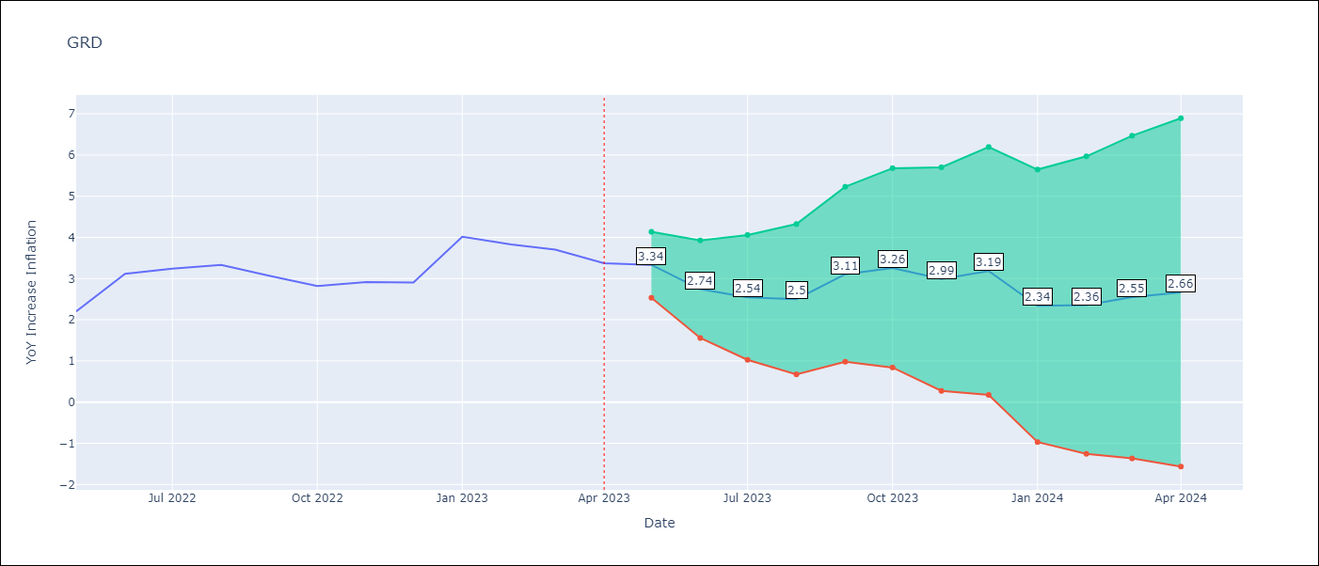

Test Metrics
RMSE | 1.33
Naive RMSE | 0.47
MAPE | 35.6%

Test Predictions
Date | Predicted | Actual
2022-05-01 | 2.07 | 2.2
2022-06-01 | 2.25 | 3.11
2022-07-01 | 2.07 | 3.24
2022-08-01 | 2.03 | 3.33
2022-09-01 | 2.33 | 3.06
2022-10-01 | 2.17 | 2.82
2022-11-01 | 1.88 | 2.91
2022-12-01 | 2 | 2.9
2023-01-01 | 2.1 | 4.02
2023-02-01 | 1.84 | 3.83
2023-03-01 | 1.84 | 3.7
2023-04-01 | 1.54 | 3.37

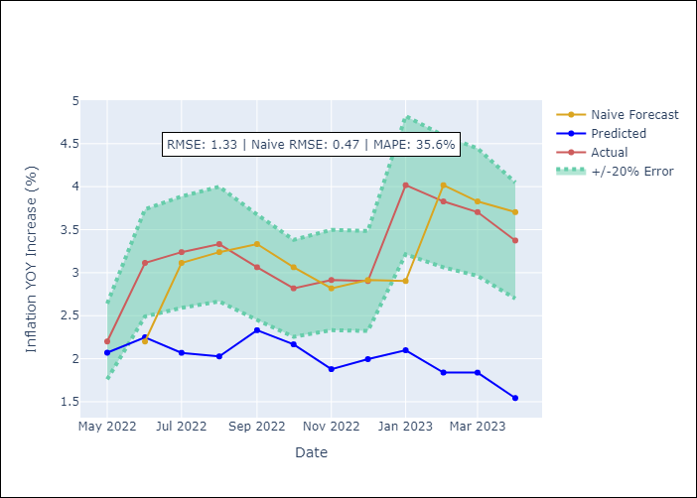

Appendix A: Model Summary
Model | ARIMA(0, 2, 1)x(0, 0, 1, 12)
Sample | 01-01-2011- 04-01-2023
No. of Observations | 148
Terms | P-value (Statistical significance)
ma.L1 | 0.000
ma.S.L12 | 0.987
sigma2 | 0.987

Assumptions | P-value | Interpretation
Ljung-Box (L1) | 0.91
Heteroskedasticity | 0.00
Jarque-Bera | 0.00
Skew | 0.88
Kurtosis | 13.17

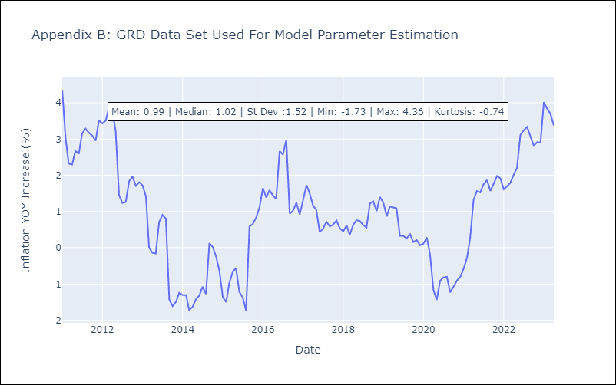

Appendix C: Residuals Analysis
Mean | 0.07
White Noise? | No - Correlation at Lags [1 2 3 4 5 6 7 8 9]
Normal? | No

