KNA
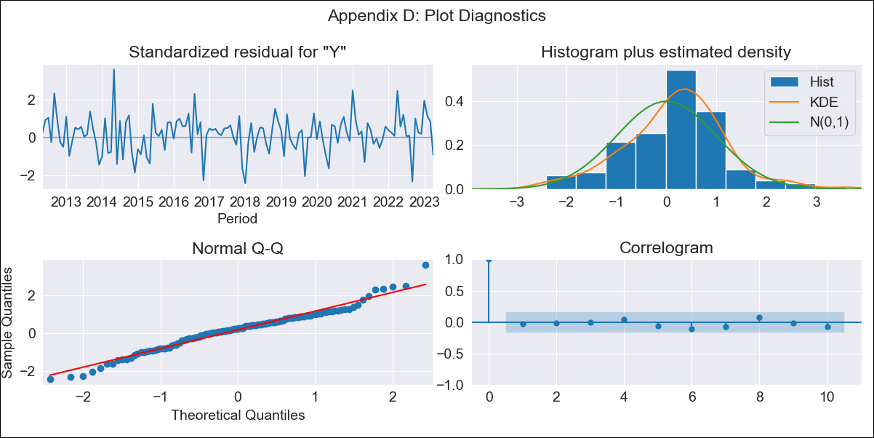
KNA - Inflation - Next 12 months forecast as of: 2023-04-01

Model | ARIMA - [(2, 2, 1), (0, 0, 1, 12)]
Training Data | 2011-01-01 to 2022-05-01
Test Data | 2022-05-01 to 2023-04-01

Date | Inflation Change YoY % | Lower Bound - 95% Confidence Interval | Upper Bound - 95% Confidence Interval
2023-05-01 | 4.98 | 3.96 | 6
2023-06-01 | 4.91 | 3.59 | 6.23
2023-07-01 | 5.02 | 3.48 | 6.57
2023-08-01 | 5.16 | 3.32 | 6.99
2023-09-01 | 6.33 | 4.21 | 8.46
2023-10-01 | 5.82 | 3.41 | 8.24
2023-11-01 | 5.86 | 3.15 | 8.57
2023-12-01 | 6.13 | 3.11 | 9.15
2024-01-01 | 5.4 | 2.07 | 8.73
2024-02-01 | 5.16 | 1.5 | 8.82
2024-03-01 | 5.07 | 1.08 | 9.06
2024-04-01 | 5.57 | 1.24 | 9.89

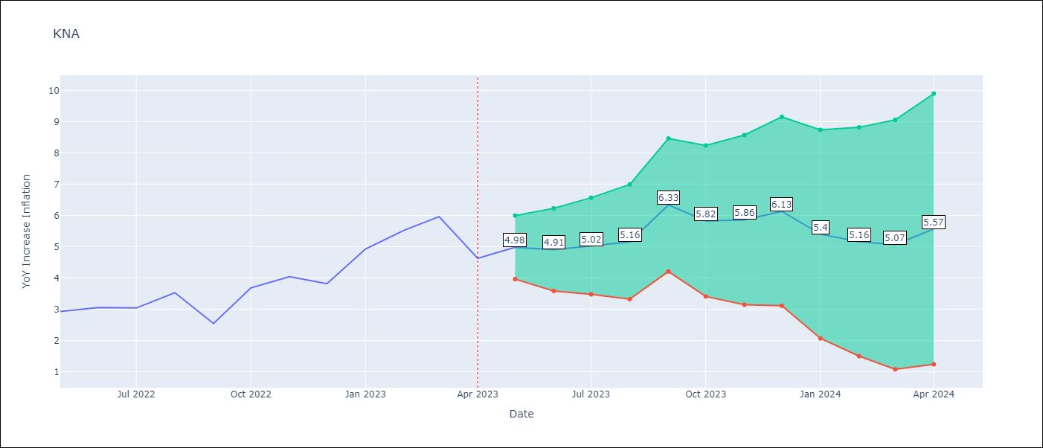

Test Metrics
RMSE | 1.59
Naive RMSE | 0.75
MAPE | 29.77%

Test Predictions
Date | Predicted | Actual
2022-05-01 | 2.66 | 2.93
2022-06-01 | 2.12 | 3.05
2022-07-01 | 2.17 | 3.04
2022-08-01 | 2.59 | 3.53
2022-09-01 | 2.67 | 2.54
2022-10-01 | 2.97 | 3.68
2022-11-01 | 3.11 | 4.04
2022-12-01 | 2.94 | 3.82
2023-01-01 | 2.94 | 4.93
2023-02-01 | 3 | 5.53
2023-03-01 | 3.05 | 5.96
2023-04-01 | 2.01 | 4.63

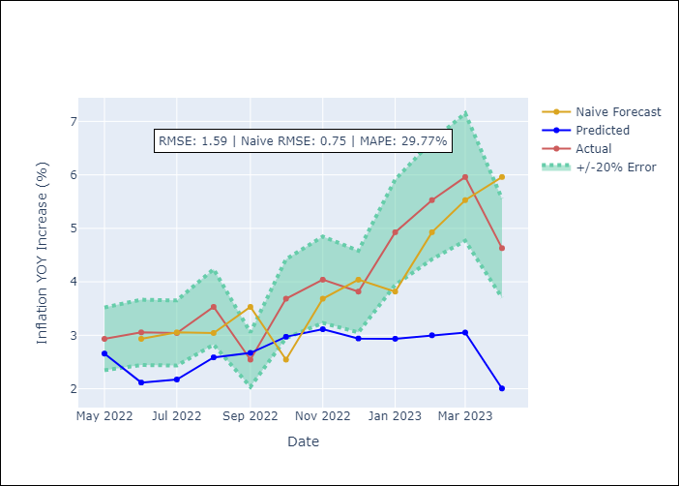

Appendix A: Model Summary
Model | ARIMA(2, 2, 1)x(0, 0, 1, 12)
Sample | 01-01-2011- 04-01-2023
No. of Observations | 148
Terms | P-value (Statistical significance)
ar.L1 | 0.002
ar.L2 | 0.047
ma.L1 | 0.000
ma.S.L12 | 0.000
sigma2 | 0.000

Assumptions | P-value | Interpretation
Ljung-Box (L1) | 0.71
Heteroskedasticity | 0.62
Jarque-Bera | 0.06
Skew | -0.01
Kurtosis | 4.00

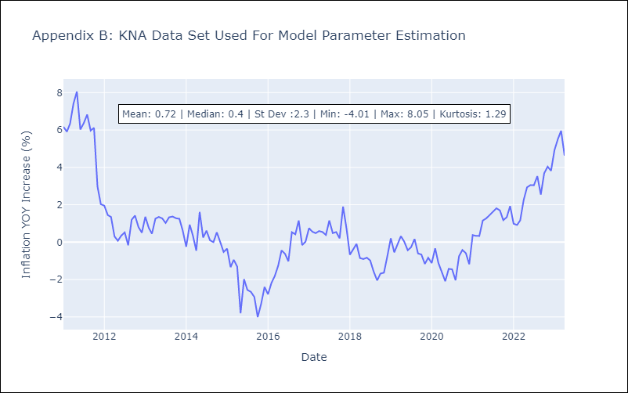

Appendix C: Residuals Analysis
Mean | 0.09
White Noise? | No - Correlation at Lags [ 1 2 3 4 5 6 7 9 10 11 12]
Normal? | No

