VCT
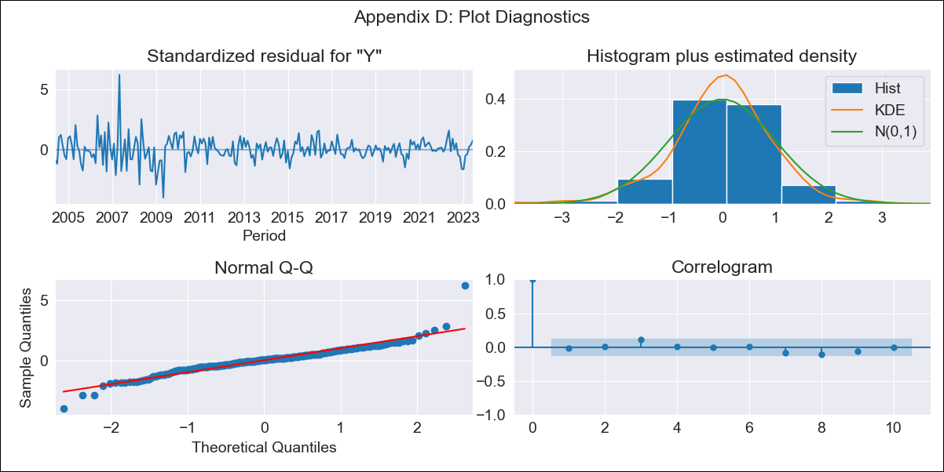
VCT - Inflation - Next 12 months forecast as of: 2023-06-01

Model | ARIMA - [(3, 2, 3), (3, 0, 0, 12)]
Training Data | 2001-01-01 to 2022-07-01
Test Data | 2022-07-01 to 2023-06-01

Date | Inflation Change YoY % | Lower Bound - 95% Confidence Interval | Upper Bound - 95% Confidence Interval
2023-07-01 | 4.79 | 3.38 | 6.2
2023-08-01 | 4.64 | 2.66 | 6.62
2023-09-01 | 4.36 | 1.91 | 6.82
2023-10-01 | 4.41 | 1.39 | 7.42
2023-11-01 | 4.56 | 0.98 | 8.13
2023-12-01 | 5.04 | 0.89 | 9.19
2024-01-01 | 5.61 | 0.85 | 10.36
2024-02-01 | 5.84 | 0.46 | 11.21
2024-03-01 | 6.05 | 0.04 | 12.07
2024-04-01 | 6.08 | -0.6 | 12.76
2024-05-01 | 6 | -1.35 | 13.36
2024-06-01 | 5.83 | -2.23 | 13.89

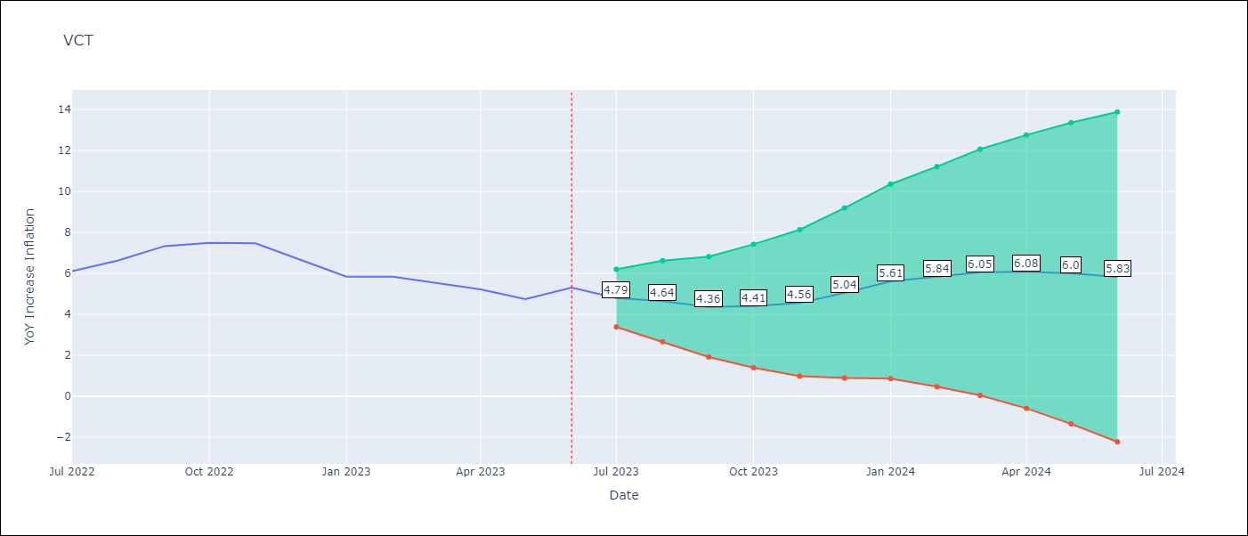

Test Metrics
RMSE | 1.95
Naive RMSE | 0.51
MAPE | 29.41%

Test Predictions
Date | Predicted | Actual
2022-07-01 | 5.47 | 6.11
2022-08-01 | 6.02 | 6.63
2022-09-01 | 6.35 | 7.33
2022-10-01 | 6.74 | 7.5
2022-11-01 | 7.04 | 7.47
2022-12-01 | 7.28 | 6.67
2023-01-01 | 7.6 | 5.84
2023-02-01 | 8.01 | 5.84
2023-03-01 | 8.28 | 5.55
2023-04-01 | 8.2 | 5.22
2023-05-01 | 7.83 | 4.75
2023-06-01 | 8.28 | 5.31

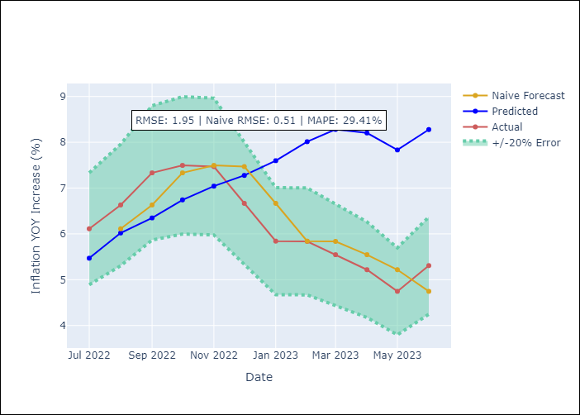

Appendix A: Model Summary
Model | ARIMA(3, 2, 3)x(3, 0, [], 12)
Sample | 01-01-2001- 06-01-2023
No. of Observations | 270
Terms | P-value (Statistical significance)
ar.L1 | 0.039
ar.L2 | 0.247
ar.L3 | 0.275
ma.L1 | 0.257
ma.L2 | 0.260
ma.L3 | 0.759
ar.S.L12 | 0.000
ar.S.L24 | 0.000
ar.S.L36 | 0.000
sigma2 | 0.000

Assumptions | P-value | Interpretation
Ljung-Box (L1) | 0.82
Heteroskedasticity | 0.00
Jarque-Bera | 0.00
Skew | 0.61
Kurtosis | 10.03

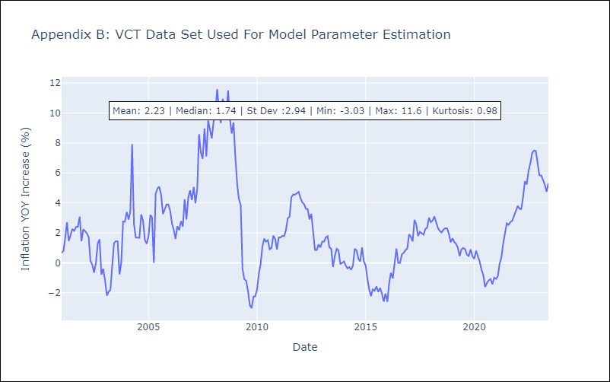

Appendix C: Residuals Analysis
Mean | -0.01
White Noise? | No - Correlation at Lags [ 1 2 5 11]
Normal? | No

