LCA
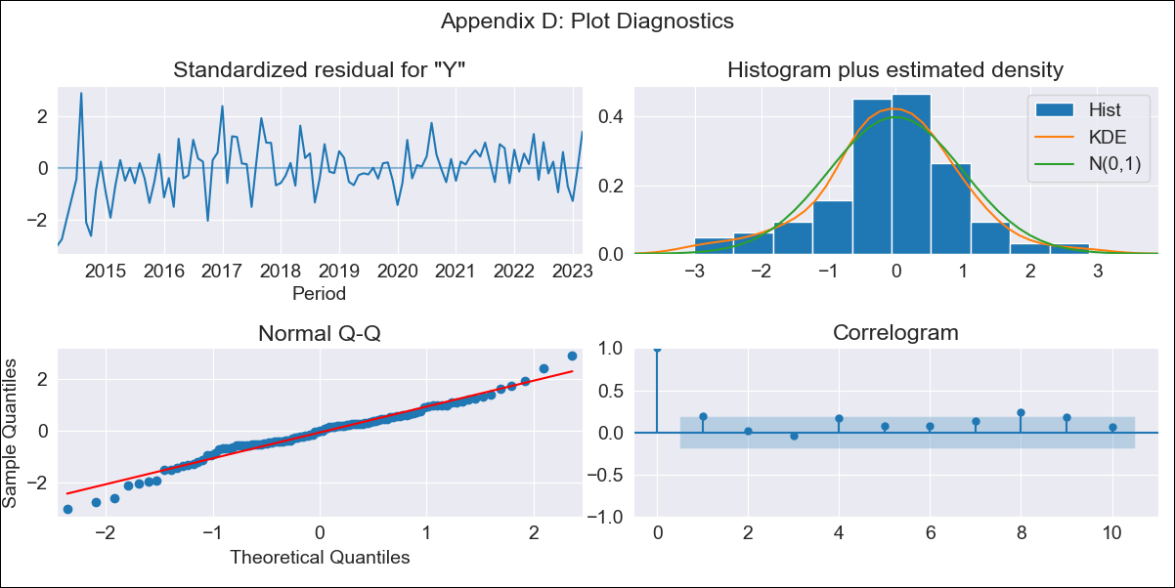
LCA - Inflation - Next 12 months forecast as of: 2023-03-01

Model | ARIMA - [(0, 2, 1), (3, 0, 0, 12)]
Training Data | 2011-01-01 to 2022-04-01
Test Data | 2022-04-01 to 2023-03-01

Date | Inflation Change YoY % | Lower Bound - 95% Confidence Interval | Upper Bound - 95% Confidence Interval
2023-04-01 | 7.29 | 5.69 | 8.9
2023-05-01 | 6.58 | 4.24 | 8.91
2023-06-01 | 6.87 | 3.93 | 9.81
2023-07-01 | 6.06 | 2.56 | 9.56
2023-08-01 | 5.9 | 1.88 | 9.92
2023-09-01 | 5.85 | 1.32 | 10.37
2023-10-01 | 6.36 | 1.35 | 11.38
2023-11-01 | 6.45 | 0.94 | 11.96
2023-12-01 | 6.79 | 0.8 | 12.78
2024-01-01 | 6.87 | 0.4 | 13.35
2024-02-01 | 7.01 | 0.05 | 13.97
2024-03-01 | 6.56 | -0.88 | 14.01

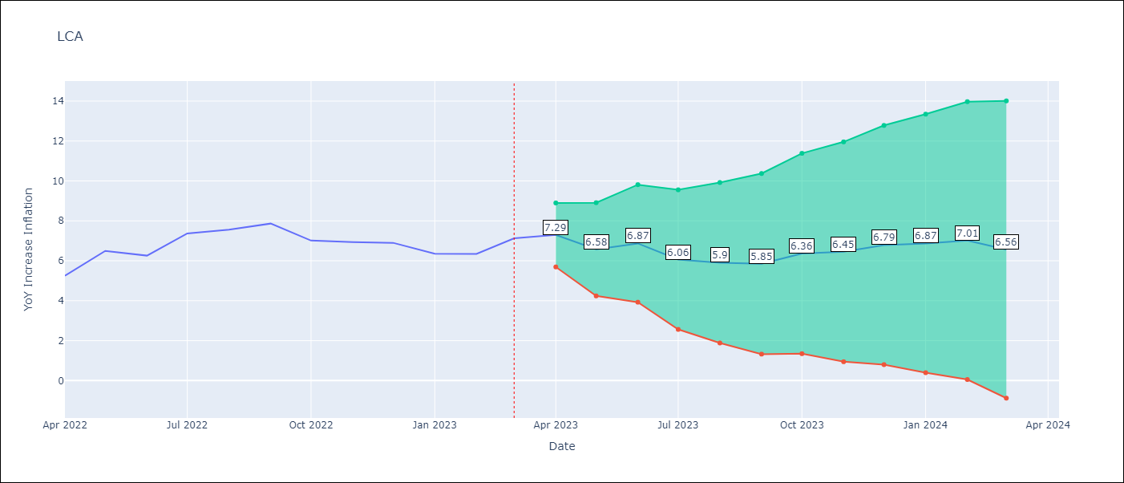

Test Metrics
RMSE | 1.33
Naive RMSE | 0.65
MAPE | 16.76%

Test Predictions
Date | Predicted | Actual
2022-04-01 | 5.12 | 5.25
2022-05-01 | 5.29 | 6.49
2022-06-01 | 5.36 | 6.26
2022-07-01 | 5.62 | 7.37
2022-08-01 | 5.89 | 7.56
2022-09-01 | 5.9 | 7.86
2022-10-01 | 5.72 | 7.01
2022-11-01 | 5.08 | 6.94
2022-12-01 | 5.55 | 6.9
2023-01-01 | 6.02 | 6.36
2023-02-01 | 6.04 | 6.34
2023-03-01 | 5.69 | 7.13

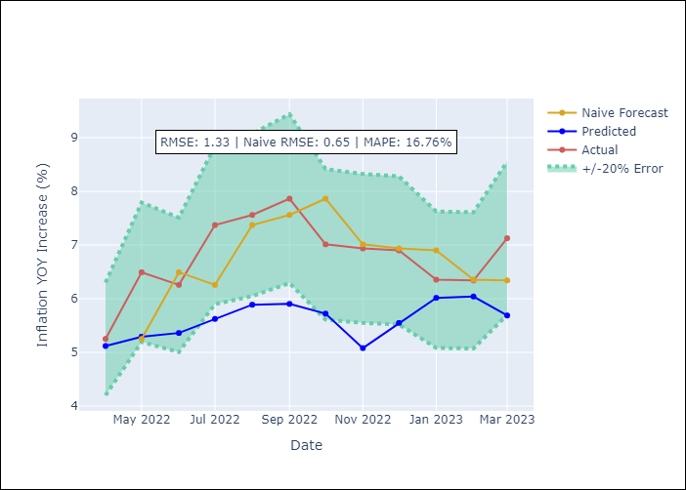

Appendix A: Model Summary
Model | ARIMA(0, 2, 1)x(3, 0, [], 12)
Sample | 01-01-2011- 03-01-2023
No. of Observations | 147
Terms | P-value (Statistical significance)
ma.L1 | 0.000
ar.S.L12 | 0.000
ar.S.L24 | 0.000
ar.S.L36 | 0.000
sigma2 | 0.000

Assumptions | P-value | Interpretation
Ljung-Box (L1) | 0.04
Heteroskedasticity | 0.00
Jarque-Bera | 0.08
Skew | -0.24
Kurtosis | 3.93

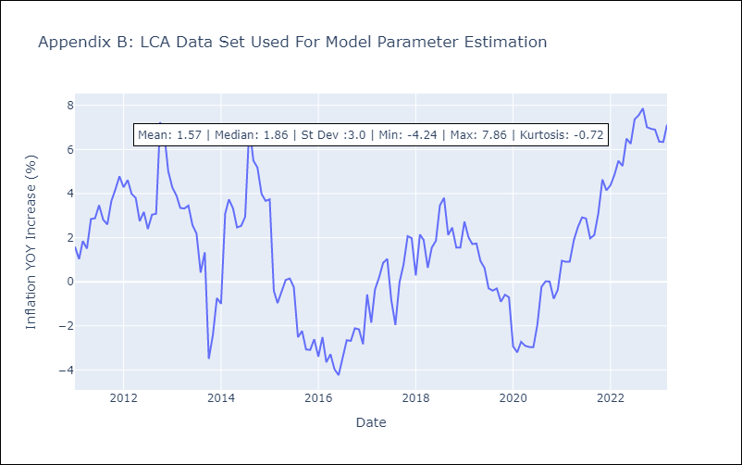

Appendix C: Residuals Analysis
Mean | -0.03
White Noise? | No - Correlation at Lags [1 2 3 4 5]
Normal? | No

