SUR
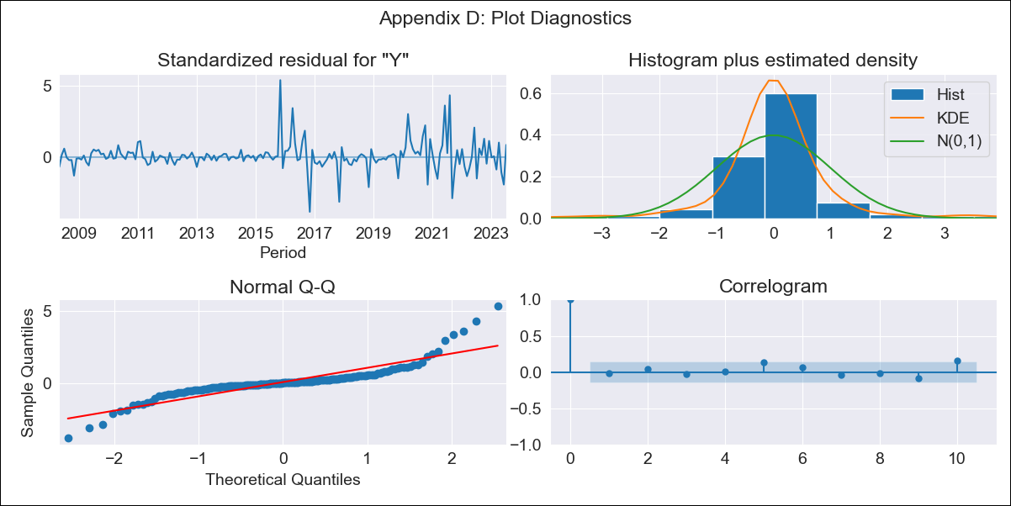
SUR - Inflation - Next 12 months forecast as of: 2023-07-01

Model | ARIMA - [(1, 2, 1), (0, 0, 1, 12)]
Training Data | 2007-01-01 to 2022-08-01
Test Data | 2022-08-01 to 2023-07-01

Date | Inflation Change YoY % | Lower Bound - 95% Confidence Interval | Upper Bound - 95% Confidence Interval
2023-08-01 | 56.36 | 50.34 | 62.38
2023-09-01 | 56.22 | 45.72 | 66.72
2023-10-01 | 53.53 | 39.16 | 67.89
2023-11-01 | 53.66 | 35.88 | 71.44
2023-12-01 | 51.36 | 30.5 | 72.23
2024-01-01 | 50.63 | 26.91 | 74.35
2024-02-01 | 50.34 | 23.93 | 76.75
2024-03-01 | 52.3 | 23.32 | 81.28
2024-04-01 | 50.98 | 19.52 | 82.44
2024-05-01 | 52.95 | 19.09 | 86.82
2024-06-01 | 58.26 | 22.04 | 94.48
2024-07-01 | 58.76 | 20.23 | 97.3

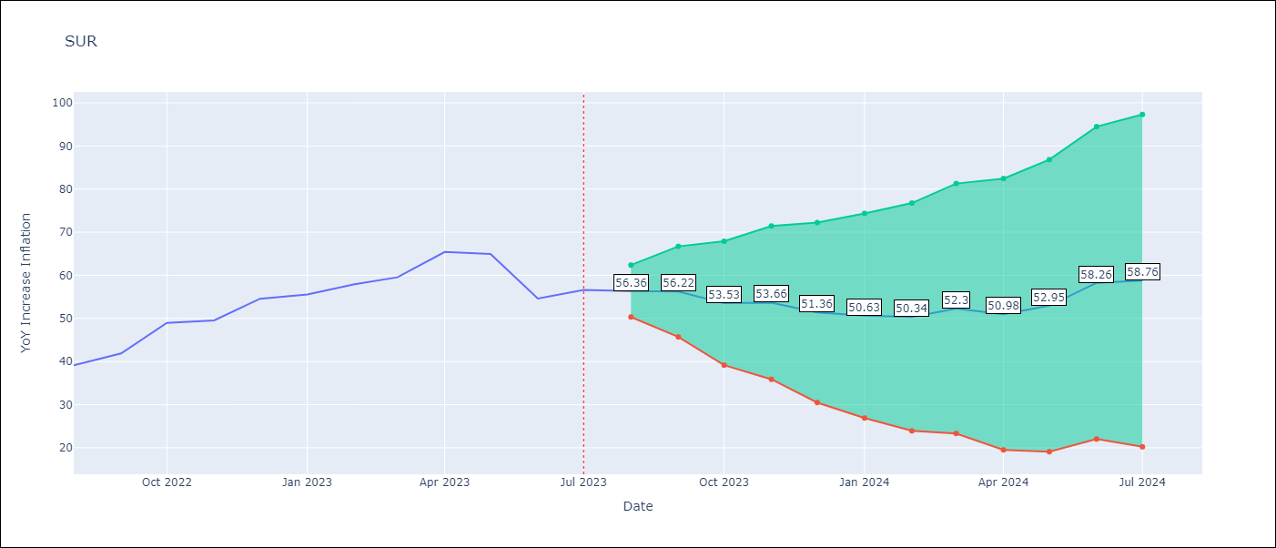

Test Metrics
RMSE | 11.07
Naive RMSE | 4.65
MAPE | 17.73%

Test Predictions
Date | Predicted | Actual
2022-08-01 | 37.54 | 39.12
2022-09-01 | 39.04 | 41.89
2022-10-01 | 41.58 | 48.97
2022-11-01 | 41.26 | 49.55
2022-12-01 | 42.31 | 54.56
2023-01-01 | 41.55 | 55.57
2023-02-01 | 42.62 | 57.91
2023-03-01 | 46.01 | 59.54
2023-04-01 | 49.23 | 65.41
2023-05-01 | 50.72 | 64.95
2023-06-01 | 47.22 | 54.63
2023-07-01 | 49.18 | 56.62

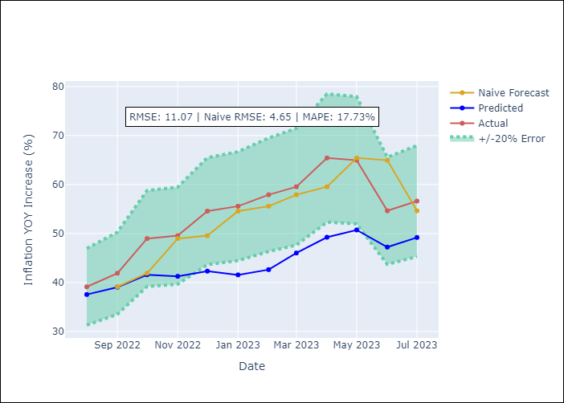

Appendix A: Model Summary
Model | ARIMA(1, 2, 1)x(0, 0, 1, 12)
Sample | 01-01-2007- 07-01-2023
No. of Observations | 199
Terms | P-value (Statistical significance)
ar.L1 | 0.000
ma.L1 | 0.000
ma.S.L12 | 0.000
sigma2 | 0.000

Assumptions | P-value | Interpretation
Ljung-Box (L1) | 0.78
Heteroskedasticity | 0.00
Jarque-Bera | 0.00
Skew | 1.11
Kurtosis | 11.20

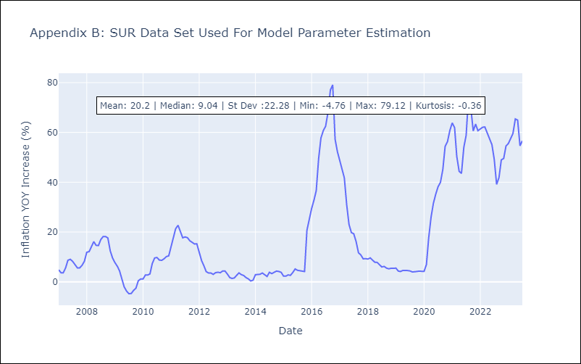

Appendix C: Residuals Analysis
Mean | 0.18
White Noise? | Yes
Normal? | No

