R01
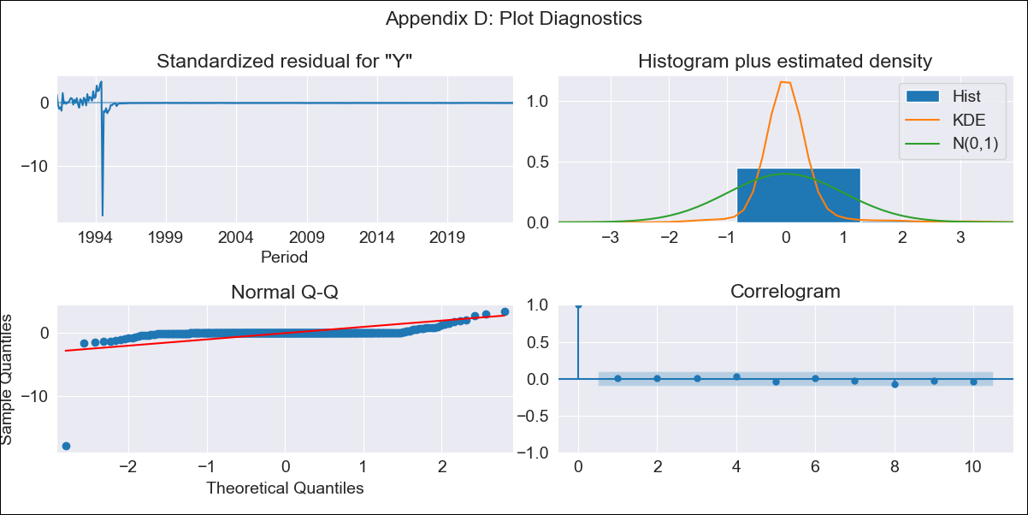
R01 - Inflation - Next 12 months forecast as of: 2023-09-01

Model | ARIMA - [(3, 1, 1), (0, 0, 1, 12)]
Training Data | 1990-01-01 to 2022-10-01
Test Data | 2022-10-01 to 2023-09-01

Date | Inflation Change YoY % | Lower Bound - 95% Confidence Interval | Upper Bound - 95% Confidence Interval
2023-10-01 | 5.29 | -53.46 | 64.04
2023-11-01 | 5.34 | -117.09 | 127.77
2023-12-01 | 5.36 | -180.12 | 190.84
2024-01-01 | 5.37 | -237.52 | 248.26
2024-02-01 | 5.38 | -288.29 | 299.05
2024-03-01 | 5.41 | -333.05 | 343.87
2024-04-01 | 5.44 | -372.92 | 383.8
2024-05-01 | 5.46 | -408.95 | 419.87
2024-06-01 | 5.49 | -441.97 | 452.96
2024-07-01 | 5.49 | -472.66 | 483.64
2024-08-01 | 5.49 | -501.43 | 512.41
2024-09-01 | 5.48 | -528.63 | 539.6

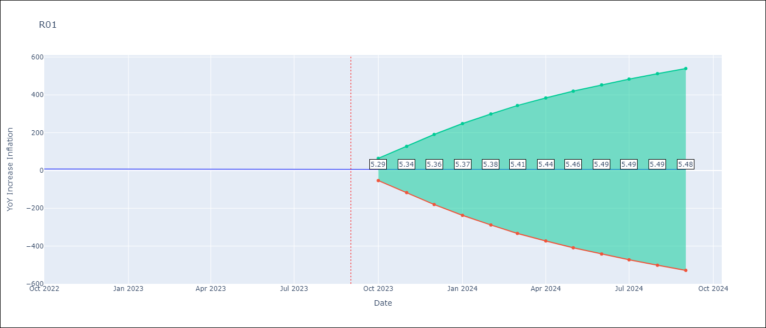

Test Metrics
RMSE | 1.44
Naive RMSE | 0.4
MAPE | 20.24%

Test Predictions
Date | Predicted | Actual
2022-10-01 | 7.84 | 7.98
2022-11-01 | 7.58 | 7.62
2022-12-01 | 7.46 | 7.61
2023-01-01 | 7.4 | 7.58
2023-02-01 | 7.36 | 7.38
2023-03-01 | 7.33 | 6.68
2023-04-01 | 7.3 | 6.1
2023-05-01 | 7.3 | 5.68
2023-06-01 | 7.28 | 4.93
2023-07-01 | 7.31 | 5.02
2023-08-01 | 7.33 | 5.1
2023-09-01 | 7.36 | 5.21

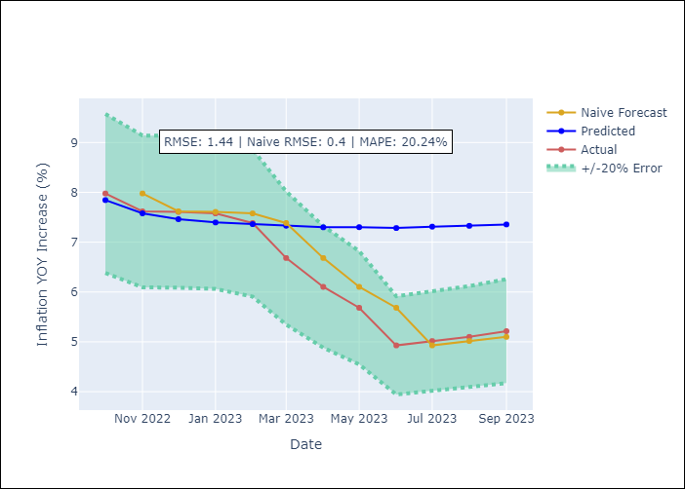

Appendix A: Model Summary
Model | ARIMA(3, 1, 1)x(0, 0, 1, 12)
Sample | 01-01-1990- 09-01-2023
No. of Observations | 405
Terms | P-value (Statistical significance)
ar.L1 | 0.589
ar.L2 | 0.898
ar.L3 | 0.917
ma.L1 | 0.984
ma.S.L12 | 0.580
sigma2 | 0.000

Assumptions | P-value | Interpretation
Ljung-Box (L1) | 0.91
Heteroskedasticity | 0.00
Jarque-Bera | 0.00
Skew | -14.50
Kurtosis | 266.23

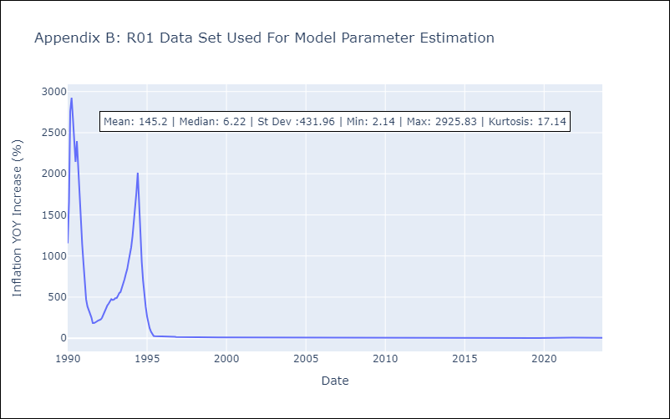

Appendix C: Residuals Analysis
Mean | 0.92
White Noise? | No - Correlation at Lags [ 1 2 3 4 5 6 7 8 9 10 11 12]
Normal? | No

