R02
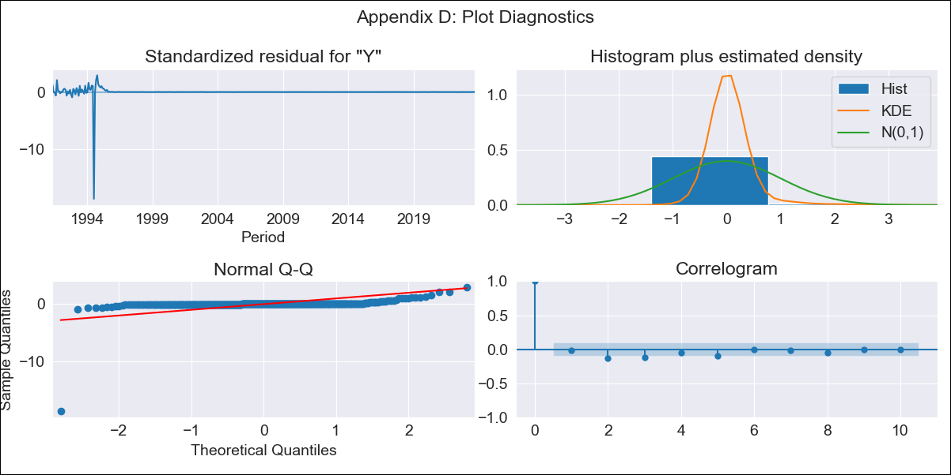
R02 - Inflation - Next 12 months forecast as of: 2023-09-01

Model | ARIMA - [(0, 2, 1), (0, 0, 1, 12)]
Training Data | 1990-01-01 to 2022-10-01
Test Data | 2022-10-01 to 2023-09-01

Date | Inflation Change YoY % | Lower Bound - 95% Confidence Interval | Upper Bound - 95% Confidence Interval
2023-10-01 | 5.39 | -59.91 | 70.69
2023-11-01 | 5.5 | -141.99 | 153
2023-12-01 | 5.61 | -242.25 | 253.47
2024-01-01 | 5.72 | -357.98 | 369.42
2024-02-01 | 5.83 | -487.36 | 499.02
2024-03-01 | 5.94 | -629.1 | 640.99
2024-04-01 | 6.06 | -782.22 | 794.34
2024-05-01 | 6.17 | -945.93 | 958.28
2024-06-01 | 6.29 | -1119.59 | 1132.17
2024-07-01 | 6.4 | -1302.67 | 1315.47
2024-08-01 | 6.5 | -1494.71 | 1507.71
2024-09-01 | 6.61 | -1695.29 | 1708.51

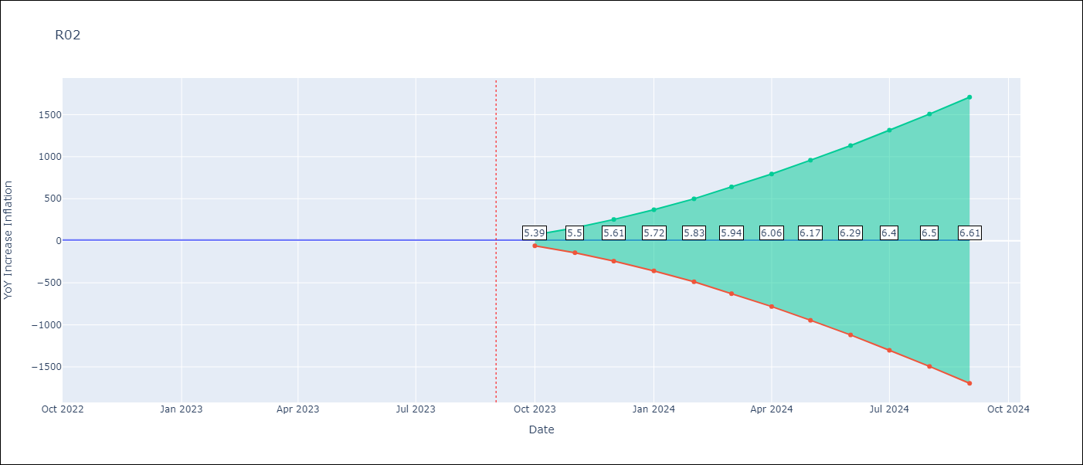

Test Metrics
RMSE | 2.28
Naive RMSE | 0.4
MAPE | 34.8%

Test Predictions
Date | Predicted | Actual
2022-10-01 | 7.68 | 7.97
2022-11-01 | 7.08 | 7.61
2022-12-01 | 6.49 | 7.6
2023-01-01 | 5.89 | 7.58
2023-02-01 | 5.29 | 7.38
2023-03-01 | 4.69 | 6.69
2023-04-01 | 4.09 | 6.11
2023-05-01 | 3.5 | 5.7
2023-06-01 | 2.9 | 4.94
2023-07-01 | 2.31 | 5.03
2023-08-01 | 1.72 | 5.16
2023-09-01 | 1.14 | 5.28

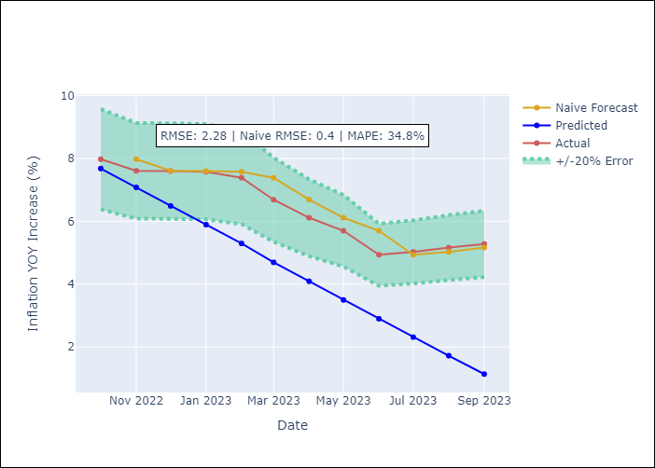

Appendix A: Model Summary
Model | ARIMA(0, 2, 1)x(0, 0, 1, 12)
Sample | 01-01-1990- 09-01-2023
No. of Observations | 405
Terms | P-value (Statistical significance)
ma.L1 | 0.811
ma.S.L12 | 0.910
sigma2 | 0.000

Assumptions | P-value | Interpretation
Ljung-Box (L1) | 0.78
Heteroskedasticity | 0.00
Jarque-Bera | 0.00
Skew | -16.82
Kurtosis | 318.73

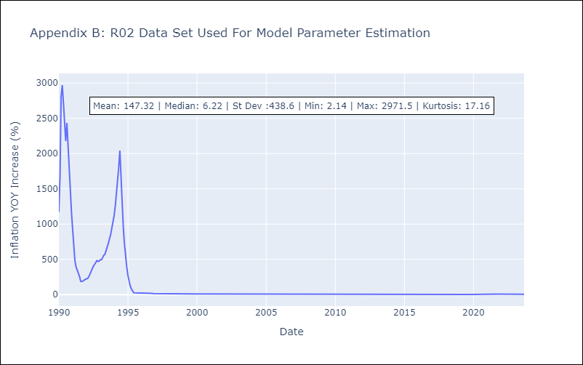

Appendix C: Residuals Analysis
Mean | 0.96
White Noise? | No - Correlation at Lags [ 1 2 3 4 5 6 7 8 9 10 11 12]
Normal? | No

