R07
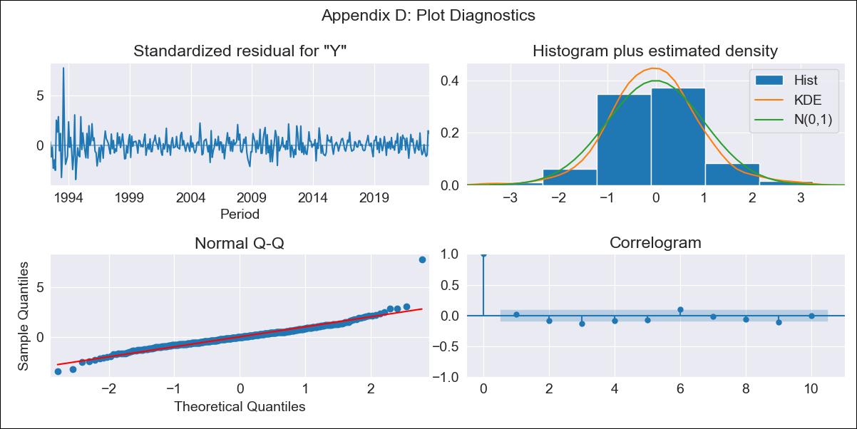
R07 - Inflation - Next 12 months forecast as of: 2023-07-01

Model | ARIMA - [(3, 2, 3), (0, 0, 1, 12)]
Training Data | 1991-01-01 to 2022-08-01
Test Data | 2022-08-01 to 2023-07-01

Date | Inflation Change YoY % | Lower Bound - 95% Confidence Interval | Upper Bound - 95% Confidence Interval
2023-08-01 | 4.13 | 3.09 | 5.16
2023-09-01 | 4.08 | 2.34 | 5.83
2023-10-01 | 3.36 | 0.82 | 5.89
2023-11-01 | 3.16 | -0.25 | 6.57
2023-12-01 | 3.23 | -1.1 | 7.57
2024-01-01 | 3.35 | -1.98 | 8.68
2024-02-01 | 3.31 | -3.09 | 9.7
2024-03-01 | 3.6 | -3.91 | 11.11
2024-04-01 | 4.14 | -4.55 | 12.83
2024-05-01 | 4.82 | -5.1 | 14.74
2024-06-01 | 4.66 | -6.54 | 15.86
2024-07-01 | 4.4 | -8.14 | 16.93

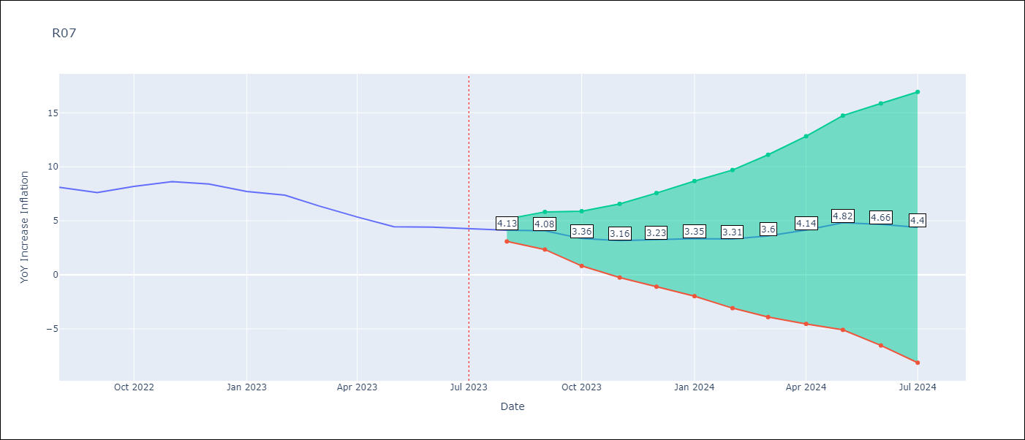

Test Metrics
RMSE | 2.79
Naive RMSE | 0.62
MAPE | 41.06%

Test Predictions
Date | Predicted | Actual
2022-08-01 | 8.29 | 8.1
2022-09-01 | 8.13 | 7.61
2022-10-01 | 8.24 | 8.19
2022-11-01 | 8.84 | 8.63
2022-12-01 | 9.11 | 8.41
2023-01-01 | 8.98 | 7.71
2023-02-01 | 8.98 | 7.37
2023-03-01 | 8.74 | 6.37
2023-04-01 | 8.8 | 5.36
2023-05-01 | 9.15 | 4.45
2023-06-01 | 9.3 | 4.41
2023-07-01 | 9.26 | 4.29

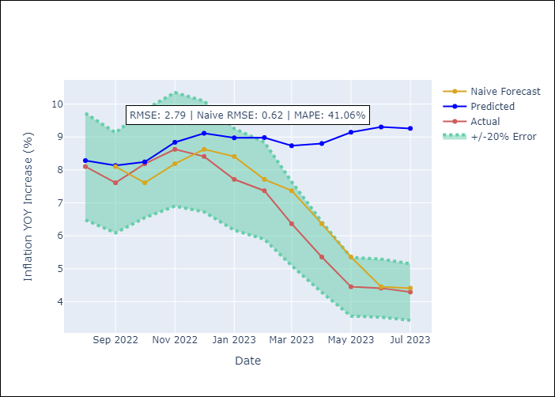

Appendix A: Model Summary
Model | ARIMA(3, 2, 3)x(0, 0, [1], 12)
Sample | 01-01-1991- 07-01-2023
No. of Observations | 391
Terms | P-value (Statistical significance)
ar.L1 | 0.000
ar.L2 | 0.000
ar.L3 | 0.963
ma.L1 | 0.708
ma.L2 | 0.000
ma.L3 | 0.000
ma.S.L12 | 0.000
sigma2 | 0.000

Assumptions | P-value | Interpretation
Ljung-Box (L1) | 0.70
Heteroskedasticity | 0.00
Jarque-Bera | 0.00
Skew | 1.22
Kurtosis | 12.55

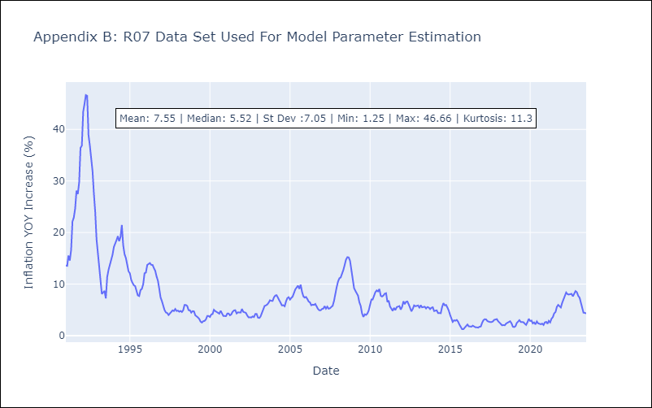

Appendix C: Residuals Analysis
Mean | -0.02
White Noise? | No - Correlation at Lags [ 1 2 3 4 5 6 7 8 9 10 11 12]
Normal? | No

