SUR10
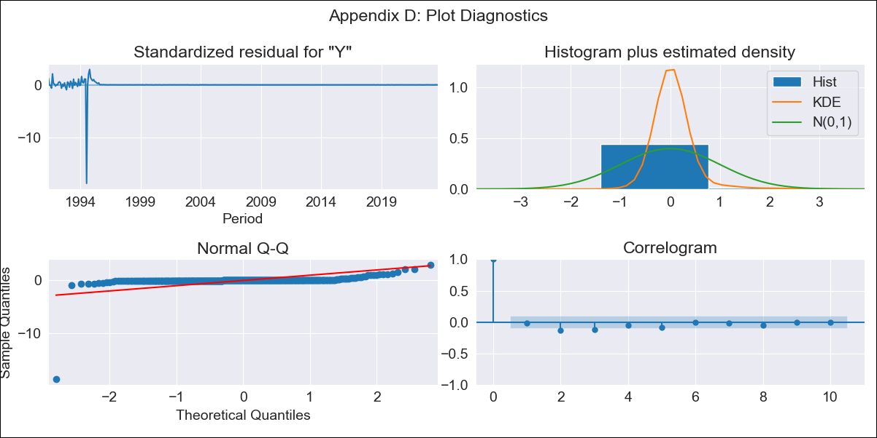
SUR10 - Inflation - Next 12 months forecast as of: 2023-09-01

Model | ARIMA - [(0, 2, 1), (0, 0, 1, 12)]
Training Data | 1990-01-01 to 2022-10-01
Test Data | 2022-10-01 to 2023-09-01

Date | Inflation Change YoY % | Lower Bound - 95% Confidence Interval | Upper Bound - 95% Confidence Interval
2023-10-01 | 5.95 | -91.37 | 103.28
2023-11-01 | 6.15 | -213.69 | 225.99
2023-12-01 | 6.34 | -363.1 | 375.79
2024-01-01 | 6.54 | -535.56 | 548.63
2024-02-01 | 6.73 | -728.38 | 741.84
2024-03-01 | 6.94 | -939.62 | 953.49
2024-04-01 | 7.14 | -1167.81 | 1182.09
2024-05-01 | 7.34 | -1411.8 | 1426.48
2024-06-01 | 7.54 | -1670.62 | 1685.7
2024-07-01 | 7.73 | -1943.47 | 1958.94
2024-08-01 | 7.92 | -2229.67 | 2245.52
2024-09-01 | 8.11 | -2528.62 | 2544.85

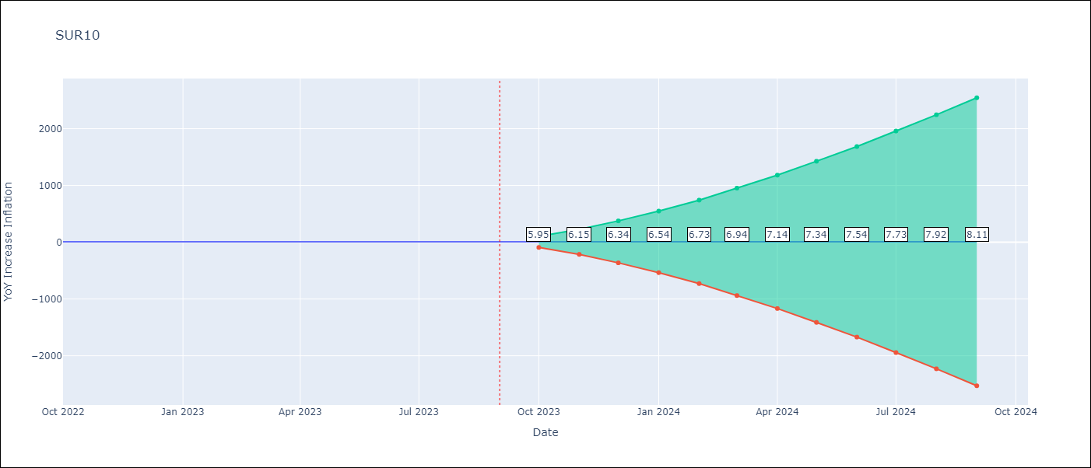

Test Metrics
RMSE | 4.47
Naive RMSE | 0.38
MAPE | 66.51%

Test Predictions
Date | Predicted | Actual
2022-10-01 | 7.17 | 7.66
2022-11-01 | 6.32 | 7.38
2022-12-01 | 5.47 | 7.36
2023-01-01 | 4.61 | 7.33
2023-02-01 | 3.75 | 7.17
2023-03-01 | 2.89 | 6.52
2023-04-01 | 2.03 | 6.01
2023-05-01 | 1.18 | 5.7
2023-06-01 | 0.32 | 4.98
2023-07-01 | -0.51 | 5.29
2023-08-01 | -1.35 | 5.54
2023-09-01 | -2.19 | 5.75

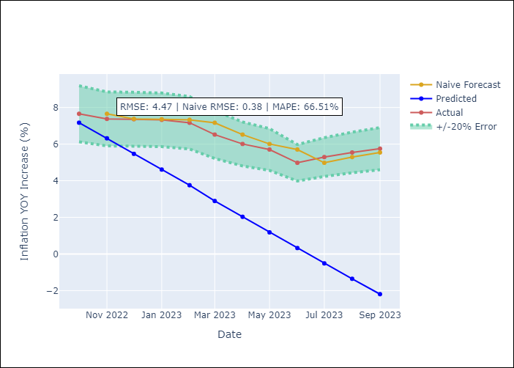

Appendix A: Model Summary
Model | ARIMA(0, 2, 1)x(0, 0, 1, 12)
Sample | 01-01-1990- 09-01-2023
No. of Observations | 405
Terms | P-value (Statistical significance)
ma.L1 | 0.811
ma.S.L12 | 0.907
sigma2 | 0.000

Assumptions | P-value | Interpretation
Ljung-Box (L1) | 0.78
Heteroskedasticity | 0.00
Jarque-Bera | 0.00
Skew | -16.83
Kurtosis | 319.07

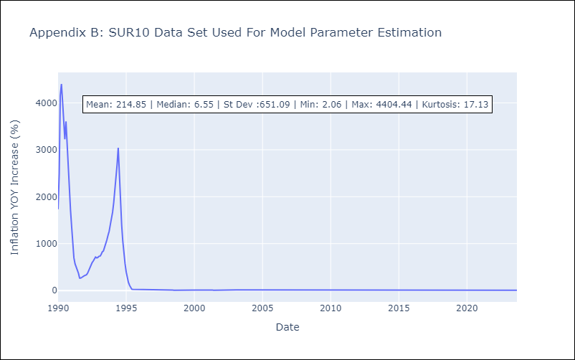

Appendix C: Residuals Analysis
Mean | 1.42
White Noise? | No - Correlation at Lags [ 1 2 3 4 5 6 7 8 9 10 11 12]
Normal? | No

