CEN09
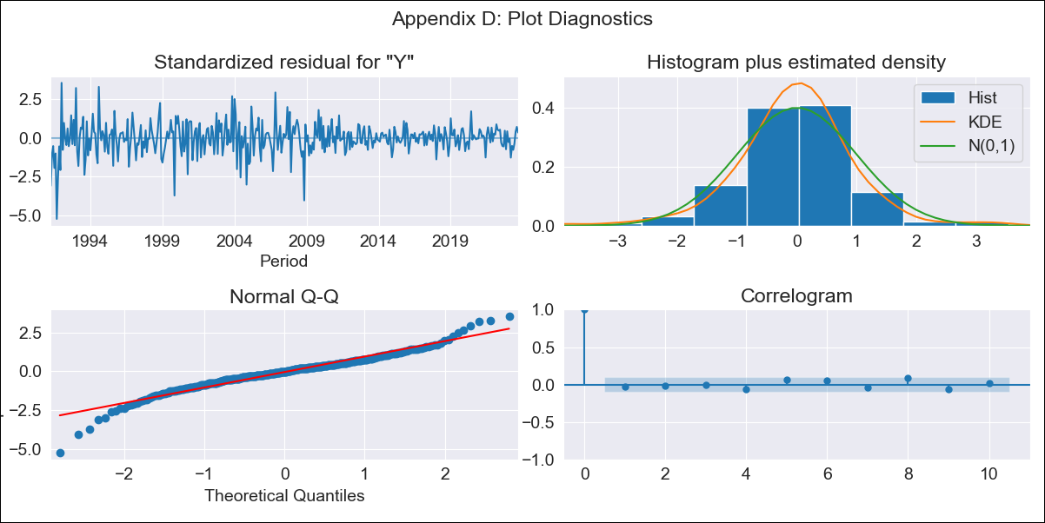
CEN09 - Inflation - Next 12 months forecast as of: 2023-09-01

Model | ARIMA - [(2, 1, 0), (1, 0, 0, 12)]
Training Data | 1990-01-01 to 2022-10-01
Test Data | 2022-10-01 to 2023-09-01

Date | Inflation Change YoY % | Lower Bound - 95% Confidence Interval | Upper Bound - 95% Confidence Interval
2023-10-01 | 4.38 | 3.27 | 5.49
2023-11-01 | 4.49 | 2.37 | 6.62
2023-12-01 | 4.56 | 1.41 | 7.72
2024-01-01 | 4.62 | 0.46 | 8.79
2024-02-01 | 4.67 | -0.46 | 9.79
2024-03-01 | 4.73 | -1.31 | 10.77
2024-04-01 | 4.78 | -2.12 | 11.69
2024-05-01 | 4.84 | -2.88 | 12.56
2024-06-01 | 4.89 | -3.6 | 13.37
2024-07-01 | 4.91 | -4.3 | 14.12
2024-08-01 | 4.92 | -4.98 | 14.81
2024-09-01 | 4.91 | -5.64 | 15.46

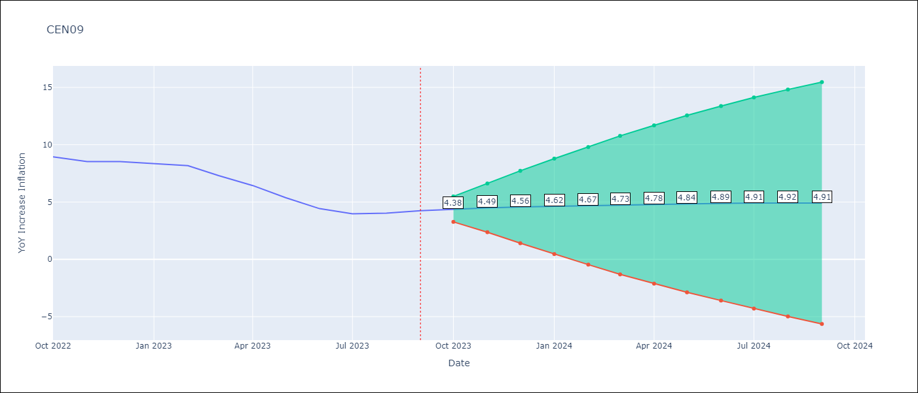

Test Metrics
RMSE | 2.45
Naive RMSE | 0.6
MAPE | 39.27%

Test Predictions
Date | Predicted | Actual
2022-10-01 | 8.68 | 8.94
2022-11-01 | 8.53 | 8.54
2022-12-01 | 8.44 | 8.53
2023-01-01 | 8.36 | 8.33
2023-02-01 | 8.3 | 8.17
2023-03-01 | 8.23 | 7.31
2023-04-01 | 8.18 | 6.44
2023-05-01 | 8.13 | 5.38
2023-06-01 | 8.08 | 4.42
2023-07-01 | 8.06 | 3.97
2023-08-01 | 8.05 | 4.04
2023-09-01 | 8.06 | 4.25

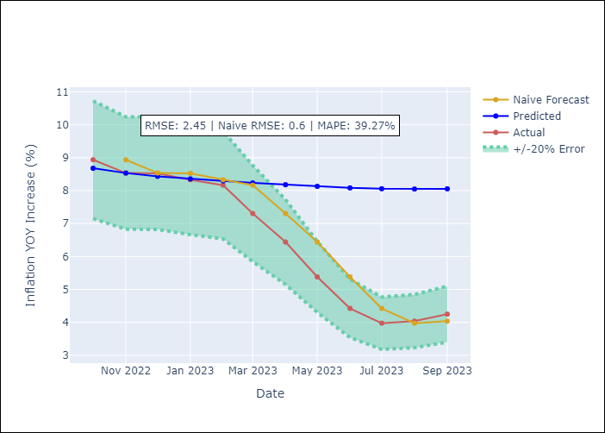

Appendix A: Model Summary
Model | ARIMA(2, 1, 0)x(1, 0, 0, 12)
Sample | 01-01-1990- 09-01-2023
No. of Observations | 405
Terms | P-value (Statistical significance)
ar.L1 | 0.000
ar.L2 | 0.116
ar.S.L12 | 0.000
sigma2 | 0.000

Assumptions | P-value | Interpretation
Ljung-Box (L1) | 0.60
Heteroskedasticity | 0.00
Jarque-Bera | 0.00
Skew | -0.47
Kurtosis | 6.44

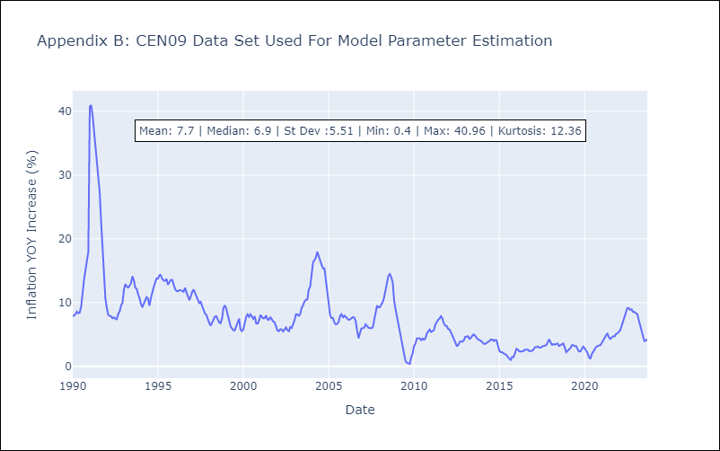

Appendix C: Residuals Analysis
Mean | 0.01
White Noise? | No - Correlation at Lags [ 1 2 3 4 5 6 7 8 9 10 11 12]
Normal? | No

