CEN10
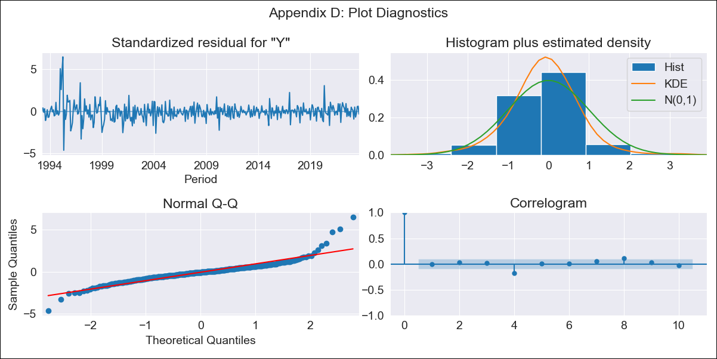
CEN10 - Inflation - Next 12 months forecast as of: 2023-09-01

Model | ARIMA - [(2, 1, 0), (3, 0, 1, 12)]
Training Data | 1990-01-01 to 2022-10-01
Test Data | 2022-10-01 to 2023-09-01

Date | Inflation Change YoY % | Lower Bound - 95% Confidence Interval | Upper Bound - 95% Confidence Interval
2023-10-01 | 4.38 | 3.67 | 5.09
2023-11-01 | 4.45 | 2.92 | 5.99
2023-12-01 | 4.5 | 2.07 | 6.92
2024-01-01 | 4.47 | 1.14 | 7.8
2024-02-01 | 4.36 | 0.14 | 8.57
2024-03-01 | 4.5 | -0.58 | 9.57
2024-04-01 | 4.48 | -1.42 | 10.38
2024-05-01 | 4.65 | -2.04 | 11.34
2024-06-01 | 4.83 | -2.61 | 12.27
2024-07-01 | 4.85 | -3.3 | 13.01
2024-08-01 | 4.65 | -4.18 | 13.49
2024-09-01 | 4.61 | -4.87 | 14.1

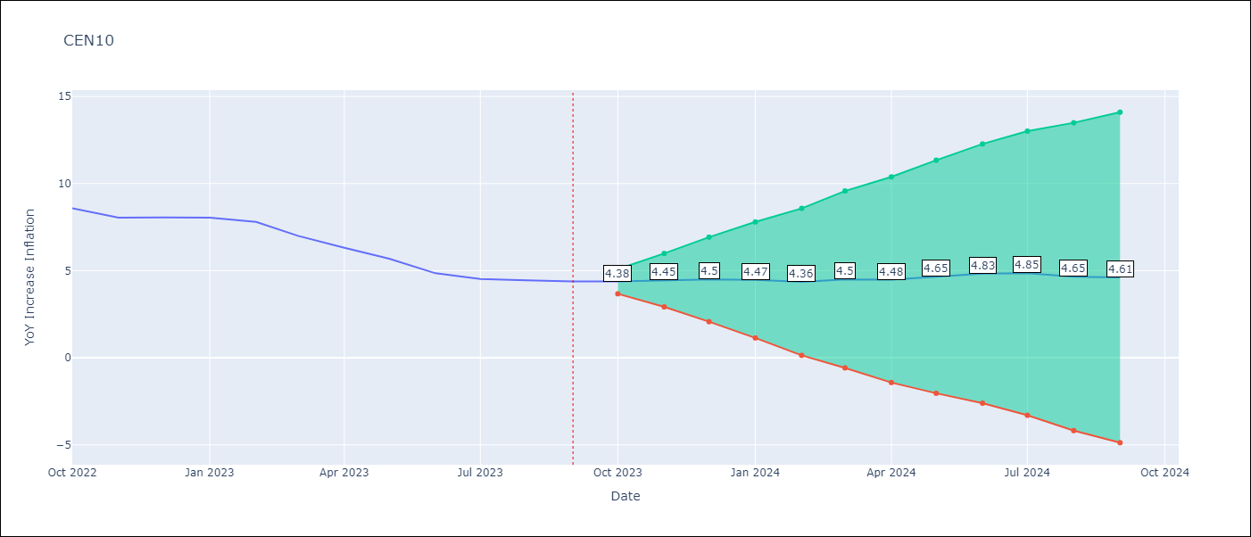

Test Metrics
RMSE | 0.67
Naive RMSE | 0.49
MAPE | 10.77%

Test Predictions
Date | Predicted | Actual
2022-10-01 | 8.6 | 8.58
2022-11-01 | 8.31 | 8.04
2022-12-01 | 8.37 | 8.05
2023-01-01 | 8.31 | 8.05
2023-02-01 | 7.96 | 7.8
2023-03-01 | 7.42 | 7
2023-04-01 | 6.81 | 6.31
2023-05-01 | 6.45 | 5.69
2023-06-01 | 5.93 | 4.85
2023-07-01 | 5.67 | 4.52
2023-08-01 | 5.39 | 4.44
2023-09-01 | 5.27 | 4.38

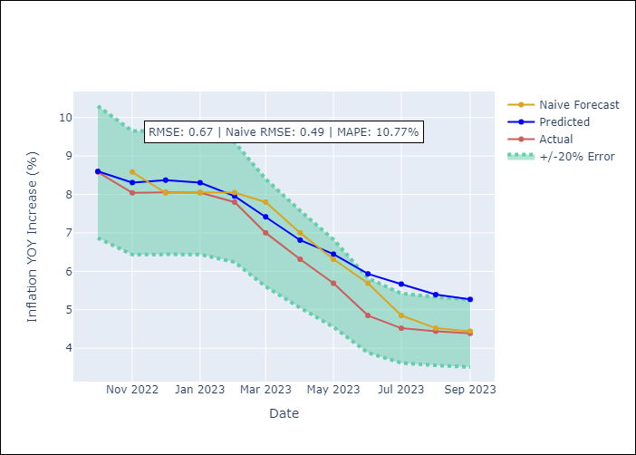

Appendix A: Model Summary
Model | ARIMA(2, 1, 0)x(3, 0, [1], 12)
Sample | 01-01-1990- 09-01-2023
No. of Observations | 405
Terms | P-value (Statistical significance)
ar.L1 | 0.000
ar.L2 | 0.023
ar.S.L12 | 0.796
ar.S.L24 | 0.000
ar.S.L36 | 0.952
ma.S.L12 | 0.000
sigma2 | 0.000

Assumptions | P-value | Interpretation
Ljung-Box (L1) | 0.92
Heteroskedasticity | 0.00
Jarque-Bera | 0.00
Skew | 1.13
Kurtosis | 11.98

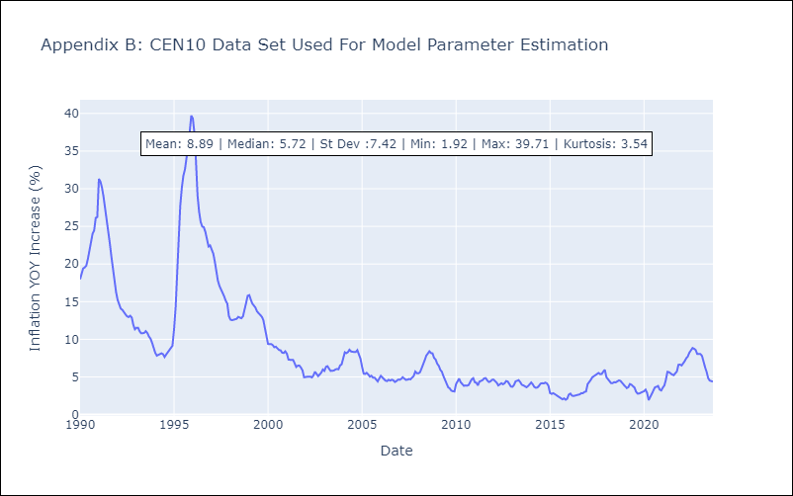

Appendix C: Residuals Analysis
Mean | 0.0
White Noise? | No - Correlation at Lags [ 1 2 3 4 5 6 7 8 9 10 11 12]
Normal? | No

