GRD_lt
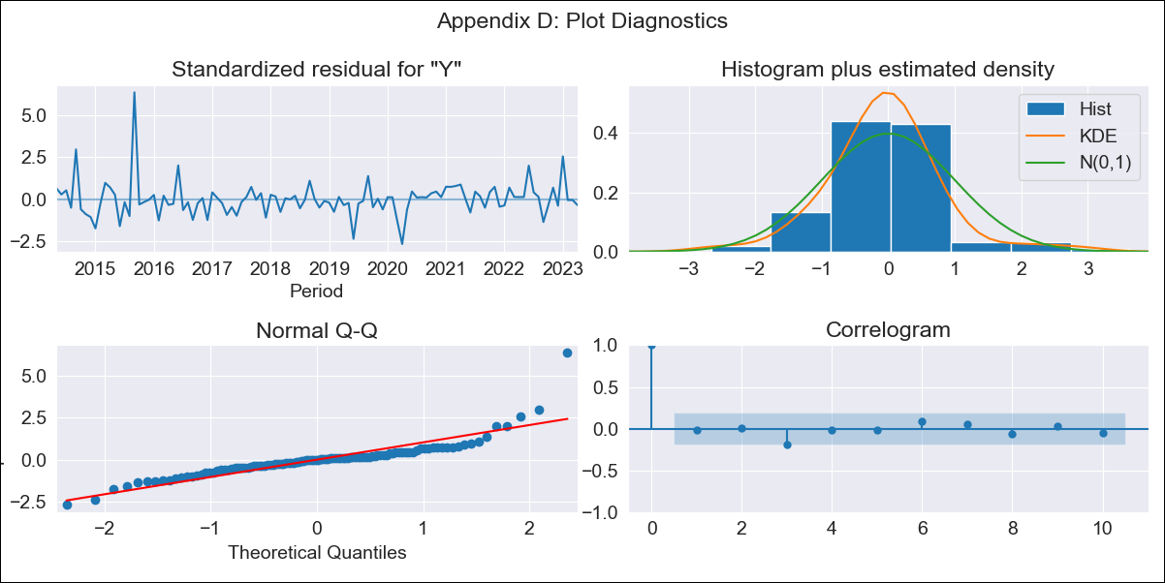
GRD_lt - Inflation - Next 12 months forecast as of: 2023-04-01

Model | ARIMA - [(0, 2, 1), (0, 0, 3, 12)]
Training Data | 2011-01-01 to 2022-05-01
Test Data | 2022-05-01 to 2023-04-01

Date | Inflation Change YoY % | Lower Bound - 95% Confidence Interval | Upper Bound - 95% Confidence Interval
2023-05-01 | 3.38 | 2.95 | 3.81
2023-06-01 | 3.05 | 2.62 | 3.48
2023-07-01 | 2.94 | 2.51 | 3.37
2023-08-01 | 2.93 | 2.5 | 3.36
2023-09-01 | 3.42 | 2.99 | 3.85
2023-10-01 | 3.54 | 3.11 | 3.97
2023-11-01 | 3.34 | 2.91 | 3.77
2023-12-01 | 3.57 | 3.14 | 4
2024-01-01 | 3.04 | 2.61 | 3.47
2024-02-01 | 3.03 | 2.6 | 3.46
2024-03-01 | 3.09 | 2.66 | 3.52
2024-04-01 | 3.25 | 2.82 | 3.68

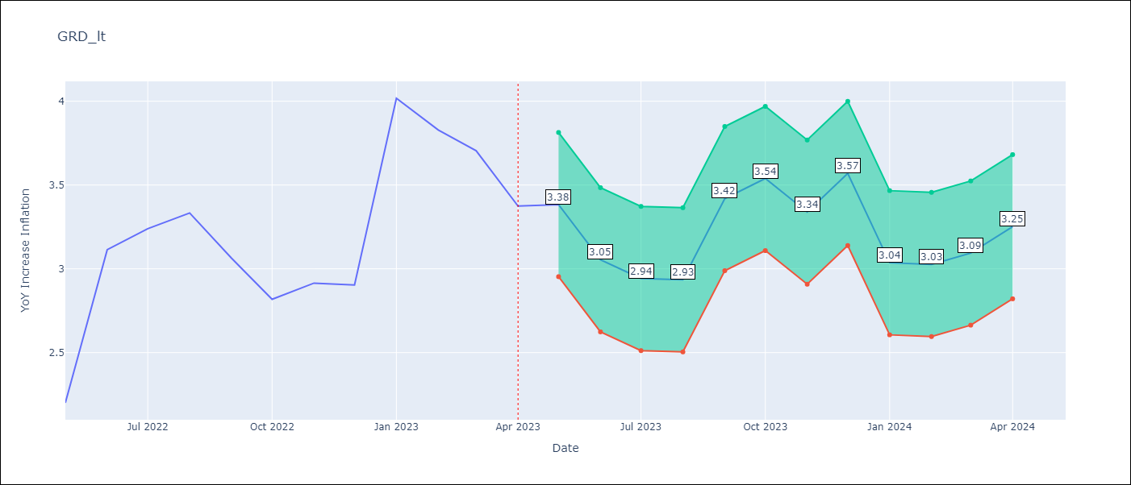

Test Metrics
RMSE | 285.76
Naive RMSE | 0.47
MAPE | 7495.99%

Test Predictions
Date | Predicted | Actual
2022-05-01 | 47.47 | 2.2
2022-06-01 | 202.01 | 3.11
2022-07-01 | 239.35 | 3.24
2022-08-01 | 246.46 | 3.33
2022-09-01 | 123.35 | 3.06
2022-10-01 | 124.81 | 2.82
2022-11-01 | 183.68 | 2.91
2022-12-01 | 228.92 | 2.9
2023-01-01 | 284.41 | 4.02
2023-02-01 | 347.9 | 3.83
2023-03-01 | 499.94 | 3.7
2023-04-01 | 520.2 | 3.37

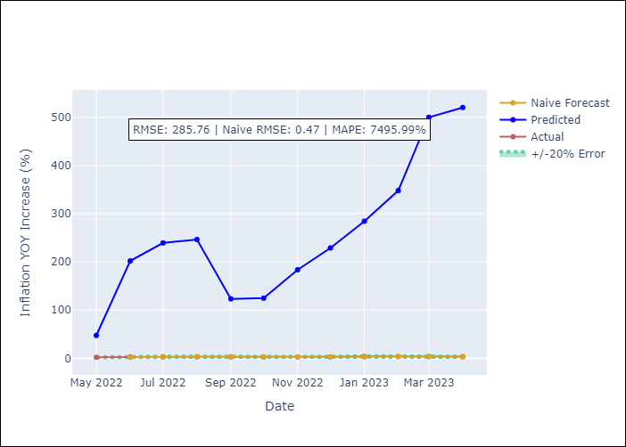

Appendix A: Model Summary
Model | ARIMA(0, 2, 1)x(0, 0, [1, 2, 3], 12)
Sample | 01-01-2011- 04-01-2023
No. of Observations | 148
Terms | P-value (Statistical significance)
ma.L1 | 0.000
ma.S.L12 | 0.634
ma.S.L24 | 0.954
ma.S.L36 | 0.894
sigma2 | 0.901

Assumptions | P-value | Interpretation
Ljung-Box (L1) | 0.82
Heteroskedasticity | 0.00
Jarque-Bera | 0.00
Skew | 2.25
Kurtosis | 15.81

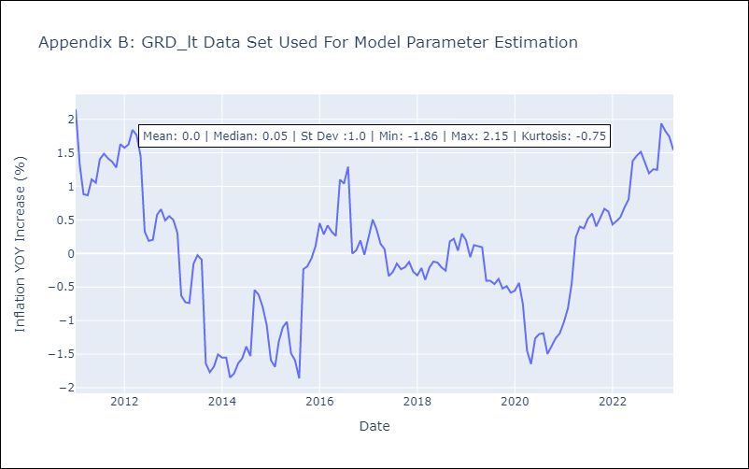

Appendix C: Residuals Analysis
Mean | 0.0
White Noise? | No - Correlation at Lags [ 1 2 3 4 5 6 7 8 9 10 11 12]
Normal? | No

