DMA_lt
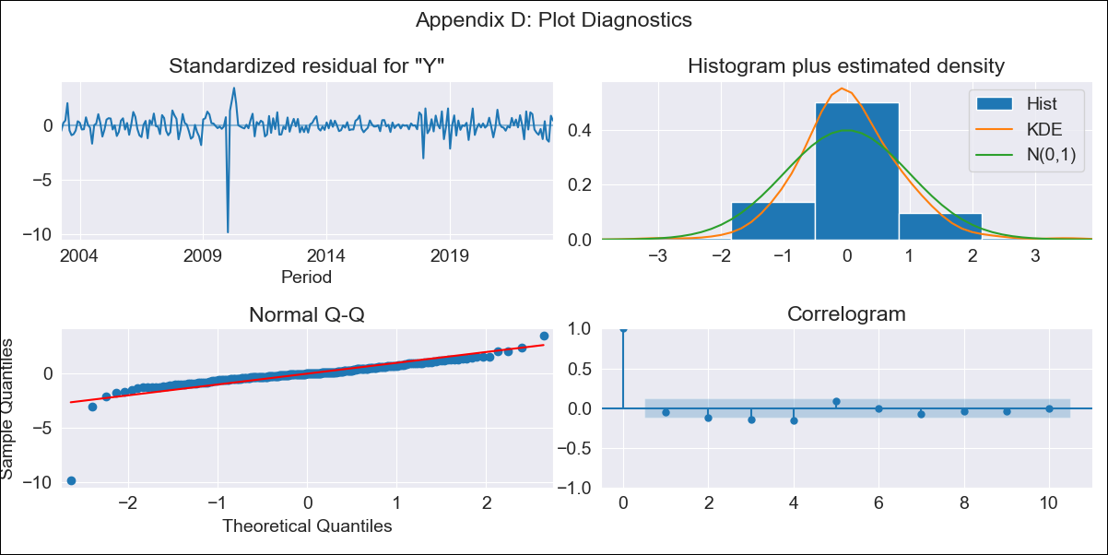
DMA_lt - Inflation - Next 12 months forecast as of: 2023-03-01

Model | ARIMA - [(3, 2, 0), (0, 0, 1, 12)]
Training Data | 2002-01-01 to 2022-04-01
Test Data | 2022-04-01 to 2023-03-01

Date | Inflation Change YoY % | Lower Bound - 95% Confidence Interval | Upper Bound - 95% Confidence Interval
2023-04-01 | 5.72 | 3.49 | 7.94
2023-05-01 | 4.44 | 2.21 | 6.66
2023-06-01 | 3.88 | 1.66 | 6.11
2023-07-01 | 3.27 | 1.04 | 5.49
2023-08-01 | 2.71 | 0.49 | 4.94
2023-09-01 | 2.11 | -0.11 | 4.34
2023-10-01 | 2.36 | 0.14 | 4.59
2023-11-01 | 1.57 | -0.65 | 3.8
2023-12-01 | 2.09 | -0.14 | 4.31
2024-01-01 | 2.96 | 0.74 | 5.18
2024-02-01 | 2.38 | 0.16 | 4.61
2024-03-01 | 2.19 | -0.04 | 4.41

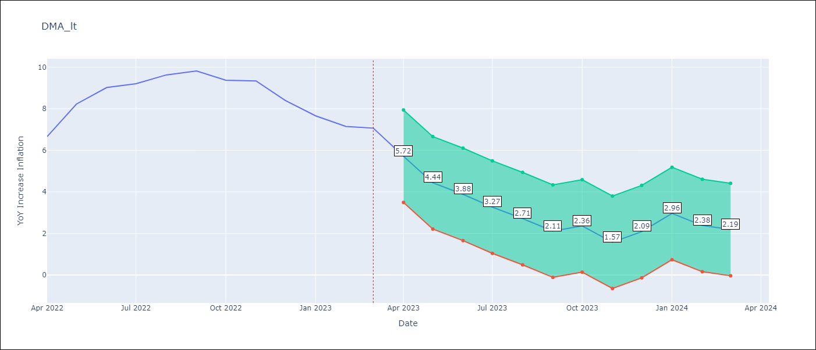

Test Metrics
RMSE | 1.63
Naive RMSE | 0.69
MAPE | 17.99%

Test Predictions
Date | Predicted | Actual
2022-04-01 | 5.67 | 6.66
2022-05-01 | 6.26 | 8.23
2022-06-01 | 6.97 | 9.02
2022-07-01 | 7.02 | 9.2
2022-08-01 | 7.5 | 9.63
2022-09-01 | 7.64 | 9.82
2022-10-01 | 8.04 | 9.37
2022-11-01 | 7.79 | 9.34
2022-12-01 | 7.94 | 8.4
2023-01-01 | 8.75 | 7.66
2023-02-01 | 8.22 | 7.15
2023-03-01 | 8.53 | 7.07

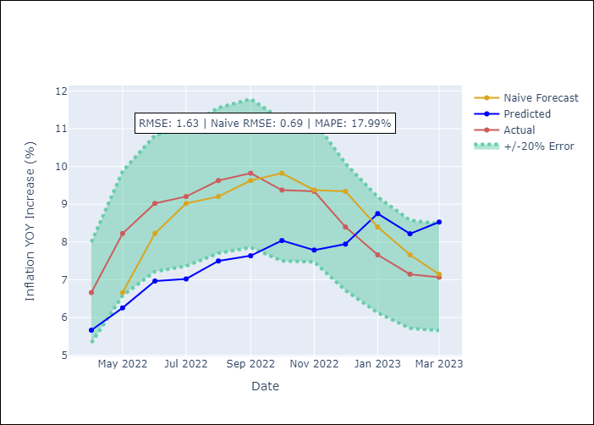

Appendix A: Model Summary
Model | ARIMA(3, 2, 0)x(0, 0, [1], 12)
Sample | 01-01-2002- 03-01-2023
No. of Observations | 255
Terms | P-value (Statistical significance)
ar.L1 | 0.000
ar.L2 | 0.000
ar.L3 | 0.000
ma.S.L12 | 0.000
sigma2 | 0.000

Assumptions | P-value | Interpretation
Ljung-Box (L1) | 0.43
Heteroskedasticity | 0.39
Jarque-Bera | 0.00
Skew | -3.75
Kurtosis | 40.78

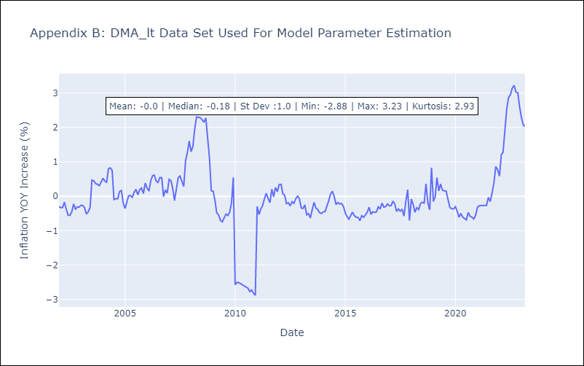

Appendix C: Residuals Analysis
Mean | -0.0
White Noise? | No - Correlation at Lags [ 3 4 5 6 7 8 9 10 11 12]
Normal? | No

