KNA_lt
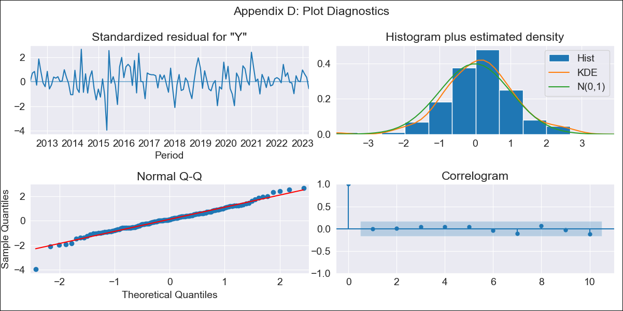
KNA_lt - Inflation - Next 12 months forecast as of: 2023-04-01

Model | ARIMA - [(2, 2, 1), (0, 0, 1, 12)]
Training Data | 2011-01-01 to 2022-05-01
Test Data | 2022-05-01 to 2023-04-01

Date | Inflation Change YoY % | Lower Bound - 95% Confidence Interval | Upper Bound - 95% Confidence Interval
2023-05-01 | 5.06 | 3.98 | 6.14
2023-06-01 | 5.06 | 3.98 | 6.14
2023-07-01 | 5.28 | 4.2 | 6.36
2023-08-01 | 5.56 | 4.49 | 6.64
2023-09-01 | 6.38 | 5.3 | 7.46
2023-10-01 | 6.05 | 4.97 | 7.13
2023-11-01 | 6.27 | 5.19 | 7.34
2023-12-01 | 6.6 | 5.53 | 7.68
2024-01-01 | 6.1 | 5.03 | 7.18
2024-02-01 | 6.04 | 4.97 | 7.12
2024-03-01 | 6.17 | 5.1 | 7.25
2024-04-01 | 6.75 | 5.67 | 7.83

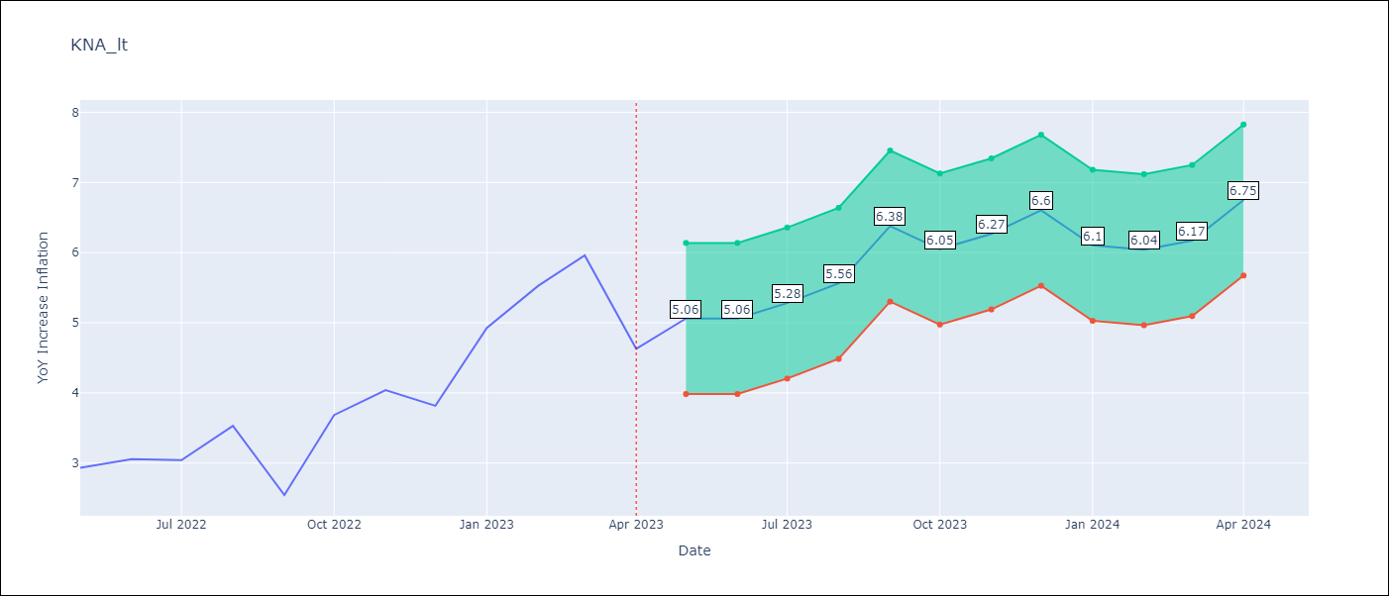

Test Metrics
RMSE | 1.48
Naive RMSE | 0.75
MAPE | 28.51%

Test Predictions
Date | Predicted | Actual
2022-05-01 | 2.5 | 2.93
2022-06-01 | 2.03 | 3.05
2022-07-01 | 2.24 | 3.04
2022-08-01 | 2.72 | 3.53
2022-09-01 | 2.48 | 2.54
2022-10-01 | 2.82 | 3.68
2022-11-01 | 3.11 | 4.04
2022-12-01 | 3 | 3.82
2023-01-01 | 2.98 | 4.93
2023-02-01 | 3.07 | 5.53
2023-03-01 | 3.27 | 5.96
2023-04-01 | 2.55 | 4.63

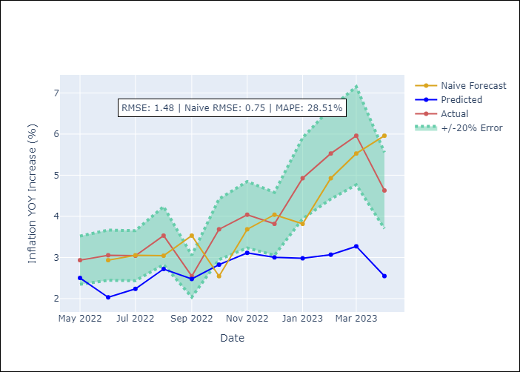

Appendix A: Model Summary
Model | ARIMA(2, 2, 1)x(0, 0, 1, 12)
Sample | 01-01-2011- 04-01-2023
No. of Observations | 148
Terms | P-value (Statistical significance)
ar.L1 | 0.000
ar.L2 | 0.035
ma.L1 | 0.000
ma.S.L12 | 0.000
sigma2 | 0.000

Assumptions | P-value | Interpretation
Ljung-Box (L1) | 0.91
Heteroskedasticity | 0.05
Jarque-Bera | 0.00
Skew | -0.28
Kurtosis | 4.66

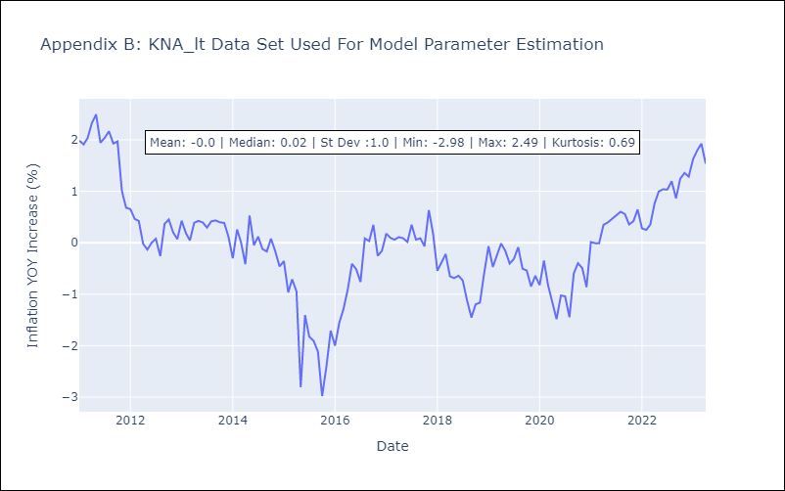

Appendix C: Residuals Analysis
Mean | 0.04
White Noise? | Yes
Normal? | No

