LCA_lt
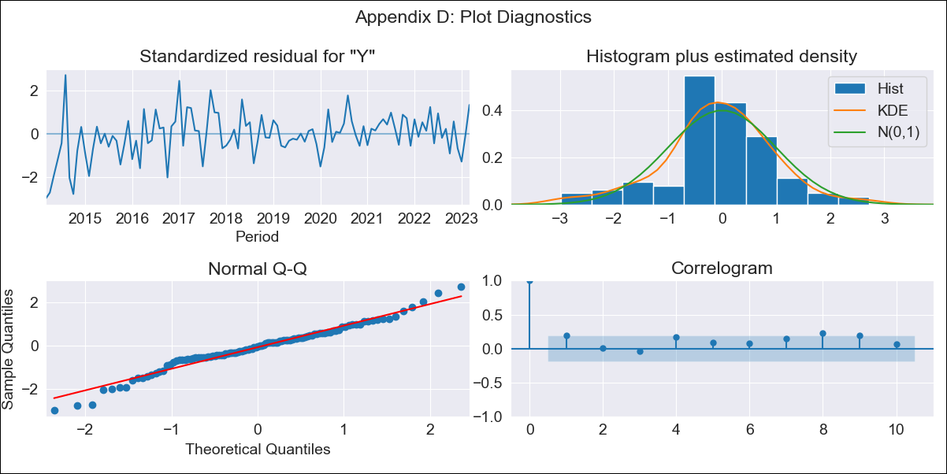
LCA_lt - Inflation - Next 12 months forecast as of: 2023-03-01

Model | ARIMA - [(0, 2, 1), (3, 0, 0, 12)]
Training Data | 2011-01-01 to 2022-04-01
Test Data | 2022-04-01 to 2023-03-01

Date | Inflation Change YoY % | Lower Bound - 95% Confidence Interval | Upper Bound - 95% Confidence Interval
2023-04-01 | 7.3 | 6.45 | 8.15
2023-05-01 | 6.6 | 5.75 | 7.45
2023-06-01 | 6.89 | 6.04 | 7.74
2023-07-01 | 6.07 | 5.22 | 6.92
2023-08-01 | 5.86 | 5.01 | 6.71
2023-09-01 | 5.81 | 4.96 | 6.66
2023-10-01 | 6.31 | 5.46 | 7.16
2023-11-01 | 6.43 | 5.58 | 7.28
2023-12-01 | 6.75 | 5.9 | 7.6
2024-01-01 | 6.8 | 5.95 | 7.65
2024-02-01 | 6.95 | 6.1 | 7.8
2024-03-01 | 6.52 | 5.67 | 7.37

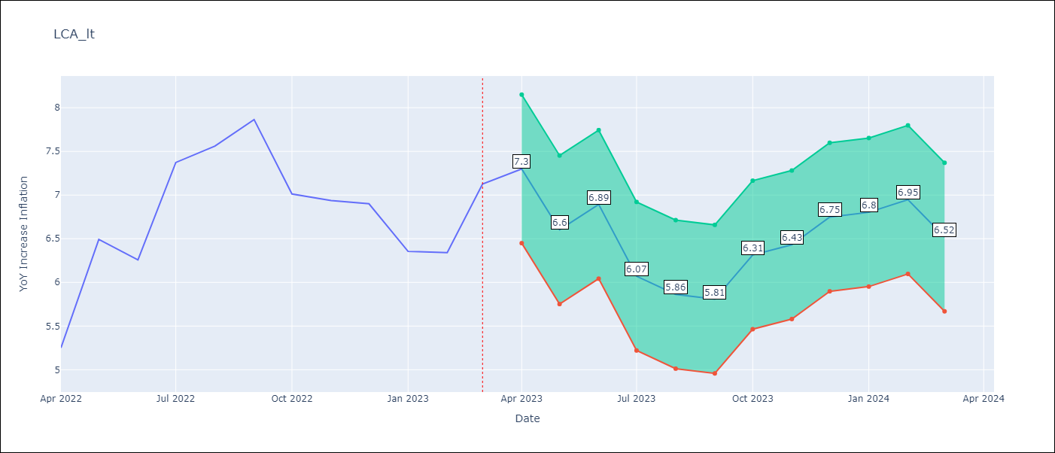

Test Metrics
RMSE | 1.3
Naive RMSE | 0.65
MAPE | 16.11%

Test Predictions
Date | Predicted | Actual
2022-04-01 | 5.12 | 5.25
2022-05-01 | 5.3 | 6.49
2022-06-01 | 5.38 | 6.26
2022-07-01 | 5.64 | 7.37
2022-08-01 | 5.9 | 7.56
2022-09-01 | 5.91 | 7.86
2022-10-01 | 5.75 | 7.01
2022-11-01 | 5.12 | 6.94
2022-12-01 | 5.59 | 6.9
2023-01-01 | 6.12 | 6.36
2023-02-01 | 6.16 | 6.34
2023-03-01 | 5.81 | 7.13

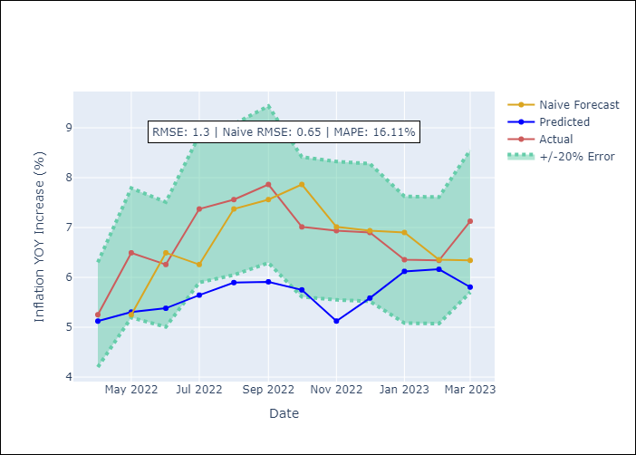

Appendix A: Model Summary
Model | ARIMA(0, 2, 1)x(3, 0, [], 12)
Sample | 01-01-2011- 03-01-2023
No. of Observations | 147
Terms | P-value (Statistical significance)
ma.L1 | 0.000
ar.S.L12 | 0.000
ar.S.L24 | 0.000
ar.S.L36 | 0.000
sigma2 | 0.000

Assumptions | P-value | Interpretation
Ljung-Box (L1) | 0.04
Heteroskedasticity | 0.00
Jarque-Bera | 0.07
Skew | -0.27
Kurtosis | 3.92

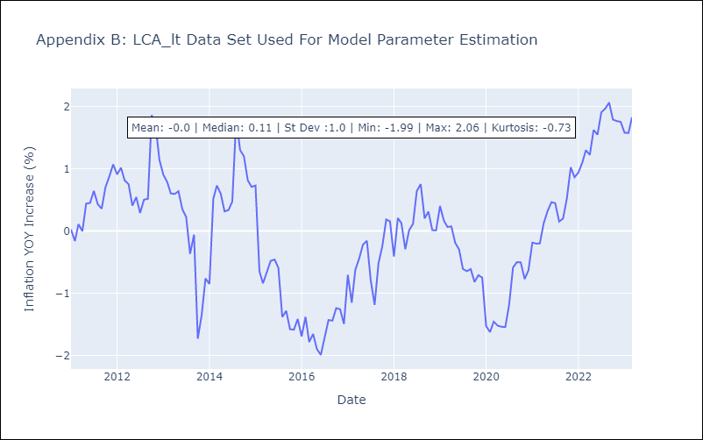

Appendix C: Residuals Analysis
Mean | -0.01
White Noise? | No - Correlation at Lags [1 2 3 4 5]
Normal? | No

