SUR_lt
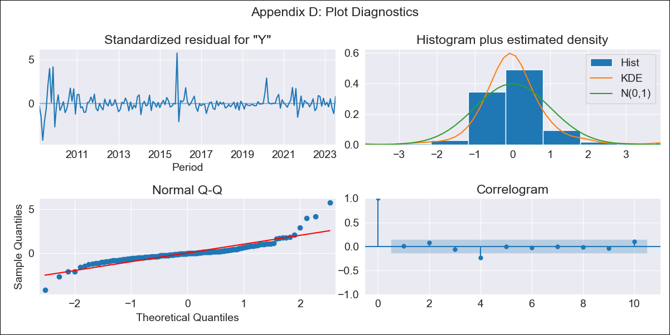
SUR_lt - Inflation - Next 12 months forecast as of: 2023-07-01

Model | ARIMA - [(1, 1, 0), (2, 0, 0, 12)]
Training Data | 2007-01-01 to 2022-08-01
Test Data | 2022-08-01 to 2023-07-01

Date | Inflation Change YoY % | Lower Bound - 95% Confidence Interval | Upper Bound - 95% Confidence Interval
2023-08-01 | 58.17 | 53.63 | 62.71
2023-09-01 | 58.13 | 53.59 | 62.67
2023-10-01 | 57.1 | 52.55 | 61.64
2023-11-01 | 56.3 | 51.75 | 60.84
2023-12-01 | 54.89 | 50.35 | 59.43
2024-01-01 | 54.34 | 49.8 | 58.89
2024-02-01 | 53.32 | 48.78 | 57.87
2024-03-01 | 52.7 | 48.16 | 57.24
2024-04-01 | 51.14 | 46.6 | 55.69
2024-05-01 | 51.82 | 47.28 | 56.36
2024-06-01 | 56.22 | 51.68 | 60.76
2024-07-01 | 56.9 | 52.36 | 61.45

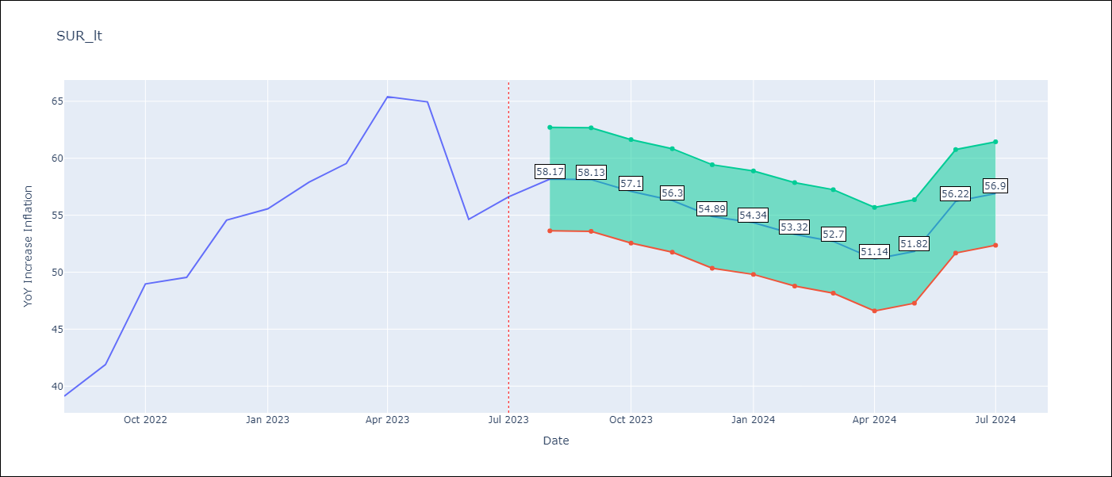

Test Metrics
RMSE | 14.55
Naive RMSE | 4.65
MAPE | 22.7%

Test Predictions
Date | Predicted | Actual
2022-08-01 | 42.35 | 39.12
2022-09-01 | 41.56 | 41.89
2022-10-01 | 41.64 | 48.97
2022-11-01 | 40.16 | 49.55
2022-12-01 | 39.94 | 54.56
2023-01-01 | 39.06 | 55.57
2023-02-01 | 39.17 | 57.91
2023-03-01 | 41.35 | 59.54
2023-04-01 | 43.38 | 65.41
2023-05-01 | 44.29 | 64.95
2023-06-01 | 42.75 | 54.63
2023-07-01 | 43.72 | 56.62

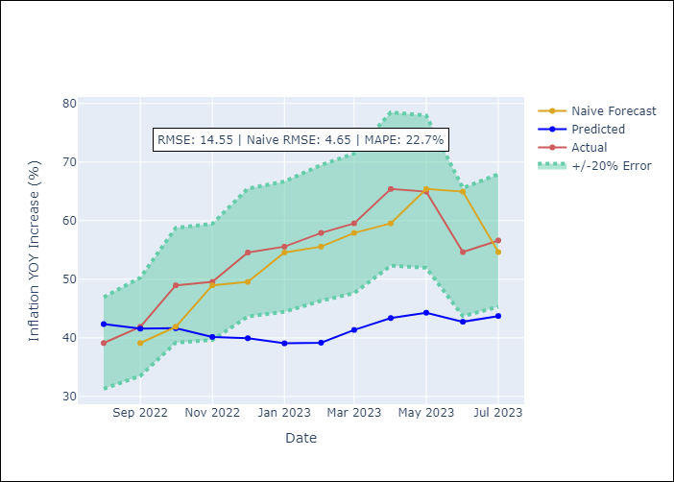

Appendix A: Model Summary
Model | ARIMA(1, 1, 0)x(2, 0, 0, 12)
Sample | 01-01-2007- 07-01-2023
No. of Observations | 199
Terms | P-value (Statistical significance)
ar.L1 | 0.000
ar.S.L12 | 0.000
ar.S.L24 | 0.022
sigma2 | 0.000

Assumptions | P-value | Interpretation
Ljung-Box (L1) | 0.96
Heteroskedasticity | 0.00
Jarque-Bera | 0.00
Skew | 1.44
Kurtosis | 12.53

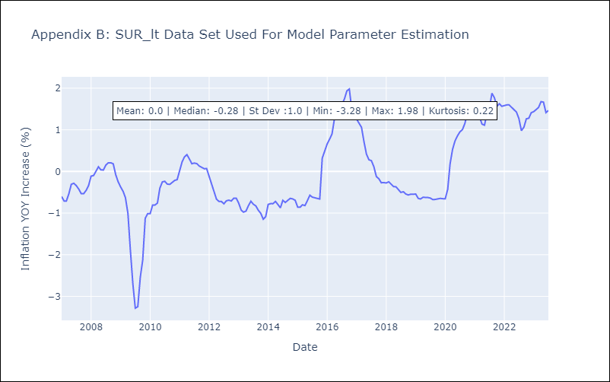

Appendix C: Residuals Analysis
Mean | 0.0
White Noise? | No - Correlation at Lags [4 5]
Normal? | No

