R02
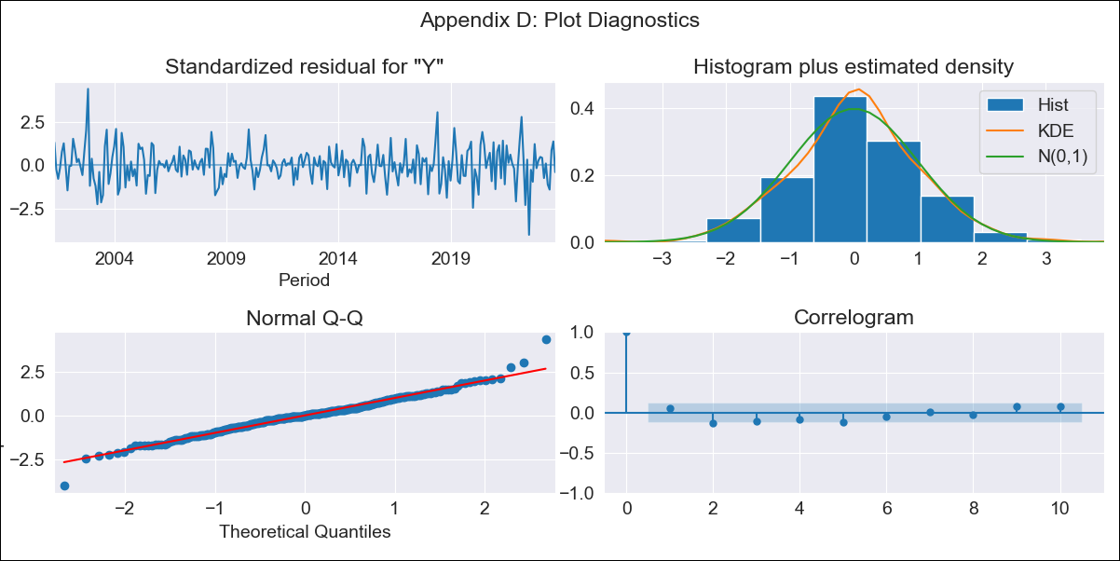
R02 - Inflation - Next 12 months forecast as of: 2023-09-01

Model | ARIMA - [(0, 2, 1), (0, 0, 1, 12)]
Training Data | 2000-01-01 to 2022-10-01
Test Data | 2022-10-01 to 2023-09-01

Date | Inflation Change YoY % | Lower Bound - 95% Confidence Interval | Upper Bound - 95% Confidence Interval
2023-10-01 | 5.19 | 4.83 | 5.55
2023-11-01 | 5.18 | 4.48 | 5.88
2023-12-01 | 5.13 | 4.03 | 6.23
2024-01-01 | 5.01 | 3.46 | 6.56
2024-02-01 | 4.85 | 2.81 | 6.9
2024-03-01 | 4.83 | 2.25 | 7.41
2024-04-01 | 4.75 | 1.59 | 7.91
2024-05-01 | 4.84 | 1.07 | 8.62
2024-06-01 | 5.09 | 0.67 | 9.52
2024-07-01 | 5.15 | 0.04 | 10.26
2024-08-01 | 5.04 | -0.79 | 10.86
2024-09-01 | 5.05 | -1.52 | 11.62

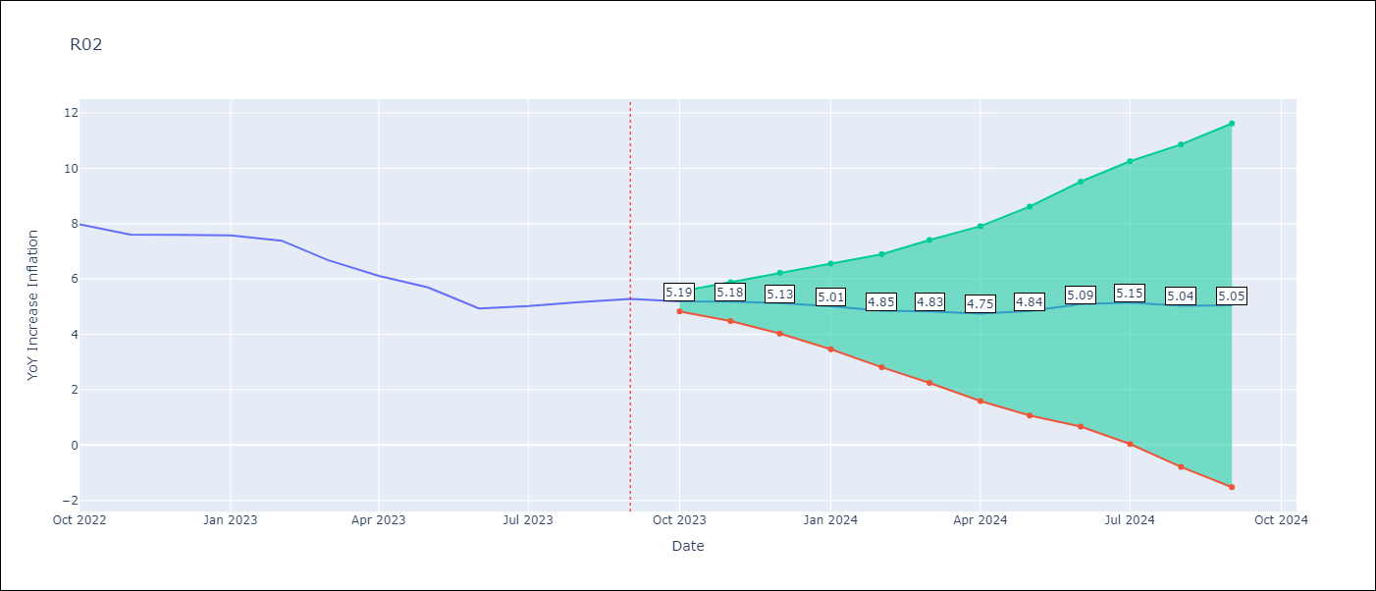

Test Metrics
RMSE | 1.18
Naive RMSE | 0.4
MAPE | 18.52%

Test Predictions
Date | Predicted | Actual
2022-10-01 | 7.75 | 7.97
2022-11-01 | 7.25 | 7.61
2022-12-01 | 7.06 | 7.6
2023-01-01 | 6.78 | 7.58
2023-02-01 | 6.28 | 7.38
2023-03-01 | 5.44 | 6.69
2023-04-01 | 4.65 | 6.11
2023-05-01 | 4.24 | 5.7
2023-06-01 | 3.67 | 4.94
2023-07-01 | 3.71 | 5.03
2023-08-01 | 3.59 | 5.16
2023-09-01 | 3.6 | 5.28

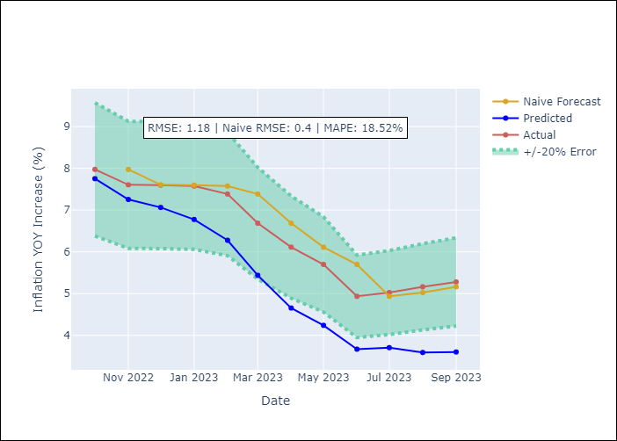

Appendix A: Model Summary
Model | ARIMA(0, 2, 1)x(0, 0, 1, 12)
Sample | 01-01-2000- 09-01-2023
No. of Observations | 285
Terms | P-value (Statistical significance)
ma.L1 | 0.000
ma.S.L12 | 0.000
sigma2 | 0.000

Assumptions | P-value | Interpretation
Ljung-Box (L1) | 0.35
Heteroskedasticity | 0.61
Jarque-Bera | 0.00
Skew | 0.11
Kurtosis | 4.73

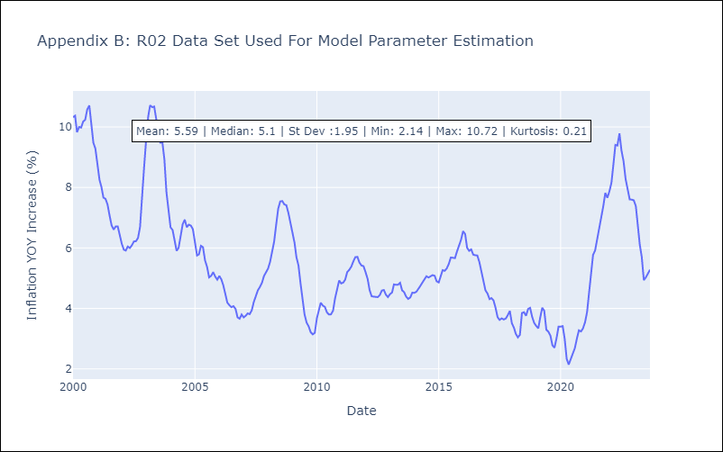

Appendix C: Residuals Analysis
Mean | 0.02
White Noise? | No - Correlation at Lags [ 1 2 3 4 5 6 7 8 9 10 11 12]
Normal? | No

